Sheet1
Table 3 Test sample quality control of mRNA-seq
序号 | 样本名称 | 浓度(ng/μL) | 体积 (μL) | 总量(μg) | A260/ A280 | A260/ A230 | 电泳 |  | 质检结论 |  | 备注及建议
 |  |  |  |  |  |  | RIN | 28S/ | 电泳 | 总量
 |  |  |  |  |  |  |  | 18S
1 | H0_1 | 326 | 45 | 14.67 | 2.02 | 2.17 | / | / | B2 | A | Acceptable
2 | H0_2 | 293 | 45 | 13.19 | 1.94 | 1.64 | / | / | B2 | A | Acceptable
3 | H0_3 | 309 | 45 | 13.91 | 2.03 | 2.22 | / | / | B2 | A | Acceptable
4 | HR_1 | 291 | 45 | 13.1 | 2.04 | 2.27 | / | / | B2 | A | Acceptable
5 | HR_2 | 319 | 45 | 14.36 | 1.98 | 1.88 | / | / | B2 | A | Acceptable
6 | HR_3 | 344 | 45 | 15.48 | 2.04 | 2.32 | / | / | B2 | A | Acceptable
7 | S0_1 | 380 | 45 | 17.1 | 2.02 | 2.28 | / | / | B2 | A | Acceptable
8 | S0_2 | 590 | 45 | 26.55 | 2.02 | 2.2 | / | / | B2 | A | Acceptable
9 | S0_3 | 321 | 45 | 14.45 | 2.02 | 2.25 | / | / | B2 | A | Acceptable
10 | SR_1 | 247 | 45 | 11.12 | 1.95 | 1.78 | / | / | B2 | A | Acceptable
11 | SR_2 | 232 | 45 | 10.44 | 1.99 | 1.7 | / | / | B2 | A | Acceptable
12 | SR_3 | 269 | 45 | 12.11 | 2.04 | 2.35 | / | / | B2 | A | Acceptable

附电泳图
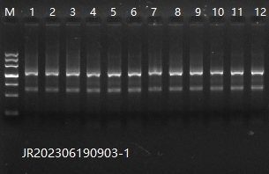

备注

