Sheet1
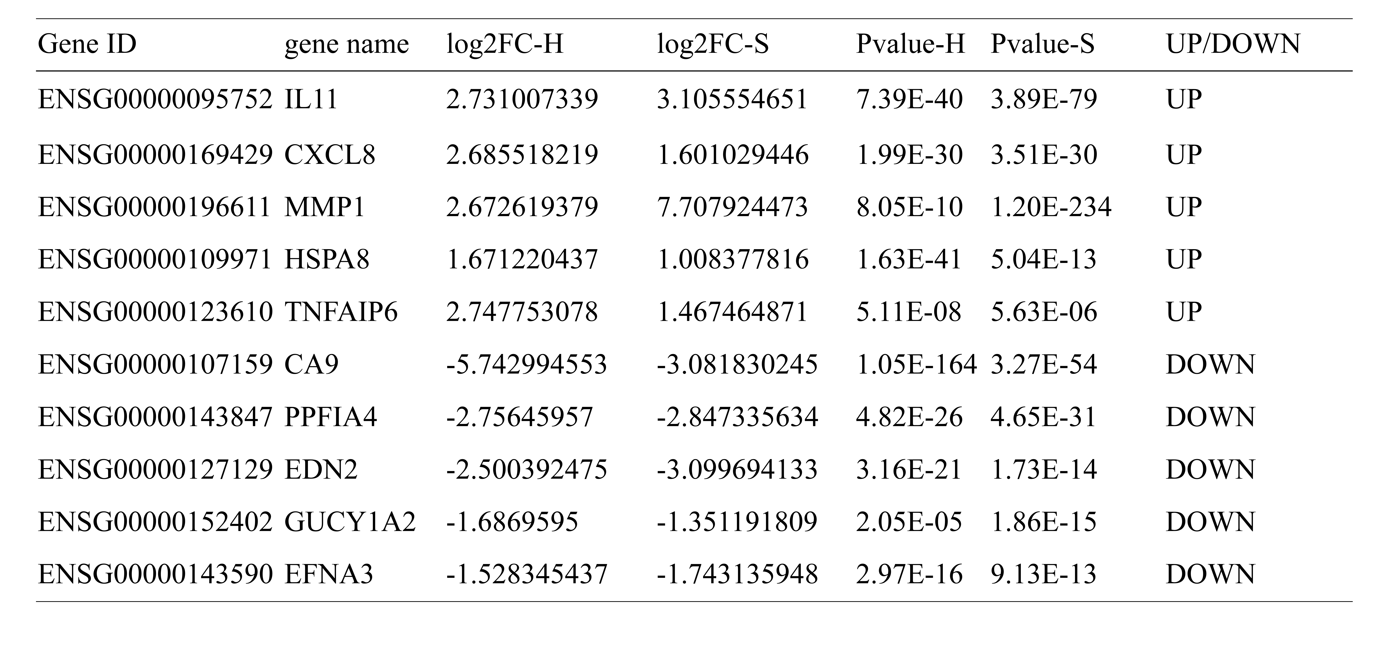
Table 5 The top 10 most significant differential genes analyzed by Venn diagram plots

