Fig. 3A
MiSHN1 |  |  | E % | 88.3 |  | E % | 85.7 |  | E % | 90.3
 | Biol. replicacte | Technical replicacte | E | 1.88 |  | E | 1.86 |  | E | 1.9 |  |  |  |  |  |  | vs control | vs russeted
 |  |  | Actin1 | delta Ct | RQ | TUBB | delta Ct | RQ | SHN1 | delta Ct | RQ | GEO Mean RQ Refs | Relative gene expression | Average | Average | SE | t.test
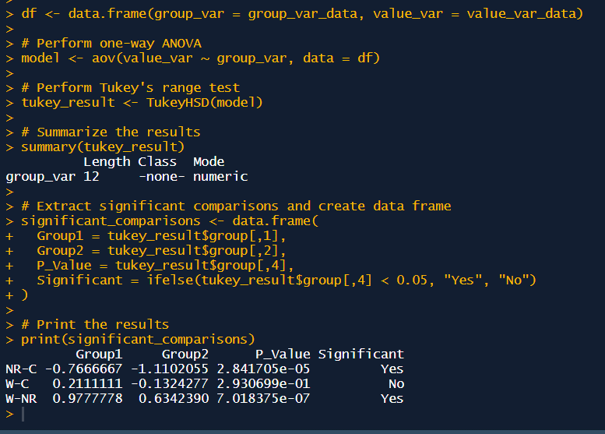
Natural russet | B1 | 1 | 17.912 | 0.37 | 1.26 | 18.397 | -0.51 | 0.73 | 20.121 | -2.92 | 0.15 | 0.96 | 0.16 | 0.15 | 0.24 | 0.02 | 0.000 | 0.002
 |  | 2 | 17.881 | 0.40 | 1.29 | 18.435 | -0.55 | 0.71 | 20.208 | -3.01 | 0.14 | 0.96 | 0.15
 |  | 3 | 17.939 | 0.34 | 1.24 | 18.181 | -0.29 | 0.83 | 20.408 | -3.20 | 0.13 | 1.02 | 0.13
 | B2 | 1 | 17.954 | 0.32 | 1.23 | 18.185 | -0.30 | 0.83 | 18.991 | -1.79 | 0.32 | 1.01 | 0.31 | 0.29
 |  | 2 | 17.917 | 0.36 | 1.26 | 18.142 | -0.26 | 0.85 | 19.136 | -1.93 | 0.29 | 1.04 | 0.28
 |  | 3 | 17.974 | 0.31 | 1.21 | 18.281 | -0.39 | 0.78 | 19.225 | -2.02 | 0.27 | 0.97 | 0.28
 | B3 | 1 | 18.299 | -0.02 | 0.99 | 18.724 | -0.84 | 0.60 | 19.527 | -2.32 | 0.22 | 0.77 | 0.29 | 0.28
 |  | 2 | 18.249 | 0.03 | 1.02 | 18.748 | -0.86 | 0.59 | 19.600 | -2.40 | 0.21 | 0.77 | 0.28
 |  | 3 | 18.292 | -0.01 | 0.99 | 18.660 | -0.77 | 0.62 | 19.688 | -2.48 | 0.20 | 0.78 | 0.26
Control | B1 | 1 | 18.302 | -0.02 | 0.99 | 17.924 | -0.04 | 0.98 | 16.870 | 0.33 | 1.24 | 0.98 | 1.26 | 1.18 | 1.05 | 0.11
 |  | 2 | 18.164 | 0.12 | 1.08 | 17.633 | 0.25 | 1.17 | 17.099 | 0.10 | 1.07 | 1.12 | 0.95
 |  | 3 | 18.477 | -0.20 | 0.88 | 17.738 | 0.15 | 1.10 | 16.779 | 0.42 | 1.31 | 0.98 | 1.34
 | B2 | 1 | 18.332 | -0.05 | 0.97 | 17.639 | 0.25 | 1.17 | 16.801 | 0.40 | 1.30 | 1.06 | 1.22 | 1.33
 |  | 2 | 18.494 | -0.21 | 0.87 | 17.487 | 0.40 | 1.28 | 16.750 | 0.45 | 1.34 | 1.06 | 1.27
 |  | 3 | 18.368 | -0.09 | 0.94 | 17.664 | 0.22 | 1.15 | 16.503 | 0.70 | 1.57 | 1.04 | 1.51
 | B3 | 1 | 18.229 | 0.05 | 1.03 | 18.419 | -0.53 | 0.72 | 17.905 | -0.70 | 0.64 | 0.86 | 0.74 | 0.65
 |  | 2 | 18.008 | 0.27 | 1.19 | 18.139 | -0.25 | 0.86 | 18.096 | -0.89 | 0.56 | 1.01 | 0.56
 |  | 3 | 18.136 | 0.14 | 1.09 | 18.342 | -0.46 | 0.75 | 18.024 | -0.82 | 0.59 | 0.91 | 0.65
Wounded | B1 | 1 | 19.056 | -0.78 | 0.61 | 18.307 | -0.42 | 0.77 | 18.370 | -1.17 | 0.47 | 0.69 | 0.69 | 0.72 | 0.57 | 0.05 | 0.001
 |  | 2 | 19.101 | -0.82 | 0.59 | 18.203 | -0.32 | 0.82 | 18.059 | -0.86 | 0.58 | 0.70 | 0.82
 |  | 3 | 19.086 | -0.81 | 0.60 | 18.043 | -0.16 | 0.91 | 18.373 | -1.17 | 0.47 | 0.74 | 0.64
 | B2 | 1 | 17.540 | 0.74 | 1.60 | 17.538 | 0.35 | 1.24 | 17.490 | -0.29 | 0.83 | 1.41 | 0.59 | 0.61
 |  | 2 | 17.367 | 0.91 | 1.78 | 17.706 | 0.18 | 1.12 | 17.389 | -0.19 | 0.89 | 1.41 | 0.63
 |  | 3 | 17.415 | 0.86 | 1.73 | 17.666 | 0.22 | 1.15 | 17.420 | -0.22 | 0.87 | 1.41 | 0.62
 | B3 | 1 | 17.827 | 0.45 | 1.33 | 18.776 | -0.89 | 0.58 | 19.098 | -1.89 | 0.30 | 0.88 | 0.34 | 0.38
 |  | 2 | 17.797 | 0.48 | 1.36 | 18.803 | -0.92 | 0.57 | 18.656 | -1.45 | 0.39 | 0.88 | 0.45
 |  | 3 | 17.811 | 0.47 | 1.34 | 18.860 | -0.97 | 0.55 | 19.071 | -1.87 | 0.30 | 0.86 | 0.35

Control average Ct |  |  | 18.3 |  |  | 17.9 |  |  | 17.2

MiCER1 |  |  | E % | 88.3 |  | E % | 85.7 |  | E % | 90.6
 | Biol. replicacte | Technical replicacte | E | 1.88 |  | E | 1.86 |  | E | 1.91 |  |  |  |  |  |  | vs control | vs russeted
 |  |  | Actin1 | delta Ct | RQ | TUBB | delta Ct | RQ | CER1 | delta Ct | RQ | GEO Mean RQ Refs | Relative gene expression | Average | Average | SE | t.test
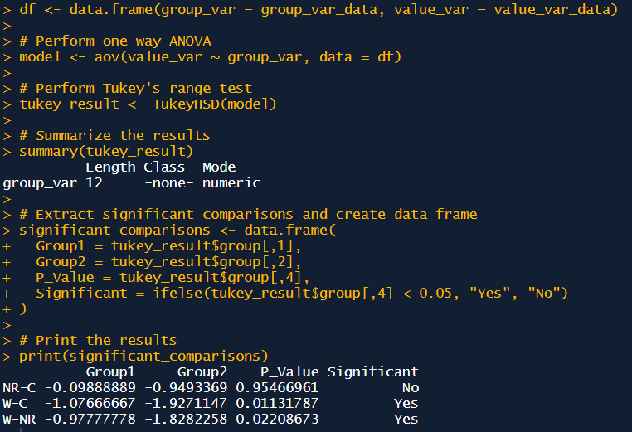
Natural russet | B1 | 1 | 17.912 | 0.37 | 1.26 | 18.397 | -0.51 | 0.73 | 22.450 | 0.65 | 1.52 | 0.96 | 1.58 | 1.52 | 1.42 | 0.18 | 0.832 | 0.005
 |  | 2 | 17.881 | 0.40 | 1.29 | 18.435 | -0.55 | 0.71 | 22.396 | 0.70 | 1.57 | 0.96 | 1.64
 |  | 3 | 17.939 | 0.34 | 1.24 | 18.181 | -0.29 | 0.83 | 22.619 | 0.48 | 1.36 | 1.02 | 1.34
 | B2 | 1 | 17.954 | 0.32 | 1.23 | 18.185 | -0.30 | 0.83 | 23.375 | -0.28 | 0.83 | 1.01 | 0.83 | 0.77
 |  | 2 | 17.917 | 0.36 | 1.26 | 18.142 | -0.26 | 0.85 | 23.334 | -0.24 | 0.86 | 1.04 | 0.83
 |  | 3 | 17.974 | 0.31 | 1.21 | 18.281 | -0.39 | 0.78 | 23.776 | -0.68 | 0.64 | 0.97 | 0.66
 | B3 | 1 | 18.299 | -0.02 | 0.99 | 18.724 | -0.84 | 0.60 | 22.548 | 0.55 | 1.42 | 0.77 | 1.86 | 1.96
 |  | 2 | 18.249 | 0.03 | 1.02 | 18.748 | -0.86 | 0.59 | 22.347 | 0.75 | 1.62 | 0.77 | 2.10
 |  | 3 | 18.292 | -0.01 | 0.99 | 18.660 | -0.77 | 0.62 | 22.456 | 0.64 | 1.51 | 0.78 | 1.93
Control | B1 | 1 | 18.302 | -0.02 | 0.99 | 17.924 | -0.04 | 0.98 | 21.472 | 1.62 | 2.85 | 0.98 | 2.90 | 2.76 | 1.52 | 0.36
 |  | 2 | 18.164 | 0.12 | 1.08 | 17.633 | 0.25 | 1.17 | 21.414 | 1.68 | 2.96 | 1.12 | 2.64
 |  | 3 | 18.477 | -0.20 | 0.88 | 17.738 | 0.15 | 1.10 | 21.563 | 1.53 | 2.69 | 0.98 | 2.73
 | B2 | 1 | 18.332 | -0.05 | 0.97 | 17.639 | 0.25 | 1.17 | 22.276 | 0.82 | 1.70 | 1.06 | 1.60 | 1.56
 |  | 2 | 18.494 | -0.21 | 0.87 | 17.487 | 0.40 | 1.28 | 22.287 | 0.81 | 1.68 | 1.06 | 1.59
 |  | 3 | 18.368 | -0.09 | 0.94 | 17.664 | 0.22 | 1.15 | 22.417 | 0.68 | 1.55 | 1.04 | 1.49
 | B3 | 1 | 18.229 | 0.05 | 1.03 | 18.419 | -0.53 | 0.72 | 25.347 | -2.25 | 0.23 | 0.86 | 0.27 | 0.24
 |  | 2 | 18.008 | 0.27 | 1.19 | 18.139 | -0.25 | 0.86 | 25.125 | -2.03 | 0.27 | 1.01 | 0.27
 |  | 3 | 18.136 | 0.14 | 1.09 | 18.342 | -0.46 | 0.75 | 25.957 | -2.86 | 0.16 | 0.91 | 0.17
Wounded | B1 | 1 | 19.056 | -0.78 | 0.61 | 18.307 | -0.42 | 0.77 | 24.342 | -1.25 | 0.45 | 0.69 | 0.65 | 0.63 | 0.44 | 0.10 | 0.005
 |  | 2 | 19.101 | -0.82 | 0.59 | 18.203 | -0.32 | 0.82 | 24.202 | -1.11 | 0.49 | 0.70 | 0.70
 |  | 3 | 19.086 | -0.81 | 0.60 | 18.043 | -0.16 | 0.91 | 24.508 | -1.41 | 0.40 | 0.74 | 0.54
 | B2 | 1 | 17.540 | 0.74 | 1.60 | 17.538 | 0.35 | 1.24 | 23.260 | -0.16 | 0.90 | 1.41 | 0.64 | 0.63
 |  | 2 | 17.367 | 0.91 | 1.78 | 17.706 | 0.18 | 1.12 | 23.159 | -0.06 | 0.96 | 1.41 | 0.68
 |  | 3 | 17.415 | 0.86 | 1.73 | 17.666 | 0.22 | 1.15 | 23.411 | -0.32 | 0.82 | 1.41 | 0.58
 | B3 | 1 | 17.827 | 0.45 | 1.33 | 18.776 | -0.89 | 0.58 | 27.551 | -4.46 | 0.06 | 0.88 | 0.06 | 0.06
 |  | 2 | 17.797 | 0.48 | 1.36 | 18.803 | -0.92 | 0.57 | 27.909 | -4.81 | 0.04 | 0.88 | 0.05
 |  | 3 | 17.811 | 0.47 | 1.34 | 18.860 | -0.97 | 0.55 | 27.431 | -4.34 | 0.06 | 0.86 | 0.07

Control average Ct |  |  | 18.3 |  |  | 17.9 |  |  | 23.1

MiCER3 |  |  | E % | 88.3 |  | E % | 85.7 |  | E % | 97.2
 |  |  | E | 1.88 |  | E | 1.86 |  | E | 1.97 |  |  |  |  |  |  | vs control | vs russeted
 |  |  | Actin1 | delta Ct | RQ | TUBB | delta Ct | RQ | CER3 | delta Ct | RQ | GEO Mean RQ Refs | Relative gene expression | Average | Average | SE | t.test
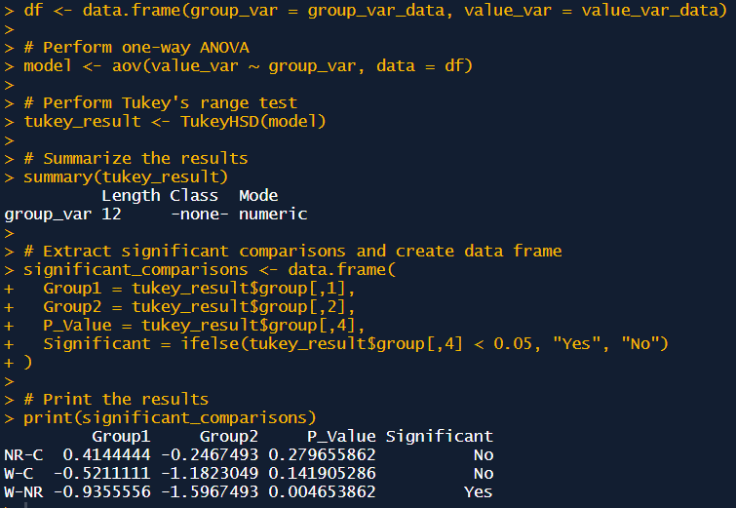
Natural russet | B1 | 1 | 17.912 | 0.37 | 1.26 | 18.397 | -0.51 | 0.73 | 19.753 | 0.98 | 1.94 | 0.96 | 2.03 | 2.17 | 1.65 | 0.15 | 0.045 | 0.001
 |  | 2 | 17.881 | 0.40 | 1.29 | 18.435 | -0.55 | 0.71 | 19.674 | 1.06 | 2.05 | 0.96 | 2.14
 |  | 3 | 17.939 | 0.34 | 1.24 | 18.181 | -0.29 | 0.83 | 19.448 | 1.28 | 2.39 | 1.02 | 2.35
 | B2 | 1 | 17.954 | 0.32 | 1.23 | 18.185 | -0.30 | 0.83 | 20.484 | 0.25 | 1.18 | 1.01 | 1.17 | 1.19
 |  | 2 | 17.917 | 0.36 | 1.26 | 18.142 | -0.26 | 0.85 | 20.541 | 0.19 | 1.14 | 1.04 | 1.10
 |  | 3 | 17.974 | 0.31 | 1.21 | 18.281 | -0.39 | 0.78 | 20.399 | 0.33 | 1.25 | 0.97 | 1.29
 | B3 | 1 | 18.299 | -0.02 | 0.99 | 18.724 | -0.84 | 0.60 | 20.432 | 0.30 | 1.23 | 0.77 | 1.60 | 1.59
 |  | 2 | 18.249 | 0.03 | 1.02 | 18.748 | -0.86 | 0.59 | 20.425 | 0.31 | 1.23 | 0.77 | 1.59
 |  | 3 | 18.292 | -0.01 | 0.99 | 18.660 | -0.77 | 0.62 | 20.421 | 0.31 | 1.24 | 0.78 | 1.58
Control | B1 | 1 | 18.302 | -0.02 | 0.99 | 17.924 | -0.04 | 0.98 | 20.191 | 0.54 | 1.44 | 0.98 | 1.47 | 1.48 | 1.24 | 0.23
 |  | 2 | 18.164 | 0.12 | 1.08 | 17.633 | 0.25 | 1.17 | 20.095 | 0.64 | 1.54 | 1.12 | 1.37
 |  | 3 | 18.477 | -0.20 | 0.88 | 17.738 | 0.15 | 1.10 | 20.056 | 0.68 | 1.58 | 0.98 | 1.61
 | B2 | 1 | 18.332 | -0.05 | 0.97 | 17.639 | 0.25 | 1.17 | 22.123 | -1.39 | 0.39 | 1.06 | 0.37 | 0.36
 |  | 2 | 18.494 | -0.21 | 0.87 | 17.487 | 0.40 | 1.28 | 22.264 | -1.53 | 0.35 | 1.06 | 0.33
 |  | 3 | 18.368 | -0.09 | 0.94 | 17.664 | 0.22 | 1.15 | 22.049 | -1.32 | 0.41 | 1.04 | 0.39
 | B3 | 1 | 18.229 | 0.05 | 1.03 | 18.419 | -0.53 | 0.72 | 19.946 | 0.79 | 1.71 | 0.86 | 1.98 | 1.86
 |  | 2 | 18.008 | 0.27 | 1.19 | 18.139 | -0.25 | 0.86 | 19.889 | 0.84 | 1.77 | 1.01 | 1.76
 |  | 3 | 18.136 | 0.14 | 1.09 | 18.342 | -0.46 | 0.75 | 19.974 | 0.76 | 1.67 | 0.91 | 1.84
Wounded | B1 | 1 | 19.056 | -0.78 | 0.61 | 18.307 | -0.42 | 0.77 | 21.977 | -1.25 | 0.43 | 0.69 | 0.63 | 0.65 | 0.71 | 0.18 | 0.000
 |  | 2 | 19.101 | -0.82 | 0.59 | 18.203 | -0.32 | 0.82 | 21.899 | -1.17 | 0.45 | 0.70 | 0.65
 |  | 3 | 19.086 | -0.81 | 0.60 | 18.043 | -0.16 | 0.91 | 21.778 | -1.05 | 0.49 | 0.74 | 0.67
 | B2 | 1 | 17.540 | 0.74 | 1.60 | 17.538 | 0.35 | 1.24 | 23.196 | -2.46 | 0.19 | 1.41 | 0.13 | 0.13
 |  | 2 | 17.367 | 0.91 | 1.78 | 17.706 | 0.18 | 1.12 | 23.408 | -2.68 | 0.16 | 1.41 | 0.12
 |  | 3 | 17.415 | 0.86 | 1.73 | 17.666 | 0.22 | 1.15 | 23.223 | -2.49 | 0.18 | 1.41 | 0.13
 | B3 | 1 | 17.827 | 0.45 | 1.33 | 18.776 | -0.89 | 0.58 | 20.526 | 0.21 | 1.15 | 0.88 | 1.31 | 1.37
 |  | 2 | 17.797 | 0.48 | 1.36 | 18.803 | -0.92 | 0.57 | 20.440 | 0.29 | 1.22 | 0.88 | 1.39
 |  | 3 | 17.811 | 0.47 | 1.34 | 18.860 | -0.97 | 0.55 | 20.457 | 0.28 | 1.21 | 0.86 | 1.40

Control average Ct |  |  | 18.3 |  |  | 17.9 |  |  | 20.7

MiGPAT6 |  |  | E % | 88.3 |  | E % | 85.7 |  | E % | 95.6
 |  |  | E | 1.88 |  | E | 1.86 |  | E | 1.96 |  |  |  |  |  |  | vs control | vs russeted
 |  |  | Actin1 | delta Ct | RQ | TUBB | delta Ct | RQ | GPAT6 | delta Ct | RQ | GEO Mean RQ Refs | Relative gene expression | Average | Average | SE | t.test
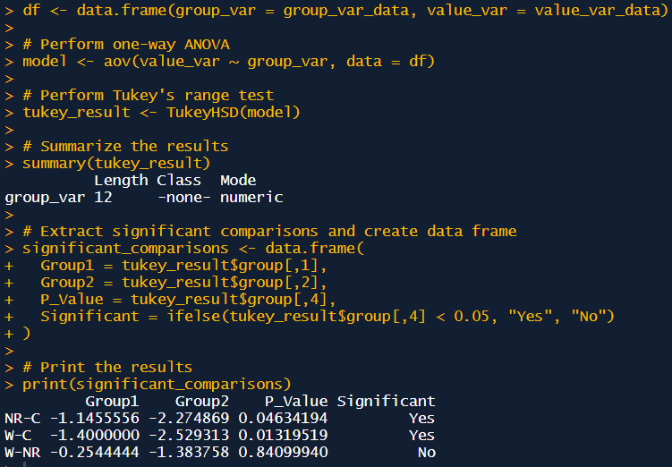
Natural russet | B1 | 1 | 17.912 | 0.37 | 1.26 | 18.397 | -0.51 | 0.73 | 22.322 | -0.98 | 0.52 | 0.96 | 0.54 | 0.54 | 0.54 | 0.03 | 0.073 | 0.010
 |  | 2 | 17.881 | 0.40 | 1.29 | 18.435 | -0.55 | 0.71 | 22.236 | -0.89 | 0.55 | 0.96 | 0.57
 |  | 3 | 17.939 | 0.34 | 1.24 | 18.181 | -0.29 | 0.83 | 22.324 | -0.98 | 0.52 | 1.02 | 0.51
 | B2 | 1 | 17.954 | 0.32 | 1.23 | 18.185 | -0.30 | 0.83 | 22.636 | -1.29 | 0.42 | 1.01 | 0.42 | 0.42
 |  | 2 | 17.917 | 0.36 | 1.26 | 18.142 | -0.26 | 0.85 | 22.632 | -1.29 | 0.42 | 1.04 | 0.41
 |  | 3 | 17.974 | 0.31 | 1.21 | 18.281 | -0.39 | 0.78 | 22.571 | -1.23 | 0.44 | 0.97 | 0.45
 | B3 | 1 | 18.299 | -0.02 | 0.99 | 18.724 | -0.84 | 0.60 | 22.410 | -1.06 | 0.49 | 0.77 | 0.64 | 0.65
 |  | 2 | 18.249 | 0.03 | 1.02 | 18.748 | -0.86 | 0.59 | 22.349 | -1.00 | 0.51 | 0.77 | 0.66
 |  | 3 | 18.292 | -0.01 | 0.99 | 18.660 | -0.77 | 0.62 | 22.350 | -1.00 | 0.51 | 0.78 | 0.65
Control | B1 | 1 | 18.302 | -0.02 | 0.99 | 17.924 | -0.04 | 0.98 | 19.257 | 2.09 | 4.06 | 0.98 | 4.14 | 3.84 | 1.69 | 0.55
 |  | 2 | 18.164 | 0.12 | 1.08 | 17.633 | 0.25 | 1.17 | 19.340 | 2.01 | 3.84 | 1.12 | 3.42
 |  | 3 | 18.477 | -0.20 | 0.88 | 17.738 | 0.15 | 1.10 | 19.320 | 2.03 | 3.89 | 0.98 | 3.96
 | B2 | 1 | 18.332 | -0.05 | 0.97 | 17.639 | 0.25 | 1.17 | 21.357 | -0.01 | 0.99 | 1.06 | 0.93 | 0.94
 |  | 2 | 18.494 | -0.21 | 0.87 | 17.487 | 0.40 | 1.28 | 21.384 | -0.04 | 0.97 | 1.06 | 0.92
 |  | 3 | 18.368 | -0.09 | 0.94 | 17.664 | 0.22 | 1.15 | 21.362 | -0.02 | 0.99 | 1.04 | 0.95
 | B3 | 1 | 18.229 | 0.05 | 1.03 | 18.419 | -0.53 | 0.72 | 23.422 | -2.08 | 0.25 | 0.86 | 0.29 | 0.28
 |  | 2 | 18.008 | 0.27 | 1.19 | 18.139 | -0.25 | 0.86 | 23.379 | -2.03 | 0.26 | 1.01 | 0.25
 |  | 3 | 18.136 | 0.14 | 1.09 | 18.342 | -0.46 | 0.75 | 23.292 | -1.95 | 0.27 | 0.91 | 0.30
Wounded | B1 | 1 | 19.056 | -0.78 | 0.61 | 18.307 | -0.42 | 0.77 | 23.178 | -1.83 | 0.29 | 0.69 | 0.43 | 0.42 | 0.28 | 0.05 | 0.025
 |  | 2 | 19.101 | -0.82 | 0.59 | 18.203 | -0.32 | 0.82 | 23.153 | -1.81 | 0.30 | 0.70 | 0.43
 |  | 3 | 19.086 | -0.81 | 0.60 | 18.043 | -0.16 | 0.91 | 23.124 | -1.78 | 0.30 | 0.74 | 0.41
 | B2 | 1 | 17.540 | 0.74 | 1.60 | 17.538 | 0.35 | 1.24 | 22.459 | -1.11 | 0.47 | 1.41 | 0.34 | 0.34
 |  | 2 | 17.367 | 0.91 | 1.78 | 17.706 | 0.18 | 1.12 | 22.467 | -1.12 | 0.47 | 1.41 | 0.33
 |  | 3 | 17.415 | 0.86 | 1.73 | 17.666 | 0.22 | 1.15 | 22.444 | -1.10 | 0.48 | 1.41 | 0.34
 | B3 | 1 | 17.827 | 0.45 | 1.33 | 18.776 | -0.89 | 0.58 | 25.087 | -3.74 | 0.08 | 0.88 | 0.09 | 0.09
 |  | 2 | 17.797 | 0.48 | 1.36 | 18.803 | -0.92 | 0.57 | 25.337 | -3.99 | 0.07 | 0.88 | 0.08
 |  | 3 | 17.811 | 0.47 | 1.34 | 18.860 | -0.97 | 0.55 | 24.897 | -3.55 | 0.09 | 0.86 | 0.11

Control average Ct |  |  | 18.3 |  |  | 17.9 |  |  | 21.3

MiCUS1 |  |  | E % | 88.3 |  | E % | 85.7 |  | E % | 91.8
 |  |  | E | 1.88 |  | E | 1.86 |  | E | 1.92 |  |  |  |  |  |  | vs control | vs russeted
 |  |  | Actin1 | delta Ct | RQ | TUBB | delta Ct | RQ | CUS1 | delta Ct | RQ | GEO Mean RQ Refs | Relative gene expression | Average | Average | SE | t.test
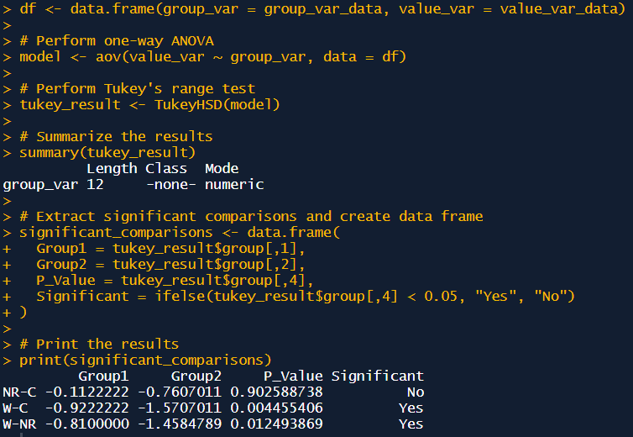
Natural russet | B1 | 1 | 17.912 | 0.37 | 1.26 | 18.397 | -0.51 | 0.73 | 23.968 | 0.48 | 1.37 | 0.96 | 1.43 | 1.30 | 1.20 | 0.15 | 0.776 | 0.006
 |  | 2 | 17.881 | 0.40 | 1.29 | 18.435 | -0.55 | 0.71 | 24.194 | 0.26 | 1.18 | 0.96 | 1.23
 |  | 3 | 17.939 | 0.34 | 1.24 | 18.181 | -0.29 | 0.83 | 24.098 | 0.35 | 1.26 | 1.02 | 1.24
 | B2 | 1 | 17.954 | 0.32 | 1.23 | 18.185 | -0.30 | 0.83 | 25.440 | -0.99 | 0.52 | 1.01 | 0.52 | 0.63
 |  | 2 | 17.917 | 0.36 | 1.26 | 18.142 | -0.26 | 0.85 | 25.027 | -0.58 | 0.69 | 1.04 | 0.66
 |  | 3 | 17.974 | 0.31 | 1.21 | 18.281 | -0.39 | 0.78 | 25.018 | -0.57 | 0.69 | 0.97 | 0.71
 | B3 | 1 | 18.299 | -0.02 | 0.99 | 18.724 | -0.84 | 0.60 | 24.065 | 0.38 | 1.28 | 0.77 | 1.68 | 1.66
 |  | 2 | 18.249 | 0.03 | 1.02 | 18.748 | -0.86 | 0.59 | 24.049 | 0.40 | 1.30 | 0.77 | 1.68
 |  | 3 | 18.292 | -0.01 | 0.99 | 18.660 | -0.77 | 0.62 | 24.066 | 0.38 | 1.28 | 0.78 | 1.64
Control | B1 | 1 | 18.302 | -0.02 | 0.99 | 17.924 | -0.04 | 0.98 | 23.580 | 0.87 | 1.76 | 0.98 | 1.80 | 1.75 | 1.31 | 0.25
 |  | 2 | 18.164 | 0.12 | 1.08 | 17.633 | 0.25 | 1.17 | 23.583 | 0.87 | 1.76 | 1.12 | 1.57
 |  | 3 | 18.477 | -0.20 | 0.88 | 17.738 | 0.15 | 1.10 | 23.494 | 0.96 | 1.86 | 0.98 | 1.89
 | B2 | 1 | 18.332 | -0.05 | 0.97 | 17.639 | 0.25 | 1.17 | 23.334 | 1.12 | 2.07 | 1.06 | 1.95 | 1.87
 |  | 2 | 18.494 | -0.21 | 0.87 | 17.487 | 0.40 | 1.28 | 23.473 | 0.98 | 1.89 | 1.06 | 1.79
 |  | 3 | 18.368 | -0.09 | 0.94 | 17.664 | 0.22 | 1.15 | 23.414 | 1.04 | 1.96 | 1.04 | 1.88
 | B3 | 1 | 18.229 | 0.05 | 1.03 | 18.419 | -0.53 | 0.72 | 26.318 | -1.87 | 0.30 | 0.86 | 0.34 | 0.31
 |  | 2 | 18.008 | 0.27 | 1.19 | 18.139 | -0.25 | 0.86 | 26.561 | -2.11 | 0.25 | 1.01 | 0.25
 |  | 3 | 18.136 | 0.14 | 1.09 | 18.342 | -0.46 | 0.75 | 26.287 | -1.84 | 0.30 | 0.91 | 0.33
Wounded | B1 | 1 | 19.056 | -0.78 | 0.61 | 18.307 | -0.42 | 0.77 | 25.286 | -0.84 | 0.58 | 0.69 | 0.84 | 0.79 | 0.39 | 0.11 | 0.001
 |  | 2 | 19.101 | -0.82 | 0.59 | 18.203 | -0.32 | 0.82 | 25.270 | -0.82 | 0.59 | 0.70 | 0.84
 |  | 3 | 19.086 | -0.81 | 0.60 | 18.043 | -0.16 | 0.91 | 25.459 | -1.01 | 0.52 | 0.74 | 0.70
 | B2 | 1 | 17.540 | 0.74 | 1.60 | 17.538 | 0.35 | 1.24 | 25.430 | -0.98 | 0.53 | 1.41 | 0.38 | 0.37
 |  | 2 | 17.367 | 0.91 | 1.78 | 17.706 | 0.18 | 1.12 | 25.558 | -1.11 | 0.49 | 1.41 | 0.34
 |  | 3 | 17.415 | 0.86 | 1.73 | 17.666 | 0.22 | 1.15 | 25.410 | -0.96 | 0.54 | 1.41 | 0.38
 | B3 | 1 | 17.827 | 0.45 | 1.33 | 18.776 | -0.89 | 0.58 | 33.459 | -9.01 | 0.00 | 0.88 | 0.00 | 0.01
 |  | 2 | 17.797 | 0.48 | 1.36 | 18.803 | -0.92 | 0.57 | 31.776 | -7.33 | 0.01 | 0.88 | 0.01
 |  | 3 | 17.811 | 0.47 | 1.34 | 18.860 | -0.97 | 0.55 | 32.641 | -8.19 | 0.00 | 0.86 | 0.01

Control average Ct |  |  | 18.3 |  |  | 17.9 |  |  | 24.4

MiWBC11 |  |  | E % | 88.3 |  | E % | 85.7 |  | E % | 97.2
 |  |  | E | 1.88 |  | E | 1.86 |  | E | 1.97 |  |  |  |  |  |  | vs control | vs russeted
 |  |  | Actin1 | delta Ct | RQ | TUBB | delta Ct | RQ | WBC11 | delta Ct | RQ | GEO Mean RQ Refs | Relative gene expression | Average | Average | SE | t.test
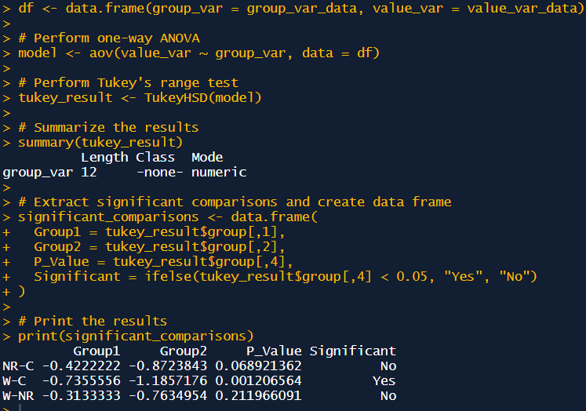
Natural russet | B1 | 1 | 17.912 | 0.37 | 1.26 | 18.397 | -0.51 | 0.73 | 22.209 | -0.20 | 0.87 | 0.96 | 0.91 | 0.89 | 0.70 | 0.06 | 0.027 | 0.000
 |  | 2 | 17.881 | 0.40 | 1.29 | 18.435 | -0.55 | 0.71 | 22.202 | -0.19 | 0.88 | 0.96 | 0.92
 |  | 3 | 17.939 | 0.34 | 1.24 | 18.181 | -0.29 | 0.83 | 22.240 | -0.23 | 0.85 | 1.02 | 0.84
 | B2 | 1 | 17.954 | 0.32 | 1.23 | 18.185 | -0.30 | 0.83 | 23.245 | -1.24 | 0.43 | 1.01 | 0.43 | 0.47
 |  | 2 | 17.917 | 0.36 | 1.26 | 18.142 | -0.26 | 0.85 | 23.066 | -1.06 | 0.49 | 1.04 | 0.47
 |  | 3 | 17.974 | 0.31 | 1.21 | 18.281 | -0.39 | 0.78 | 23.017 | -1.01 | 0.50 | 0.97 | 0.52
 | B3 | 1 | 18.299 | -0.02 | 0.99 | 18.724 | -0.84 | 0.60 | 22.697 | -0.69 | 0.63 | 0.77 | 0.82 | 0.75
 |  | 2 | 18.249 | 0.03 | 1.02 | 18.748 | -0.86 | 0.59 | 22.853 | -0.85 | 0.56 | 0.77 | 0.73
 |  | 3 | 18.292 | -0.01 | 0.99 | 18.660 | -0.77 | 0.62 | 22.879 | -0.87 | 0.55 | 0.78 | 0.71
Control | B1 | 1 | 18.302 | -0.02 | 0.99 | 17.924 | -0.04 | 0.98 | 21.000 | 1.01 | 1.98 | 0.98 | 2.02 | 1.91 | 1.13 | 0.20
 |  | 2 | 18.164 | 0.12 | 1.08 | 17.633 | 0.25 | 1.17 | 21.083 | 0.92 | 1.87 | 1.12 | 1.67
 |  | 3 | 18.477 | -0.20 | 0.88 | 17.738 | 0.15 | 1.10 | 20.973 | 1.03 | 2.02 | 0.98 | 2.05
 | B2 | 1 | 18.332 | -0.05 | 0.97 | 17.639 | 0.25 | 1.17 | 22.534 | -0.53 | 0.70 | 1.06 | 0.66 | 0.63
 |  | 2 | 18.494 | -0.21 | 0.87 | 17.487 | 0.40 | 1.28 | 22.617 | -0.61 | 0.66 | 1.06 | 0.63
 |  | 3 | 18.368 | -0.09 | 0.94 | 17.664 | 0.22 | 1.15 | 22.697 | -0.69 | 0.63 | 1.04 | 0.60
 | B3 | 1 | 18.229 | 0.05 | 1.03 | 18.419 | -0.53 | 0.72 | 22.265 | -0.26 | 0.84 | 0.86 | 0.97 | 0.84
 |  | 2 | 18.008 | 0.27 | 1.19 | 18.139 | -0.25 | 0.86 | 22.501 | -0.49 | 0.72 | 1.01 | 0.71
 |  | 3 | 18.136 | 0.14 | 1.09 | 18.342 | -0.46 | 0.75 | 22.400 | -0.39 | 0.77 | 0.91 | 0.84
Wounded | B1 | 1 | 19.056 | -0.78 | 0.61 | 18.307 | -0.42 | 0.77 | 23.451 | -1.44 | 0.38 | 0.69 | 0.55 | 0.52 | 0.39 | 0.06 | 0.003
 |  | 2 | 19.101 | -0.82 | 0.59 | 18.203 | -0.32 | 0.82 | 23.470 | -1.46 | 0.37 | 0.70 | 0.53
 |  | 3 | 19.086 | -0.81 | 0.60 | 18.043 | -0.16 | 0.91 | 23.496 | -1.49 | 0.36 | 0.74 | 0.49
 | B2 | 1 | 17.540 | 0.74 | 1.60 | 17.538 | 0.35 | 1.24 | 24.168 | -2.16 | 0.23 | 1.41 | 0.16 | 0.16
 |  | 2 | 17.367 | 0.91 | 1.78 | 17.706 | 0.18 | 1.12 | 24.038 | -2.03 | 0.25 | 1.41 | 0.18
 |  | 3 | 17.415 | 0.86 | 1.73 | 17.666 | 0.22 | 1.15 | 24.534 | -2.53 | 0.18 | 1.41 | 0.13
 | B3 | 1 | 17.827 | 0.45 | 1.33 | 18.776 | -0.89 | 0.58 | 23.186 | -1.18 | 0.45 | 0.88 | 0.51 | 0.50
 |  | 2 | 17.797 | 0.48 | 1.36 | 18.803 | -0.92 | 0.57 | 23.331 | -1.32 | 0.41 | 0.88 | 0.46
 |  | 3 | 17.811 | 0.47 | 1.34 | 18.860 | -0.97 | 0.55 | 23.209 | -1.20 | 0.44 | 0.86 | 0.52

Control average Ct |  |  | 18.3 |  |  | 17.9 |  |  | 22.0

Fig. 3B
MiMYB93 |  |  | E % | 88.3 |  | E % | 85.7 |  | E % | 93.1
 | Biol. replicacte | Technical replicacte | E | 1.88 |  | E | 1.86 |  | E | 1.93 |  |  |  |  |  |  | vs control | vs russeted
 |  |  | Actin1 | delta Ct | RQ | TUBB | delta Ct | RQ | MYB93 | delta Ct | RQ | GEO Mean RQ Refs | Relative gene expression | Average | Average | SE | t.test
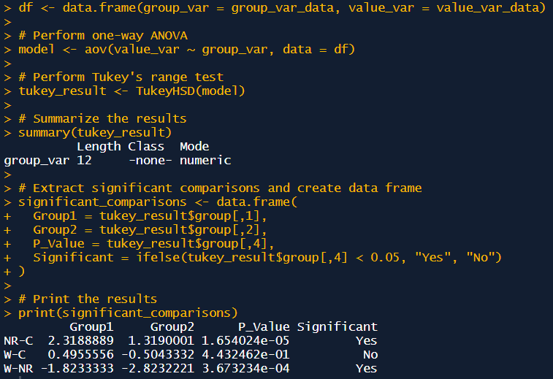
Natural russet | B1 | 1 | 17.912 | 0.37 | 1.26 | 18.397 | -0.51 | 0.73 | 21.848 | 1.50 | 2.69 | 0.96 | 2.81 | 3.32 | 3.44 | 0.42 | 0.002 | 0.001
 |  | 2 | 17.881 | 0.40 | 1.29 | 18.435 | -0.55 | 0.71 | 21.368 | 1.98 | 3.69 | 0.96 | 3.86
 |  | 3 | 17.939 | 0.34 | 1.24 | 18.181 | -0.29 | 0.83 | 21.509 | 1.84 | 3.36 | 1.02 | 3.31
 | B2 | 1 | 17.954 | 0.32 | 1.23 | 18.185 | -0.30 | 0.83 | 22.559 | 0.79 | 1.69 | 1.01 | 1.67 | 2.10
 |  | 2 | 17.917 | 0.36 | 1.26 | 18.142 | -0.26 | 0.85 | 22.123 | 1.23 | 2.25 | 1.04 | 2.17
 |  | 3 | 17.974 | 0.31 | 1.21 | 18.281 | -0.39 | 0.78 | 22.012 | 1.34 | 2.42 | 0.97 | 2.48
 | B3 | 1 | 18.299 | -0.02 | 0.99 | 18.724 | -0.84 | 0.60 | 21.346 | 2.01 | 3.74 | 0.77 | 4.88 | 4.88
 |  | 2 | 18.249 | 0.03 | 1.02 | 18.748 | -0.86 | 0.59 | 21.341 | 2.01 | 3.76 | 0.77 | 4.86
 |  | 3 | 18.292 | -0.01 | 0.99 | 18.660 | -0.77 | 0.62 | 21.303 | 2.05 | 3.85 | 0.78 | 4.91
Control | B1 | 1 | 18.302 | -0.02 | 0.99 | 17.924 | -0.04 | 0.98 | 22.418 | 0.93 | 1.85 | 0.98 | 1.88 | 1.85 | 1.12 | 0.19
 |  | 2 | 18.164 | 0.12 | 1.08 | 17.633 | 0.25 | 1.17 | 22.348 | 1.00 | 1.94 | 1.12 | 1.73
 |  | 3 | 18.477 | -0.20 | 0.88 | 17.738 | 0.15 | 1.10 | 22.376 | 0.98 | 1.90 | 0.98 | 1.93
 | B2 | 1 | 18.332 | -0.05 | 0.97 | 17.639 | 0.25 | 1.17 | 23.244 | 0.11 | 1.07 | 1.06 | 1.01 | 0.92
 |  | 2 | 18.494 | -0.21 | 0.87 | 17.487 | 0.40 | 1.28 | 23.527 | -0.17 | 0.89 | 1.06 | 0.84
 |  | 3 | 18.368 | -0.09 | 0.94 | 17.664 | 0.22 | 1.15 | 23.431 | -0.08 | 0.95 | 1.04 | 0.91
 | B3 | 1 | 18.229 | 0.05 | 1.03 | 18.419 | -0.53 | 0.72 | 24.314 | -0.96 | 0.53 | 0.86 | 0.62 | 0.59
 |  | 2 | 18.008 | 0.27 | 1.19 | 18.139 | -0.25 | 0.86 | 24.315 | -0.96 | 0.53 | 1.01 | 0.53
 |  | 3 | 18.136 | 0.14 | 1.09 | 18.342 | -0.46 | 0.75 | 24.199 | -0.85 | 0.57 | 0.91 | 0.63
Wounded | B1 | 1 | 19.056 | -0.78 | 0.61 | 18.307 | -0.42 | 0.77 | 22.755 | 0.60 | 1.48 | 0.69 | 2.16 | 2.13 | 1.61 | 0.18 | 0.023
 |  | 2 | 19.101 | -0.82 | 0.59 | 18.203 | -0.32 | 0.82 | 22.658 | 0.69 | 1.58 | 0.70 | 2.26
 |  | 3 | 19.086 | -0.81 | 0.60 | 18.043 | -0.16 | 0.91 | 22.777 | 0.58 | 1.46 | 0.74 | 1.98
 | B2 | 1 | 17.540 | 0.74 | 1.60 | 17.538 | 0.35 | 1.24 | 22.936 | 0.42 | 1.32 | 1.41 | 0.93 | 0.96
 |  | 2 | 17.367 | 0.91 | 1.78 | 17.706 | 0.18 | 1.12 | 22.961 | 0.39 | 1.29 | 1.41 | 0.92
 |  | 3 | 17.415 | 0.86 | 1.73 | 17.666 | 0.22 | 1.15 | 22.798 | 0.55 | 1.44 | 1.41 | 1.02
 | B3 | 1 | 17.827 | 0.45 | 1.33 | 18.776 | -0.89 | 0.58 | 22.619 | 0.73 | 1.62 | 0.88 | 1.85 | 1.75
 |  | 2 | 17.797 | 0.48 | 1.36 | 18.803 | -0.92 | 0.57 | 22.756 | 0.60 | 1.48 | 0.88 | 1.69
 |  | 3 | 17.811 | 0.47 | 1.34 | 18.860 | -0.97 | 0.55 | 22.755 | 0.60 | 1.48 | 0.86 | 1.73

Control average Ct |  |  | 18.3 |  |  | 17.9 |  |  | 23.4

MiNAC058 |  |  | E % | 88.3 |  | E % | 85.7 |  | E % | 94.46
 | Biol. replicacte | Technical replicacte | E | 1.88 |  | E | 1.86 |  | E | 1.94 |  |  |  |  |  |  | vs control | vs russeted
 |  |  | Actin1 | delta Ct | RQ | TUBB | delta Ct | RQ | NAC058 | delta Ct | RQ | GEO Mean RQ Refs | Relative gene expression | Average | Average | SE | t.test
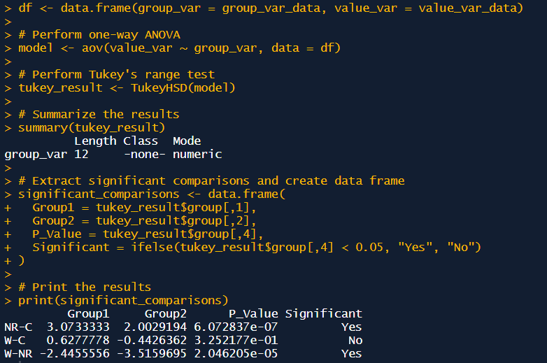
Natural russet | B1 | 1 | 17.637 | 0.15 | 1.10 | 18.839 | -0.90 | 0.57 | 21.331 | 2.12 | 4.09 | 0.79 | 5.15 | 4.97 | 4.34 | 0.45 | 0.001 | 0.000
 |  | 2 | 17.943 | -0.15 | 0.91 | 18.470 | -0.53 | 0.72 | 21.446 | 2.00 | 3.79 | 0.81 | 4.69
 |  | 3 | 17.995 | -0.21 | 0.88 | 18.887 | -0.95 | 0.56 | 21.554 | 1.90 | 3.53 | 0.70 | 5.05
 | B2 | 1 | 17.483 | 0.31 | 1.21 | 18.509 | -0.57 | 0.70 | 21.595 | 1.85 | 3.43 | 0.92 | 3.72 | 2.82
 |  | 2 | 17.204 | 0.59 | 1.45 | 18.238 | -0.30 | 0.83 | 22.024 | 1.43 | 2.58 | 1.10 | 2.35
 |  | 3 | 17.121 | 0.67 | 1.53 | 18.097 | -0.16 | 0.91 | 21.899 | 1.55 | 2.80 | 1.18 | 2.38
 | B3 | 1 | 18.669 | -0.88 | 0.57 | 18.920 | -0.98 | 0.54 | 21.505 | 1.94 | 3.65 | 0.56 | 6.53 | 5.24
 |  | 2 | 18.361 | -0.57 | 0.70 | 19.154 | -1.22 | 0.47 | 21.840 | 1.61 | 2.92 | 0.57 | 5.09
 |  | 3 | 18.540 | -0.75 | 0.62 | 19.073 | -1.14 | 0.50 | 22.211 | 1.24 | 2.28 | 0.56 | 4.10
Control | B1 | 1 | 17.841 | -0.05 | 0.97 | 17.776 | 0.16 | 1.11 | 22.688 | 0.76 | 1.66 | 1.03 | 1.60 | 1.60 | 1.27 | 0.24
 |  | 2 | 17.950 | -0.16 | 0.90 | 17.741 | 0.20 | 1.13 | 22.603 | 0.85 | 1.76 | 1.01 | 1.74
 |  | 3 | 17.838 | -0.05 | 0.97 | 17.846 | 0.09 | 1.06 | 22.850 | 0.60 | 1.49 | 1.01 | 1.47
 | B2 | 1 | 18.346 | -0.56 | 0.70 | 17.923 | 0.01 | 1.01 | 22.774 | 0.68 | 1.57 | 0.84 | 1.86 | 1.86
 |  | 2 | 18.328 | -0.54 | 0.71 | 18.030 | -0.09 | 0.94 | 22.718 | 0.73 | 1.63 | 0.82 | 1.99
 |  | 3 | 18.315 | -0.53 | 0.72 | 17.986 | -0.05 | 0.97 | 22.894 | 0.56 | 1.45 | 0.83 | 1.73
 | B3 | 1 | 17.101 | 0.69 | 1.55 | 18.092 | -0.15 | 0.91 | 24.871 | -1.42 | 0.39 | 1.19 | 0.33 | 0.34
 |  | 2 | 17.156 | 0.63 | 1.49 | 18.024 | -0.09 | 0.95 | 24.847 | -1.40 | 0.39 | 1.19 | 0.33
 |  | 3 | 17.232 | 0.56 | 1.42 | 18.019 | -0.08 | 0.95 | 24.800 | -1.35 | 0.41 | 1.16 | 0.35
Wounded | B1 | 1 | 18.140 | -0.35 | 0.80 | 18.797 | -0.86 | 0.59 | 22.823 | 0.63 | 1.52 | 0.69 | 2.21 | 2.27 | 1.89 | 0.11 | 0.050
 |  | 2 | 18.205 | -0.42 | 0.77 | 18.869 | -0.93 | 0.56 | 22.826 | 0.62 | 1.51 | 0.66 | 2.30
 |  | 3 | 18.158 | -0.37 | 0.79 | 18.811 | -0.87 | 0.58 | 22.786 | 0.66 | 1.56 | 0.68 | 2.29
 | B2 | 1 | 16.710 | 1.08 | 1.98 | 17.728 | 0.21 | 1.14 | 22.375 | 1.07 | 2.04 | 1.50 | 1.36 | 1.54
 |  | 2 | 16.872 | 0.92 | 1.79 | 17.793 | 0.14 | 1.09 | 22.091 | 1.36 | 2.47 | 1.40 | 1.77
 |  | 3 | 16.812 | 0.98 | 1.86 | 17.758 | 0.18 | 1.12 | 22.310 | 1.14 | 2.13 | 1.44 | 1.48
 | B3 | 1 | 17.022 | 0.77 | 1.63 | 18.469 | -0.53 | 0.72 | 22.405 | 1.04 | 2.00 | 1.08 | 1.85 | 1.88
 |  | 2 | 17.092 | 0.70 | 1.55 | 18.704 | -0.77 | 0.62 | 22.502 | 0.95 | 1.88 | 0.98 | 1.91
 |  | 3 | 17.105 | 0.69 | 1.54 | 18.508 | -0.57 | 0.70 | 22.442 | 1.01 | 1.95 | 1.04 | 1.88

Control average Ct |  |  | 17.8 |  |  | 17.9 |  |  | 23.4

MiCYP86A1 |  |  | E % | 88.3 |  | E % | 85.7 |  | E % | 75.83
 | Biol. replicacte | Technical replicacte | E | 1.88 |  | E | 1.86 |  | E | 1.76 |  |  |  |  |  |  | vs control | vs russeted
 |  |  | Actin1 | delta Ct | RQ | TUBB | delta Ct | RQ | CYP86A1 | delta Ct | RQ | GEO Mean RQ Refs | Relative gene expression | Average | Average | SE | t.test
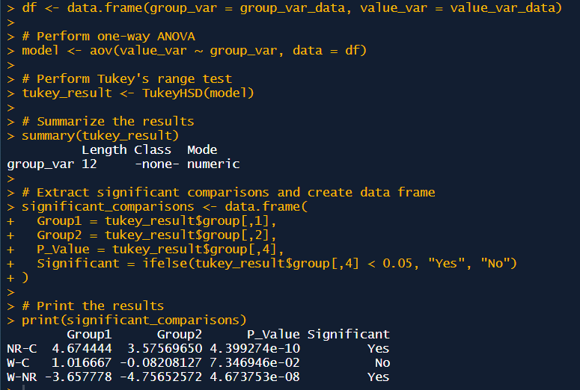
Natural russet | B1 | 1 | 17.637 | 0.15 | 1.10 | 18.839 | -0.90 | 0.57 | 21.259 | 2.70 | 4.59 | 0.79 | 5.78 | 6.92 | 6.03 | 0.44 | 0.000 | 0.000
 |  | 2 | 17.943 | -0.15 | 0.91 | 18.470 | -0.53 | 0.72 | 21.058 | 2.90 | 5.14 | 0.81 | 6.36
 |  | 3 | 17.995 | -0.21 | 0.88 | 18.887 | -0.95 | 0.56 | 20.774 | 3.18 | 6.03 | 0.70 | 8.64
 | B2 | 1 | 17.483 | 0.31 | 1.21 | 18.509 | -0.57 | 0.70 | 21.067 | 2.89 | 5.11 | 0.92 | 5.54 | 4.73
 |  | 2 | 17.204 | 0.59 | 1.45 | 18.238 | -0.30 | 0.83 | 21.124 | 2.83 | 4.95 | 1.10 | 4.51
 |  | 3 | 17.121 | 0.67 | 1.53 | 18.097 | -0.16 | 0.91 | 21.158 | 2.80 | 4.86 | 1.18 | 4.13
 | B3 | 1 | 18.669 | -0.88 | 0.57 | 18.920 | -0.98 | 0.54 | 21.627 | 2.33 | 3.73 | 0.56 | 6.67 | 6.44
 |  | 2 | 18.361 | -0.57 | 0.70 | 19.154 | -1.22 | 0.47 | 21.736 | 2.22 | 3.51 | 0.57 | 6.12
 |  | 3 | 18.540 | -0.75 | 0.62 | 19.073 | -1.14 | 0.50 | 21.680 | 2.28 | 3.62 | 0.56 | 6.52
Control | B1 | 1 | 17.841 | -0.05 | 0.97 | 17.776 | 0.16 | 1.11 | 22.977 | 0.98 | 1.74 | 1.03 | 1.68 | 1.91 | 1.35 | 0.27
 |  | 2 | 17.950 | -0.16 | 0.90 | 17.741 | 0.20 | 1.13 | 22.792 | 1.17 | 1.93 | 1.01 | 1.91
 |  | 3 | 17.838 | -0.05 | 0.97 | 17.846 | 0.09 | 1.06 | 22.581 | 1.38 | 2.18 | 1.01 | 2.15
 | B2 | 1 | 18.346 | -0.56 | 0.70 | 17.923 | 0.01 | 1.01 | 23.157 | 0.80 | 1.57 | 0.84 | 1.87 | 1.87
 |  | 2 | 18.328 | -0.54 | 0.71 | 18.030 | -0.09 | 0.94 | 23.000 | 0.96 | 1.72 | 0.82 | 2.10
 |  | 3 | 18.315 | -0.53 | 0.72 | 17.986 | -0.05 | 0.97 | 23.407 | 0.55 | 1.36 | 0.83 | 1.64
 | B3 | 1 | 17.101 | 0.69 | 1.55 | 18.092 | -0.15 | 0.91 | 25.823 | -1.86 | 0.35 | 1.19 | 0.29 | 0.28
 |  | 2 | 17.156 | 0.63 | 1.49 | 18.024 | -0.09 | 0.95 | 25.977 | -2.02 | 0.32 | 1.19 | 0.27
 |  | 3 | 17.232 | 0.56 | 1.42 | 18.019 | -0.08 | 0.95 | 25.911 | -1.95 | 0.33 | 1.16 | 0.29
Wounded | B1 | 1 | 18.140 | -0.35 | 0.80 | 18.797 | -0.86 | 0.59 | 22.669 | 1.29 | 2.07 | 0.69 | 3.02 | 2.96 | 2.37 | 0.15 | 0.002
 |  | 2 | 18.205 | -0.42 | 0.77 | 18.869 | -0.93 | 0.56 | 22.928 | 1.03 | 1.79 | 0.66 | 2.72
 |  | 3 | 18.158 | -0.37 | 0.79 | 18.811 | -0.87 | 0.58 | 22.618 | 1.34 | 2.13 | 0.68 | 3.14
 | B2 | 1 | 16.710 | 1.08 | 1.98 | 17.728 | 0.21 | 1.14 | 21.842 | 2.12 | 3.30 | 1.50 | 2.20 | 2.15
 |  | 2 | 16.872 | 0.92 | 1.79 | 17.793 | 0.14 | 1.09 | 22.040 | 1.92 | 2.95 | 1.40 | 2.11
 |  | 3 | 16.812 | 0.98 | 1.86 | 17.758 | 0.18 | 1.12 | 21.971 | 1.99 | 3.07 | 1.44 | 2.13
 | B3 | 1 | 17.022 | 0.77 | 1.63 | 18.469 | -0.53 | 0.72 | 22.550 | 1.41 | 2.21 | 1.08 | 2.05 | 2.01
 |  | 2 | 17.092 | 0.70 | 1.55 | 18.704 | -0.77 | 0.62 | 22.876 | 1.08 | 1.84 | 0.98 | 1.87
 |  | 3 | 17.105 | 0.69 | 1.54 | 18.508 | -0.57 | 0.70 | 22.565 | 1.39 | 2.20 | 1.04 | 2.11

Control average Ct |  |  | 17.8 |  |  | 17.9 |  |  | 24.0

CYP86B1 |  |  | E % | 88.3 |  | E % | 85.7 |  | E % | 108.2
 | Biol. replicacte | Technical replicacte | E | 1.88 |  | E | 1.86 |  | E | 2.08 |  |  |  |  |  |  | vs control | vs russeted
 |  |  | Actin1 | delta Ct | RQ | TUBB | delta Ct | RQ | CYP86B1 | delta Ct | RQ | GEO Mean RQ Refs | Relative gene expression | Average | Average | SE | t.test
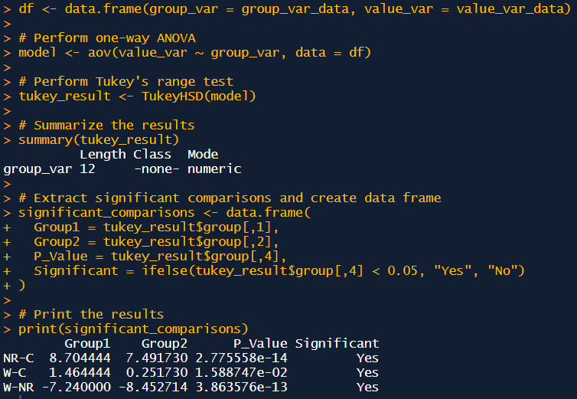
Natural russet | B1 | 1 | 17.912 | 0.37 | 1.26 | 18.397 | -0.51 | 0.73 | 20.195 | 2.86 | 8.12 | 0.96 | 8.46 | 8.61 | 10.05 | 0.43 | 0.000 | 0.000
 |  | 2 | 17.881 | 0.40 | 1.29 | 18.435 | -0.55 | 0.71 | 20.168 | 2.88 | 8.28 | 0.96 | 8.65
 |  | 3 | 17.939 | 0.34 | 1.24 | 18.181 | -0.29 | 0.83 | 20.074 | 2.98 | 8.87 | 1.02 | 8.72
 | B2 | 1 | 17.954 | 0.32 | 1.23 | 18.185 | -0.30 | 0.83 | 19.946 | 3.10 | 9.74 | 1.01 | 9.64 | 9.94
 |  | 2 | 17.917 | 0.36 | 1.26 | 18.142 | -0.26 | 0.85 | 19.841 | 3.21 | 10.52 | 1.04 | 10.15
 |  | 3 | 17.974 | 0.31 | 1.21 | 18.281 | -0.39 | 0.78 | 19.942 | 3.11 | 9.77 | 0.97 | 10.02
 | B3 | 1 | 18.299 | -0.02 | 0.99 | 18.724 | -0.84 | 0.60 | 20.082 | 2.97 | 8.82 | 0.77 | 11.50 | 11.59
 |  | 2 | 18.249 | 0.03 | 1.02 | 18.748 | -0.86 | 0.59 | 20.036 | 3.01 | 9.12 | 0.77 | 11.79
 |  | 3 | 18.292 | -0.01 | 0.99 | 18.660 | -0.77 | 0.62 | 20.053 | 3.00 | 9.00 | 0.78 | 11.48
Control | B1 | 1 | 18.302 | -0.02 | 0.99 | 17.924 | -0.04 | 0.98 | 22.144 | 0.91 | 1.94 | 0.98 | 1.98 | 1.85 | 1.34 | 0.26
 |  | 2 | 18.164 | 0.12 | 1.08 | 17.633 | 0.25 | 1.17 | 22.210 | 0.84 | 1.85 | 1.12 | 1.65
 |  | 3 | 18.477 | -0.20 | 0.88 | 17.738 | 0.15 | 1.10 | 22.177 | 0.87 | 1.90 | 0.98 | 1.93
 | B2 | 1 | 18.332 | -0.05 | 0.97 | 17.639 | 0.25 | 1.17 | 22.037 | 1.01 | 2.10 | 1.06 | 1.98 | 1.88
 |  | 2 | 18.494 | -0.21 | 0.87 | 17.487 | 0.40 | 1.28 | 22.150 | 0.90 | 1.93 | 1.06 | 1.83
 |  | 3 | 18.368 | -0.09 | 0.94 | 17.664 | 0.22 | 1.15 | 22.176 | 0.87 | 1.90 | 1.04 | 1.82
 | B3 | 1 | 18.229 | 0.05 | 1.03 | 18.419 | -0.53 | 0.72 | 24.641 | -1.59 | 0.31 | 0.86 | 0.36 | 0.29
 |  | 2 | 18.008 | 0.27 | 1.19 | 18.139 | -0.25 | 0.86 | 24.871 | -1.82 | 0.26 | 1.01 | 0.26
 |  | 3 | 18.136 | 0.14 | 1.09 | 18.342 | -0.46 | 0.75 | 25.042 | -1.99 | 0.23 | 0.91 | 0.26
Wounded | B1 | 1 | 19.056 | -0.78 | 0.61 | 18.307 | -0.42 | 0.77 | 21.733 | 1.32 | 2.63 | 0.69 | 3.82 | 3.99 | 2.81 | 0.31 | 0.000
 |  | 2 | 19.101 | -0.82 | 0.59 | 18.203 | -0.32 | 0.82 | 21.566 | 1.48 | 2.97 | 0.70 | 4.25
 |  | 3 | 19.086 | -0.81 | 0.60 | 18.043 | -0.16 | 0.91 | 21.611 | 1.44 | 2.87 | 0.74 | 3.89
 | B2 | 1 | 17.540 | 0.74 | 1.60 | 17.538 | 0.35 | 1.24 | 21.302 | 1.75 | 3.60 | 1.41 | 2.56 | 2.47
 |  | 2 | 17.367 | 0.91 | 1.78 | 17.706 | 0.18 | 1.12 | 21.359 | 1.69 | 3.45 | 1.41 | 2.45
 |  | 3 | 17.415 | 0.86 | 1.73 | 17.666 | 0.22 | 1.15 | 21.386 | 1.66 | 3.39 | 1.41 | 2.41
 | B3 | 1 | 17.827 | 0.45 | 1.33 | 18.776 | -0.89 | 0.58 | 22.304 | 0.75 | 1.73 | 0.88 | 1.97 | 1.96
 |  | 2 | 17.797 | 0.48 | 1.36 | 18.803 | -0.92 | 0.57 | 22.412 | 0.64 | 1.60 | 0.88 | 1.82
 |  | 3 | 17.811 | 0.47 | 1.34 | 18.860 | -0.97 | 0.55 | 22.260 | 0.79 | 1.78 | 0.86 | 2.08

Control average Ct |  |  | 18.3 |  |  | 17.9 |  |  | 23.0

MiGPAT5 |  |  | E % | 88.3 |  | E % | 85.7 |  | E % | 86.1
 | Biol. replicacte | Technical replicacte | E | 1.88 |  | E | 1.86 |  | E | 1.86 |  |  |  |  |  |  | vs control | vs russeted
 |  |  | Actin1 | delta Ct | RQ | TUBB | delta Ct | RQ | GPAT5 | delta Ct | RQ | GEO Mean RQ Refs | Relative gene expression | Average | Average | SE | t.test
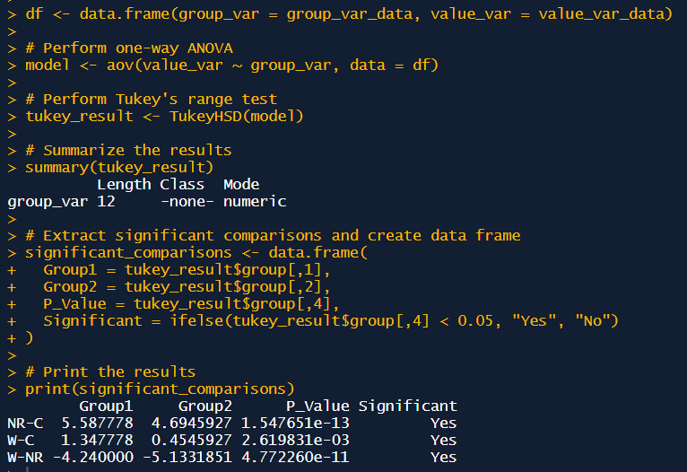
Natural russet | B1 | 1 | 17.912 | 0.37 | 1.26 | 18.397 | -0.51 | 0.73 | 19.716 | 2.96 | 6.31 | 0.96 | 6.57 | 6.35 | 6.85 | 0.33 | 0.000 | 0.000
 |  | 2 | 17.881 | 0.40 | 1.29 | 18.435 | -0.55 | 0.71 | 19.769 | 2.91 | 6.10 | 0.96 | 6.37
 |  | 3 | 17.939 | 0.34 | 1.24 | 18.181 | -0.29 | 0.83 | 19.743 | 2.94 | 6.20 | 1.02 | 6.10
 | B2 | 1 | 17.954 | 0.32 | 1.23 | 18.185 | -0.30 | 0.83 | 19.713 | 2.97 | 6.31 | 1.01 | 6.25 | 6.10
 |  | 2 | 17.917 | 0.36 | 1.26 | 18.142 | -0.26 | 0.85 | 19.732 | 2.95 | 6.24 | 1.04 | 6.02
 |  | 3 | 17.974 | 0.31 | 1.21 | 18.281 | -0.39 | 0.78 | 19.826 | 2.85 | 5.89 | 0.97 | 6.04
 | B3 | 1 | 18.299 | -0.02 | 0.99 | 18.724 | -0.84 | 0.60 | 19.634 | 3.05 | 6.63 | 0.77 | 8.65 | 8.09
 |  | 2 | 18.249 | 0.03 | 1.02 | 18.748 | -0.86 | 0.59 | 19.707 | 2.97 | 6.34 | 0.77 | 8.20
 |  | 3 | 18.292 | -0.01 | 0.99 | 18.660 | -0.77 | 0.62 | 19.847 | 2.83 | 5.81 | 0.78 | 7.41
Control | B1 | 1 | 18.302 | -0.02 | 0.99 | 17.924 | -0.04 | 0.98 | 21.713 | 0.97 | 1.82 | 0.98 | 1.86 | 1.81 | 1.26 | 0.23
 |  | 2 | 18.164 | 0.12 | 1.08 | 17.633 | 0.25 | 1.17 | 21.744 | 0.94 | 1.79 | 1.12 | 1.59
 |  | 3 | 18.477 | -0.20 | 0.88 | 17.738 | 0.15 | 1.10 | 21.607 | 1.07 | 1.95 | 0.98 | 1.98
 | B2 | 1 | 18.332 | -0.05 | 0.97 | 17.639 | 0.25 | 1.17 | 21.717 | 0.96 | 1.82 | 1.06 | 1.71 | 1.62
 |  | 2 | 18.494 | -0.21 | 0.87 | 17.487 | 0.40 | 1.28 | 21.946 | 0.73 | 1.58 | 1.06 | 1.49
 |  | 3 | 18.368 | -0.09 | 0.94 | 17.664 | 0.22 | 1.15 | 21.792 | 0.89 | 1.74 | 1.04 | 1.67
 | B3 | 1 | 18.229 | 0.05 | 1.03 | 18.419 | -0.53 | 0.72 | 24.514 | -1.83 | 0.32 | 0.86 | 0.37 | 0.34
 |  | 2 | 18.008 | 0.27 | 1.19 | 18.139 | -0.25 | 0.86 | 24.531 | -1.85 | 0.32 | 1.01 | 0.31
 |  | 3 | 18.136 | 0.14 | 1.09 | 18.342 | -0.46 | 0.75 | 24.561 | -1.88 | 0.31 | 0.91 | 0.34
Wounded | B1 | 1 | 19.056 | -0.78 | 0.61 | 18.307 | -0.42 | 0.77 | 21.362 | 1.32 | 2.27 | 0.69 | 3.30 | 3.18 | 2.61 | 0.16 | 0.000
 |  | 2 | 19.101 | -0.82 | 0.59 | 18.203 | -0.32 | 0.82 | 21.409 | 1.27 | 2.20 | 0.70 | 3.15
 |  | 3 | 19.086 | -0.81 | 0.60 | 18.043 | -0.16 | 0.91 | 21.349 | 1.33 | 2.29 | 0.74 | 3.10
 | B2 | 1 | 17.540 | 0.74 | 1.60 | 17.538 | 0.35 | 1.24 | 20.626 | 2.05 | 3.58 | 1.41 | 2.55 | 2.57
 |  | 2 | 17.367 | 0.91 | 1.78 | 17.706 | 0.18 | 1.12 | 20.605 | 2.08 | 3.63 | 1.41 | 2.57
 |  | 3 | 17.415 | 0.86 | 1.73 | 17.666 | 0.22 | 1.15 | 20.595 | 2.09 | 3.65 | 1.41 | 2.59
 | B3 | 1 | 17.827 | 0.45 | 1.33 | 18.776 | -0.89 | 0.58 | 21.704 | 0.98 | 1.83 | 0.88 | 2.09 | 2.07
 |  | 2 | 17.797 | 0.48 | 1.36 | 18.803 | -0.92 | 0.57 | 21.720 | 0.96 | 1.82 | 0.88 | 2.07
 |  | 3 | 17.811 | 0.47 | 1.34 | 18.860 | -0.97 | 0.55 | 21.784 | 0.90 | 1.75 | 0.86 | 2.03

Control average Ct |  |  | 18.3 |  |  | 17.9 |  |  | 22.7

MiABCG20 |  |  | E % | 88.3 |  | E % | 85.7 |  | E % | 93.3
 | Biol. replicacte | Technical replicacte | E | 1.88 |  | E | 1.86 |  | E | 1.93 |  |  |  |  |  |  | vs control | vs russeted
 |  |  | Actin1 | delta Ct | RQ | TUBB | delta Ct | RQ | ABCG6 | delta Ct | RQ | GEO Mean RQ Refs | Relative gene expression | Average | Average | SE | t.test
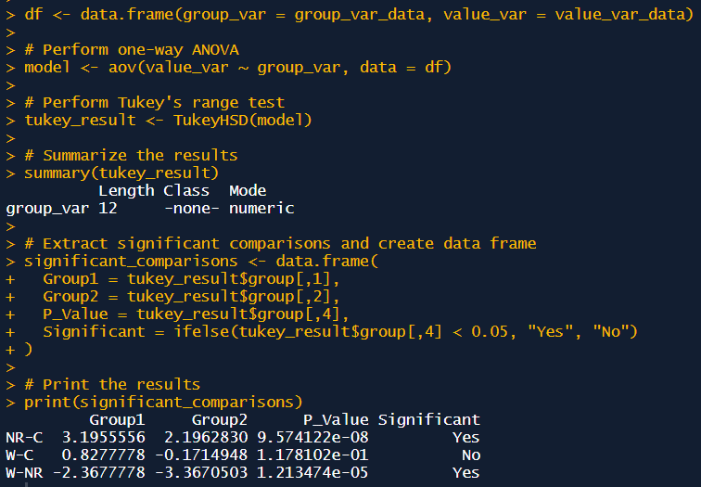
Natural russet | B1 | 1 | 17.705 | 0.82 | 1.68 | 18.110 | -0.41 | 0.78 | 21.476 | 2.27 | 4.46 | 1.14 | 3.91 | 3.94 | 4.43 | 0.31 | 0.000 | 0.002
 |  | 2 | 18.274 | 0.25 | 1.17 | 17.984 | -0.28 | 0.84 | 21.529 | 2.21 | 4.30 | 0.99 | 4.34
 |  | 3 | 17.873 | 0.65 | 1.51 | 17.516 | 0.18 | 1.12 | 21.417 | 2.33 | 4.64 | 1.30 | 3.56
 | B2 | 1 | 17.756 | 0.77 | 1.63 | 17.724 | -0.02 | 0.99 | 21.312 | 2.43 | 4.97 | 1.27 | 3.93 | 3.74
 |  | 2 | 17.699 | 0.83 | 1.69 | 17.834 | -0.13 | 0.92 | 21.375 | 2.37 | 4.77 | 1.25 | 3.83
 |  | 3 | 17.687 | 0.84 | 1.70 | 17.700 | 0.00 | 1.00 | 21.448 | 2.30 | 4.54 | 1.30 | 3.48
 | B3 | 1 | 18.567 | -0.04 | 0.97 | 18.045 | -0.34 | 0.81 | 21.376 | 2.37 | 4.76 | 0.89 | 5.37 | 5.61
 |  | 2 | 18.770 | -0.25 | 0.86 | 18.194 | -0.49 | 0.74 | 21.467 | 2.28 | 4.48 | 0.79 | 5.65
 |  | 3 | 18.774 | -0.25 | 0.85 | 18.039 | -0.34 | 0.81 | 21.354 | 2.39 | 4.83 | 0.83 | 5.80
Control | B1 | 1 | 18.663 | -0.14 | 0.92 | 17.520 | 0.18 | 1.12 | 22.992 | 0.75 | 1.64 | 1.01 | 1.62 | 1.65 | 1.24 | 0.22
 |  | 2 | 18.665 | -0.14 | 0.91 | 17.830 | -0.13 | 0.92 | 23.023 | 0.72 | 1.61 | 0.92 | 1.75
 |  | 3 | 18.680 | -0.16 | 0.91 | 17.563 | 0.14 | 1.09 | 23.068 | 0.68 | 1.56 | 0.99 | 1.57
 | B2 | 1 | 18.692 | -0.17 | 0.90 | 17.397 | 0.30 | 1.21 | 22.910 | 0.83 | 1.73 | 1.04 | 1.66 | 1.70
 |  | 2 | 18.824 | -0.30 | 0.83 | 17.563 | 0.14 | 1.09 | 22.973 | 0.77 | 1.66 | 0.95 | 1.75
 |  | 3 | 18.939 | -0.41 | 0.77 | 17.467 | 0.23 | 1.16 | 23.042 | 0.70 | 1.59 | 0.94 | 1.69
 | B3 | 1 | 18.124 | 0.40 | 1.29 | 17.910 | -0.21 | 0.88 | 25.249 | -1.50 | 0.37 | 1.06 | 0.35 | 0.36
 |  | 2 | 18.002 | 0.52 | 1.39 | 18.087 | -0.39 | 0.79 | 25.231 | -1.49 | 0.38 | 1.05 | 0.36
 |  | 3 | 18.124 | 0.40 | 1.29 | 17.971 | -0.27 | 0.85 | 25.211 | -1.47 | 0.38 | 1.04 | 0.36
Wounded | B1 | 1 | 20.398 | -1.87 | 0.31 | 19.433 | -1.73 | 0.34 | 23.792 | -0.05 | 0.97 | 0.32 | 3.00 | 3.28 | 2.06 | 0.31 | 0.011
 |  | 2 | 20.874 | -2.35 | 0.23 | 19.605 | -1.90 | 0.31 | 23.847 | -0.10 | 0.93 | 0.26 | 3.55
 |  | 3 | 20.766 | -2.24 | 0.24 | 19.345 | -1.64 | 0.36 | 23.787 | -0.04 | 0.97 | 0.30 | 3.29
 | B2 | 1 | 17.960 | 0.56 | 1.43 | 17.583 | 0.12 | 1.08 | 22.744 | 1.00 | 1.93 | 1.24 | 1.56 | 1.61
 |  | 2 | 18.101 | 0.42 | 1.31 | 17.756 | -0.06 | 0.97 | 22.755 | 0.99 | 1.92 | 1.12 | 1.71
 |  | 3 | 17.981 | 0.54 | 1.41 | 17.558 | 0.14 | 1.09 | 22.730 | 1.01 | 1.95 | 1.24 | 1.57
 | B3 | 1 | 18.429 | 0.09 | 1.06 | 18.794 | -1.09 | 0.51 | 23.843 | -0.10 | 0.94 | 0.73 | 1.28 | 1.29
 |  | 2 | 18.284 | 0.24 | 1.16 | 18.815 | -1.11 | 0.50 | 23.839 | -0.10 | 0.94 | 0.76 | 1.23
 |  | 3 | 18.492 | 0.03 | 1.02 | 18.527 | -0.83 | 0.60 | 23.644 | 0.10 | 1.07 | 0.78 | 1.37

Control average Ct |  |  | 18.5 |  |  | 17.7 |  |  | 23.7

Table 1
 |  |  | Area
 |  |  | mm2 | m2
 |  | ES size | 113.09733553 | 0.00011309733553
 |  |  |  | Mass (mg) |  |  |  | Mass per unit area (g/m2)
Cultivar | Treatment | Rep |  | CM | DCM | Wax |  | CM | DCM | Wax |  |  | CM |  |  |  |  |  | DCM |  |  |  | Wax |  | CM comparison | DCM comparison
 |  | std weight | Notes | 1.999 | 1.998 |  |  |  |  |  |  | DAFB | Mean | Median | SE | CV% | Mean | Median | SE | CV% | Mean | Median | SE | CV%
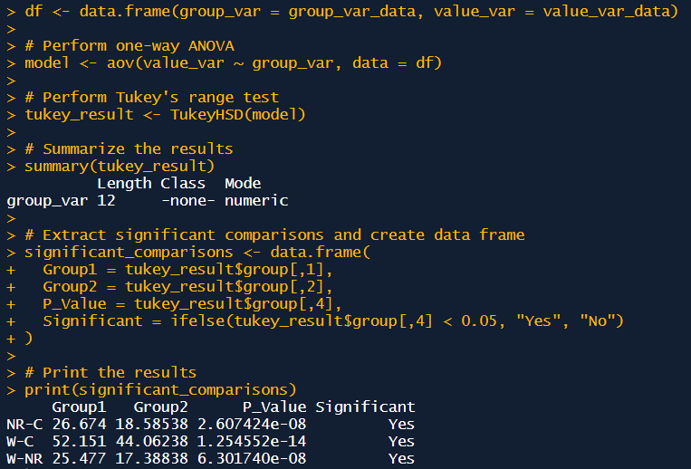
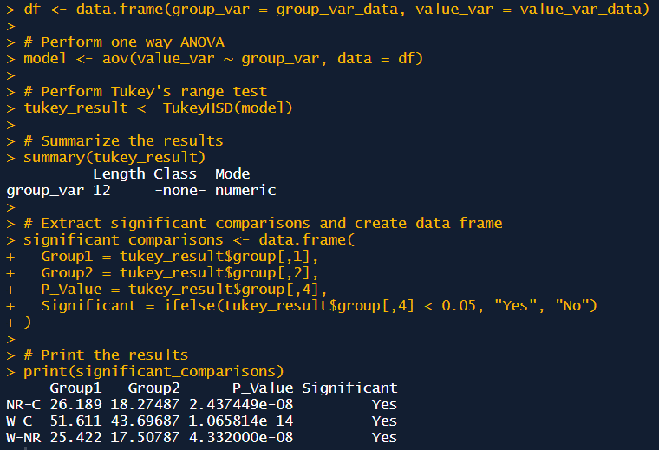
Apple | Natural russet | 1 |  | 3.498 | 3.177 | 0.321 |  | 30.93 | 28.09 | 2.84 | Apple | Natural russet | 40.17 | 39.81 | 1.68 | 13.25 | 37.42 | 37.11 | 1.66 | 14.07 | 2.75 | 2.71 | 0.20 | 23.31
 |  | 2 |  | 4.275 | 3.859 | 0.416 |  | 37.80 | 34.12 | 3.68
 |  | 3 |  | 4.13 | 3.828 | 0.302 |  | 36.52 | 33.85 | 2.67
 |  | 4 |  | 4.804 | 4.493 | 0.311 |  | 42.48 | 39.73 | 2.75
 |  | 5 |  | 4.563 | 4.208 | 0.355 |  | 40.35 | 37.21 | 3.14
 |  | 6 |  | 5.594 | 5.161 | 0.433 |  | 49.46 | 45.63 | 3.83
 |  | 7 |  | 5.296 | 5.061 | 0.235 |  | 46.83 | 44.75 | 2.08
 |  | 8 |  | 4.442 | 4.186 | 0.256 |  | 39.28 | 37.01 | 2.26
 |  | 9 |  | 4.68 | 4.445 | 0.235 |  | 41.38 | 39.30 | 2.08
 |  | 10 |  | 4.147 | 3.904 | 0.243 |  | 36.67 | 34.52 | 2.15
Apple | Wounded | 1 |  | 8.273 | 7.851 | 0.422 |  | 73.15 | 69.42 | 3.73 | Apple | Wounded | 65.65 | 66.64 | 3.62 | 17.43 | 62.84 | 62.79 | 3.53 | 17.78 | 2.80 | 2.85 | 0.28 | 31.33
 |  | 2 |  | 6.886 | 6.652 | 0.234 |  | 60.89 | 58.82 | 2.07
 |  | 3 |  | 7.963 | 7.749 | 0.214 |  | 70.41 | 68.52 | 1.89
 |  | 4 |  | 9.879 | 9.549 | 0.33 |  | 87.35 | 84.43 | 2.92
 |  | 5 |  | 7.721 | 7.205 | 0.516 |  | 68.27 | 63.71 | 4.56
 |  | 6 |  | 7.352 | 6.998 | 0.354 |  | 65.01 | 61.88 | 3.13
 |  | 7 |  | 6.257 | 6.068 | 0.189 |  | 55.32 | 53.65 | 1.67
 |  | 8 |  | 8.267 | 7.934 | 0.333 |  | 73.10 | 70.15 | 2.94
 |  | 9 |  | 5.351 | 5.037 | 0.314 |  | 47.31 | 44.54 | 2.78
 |  | 10 |  | 6.295 | 6.029 | 0.266 |  | 55.66 | 53.31 | 2.35
Apple | Control | 1 |  | 1.461 | 1.211 | 0.250 |  | 12.92 | 10.71 | 2.21 | Apple | Control | 13.50 | 13.66 | 0.21 | 4.84 | 11.23 | 11.35 | 0.18 | 5.13 | 2.26 | 2.25 | 0.05 | 6.48
 |  | 2 |  | 1.562 | 1.322 | 0.240 |  | 13.81 | 11.69 | 2.12
 |  | 3 |  | 1.552 | 1.288 | 0.264 |  | 13.72 | 11.39 | 2.33
 |  | 4 |  | 1.577 | 1.319 | 0.258 |  | 13.94 | 11.66 | 2.28
 |  | 5 |  | 1.537 | 1.279 | 0.258 |  | 13.59 | 11.31 | 2.28
 |  | 6 |  | 1.589 | 1.341 | 0.248 |  | 14.05 | 11.86 | 2.19
 |  | 7 |  | 1.639 | 1.342 | 0.297 |  | 14.49 | 11.87 | 2.63
 |  | 8 |  | 1.403 | 1.166 | 0.237 |  | 12.41 | 10.31 | 2.10
 |  | 9 |  | 1.437 | 1.181 | 0.256 |  | 12.71 | 10.44 | 2.26 |  |  |  |  |  |  |  |  |  |  |  |  |  |  | Wax comparison
 |  | 10 |  | 1.506 | 1.253 | 0.253 |  | 13.32 | 11.08 | 2.24
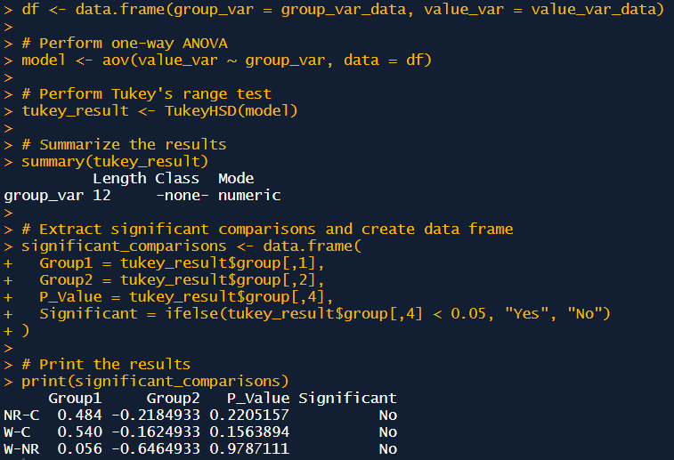
summary |  | CM | (g m2) |  |  |  | DCM | (g m2) |  |  | Wax | (g m2)
Treatment |  | Mean | SE | CV% |  |  | Mean | SE | CV% |  | Mean | SE | CV% | Wax content (%)
Apple | Natural russet | 40.2 | 1.7 | 13.25 |  |  | 37.4 | 1.7 | 14.07 |  | 2.7 | 0.2 | 23.31 | 6.8
Apple | Wounded | 65.6 | 3.6 | 17.43 |  |  | 62.8 | 3.5 | 17.78 |  | 2.8 | 0.3 | 31.33 | 4.3
Apple | Control | 13.5 | 0.2 | 4.84 |  |  | 11.2 | 0.2 | 5.13 |  | 2.3 | 0.0 | 6.48 | 16.8

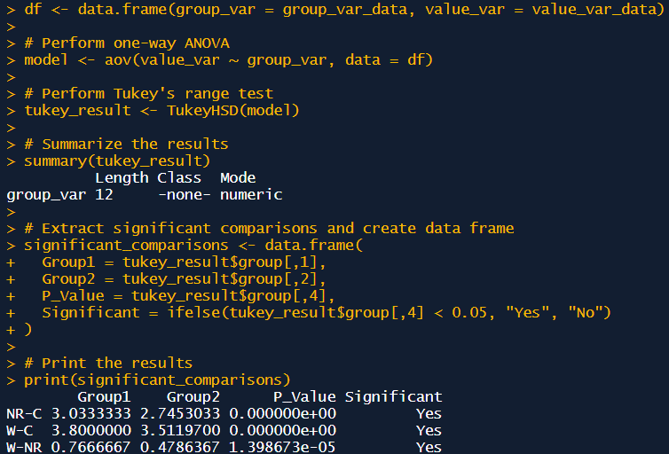
 |  | Number of suberized phellem cell layers
Natural russeted | Biol. replicate | Image 1 | Image 2 | Image 3 | Image 4 | Mean (biol. reps) | Mean | SE | CV%
 | B1 | 2 | 3 | 3 | 3 | 2.8 | 3.0 | 0.09 | 7.5
 | B2 | 2 | 3 | 3 | 4 | 3.0
 | B3 | 4 | 3 | 3 | 3 | 3.3
 | B4 | 3 | 3 | 3 | 4 | 3.3
 | B5 | 2 | 3 | 3 | 3 | 2.8
 | B6 | 3 | 3 | 3 | 3 | 3.0

 |  | Number of suberized phellem cell layers
Wounded | Biol. replicate | Image 1 | Image 2 | Image 3 | Image 4 | Mean (biol. reps) | Mean | SE | CV%
 | B1 | 4 | 5 | 4 | 3 | 4 | 3.8 | 0.10 | 6.5
 | B2 | 4 | 4 | 3 | 4 | 3.8
 | B3 | 4 | 4 | 4 | 4 | 4
 | B4 | 3 | 4 | 3 | 4 | 3.5
 | B5 | 3 | 3 | 4 | 4 | 3.5
 | B6 | 4 | 4 | 4 | 4 | 4

 |  | Number of suberized phellem cell layers
Control | Biol. replicate | Image 1 | Image 2 | Image 3 | Image 4 | Mean (biol. reps) | Mean | SE | CV%
 | B1 | 0 | 0 | 0 | 0 | 0 | 0.0 | 0.00 | #DIV/0!
 | B2 | 0 | 0 | 0 | 0 | 0
 | B3 | 0 | 0 | 0 | 0 | 0
 | B4 | 0 | 0 | 0 | 0 | 0
 | B5 | 0 | 0 | 0 | 0 | 0
 | B6 | 0 | 0 | 0 | 0 | 0

