Figure 1C
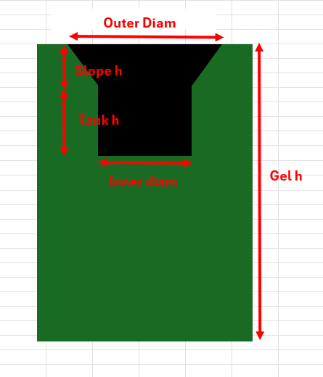
(in µm) | Outer diam | Inner diam | Slope h | Tank h | Gel h
Gel 1 | 703.869 | 296.262 | 86.1205 | 92.208 | 1152.9705
 | 567.996 | 277.45 | 70.775 | 79.2495 | 1121.854
 | 537.801 | 290.601 | 68.8765 | 96.238 | 1130.325
Gel 2 | 666.118 | 271.731 | 77.368 | 100.9555 | 1140.7035
 | 600.832 | 262.974 | 72.3225 | 105.3385 | 1162.939
 | 679.369 | 294.381 | 74.5375 | 101.904 | 1190.7105
 | 698.198 | 271.836 | 77.4255 | 96.2215 | 1215.245
 | 616.106 | 255.592 | 78.561 | 97.2455 | 1179.394
Gel 3 | 647.383 | 283.059 | 94.399 | 100.001 | 1036.532
 | 692.547 | 300.416 | 105.7135 | 101.937 | 1053.9085
 | 656.683 | 358.658 | 96.238 | 106.6335 | 1050.1265
 | 521.487 | 325.969 | 75.7935 | 109.9145 | 1036.945
Avg | 632.37 | 290.74 | 81.51 | 98.99 | 1122.64
SD | 60.47 | 27.31 | 11.08 | 7.61 | 60.62

