XGBFullConsOverallROCS...
Area Under Curve | Iteration | -------------------------------------------------------------- PNG ROC curve --------------------------------------------------------------------------------------
0.9329290427 | 0 | 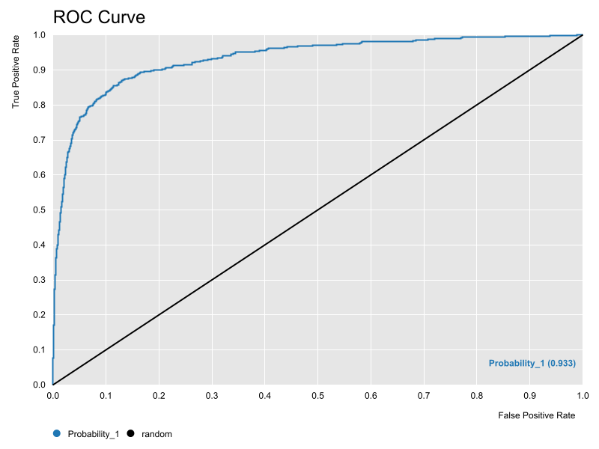
0.93221317274 | 1 | 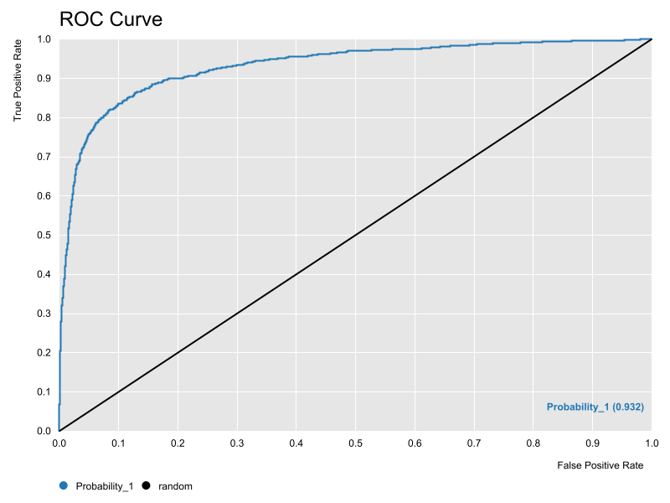
0.93296508383 | 2 | 

XGBAUCContourISEMap
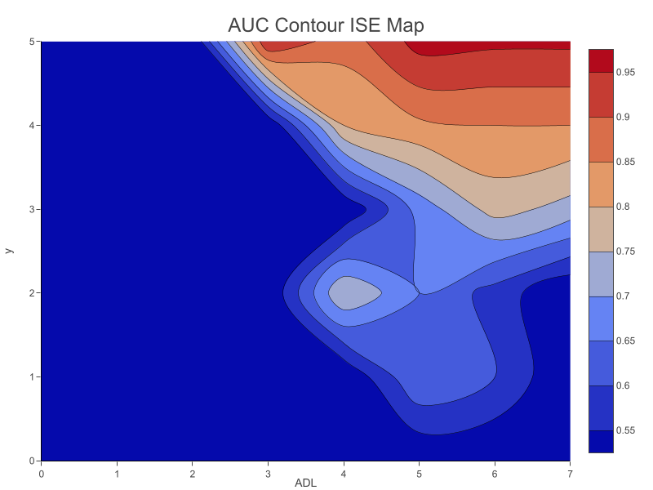
AUC Contour ISE Map

XGBISEDensityContourMap
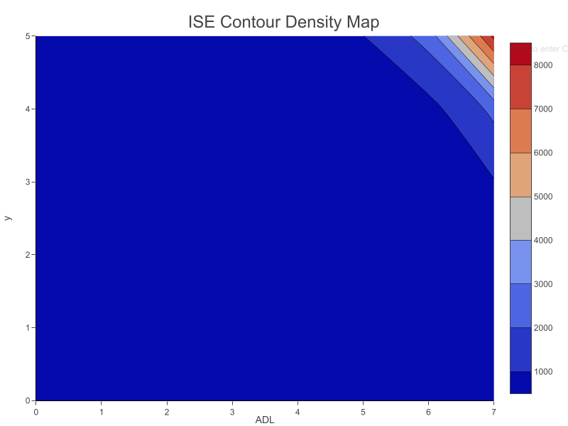
ISE Density Contour Map

XGBFMeasureContourISEMap
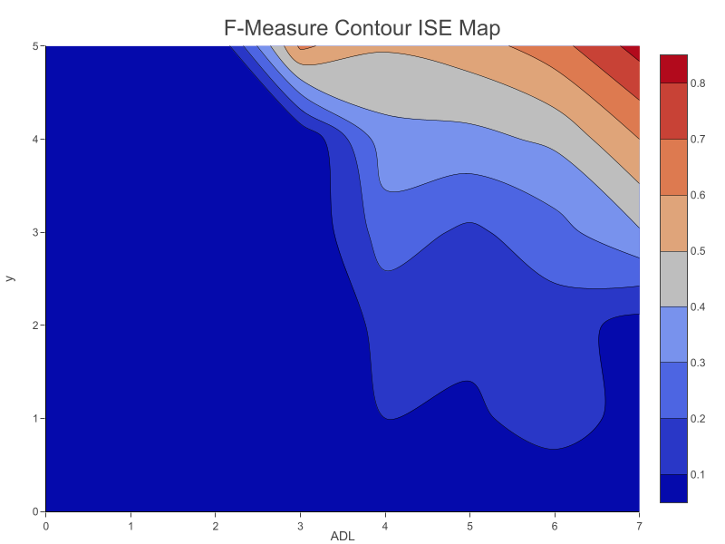
F-Measure Contour ISE Map

