XGBFullConsOverallROCS...
Area Under Curve | Iteration | -------------------------------------------------------------- PNG ROC curve --------------------------------------------------------------------------------------
0.94650356549 | 0 | 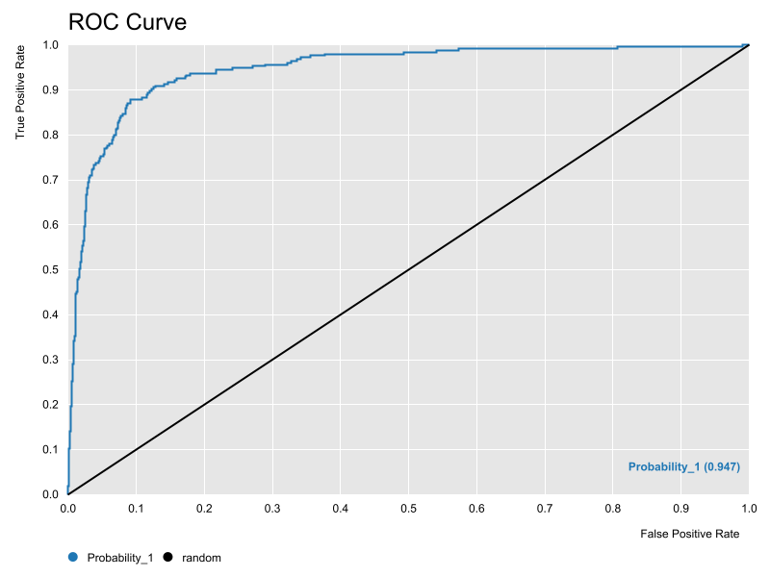
0.9454625741 | 1 | 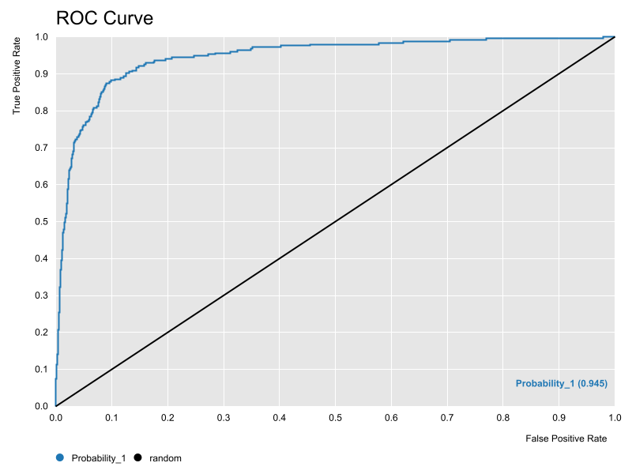
0.94638894369 | 2 | 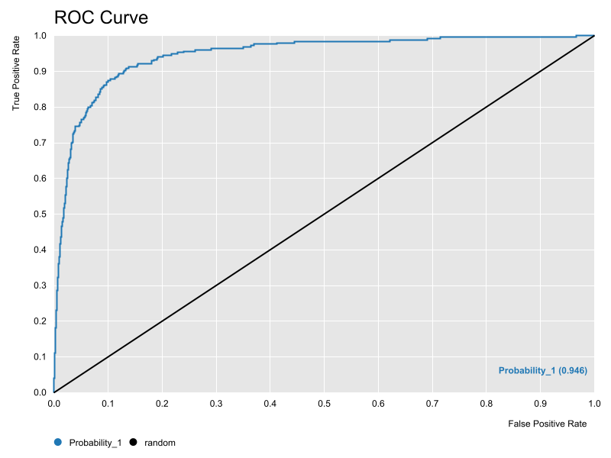

XGBAUCContourISEMap
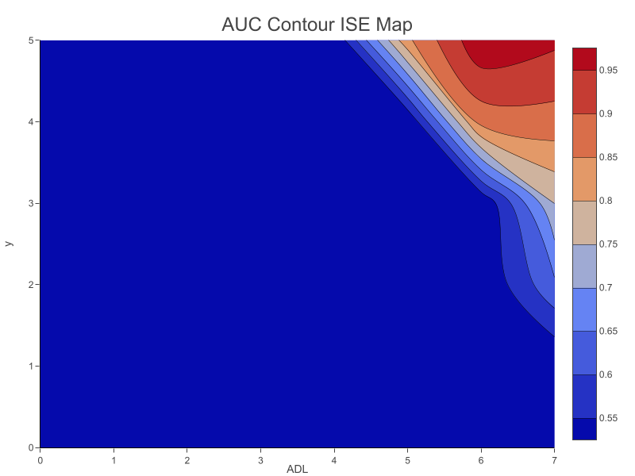
AUC Contour ISE Map

XGBISEDensityContourMap
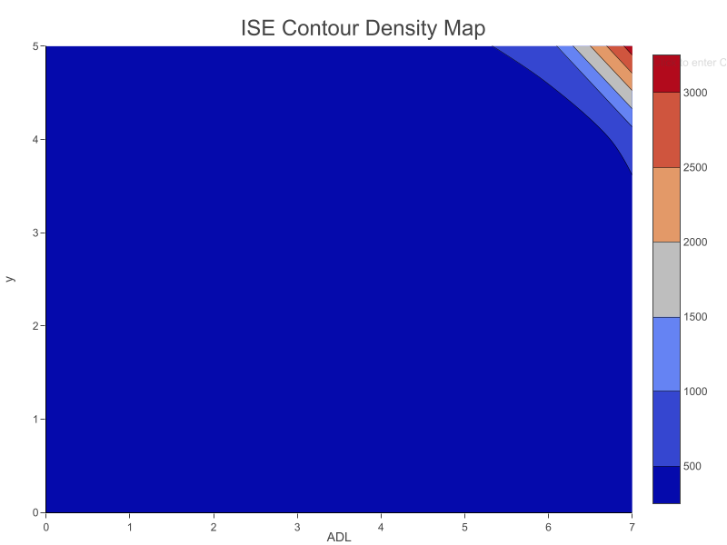
ISE Density Contour Map

XGBFMeasureContourISEMap
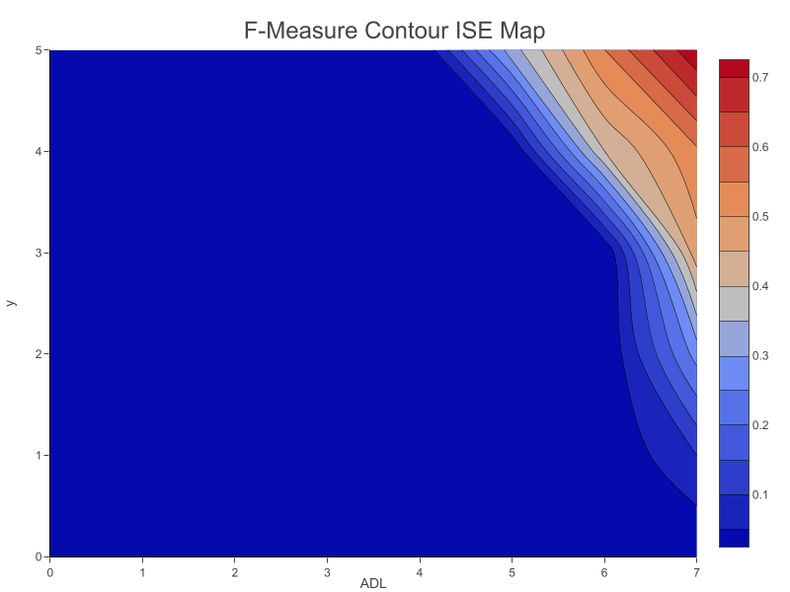
F-Measure Contour ISE Map

