XGBFullConsOverallROCS...
Area Under Curve | Iteration | -------------------------------------------------------------- PNG ROC curve --------------------------------------------------------------------------------------
Area under the curve: True Positive Rate versus False Positive Rate. Numeric value between 0 & 1 | Statistics run iteration | 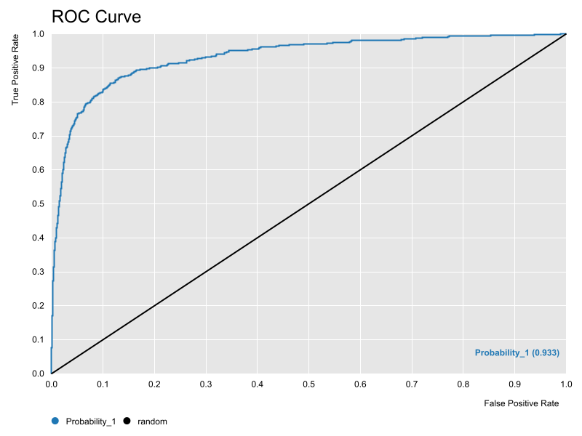 ROC curve at current statistics iteration and for current dataset

XGBAUCContourISEMap
AUC Countour ISE Map | AUC Contour ISE Map
Representing AUC Statistics Calculated Locally for each CL (Abscise) and ADL (Ordinate) | 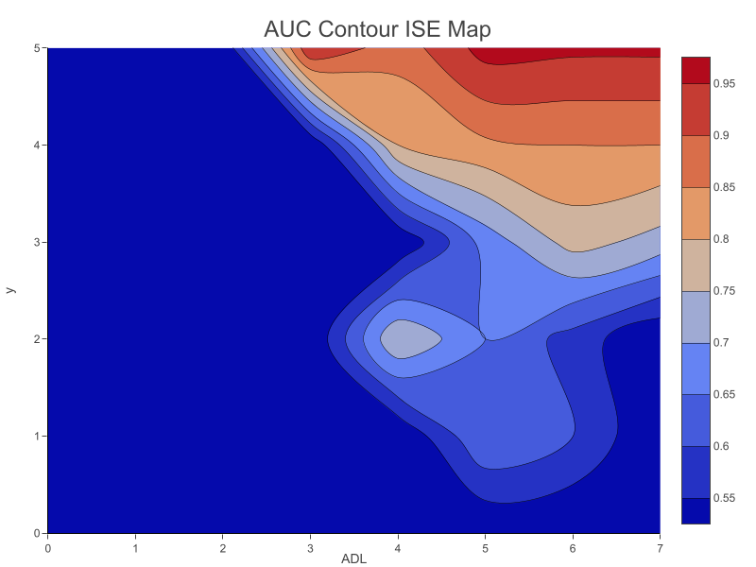

XGBISEDensityContourMap
ISE Density ISE Map | ISE Density Contour Map
ISE-Map Representing Number of Compounds Predicted Locally for each CL (Abscise) and ADL (Ordinate) | 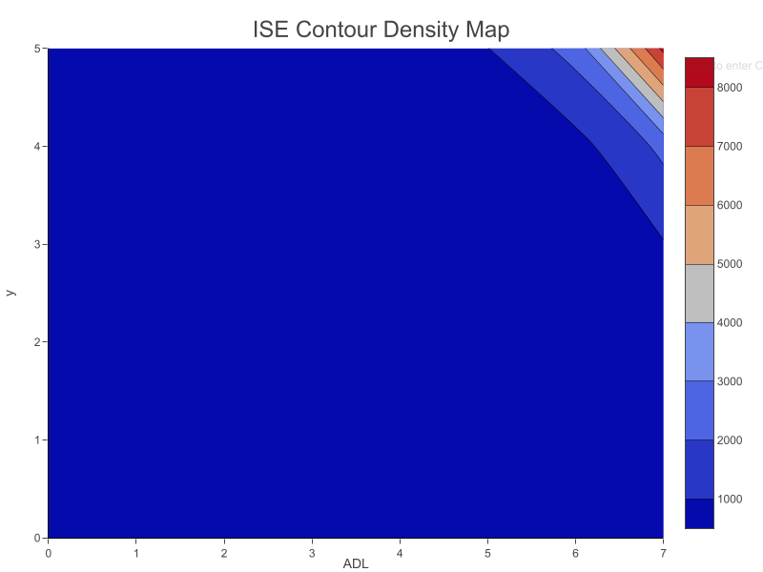

XGBFMeasureContourISEMap
F-Measure Countour ISE Map | F-Measure Contour Map
Representing F-Measure Statistics Calculated Locally for each CL (Abscise) and ADL (Ordinate) | 