4) Kelley vs HSF1Base
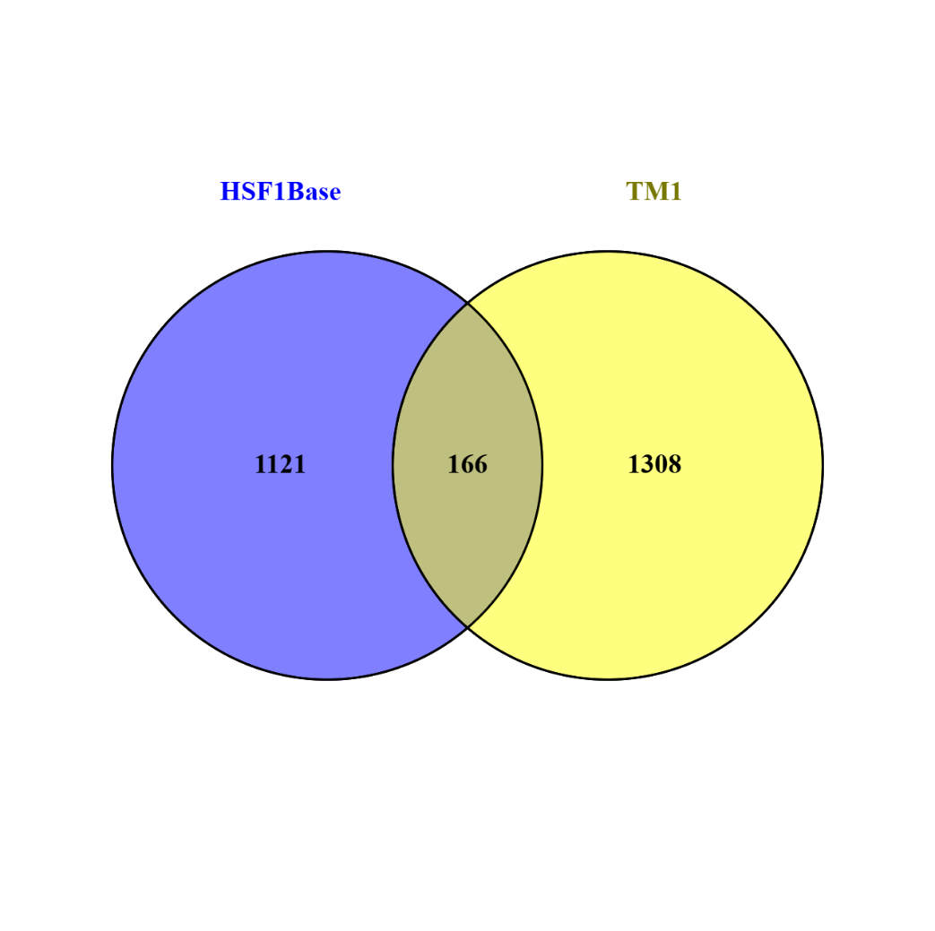
Intersection of TM induced genes (Kelley et al., 2025) and HSF-1 target genes (Kovács et al., 2019)
166 common elements in "TM1 UP" and "HSF1Base"
Gene Stable ID | Gene Name |  | Set1: 1474
ENSG00000010219 | DYRK4 |  | Set2: 1287
ENSG00000175602 | DIPA |  | Overlap: 166
ENSG00000173812 | SUI1 |  | Total number of genes: 20000
ENSG00000139289 | PHLDA1
ENSG00000177888 | ZBTB41
ENSG00000184897 | H1FX |  | Expected size of the intersection: | 94.85
ENSG00000166452 | C11orf17
ENSG00000163661 | PTX3 |  | Actual size of the intersection: | 166
ENSG00000151876 | FBXO4
ENSG00000164823 | OSGIN2 |  | Representation factor: | 1.75
ENSG00000170989 | S1PR1
ENSG00000111859 | NEDD9 |  | p-value (hypergeometric test): | 3,83 × 10⁻13
ENSG00000124882 | EREG
ENSG00000100219 | XBP1
ENSG00000163870 | GPR175
ENSG00000152669 | UNG2
ENSG00000242110 | AMACR
ENSG00000104805 | NUCB1
ENSG00000150991 | UBC
ENSG00000118689 | FOXO3
ENSG00000175895 | PLEKHF2
ENSG00000172345 | STARD5
ENSG00000126226 | PCID2
ENSG00000099622 | CIRBP
ENSG00000073008 | PVR
ENSG00000175040 | CHST2
ENSG00000111981 | ULBP1
ENSG00000175906 | ARL4D
ENSG00000196387 | ZNF140
ENSG00000075426 | FOSL2
ENSG00000169826 | CSGALNACT2
ENSG00000051108 | HERPUD1
ENSG00000179941 | FLJ23560
ENSG00000113742 | CPEB4
ENSG00000173598 | NUDT4
ENSG00000109220 | CHIC2
ENSG00000136244 | IL6
ENSG00000170365 | SMAD1
ENSG00000107338 | SHB
ENSG00000120742 | SERP1
ENSG00000180346 | TIGD2
ENSG00000133816 | MICAL2
ENSG00000198146 | ZNF770
ENSG00000070081 | NUCB2
ENSG00000011132 | APBA3
ENSG00000125347 | IRF1
ENSG00000102786 | INTS6
ENSG00000136826 | KLF4
ENSG00000165029 | ABCA1
ENSG00000177034 | MTX3
ENSG00000116717 | GADD45A
ENSG00000121350 | FLJ22028
ENSG00000123983 | ACSL3
ENSG00000181788 | SIAH2
ENSG00000099624 | ATP5D
ENSG00000008517 | IL32
ENSG00000112773 | FAM46A
ENSG00000188215 | DCUN1D3
ENSG00000081041 | CXCL2
ENSG00000157514 | TSC22D3
ENSG00000092969 | TGFB2
ENSG00000227500 | SCAMP4
ENSG00000128283 | CDC42EP1
ENSG00000130513 | GDF15
ENSG00000213699 | C2orf18
ENSG00000167797 | CDK2AP2
ENSG00000173276 | ZBTB21
ENSG00000149257 | SERPINH1
ENSG00000198853 | RUSC2
ENSG00000062194 | GPBP1
ENSG00000221963 | APOL6
ENSG00000168994 | C6orf145
ENSG00000178381 | ZFAND2A
ENSG00000132002 | HIV-1 LTR promoter , Hsp40 (DNAJB1)
ENSG00000088451 | TGDS
ENSG00000180573 | HIST1H2AC
ENSG00000127528 | KLF2
ENSG00000128228 | SDF2L1
ENSG00000006534 | ALDH3B1
ENSG00000121864 | ZNF639
ENSG00000073756 | COX-2 (PTGS2)
ENSG00000164442 | CITED2
ENSG00000117984 | CTSD
ENSG00000178104 | PDE4DIP
ENSG00000244754 | PFAAP5
ENSG00000138674 | SEC31L1
ENSG00000125970 | RALY
ENSG00000023909 | GCLM
ENSG00000120616 | EPC1
ENSG00000174276 | ZNHIT2
ENSG00000103196 | CRISPLD2
ENSG00000099860 | GADD45B
ENSG00000163347 | Cln-1 claudin-1 (CLDN1)
ENSG00000106823 | ECM2
ENSG00000155096 | AZIN1
ENSG00000086619 | ERO1LB
ENSG00000173465 | SSSCA1
ENSG00000077150 | NFKB2
ENSG00000213859 | KCTD11
ENSG00000166669 | ATF7IP2
ENSG00000134259 | NGFB
ENSG00000275074 | NUDT18
ENSG00000113739 | STC2
ENSG00000163171 | CDC42EP3
ENSG00000076924 | XAB2
ENSG00000110330 | BIRC2
ENSG00000139112 | GABARAPL1
ENSG00000160570 | DEDD2
ENSG00000119922 | IFIT2
ENSG00000185359 | HGS
ENSG00000275052 | KIAA1387
ENSG00000086062 | B4GALT1
ENSG00000125826 | C20orf18
ENSG00000136052 | SLC41A2
ENSG00000124762 | CDKN1A
ENSG00000170955 | PRKCDBP
ENSG00000166592 | RRAD
ENSG00000173559 | NABP1
ENSG00000142871 | CYR61
ENSG00000265972 | VDUP1 vitamin D3 up-regulated protein 1 (TXNIP)
ENSG00000174307 | PHLDA3
ENSG00000121931 | LRIF1
ENSG00000087074 | PPP1R15A
ENSG00000108829 | LRRC59
ENSG00000003402 | CFLAR
ENSG00000115963 | RND3
ENSG00000184678 | HIST2H2BE
ENSG00000161011 | ATG7
ENSG00000049449 | RCN1
ENSG00000101782 | RIOK3
ENSG00000163703 | CRELD1
ENSG00000125962 | ARMCX5
ENSG00000203814 | HIST2H2BF
ENSG00000139438 | FAM222A
ENSG00000101255 | TRIB3
ENSG00000112701 | SENP6
ENSG00000157106 | SMG1
ENSG00000160200 | CBS
ENSG00000116514 | IBRDC3
ENSG00000143507 | DUSP10
ENSG00000179218 | CALR
ENSG00000188493 | FLJ41131
ENSG00000090339 | ICAM1
ENSG00000184205 | TSPYL2
ENSG00000113811 | SELK
ENSG00000221869 | CEBPD
ENSG00000133112 | TPT1
ENSG00000125977 | EIF2S2
ENSG00000104856 | RELB
ENSG00000203812 | HIST2H2AA
ENSG00000189060 | H1F0
ENSG00000171606 | ZNF274
ENSG00000102897 | LOC57149
ENSG00000163734 | CXCL3
ENSG00000167881 | SRP68
ENSG00000026103 | 0
ENSG00000154734 | ADAMTS1
ENSG00000080823 | RAGE
ENSG00000133872
ENSG00000143367 | TUFT1
ENSG00000167004 | PDIA3
ENSG00000183696 | UPP1
ENSG00000175197 | DDIT3
ENSG00000171159 | C9orf16
ENSG00000140688 | FLJ13868
ENSG00000162772 | ATF3

 |  | 1

5) Yoon vs HSF1Base

Intersection of TM induced genes (Yoon et al., 2023) and HSF-1 target genes (Kovács et al., 2019)
60 common elements in "TM3 UP" and "HSF1Base":
Gene Stable ID | Gene Name | Set1: 1474
ENSG00000171124 | FUT3 | Set2: 438
ENSG00000175197 | DDIT3 | Overlap: 60
ENSG00000130513 | GDF15 | Total number of genes: 20000
ENSG00000101255 | TRIB3
ENSG00000051108 | HERPUD1
ENSG00000183696 | UPP1
ENSG00000157514 | TSC22D3 | Expected size of the intersection: | 32.28
ENSG00000135480 | KRT7
ENSG00000100889 | PCK2 | Actual size of the intersection: | 60
ENSG00000125826 | C20orf18
ENSG00000113739 | STC2 | Representation factor: | 1.86
ENSG00000104419 | NDRG1
ENSG00000070081 | NUCB2 | p-value (hypergeometric test): | 2,35 × 10⁻⁶
ENSG00000175482 | POLD4
ENSG00000161011 | ATG7
ENSG00000125089 | SH3TC1
ENSG00000086619 | ERO1LB
ENSG00000196998 | WDR45
ENSG00000167608 | TMC4
ENSG00000179218 | CALR
ENSG00000143333 | RGS16
ENSG00000111981 | ULBP1
ENSG00000167004 | PDIA3
ENSG00000173267 | SNCG
ENSG00000128564 | VGF
ENSG00000254827 | SLC22A1LS
ENSG00000125746 | EML2
ENSG00000167797 | CDK2AP2
ENSG00000104805 | NUCB1
ENSG00000147883 | CDKN2B
ENSG00000133816 | MICAL2
ENSG00000005884 | ITGA3
ENSG00000128228 | SDF2L1
ENSG00000101213 | PTK6
ENSG00000138166 | DUSP5
ENSG00000134107 | BHLHB2
ENSG00000169035 | KLK7
ENSG00000006534 | ALDH3B1
ENSG00000170190 | SLC16A5
ENSG00000165215 | CLDN3
ENSG00000106366 | PAI-1 Plasminogen activator inhibitor-1 (SERPINE1)
ENSG00000178381 | ZFAND2A
ENSG00000187091 | PLCD1
ENSG00000081181 | ARG2
ENSG00000187193 | MT1X
ENSG00000088826 | SMOX
ENSG00000141582 | CBX4
ENSG00000174951 | FUT1
ENSG00000139112 | GABARAPL1
ENSG00000130522 | JUND
ENSG00000253368 | TRNP1
ENSG00000134531 | EMP1
ENSG00000163814 | CDCP1
ENSG00000189334 | S100A14
ENSG00000100219 | XBP1
ENSG00000245532 | NEAT1
ENSG00000006282 | SPATA20
ENSG00000178104 | PDE4DIP
ENSG00000213699 | C2orf18
ENSG00000124145 | SDC4

6) Yoon vs Kelley vs HSF1base
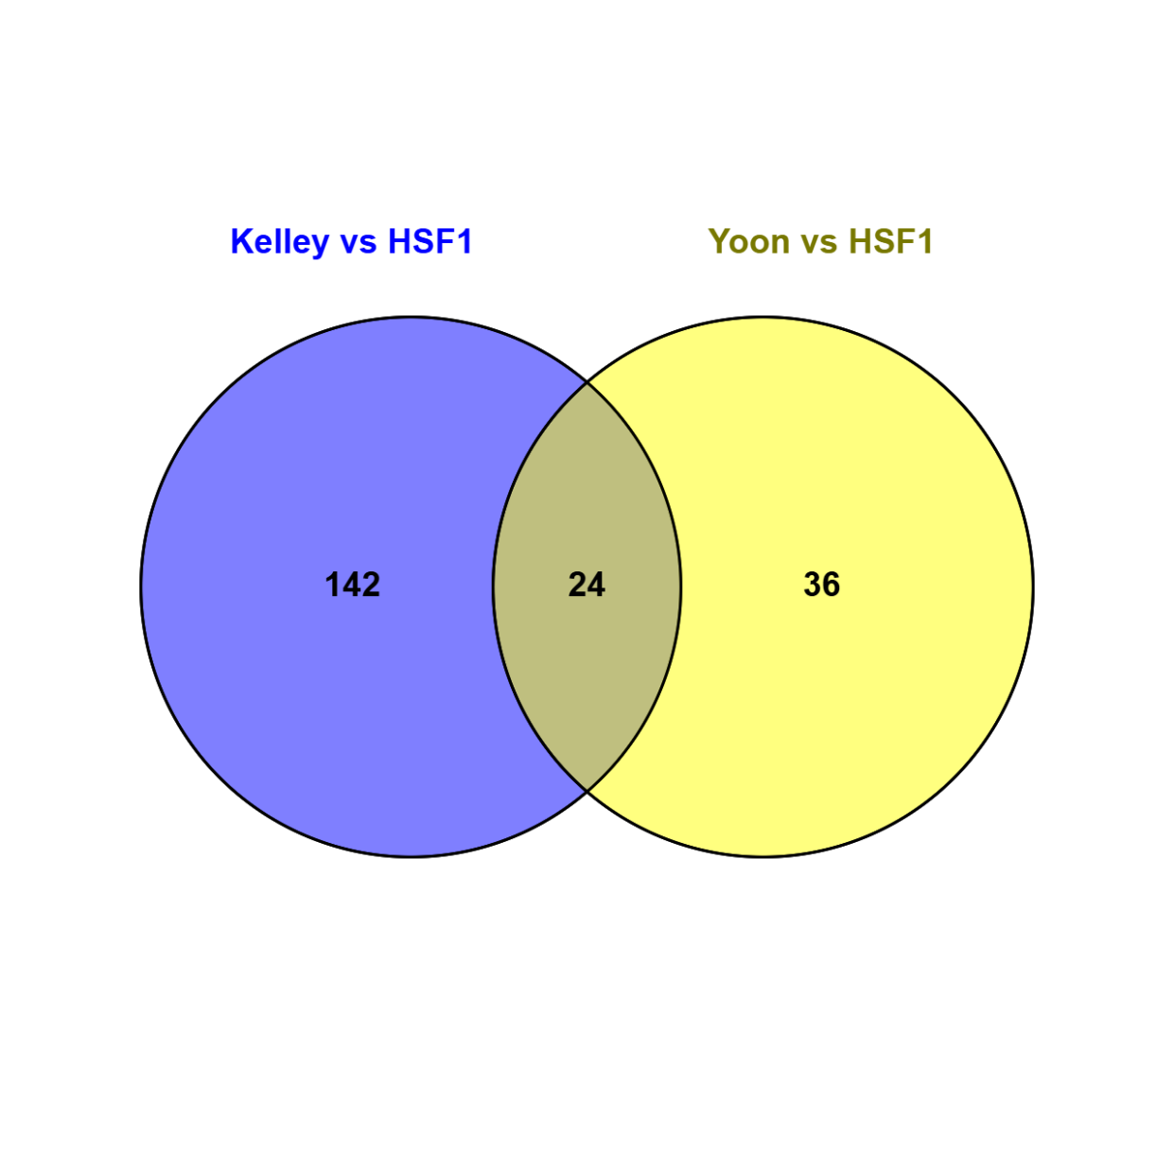
24 common elements in "Kelley vs HSF1" and "Yoon vs HSF1":
Gene Symbol | Ensembl ID | Short Description
XBP1 | ENSG00000100219 | Transcription factor regulating the unfolded protein response (UPR) and ER stress signaling.
NUCB1 | ENSG00000104805 | Golgi-localized calcium-binding protein; regulates calcium homeostasis.
ULBP1 | ENSG00000111981 | Ligand for the NKG2D receptor; activates NK cells in the innate immune response. geneglobe.qiagen.com+9biotools.fr+9genenames.org+9UniProtgenecards.org
HERPUD1 | ENSG00000051108 | ER stress-responsive factor involved in ER-associated degradation (ERAD). pharos.nih.govgenecards.orgUniProt
MICAL2 | ENSG00000133816 | Monooxygenase that promotes F-actin depolymerization; modulates cytoskeletal dynamics. ensembl.orggenecards.orggeneglobe.qiagen.com
NUCB2 | ENSG00000070081 | EF-hand calcium-binding protein; implicated in calcium homeostasis and metabolic regulation. UniProtWikipediapharos.nih.gov
TSC22D3 | ENSG00000157514 | Glucocorticoid-induced leucine zipper (GILZ); anti-inflammatory transcriptional regulator. genecards.orgWikipediaNCBI
GDF15 | ENSG00000130513 | Stress-inducible cytokine of the TGF-β superfamily; regulates metabolism and tissue injury response. geneglobe.qiagen.comWikipediagenecards.org
C2orf18 | ENSG00000213699 | Also known as SLC35F6 (ANT2BP); transmembrane protein involved in mitochondrial function in PDAC. ensembl.orggenecards.orgbiogps.org
CDK2AP2 | ENSG00000167797 | Cyclin-dependent kinase 2-associated protein; may regulate cell cycle transitions. genecards.orggtexportal.org
ZFAND2A | ENSG00000178381 | Zinc-finger protein potentially involved in ubiquitin signaling
SDF2L1 | ENSG00000128228 | ER/golgi-localized stress-related chaperone
ALDH3B1 | ENSG00000006534 | Aldehyde dehydrogenase involved in detoxification of reactive aldehydes
PDE4DIP | ENSG00000178104 | PDE4D-interacting protein; involved in scaffolding and signaling
ERO1LB | ENSG00000086619 | ER oxidase that promotes disulfide bond formation during protein folding
STC2 | ENSG00000113739 | Stanniocalcin 2: secreted hormone involved in calcium/phosphate balance and stress responses
GABARAPL1 | ENSG00000139112 | Autophagy-related ubiquitin-like protein involved in vesicle trafficking
C20orf18 | ENSG00000125826 | Uncharacterized protein encoded on chromosome 20
ATG7 | ENSG00000161011 | Key E1 enzyme in autophagy, essential for LC3 lipidation
TRIB3 | ENSG00000101255 | Stress-induced pseudokinase modulating apoptosis and metabolism
CALR | ENSG00000179218 | Calreticulin, an ER chaperone regulating calcium binding and protein quality control
PDIA3 | ENSG00000167004 | Protein disulfide isomerase in the ER, critical for correct folding of nascent proteins
UPP1 | ENSG00000183696 | Uridine phosphorylase 1; involved in pyrimidine salvage metabolism
DDIT3 | ENSG00000175197 | Also known as CHOP: a transcription factor mediating ER stress–induced apoptosis

24 common elements in "Kelley vs HSF1" and "Yoon vs HSF1":
ENSG00000100219
ENSG00000104805
ENSG00000111981
ENSG00000051108
ENSG00000133816
ENSG00000070081
ENSG00000157514
ENSG00000130513
ENSG00000213699
ENSG00000167797
ENSG00000178381
ENSG00000128228
ENSG00000006534
ENSG00000178104
ENSG00000086619
ENSG00000113739
ENSG00000139112
ENSG00000125826
ENSG00000161011
ENSG00000101255
ENSG00000179218
ENSG00000167004
ENSG00000183696
ENSG00000175197

