5) Shen vs. Kovács
Intersection of UPRER genes (Shen et al., 2005) and HSF-1 Upregulated genes (Brunquell et al., 2016)

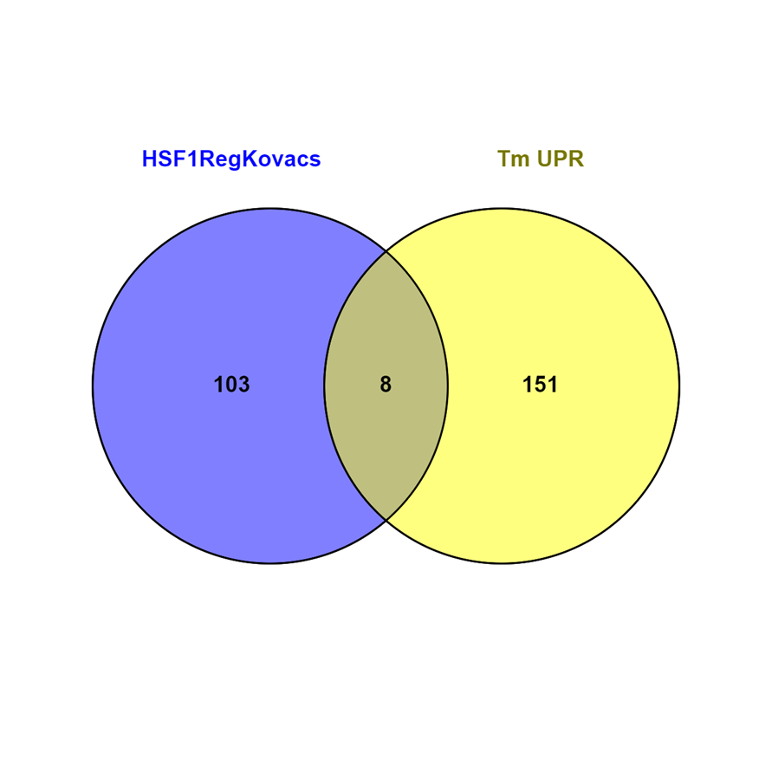
Gene Stable ID | Gene Name | log2FC in WT HS | Log2FC in hsf-1(sy441) HS
WBGene00022570 | sdz-35 | 4.9524148384 | n.s.
WBGene00021979 | Y58A7A.5 | 3.1088968481 | n.s.
WBGene00007440 | C08E8.4 | 2.2007863416 | n.s.
WBGene00009801 | ipla-2 | 2.1543014485 | n.s. | Set1: 111
WBGene00000266 | bre-1 | 1.7417060787 | n.s. | Set2: 159
WBGene00002008 | hsp-4 | 1.4810250763 | n.s. | Overlap: 8
WBGene00001425 | fis-2 | 1.150129452 | n.s. | Total number of genes: 20000
WBGene00001749 | gst-1 | 0.90516110451 | n.s.

 |  |  |  | Expected size of the intersection: | 0.88

 |  |  |  | Actual size of the intersection: | 8

 |  |  |  | Representation factor: | 9.09

 |  |  |  | p-value (hypergeometric test): | 2.95 × 10⁻⁶

7) Shen vs. HSF-1 bound
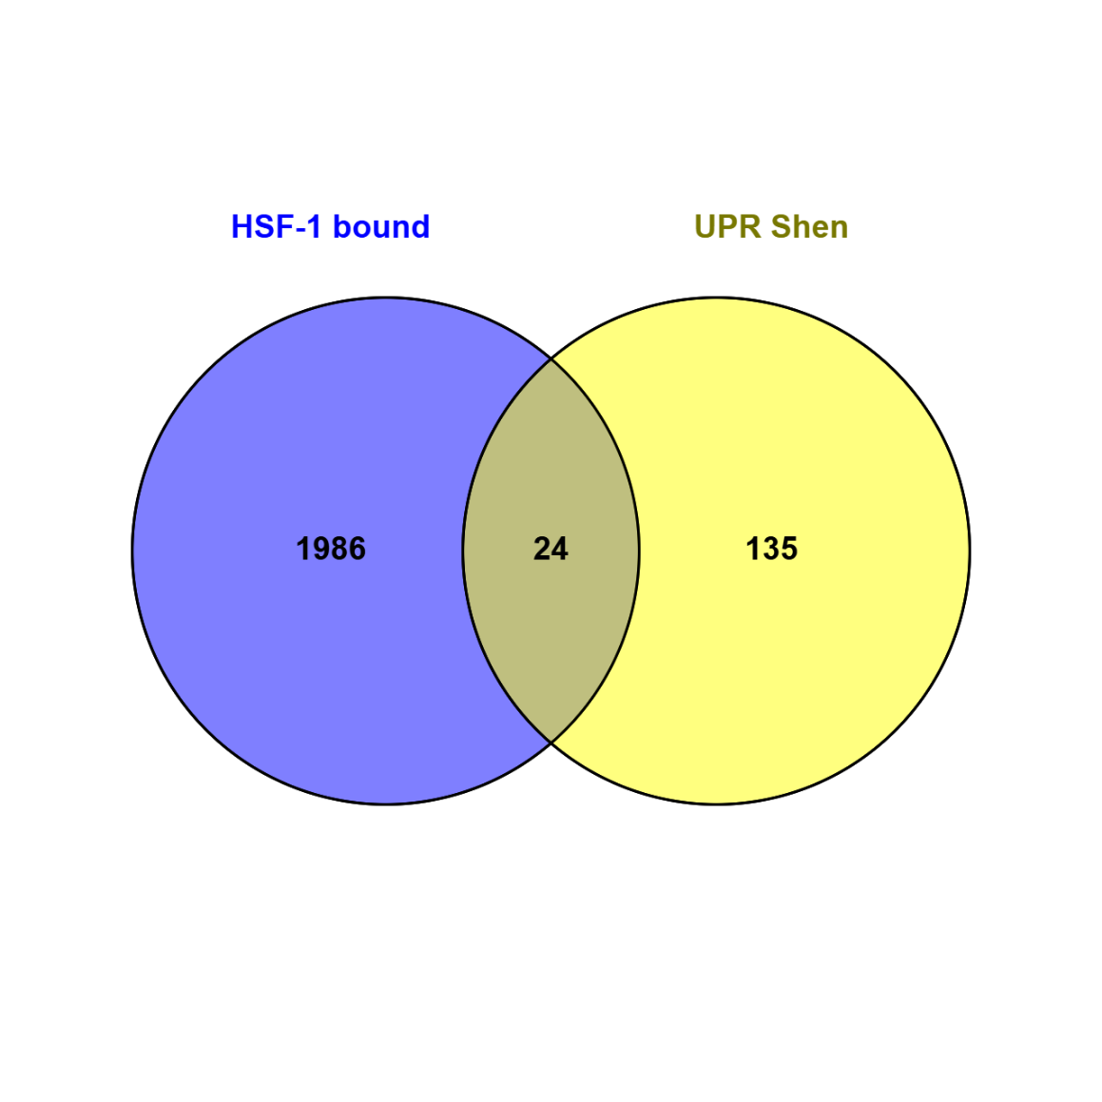
Intersection of UPRER genes (Shen et al., 2005) and HSF-1 bound genes (GTRD)

Gene Stable ID | Gene Name | Site Count | HSF-1 regulated (Brunquell, 2016) | HSF-1 regulated (Kovács, 2024)
WBGene00012386 | agef-1 | 1 | No | No
WBGene00016469 | C36B7.6 | 1 | No | No
WBGene00019760 | calu-1 | 1 | No | No
WBGene00010470 | cdr-4 | 1 | Yes | No
WBGene00000514 | ckb-4 | 1 | No | No | Set1: 2010
WBGene00001046 | dnj-28 | 1 | No | No | Set2: 159
WBGene00008940 | F18H3.4 | 1 | No | No
WBGene00017705 | F22E5.6 | 1 | No | No
WBGene00018181 | F38E1.9 | 1 | No | No
WBGene00001749 | gst-1 | 1 | Yes | Yes | Overlap: 24
WBGene00012550 | hpo-21 | 1 | No | No
WBGene00002007 | hsp-3 | 1 | Yes | No | Total number of genes: 20000
WBGene00002008 | hsp-4 | 1 | Yes | Yes
WBGene00011481 | imp-2 | 1 | No | No
WBGene00003818 | nsf-1 | 1 | No | No | Representation factor: 1.5
WBGene00015168 | pdi-6 | 1 | No | No | p < 0.028
WBGene00019825 | R02D3.8 | 1 | No | No
WBGene00011115 | R07E5.7 | 1 | No | No
WBGene00020038 | R12E2.13 | 1 | No | No
WBGene00004509 | rrf-2 | 1 | No | No
WBGene00022570 | sdz-35 | 1 | No | Yes
WBGene00011338 | sec-31 | 1 | No | No
WBGene00011529 | T06D8.9 | 1 | No | No
WBGene00006785 | unc-50 | 1 | No | No

