gBlock
gBlock name | SAV_Yr_PRV_SGPV_ISAV
gBlock Conc. (ng/µl) | 8.408
Molecular weight (fmol/ng) | 2.36
 |  |  |  |  | Suggested dilution of gBlock |  |  |  |  |  |  | Start | Needed | Wanted | Wanted
Estimated copy nr/µl | 11949382336 | 1.19E+10 |  |  |  | µL |  |  | µL |  |  | Concentration | Volume | Concentration | Volume
 |  |  |  |  | gBlock undiluted | 5.8 | + | TE-Buffer | 1994.2 | = | Stock Solution | 50000000.00 | 40.00 | 1000000 | 2000
 |  |  |  |  | Stock Solution | 40 | + | MQ-H2O | 1960 | = | #1
 |  |  |  |  | #1 | 200 | + | MQ-H2O | 600 | = | #2
Start | Needed | Wanted | Wanted | Add | #2 | 200 | + | MQ-H2O | 600 | = | #3
Concentration | Volume | Concentration | Volum | Water | …. | 200 | + | MQ-H2O | 600 | = | …..
11949382336.00 | 8.37 | 50000000 | 2000 | 1991.63 | #13 | 200 | + | MQ-H2O | 600 | = | 14

Copy numbers for ISAV and PRV1 quantification were calculated using the standard Integrated DNA Technologies (IDT) formula: copies/µL = (DNA concentration [ng/µL]) × (Molecular weight [fmol/ng) × (1 × 10⁻¹⁵) × (6.022 × 10²³). The synthetic gBlock used in this study had a concentration of 8.408 ng/µL and a molecular weight of 2.36 fmol/ng, corresponding to an estimated 1.19 × 10¹⁰ copy number/µL in the undiluted gBlock. A stock solution of 5 × 10⁷ copy number/µL was prepared by combining 8.4 µL of the undiluted gBlock with 1991.6 µL of TE buffer. Serial 1:4 dilutions were then generated to obtain a standard curve ranging from 5 × 10⁷ to 1 × 10⁻² copy number/µL.
Expected DNA copies in | 1µL | 5µL
Stock Solution | 50000000.00
#1 | 1000000.00 | 5000000.00
#2 | 250000.00 | 1250000.00
#3 | 62500.00 | 312500.00
#4 | 15625.00 | 78125.00
#5 | 3906.25 | 19531.25
#6 | 976.56 | 4882.81
#7 | 244.14 | 1220.70
#8 | 61.04 | 305.18
#9 | 15.26 | 76.29
#10 | 3.81 | 19.07
#11 | 0.95 | 4.77
#12 | 0.24 | 1.19
#13 | 0.06 | 0.30
#14 | 0.01 | 0.07

Results
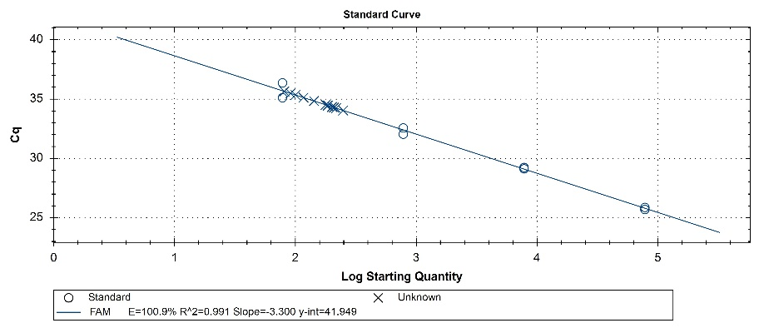
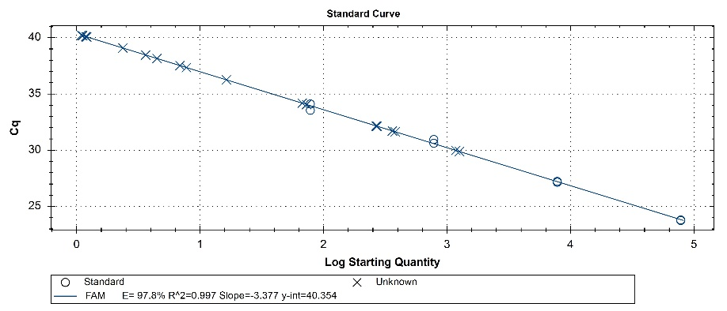
ISAV |  | Cq Mean (n = 2) | Cq Std. Dev | SQ Mean = expected DNA copies in 5 µL | SQ Std. Dev. |  |  |  |  | PRV1 |  | Cq Mean (n = 2) | Cq Std. Dev | SQ Mean = expected DNA copies in 5 µL | SQ Std. Dev.
For standard curve | gBlock Std^4_1:1 | 25.79 | 0.12 | 78130.00 | 0.00 |  |  |  |  | For standard curve | gBlock Std^4_1:1 | 23.78 | 0.04 | 78130.00 | 0.00
 | gBlock Std^4_1:10 | 29.18 | 0.08 | 7813.00 | 0.00 |  |  |  |  |  | gBlock Std^4_1:10 | 27.19 | 0.06 | 7813.00 | 0.00
 | gBlock Std^4_1:100 | 32.31 | 0.37 | 781.30 | 0.00 |  |  |  |  |  | gBlock Std^4_1:100 | 30.79 | 0.24 | 781.30 | 0.00
 | gBlock Std^4_1:1000 | 35.75 | 0.88 | 78.13 | 0.00 |  |  |  |  |  | gBlock Std^4_1:1000 | 33.83 | 0.40 | 78.13 | 0.00

 |  |  |  |  |  |  | Conversion to copies/L: |  | Copy numbers measured in 5 µL of extract were converted to copies per litre of water using:
Sample | Description | Group | Cq Mean | Cq Std. Dev. | SQ Mean | SQ Std. Dev. | SQ Mean | SQ Std. Dev. | copies per L = copies in 5 µL x (100 µL elution volume/ 5 µL) x (1 L / 0.5 L filtration volume)
Sample_01 | Outlet water (Feb/23) | Hatchery | 35.39 | 0.37 | 98.80 | 25.31 | 3952.00 | 1012.58
Sample_02 | Tank water (Feb/23) | Hatchery | 35.42 | 0.09 | 95.60 | 6.36 | 3824.20 | 254.28 | 5 µL used in the qPCR
Sample_03 | Inlet water (Feb/23) | Hatchery | 34.68 | 0.23 | 160.35 | 25.24 | 6414.00 | 1009.75 | 100 µL total elution volume after nucleic acid extraction
Sample_04 | Control (Feb/23) | Hatchery | N/A | N/A | N/A | N/A | N/A | N/A | 0.5 L (500 mL) water filtered
Sample_05 | Outlet water (May/23) | Hatchery | 34.30 | 0.08 | 209.25 | 11.10 | 8370.00 | 444.06
Sample_06 | Tank water (May/23) | Hatchery | 34.25 | 0.30 | 217.50 | 43.84 | 8700.00 | 1753.62
Sample_07 | Inlet water (May/23) | Hatchery | 34.38 | 0.12 | 197.10 | 16.55 | 7884.00 | 661.85
Sample_08 | Control (May/23) | Hatchery | N/A | N/A | N/A | N/A | N/A | N/A
Sample_09 | 1km from cage - 1m depth (Apr/23) | Seawater sites | N/A | N/A | N/A | N/A | N/A | N/A
Sample_10 | 1km from cage - 20m depth (Apr/23) | Seawater sites | N/A | N/A | N/A | N/A | N/A | N/A
Sample_11 | Seawater cage (Apr/23) | Seawater sites | N/A | N/A | N/A | N/A | N/A | N/A
Sample_12 | Control (Apr/23) | Seawater sites | N/A | N/A | N/A | N/A | N/A | N/A
Sample_13 | 1km from cage - 1m depth (May/23) | Seawater sites | N/A | N/A | N/A | N/A | N/A | N/A
Sample_14 | 1km from cage - 20m depth (May/23) | Seawater sites | N/A | N/A | N/A | N/A | N/A | N/A
Sample_15 | Seawater cage (May/23) | Seawater sites | N/A | N/A | N/A | N/A | N/A | N/A
Sample_16 | Control (May/23) | Seawater sites | N/A | N/A | N/A | N/A | N/A | N/A
Sample_17 | Seawater cage (Jun/23) | Seawater sites | N/A | N/A | N/A | N/A | N/A | N/A
Sample_21 | Seawater cage (Jul/23) | Seawater sites | N/A | N/A | N/A | N/A | N/A | N/A
Sample_18 | Seawater cage (Aug/23) | Seawater sites | 38.00 | 0.66 | 5.25 | 2.29 | 209.94 | 91.78
Sample_19 | Control (Aug/23) | Seawater sites | N/A | N/A | N/A | N/A | N/A | N/A
Sample_20 | Seawater cage (Sep/23) | Seawater sites | 31.68 | 0.06 | 370.65 | 13.93 | 14826.00 | 557.20
Sample_22 | 1km from cage - 1m depth (Oct/23) | Seawater sites | N/A | N/A | N/A | N/A | N/A | N/A
Sample_23 | 1km from cage - 20m depth (Oct/23) | Seawater sites | N/A | N/A | N/A | N/A | N/A | N/A
Sample_24 | Seawater cage (Oct/23) | Seawater sites | 34.12 | 0.08 | 70.02 | 4.07 | 2800.80 | 162.92
Sample_25 | Control (Oct/23) | Seawater sites | N/A | N/A | N/A | N/A | N/A | N/A
Sample_26 | Wellboat before treatment (Nov/23) | Wellboat | 36.81 | 0.77 | 12.04 | 6.07 | 481.78 | 242.99
Sample_27 | Wellboat after treatment (Nov/23) | Wellboat | 29.93 | 0.07 | 1219.00 | 57.98 | 48760.00 | 2319.31
Sample_28 | Seawater cage (Dec/23) | Seawater sites | 32.14 | 0.02 | 269.25 | 3.32 | 10770.00 | 132.94
Sample_30 | 1km from cage - 1m depth (Feb/24) | Seawater sites | N/A | N/A | N/A | N/A | N/A | N/A
Sample_31 | 1km from cage - 20m depth (Feb/24) | Seawater sites | N/A | N/A | N/A | N/A | N/A | N/A
Sample_32 | Seawater cage (Feb/24) | Seawater sites | 39.19 | 1.46 | 2.78 | 2.39 | 111.30 | 95.69
Sample_33 | Control (Feb/24) | Seawater sites | N/A | N/A | N/A | N/A | N/A | N/A
Sample_34 | 200m from cage - 1m depth (Feb/24) | Seawater sites | 40.09 | 0.01 | 1.20 | 0.01 | 47.80 | 0.45
Sample_35 | 200m from cage - 20m depth (Feb/24) | Seawater sites | N/A | N/A | N/A | N/A | N/A | N/A

