15.Fig 6c
Fig. 6a

 |  | Relative mRNA expression (Average of 3 replicates)
PC-3 |  | NTC |  |  |  | shNQ
 | Genes | Con | TGFb | LY | TGFb+LY | Con | TGFb | LY | TGFb+LY
 | NQO1 | 1 | 0.6070116414 | 0.91066928612 | 0.95881692503 | 0.20165682738 | 0.15931963533 | 0.20674303528 | 0.17091575856
 | IGFBP3 | 1 | 10.253974986 | 0.85547959643 | 0.94352623574 | 0.41041222857 | 3.8148225891 | 0.1592685278 | 0.12213253338
 | SMAD7 | 1 | 3.483867531 | 0.16654034079 | 0.22013793156 | 1.4581437043 | 4.4057493879 | 0.70907794352 | 0.64413838607
 | FAS | 1 | 0.28511137099 | 1.5178643537 | 1.7178683158 | 0.048152476515 | 0.041123883343 | 0.061256869358 | 0.051755693893
 | SERPINE1 | 1 | 34.154395119 | 0.59023709375 | 0.63640643403 | 47.794104511 | 584.28969249 | 27.220752577 | 22.560882933
 | TGFB1 | 1 | 0.69043256702 | 0.55505827234 | 0.59157355835 | 2.0213853736 | 2.7135679139 | 1.4524448582 | 1.3177034719

 |  | Log2 transformed mRNA expression
 |  | NTC |  |  |  | shNQ
 |  | Con | TGFb | LY | TGFb+LY | Con | TGFb | LY | TGFb+LY
 | NQO1 | 0 | -0.72020390983 | -0.13500086732 | -0.060672719227 | -2.3100258438 | -2.6500040123 | -2.2740893659 | -2.5486426742
 | IGFBP3 | 0 | 3.3581113784 | -0.22519464868 | -0.083865460846 | -1.284854377 | 1.9316159651 | -2.6504668831 | -3.0334805416
 | SMAD7 | 0 | 1.8006897686 | -2.5860564137 | -2.1835203401 | 0.54413290848 | 2.1393874326 | -0.49598387426 | -0.63455742603
 | FAS | 0 | -1.810402516 | 0.60204286786 | 0.78061945008 | -4.376246191 | -4.6038796846 | -4.0289845525 | -4.2721386006
 | SERPINE1 | 0 | 5.0939993369 | -0.76063350437 | -0.65197967359 | 5.578760765 | 9.1905400286 | 4.7666350487 | 4.4957516244
 | TGFB1 | 0 | -0.53442757827 | -0.84928885531 | -0.75737052535 | 1.0153443952 | 1.4401910162 | 0.53848339303 | 0.39802575144

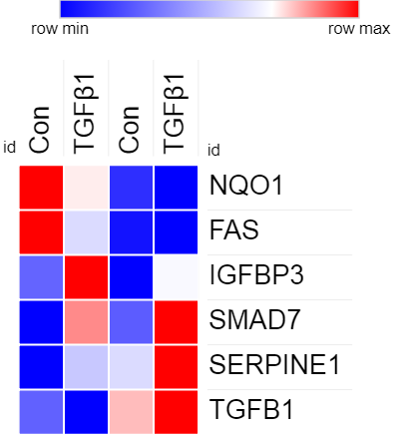
 | Re-arrangement for heatmap
 | https://software.broadinstitute.org/morpheus/
 |  | Log2 (TGFb1 Tx)
 |  | Con | TGFβ1 | Con | TGFβ1
 | NQO1 | 0 | -0.72020390983 | -2.3100258438 | -2.6500040123
 | FAS | 0 | -1.810402516 | -4.376246191 | -4.6038796846
 | IGFBP3 | 0 | 3.3581113784 | -1.284854377 | 1.9316159651
 | SMAD7 | 0 | 1.8006897686 | 0.54413290848 | 2.1393874326
 | SERPINE1 | 0 | 5.0939993369 | 5.578760765 | 9.1905400286
 | TGFB1 | 0 | -0.53442757827 | 1.0153443952 | 1.4401910162

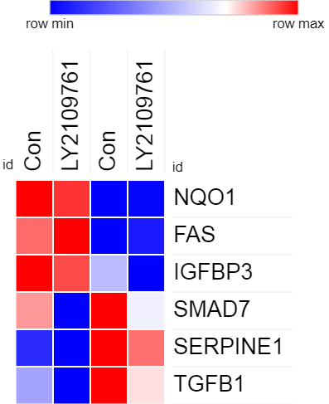

 |  | Log2 (LY Tx)
 |  | Con | LY2109761 | Con | LY2109761
 | NQO1 | 0 | -0.13500086732 | -2.3100258438 | -2.2740893659
 | FAS | 0 | 0.60204286786 | -4.376246191 | -4.0289845525
 | IGFBP3 | 0 | -0.22519464868 | -1.284854377 | -2.6504668831
 | SMAD7 | 0 | -2.5860564137 | 0.54413290848 | -0.49598387426
 | SERPINE1 | 0 | -0.76063350437 | 5.578760765 | 4.7666350487
 | TGFB1 | 0 | -0.84928885531 | 1.0153443952 | 0.53848339303
NTC
shNQ

