Figure 3B
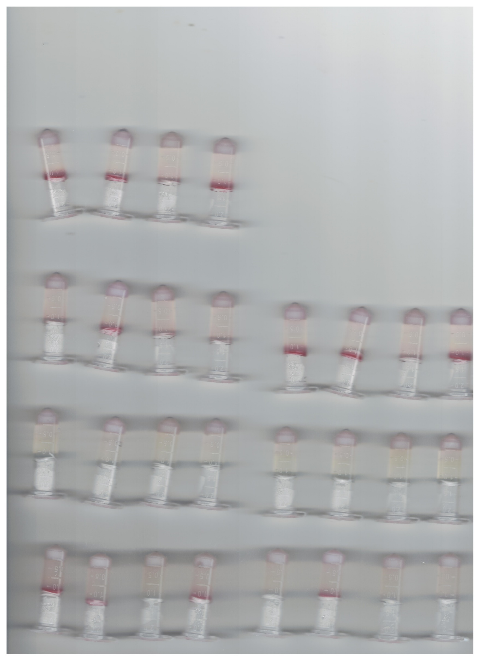
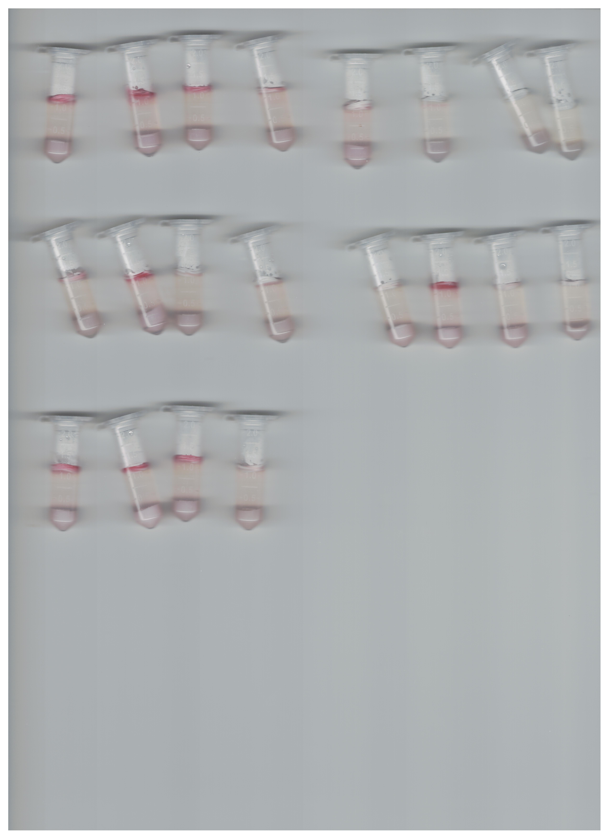
81-176 chemotaxis original | 11168 chemotaxis original

Figure S3
CjCter 5nM |  |  |  |  |  |  |  |  |  |  |  |  | ##BLOCKS= 1
 |  |  |  |  |  |  |  |  |  |  |  |  | Plate: | NADH | 1.3 | PlateFormat | Endpoint | Absorbance | Raw | FALSE | 1 |  |  |  |  |  | 1 | 340 | 1 | 10 | 96 | 4 | 3
L-Fucose uM | Slope MilliAbs/min |  |  | Slope Abs/sec |  |  | V M/sec |  |  | V uM/sec |  |  |  | Temperature(¡C) | 1 | 2 | 3 | 4 | 5 | 6 | 7 | 8 | 9 | 10 | 11 | 12
0 | 0 | 0 | 0 | 0 | 0 | 0 | 0 | 0 | 0 | 0 | 0 | 0
50 | 2.903 | 2.566 | 2.073 | 4.8383333333E-05 | 4.2766666667E-05 | 0.00003455 | 3.0915866364E-08 | 2.732694216E-08 | 2.2076676188E-08 | 0.030915866364 | 0.02732694216 | 0.022076676188
100 | 4.051 | 3.604 | 3.309 | 6.7516666667E-05 | 6.0066666667E-05 | 0.00005515 | 4.3141637837E-08 | 3.8381254694E-08 | 3.5239614812E-08 | 0.043141637837 | 0.038381254694 | 0.035239614812
200 | 5.633 | 5.212 | 4.954 | 9.3883333333E-05 | 8.6866666667E-05 | 8.2566666667E-05 | 5.9989347306E-08 | 5.5505854458E-08 | 5.2758250764E-08 | 0.059989347306 | 0.055505854458 | 0.052758250764 |  | 23.6 | 0.1264 | 0.1389 | 0.1978 | 0.2751 | 0.4388 | 0.5822 | 0.7433 | 0.8912 | 1.0675 | 1.2097
400 | 7.784 | 7.604 | 7.086 | 0.00012973333333 | 0.00012673333333 | 0.0001181 | 8.2896694378E-08 | 8.0979761569E-08 | 7.5463254928E-08 | 0.082896694378 | 0.080979761569 | 0.075463254928 |  |  | 0.1293 | 0.1349 | 0.2012 | 0.2793 | 0.4338 | 0.5784 | 0.7424 | 0.8858 | 1.0473 | 1.2022 |  |  |  |  |  |  | NADH
600 | 10.079 | 10.054 | 9.218 | 0.00016798333333 | 0.00016756666667 | 0.00015363333333 | 1.073375877E-07 | 1.0707134703E-07 | 9.8168259093E-08 | 0.1073375877 | 0.10707134703 | 0.098168259093 |  |  | 0.1308 | 0.1392 | 0.2028 | 0.278 | 0.4307 | 0.5757 | 0.7384 | 0.8803 | 1.046 | 1.2077 |  |  |  |  |  |  | Extinction Coeff
800 | 10.158 | 10.699 | 9.117 | 0.0001693 | 0.00017831666667 | 0.00015195 | 1.0817890821E-07 | 1.1394035626E-07 | 9.7092646794E-08 | 0.10817890821 | 0.11394035626 | 0.097092646794
1000 | 8.967 | 10.343 | 8.65 | 0.00014945 | 0.00017238333333 | 0.00014416666667 | 9.5495202786E-08 | 1.1014908915E-07 | 9.2119271116E-08 | 0.095495202786 | 0.11014908915 | 0.092119271116 |  |  |  |  |  |  |  |  |  |  |  |  |  |  | Abs/uM/0.28cm |  | Abs/uM/cm |  | Abs/M/cm
1400 | 13.329 | 10.475 | 10.69 | 0.00022215 | 0.00017458333333 | 0.00017816666667 | 1.4194887453E-07 | 1.1155483988E-07 | 1.1384450962E-07 | 0.14194887453 | 0.11155483988 | 0.11384450962 |  |  |  |  |  |  |  |  |  |  |  |  |  |  | 0.001542 |  | 0.0055071428571 |  | 5507.1428571
1800 | 12.386 | 9.659 | 9.596 | 0.00020643333333 | 0.00016098333333 | 0.00015993333333 | 1.3190627654E-07 | 1.0286474448E-07 | 1.0219381799E-07 | 0.13190627654 | 0.10286474448 | 0.10219381799 | ~End
0 | 0.12883333333
10 | 0.13766666667
50 | 0.2006
100 | 0.27746666667
200 | 0.43443333333
300 | 0.57876666667
400 | 0.74136666667
500 | 0.88576666667
600 | 1.0536
700 | 1.2065333333
2200 | 12.701 | 11.504 | 12.194 | 0.00021168333333 | 0.00019173333333 | 0.00020323333333 | 1.3526090895E-07 | 1.2251330577E-07 | 1.2986154821E-07 | 0.13526090895 | 0.12251330577 | 0.12986154821 | Original Filename: CjCter_NADH_ExtinctionCoeff; Date Last Saved: 29/05/2018 2:04:56 PM
2600 | 11.175 | 11.031 | 7.494 | 0.00018625 | 0.00018385 | 0.0001249 | 1.1900957858E-07 | 1.1747603233E-07 | 7.980830263E-08 | 0.11900957858 | 0.11747603233 | 0.07980830263

 |  |  |  |  |  |  |  |  |  |  |  |  |  |  | NADH uM | Triplicate |  |  | Avg | Stdev
CjCter 10nMf |  |  |  |  |  |  |  |  |  |  |  |  |  |  | 0 | 0.1264 | 0.1293 | 0.1308 | 0.12883333333 | 0.0022368132093
 |  |  |  |  |  |  |  |  |  |  |  |  |  |  | 10 | 0.1389 | 0.1349 | 0.1392 | 0.13766666667 | 0.002400694344
D_Arabinose uM | Slope MilliAbs/min |  |  | Slope Abs/sec |  |  | V M/sec |  |  | V uM/sec |  |  |  |  | 50 | 0.1978 | 0.2012 | 0.2028 | 0.2006 | 0.002553429067
0 | 0 | 0 | 0 | 0 | 0 | 0 | 0 | 0 | 0 | 0 | 0 | 0 |  |  | 100 | 0.2751 | 0.2793 | 0.278 | 0.27746666667 | 0.0021501937897
50 | 1.08 | 0.781 | 0.743 | 0.000018 | 1.3016666667E-05 | 1.2383333333E-05 | 1.1501596856E-08 | 8.3173584673E-09 | 7.912672652E-09 | 0.011501596856 | 0.0083173584673 | 0.007912672652 |  |  | 200 | 0.4388 | 0.4338 | 0.4307 | 0.43443333333 | 0.0040869711686
100 | 1.964 | 2.171 | 1.864 | 3.2733333333E-05 | 3.6183333333E-05 | 3.1066666667E-05 | 2.0915866875E-08 | 2.3120339606E-08 | 1.9850904204E-08 | 0.020915866875 | 0.023120339606 | 0.019850904204 |  |  | 300 | 0.5822 | 0.5784 | 0.5757 | 0.57876666667 | 0.0032654759735
200 | 3.416 | 3.454 | 3.43 | 5.6933333333E-05 | 5.7566666667E-05 | 5.7166666667E-05 | 3.6379124871E-08 | 3.6783810686E-08 | 3.6528219645E-08 | 0.036379124871 | 0.036783810686 | 0.036528219645 |  |  | 400 | 0.7433 | 0.7424 | 0.7384 | 0.74136666667 | 0.0026083200213
300 | 4.405 | 5.661 | 4.322 | 7.3416666667E-05 | 0.00009435 | 7.2033333333E-05 | 4.6911605696E-08 | 6.0287536854E-08 | 4.6027686678E-08 | 0.046911605696 | 0.060287536854 | 0.046027686678 |  |  | 500 | 0.8912 | 0.8858 | 0.8803 | 0.88576666667 | 0.0054500764521
400 | 5.633 | 7.39 | 5.83 | 9.3883333333E-05 | 0.00012316666667 | 9.7166666667E-05 | 5.9989347306E-08 | 7.8700741451E-08 | 6.208732377E-08 | 0.059989347306 | 0.078700741451 | 0.06208732377 |  |  | 600 | 1.0675 | 1.0473 | 1.046 | 1.0536 | 0.012055289296
600 | 9.048 | 10.898 | 9.425 | 0.0001508 | 0.00018163333333 | 0.00015708333333 | 9.635782255E-08 | 1.1605963198E-07 | 1.0037273182E-07 | 0.09635782255 | 0.11605963198 | 0.10037273182 |  |  | 700 | 1.2097 | 1.2022 | 1.2077 | 1.2065333333 | 0.0038837267326
800 | 8.776 | 12.142 | 9.411 | 0.00014626666667 | 0.00020236666667 | 0.00015685 | 9.3461124083E-08 | 1.2930776762E-07 | 1.0022363705E-07 | 0.093461124083 | 0.12930776762 | 0.10022363705
1200 | 10.201 | 13.719 | 10.582 | 0.00017001666667 | 0.00022865 | 0.00017636666667 | 1.0863684216E-07 | 1.4610222895E-07 | 1.1269434994E-07 | 0.10863684216 | 0.14610222895 | 0.11269434994
1600 | 12.449 | 13.739 | 10.184 | 0.00020748333333 | 0.00022898333333 | 0.00016973333333 | 1.3257720302E-07 | 1.4631522149E-07 | 1.084557985E-07 | 0.13257720302 | 0.14631522149 | 0.1084557985
2200 | 13.583 | 14.53 | 11.677 | 0.00022638333333 | 0.00024216666667 | 0.00019461666667 | 1.4465387972E-07 | 1.5473907622E-07 | 1.2435569119E-07 | 0.14465387972 | 0.15473907622 | 0.12435569119 | Plate: | NADPH | 1.3 | PlateFormat | Endpoint | Absorbance | Raw | FALSE | 1 |  |  |  |  |  | 1 | 340 | 1 | 10 | 96 | 1 | 3
2800 | 14.95 | 17.741 | 13.543 | 0.00024916666667 | 0.00029568333333 | 0.00022571666667 | 1.5921191944E-07 | 1.8893502762E-07 | 1.4422789465E-07 | 0.15921191944 | 0.18893502762 | 0.14422789465 |  | Temperature(¡C) | 1 | 2 | 3 | 4 | 5 | 6 | 7 | 8 | 9 | 10 | 11 | 12
3600 | 15.019 | 14.714 | 9.875 | 0.00025031666667 | 0.00024523333333 | 0.00016458333333 | 1.5994674369E-07 | 1.5669860754E-07 | 1.0516506385E-07 | 0.15994674369 | 0.15669860754 | 0.10516506385 |  | 23.1 | 0.1251 | 0.1277 | 0.1823 | 0.2434 | 0.3762 | 0.5027 | 0.6362 | 0.7559 | 0.8764 | 1.0042
 |  |  |  |  |  |  |  |  |  |  |  |  |  |  | 0.1283 | 0.1331 | 0.1963 | 0.273 | 0.4243 | 0.5899 | 0.7446 | 0.9047 | 1.0615 | 1.2164
 |  |  |  |  |  |  |  |  |  |  |  |  |  |  | 0.1257 | 0.1326 | 0.1967 | 0.2744 | 0.4227 | 0.5914 | 0.7418 | 0.9077 | 1.0643 | 1.2048
CjCter at 200nM
 | Triplicate
NAD+ mM | Slope MilliAbs/min |  |  | Slope Abs/sec |  |  | V M/sec |  |  | V uM/sec
0 | 0.022 | 0 | 0.033 | 3.6666666667E-07 | 0 | 0.00000055 | 2.3778654792E-10 | 0 | 3.5667982188E-10 | 0.00023778654792 | 0 | 0.00035667982188
0.2 | 18.503 | 11.532 | 12.216 | 0.00030838333333 | 0.0001922 | 0.0002036 | 1.9998929528E-07 | 1.2464338503E-07 | 1.3203638497E-07 | 0.19998929528 | 0.12464338503 | 0.13203638497
0.5 | 32.128 | 21.541 | 18.772 | 0.00053546666667 | 0.00035901666667 | 0.00031286666667 | 3.472548278E-07 | 2.3282545585E-07 | 2.0289677625E-07 | 0.3472548278 | 0.23282545585 | 0.20289677625
1 | 60.555 | 51.141 | 45.408 | 0.00100925 | 0.00085235 | 0.0007568 | 6.5450747316E-07 | 5.527564476E-07 | 4.9079143491E-07 | 0.65450747316 | 0.5527564476 | 0.49079143491 | ~End
0 | 0.127
10 | 0.13285
50 | 0.1965
100 | 0.2737
200 | 0.4235
300 | 0.59065
400 | 0.7432
500 | 0.9062
600 | 1.0629
700 | 1.2106
2 | 95.193 | 97.589 | 77.167 | 0.00158655 | 0.0016264833333 | 0.0012861166667 | 1.0288915844E-06 | 1.0547887011E-06 | 8.340579338E-07 | 1.0288915844 | 1.0547887011 | 0.8340579338 | Original Filename: CjCter_NADPH_ExtinctionCoeff; Date Last Saved: 29/05/2018 12:42:22 PM
3 | 145.27 | 138.65 | 119.37 | 0.0024211666667 | 0.0023108333333 | 0.0019895 | 1.5701478098E-06 | 1.4985956759E-06 | 1.2902081921E-06 | 1.5701478098 | 1.4985956759 | 1.2902081921
4 | 161.52 | 152.15 | 116.18 | 0.002692 | 0.0025358333333 | 0.0019363333333 | 1.7457856009E-06 | 1.6445101485E-06 | 1.2557291426E-06 | 1.7457856009 | 1.6445101485 | 1.2557291426
5 | 182.88 | 189.59 | 168.45 | 0.003048 | 0.0031598333333 | 0.0028075 | 1.976654722E-06 | 2.0491796191E-06 | 1.8206883635E-06 | 1.976654722 | 2.0491796191 | 1.8206883635 |  |  | NADPH uM | Triplicate |  |  | Avg
6 | 204.9 | 190.48 | 173.41 | 0.003415 | 0.0031746666667 | 0.0028901666667 | 2.2146574395E-06 | 2.0587991658E-06 | 1.8742984216E-06 | 2.2146574395 | 2.0587991658 | 1.8742984216 |  | 0.1251 | 0 |  | 0.1283 | 0.1257 | 0.127
7 | 205.68 | 204.78 | 184.98 | 0.003428 | 0.003413 | 0.003083 | 2.2230880535E-06 | 2.213360422E-06 | 1.9993525288E-06 | 2.2230880535 | 2.213360422 | 1.9993525288 |  | 0.1277 | 10 |  | 0.1331 | 0.1326 | 0.13285
8 | 176.25 | 184.06 | 184.29 | 0.0029375 | 0.0030676666667 | 0.0030715 | 1.9049945032E-06 | 1.9894087278E-06 | 1.991894678E-06 | 1.9049945032 | 1.9894087278 | 1.991894678 |  | 0.1823 | 50 |  | 0.1963 | 0.1967 | 0.1965
 |  |  |  |  |  |  |  |  |  |  |  |  |  | 0.2434 | 100 |  | 0.273 | 0.2744 | 0.2737
 |  |  |  |  |  |  |  |  |  |  |  |  |  | 0.3762 | 200 |  | 0.4243 | 0.4227 | 0.4235
CjCter at 1nM |  |  |  |  |  |  |  |  |  |  |  |  |  | 0.5027 | 300 |  | 0.5899 | 0.5914 | 0.59065
 | Triplicate |  |  |  |  |  |  |  |  |  |  |  |  | 0.6362 | 400 |  | 0.7446 | 0.7418 | 0.7432
NADP+ uM | Slope MilliAbs/min |  |  | Slope Abs/sec |  |  | V M/sec |  |  | V uM/sec |  |  |  | 0.7559 | 500 |  | 0.9047 | 0.9077 | 0.9062
0 | 0 | 0 | 0.061 | 0 | 0 | 1.0166666667E-06 | 0 | 0 | 6.4962722984E-10 | 0 | 0 | 0.00064962722984 |  | 0.8764 | 600 |  | 1.0615 | 1.0643 | 1.0629
2 | 0.272 | 0.477 | 0.297 | 4.5333333333E-06 | 0.00000795 | 0.00000495 | 2.8966984675E-09 | 5.0798719448E-09 | 3.1629391354E-09 | 0.0028966984675 | 0.0050798719448 | 0.0031629391354 |  | 1.0042 | 700 |  | 1.2164 | 1.2048 | 1.2106
4 | 0.392 | 0.612 | 0.388 | 6.5333333333E-06 | 0.0000102 | 6.4666666667E-06 | 4.1746536737E-09 | 6.5175715518E-09 | 4.1320551668E-09 | 0.0041746536737 | 0.0065175715518 | 0.0041320551668
8 | 0.601 | 0.937 | 0.992 | 1.0016666667E-05 | 1.5616666667E-05 | 1.6533333333E-05 | 6.4004256579E-09 | 9.9787002354E-09 | 1.0564429705E-08 | 0.0064004256579 | 0.0099787002354 | 0.010564429705
12 | 0.769 | 1.009 | 0.683 | 1.2816666667E-05 | 1.6816666667E-05 | 1.1383333333E-05 | 8.1895629466E-09 | 1.0745473359E-08 | 7.2736950488E-09 | 0.0081895629466 | 0.010745473359 | 0.0072736950488
16 | 0.828 | 1.208 | 0.9 | 0.0000138 | 2.0133333333E-05 | 0.000015 | 8.817890923E-09 | 1.2864749076E-08 | 9.5846640468E-09 | 0.008817890923 | 0.012864749076 | 0.0095846640468 |  |  |  |  |  |  |  |  |  | NADPH
20 | 1.054 | 1.326 | 0.969 | 1.7566666667E-05 | 0.0000221 | 0.00001615 | 1.1224706561E-08 | 1.4121405029E-08 | 1.031948829E-08 | 0.011224706561 | 0.014121405029 | 0.01031948829 |  |  |  |  |  |  |  |  |  | Extinction Coeff
50 | 1.25 | 1.527 | 1.075 | 2.0833333333E-05 | 0.00002545 | 1.7916666667E-05 | 1.3312033398E-08 | 1.6261979999E-08 | 1.1448348723E-08 | 0.013312033398 | 0.016261979999 | 0.011448348723
100 | 1.575 | 2.211 | 1.421 | 0.00002625 | 0.00003685 | 2.3683333333E-05 | 1.6773162082E-08 | 2.3546324675E-08 | 1.5133119567E-08 | 0.016773162082 | 0.023546324675 | 0.015133119567 |  |  |  |  |  | Abs/uM/0.28cm |  | Abs/uM/cm |  | Abs/M/cm
200 | 1.487 | 1.902 | 1.176 | 2.4783333333E-05 | 0.0000317 | 0.0000196 | 1.5835994931E-08 | 2.0255590019E-08 | 1.2523961021E-08 | 0.015835994931 | 0.020255590019 | 0.012523961021 |  |  |  |  |  | 0.001565 |  | 0.0055892857143 |  | 5589.2857143
400 | 1.751 | 1.311 | 1.262 | 2.9183333333E-05 | 0.00002185 | 2.1033333333E-05 | 1.8647496384E-08 | 1.3961660628E-08 | 1.3439828919E-08 | 0.018647496384 | 0.013961660628 | 0.013439828919

Figure S6
*
 | Rep 1 | Rep2 | Rep3 | Rep4 | Rep1 | Rep2 | Rep3 | Rep4 | Rep1 | Rep2 | Rep3 | Rep4 | Average |  |  | Std Deviation |  |  | p-value
Strain | Control |  |  |  | L-fucose |  |  |  | L-galactose |  |  |  | Control | L-fucose | L-galactose | Control | L-fucose | L-galactose | fuc vs wt | gal vs wt
11168 wt | 0.21 | 0.25 | 0.17 | 0.18 | 0.49 | 0.46 | 0.28 | 0.55 | 0.18 | 0.23 | 0.17 | 0.17 | 0.2025 | 0.445 | 0.1875 | 0.031124748995 | 0.10062305899 | 0.024874685928 | 0.021623399683 | 0.19935923097
11168 fucP::kan | 0.25 | 0.28 | 0.29 | 0.18 | 0.22 | 0.29 | 0.2 | 0.17 | 0.21 | 0.28 | 0.19 | 0.17 | 0.25 | 0.22 | 0.2125 | 0.043011626335 | 0.044158804332 | 0.041457809879 | 0.25905740809 | 0.24952122561

