5.1. Input File
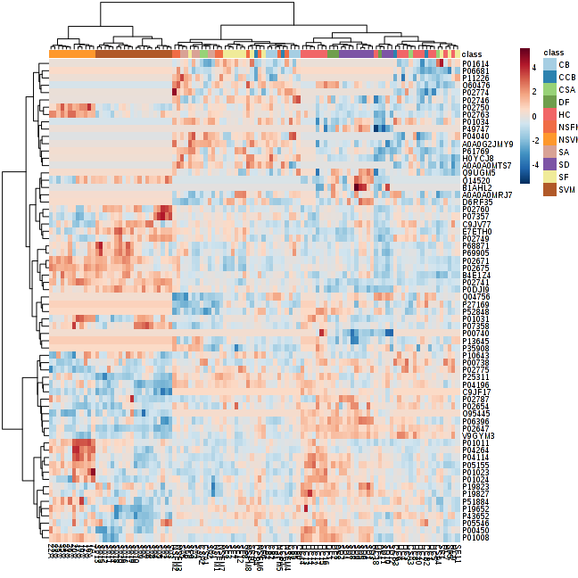
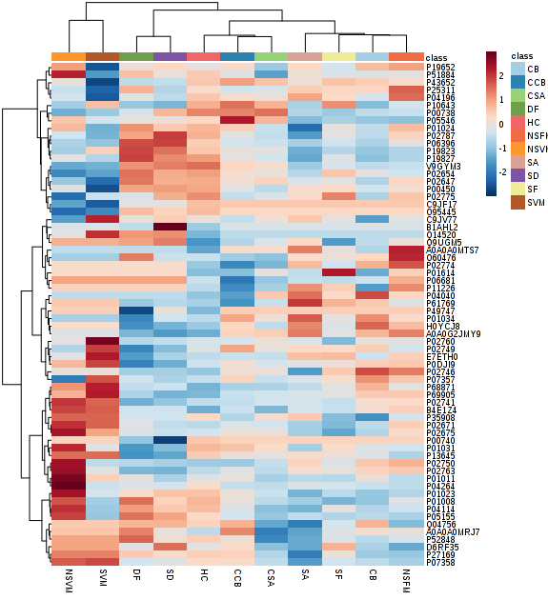
SD5 | SD6 | SD7 | SD8 | SD9
SD | SD | SD | SD | SD
0.624 | 0.434 | 0.401 | -0.195 | 0.026
-1.231 | -0.899 | -2.107 | -1.786 | -2.373
-0.493 | -0.338 | -0.608 | -1.015 | 0.441
0.243 | -0.135 | -0.119 | -0.265 | -0.082
-0.587 | -0.559 | -1.113 | -0.717 | -0.305
0.273 | 0.085 | -0.595 | -0.249 | -1.033
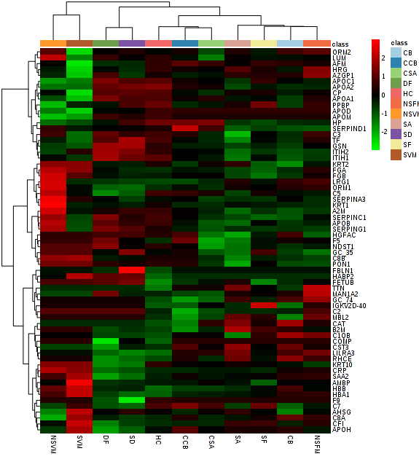
-0.723 | -0.964 | -0.432 | -1.162 | -0.628
-0.030 | -0.096 | -0.309 | 0.043 | -0.137
0.274 | 0.114 | -0.190 | -0.519 | 0.332
1.048 | 0.380 | 0.269 | 0.129 | 0.782
-0.202 | -0.213 | 0.369 | 0.369 | 0.720
0.773 | 0.228 | -0.551 | -0.087 | 1.418
1.405 | 1.345 | -0.247 | 0.678 | -0.617
-0.541 | -0.774 | 0.441 | 0.995 | 1.070
0.821 | 0.357 | -0.092 | 0.153 | 1.209
-1.085 | -0.916 | -0.548 | -0.247 | -0.548
-0.761 | -1.181 | -0.214 | 0.144 | -0.397
* | * | * | * | *
-0.321 | 0.050 | -0.316 | 0.098 | -0.890
* | * | * | * | *
* | * | * | * | *
* | * | * | * | *
* | * | * | * | *
* | * | * | * | *
-1.279 | -1.126 | -1.264 | -1.542 | -1.909
-0.543 | -0.500 | 0.812 | 0.887 | -0.041
-0.039 | 0.058 | -0.230 | -0.239 | -1.473
-0.042 | -0.062 | -0.086 | -0.135 | 0.214
0.003 | -0.042 | 0.184 | 0.224 | 0.482
-0.585 | -0.615 | 0.189 | -0.460 | -0.865
0.460 | 0.338 | 0.376 | 0.801 | 1.102
0.109 | 0.004 | -0.204 | -0.767 | -0.690
0.554 | 0.220 | -0.238 | -0.406 | 0.283
0.349 | -0.046 | 0.251 | 0.150 | 0.580
-0.182 | -0.239 | -0.226 | -0.430 | -0.880
-0.157 | -0.061 | -0.718 | -0.916 | -0.680
-0.347 | -0.532 | 1.001 | 2.455 | 2.455
-0.032 | 0.151 | -0.967 | -0.452 | -1.285
0.506 | 0.103 | -0.395 | -0.613 | -0.191
-0.493 | -0.475 | -0.338 | -0.759 | -1.278
1.130 | 1.045 | 0.568 | 0.265 | 0.632
0.326 | -0.007 | -0.186 | -0.614 | -0.328
-1.034 | -1.057 | 0.397 | 0.397 | -2.302
0.653 | 0.550 | 0.369 | 0.016 | -0.225
0.293 | 0.172 | 0.138 | 0.011 | -0.127
...

