Figure 4b & c
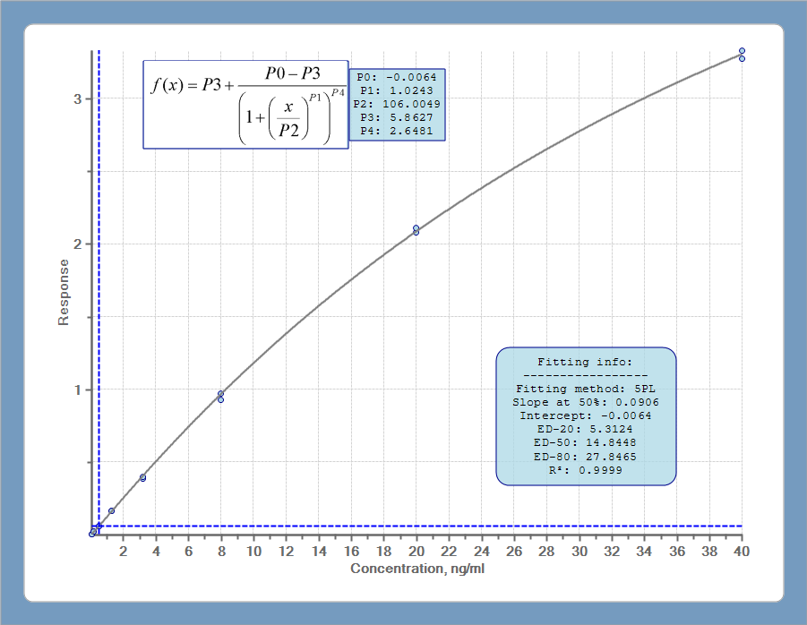
Antibody Pair: Capture 4F2-1, Detection 30D12-2
Calibration - 5PL curve fit (weighted)

Assay ID 720
 | Target Conc (ng/ml) | Replicate 1 | Replicate 2 | Average Back Calc. Conc | %Nominal Value | %CV
Std 8 | 40 | 40.52 | 39.34 | 39.93 | 100 | 2.08
Std 7 | 20 | 20.34 | 19.89 | 20.11 | 101 | 1.57
Std 6 | 8 | 8.01 | 7.66 | 7.84 | 98 | 3.19
Std 5 | 3.2 | 3.14 | 3.06 | 3.10 | 97 | 1.83
Std 4 | 1.28 | 1.32 | 1.34 | 1.33 | 104 | 1.23
Std 3 | 0.512 | 0.50 | 0.51 | 0.50 | 98 | 1.08
Std 2 | 0.2048 | 0.22 | 0.21 | 0.21 | 104 | 5.15
Std 1 | 0.08192 | 0.10 | 0.08 | 0.09 | 108 | 12.70
Blank | 0 | 0.07 | 0.03 | NA | NA | NA

 | Sample | ANKRD1 concentration (ng/ml)
 |  | Replicate 1 | Replicate 2 | Average | %CV
 | pCMV-Myc (10X dilution) | 0.33811958159 | 0.56942169757 | 0.45 | 36.04
 | pCMV-Myc (20X dilution) | 0.25284899614 | 0.2606176166 | 0.26 | 2.14
 | pCMV-Myc (40X dilution) | 0.14356108481 | 0.13570426746 | 0.14 | 3.98
 | pCMV-Myc (80X dilution) | 0.04843894055 | 0.04038251955 | 0.04 | 12.83
 | pCMV-Myc/hANKRD1 (10X dilution) | 1.0306375557 | 1.0306375557 | 1.03 | 0.00
 | pCMV-Myc/hANKRD1 (20X dilution) | 0.59249736584 | 0.64632097224 | 0.62 | 6.14
 | pCMV-Myc/hANKRD1 (40X dilution) | 0.29940691966 | 0.29940691966 | 0.30 | 0.00
 | pCMV-Myc/hANKRD1 (80X dilution) | 0.11996220282 | 0.12783821017 | 0.12 | 4.49
 | E-coli hANKRD1 (10X dilution) | 2.1857390845 | 2.0449718067 | 2.12 | 4.71
 | E-coli hANKRD1 (20X dilution) | 1.1768797606 | 1.1460750921 | 1.16 | 1.88
 | E-coli hANKRD1 (40X dilution) | 0.60787808435 | 0.62325664851 | 0.62 | 1.77
 | E-coli hANKRD1 (80X dilution) | 0.28390133407 | 0.28390133407 | 0.28 | 0.00

Blocked with matched peptide | pCMV-Myc (10X dilution) | 0.18272644692 | 0.4153696418 | 0.30 | 55.01
 | pCMV-Myc (20X dilution) | 0.08834058423 | 0.14356108481 | 0.12 | 33.68
 | pCMV-Myc (40X dilution) | 0.00761961073 | 0.02414598956 | 0.02 | 73.58
 | pCMV-Myc (80X dilution) | -1E+300 | -1E+300 | -1E+300 | 0.00
 | pCMV-Myc/hANKRD1 (10X dilution) | 0.1120754384 | 0.12783821017 | 0.12 | 9.29
 | pCMV-Myc/hANKRD1 (20X dilution) | 0.0803998799 | 0.0803998799 | 0.08 | 0.00
 | pCMV-Myc/hANKRD1 (40X dilution) | 0.02414598956 | 0.03228841854 | 0.03 | 20.40
 | pCMV-Myc/hANKRD1 (80X dilution) | -1E+300 | -1E+300 | -1E+300 | 0.00
 | E-coli hANKRD1 (10X dilution) | -1E+300 | -1E+300 | -1E+300 | 0.00
 | E-coli hANKRD1 (20X dilution) | -1E+300 | -1E+300 | -1E+300 | 0.00
 | E-coli hANKRD1 (40X dilution) | -1E+300 | -1E+300 | -1E+300 | 0.00
 | E-coli hANKRD1 (80X dilution) | -1E+300 | -1E+300 | -1E+300 | 0.00

Blocked with unmatched peptide | pCMV-Myc (10X dilution) | 0.22951848622 | 0.22173275555 | 0.23 | 2.44
 | pCMV-Myc (20X dilution) | 0.21394220248 | 0.29940691966 | 0.26 | 23.54
 | pCMV-Myc (40X dilution) | 0.08834058423 | 0.10417699178 | 0.10 | 11.63
 | pCMV-Myc (80X dilution) | 0.01593670388 | 0.04038251955 | 0.03 | 61.39
 | pCMV-Myc/hANKRD1 (10X dilution) | 0.90761414562 | 0.90761414562 | 0.91 | 0.00
 | pCMV-Myc/hANKRD1 (20X dilution) | 0.53864414744 | 0.53094773351 | 0.53 | 1.02
 | pCMV-Myc/hANKRD1 (40X dilution) | 0.24507639644 | 0.25284899614 | 0.25 | 2.21
 | pCMV-Myc/hANKRD1 (80X dilution) | 0.08834058423 | 0.08834058423 | 0.09 | 0.00
 | E-coli hANKRD1 (10X dilution) | 2.5000258661 | 2.5473516573 | 2.52 | 1.33
 | E-coli hANKRD1 (20X dilution) | 1.2076944919 | 1.1845824793 | 1.20 | 1.37
 | E-coli hANKRD1 (40X dilution) | 0.53864414744 | 0.51555220118 | 0.53 | 3.10
 | E-coli hANKRD1 (80X dilution) | 0.24507639644 | 0.2061465765 | 0.23 | 12.20

Figure 4d
Antibody Pair: Capture 4F2-1, Detection 30D12-2
Calibration - 5PL curve fit (weighted)

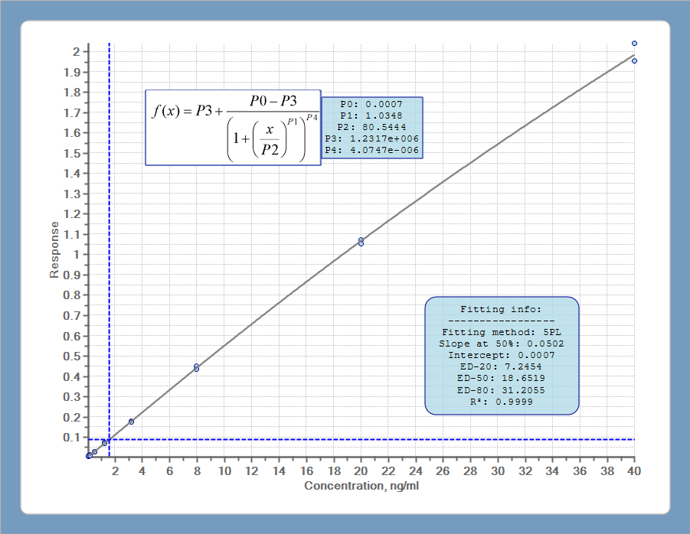
Assay ID 347
 | Target Conc (ng/ml) | Replicate 1 | Replicate 2 | Average Back Calc. Conc | %Nominal Value | %CV
Std 8 | 40 | 40.23 | 39.63 | 39.93 | 100 | 1.07
Std 7 | 20 | 20.14 | 20.06 | 20.10 | 101 | 0.27
Std 6 | 8 | 7.96 | 7.74 | 7.85 | 98 | 1.99
Std 5 | 3.2 | 3.21 | 3.18 | 3.20 | 100 | 0.73
Std 4 | 1.28 | 1.32 | 1.29 | 1.30 | 102 | 1.81
Std 3 | 0.512 | 0.51 | 0.51 | 0.51 | 100 | 0.00
Std 2 | 0.2048 | 0.22 | 0.18 | 0.20 | 98 | 12.27
Std 1 | 0.08192 | 0.11 | 0.08 | 0.10 | 117 | 26.39
Blank | 0 | 0.02 | 0.04 | 0.03 | NA | NA

 | Animal ID | ANKRD1 concentration (ng/ml)
 |  | Replicate 1 | Replicate 2 | Average conc (ng/ml) | X Dilution factor 3 | %CV
Myocardial Infarcted rats (Day 30) | M30-33 | 0.28802346239 | 0.27072379199 | 0.28 | 0.84 | 4.38
 | M30-34 | 0.20120595586 | 0.1837319185 | 0.19 | 0.58 | 6.42
 | M30-35 | 0.20120595586 | 0.23603393365 | 0.22 | 0.66 | 11.26
 | M30-36 | 0.20120595586 | 0.20120595586 | 0.20 | 0.60 | 0.00
 | M30-37 | 0.25339472609 | 0.25339472609 | 0.25 | 0.76 | 0.00
 | M30-38 | 0.27072379199 | 0.25339472609 | 0.26 | 0.79 | 4.68
Myocardial Infarcted rats (Day 7) | M7-1 | 0.23603393365 | 0.23603393365 | 0.24 | 0.71 | 0.00
 | M7-10 | 0.21863872349 | 0.23603393365 | 0.23 | 0.68 | 5.41
 | M7-11 | 0.20120595586 | 0.20120595586 | 0.20 | 0.60 | 0.00
 | M7-12 | 0.20120595586 | 0.21863872349 | 0.21 | 0.63 | 5.87
 | M7-13 | 0.16621215782 | 0.16621215782 | 0.17 | 0.50 | 0.00
 | M7-14 | 0.13101234834 | 0.13101234834 | 0.13 | 0.39 | 0.00
 | M7-2 | 0.25339472609 | 0.23603393365 | 0.24 | 0.73 | 5.02
 | M7-3 | 0.1837319185 | 0.20120595586 | 0.19 | 0.58 | 6.42
 | M7-4 | 0.11331676994 | 0.11331676994 | 0.11 | 0.34 | 0.00
 | M7-5 | 0.21863872349 | 0.23603393365 | 0.23 | 0.68 | 5.41
 | M7-7 | 0.20120595586 | 0.20120595586 | 0.20 | 0.60 | 0.00
 | M7-8 | 0.16621215782 | 0.1837319185 | 0.17 | 0.52 | 7.08
Sham rats (Day 30) | S30-18 | 0.27072379199 | 0.25339472609 | 0.26 | 0.79 | 4.68
 | S30-19 | 0.30529577669 | 0.28802346239 | 0.30 | 0.89 | 4.12
 | S30-20 | 0.23603393365 | 0.25339472609 | 0.24 | 0.73 | 5.02
 | S30-21 | 0.28802346239 | 0.27072379199 | 0.28 | 0.84 | 4.38
 | S30-22 | 0.21863872349 | 0.25339472609 | 0.24 | 0.71 | 10.41
 | S30-17 | 0.33976533056 | 0.3741446171 | 0.36 | 1.07 | 6.81
Sham rats (Day 7) | S7-1 | 0.39130355471 | 0.39130355471 | 0.39 | 1.17 | 0.00
 | S7-13 | 0.30529577669 | 0.30529577669 | 0.31 | 0.92 | 0.00
 | S7-14 | 0.20120595586 | 0.21863872349 | 0.21 | 0.63 | 5.87
 | S7-15 | 0.14864123406 | 0.14864123406 | 0.15 | 0.45 | 0.00
 | S7-16 | 0.25339472609 | 0.23603393365 | 0.24 | 0.73 | 5.02
 | S7-2 | 0.33976533056 | 0.30529577669 | 0.32 | 0.97 | 7.56
 | S7-3 | 0.14864123406 | 0.16621215782 | 0.16 | 0.47 | 7.89
 | S7-4 | 0.25339472609 | 0.23603393365 | 0.24 | 0.73 | 5.02
 | S7-5 | 0.20120595586 | 0.20120595586 | 0.20 | 0.60 | 0.00
 | S7-7 | 0.21863872349 | 0.21863872349 | 0.22 | 0.66 | 0.00
 | S2-8 | 0.25339472609 | 0.21863872349 | 0.24 | 0.71 | 10.41

