FIG3 - OLIGOMERS Q VALUES
 |  |  |  | SIMULATIONS KD - DISSOCIATION CONSTANT |  |  |  |  |  |  |  |  |  |  |  |  |  |  |  |  |  |  |  |  |  |  |  | Kd values (Based on Q values and Expression levels of 7 experiments)

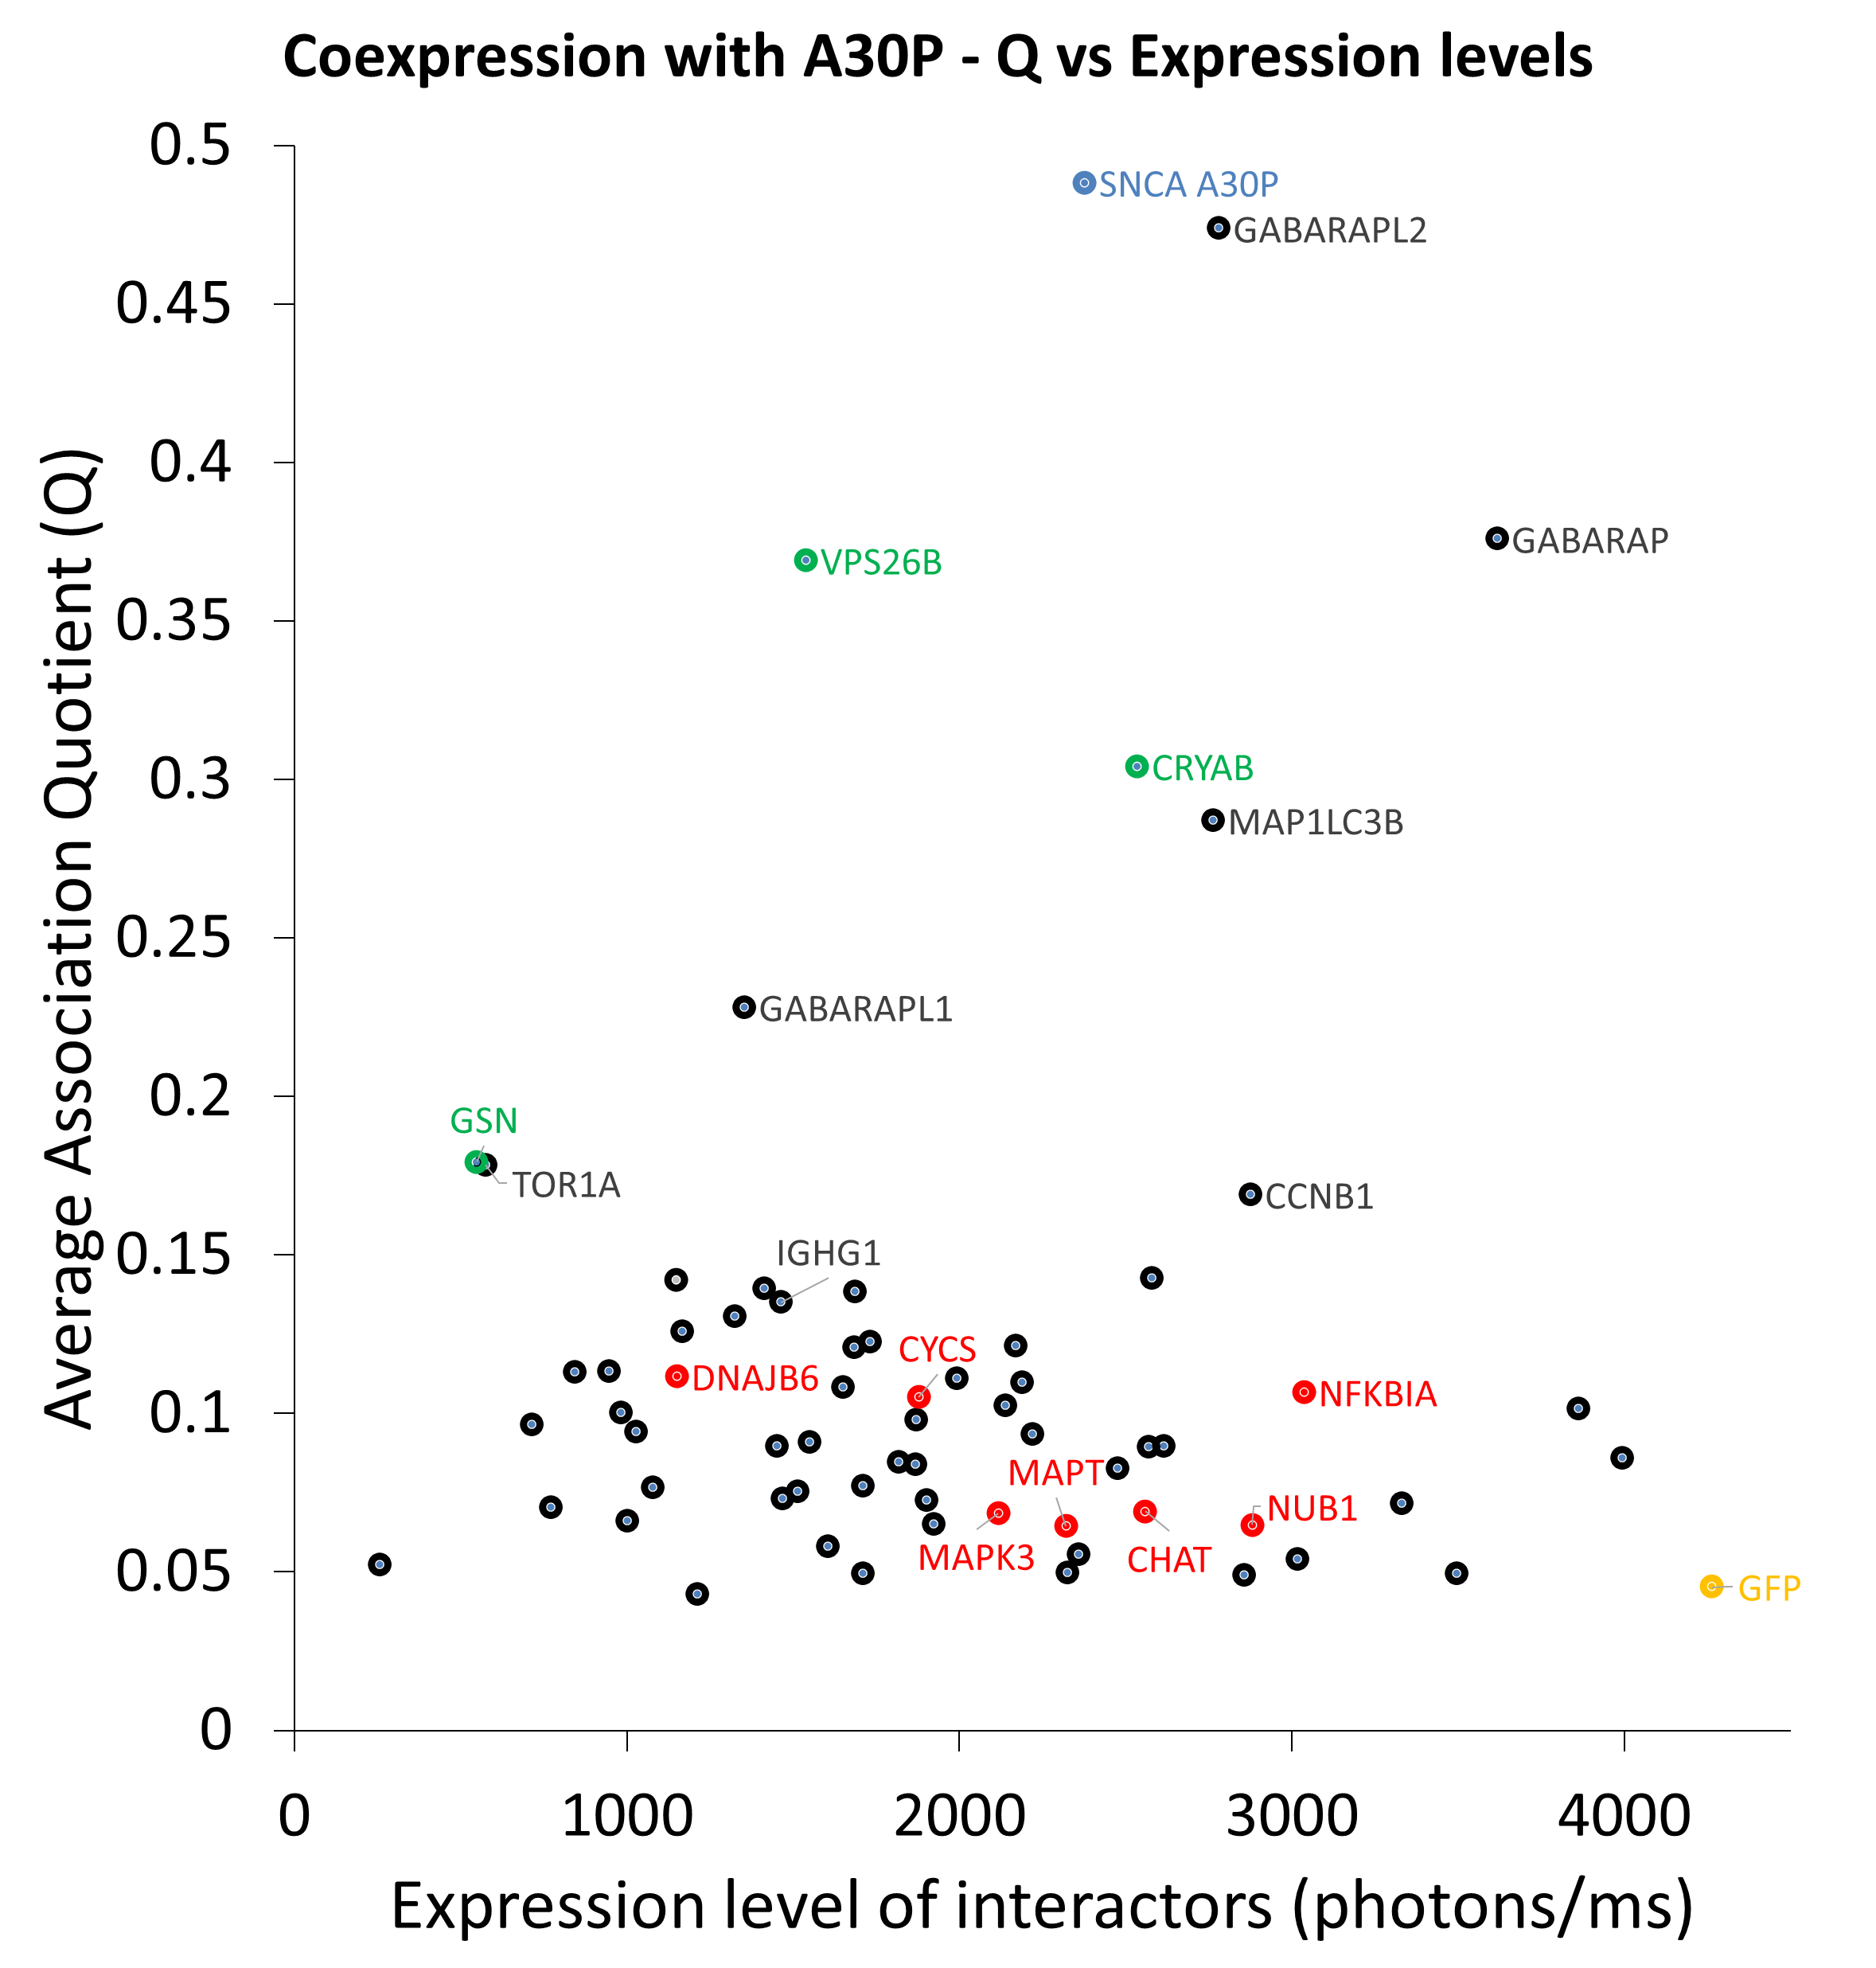
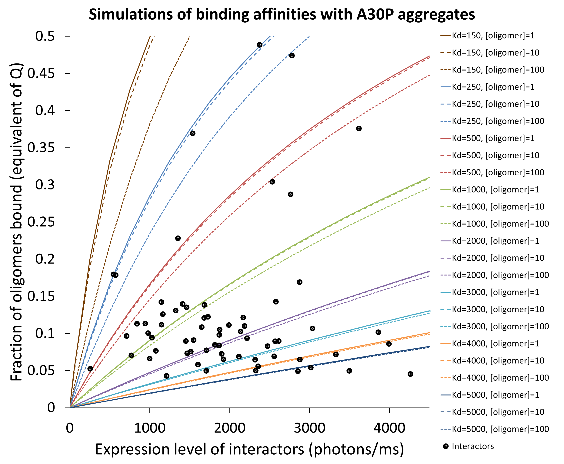
Exp | A53T | Q | Exp | kd | oligomer | protein (nM expression) | expression read | fraction bound | % | kd | oligomer |  | expression read | fraction bound | % | kd | oligomer | protein (nM expression) | expression read | fraction bound | % | kd | oligomer | protein (nM expression) | expression read | fraction bound | % | A30P
1348.1266667 | BTRC | 0.21254050999 | 1326.74 | 50 | 1 | 0 | 0 | 0 | 0 | 50 | 10 | 0 | 0 | 0 | 0 | 50 | 100 | 0 | 0 | 0 | 0 | 50 | 1000 | 0 | 0 | 0 | 0 |  | [OLIGOMER] = 1 nM
2412.5316667 | CAMK2B | 0.10399619676 | 2203.56 | 50 | 1 | 5 | 50 | 0.089428526094 | 8.9428526094 | 50 | 10 | 5 | 50 | 0.077855614888 | 7.7855614888 | 50 | 100 | 5 | 50 | 0.032958896017 | 3.2958896017 | 50 | 1000 | 5 | 50 | 0.0047608202937 | 0.47608202937 |  | kd (average) | Kd (1) | Kd (2) | Kd (3)
2439.8983333 | CCNB1 | 0.23602788568 | 1979.6375 | 50 | 1 | 25 | 250 | 0.33038359633 | 33.038359633 | 50 | 10 | 25 | 250 | 0.30506654049 | 30.506654049 | 50 | 100 | 25 | 250 | 0.15692966918 | 15.692966918 | 50 | 1000 | 25 | 250 | 0.023781935299 | 2.3781935299 | BTRC | 881.85665603 | 1049.8995 | 447.19046809 | 1148.48
1728.2716667 | CDK5R1 | 0.16254781853 | 1572.935 | 50 | 1 | 50 | 500 | 0.4975000625 | 49.75000625 | 50 | 10 | 50 | 500 | 0.47506218944 | 47.506218944 | 50 | 100 | 50 | 500 | 0.29289321881 | 29.289321881 | 50 | 1000 | 50 | 500 | 0.047506218944 | 4.7506218944 | CAMK2B | 2556.2394444 | 1287.8783333 | 1540.36 | 4840.48
2303.6466667 | CHAT | 0.096196338722 | 2262.8175 | 50 | 1 | 75 | 750 | 0.59807695271 | 59.807695271 | 50 | 10 | 75 | 750 | 0.58051866037 | 58.051866037 | 50 | 100 | 75 | 750 | 0.40692966918 | 40.692966918 | 50 | 1000 | 75 | 750 | 0.071168899824 | 7.1168899824 | CCNB1 | 2216.2613053 | 3484.8470588 | 522.76285714 | 2641.174
1012.7883333 | CLU | 0.18803546072 | 1180.02 | 50 | 1 | 100 | 1000 | 0.6651819004 | 66.51819004 | 50 | 10 | 100 | 1000 | 0.65153077165 | 65.153077165 | 50 | 100 | 100 | 1000 | 0.5 | 50 | 50 | 1000 | 100 | 1000 | 0.094765682193 | 9.4765682193 | CDK5R1 | 3133.9081968 | 6642.0428571 | 1173.4533333 | 1586.2284
2574.3975 | CRYAB | 0.3916094261 | 2436.575 | 50 | 1 | 125 | 1250 | 0.71311667839 | 71.311667839 | 50 | 10 | 125 | 1250 | 0.70233950136 | 70.233950136 | 50 | 100 | 125 | 1250 | 0.57460947032 | 57.460947032 | 50 | 1000 | 125 | 1250 | 0.11829189052 | 11.829189052 | CHAT | 3677.1806437 | 2802.078931 | 3212.913 | 5016.55
1315.4833333 | CSNK2A1 | 0.18167882214 | 1160.5033333 | 50 | 1 | 150 | 1500 | 0.7490601548 | 74.90601548 | 50 | 10 | 150 | 1500 | 0.74038935203 | 74.038935203 | 50 | 100 | 150 | 1500 | 0.63397459622 | 63.397459622 | 50 | 1000 | 150 | 1500 | 0.1417424305 | 14.17424305 | CLU | 1027.0136447 | 1974.4193043 | 759.86662963 | 346.755
2003.5866667 | CSNK2A2 | 0.097226035286 | 2047.44 | 50 | 1 | 175 | 1750 | 0.77700770341 | 77.700770341 | 50 | 10 | 175 | 1750 | 0.769904372 | 76.9904372 | 50 | 100 | 175 | 1750 | 0.68127069559 | 68.127069559 | 50 | 1000 | 175 | 1750 | 0.1651117458 | 16.51117458 | CRYAB | 645.97100052 | 780.02015385 | 827.92376471 | 385.24521739
2257.86625 | CYC5 | 0.18170314706 | 2822.25 | 50 | 1 | 200 | 2000 | 0.79935846195 | 79.935846195 | 50 | 10 | 200 | 2000 | 0.79344438427 | 79.344438427 | 50 | 100 | 200 | 2000 | 0.7192235936 | 71.92235936 | 50 | 1000 | 200 | 2000 | 0.18839377009 | 18.839377009 | CSNK2A1 | 1528.4782133 | 1072.2433333 | 1229.4075 | 2283.7838065
2758.6833333 | DNAJB1 | 0.12221997265 | 2350.9525 | 50 | 1 | 225 | 2250 | 0.81763961792 | 81.763961792 | 50 | 10 | 225 | 2250 | 0.81264534962 | 81.264534962 | 50 | 100 | 225 | 2250 | 0.75 | 75 | 50 | 1000 | 225 | 2250 | 0.21158187406 | 21.158187406 | CSNK2A2 | 1763.1571603 | 2323.5025 | 1350.2879808 | 1615.681
1467.4966667 | DNAJB6 | 0.10582840419 | 1637.775 | 50 | 1 | 250 | 2500 | 0.83286933999 | 83.286933999 | 50 | 10 | 250 | 2500 | 0.82859924888 | 82.859924888 | 50 | 100 | 250 | 2500 | 0.77525512861 | 77.525512861 | 50 | 1000 | 250 | 2500 | 0.23466880685 | 23.466880685 | CYC5 | 1813.2859221 | 2080.5825385 | 3042.464 | 1419.3823333
3433.1333333 | FGF2 | 0.054133949439 | 3583.83 | 50 | 1 | 275 | 2750 | 0.8457524454 | 84.57524454 | 50 | 10 | 275 | 2750 | 0.84206173007 | 84.206173007 | 50 | 100 | 275 | 2750 | 0.79623177341 | 79.623177341 | 50 | 1000 | 275 | 2750 | 0.25764663148 | 25.764663148 | DNAJB1 | 2945.8440148 | 810.327 | 2159.8734369 | 3971.1028889
1207.6816667 | FOXO3 | 0.043011739577 | 1331.995 | 50 | 1 | 300 | 3000 | 0.85679228782 | 85.679228782 | 50 | 10 | 300 | 3000 | 0.85357180052 | 85.357180052 | 50 | 100 | 300 | 3000 | 0.81385933837 | 81.385933837 | 50 | 1000 | 300 | 3000 | 0.28050665405 | 28.050665405 | DNAJB6 | 924.81227346 | 1041.2895161 | 953.64023529 | 779.50706897
2985.2933333 | GABARAP | 0.3377849015 | 2785.8825 | 50 | 1 | 325 | 3250 | 0.86635791499 | 86.635791499 | 50 | 10 | 325 | 3250 | 0.8635239918 | 86.35239918 | 50 | 100 | 325 | 3250 | 0.82883539039 | 82.883539039 | 50 | 1000 | 325 | 3250 | 0.30323934628 | 30.323934628 | FGF2 | 5298.9809033 | 8807.2024615 | 2284.4438846 | 4805.2963636
1819.3816667 | GABARAPL1 | 0.37004617121 | 2349.825 | 50 | 1 | 350 | 3500 | 0.87472604903 | 87.472604903 | 50 | 10 | 350 | 3500 | 0.87221357361 | 87.221357361 | 50 | 100 | 350 | 3500 | 0.84168760482 | 84.168760482 | 50 | 1000 | 350 | 3500 | 0.32583426132 | 32.583426132 | FOXO3 | 1767.5381005 | 3468.825 | 1396.3864444 | 437.40285714
2560.565 | GABARAPL2 | 0.32347543362 | 2342.525 | 50 | 1 | 375 | 3750 | 0.8821082511 | 88.21082511 | 50 | 10 | 375 | 3750 | 0.87986583656 | 87.986583656 | 50 | 100 | 375 | 3750 | 0.85281914016 | 85.281914016 | 50 | 1000 | 375 | 3750 | 0.34827994289 | 34.827994289 | GABARAP | 632.20872043 | 415.135 | 566.118 | 915.37316129
1713.8883333 | GAPDH | 0.060185040405 | 1904.2925 | 50 | 1 | 400 | 4000 | 0.88866903026 | 88.866903026 | 50 | 10 | 400 | 4000 | 0.8866556125 | 88.66556125 | 50 | 100 | 400 | 4000 | 0.86254139118 | 86.254139118 | 50 | 1000 | 400 | 4000 | 0.37056382803 | 37.056382803 | GABARAPL1 | 478.22533333 | 568.89 | 568.89 | 296.896
1504.9575 | GBA | 0.1732605449 | 1871.4516667 | 50 | 1 | 425 | 4250 | 0.89453823246 | 89.453823246 | 50 | 10 | 425 | 4250 | 0.89272062076 | 89.272062076 | 50 | 100 | 425 | 4250 | 0.87109755726 | 87.109755726 | 50 | 1000 | 425 | 4250 | 0.3926721444 | 39.26721444 | GABARAPL2 | 357.2314638 | 567.37153846 | 388.39835294 | 115.9245
3912.2342553 | GFP | 0.028506447907 | 4274.6806383 | 50 | 1 | 450 | 4500 | 0.8998197116 | 89.98197116 | 50 | 10 | 450 | 4500 | 0.89817079971 | 89.817079971 | 50 | 100 | 450 | 4500 | 0.87867965644 | 87.867965644 | 50 | 1000 | 450 | 4500 | 0.41458980338 | 41.458980338 | GAPDH | 2907.4647368 | 3845.1094286 | 1665.5961818 | 3211.6886
2383.1533333 | GRK5 | 0.10343606991 | 2722.51 | 100 | 1 | 0 | 0 | 0 | 0 | 100 | 10 | 0 | 0 | 0 | 0 | 100 | 100 | 0 | 0 | 0 | 0 | 100 | 1000 | 0 | 0 | 0 | 0 | GBA | 1965.8688235 | 1757.82375 | 1170.3093529 | 3192.1997647
544.59833333 | GSN | 0.28772666004 | 723.7875 | 100 | 1 | 5 | 50 | 0.047190820505 | 4.7190820505 | 100 | 10 | 5 | 50 | 0.043643894743 | 4.3643894743 | 100 | 100 | 5 | 50 | 0.024687548813 | 2.4687548813 | 100 | 1000 | 5 | 50 | 0.0045435692503 | 0.45435692503 | GFP | 11285.705224 | 10738.834284 | 13430.032904 | 14595.710938
2537.37 | HDAC6 | 0.25048810457 | 2473.605 | 100 | 1 | 25 | 250 | 0.19872612757 | 19.872612757 | 100 | 10 | 25 | 250 | 0.1877976258 | 18.77976258 | 100 | 100 | 25 | 250 | 0.11721778146 | 11.721778146 | 100 | 1000 | 25 | 250 | 0.022679427958 | 2.2679427958 | GRK5 | 3073.0553754 | 4676.2275 | 3069.9691 | 1472.9695263
3080.0266667 | HMOX1 | 0.18136240192 | 3059.86 | 100 | 1 | 50 | 500 | 0.33185515127 | 33.185515127 | 100 | 10 | 50 | 500 | 0.31885425213 | 31.885425213 | 100 | 100 | 50 | 500 | 0.2192235936 | 21.92235936 | 100 | 1000 | 50 | 500 | 0.04525949749 | 4.525949749 | GSN | 324.90088545 | 628.66923529 | 225.693 | 120.34042105
1624.5516667 | HSP90 | 0.14723564451 | 1550.75 | 100 | 1 | 75 | 750 | 0.42717316427 | 42.717316427 | 100 | 10 | 75 | 750 | 0.41470147646 | 41.470147646 | 100 | 100 | 75 | 750 | 0.30699953184 | 30.699953184 | 100 | 1000 | 75 | 750 | 0.067734427843 | 6.7734427843 | HDAC6 | 1387.9637457 | 1448.4396364 | 1759.4141707 | 1073.6177021
1526.6066667 | HSPA1A | 0.063683457805 | 2132.3425 | 100 | 1 | 100 | 1000 | 0.49875000781 | 49.875000781 | 100 | 10 | 100 | 1000 | 0.48750780275 | 48.750780275 | 100 | 100 | 100 | 1000 | 0.38196601125 | 38.196601125 | 100 | 1000 | 100 | 1000 | 0.090098048641 | 9.0098048641 | HMOX1 | 1555.1976833 | 1642.8390882 | 1312.8775 | 1709.8764615
2130.8683333 | HSPB1 | 0.19562897419 | 2470.965 | 100 | 1 | 125 | 1250 | 0.55445762504 | 55.445762504 | 100 | 10 | 125 | 1250 | 0.54453258449 | 54.453258449 | 100 | 100 | 125 | 1250 | 0.44575235849 | 44.575235849 | 100 | 1000 | 125 | 1250 | 0.11234377441 | 11.234377441 | HSP90 | 2168.5275095 | 1255.564 | 3655.7102286 | 1594.3083
1461.6166667 | HSPD1 | 0.21740611309 | 1710.6633333 | 100 | 1 | 150 | 1500 | 0.59903923508 | 59.903923508 | 100 | 10 | 150 | 1500 | 0.59032635401 | 59.032635401 | 100 | 100 | 150 | 1500 | 0.5 | 50 | 100 | 1000 | 150 | 1500 | 0.13446457824 | 13.446457824 | HSPA1A | 2815.7608779 | 3776.0251961 | 3176.064 | 1495.1934375
942.82571429 | HSPH1 | 0.093667479117 | 892.19 | 100 | 1 | 175 | 1750 | 0.63552133102 | 63.552133102 | 100 | 10 | 175 | 1750 | 0.62786727417 | 62.786727417 | 100 | 100 | 175 | 1750 | 0.54623177341 | 54.623177341 | 100 | 1000 | 175 | 1750 | 0.15645296488 | 15.645296488 | HSPB1 | 1891.092328 | 3611.0442857 | 1745.9695556 | 316.26314286
1268.7833333 | IGHG1 | 0.23776813587 | 1294.7825 | 100 | 1 | 200 | 2000 | 0.6659251038 | 66.59251038 | 100 | 10 | 200 | 2000 | 0.65917792034 | 65.917792034 | 100 | 100 | 200 | 2000 | 0.58578643763 | 58.578643763 | 100 | 1000 | 200 | 2000 | 0.1783009434 | 17.83009434 | HSPD1 | 823.17767279 | 929.146875 | 717.20847059 | #DIV/0!
2377.2433333 | MAP1LC3B | 0.28329771587 | 2975.2575 | 100 | 1 | 225 | 2250 | 0.69165147781 | 69.165147781 | 100 | 10 | 225 | 2250 | 0.68567617358 | 68.567617358 | 100 | 100 | 225 | 2250 | 0.61980067765 | 61.980067765 | 100 | 1000 | 225 | 2250 | 0.2 | 20 | HSPH1 | 1888.3708627 | 3002.9985882 | 2020.788 | 641.326
1434.3683333 | MAPK1 | 0.17799618765 | 1587.0325 | 100 | 1 | 250 | 2500 | 0.71370191002 | 71.370191002 | 100 | 10 | 250 | 2500 | 0.70838353421 | 70.838353421 | 100 | 100 | 250 | 2500 | 0.64921894064 | 64.921894064 | 100 | 1000 | 250 | 2500 | 0.22154107132 | 22.154107132 | IGHG1 | 1077.6754837 | 643.36930769 | 926.27346341 | 941.2608
1542.9333333 | MAPK3 | 0.068165202653 | 2087.175 | 100 | 1 | 275 | 2750 | 0.73281120282 | 73.281120282 | 100 | 10 | 275 | 2750 | 0.72805355801 | 72.805355801 | 100 | 100 | 275 | 2750 | 0.67481618641 | 67.481618641 | 100 | 1000 | 275 | 2750 | 0.24291451891 | 24.291451891 | MAP1LC3B | 702.76479667 | 953.083125 | 604.89033333 | 550.32093168
998.80666667 | MAPK8 | 0.19493018846 | 1189.53 | 100 | 1 | 300 | 3000 | 0.74953066388 | 74.953066388 | 100 | 10 | 300 | 3000 | 0.74525373486 | 74.525373486 | 100 | 100 | 300 | 3000 | 0.69722436227 | 69.722436227 | 100 | 1000 | 300 | 3000 | 0.26411010565 | 26.411010565 | MAPK1 | 1259.9302914 | 1544.3915789 | 1350.2414286 | 885.15786667
2179.78 | MAPT | 0.058551094821 | 2202.5 | 100 | 1 | 325 | 3250 | 0.76428198816 | 76.428198816 | 100 | 10 | 325 | 3250 | 0.76041925145 | 76.041925145 | 100 | 100 | 325 | 3250 | 0.71695780969 | 71.695780969 | 100 | 1000 | 325 | 3250 | 0.28511697507 | 28.511697507 | MAPK3 | 3273.2582032 | 4992.0976279 | 3383.4421818 | 1444.2348
904.115 | NBR1 | 0.22146193336 | 1103.7575 | 100 | 1 | 350 | 3500 | 0.77739321555 | 77.739321555 | 100 | 10 | 350 | 3500 | 0.77388922911 | 77.388922911 | 100 | 100 | 350 | 3500 | 0.73443556293 | 73.443556293 | 100 | 1000 | 350 | 3500 | 0.30592363464 | 30.592363464 | MAPK8 | 1000.6665353 | 2090.1192308 | 573.240375 | 338.64
3478.4266667 | NEDD8 | 0.15944470361 | 3694.995 | 100 | 1 | 375 | 3750 | 0.78912335224 | 78.912335224 | 100 | 10 | 375 | 3750 | 0.7859317253 | 78.59317253 | 100 | 100 | 375 | 3750 | 0.75 | 75 | 100 | 1000 | 375 | 3750 | 0.32651794443 | 32.651794443 | MAPT | 5025.0132131 | 6681.0354 | 3873.5079184 | 1595.5821818
3468.4866667 | NFKB1A | 0.087967457306 | 3426.88 | 100 | 1 | 400 | 4000 | 0.79967961574 | 79.967961574 | 100 | 10 | 400 | 4000 | 0.79676134593 | 79.676134593 | 100 | 100 | 400 | 4000 | 0.7639320225 | 76.39320225 | 100 | 1000 | 400 | 4000 | 0.34688711259 | 34.688711259 | NBR1 | 809.89169415 | 828.78019512 | 822.875 | 778.01988732
3300.345 | NUB1 | 0.087366071707 | 3855.71 | 100 | 1 | 425 | 4250 | 0.80922975818 | 80.922975818 | 100 | 10 | 425 | 4250 | 0.80655188684 | 80.655188684 | 100 | 100 | 425 | 4250 | 0.77646322149 | 77.646322149 | 100 | 1000 | 425 | 4250 | 0.36701769951 | 36.701769951 | NEDD8 | 4265.7053338 | 7157.7434783 | 3753.2129231 | 1886.1596
2222.1716667 | PARK2 | 0.21051202204 | 2091.255 | 100 | 1 | 450 | 4500 | 0.81791103168 | 81.791103168 | 100 | 10 | 450 | 4500 | 0.81544556186 | 81.544556186 | 100 | 100 | 450 | 4500 | 0.78778554955 | 78.778554955 | 100 | 1000 | 450 | 4500 | 0.38689563259 | 38.689563259 | NFKB1A | 3203.8611964 | 3862.7207143 | 1146.156 | 4602.706875
3632.6966667 | PARK7 | 0.073062425693 | 3807.9333333 | 250 | 1 | 0 | 0 | 0 | 0 | 250 | 10 | 0 | 0 | 0 | 0 | 250 | 100 | 0 | 0 | 0 | 0 | 250 | 1000 | 0 | 0 | 0 | 0 | NUB1 | 4286.8055603 | 2922.9844308 | 4894.045 | 5043.38725
3407.9457143 | PIN1 | 0.12890092379 | 3390.338 | 250 | 1 | 5 | 50 | 0.019532740344 | 1.9532740344 | 250 | 10 | 5 | 50 | 0.018881377601 | 1.8881377601 | 250 | 100 | 5 | 50 | 0.014140834706 | 1.4140834706 | 250 | 1000 | 5 | 50 | 0.0039967923098 | 0.39967923098 | PARK2 | 1753.459357 | 1047.6295556 | 1428.50325 | 2784.2452653
1626.8 | PINK1 | 0.20038614318 | 1688.882 | 250 | 1 | 25 | 250 | 0.090609456789 | 9.0609456789 | 250 | 10 | 25 | 250 | 0.087990961731 | 8.7990961731 | 250 | 100 | 25 | 250 | 0.06789596315 | 6.789596315 | 250 | 1000 | 25 | 250 | 0.019919033648 | 1.9919033648 | PARK7 | 4402.5742891 | 3442.4694634 | 5735.8071538 | 4029.44625
2419.3766667 | PLCD1 | 0.11118635797 | 2568.3675 | 250 | 1 | 50 | 500 | 0.16620473094 | 16.620473094 | 250 | 10 | 50 | 500 | 0.16213834982 | 16.213834982 | 250 | 100 | 50 | 500 | 0.12917130661 | 12.917130661 | 250 | 1000 | 50 | 500 | 0.039672219213 | 3.9672219213 | PIN1 | 4640.7331055 | 4632.8788235 | 3183.6429318 | 3750.6975238
1516.725 | PSMC6 | 0.092476652501 | 1456.1975 | 250 | 1 | 75 | 750 | 0.23022393577 | 23.022393577 | 250 | 10 | 75 | 750 | 0.22539713034 | 22.539713034 | 250 | 100 | 75 | 750 | 0.18447816297 | 18.447816297 | 250 | 1000 | 75 | 750 | 0.059253574399 | 5.9253574399 | PINK1 | 1217.0695848 | 675.66284211 | 506.83636364 | 2921.8971333
1083.2666667 | PSME1 | 0.052315708851 | 1238.7225 | 250 | 1 | 100 | 1000 | 0.28513190942 | 28.513190942 | 250 | 10 | 100 | 1000 | 0.27995485333 | 27.995485333 | 250 | 100 | 100 | 1000 | 0.23443556293 | 23.443556293 | 250 | 1000 | 100 | 1000 | 0.078656977906 | 7.8656977906 | PLCD1 | 2981.6360179 | 2172.121875 | 2639.8102222 | 4132.9759565
1280.2083333 | RBX1 | 0.20934624895 | 1702.3775 | 250 | 1 | 125 | 1250 | 0.33274126796 | 33.274126796 | 250 | 10 | 125 | 1250 | 0.32746052983 | 32.746052983 | 250 | 100 | 125 | 1250 | 0.27961817322 | 27.961817322 | 250 | 1000 | 125 | 1250 | 0.097876179246 | 9.7876179246 | PSMC6 | 1880.0708885 | 1742.9871667 | 2058.1689655 | 1839.0565333
1724.2233333 | SEPO4 | 0.12612942398 | 1831.9675 | 250 | 1 | 150 | 1500 | 0.37441442934 | 37.441442934 | 250 | 10 | 150 | 1500 | 0.3691778608 | 36.91778608 | 250 | 100 | 150 | 1500 | 0.32055052823 | 32.055052823 | 250 | 1000 | 150 | 1500 | 0.11690481052 | 11.690481052 | PSME1 | 1813.8005048 | 4260.607931 | 978.14025 | 202.65333333
464.62833333 | SIAH1 | 0.06752397759 | 481.0225 | 250 | 1 | 175 | 1750 | 0.41119502664 | 41.119502664 | 250 | 10 | 175 | 1750 | 0.40608986151 | 40.608986151 | 250 | 100 | 175 | 1750 | 0.3577053566 | 35.77053566 | 250 | 1000 | 175 | 1750 | 0.13573640025 | 13.573640025 | RBX1 | 1844.832337 | 1805.55275 | 811.566 | 2917.3782609
2163.7166667 | SLC18A2 | 0.10954353182 | 2543.7375 | 250 | 1 | 200 | 2000 | 0.44389588372 | 44.389588372 | 250 | 10 | 200 | 2000 | 0.43897165464 | 43.897165464 | 250 | 100 | 200 | 2000 | 0.39150471699 | 39.150471699 | 250 | 1000 | 200 | 2000 | 0.15436438947 | 15.436438947 | SEPO4 | 3255.5861119 | 4249.5377885 | 2735.453 | 2781.7675472
2303.7952273 | SNCA A53T | 0.48151018976 | 1423.1413953 | 250 | 1 | 225 | 2250 | 0.4731594114 | 47.31594114 | 250 | 10 | 225 | 2250 | 0.46844201908 | 46.844201908 | 250 | 100 | 225 | 2250 | 0.42232289121 | 42.232289121 | 250 | 1000 | 225 | 2250 | 0.1727821501 | 17.27821501 | SIAH1 | 494.19175566 | 778.11784615 | 509.795 | 352.42417647
2378.8566667 | SNCAIP | 0.22463908206 | 2433.9 | 250 | 1 | 250 | 2500 | 0.4995000005 | 49.95000005 | 250 | 10 | 250 | 2500 | 0.4950004999 | 49.50004999 | 250 | 100 | 250 | 2500 | 0.4504902432 | 45.04902432 | 250 | 1000 | 250 | 2500 | 0.19098300563 | 19.098300563 | SLC18A2 | 2136.3139227 | 2398.2797442 | 1249.8915625 | 2760.7704615
2492.25 | SOD1 | 0.036268413774 | 2722.4425 | 250 | 1 | 275 | 2750 | 0.52333437046 | 52.333437046 | 250 | 10 | 275 | 2750 | 0.51905453477 | 51.905453477 | 250 | 100 | 275 | 2750 | 0.47629748745 | 47.629748745 | 250 | 1000 | 275 | 2750 | 0.20896025436 | 20.896025436 | SNCA | #DIV/0! | #DIV/0! | #DIV/0! | #DIV/0!
2184.57625 | SOD2 | 0.16557347791 | 2161.635 | 250 | 1 | 300 | 3000 | 0.54500368242 | 54.500368242 | 250 | 10 | 300 | 3000 | 0.54093956451 | 54.093956451 | 250 | 100 | 300 | 3000 | 0.5 | 50 | 250 | 1000 | 300 | 3000 | 0.22670719501 | 22.670719501 | SNCAIP | 2390.1993862 | 2567.6828571 | 1191.6323478 | 3411.2829535
753.04 | SYP | 0.1444389785 | 794.77833333 | 250 | 1 | 325 | 3250 | 0.5647899091 | 56.47899091 | 250 | 10 | 325 | 3250 | 0.5609341386 | 56.09341386 | 250 | 100 | 325 | 3250 | 0.52182194737 | 52.182194737 | 250 | 1000 | 325 | 3250 | 0.2442171547 | 24.42171547 | SOD1 | 4656.6654296 | 3267.9976119 | 4894.7196 | 5807.2790769
1238.6533333 | SYT11 | 0.13235114383 | 1614.085 | 250 | 1 | 350 | 3500 | 0.58292812846 | 58.292812846 | 250 | 10 | 350 | 3500 | 0.57927139925 | 57.927139925 | 250 | 100 | 350 | 3500 | 0.54196010845 | 54.196010845 | 250 | 1000 | 350 | 3500 | 0.26148351929 | 26.148351929 | SOD2 | 1883.4857761 | 1459.6807925 | 2251.8876 | 1760.58
1361.4516667 | TGM2 | 0.1506342921 | 1388.72 | 250 | 1 | 375 | 3750 | 0.59961587732 | 59.961587732 | 250 | 10 | 375 | 3750 | 0.59614791073 | 59.614791073 | 250 | 100 | 375 | 3750 | 0.56058733197 | 56.058733197 | 250 | 1000 | 375 | 3750 | 0.27849976592 | 27.849976592 | SYP | 1008.0999909 | 625.45233333 | 359.3895 | 1119.1440755
622.66333333 | TOR1A | 0.20756616694 | 673.29 | 250 | 1 | 400 | 4000 | 0.61502035336 | 61.502035336 | 250 | 10 | 400 | 4000 | 0.6117305186 | 61.17305186 | 250 | 100 | 400 | 4000 | 0.57785561489 | 57.785561489 | 250 | 1000 | 400 | 4000 | 0.29525949749 | 29.525949749 | SYT11 | 1849.9842744 | 1960.1344231 | 1959.188 | 1630.6304
2761.7816667 | TPM1 | 0.075251428602 | 3904.9475 | 250 | 1 | 425 | 4250 | 0.62928402127 | 62.928402127 | 250 | 10 | 425 | 4250 | 0.62616173011 | 62.616173011 | 250 | 100 | 425 | 4250 | 0.5938988129 | 59.38988129 | 250 | 1000 | 425 | 4250 | 0.31175647888 | 31.175647888 | TGM2 | 1499.4704662 | 1030.8205714 | 1591.1571429 | 1876.4336842
892.755 | TRAF6 | 0.19849132647 | 966.9 | 250 | 1 | 450 | 4500 | 0.64252902075 | 64.252902075 | 250 | 10 | 450 | 4500 | 0.63956397289 | 63.956397289 | 250 | 100 | 450 | 4500 | 0.60883500844 | 60.883500844 | 250 | 1000 | 450 | 4500 | 0.32798467455 | 32.798467455 | TOR1A | 307.61640556 | 532.40005 | 111.504 | 278.94516667
1261.8775 | TUBG1 | 0.099691709105 | 1241.0716667 | 500 | 1 | 0 | 0 | 0 | 0 | 500 | 10 | 0 | 0 | 0 | 0 | 500 | 100 | 0 | 0 | 0 | 0 | 500 | 1000 | 0 | 0 | 0 | 0 | TPM1 | 6871.0146255 | 8563.76375 | 7358.14044 | 4691.1396866
1149.6866667 | UBA1 | 0.056895296976 | 1251.405 | 500 | 1 | 5 | 50 | 0.0098816159018 | 0.98816159018 | 500 | 10 | 5 | 50 | 0.0097105688378 | 0.97105688378 | 500 | 100 | 5 | 50 | 0.0082757832377 | 0.82757832377 | 500 | 1000 | 5 | 50 | 0.003329625519 | 0.3329625519 | TRAF6 | 1105.0884524 | 1796.199 | 522.17285714 | 996.8935
2468.7083333 | UCHL1 | 0.044820777138 | 2470.935 | 500 | 1 | 25 | 250 | 0.047532812487 | 4.7532812487 | 500 | 10 | 25 | 250 | 0.046769858311 | 4.6769858311 | 500 | 100 | 25 | 250 | 0.040259330187 | 4.0259330187 | 500 | 1000 | 25 | 250 | 0.016573562608 | 1.6573562608 | TUBG1 | 1337.3479134 | 1603.3635918 | 2417.0404286 | 876.6999
1403.2233333 | VPS26B | 0.32422526693 | 1422.7066667 | 500 | 1 | 50 | 500 | 0.090759051189 | 9.0759051189 | 500 | 10 | 50 | 500 | 0.089428526094 | 8.9428526094 | 500 | 100 | 50 | 500 | 0.077855614888 | 7.7855614888 | 500 | 1000 | 50 | 500 | 0.032958896017 | 3.2958896017 | UBA1 | 2948.0748645 | 1538.2927778 | 2752.0752941 | 4553.8565217 | #DIV/0!
2121.775 | YWHAG | 0.041623290564 | 2963.315 | 500 | 1 | 75 | 750 | 0.13023778104 | 13.023778104 | 500 | 10 | 75 | 750 | 0.12848733324 | 12.848733324 | 500 | 100 | 75 | 750 | 0.11300291233 | 11.300291233 | 500 | 1000 | 75 | 750 | 0.049153028719 | 4.9153028719 | UCHL1 | 5767.1623586 | 7767.3829333 | 4630.3729231 | 4903.7312195 | #DIV/0!
1763.04 | YWHAH | 0.051639802278 | 2357.9 | 500 | 1 | 100 | 1000 | 0.16643544219 | 16.643544219 | 500 | 10 | 100 | 1000 | 0.16437737576 | 16.437737576 | 500 | 100 | 100 | 1000 | 0.14589803375 | 14.589803375 | 500 | 1000 | 100 | 1000 | 0.065153077165 | 6.5153077165 | VPS26B | 293.81799318 | 458.01311111 | 109.8375 | 313.60336842 | #DIV/0!
 |  |  |  | 500 | 1 | 125 | 1250 | 0.19974424563 | 19.974424563 | 500 | 10 | 125 | 1250 | 0.1974644442 | 19.74644442 | 500 | 100 | 125 | 1250 | 0.17672144397 | 17.672144397 | 500 | 1000 | 125 | 1250 | 0.08095625558 | 8.095625558 | YWHAG | 4344.3900607 | 8293.7563704 | 1712.2274118 | 3027.1864 | #DIV/0!
 |  |  |  | 500 | 1 | 150 | 1500 | 0.23049635725 | 23.049635725 | 500 | 10 | 150 | 1500 | 0.22806078365 | 22.806078365 | 500 | 100 | 150 | 1500 | 0.20563828031 | 20.563828031 | 500 | 1000 | 150 | 1500 | 0.096559885783 | 9.6559885783 | YWHAH | 1593.76 | 1593.76 | #DIV/0! | #DIV/0! | #DIV/0!
 |  |  |  | 500 | 1 | 175 | 1750 | 0.2589749527 | 25.89749527 | 500 | 10 | 175 | 1750 | 0.25643443238 | 25.643443238 | 500 | 100 | 175 | 1750 | 0.23279942892 | 23.279942892 | 500 | 1000 | 175 | 1750 | 0.11196140695 | 11.196140695 | G51D
 |  |  |  | 500 | 1 | 200 | 2000 | 0.28542291903 | 28.542291903 | 500 | 10 | 200 | 2000 | 0.28281669412 | 28.281669412 | 500 | 100 | 200 | 2000 | 0.25834261323 | 25.834261323 | 500 | 1000 | 200 | 2000 | 0.12715838526 | 12.715838526 |  | kd (average) | Kd (1) | Kd (2) | Kd (3) | Kd (4)
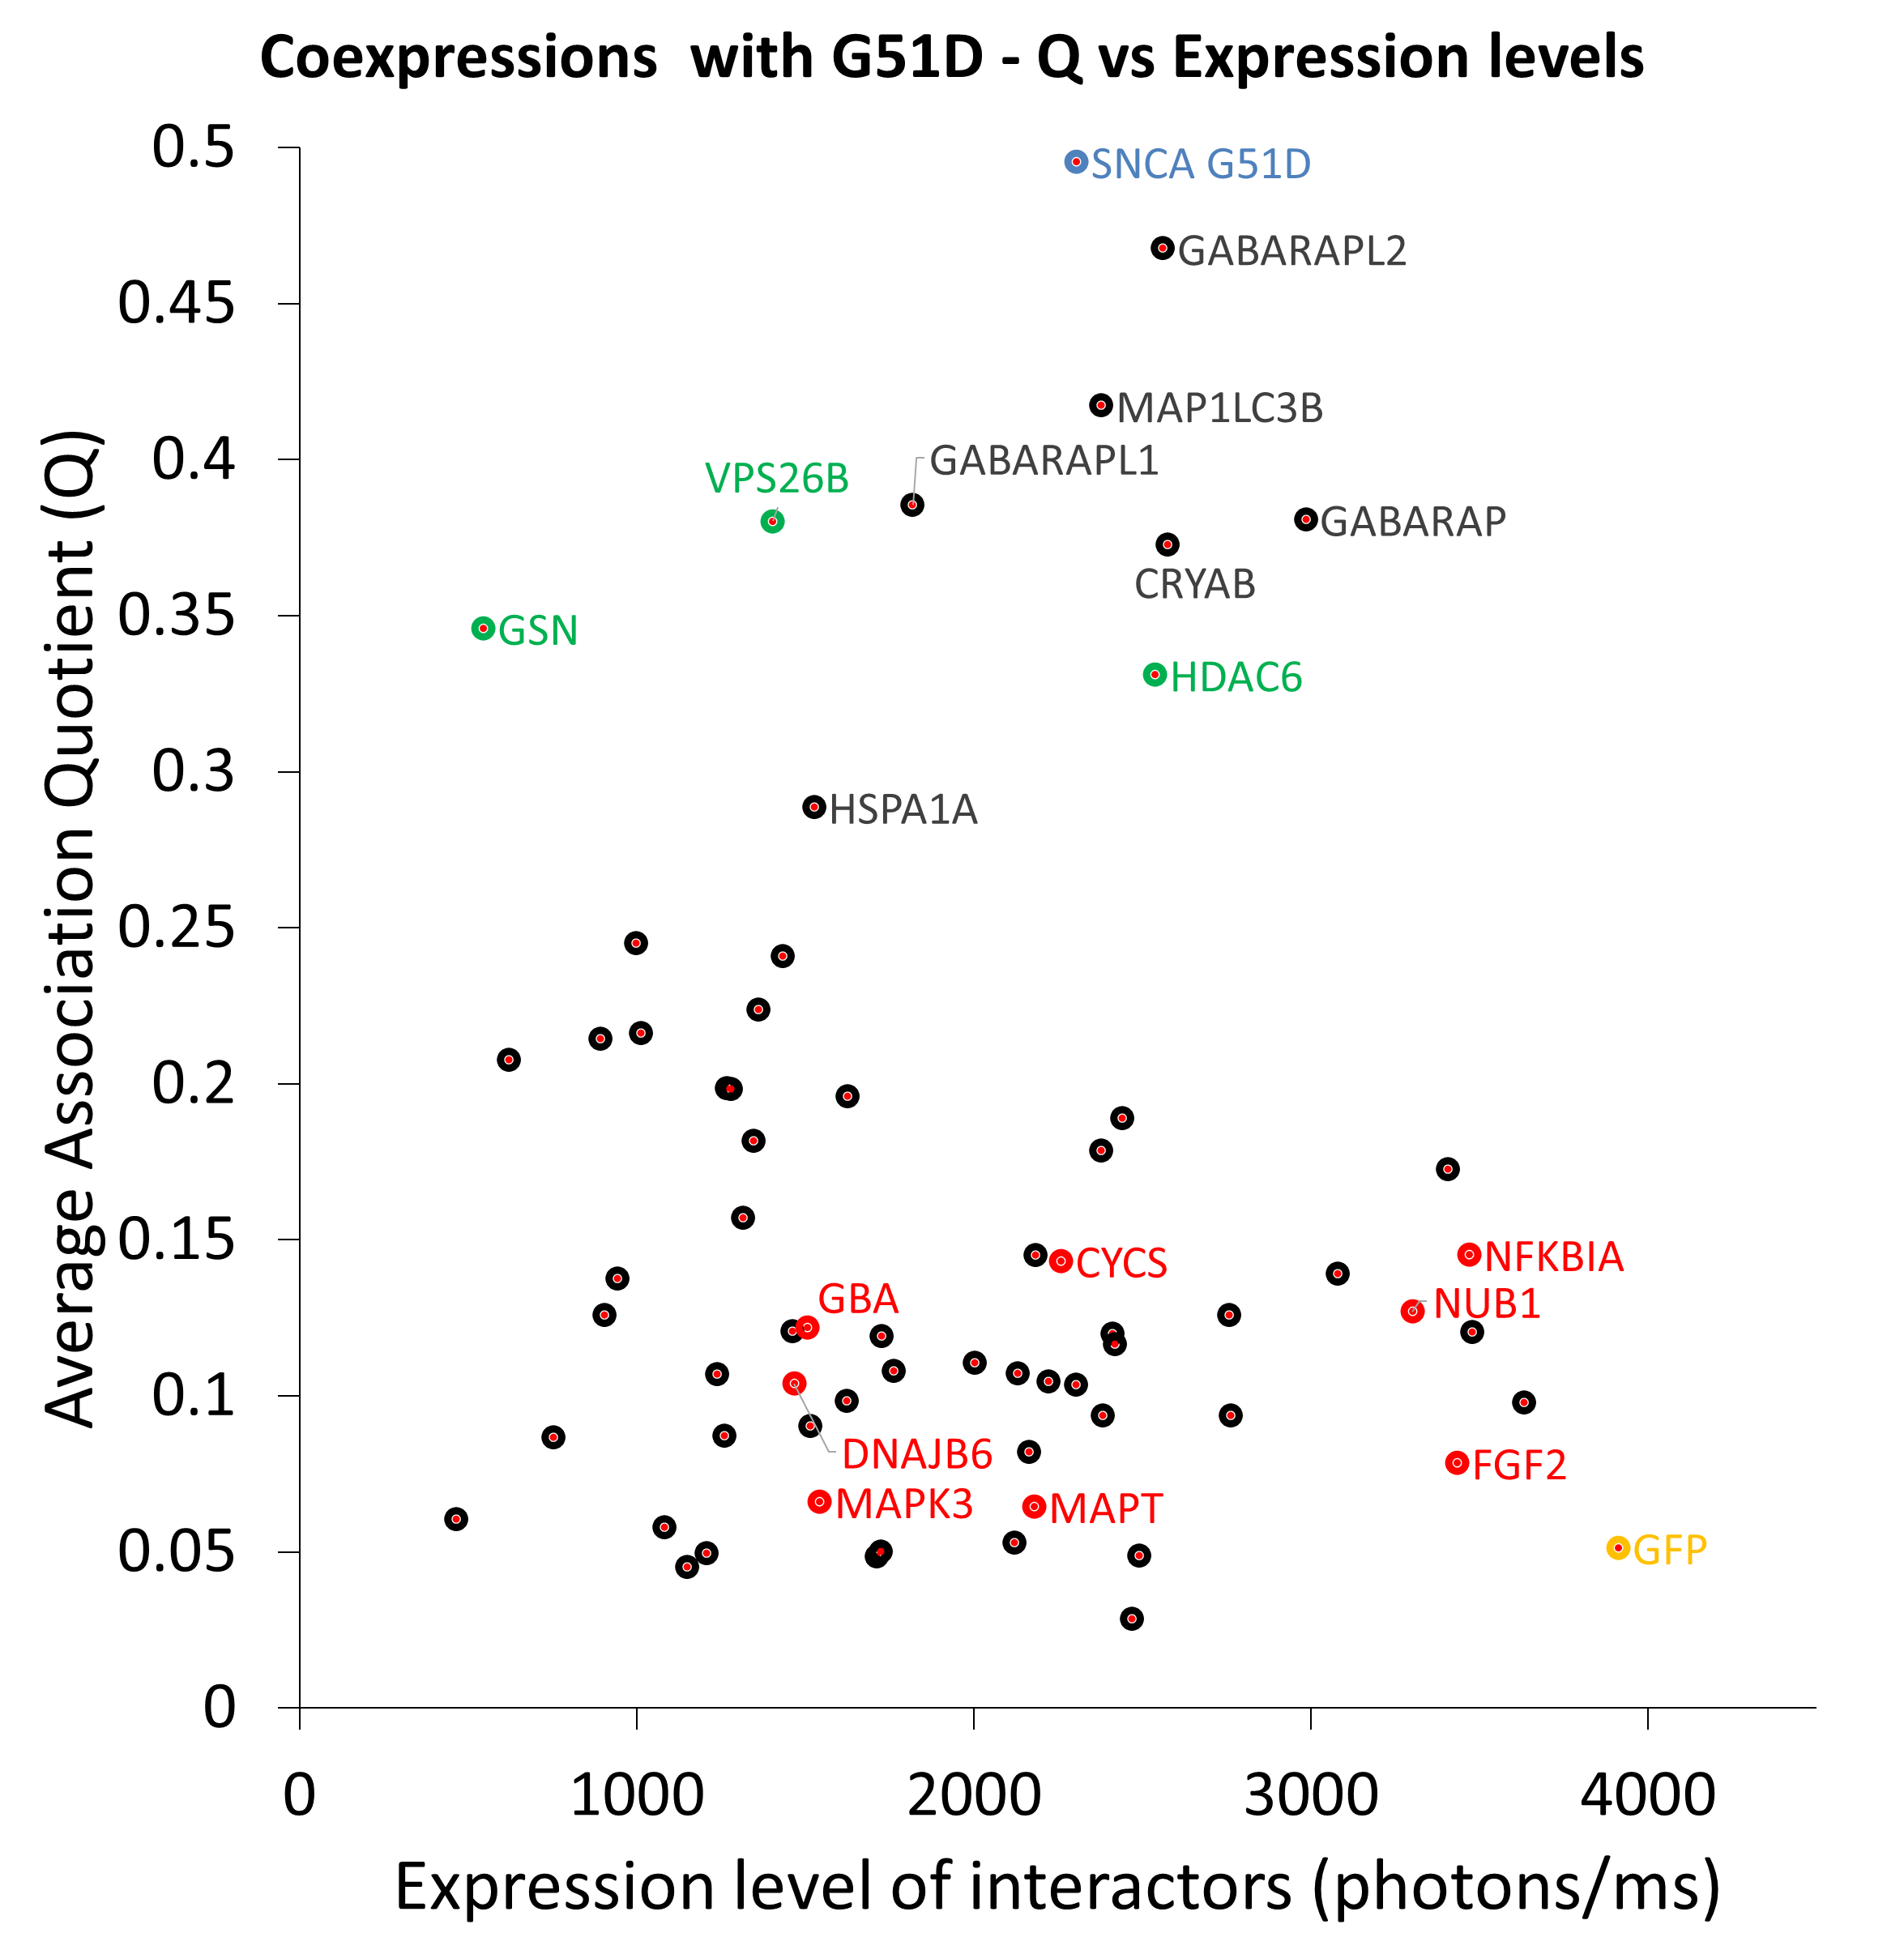
 |  |  |  | 500 | 1 | 225 | 2250 | 0.31004976702 | 31.004976702 | 500 | 10 | 225 | 2250 | 0.30740816023 | 30.740816023 | 500 | 100 | 225 | 2250 | 0.28239346277 | 28.239346277 | 500 | 1000 | 225 | 2250 | 0.14214852329 | 14.214852329 | BTRC | 638.26768426 | 745.69418182 | 731.55587097 | 437.553 | #DIV/0!
 |  |  |  | 500 | 1 | 250 | 2500 | 0.33303716878 | 33.303716878 | 500 | 10 | 250 | 2500 | 0.33038359633 | 33.038359633 | 500 | 100 | 250 | 2500 | 0.30506654049 | 30.506654049 | 500 | 1000 | 250 | 2500 | 0.15692966918 | 15.692966918 | CAMK2B | 1966.0861113 | 2128.1336774 | 2534.8822667 | 268.96410112 | 2932.3644
 |  |  |  | 500 | 1 | 275 | 2750 | 0.35454342918 | 35.454342918 | 500 | 10 | 275 | 2750 | 0.35189593309 | 35.189593309 | 500 | 100 | 275 | 2750 | 0.32646631482 | 32.646631482 | 500 | 1000 | 275 | 2750 | 0.17149982542 | 17.149982542 | CCNB1 | 924.08773234 | 906.486 | 663.04 | 597.009625 | 1529.8153043
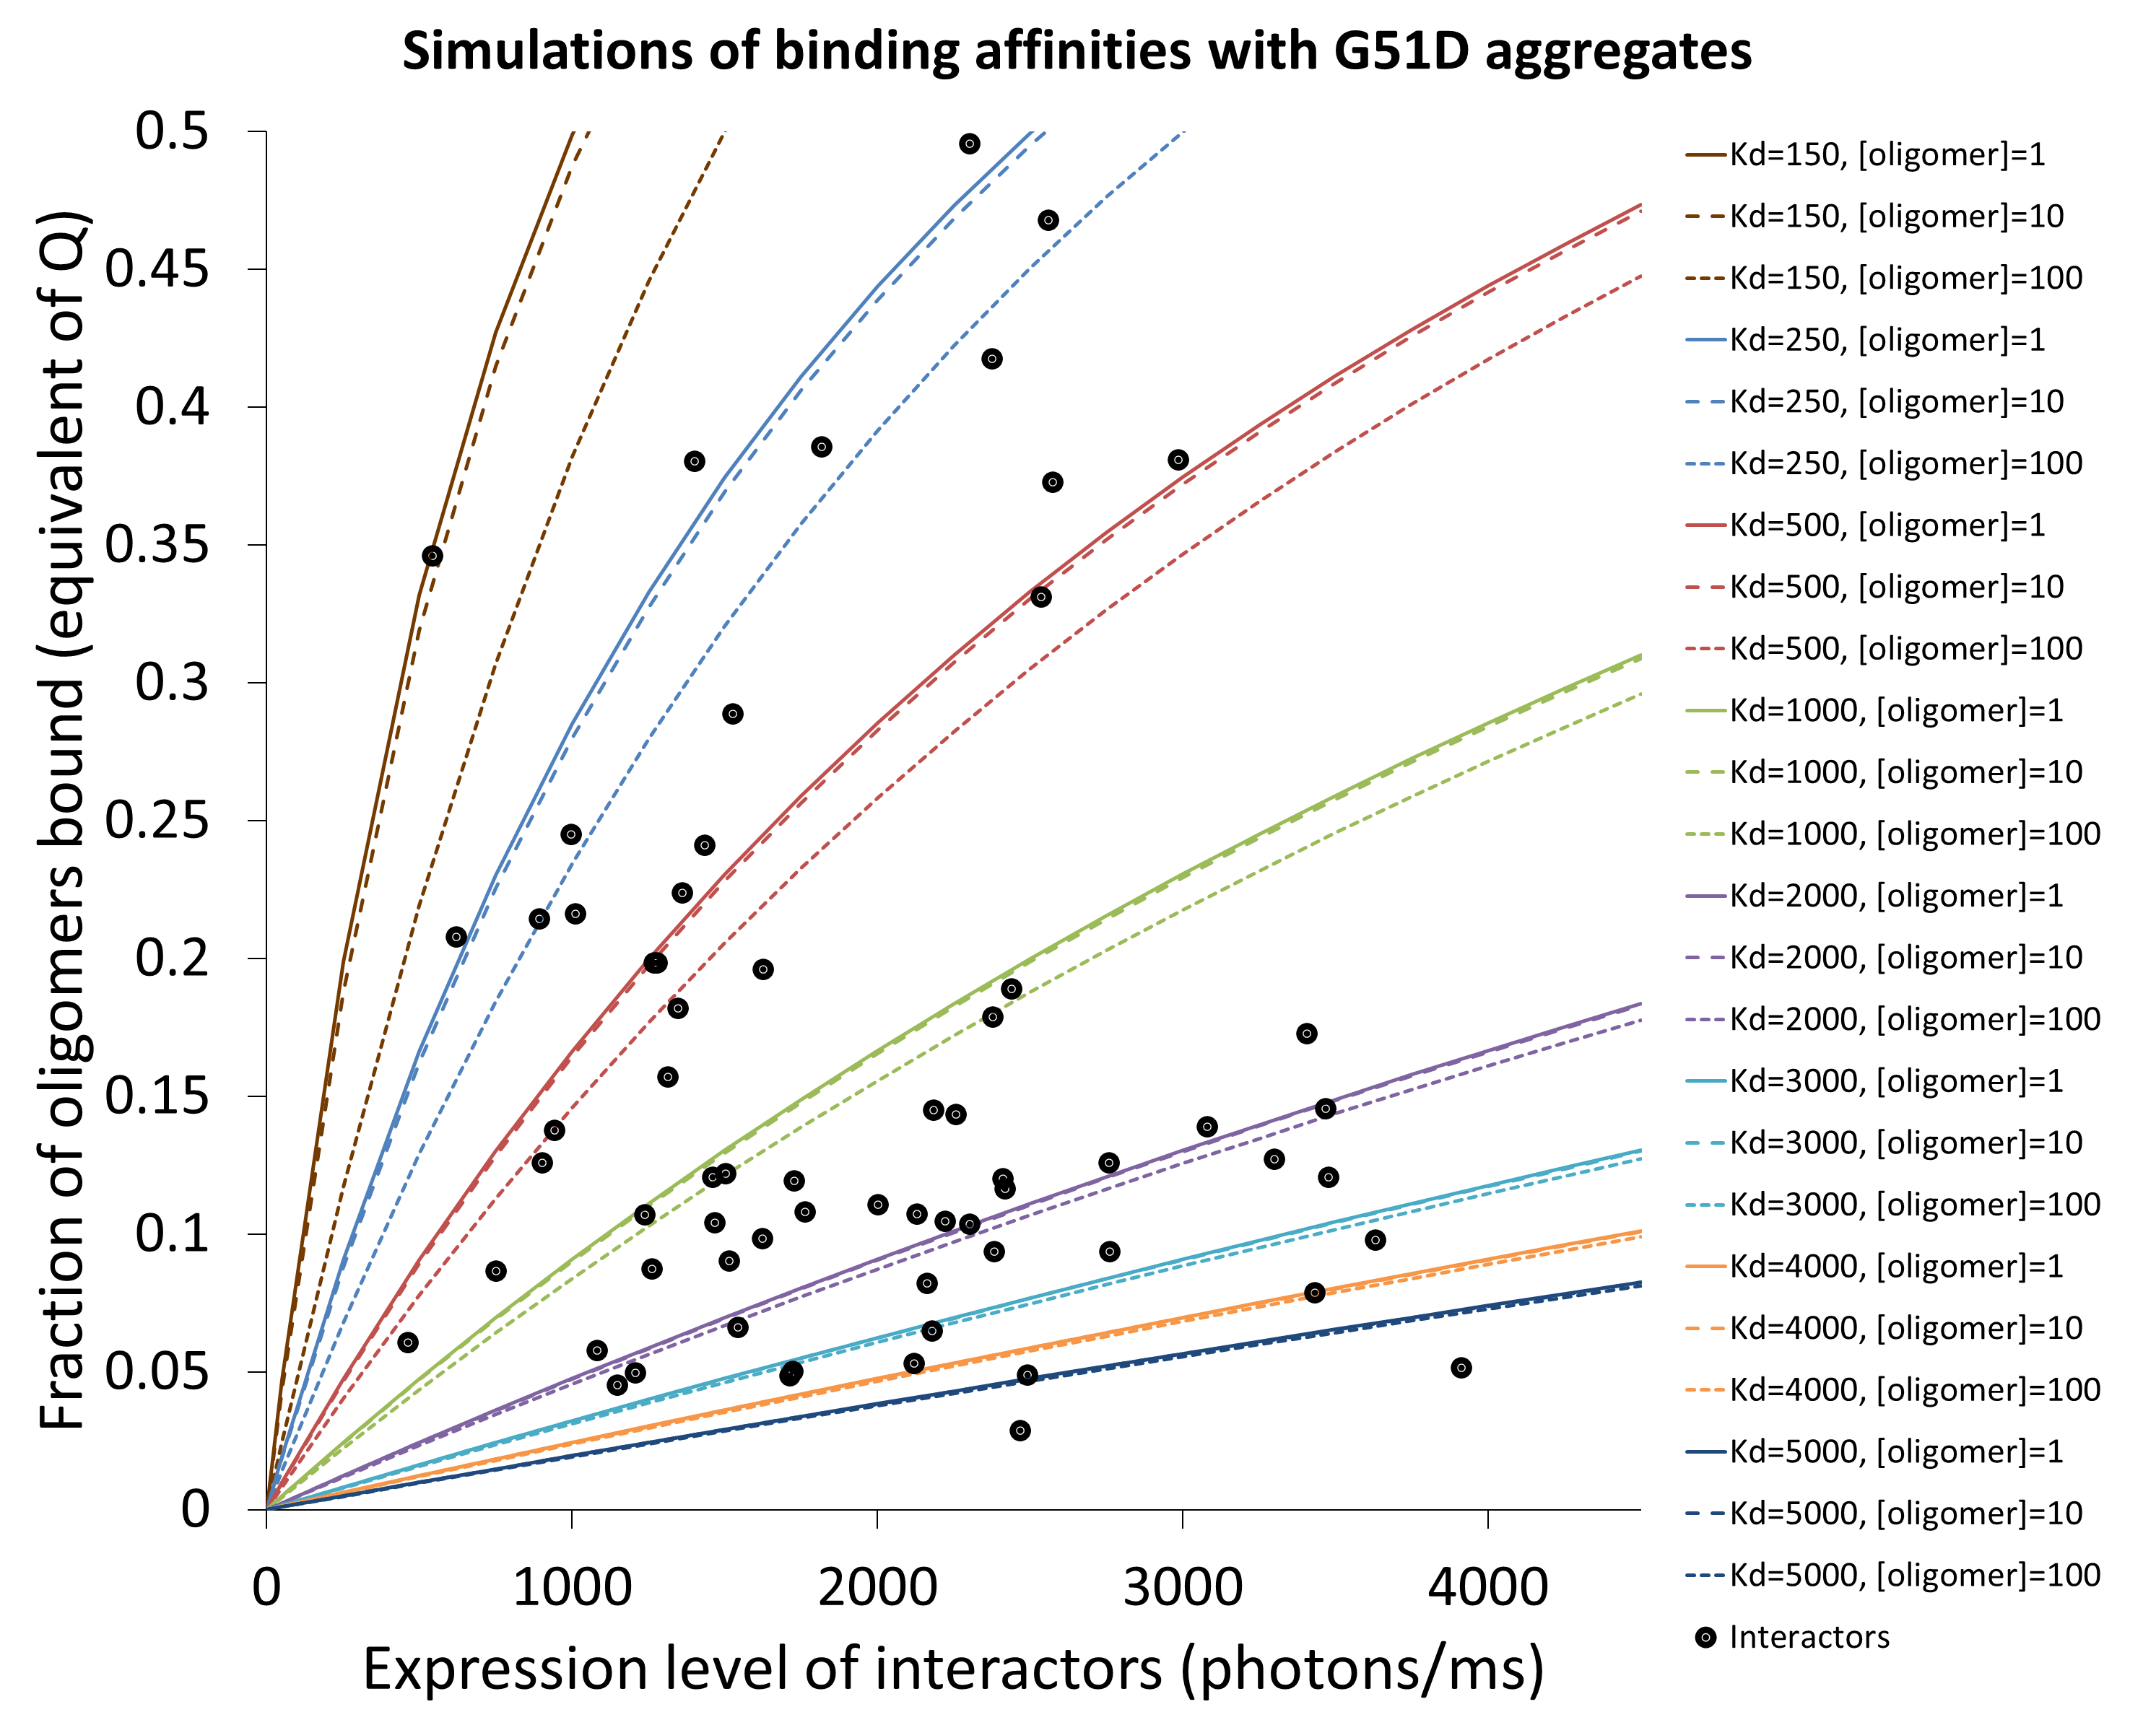
 |  |  |  | 500 | 1 | 300 | 3000 | 0.37470712288 | 37.470712288 | 500 | 10 | 300 | 3000 | 0.37207954553 | 37.207954553 | 500 | 100 | 300 | 3000 | 0.34668806854 | 34.668806854 | 500 | 1000 | 300 | 3000 | 0.18585715715 | 18.585715715 | CDK5R1 | 1317.8225832 | 2165.9034906 | 636.75684211 | 801.596 | 1667.034
 |  |  |  | 500 | 1 | 325 | 3250 | 0.3936500731 | 39.36500731 | 500 | 10 | 325 | 3250 | 0.39105296311 | 39.105296311 | 500 | 100 | 325 | 3250 | 0.36581874065 | 36.581874065 | 500 | 1000 | 325 | 3250 | 0.2 | 20 | CHAT | 2059.0795848 | 3082.7241667 | 1319.7954 | 1539.5122727 | 2294.2865
 |  |  |  | 500 | 1 | 350 | 3500 | 0.41147980685 | 41.147980685 | 500 | 10 | 350 | 3500 | 0.40892112191 | 40.892112191 | 500 | 100 | 350 | 3500 | 0.38393770086 | 38.393770086 | 500 | 1000 | 350 | 3500 | 0.21392686733 | 21.392686733 | CLU | 540.95980672 | 1036.924537 | 229.86936842 | 620.32657143 | 276.71875
 |  |  |  | 500 | 1 | 375 | 3750 | 0.42829159097 | 42.829159097 | 500 | 10 | 375 | 3750 | 0.42577724591 | 42.577724591 | 500 | 100 | 375 | 3750 | 0.40111745796 | 40.111745796 | 500 | 1000 | 375 | 3750 | 0.22763645677 | 22.763645677 | CRYAB | 522.14701477 | 1011.6062069 | 527.85052632 | 638.75851852 | 403.21811765
 |  |  |  | 500 | 1 | 400 | 4000 | 0.44417012997 | 44.417012997 | 500 | 10 | 400 | 4000 | 0.44170442638 | 44.170442638 | 500 | 100 | 400 | 4000 | 0.41742430504 | 41.742430504 | 500 | 1000 | 400 | 4000 | 0.24112765606 | 24.112765606 | CSNK2A1 | 819.43713072 | 1404.5515588 | 489.8155 | 563.94433333 | #VALUE!
 |  |  |  | 500 | 1 | 425 | 4250 | 0.45919098959 | 45.919098959 | 500 | 10 | 425 | 4250 | 0.45677695386 | 45.677695386 | 500 | 100 | 425 | 4250 | 0.43291890522 | 43.291890522 | 500 | 1000 | 425 | 4250 | 0.25439954809 | 25.439954809 | CSNK2A2 | 1787.13045 | 2431.036 | 1946.99375 | 983.3616 | #DIV/0!
 |  |  |  | 500 | 1 | 450 | 4500 | 0.47342179621 | 47.342179621 | 500 | 10 | 450 | 4500 | 0.47106144674 | 47.106144674 | 500 | 100 | 450 | 4500 | 0.44765682193 | 44.765682193 | 500 | 1000 | 450 | 4500 | 0.2674514151 | 26.74514151 | CYC5 | 1669.5127406 | 2469.9035263 | 1360.0006667 | 707.2166 | 1141.4243077
 |  |  |  | 1000 | 1 | 0 | 0 | 0 | 0 | 1000 | 10 | 0 | 0 | 0 | 0 | 1000 | 100 | 0 | 0 | 0 | 0 | 1000 | 1000 | 0 | 0 | 0 | 0 | DNAJB1 | 2054.5300823 | 624.84066667 | 1745.64 | 542.86357576 | 5304.776087
 |  |  |  | 1000 | 1 | 5 | 50 | 0.004970203482 | 0.4970203482 | 1000 | 10 | 5 | 50 | 0.0049263474768 | 0.49263474768 | 1000 | 100 | 5 | 50 | 0.004526741302 | 0.4526741302 | 1000 | 1000 | 5 | 50 | 0.0024968750049 | 0.24968750049 | DNAJB6 | 1316.2877523 | 1478.6606154 | 1773.0373939 | 197.1405 | 1816.3125
 |  |  |  | 1000 | 1 | 25 | 250 | 0.024367050442 | 2.4367050442 | 1000 | 10 | 25 | 250 | 0.024160229147 | 2.4160229147 | 1000 | 100 | 25 | 250 | 0.022266292246 | 2.2266292246 | 1000 | 1000 | 25 | 250 | 0.012421878052 | 1.2421878052 | FGF2 | 3549.9549765 | 3091.1773818 | 3153.6742083 | 2211.9243158 | 5743.044
 |  |  |  | 1000 | 1 | 50 | 500 | 0.047575892926 | 4.7575892926 | 1000 | 10 | 50 | 500 | 0.047190820505 | 4.7190820505 | 1000 | 100 | 50 | 500 | 0.043643894743 | 4.3643894743 | 1000 | 1000 | 50 | 500 | 0.024687548813 | 2.4687548813 | FOXO3 | 2519.5204101 | 3407.5104545 | 1747.7508571 | 523.0434 | 4399.7769286
 |  |  |  | 1000 | 1 | 75 | 750 | 0.069707118106 | 6.9707118106 | 1000 | 10 | 75 | 750 | 0.069168518746 | 6.9168518746 | 1000 | 100 | 75 | 750 | 0.064180350415 | 6.4180350415 | 1000 | 1000 | 75 | 750 | 0.036797122019 | 3.6797122019 | GABARAP | 475.87175929 | 553.73155556 | 293.01217391 | 527.76830769 | 528.975
 |  |  |  | 1000 | 1 | 100 | 1000 | 0.090834015276 | 9.0834015276 | 1000 | 10 | 100 | 1000 | 0.09016332816 | 9.016332816 | 1000 | 100 | 100 | 1000 | 0.0839202169 | 8.39202169 | 1000 | 1000 | 100 | 1000 | 0.048750780275 | 4.8750780275 | GABARAPL1 | 391.29901797 | 617.46931034 | 405.21173077 | 405.21173077 | 137.3033
 |  |  |  | 1000 | 1 | 125 | 1250 | 0.11102338028 | 11.102338028 | 1000 | 10 | 125 | 1250 | 0.11023923073 | 11.023923073 | 1000 | 100 | 125 | 1250 | 0.10290526478 | 10.290526478 | 1000 | 1000 | 125 | 1250 | 0.060548778632 | 6.0548778632 | GABARAPL2 | 355.90371344 | 329.06664865 | 357.63666667 | 523.922 | 212.98953846
 |  |  |  | 1000 | 1 | 150 | 1500 | 0.13033621853 | 13.033621853 | 1000 | 10 | 150 | 1500 | 0.12945481508 | 12.945481508 | 1000 | 100 | 150 | 1500 | 0.12117466393 | 12.117466393 | 1000 | 1000 | 150 | 1500 | 0.072191443993 | 7.2191443993 | GAPDH | 3194.6750385 | 2981.0144 | 3727.725 | 1800.6946486 | 4269.2661053
 |  |  |  | 1000 | 1 | 175 | 1750 | 0.14882835874 | 14.882835874 | 1000 | 10 | 175 | 1750 | 0.14786382879 | 14.786382879 | 1000 | 100 | 175 | 1750 | 0.13876515837 | 13.876515837 | 1000 | 1000 | 175 | 1750 | 0.083679174354 | 8.3679174354 | GBA | 1151.4035868 | 1993.7178947 | 708.536 | 961.67445 | 976.42430769
 |  |  |  | 1000 | 1 | 200 | 2000 | 0.1665509902 | 16.65509902 | 1000 | 10 | 200 | 2000 | 0.16551566475 | 16.551566475 | 1000 | 100 | 200 | 2000 | 0.15571122978 | 15.571122978 | 1000 | 1000 | 200 | 2000 | 0.095012437888 | 9.5012437888 | GFP | #DIV/0! | #DIV/0! | #DIV/0! | #DIV/0! | #DIV/0!
 |  |  |  | 1000 | 1 | 225 | 2250 | 0.1835511346 | 18.35511346 | 1000 | 10 | 225 | 2250 | 0.18245579041 | 18.245579041 | 1000 | 100 | 225 | 2250 | 0.17204525043 | 17.204525043 | 1000 | 1000 | 225 | 2250 | 0.10619177187 | 10.619177187 | GRK5 | 2559.8635495 | 2908.06425 | 2136.9226667 | 436.57835294 | 4757.8889286
 |  |  |  | 1000 | 1 | 250 | 2500 | 0.19987206142 | 19.987206142 | 1000 | 10 | 250 | 2500 | 0.19872612757 | 19.872612757 | 1000 | 100 | 250 | 2500 | 0.1877976258 | 18.77976258 | 1000 | 1000 | 250 | 2500 | 0.11721778146 | 11.721778146 | GSN | 169.95068399 | 285.145 | 166.10671429 | 177.00631579 | 51.544705882
 |  |  |  | 1000 | 1 | 275 | 2750 | 0.21555365468 | 21.555365468 | 1000 | 10 | 275 | 2750 | 0.21436538926 | 21.436538926 | 1000 | 100 | 275 | 2750 | 0.20299692746 | 20.299692746 | 1000 | 1000 | 275 | 2750 | 0.12809113834 | 12.809113834 | HDAC6 | 509.98964904 | 802.83175 | #DIV/0! | 361.64123077 | 504.371
 |  |  |  | 1000 | 1 | 300 | 3000 | 0.23063273748 | 23.063273748 | 1000 | 10 | 300 | 3000 | 0.22940937911 | 22.940937911 | 1000 | 100 | 300 | 3000 | 0.21767001687 | 21.767001687 | 1000 | 1000 | 300 | 3000 | 0.13881257919 | 13.881257919 | HMOX1 | 2256.5716131 | 2685.0963544 | 3699.0557252 | 860.14494017 | 1781.9894326
 |  |  |  | 1000 | 1 | 325 | 3250 | 0.24514335993 | 24.514335993 | 1000 | 10 | 325 | 3250 | 0.24389125802 | 24.389125802 | 1000 | 100 | 325 | 3250 | 0.23184216052 | 23.184216052 | 1000 | 1000 | 325 | 3250 | 0.1493829041 | 14.93829041 | HSP90 | 1306.2073371 | 773.95880702 | 1241.9596429 | 418.558 | 2790.3528986
 |  |  |  | 1000 | 1 | 350 | 3500 | 0.25911705525 | 25.911705525 | 1000 | 10 | 350 | 3500 | 0.25784178224 | 25.784178224 | 1000 | 100 | 350 | 3500 | 0.24553713694 | 24.553713694 | 1000 | 1000 | 350 | 3500 | 0.15980297479 | 15.980297479 | HSPA1A | 1585.0084606 | 2946.2533333 | 2045.4069091 | 1214.5466 | 133.827
 |  |  |  | 1000 | 1 | 375 | 3750 | 0.27258306797 | 27.258306797 | 1000 | 10 | 375 | 3750 | 0.27128951626 | 27.128951626 | 1000 | 100 | 375 | 3750 | 0.25877733625 | 25.877733625 | 1000 | 1000 | 375 | 3750 | 0.17007371274 | 17.007371274 | HSPB1 | 2504.3037492 | 602.8814 | 1635.3645 | 3996.5783824 | 3782.3907143
 |  |  |  | 1000 | 1 | 400 | 4000 | 0.28556855775 | 28.556855775 | 1000 | 10 | 400 | 4000 | 0.28426102361 | 28.426102361 | 1000 | 100 | 400 | 4000 | 0.2715838526 | 27.15838526 | 1000 | 1000 | 400 | 4000 | 0.18019609728 | 18.019609728 | HSPD1 | 1010.3376657 | 1202.4758519 | 1085.0636452 | 743.4735 | #DIV/0!
 |  |  |  | 1000 | 1 | 425 | 4250 | 0.29809878183 | 29.809878183 | 1000 | 10 | 425 | 4250 | 0.29678103822 | 29.678103822 | 1000 | 100 | 425 | 4250 | 0.28397656999 | 28.397656999 | 1000 | 1000 | 425 | 4250 | 0.19017116347 | 19.017116347 | HSPH1 | 3169.0991461 | 8940.5493 | 1876.278125 | #DIV/0! | 282.89230769
 |  |  |  | 1000 | 1 | 450 | 4500 | 0.31019725868 | 31.019725868 | 1000 | 10 | 450 | 4500 | 0.30887261846 | 30.887261846 | 1000 | 100 | 450 | 4500 | 0.29597424206 | 29.597424206 | 1000 | 1000 | 450 | 4500 | 0.2 | 20 | IGHG1 | 929.22825272 | 585.28752941 | 1383.8148 | 1436.8454815 | 310.9652
 |  |  |  | 2000 | 1 | 0 | 0 | 0 | 0 | 2000 | 10 | 0 | 0 | 0 | 0 | 2000 | 100 | 0 | 0 | 0 | 0 | 2000 | 1000 | 0 | 0 | 0 | 0 | MAP1LC3B | 405.74769986 | 758.76685714 | 148.67325 | 406.971 | 308.57969231
 |  |  |  | 2000 | 1 | 5 | 50 | 0.0024925255298 | 0.24925255298 | 2000 | 10 | 5 | 50 | 0.0024814201362 | 0.24814201362 | 2000 | 100 | 5 | 50 | 0.0023755650028 | 0.23755650028 | 2000 | 1000 | 5 | 50 | 0.0016648158442 | 0.16648158442 | MAPK1 | 565.12841987 | 736.4875 | 554.914 | 669.15133333 | 299.96084615
 |  |  |  | 2000 | 1 | 25 | 250 | 0.012339660547 | 1.2339660547 | 2000 | 10 | 25 | 250 | 0.012285754004 | 1.2285754004 | 2000 | 100 | 25 | 250 | 0.011771226436 | 1.1771226436 | 2000 | 1000 | 25 | 250 | 0.0082871659901 | 0.82871659901 | MAPK3 | 2569.2745887 | 3930.1129231 | 2452.0216364 | 2261.4975455 | 1633.46625
 |  |  |  | 2000 | 1 | 50 | 500 | 0.024378641793 | 2.4378641793 | 2000 | 10 | 50 | 500 | 0.024274705152 | 2.4274705152 | 2000 | 100 | 50 | 500 | 0.023281023538 | 2.3281023538 | 2000 | 1000 | 50 | 500 | 0.016482515845 | 1.6482515845 | MAPK8 | 498.56187374 | 1001.286 | 435.74993939 | 405.076 | 152.13555556
 |  |  |  | 2000 | 1 | 75 | 750 | 0.036127796348 | 3.6127796348 | 2000 | 10 | 75 | 750 | 0.035977431058 | 3.5977431058 | 2000 | 100 | 75 | 750 | 0.034537602113 | 3.4537602113 | 2000 | 1000 | 75 | 750 | 0.024586833291 | 2.4586833291 | MAPT | 4015.2970468 | 5637.4377143 | 9298.3955 | 4846.7528696 | 2414.2915217
 |  |  |  | 2000 | 1 | 100 | 1000 | 0.04759746098 | 4.759746098 | 2000 | 10 | 100 | 1000 | 0.047404014884 | 4.7404014884 | 2000 | 100 | 100 | 1000 | 0.045548849897 | 4.5548849897 | 2000 | 1000 | 100 | 1000 | 0.032600909451 | 3.2600909451 | NBR1 | 634.92156944 | 677.50970213 | 876.6875 | 371.99542857 | 613.49364706
 |  |  |  | 2000 | 1 | 125 | 1250 | 0.058797486898 | 5.8797486898 | 2000 | 10 | 125 | 1250 | 0.058564073774 | 5.8564073774 | 2000 | 100 | 125 | 1250 | 0.056322346369 | 5.6322346369 | 2000 | 1000 | 125 | 1250 | 0.040525542264 | 4.0525542264 | NEDD8 | 3070.433397 | 4145.2395 | 4561.0165789 | 1426.4009375 | 2149.0765714
 |  |  |  | 2000 | 1 | 150 | 1500 | 0.069737267916 | 6.9737267916 | 2000 | 10 | 150 | 1500 | 0.069466785344 | 6.9466785344 | 2000 | 100 | 150 | 1500 | 0.066865376827 | 6.6865376827 | 2000 | 1000 | 150 | 1500 | 0.048361535923 | 4.8361535923 | NFKB1A | 2396.5999854 | 4724.7692143 | 1101.4194545 | 1621.5912727 | 2138.62
 |  |  |  | 2000 | 1 | 175 | 1750 | 0.080425766684 | 8.0425766684 | 2000 | 10 | 175 | 1750 | 0.080120912406 | 8.0120912406 | 2000 | 100 | 175 | 1750 | 0.077184945752 | 7.7184945752 | 2000 | 1000 | 175 | 1750 | 0.056109700305 | 5.6109700305 | NUB1 | 4196.1018163 | 4148.859 | 4592.0011515 | 6694.8163636 | 1348.73075
 |  |  |  | 2000 | 1 | 200 | 2000 | 0.090871539135 | 9.0871539135 | 2000 | 10 | 200 | 2000 | 0.090534826039 | 9.0534826039 | 2000 | 100 | 200 | 2000 | 0.087287789487 | 8.7287789487 | 2000 | 1000 | 200 | 2000 | 0.063770850426 | 6.3770850426 | PARK2 | 1833.8601375 | 1534.0866667 | 832.28934783 | 1979.9992414 | 2989.0652941
 |  |  |  | 2000 | 1 | 225 | 2250 | 0.10108275729 | 10.108275729 | 2000 | 10 | 225 | 2250 | 0.10071652715 | 10.071652715 | 2000 | 100 | 225 | 2250 | 0.097180388295 | 9.7180388295 | 2000 | 1000 | 225 | 2250 | 0.071345805897 | 7.1345805897 | PARK7 | 3547.3905511 | 5075.1555909 | 2526.0598125 | 3040.95625 | #DIV/0!
 |  |  |  | 2000 | 1 | 250 | 2500 | 0.11106723053 | 11.106723053 | 2000 | 10 | 250 | 2500 | 0.11067366664 | 11.067366664 | 2000 | 100 | 250 | 2500 | 0.1068689778 | 10.68689778 | 2000 | 1000 | 250 | 2500 | 0.078835390393 | 7.8835390393 | PIN1 | 3372.4646968 | 1870.4314286 | 1769.9086364 | 1385.072 | 1031.1232941
 |  |  |  | 2000 | 1 | 275 | 2750 | 0.12083242552 | 12.083242552 | 2000 | 10 | 275 | 2750 | 0.12041356423 | 12.041356423 | 2000 | 100 | 275 | 2750 | 0.11635955988 | 11.635955988 | 2000 | 1000 | 275 | 2750 | 0.086240431133 | 8.6240431133 | PINK1 | 612.94708707 | 669.26847826 | 694.785 | 369.76687805 | 694.45714286
 |  |  |  | 2000 | 1 | 300 | 3000 | 0.13038548473 | 13.038548473 | 2000 | 10 | 300 | 3000 | 0.12994322616 | 12.994322616 | 2000 | 100 | 300 | 3000 | 0.12565791296 | 12.565791296 | 2000 | 1000 | 300 | 3000 | 0.093561758373 | 9.3561758373 | PLCD1 | 2098.8919573 | 1953.8891304 | 2782.7854 | 2179.2727273 | 1479.6205714
 |  |  |  | 2000 | 1 | 325 | 3250 | 0.13973324393 | 13.973324393 | 2000 | 10 | 325 | 3250 | 0.13926936169 | 13.926936169 | 2000 | 100 | 325 | 3250 | 0.13476960188 | 13.476960188 | 2000 | 1000 | 325 | 3250 | 0.1008002049 | 10.08002049 | PSMC6 | 1489.4482008 | 1249.2754 | 1138.0107143 | 1845.0202105 | 1725.4864783
 |  |  |  | 2000 | 1 | 350 | 3500 | 0.14888224837 | 14.888224837 | 2000 | 10 | 350 | 3500 | 0.14839839866 | 14.839839866 | 2000 | 100 | 350 | 3500 | 0.1436999872 | 14.36999872 | 2000 | 1000 | 350 | 3500 | 0.10795660558 | 10.795660558 | PSME1 | 1831.6819972 | 1161.1072 | 3562.266087 | 517.05333333 | 2086.3013684
 |  |  |  | 2000 | 1 | 375 | 3750 | 0.15783876813 | 15.783876813 | 2000 | 10 | 375 | 3750 | 0.157336498 | 15.7336498 | 2000 | 100 | 375 | 3750 | 0.15245423408 | 15.245423408 | 2000 | 1000 | 375 | 3750 | 0.11503179682 | 11.503179682 | RBX1 | 616.02347917 | 746.2884 | 300.8616 | 973.15425 | 443.78966667
 |  |  |  | 2000 | 1 | 400 | 4000 | 0.16660881237 | 16.660881237 | 2000 | 10 | 400 | 4000 | 0.1660895674 | 16.60895674 | 2000 | 100 | 400 | 4000 | 0.16103732075 | 16.103732075 | 2000 | 1000 | 400 | 4000 | 0.12202661619 | 12.202661619 | SEPO4 | 3426.075669 | 2117.5399 | 4238.6564844 | 4068.9316667 | 3279.174625
 |  |  |  | 2000 | 1 | 425 | 4250 | 0.17519814278 | 17.519814278 | 2000 | 10 | 425 | 4250 | 0.17466327417 | 17.466327417 | 2000 | 100 | 425 | 4250 | 0.16945404649 | 16.945404649 | 2000 | 1000 | 425 | 4250 | 0.12894190192 | 12.894190192 | SIAH1 | 931.72514558 | 2290.6935429 | #DIV/0! | 525.43878947 | 617.485
 |  |  |  | 2000 | 1 | 450 | 4500 | 0.1836122862 | 18.36122862 | 2000 | 10 | 450 | 4500 | 0.18306305725 | 18.306305725 | 2000 | 100 | 450 | 4500 | 0.17770903932 | 17.770903932 | 2000 | 1000 | 450 | 4500 | 0.13577849247 | 13.577849247 | SLC18A2 | 3249.5292775 | 6701.63325 | 2342.4606 | 2019.6547115 | 1934.3685484
 |  |  |  | 3000 | 1 | 0 | 0 | 0 | 0 | 3000 | 10 | 0 | 0 | 0 | 0 | 3000 | 100 | 0 | 0 | 0 | 0 | 3000 | 1000 | 0 | 0 | 0 | 0 | SNCA | #DIV/0! | #DIV/0! | #DIV/0! | #DIV/0! | #DIV/0!
 |  |  |  | 3000 | 1 | 5 | 50 | 0.001663340907 | 0.1663340907 | 3000 | 10 | 5 | 50 | 0.0016583839146 | 0.16583839146 | 3000 | 100 | 5 | 50 | 0.00161038948 | 0.161038948 | 3000 | 1000 | 5 | 50 | 0.0012488288573 | 0.12488288573 | SNCAIP | 989.45270833 | 841.87909091 | 597.632 | 604.17690909 | 1914.1228333
 |  |  |  | 3000 | 1 | 25 | 250 | 0.0082617542157 | 0.82617542157 | 3000 | 10 | 25 | 250 | 0.0082374558672 | 0.82374558672 | 3000 | 100 | 25 | 250 | 0.0080020490492 | 0.80020490492 | 3000 | 1000 | 25 | 250 | 0.0062207946051 | 0.62207946051 | SOD1 | 4557.6802165 | 4700.2166087 | 3839.348 | 3716.4138571 | 5974.7424
 |  |  |  | 3000 | 1 | 50 | 500 | 0.016388157513 | 1.6388157513 | 3000 | 10 | 50 | 500 | 0.016340741895 | 1.6340741895 | 3000 | 100 | 50 | 500 | 0.01588102244 | 1.588102244 | 3000 | 1000 | 50 | 500 | 0.012383543742 | 1.2383543742 | SOD2 | 1378.7085763 | 1288.8914444 | 1303.0625 | 984.08431818 | 2015.4312857
 |  |  |  | 3000 | 1 | 75 | 750 | 0.024382507967 | 2.4382507967 | 3000 | 10 | 75 | 750 | 0.024313099276 | 2.4313099276 | 3000 | 100 | 75 | 750 | 0.023639648283 | 2.3639648283 | 3000 | 1000 | 75 | 750 | 0.018488793989 | 1.8488793989 | SYP | 618.35405499 | 546.52433333 | 509.045625 | 356.3328 | 873.32727273
 |  |  |  | 3000 | 1 | 100 | 1000 | 0.032247997399 | 3.2247997399 | 3000 | 10 | 100 | 1000 | 0.032157665966 | 3.2157665966 | 3000 | 100 | 100 | 1000 | 0.031280577329 | 3.1280577329 | 3000 | 1000 | 100 | 1000 | 0.024537089947 | 2.4537089947 | SYT11 | 1669.8756078 | 3540.111 | 1206.0019583 | 1322.8517 | 610.53777273
 |  |  |  | 3000 | 1 | 125 | 1250 | 0.039987715616 | 3.9987715616 | 3000 | 10 | 125 | 1250 | 0.039877480745 | 3.9877480745 | 3000 | 100 | 125 | 1250 | 0.038806385599 | 3.8806385599 | 3000 | 1000 | 125 | 1250 | 0.030528974124 | 3.0528974124 | TGM2 | 1276.6099389 | 2182.8302857 | 1716.0818333 | 990.026 | 217.50163636
 |  |  |  | 3000 | 1 | 150 | 1500 | 0.04760465446 | 4.760465446 | 3000 | 10 | 150 | 1500 | 0.047475487095 | 4.7475487095 | 3000 | 100 | 150 | 1500 | 0.046219576901 | 4.6219576901 | 3000 | 1000 | 150 | 1500 | 0.03646498681 | 3.646498681 | TOR1A | 454.17475926 | 403.2337037 | 934.692 | 369.08133333 | 109.692
 |  |  |  | 3000 | 1 | 175 | 1750 | 0.05510171165 | 5.510171165 | 3000 | 10 | 175 | 1750 | 0.054954536895 | 5.4954536895 | 3000 | 100 | 175 | 1750 | 0.053522585256 | 5.3522585256 | 3000 | 1000 | 175 | 1750 | 0.04234566597 | 4.234566597 | TPM1 | 4310.6845089 | 4430.538 | 4358.1342857 | 6952.68275 | 1501.383
 |  |  |  | 3000 | 1 | 200 | 2000 | 0.062481694459 | 6.2481694459 | 3000 | 10 | 200 | 2000 | 0.062317393949 | 6.2317393949 | 3000 | 100 | 200 | 2000 | 0.060717777226 | 6.0717777226 | 3000 | 1000 | 200 | 2000 | 0.048171547132 | 4.8171547132 | TRAF6 | 416.45215514 | 589.70733333 | 663.72511765 | 103.08222222 | 309.29394737
 |  |  |  | 3000 | 1 | 225 | 2250 | 0.069747323214 | 6.9747323214 | 3000 | 10 | 225 | 2250 | 0.069566737345 | 6.9566737345 | 3000 | 100 | 225 | 2250 | 0.067807454161 | 6.7807454161 | 3000 | 1000 | 225 | 2250 | 0.053943163282 | 5.3943163282 | TUBG1 | 1686.9174931 | 1565.2665 | 3511.8243947 | 1240.4764198 | 1235.7531111
 |  |  |  | 3000 | 1 | 250 | 2500 | 0.076901234635 | 7.6901234635 | 3000 | 10 | 250 | 2500 | 0.07670516467 | 7.670516467 | 3000 | 100 | 250 | 2500 | 0.074793854348 | 7.4793854348 | 3000 | 1000 | 250 | 2500 | 0.059661044768 | 5.9661044768 | UBA1 | 2450.6092289 | 3228.0189474 | 962.98778947 | 914.60875 | 4696.8214286
 |  |  |  | 3000 | 1 | 275 | 2750 | 0.083945985021 | 8.3945985021 | 3000 | 10 | 275 | 2750 | 0.083735195077 | 8.3735195077 | 3000 | 100 | 275 | 2750 | 0.081679155093 | 8.1679155093 | 3000 | 1000 | 275 | 2750 | 0.065325719202 | 6.5325719202 | UCHL1 | 5499.6190627 | 7792.29 | 7843.3566 | 863.21058824 | #DIV/0!
 |  |  |  | 3000 | 1 | 300 | 3000 | 0.09088405329 | 9.088405329 | 3000 | 10 | 300 | 3000 | 0.090659272216 | 9.0659272216 | 3000 | 100 | 300 | 3000 | 0.088465474712 | 8.8465474712 | 3000 | 1000 | 300 | 3000 | 0.070937711371 | 7.0937711371 | VPS26B | 265.33340079 | 484.8142 | 181.06505 | 130.12095238 | #DIV/0!
 |  |  |  | 3000 | 1 | 325 | 3250 | 0.09771784389 | 9.771784389 | 3000 | 10 | 325 | 3250 | 0.097479767031 | 9.7479767031 | 3000 | 100 | 325 | 3250 | 0.095154874456 | 9.5154874456 | 3000 | 1000 | 325 | 3250 | 0.076497543146 | 7.6497543146 | YWHAG | 4495.2998146 | 4487.8657895 | 7673.2 | 3002.636 | 2817.4974688
 |  |  |  | 3000 | 1 | 350 | 3500 | 0.10444968957 | 10.444968957 | 3000 | 10 | 350 | 3500 | 0.10419898044 | 10.419898044 | 3000 | 100 | 350 | 3500 | 0.10174936036 | 10.174936036 | 3000 | 1000 | 350 | 3500 | 0.082005733405 | 8.2005733405 | YWHAH | 1543.82 | 2225.128 | 862.512 | #DIV/0! | #DIV/0!
 |  |  |  | 3000 | 1 | 375 | 3750 | 0.11108185402 | 11.108185402 | 3000 | 10 | 375 | 3750 | 0.11081914589 | 11.081914589 | 3000 | 100 | 375 | 3750 | 0.10825088501 | 10.825088501 | 3000 | 1000 | 375 | 3750 | 0.087462797949 | 8.7462797949 | A53T
 |  |  |  | 3000 | 1 | 400 | 4000 | 0.11761653445 | 11.761653445 | 3000 | 10 | 400 | 4000 | 0.11734243181 | 11.734243181 | 3000 | 100 | 400 | 4000 | 0.11466134929 | 11.466134929 | 3000 | 1000 | 400 | 4000 | 0.092869249429 | 9.2869249429 |  | kd (average) | Kd (1) | Kd (2) | Kd (3) | Kd (4)
 |  |  |  | 3000 | 1 | 425 | 4250 | 0.12405586394 | 12.405586394 | 3000 | 10 | 425 | 4250 | 0.12377094395 | 12.377094395 | 3000 | 100 | 425 | 4250 | 0.12098260398 | 12.098260398 | 3000 | 1000 | 425 | 4250 | 0.098225597279 | 9.8225597279 | BTRC | 523.16549222 | 606.35173333 | 276.76958333 | 686.37516 | #DIV/0!
 |  |  |  | 3000 | 1 | 450 | 4500 | 0.13040191384 | 13.040191384 | 3000 | 10 | 450 | 4500 | 0.13010672763 | 13.010672763 | 3000 | 100 | 450 | 4500 | 0.12721645142 | 12.721645142 | 3000 | 1000 | 450 | 4500 | 0.10353234764 | 10.353234764 | CAMK2B | 1963.5729442 | 2425.008069 | 1885.0232414 | 1822.0633143 | 1722.1971522
 |  |  |  | 4000 | 1 | 0 | 0 | 0 | 0 | 4000 | 10 | 0 | 0 | 0 | 0 | 4000 | 100 | 0 | 0 | 0 | 0 | 4000 | 1000 | 0 | 0 | 0 | 0 | CCNB1 | 714.11273221 | 1114.1722388 | 954.94981553 | 317.04511364 | 470.28376087
 |  |  |  | 4000 | 1 | 5 | 50 | 0.0012481281972 | 0.12481281972 | 4000 | 10 | 5 | 50 | 0.0012453338751 | 0.12453338751 | 4000 | 100 | 5 | 50 | 0.0012180629398 | 0.12180629398 | 4000 | 1000 | 5 | 50 | 0.00099920047984 | 0.099920047984 | CDK5R1 | 838.88710121 | 943.59803636 | 458.10808696 | 672.97596154 | 1280.86632
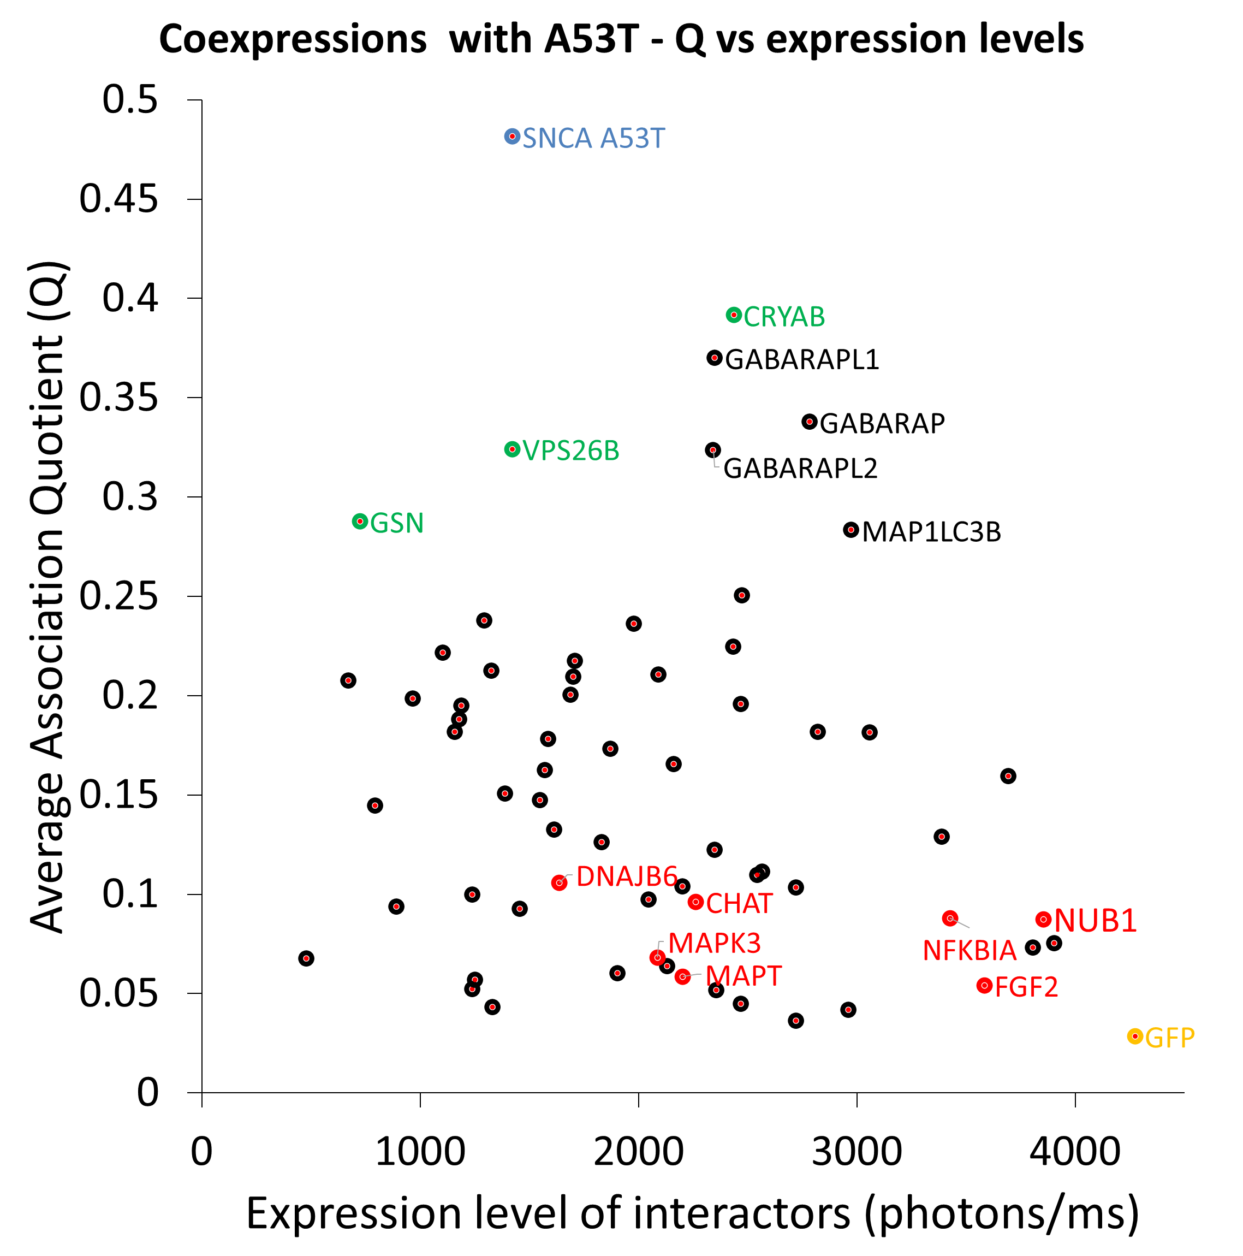
 |  |  |  | 4000 | 1 | 25 | 250 | 0.0062096469348 | 0.62096469348 | 4000 | 10 | 25 | 250 | 0.0061958820048 | 0.61958820048 | 4000 | 100 | 25 | 250 | 0.0060614967695 | 0.60614967695 | 4000 | 1000 | 25 | 250 | 0.0049800598998 | 0.49800598998 | CHAT | 2247.1905173 | 2724.8154595 | 3021.0910714 | 1125.754 | 2117.1015385
 |  |  |  | 4000 | 1 | 50 | 500 | 0.012342669055 | 1.2342669055 | 4000 | 10 | 50 | 500 | 0.01231564452 | 1.231564452 | 4000 | 100 | 50 | 500 | 0.01205169261 | 1.205169261 | 4000 | 1000 | 50 | 500 | 0.0099204783944 | 0.99204783944 | CLU | 523.20912738 | 561.18619403 | 580.02383333 | 595.518 | 356.10848214
 |  |  |  | 4000 | 1 | 75 | 750 | 0.018400475608 | 1.8400475608 | 4000 | 10 | 75 | 750 | 0.018360678371 | 1.8360678371 | 4000 | 100 | 75 | 750 | 0.017971808045 | 1.7971808045 | 4000 | 1000 | 75 | 750 | 0.014821611858 | 1.4821611858 | CRYAB | 402.13428079 | 728.30371765 | 445.82736 | 404.90069388 | 248.4174
 |  |  |  | 4000 | 1 | 100 | 1000 | 0.024384441502 | 2.4384441502 | 4000 | 10 | 100 | 1000 | 0.024332340785 | 2.4332340785 | 4000 | 100 | 100 | 1000 | 0.023823036597 | 2.3823036597 | 4000 | 1000 | 100 | 1000 | 0.019683814224 | 1.9683814224 | CSNK2A1 | 562.63249554 | 835.05571429 | 375.58434375 | 477.25742857 | #DIV/0!
 |  |  |  | 4000 | 1 | 125 | 1250 | 0.030295908347 | 3.0295908347 | 4000 | 10 | 125 | 1250 | 0.030231956399 | 3.0231956399 | 4000 | 100 | 125 | 1250 | 0.029606545504 | 2.9606545504 | 4000 | 1000 | 125 | 1250 | 0.024507436969 | 2.4507436969 | CSNK2A2 | 1895.7467678 | 1907.63905 | 1913.8610833 | 1865.7401702 | #DIV/0!
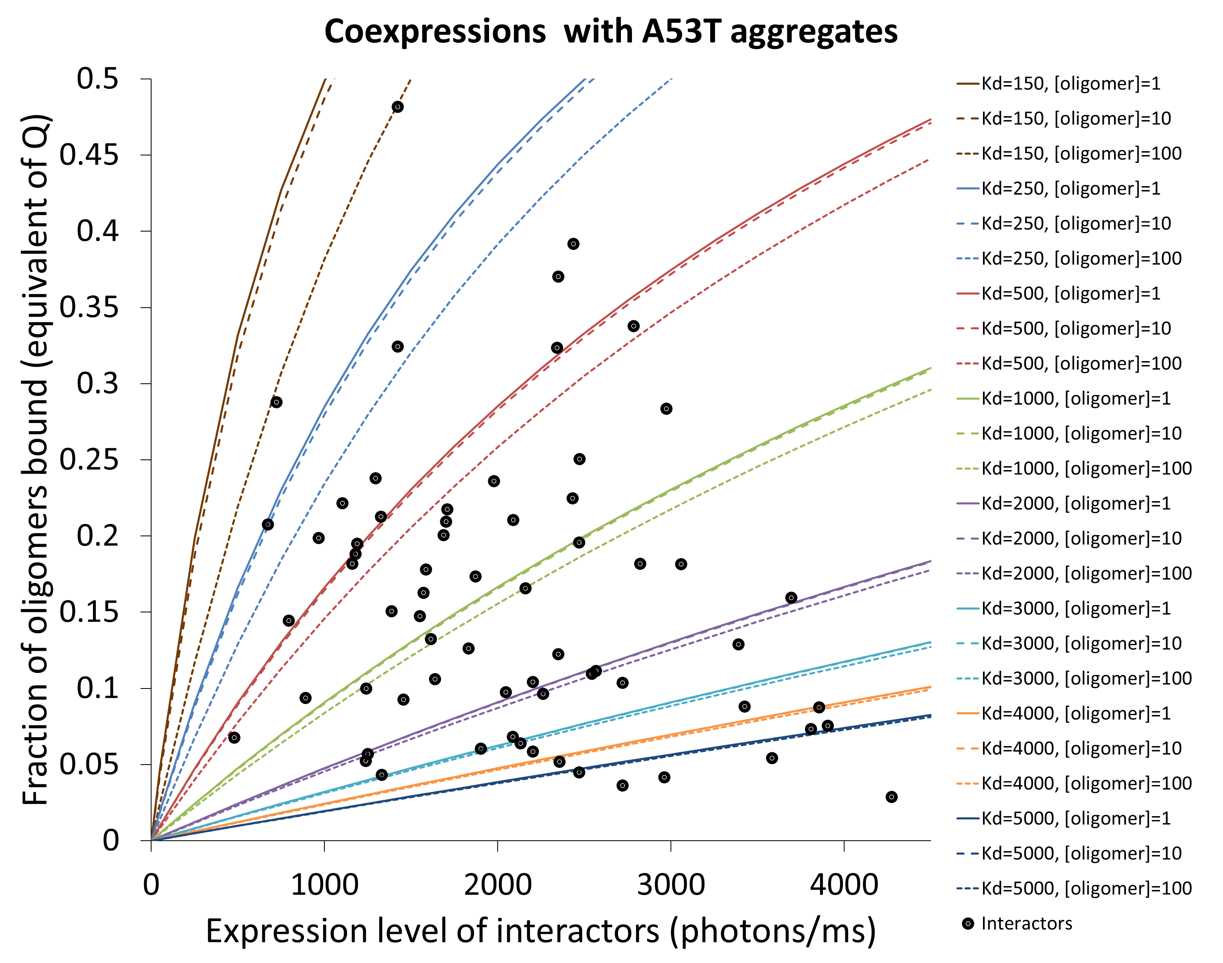
 |  |  |  | 4000 | 1 | 150 | 1500 | 0.036136185455 | 3.6136185455 | 4000 | 10 | 150 | 1500 | 0.036060818227 | 3.6060818227 | 4000 | 100 | 150 | 1500 | 0.035323476423 | 3.5323476423 | 4000 | 1000 | 150 | 1500 | 0.029292829094 | 2.9292829094 | CYC5 | 1305.364805 | 2243.7690366 | #DIV/0! | 998.58361062 | 1586.7519079
 |  |  |  | 4000 | 1 | 175 | 1750 | 0.041906550804 | 4.1906550804 | 4000 | 10 | 175 | 1750 | 0.041820188598 | 4.1820188598 | 4000 | 100 | 175 | 1750 | 0.04097494611 | 4.097494611 | 4000 | 1000 | 175 | 1750 | 0.034040337111 | 3.4040337111 | DNAJB1 | 1666.0223985 | 1007.361 | 1553.7399091 | 2012.5002 | 2090.4884848
 |  |  |  | 4000 | 1 | 200 | 2000 | 0.047608251975 | 4.7608251975 | 4000 | 10 | 200 | 2000 | 0.047511300056 | 4.7511300056 | 4000 | 100 | 200 | 2000 | 0.046562047075 | 4.6562047075 | 4000 | 1000 | 200 | 2000 | 0.038750305027 | 3.8750305027 | DNAJB6 | 1384.5723713 | 1757.223 | 1419.4656 | 1395.4085854 | 966.1923
 |  |  |  | 4000 | 1 | 225 | 2250 | 0.053242507043 | 5.3242507043 | 4000 | 10 | 225 | 2250 | 0.053135356236 | 5.3135356236 | 4000 | 100 | 225 | 2250 | 0.052085848222 | 5.2085848222 | 4000 | 1000 | 225 | 2250 | 0.043423074332 | 4.3423074332 | FGF2 | 6884.2542088 | 8268.4198542 | 10397.971053 | 1624.7094 | 7245.9165283
 |  |  |  | 4000 | 1 | 250 | 2500 | 0.058810505452 | 5.8810505452 | 4000 | 10 | 250 | 2500 | 0.058693532701 | 5.8693532701 | 4000 | 100 | 250 | 2500 | 0.057547395465 | 5.7547395465 | 4000 | 1000 | 250 | 2500 | 0.048058983989 | 4.8058983989 | FOXO3 | 3260.1925635 | 3362.3792308 | 2575.531 | 5101.1289231 | 2001.7311
 |  |  |  | 4000 | 1 | 275 | 2750 | 0.064313408844 | 6.4313408844 | 4000 | 10 | 275 | 2750 | 0.064186977755 | 6.4186977755 | 4000 | 100 | 275 | 2750 | 0.062947712331 | 6.2947712331 | 4000 | 1000 | 275 | 2750 | 0.052658370422 | 5.2658370422 | GABARAP | 547.72633272 | 852.92088889 | 526.05473016 | 337.49359756 | 474.43611429
 |  |  |  | 4000 | 1 | 300 | 3000 | 0.069752351869 | 6.9752351869 | 4000 | 10 | 300 | 3000 | 0.069616813227 | 6.9616813227 | 4000 | 100 | 300 | 3000 | 0.068287800539 | 6.8287800539 | 4000 | 1000 | 300 | 3000 | 0.057221567507 | 5.7221567507 | GABARAPL1 | 432.27427484 | 740.691 | 420.37411765 | 420.37411765 | 147.65786408
 |  |  |  | 4000 | 1 | 325 | 3250 | 0.075128442969 | 7.5128442969 | 4000 | 10 | 325 | 3250 | 0.074984135226 | 7.4984135226 | 4000 | 100 | 325 | 3250 | 0.073568640562 | 7.3568640562 | 4000 | 1000 | 325 | 3250 | 0.061748906566 | 6.1748906566 | GABARAPL2 | 485.36498688 | 848.28856637 | 524.12977982 | 226.31635135 | 342.72525
 |  |  |  | 4000 | 1 | 350 | 3500 | 0.08044276512 | 8.044276512 | 4000 | 10 | 350 | 3500 | 0.080290014877 | 8.0290014877 | 4000 | 100 | 350 | 3500 | 0.078791192179 | 7.8791192179 | 4000 | 1000 | 350 | 3500 | 0.066240716356 | 6.6240716356 | GAPDH | 3174.7312754 | 5443.6875636 | 2094.2791304 | 2333.4611111 | 2827.4972963
 |  |  |  | 4000 | 1 | 375 | 3750 | 0.08569637657 | 8.569637657 | 4000 | 10 | 375 | 3750 | 0.085535499023 | 8.5535499023 | 4000 | 100 | 375 | 3750 | 0.083956395 | 8.3956395 | 4000 | 1000 | 375 | 3750 | 0.070697323068 | 7.0697323068 | GBA | 1163.1589752 | 1544.9956364 | 2331.5989231 | 340.0544 | 1050.725
 |  |  |  | 4000 | 1 | 400 | 4000 | 0.090890311531 | 9.0890311531 | 4000 | 10 | 400 | 4000 | 0.090721610909 | 9.0721610909 | 4000 | 100 | 400 | 4000 | 0.089065168985 | 8.9065168985 | 4000 | 1000 | 400 | 4000 | 0.075119050319 | 7.5119050319 | GFP | 23120.863704 | 9840.9771667 | 36347.232857 | 23443.2237 | 22852.021091
 |  |  |  | 4000 | 1 | 425 | 4250 | 0.096025580866 | 9.6025580866 | 4000 | 10 | 425 | 4250 | 0.095849350841 | 9.5849350841 | 4000 | 100 | 425 | 4250 | 0.09411841494 | 9.411841494 | 4000 | 1000 | 425 | 4250 | 0.079506219149 | 7.9506219149 | GRK5 | 2377.3188868 | 2833.6308 | 2110.9075472 | 1569.686 | 2995.0512
 |  |  |  | 4000 | 1 | 450 | 4500 | 0.10110317274 | 10.110317274 | 4000 | 10 | 450 | 4500 | 0.10091969683 | 10.091969683 | 4000 | 100 | 450 | 4500 | 0.099117015004 | 9.9117015004 | 4000 | 1000 | 450 | 4500 | 0.08385914802 | 8.385914802 | GSN | 178.74055441 | 240.43534884 | 222.18505063 | 100.24181818 | 152.1
 |  |  |  | 5000 | 1 | 0 | 0 | 0 | 0 | 5000 | 10 | 0 | 0 | 0 | 0 | 5000 | 100 | 0 | 0 | 0 | 0 | 5000 | 1000 | 0 | 0 | 0 | 0 | HDAC6 | 792.85579907 | 1622.1270732 | #DIV/0! | 403.33619118 | 532.70261194
 |  |  |  | 5000 | 1 | 5 | 50 | 0.00099880163771 | 0.099880163771 | 5000 | 10 | 5 | 50 | 0.00099701095519 | 0.099701095519 | 5000 | 100 | 5 | 50 | 0.00097945072132 | 0.097945072132 | 5000 | 1000 | 5 | 50 | 0.00083275495101 | 0.083275495101 | HMOX1 | 1418.6968488 | 1632.2879219 | 1176.5260256 | 1741.4993174 | 1124.4741302
 |  |  |  | 5000 | 1 | 25 | 250 | 0.0049741394232 | 0.49741394232 | 5000 | 10 | 25 | 250 | 0.0049652922624 | 0.49652922624 | 5000 | 100 | 25 | 250 | 0.0048785131686 | 0.48785131686 | 5000 | 1000 | 25 | 250 | 0.0041522391851 | 0.41522391851 | HSP90 | 949.34929684 | 1072.0258182 | 722.35314894 | 441.08580645 | 1561.9324138
 |  |  |  | 5000 | 1 | 50 | 500 | 0.0098990492952 | 0.98990492952 | 5000 | 10 | 50 | 500 | 0.0098816159018 | 0.98816159018 | 5000 | 100 | 50 | 500 | 0.0097105688378 | 0.97105688378 | 5000 | 1000 | 50 | 500 | 0.0082757832377 | 0.82757832377 | HSPA1A | 3235.2930083 | 3816.609125 | 4575.228375 | 1594.6597333 | 2954.6748
 |  |  |  | 5000 | 1 | 75 | 750 | 0.014775456721 | 1.4775456721 | 5000 | 10 | 75 | 750 | 0.01474969037 | 1.474969037 | 5000 | 100 | 75 | 750 | 0.01449681464 | 1.449681464 | 5000 | 1000 | 75 | 750 | 0.012370870525 | 1.2370870525 | HSPB1 | 1574.7372915 | 3820.2521972 | 1479.2706667 | 419.18814815 | 580.23815385
 |  |  |  | 5000 | 1 | 100 | 1000 | 0.019604074558 | 1.9604074558 | 5000 | 10 | 100 | 1000 | 0.019570221122 | 1.9570221122 | 5000 | 100 | 100 | 1000 | 0.019237886467 | 1.9237886467 | 5000 | 1000 | 100 | 1000 | 0.016437737576 | 1.6437737576 | HSPD1 | 668.33148117 | 752.82701493 | 970.981 | 281.18642857 | #DIV/0!
 |  |  |  | 5000 | 1 | 125 | 1250 | 0.024385601767 | 2.4385601767 | 5000 | 10 | 125 | 1250 | 0.024343899952 | 2.4343899952 | 5000 | 100 | 125 | 1250 | 0.023934408726 | 2.3934408726 | 5000 | 1000 | 125 | 1250 | 0.020476619091 | 2.0476619091 | HSPH1 | 1005.1744623 | 1156.2538889 | 612.37578947 | 1353.247037 | 614.98228571
 |  |  |  | 5000 | 1 | 150 | 1500 | 0.029120723746 | 2.9120723746 | 5000 | 10 | 150 | 1500 | 0.029071405323 | 2.9071405323 | 5000 | 100 | 150 | 1500 | 0.028586994595 | 2.8586994595 | 5000 | 1000 | 150 | 1500 | 0.024487747935 | 2.4487747935 | IGHG1 | 434.36117501 | 464.33469231 | 588.33094737 | 263.38466038 | 421.3944
 |  |  |  | 5000 | 1 | 175 | 1750 | 0.033810112659 | 3.3810112659 | 5000 | 10 | 175 | 1750 | 0.033753402685 | 3.3753402685 | 5000 | 100 | 175 | 1750 | 0.03319624627 | 3.319624627 | 5000 | 1000 | 175 | 1750 | 0.028471355152 | 2.8471355152 | MAP1LC3B | 797.45209356 | 1284.9122449 | 499.32278947 | 424.25522222 | 981.31811765
 |  |  |  | 5000 | 1 | 200 | 2000 | 0.038454427753 | 3.8454427753 | 5000 | 10 | 200 | 2000 | 0.038390544787 | 3.8390544787 | 5000 | 100 | 200 | 2000 | 0.037762755202 | 3.7762755202 | 5000 | 1000 | 200 | 2000 | 0.032427669964 | 3.2427669964 | MAPK1 | 789.46475966 | 1107.147 | 806.93617021 | 939.12626316 | 304.64960526
 |  |  |  | 5000 | 1 | 225 | 2250 | 0.043054315667 | 4.3054315667 | 5000 | 10 | 225 | 2250 | 0.042983471975 | 4.2983471975 | 5000 | 100 | 225 | 2250 | 0.042287102329 | 4.2287102329 | 5000 | 1000 | 225 | 2250 | 0.036356919778 | 3.6356919778 | MAPK3 | 2905.2025647 | 3197.0143333 | 3627.1356338 | 2139.1945116 | 2657.46578
 |  |  |  | 5000 | 1 | 250 | 2500 | 0.047610410732 | 4.7610410732 | 5000 | 10 | 250 | 2500 | 0.047532812487 | 4.7532812487 | 5000 | 100 | 250 | 2500 | 0.046769858311 | 4.6769858311 | 5000 | 1000 | 250 | 2500 | 0.040259330187 | 4.0259330187 | MAPK8 | 567.12716064 | 1223.9087077 | 707.54266234 | 169.91114754 | 167.146125
 |  |  |  | 5000 | 1 | 275 | 2750 | 0.052123335262 | 5.2123335262 | 5000 | 10 | 275 | 2750 | 0.052039182737 | 5.2039182737 | 5000 | 100 | 275 | 2750 | 0.051211583745 | 5.1211583745 | 5000 | 1000 | 275 | 2750 | 0.044135124981 | 4.4135124981 | MAPT | 3761.3703576 | 3337.39408 | 5193.4359697 | 5348.6873636 | 6139.9616667
 |  |  |  | 5000 | 1 | 300 | 3000 | 0.056593699839 | 5.6593699839 | 5000 | 10 | 300 | 3000 | 0.05650318759 | 5.650318759 | 5000 | 100 | 300 | 3000 | 0.055612829385 | 5.5612829385 | 5000 | 1000 | 300 | 3000 | 0.047984526151 | 4.7984526151 | NBR1 | 381.68724961 | 387.99403125 | 373.11605217 | 355.16647059 | 410.47244444
 |  |  |  | 5000 | 1 | 325 | 3250 | 0.061022103586 | 6.1022103586 | 5000 | 10 | 325 | 3250 | 0.060925420631 | 6.0925420631 | 5000 | 100 | 325 | 3250 | 0.059974136351 | 5.9974136351 | 5000 | 1000 | 325 | 3250 | 0.051807753891 | 5.1807753891 | NEDD8 | 1983.2589063 | 2811.9542857 | 1883.7621129 | 1447.1196471 | 1790.1995797
 |  |  |  | 5000 | 1 | 350 | 3500 | 0.065409134434 | 6.5409134434 | 5000 | 10 | 350 | 3500 | 0.06530646443 | 6.530646443 | 5000 | 100 | 350 | 3500 | 0.064296036336 | 6.4296036336 | 5000 | 1000 | 350 | 3500 | 0.055605026612 | 5.5605026612 | NFKB1A | 3979.2387408 | 3487.4843871 | 1708.6896429 | 4955.2291556 | 5765.5517778
 |  |  |  | 5000 | 1 | 375 | 3750 | 0.069755369384 | 6.9755369384 | 5000 | 10 | 375 | 3750 | 0.069646890788 | 6.9646890788 | 5000 | 100 | 375 | 3750 | 0.068579051805 | 6.8579051805 | 5000 | 1000 | 375 | 3750 | 0.059376560939 | 5.9376560939 | NUB1 | 4170.4454831 | 5194.9631731 | 4126.7767593 | 2423.0085 | 4937.0335
 |  |  |  | 5000 | 1 | 400 | 4000 | 0.074061374762 | 7.4061374762 | 5000 | 10 | 400 | 4000 | 0.073947260993 | 7.3947260993 | 5000 | 100 | 400 | 4000 | 0.072823696195 | 7.2823696195 | 5000 | 1000 | 400 | 4000 | 0.063122571728 | 6.3122571728 | PARK2 | 850.36367697 | 989.02283333 | 397.10589474 | 861.29109091 | 1154.0348889
 |  |  |  | 5000 | 1 | 425 | 4250 | 0.078327706456 | 7.8327706456 | 5000 | 10 | 425 | 4250 | 0.078208126055 | 7.8208126055 | 5000 | 100 | 425 | 4250 | 0.077030474098 | 7.7030474098 | 5000 | 1000 | 425 | 4250 | 0.066843272065 | 6.6843272065 | PARK7 | 5336.6387322 | 5345.4204286 | 7294.7654348 | 3369.7303333 | #DIV/0!
 |  |  |  | 5000 | 1 | 450 | 4500 | 0.082554910166 | 8.2554910166 | 5000 | 10 | 450 | 4500 | 0.08243002694 | 8.243002694 | 5000 | 100 | 450 | 4500 | 0.081199881455 | 8.1199881455 | 5000 | 1000 | 450 | 4500 | 0.070538873278 | 7.0538873278 | PIN1 | 2517.7110229 | 2622.4398649 | 2235.7096667 | 2592.2731905 | 1230.014973
 |  |  |  |  |  |  |  |  |  |  |  |  |  |  |  |  |  |  |  |  |  |  |  |  |  |  |  | PINK1 | 777.7174413 | 521.32861111 | 372.41071552 | 525.53109677 | 2148.2776
 |  |  |  |  |  |  |  |  |  |  |  |  |  |  |  |  |  |  |  |  |  |  |  |  |  |  |  | PLCD1 | 2215.9466744 | 2948.2394118 | 2296.9972857 | 1074.33 | 2544.22
 |  |  |  |  |  |  |  |  |  |  |  |  |  |  |  |  |  |  |  |  |  |  |  |  |  |  |  | PSMC6 | 1453.944642 | 1668.3248889 | 1251.1511417 | 1182.2256 | 1714.0769375
 |  |  |  |  |  |  |  |  |  |  |  |  |  |  |  |  |  |  |  |  |  |  |  |  |  |  |  | PSME1 | 2152.8791519 | 2145.273 | 3315.1717742 | 1318.7218333 | 1832.35
 |  |  |  |  |  |  |  |  |  |  |  |  |  |  |  |  |  |  |  |  |  |  |  |  |  |  |  | RBX1 | 739.42415991 | 1486.6543291 | 546.30162162 | 479.51713333 | 445.22355556
 |  |  |  |  |  |  |  |  |  |  |  |  |  |  |  |  |  |  |  |  |  |  |  |  |  |  |  | SEPO4 | 1317.2555829 | 1104.6849474 | 1245.1660755 | 1832.4404286 | 1086.73088
 |  |  |  |  |  |  |  |  |  |  |  |  |  |  |  |  |  |  |  |  |  |  |  |  |  |  |  | SIAH1 | 688.39571759 | 1541.3406939 | #DIV/0! | 440.592 | 471.58117647
 |  |  |  |  |  |  |  |  |  |  |  |  |  |  |  |  |  |  |  |  |  |  |  |  |  |  |  | SLC18A2 | 2128.5835312 | 2366.0018182 | 2475.4408252 | 2298.0715789 | 1374.8199024
 |  |  |  |  |  |  |  |  |  |  |  |  |  |  |  |  |  |  |  |  |  |  |  |  |  |  |  | SNCA | #DIV/0! | #DIV/0! | #DIV/0! | #DIV/0! | #DIV/0!
 |  |  |  |  |  |  |  |  |  |  |  |  |  |  |  |  |  |  |  |  |  |  |  |  |  |  |  | SNCAIP | 976.09339455 | 927.51 | 1349.5584058 | 336.10734783 | 1291.1978246
 |  |  |  |  |  |  |  |  |  |  |  |  |  |  |  |  |  |  |  |  |  |  |  |  |  |  |  | SOD1 | 8113.6281779 | 9175.7388333 | 6921.7234783 | 4437.392 | 11919.6584
 |  |  |  |  |  |  |  |  |  |  |  |  |  |  |  |  |  |  |  |  |  |  |  |  |  |  |  | SOD2 | 1110.6490642 | 947.87689286 | 1364.8206154 | 799.92892683 | 1393.964
 |  |  |  |  |  |  |  |  |  |  |  |  |  |  |  |  |  |  |  |  |  |  |  |  |  |  |  | SYP | 468.42592447 | 399.29525397 | 248.32420909 | 161.19847826 | 493.02094545
 |  |  |  |  |  |  |  |  |  |  |  |  |  |  |  |  |  |  |  |  |  |  |  |  |  |  |  | SYT11 | 1144.8829668 | 1160.6799375 | 1896.4936667 | 680.32226316 | 842.036
 |  |  |  |  |  |  |  |  |  |  |  |  |  |  |  |  |  |  |  |  |  |  |  |  |  |  |  | TGM2 | 867.74276626 | 1217.05 | 891.17290244 | 972.56833333 | 390.17982927
 |  |  |  |  |  |  |  |  |  |  |  |  |  |  |  |  |  |  |  |  |  |  |  |  |  |  |  | TOR1A | 243.18290481 | 441.78532075 | 256.9114 | 169.21168421 | 104.82321429
 |  |  |  |  |  |  |  |  |  |  |  |  |  |  |  |  |  |  |  |  |  |  |  |  |  |  |  | TPM1 | 5280.1800115 | 5083.06225 | 8433.0574324 | 2620.042 | 4984.5583636
 |  |  |  |  |  |  |  |  |  |  |  |  |  |  |  |  |  |  |  |  |  |  |  |  |  |  |  | TRAF6 | 426.06084216 | 427.51542857 | 410.96 | 157.82065116 | 707.94728889
 |  |  |  |  |  |  |  |  |  |  |  |  |  |  |  |  |  |  |  |  |  |  |  |  |  |  |  | TUBG1 | 1277.8351289 | 2165.0988333 | 1241.2551818 | 2245.5749286 | 1130.9076923
 |  |  |  |  |  |  |  |  |  |  |  |  |  |  |  |  |  |  |  |  |  |  |  |  |  |  |  | UBA1 | 2512.7055012 | 4230.3194286 | 999.867 | 1054.806 | 3765.8295763
 |  |  |  |  |  |  |  |  |  |  |  |  |  |  |  |  |  |  |  |  |  |  |  |  |  |  |  | UCHL1 | 8669.7685992 | 6504.5037391 | 10365.19375 | 1130.8791429 | 16678.497765
 |  |  |  |  |  |  |  |  |  |  |  |  |  |  |  |  |  |  |  |  |  |  |  |  |  |  |  | VPS26B | 302.39931103 | 270.34476 | 228.43392308 | 408.41925 | #DIV/0!
 |  |  |  |  |  |  |  |  |  |  |  |  |  |  |  |  |  |  |  |  |  |  |  |  |  |  |  | YWHAG | 7429.7190271 | 10811.579043 | 8263.2149091 | 7506.4694286 | 3137.6127273
 |  |  |  |  |  |  |  |  |  |  |  |  |  |  |  |  |  |  |  |  |  |  |  |  |  |  |  | YWHAH | 4848.903125 | 6757.72625 | 2940.08 | #DIV/0! | #DIV/0!

FIG4 - PRE-FORMED OLIGOMERS
...
MIXING WITH PRE-FORMED A53T OLIGOMERS IN CELL-FREE
0.4231 | 0.3456 | 0.4211 | 0.5211 | 0.427725 | 0.062307077246
0.037469719938 | 0.074376650123 | 0.070454696157 | 0.19531893378 | 0.094405 | 0.06 |  | No Oligomers control | Oligomers added | Std error of the mean | std error of the mean
0.0074158849417 | 0.0013686314487 | 0.1155134856 | 0.089733998005 | 0.053508 | 0.05 | GFP | 7.9278492237 | 8.2669676009
0.0069995032842 | 0.00056271146886 | 0.0025276061808 | 0.023365391428 | 0.0083638030904 | 0.0089697713385 | CHAT | 13.82827317 | 19.670707932 | 2.4719075476 | 1.1636880037
0.423 | 0.21 | 0.2342 | 0.321 | 0.29705 | 0.083613440905 | CRYAB | 26.491917141 | 50.128919552 | 3.0052390719 | 6.5720732338
0.086669889198 | 0.093109678054 | 0.09609811766 | 0.046446315088 | 0.080581 | 0.02 | GABARAP | 11.290082987 | 35.159300706 | 0.307195982 | 6.3271882418
0.12068620782 | 0.036228858756 | 0.071371474241 | 0.076029459179 | 0.076079 | 0.03 | GABARAPL1 | 12.26410174 | 28.181413877 | 1.2862368936 | 6.8929888401
0.068491394639 | 0.059753251743 | 0.13492178845 | 0.046993565164 | 0.07754 | 0.034 | GABARAPL2 | 13.425098237 | 32.342508586 | 1.8205320979 | 5.4655450754
0.061735095247 | 0.25504088543 | 0.083125274517 | 0.068594744808 | 0.117124 | 0.08 | MAP1LC3B | 11.299052442 | 16.730237597 | 1.1063637955 | 1.0656270773
0.23564048924 | 0.21386811718 | 0.23446548985 | 0.11426590374 | 0.19956 | 0.05 | PARK7 | 10.357803253 | 16.626231416 | 0.079107304044 | 0.28077216657
 | No Oligomers control | Oligomers added
GFP | 7.9278492237 | 8.2669676009
CHAT | 13.82827317 | 19.670707932
CRYAB | 26.491917141 | 50.128919552
GABARAP | 11.290082987 | 35.159300706
GABARAPL1 | 12.26410174 | 28.181413877
GABARAPL2 | 13.425098237 | 32.342508586
MAP1LC3B | 11.299052442 | 16.730237597
PARK7 | 10.357803253 | 16.626231416

FIG5 - FIBRILS Q VALUES
...
Binding to Amyloid Fibrils of α-SYN
 | Kd=50 nM |  | Kd=150 nM |  | Kd=250 nM |  | Kd=500 nM |  | Kd=1000 nM |  | Kd=2000 nM |  | Kd=3000 nM |  | Kd=5000 nM |  | Kd=15000 nM |  | Interactors
0 | 0 | 0 | 0 | 0 | 0 | 0 | 0 | 0 | 0 | 0 | 0 | 0 | 0 | 0 | 0 | 0 | 0 | 1062.7966667 | 0.3378501399
50 | 0.032958896017 | 50 | 0.019760978937 | 50 | 0.014140834706 | 50 | 0.0082757832377 | 50 | 0.004526741302 | 50 | 0.0023755650028 | 50 | 0.00161038948 | 50 | 0.00097945072132 | 50 | 0.0003310169452 | 984.11333333 | 0.18770378522
250 | 0.15692966918 | 250 | 0.094131154255 | 250 | 0.06789596315 | 250 | 0.040259330187 | 250 | 0.022266292246 | 250 | 0.011771226436 | 250 | 0.0080020490492 | 250 | 0.0048785131686 | 250 | 0.0016529106255 | 1235.4033333 | 0.37874464453
500 | 0.29289321881 | 500 | 0.17712434447 | 500 | 0.12917130661 | 500 | 0.077855614888 | 500 | 0.043643894743 | 500 | 0.023281023538 | 500 | 0.01588102244 | 500 | 0.0097105688378 | 500 | 0.0033004019317 | 715.11666667 | 0.37034244548
750 | 0.40692966918 | 750 | 0.25 | 750 | 0.18447816297 | 750 | 0.11300291233 | 750 | 0.064180350415 | 750 | 0.034537602113 | 750 | 0.023639648283 | 750 | 0.01449681464 | 750 | 0.0049425003513 | 835.44333333 | 0.29767181651
1000 | 0.5 | 1000 | 0.31385933837 | 1000 | 0.23443556293 | 1000 | 0.14589803375 | 1000 | 0.0839202169 | 1000 | 0.045548849897 | 1000 | 0.031280577329 | 1000 | 0.019237886467 | 1000 | 0.0065792321467 | 354.01 | 0.1462433971
1250 | 0.57460947032 | 1250 | 0.36980067765 | 1250 | 0.27961817322 | 1250 | 0.17672144397 | 1250 | 0.10290526478 | 1250 | 0.056322346369 | 1250 | 0.038806385599 | 1250 | 0.023934408726 | 1250 | 0.0082106234111 | 1693.0625 | 0.18767110763
1500 | 0.63397459622 | 1500 | 0.41886116992 | 1500 | 0.32055052823 | 1500 | 0.20563828031 | 1500 | 0.12117466393 | 1500 | 0.066865376827 | 1500 | 0.046219576901 | 1500 | 0.028586994595 | 1500 | 0.00983670007 | 760.63 | 0.15661214757
1750 | 0.68127069559 | 1750 | 0.46198316304 | 1750 | 0.3577053566 | 1750 | 0.23279942892 | 1750 | 0.13876515837 | 1750 | 0.077184945752 | 1750 | 0.053522585256 | 1750 | 0.03319624627 | 1750 | 0.011457487882 | 1080.71 | 0.18013365843
2000 | 0.7192235936 | 2000 | 0.5 | 2000 | 0.39150471699 | 2000 | 0.25834261323 | 2000 | 0.15571122978 | 2000 | 0.087287789487 | 2000 | 0.060717777226 | 2000 | 0.037762755202 | 2000 | 0.013073012442 | 1140.6975 | 0.43868135881
2250 | 0.75 | 2250 | 0.53363501717 | 2250 | 0.42232289121 | 2250 | 0.28239346277 | 2250 | 0.17204525043 | 2250 | 0.097180388295 | 2250 | 0.067807454161 | 2250 | 0.042287102329 | 2250 | 0.01468329918 | 1142.5466667 | 0.40615477077
2500 | 0.77525512861 | 2500 | 0.5635083269 | 2500 | 0.4504902432 | 2500 | 0.30506654049 | 2500 | 0.1877976258 | 2500 | 0.1068689778 | 2500 | 0.074793854348 | 2500 | 0.046769858311 | 2500 | 0.016288373362 | 953.766875 | 0.37148813973
2750 | 0.79623177341 | 2750 | 0.59014742549 | 2750 | 0.47629748745 | 2750 | 0.32646631482 | 2750 | 0.20299692746 | 2750 | 0.11635955988 | 2750 | 0.081679155093 | 2750 | 0.051211583745 | 2750 | 0.017888260097 | 2404.7125 | 0.33916559557
3000 | 0.81385933837 | 3000 | 0.61399906367 | 3000 | 0.5 | 3000 | 0.34668806854 | 3000 | 0.21767001687 | 3000 | 0.12565791296 | 3000 | 0.088465474712 | 3000 | 0.055612829385 | 3000 | 0.019482984329 | 446.415 | 0.38406393231
3250 | 0.82883539039 | 3250 | 0.6354408916 | 3250 | 0.52182194737 | 3250 | 0.36581874065 | 3250 | 0.23184216052 | 3250 | 0.13476960188 | 3250 | 0.095154874456 | 3250 | 0.059974136351 | 3250 | 0.021072570848 | 1536.65 | 0.39688984204
3500 | 0.84168760482 | 3500 | 0.65479212009 | 3500 | 0.54196010845 | 3500 | 0.38393770086 | 3500 | 0.24553713694 | 3500 | 0.1436999872 | 3500 | 0.10174936036 | 3500 | 0.064296036336 | 3500 | 0.022657044283 | 465.88 | 0.39149487787
3750 | 0.85281914016 | 3750 | 0.67232289121 | 3750 | 0.56058733197 | 3750 | 0.40111745796 | 3750 | 0.25877733625 | 3750 | 0.15245423408 | 3750 | 0.10825088501 | 3750 | 0.068579051805 | 3750 | 0.024236429108 | 918.8375 | 0.45554028135
4000 | 0.86254139118 | 4000 | 0.68826230851 | 4000 | 0.57785561489 | 4000 | 0.41742430504 | 4000 | 0.2715838526 | 4000 | 0.16103732075 | 4000 | 0.11466134929 | 4000 | 0.072823696195 | 4000 | 0.025810749644 | 973.26 | 0.24370291441
4250 | 0.87109755726 | 4250 | 0.7028052092 | 4250 | 0.5938988129 | 4250 | 0.43291890522 | 4250 | 0.28397656999 | 4250 | 0.16945404649 | 4250 | 0.12098260398 | 4250 | 0.077030474098 | 4250 | 0.027380030055 | 861.7525 | 0.27096040143
4500 | 0.87867965644 | 4500 | 0.71611781858 | 4500 | 0.60883500844 | 4500 | 0.44765682193 | 4500 | 0.29597424206 | 4500 | 0.17770903932 | 4500 | 0.12721645142 | 4500 | 0.081199881455 | 4500 | 0.028944294355 | 2608.166 | 0.016806773808
5000 | 0.89150471699 | 5000 | 0.7396013553 | 5000 | 0.6357919263 | 5000 | 0.47506218944 | 5000 | 0.31885425213 | 5000 | 0.19375152513 | 5000 | 0.13942890051 | 5000 | 0.089428526094 | 5000 | 0.032057869917 | 1447.505 | 0.33699780194
6000 | 0.9105458271 | 6000 | 0.77688900264 | 6000 | 0.68029485098 | 6000 | 0.52277442495 | 6000 | 0.36058970195 | 6000 | 0.22408195265 | 6000 | 0.16287917911 | 6000 | 0.105458271 | 6000 | 0.038225867624 | 607.08166667 | 0.087138267031
7000 | 0.92396632609 | 7000 | 0.80506654049 | 7000 | 0.7154107132 | 7000 | 0.56282895648 | 7000 | 0.39767473296 | 7000 | 0.25227291513 | 7000 | 0.18511227777 | 7000 | 0.12094184361 | 7000 | 0.044316227392 | 868.50333333 | 0.19255039542
8000 | 0.93391561938 | 8000 | 0.82704849676 | 8000 | 0.74375390137 | 8000 | 0.59687576257 | 8000 | 0.43082142639 | 8000 | 0.27853734667 | 8000 | 0.20621861843 | 8000 | 0.13590627995 | 8000 | 0.050330397163 | 1629.9675 | 0.073980510792
9000 | 0.9415780151 | 9000 | 0.84464578241 | 9000 | 0.76707195013 | 9000 | 0.62613645757 | 9000 | 0.46060798583 | 9000 | 0.3030615433 | 9000 | 0.22628006671 | 9000 | 0.1503768868 | 9000 | 0.056269789307 | 1348.62 | 0.18791501566
10000 | 0.94765682193 | 10000 | 0.85903533679 | 10000 | 0.78656977906 | 10000 | 0.65153077165 | 10000 | 0.48750780275 | 10000 | 0.32600909451 | 10000 | 0.24537089947 | 10000 | 0.16437737576 | 10000 | 0.06213578171 | 529.36666667 | 0.12022001052
12000 | 0.95668488687 | 12000 | 0.88113039857 | 12000 | 0.81728768807 | 12000 | 0.69337613708 | 12000 | 0.53414390027 | 12000 | 0.3677341951 | 12000 | 0.28090482608 | 12000 | 0.19105559109 | 12000 | 0.073652912586 | 1314.228 | 0.10846508527
14000 | 0.96306401975 | 14000 | 0.89727941507 | 14000 | 0.84035399022 | 14000 | 0.7263815045 | 14000 | 0.57313955812 | 14000 | 0.40467900272 | 14000 | 0.31329226767 | 14000 | 0.21610308528 | 14000 | 0.084892161692 | 681.34 | 0.16968496763
16000 | 0.96780879186 | 16000 | 0.90958634119 | 16000 | 0.85829037811 | 16000 | 0.75304923404 | 16000 | 0.60620304177 | 16000 | 0.43760813181 | 16000 | 0.34292764618 | 16000 | 0.23966326087 | 16000 | 0.095863411939 | 560.21 | 0.12958626966
18000 | 0.97147506696 | 18000 | 0.91927119674 | 18000 | 0.87262686743 | 18000 | 0.77502783968 | 18000 | 0.63457537614 | 18000 | 0.46713368933 | 18000 | 0.37014297597 | 18000 | 0.26186336846 | 18000 | 0.10657608557 | 910.09 | 0.22207582502
20000 | 0.97439260199 | 20000 | 0.92708858897 | 20000 | 0.88434309395 | 20000 | 0.79344438427 | 20000 | 0.65917792034 | 20000 | 0.49375097626 | 20000 | 0.39521957873 | 20000 | 0.28281669412 | 20000 | 0.11703917057 | 1479.34 | 0.26985268504
22000 | 0.97676928679 | 22000 | 0.93352970224 | 22000 | 0.89409429862 | 22000 | 0.80909404173 | 22000 | 0.68070798044 | 22000 | 0.51786474164 | 22000 | 0.41839728851 | 22000 | 0.30262440452 | 22000 | 0.12726124523 | 968.105 | 0.25481346484
24000 | 0.97874263301 | 24000 | 0.93892774775 | 24000 | 0.90233484247 | 24000 | 0.82255312124 | 24000 | 0.69970238359 | 24000 | 0.539808744 | 24000 | 0.43988174453 | 24000 | 0.32137710996 | 24000 | 0.13725050114 | 1048.07 | 0.35433518568
26000 | 0.98040721088 | 26000 | 0.94351661783 | 26000 | 0.90938946433 | 26000 | 0.8342491119 | 26000 | 0.71658075622 | 26000 | 0.55986050609 | 26000 | 0.45985021438 | 26000 | 0.33915619382 | 26000 | 0.14701476464 | 427.09 | 0.16695197489
28000 | 0.98183018699 | 28000 | 0.94746525961 | 28000 | 0.91549630085 | 28000 | 0.8445055786 | 28000 | 0.73167562088 | 28000 | 0.57825257219 | 28000 | 0.47845627814 | 28000 | 0.3560349479 | 28000 | 0.15656151681 | 1085.3266667 | 0.33423175591
30000 | 0.98306057438 | 30000 | 0.95089871921 | 30000 | 0.92083388172 | 30000 | 0.85357180052 | 30000 | 0.74525373486 | 30000 | 0.59518118918 | 30000 | 0.49583362265 | 30000 | 0.37207954553 | 30000 | 0.16589791225 | 860.81666667 | 0.20180422185
 |  |  |  |  |  |  |  |  |  |  |  |  |  |  |  |  |  | 1913.0325 | 0.083356130308
 |  |  |  |  |  |  |  |  |  |  |  |  |  |  |  |  |  | 1333.935 | 0.35036107935
 |  |  |  |  |  |  |  |  |  |  |  |  |  |  |  |  |  | 2193.01 | 0.32876712329
 |  |  |  |  |  |  |  |  |  |  |  |  |  |  |  |  |  | 1301.475 | 0.15350110084
 |  |  |  |  |  |  |  |  |  |  |  |  |  |  |  |  |  | 1775.135 | 0.11184849773
 |  |  |  |  |  |  |  |  |  |  |  |  |  |  |  |  |  | 1953.376 | 0.23829141499
 |  |  |  |  |  |  |  |  |  |  |  |  |  |  |  |  |  | 647.1525 | 0.17531725686
 |  |  |  |  |  |  |  |  |  |  |  |  |  |  |  |  |  | 1733.3766667 | 0.24371259658
 |  |  |  |  |  |  |  |  |  |  |  |  |  |  |  |  |  | 1273.7566667 | 0.21722855597
 |  |  |  |  |  |  |  |  |  |  |  |  |  |  |  |  |  | 918.12333333 | 0.064798835816
 |  |  |  |  |  |  |  |  |  |  |  |  |  |  |  |  |  | 627.5575 | 0.14769462376
 |  |  |  |  |  |  |  |  |  |  |  |  |  |  |  |  |  | 1316.19 | 0.13759012454
 |  |  |  |  |  |  |  |  |  |  |  |  |  |  |  |  |  | 976.42 | 0.044308139347
 |  |  |  |  |  |  |  |  |  |  |  |  |  |  |  |  |  | 1232.0133333 | 0.085658939918
...
oligomer | protein (nM expression) | expression read | fraction bound | %
100 | 0 | 0 | 0 | 0
100 | 5 | 50 | 0.0004948069751 | 0.04948069751
100 | 25 | 250 | 0.0024691960191 | 0.24691960191
100 | 50 | 500 | 0.0049263474768 | 0.49263474768
100 | 75 | 750 | 0.0073715414214 | 0.73715414214
100 | 100 | 1000 | 0.0098048640721 | 0.98048640721
100 | 125 | 1250 | 0.01222640083 | 1.222640083
100 | 150 | 1500 | 0.014636236287 | 1.4636236287
100 | 175 | 1750 | 0.017034454235 | 1.7034454235
100 | 200 | 2000 | 0.019421137676 | 1.9421137676
100 | 225 | 2250 | 0.02179636883 | 2.179636883
100 | 250 | 2500 | 0.024160229147 | 2.4160229147
100 | 275 | 2750 | 0.026512799311 | 2.6512799311
100 | 300 | 3000 | 0.028854159255 | 2.8854159255
100 | 325 | 3250 | 0.031184388164 | 3.1184388164
100 | 350 | 3500 | 0.033503564486 | 3.3503564486
100 | 375 | 3750 | 0.035811765943 | 3.5811765943
100 | 400 | 4000 | 0.038109069535 | 3.8109069535
100 | 425 | 4250 | 0.040395551549 | 4.0395551549
100 | 450 | 4500 | 0.042671287571 | 4.2671287571
100 | 500 | 5000 | 0.047190820505 | 4.7190820505
100 | 600 | 6000 | 0.05610418392 | 5.610418392
100 | 700 | 7000 | 0.064853759353 | 6.4853759353
100 | 800 | 8000 | 0.073443981821 | 7.3443981821
100 | 900 | 9000 | 0.081879129016 | 8.1879129016
100 | 1000 | 10000 | 0.09016332816 | 9.016332816
100 | 1200 | 12000 | 0.10629467751 | 10.629467751
100 | 1400 | 14000 | 0.12186827719 | 12.186827719
100 | 1600 | 16000 | 0.13691235036 | 13.691235036
100 | 1800 | 18000 | 0.15145326126 | 15.145326126
100 | 2000 | 20000 | 0.16551566475 | 16.551566475
100 | 2200 | 22000 | 0.17912264163 | 17.912264163
100 | 2400 | 24000 | 0.19229582146 | 19.229582146
100 | 2600 | 26000 | 0.20505549414 | 20.505549414
100 | 2800 | 28000 | 0.21742071136 | 21.742071136
100 | 3000 | 30000 | 0.22940937911 | 22.940937911
100 | protein (nM expression) | expression read | fraction bound | %
100 | 0 | 0 | 0 | 0
100 | 5 | 50 | 0.0003310169452 | 0.03310169452
100 | 25 | 250 | 0.0016529106255 | 0.16529106255
100 | 50 | 500 | 0.0033004019317 | 0.33004019317
100 | 75 | 750 | 0.0049425003513 | 0.49425003513
100 | 100 | 1000 | 0.0065792321467 | 0.65792321467
100 | 125 | 1250 | 0.0082106234111 | 0.82106234111
100 | 150 | 1500 | 0.00983670007 | 0.983670007
100 | 175 | 1750 | 0.011457487882 | 1.1457487882
100 | 200 | 2000 | 0.013073012442 | 1.3073012442
100 | 225 | 2250 | 0.01468329918 | 1.468329918
100 | 250 | 2500 | 0.016288373362 | 1.6288373362
100 | 275 | 2750 | 0.017888260097 | 1.7888260097
100 | 300 | 3000 | 0.019482984329 | 1.9482984329
100 | 325 | 3250 | 0.021072570848 | 2.1072570848
100 | 350 | 3500 | 0.022657044283 | 2.2657044283
100 | 375 | 3750 | 0.024236429108 | 2.4236429108
100 | 400 | 4000 | 0.025810749644 | 2.5810749644
100 | 425 | 4250 | 0.027380030055 | 2.7380030055
100 | 450 | 4500 | 0.028944294355 | 2.8944294355
100 | 500 | 5000 | 0.032057869917 | 3.2057869917
100 | 600 | 6000 | 0.038225867624 | 3.8225867624
100 | 700 | 7000 | 0.044316227392 | 4.4316227392
100 | 800 | 8000 | 0.050330397163 | 5.0330397163
100 | 900 | 9000 | 0.056269789307 | 5.6269789307
100 | 1000 | 10000 | 0.06213578171 | 6.213578171
100 | 1200 | 12000 | 0.073652912586 | 7.3652912586
100 | 1400 | 14000 | 0.084892161692 | 8.4892161692
100 | 1600 | 16000 | 0.095863411939 | 9.5863411939
100 | 1800 | 18000 | 0.10657608557 | 10.657608557
100 | 2000 | 20000 | 0.11703917057 | 11.703917057
100 | 2200 | 22000 | 0.12726124523 | 12.726124523
100 | 2400 | 24000 | 0.13725050114 | 13.725050114
100 | 2600 | 26000 | 0.14701476464 | 14.701476464
100 | 2800 | 28000 | 0.15656151681 | 15.656151681
100 | 3000 | 30000 | 0.16589791225 | 16.589791225
100 | protein (nM expression) | expression read | fraction bound | %
100 | 0 | 0 | 0 | 0
100 | 5 | 50 | 0.00024869466226 | 0.024869466226
100 | 25 | 250 | 0.0012422436928 | 0.12422436928
100 | 50 | 500 | 0.0024814201362 | 0.24814201362
100 | 75 | 750 | 0.0037175406201 | 0.37175406201
100 | 100 | 1000 | 0.0049506163792 | 0.49506163792
100 | 125 | 1250 | 0.0061806585935 | 0.61806585935
100 | 150 | 1500 | 0.0074076783886 | 0.74076783886
100 | 175 | 1750 | 0.0086316868361 | 0.86316868361
100 | 200 | 2000 | 0.0098526949537 | 0.98526949537
100 | 225 | 2250 | 0.011070713706 | 1.1070713706
100 | 250 | 2500 | 0.012285754004 | 1.2285754004
100 | 275 | 2750 | 0.013497826706 | 1.3497826706
...

FIG6 - PINK1 INTERACTOME
...
HSPD1 | HSPH1 | IGHG1 | MAP1LC3B | MAPK1 | MAPK3 | MAPK8 | MAPT | NBR1 | NEDD8 | NFKBIA | NUB1 | PARK2 | PARK7 | PIN1 | PINK1 | PLCD1 | PSMC6 | PSME1 | RBX1 | SEPT4 | SIAH1 | SLC18A2 | SNCA | SNCAIP | SOD1 | SOD2 | SYP | SYT11 | TGM2 | TOR1A | TPM1 | TRAF6 | TUBG1 | UBA1 | UCHL1 | VPS26B | YWHAG | YWHAH
0.13042000 | 0.00394133 | 0.12489000 | 0.12482000 | 0.22149667 | 0.17179733 | 0.11728500 | 0.10046800 | 0.29494967 | 0.30179667 | 0.56959733 | 0.09830200 | 0.30476400 | 0.23597500 | 0.22495167 | 0.32441333 | 0.13947133 | 0.16056133 | 0.15227267 | 0.26785700 | 0.17581000 | 0.10966167 | 0.23574100 | 0.04518967 | 0.27009633 | 0.06151433 | 0.34038000 | 0.26031750 | 0.15786700 | 0.43019933 | 0.25324650 | 0.12318700 | 0.38654800 | 0.30853800 | 0.10817800 | 0.04971067 | 0.25989650 | 0.12076700 | 0.18606167
0.16267925 | 0.02415725 | 0.16600150 | 0.40184925 | 0.22648175 | 0.06285550 | 0.21214500 | 0.05963043 | 0.13051775 | 0.11751650 | 0.14108325 | 0.09820925 | 0.11811475 | 0.09774100 | 0.16809267 | 0.14831775 | 0.11092575 | 0.09141700 | 0.06272750 | 0.20368300 | 0.04923700 | 0.06758700 | 0.07382675 | 0.32643500 | 0.20584075 | 0.05504625 | 0.15892300 | 0.08237350 | 0.09512425 | 0.15233325 | 0.17137125 | 0.07946125 | 0.20827175 | 0.08470333 | 0.05420025 | 0.04395000 | 0.38028333 | 0.05213700 | 0.07957650
0.21100000 | 0.06913900 | 0.23776825 | 0.28329800 | 0.17799625 | 0.06816525 | 0.19493025 | 0.05855129 | 0.22146200 | 0.15944475 | 0.08796750 | 0.08736600 | 0.16935020 | 0.07306233 | 0.13266983 | 0.21260400 | 0.11118650 | 0.09247675 | 0.05231575 | 0.20934650 | 0.12612950 | 0.06752400 | 0.10954350 | 0.20845000 | 0.22463875 | 0.03626850 | 0.16557350 | 0.14443917 | 0.13235100 | 0.15063425 | 0.20756625 | 0.07525150 | 0.19849150 | 0.09969150 | 0.05689525 | 0.04482075 | 0.32422533 | 0.04162325 | 0.06531925
0.17065525 | 0.12996250 | 0.22207600 | 0.26985267 | 0.25481350 | 0.35433500 | 0.16695200 | 0.33423200 | 0.20180433 | 0.08335600 | 0.35036125 | 0.31938350 | 0.15350125 | 0.11184850 | 0.21816025 | 0.17531725 | 0.24371233 | 0.21722833 | 0.06479900 | 0.14769450 | 0.13759000 | 0.04430800 | 0.08565900 | 0.16690000 | 0.22780675 | 0.08338600 | 0.33590667 | 0.09247700 | 0.23281880 | 0.06864267 | 0.16650667 | 0.05028900 | 0.09650800 | 0.09963040 | 0.03350700 | 0.04264140 | 0.17486200 | 0.04485880 | 0.04324525

ASSOCIATION QUOTIENTS (PINK1 VS A53T)
0.220337 | 0.21254066667 | 1
0.15334333333 | 0.10399625
0.2454225 | 0.236028
0.21037033333 | 0.1625475
0.234175 | 0.09619625
0.26435166667 | 0.1880355
0.1359705 | 0.3916095
0.198718 | 0.181679
0.20925933333 | 0.097226
0.25069 | 0.181703
0.2797615 | 0.12222
0.10089033333 | 0.1058285
0.03817 | 0.05413375
0.053186666667 | 0.043012
0.22121366667 | 0.33778525
0.21729366667 | 0.35153125
0.18682366667 | 0.32347525
0.11073 | 0.06018525
0.247429 | 0.14993757143
0.04409 | 0.021322157895
0.1660865 | 0.10343625
0.16650566667 | 0.28772675
0.15797733333 | 0.25048825
0.31312066667 | 0.18136225
0.24560666667 | 0.1472355
0.2260065 | 0.06368325
0.299994 | 0.195629
0.13042 | 0.211
0.0039413333333 | 0.069139
0.12489 | 0.23776825
0.12482 | 0.283298
0.22149666667 | 0.17799625
0.17179733333 | 0.06816525
0.117285 | 0.19493025
0.100468 | 0.058551285714
0.29494966667 | 0.221462
0.30179666667 | 0.15944475
0.56959733333 | 0.0879675
0.098302 | 0.087366
0.304764 | 0.1693502
0.235975 | 0.073062333333
0.22495166667 | 0.13266983333
0.32441333333 | 0.212604
0.13947133333 | 0.1111865
0.16056133333 | 0.09247675
0.15227266667 | 0.05231575
0.267857 | 0.2093465
0.17581 | 0.1261295
0.10966166667 | 0.067524
0.235741 | 0.1095435
...

