Figure_6C
MSRP-22 replication with MS2rep
L 1 2 3 4 5 6 7 8 L 9 10 11 12
 |  |  |  | in Figure6C
 | L | RiboRuler Low Range |  | yes
 | 1 | MS2rep only | 0 minutes | yes
 | 2 | MS2rep only | 5 minutes | yes
 | 3 | MS2rep only | 10 minutes | yes
 | 4 | MS2rep only | 15 minutes | yes
 | 5 | MS2rep only | 30 minutes | no
 | 6 | MS2rep only | 45 minutes | no
 | 7 | MS2rep only | 60 minutes | no
 | 8 | MS2rep only | 90 minutes | no
 | L | RiboRuler Low Range |  | yes
 | 9 | MS2rep + 5 nM MSRP-22 | 0 minutes | yes
 | 10 | MS2rep + 5 nM MSRP-22 | 5 minutes | yes
 | 11 | MS2rep + 5 nM MSRP-22 | 10 minutes | yes
 | 12 | MS2rep + 5 nM MSRP-22 | 15 minutes | yes
 | 13 | MS2rep + 5 nM MSRP-22 | 30 minutes | no
 | 14 | MS2rep + 5 nM MSRP-22 | 45 minutes | no
 | 15 | MS2rep + 5 nM MSRP-22 | 60 minutes | no
 | 16 | MS2rep + 5 nM MSRP-22 | 90 minutes | no
 | L | RiboRuler Low Range |  | yes
 | 17 | MS2rep + 15 nM MSRP-22 | 0 minutes | yes
 | 18 | MS2rep + 15 nM MSRP-22 | 5 minutes | yes
 | 19 | MS2rep + 15 nM MSRP-22 | 10 minutes | yes
 | 20 | MS2rep + 15 nM MSRP-22 | 15 minutes | yes
 | 21 | MS2rep + 15 nM MSRP-22 | 30 minutes | no
13 14 15 16 L 17 18 19 20 21 22 23 24 L
 | 22 | MS2rep + 15 nM MSRP-22 | 45 minutes | no
 | 23 | MS2rep + 15 nM MSRP-22 | 60 minutes | no
 | 24 | MS2rep + 15 nM MSRP-22 | 90 minutes | no
 | L | RiboRuler Low Range |  | no
 | 25 | MS2rep + 50 nM MSRP-22 | 0 minutes | yes
 | 26 | MS2rep + 50 nM MSRP-22 | 5 minutes | yes
 | 27 | MS2rep + 50 nM MSRP-22 | 10 minutes | yes
 | 28 | MS2rep + 50 nM MSRP-22 | 15 minutes | yes
 | 29 | MS2rep + 50 nM MSRP-22 | 30 minutes | no
 | 30 | MS2rep + 50 nM MSRP-22 | 45 minutes | no
 | 31 | MS2rep + 50 nM MSRP-22 | 60 minutes | no
 | 32 | MS2rep + 50 nM MSRP-22 | 90 minutes | no
 | L | RiboRuler Low Range |  | yes | duplicated for MS2rep + 50 nM MSRP-22
 | 33 | MSRP-22 only | 0 minutes | yes
 | 34 | MSRP-22 only | 5 minutes | yes
 | 35 | MSRP-22 only | 10 minutes | yes
 | 36 | MSRP-22 only | 15 minutes | yes
 | 37 | MSRP-22 only | 30 minutes | no
 | 38 | MSRP-22 only | 45 minutes | no
 | 39 | MSRP-22 only | 60 minutes | no
 | 40 | MSRP-22 only | 90 minutes | no
 | L | RiboRuler Low Range |  | yes
 | 41 | MS2rep + RQ135 50 nM | 0 minutes | yes
 | 42 | MS2rep + RQ135 50 nM | 5 minutes | yes
 | 43 | MS2rep + RQ135 50 nM | 10 minutes | yes
 | 44 | MS2rep + RQ135 50 nM | 15 minutes | yes
25 26 27 28 29 30 31 32 L 33 34 35 36 37
 | 45 | MS2rep + RQ135 50 nM | 30 minutes | no
 | 46 | MS2rep + RQ135 50 nM | 45 minutes | no
 | 47 | MS2rep + RQ135 50 nM | 60 minutes | no
 | 48 | MS2rep + RQ135 50 nM | 90 minutes | no

38 39 40 L 41 42 43 44 45 46 47 48

SuppFigure_1
1 2 3 4 5 6 7 8 9 10
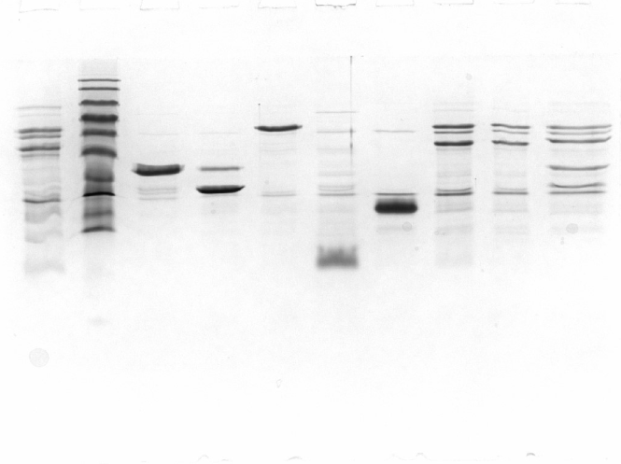
Post purification comparison
 | Lane | Original | in SF1
 | 1 | MS2rep-6xHis, additional preparation | no
 | 2 | BlueClassic Prestained Protein Marker | yes
 | 3 | EF-Tu-6xHis | yes
 | 4 | EF-Ts-6xHis | yes
 | 5 | S1-6xHis | yes
 | 6 | 6xHis-IF1 | yes
 | 7 | 6xHis-IF3 | yes
 | 8 | MS2rep-6xHis | yes
 | 9 | 6xHis-MS2rep | no
 | 10 | 6xHis-Qβrep | yes

SuppFigure_2C
In Vivo Effect of IF1/IF3 on MS2
IF1 |  |  |  |  |  |  |  |  |  |  | IF3 |  |  | AsnRS
not infected / not induced |  |  |  |  |  | infected / not induced |  |  |  | infected / induced | not infected / not induced | infected / not induced | infected / induced | not infected / not induced | infected / not induced | infected / induced
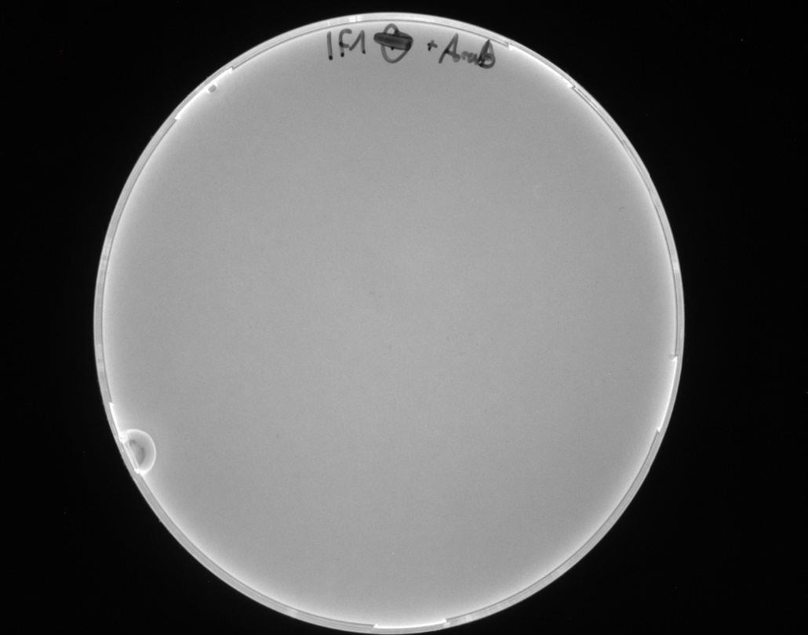
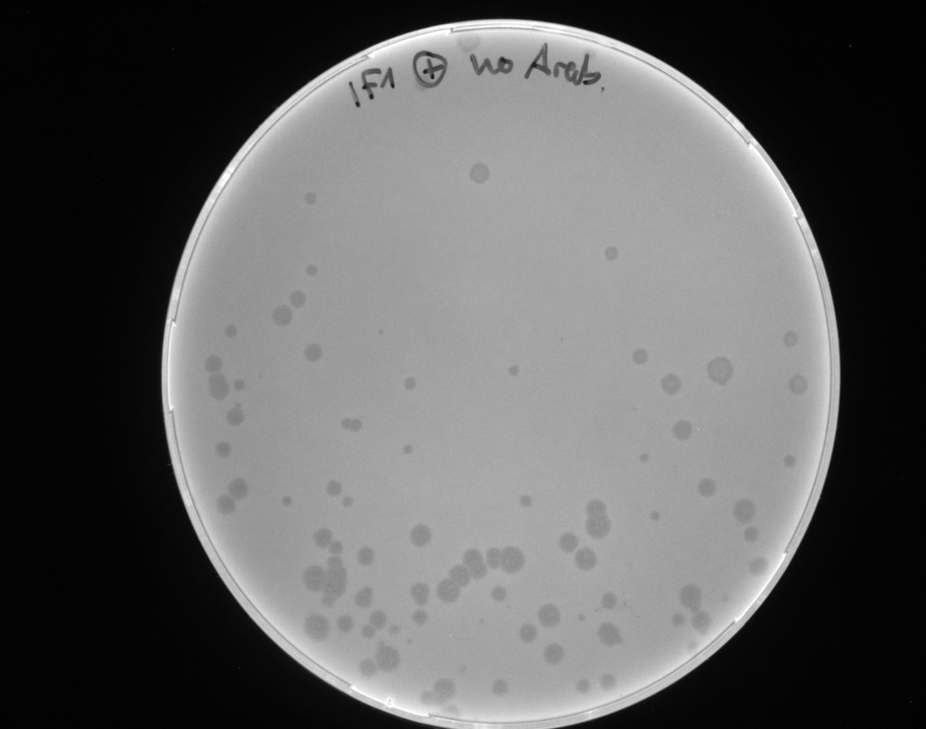
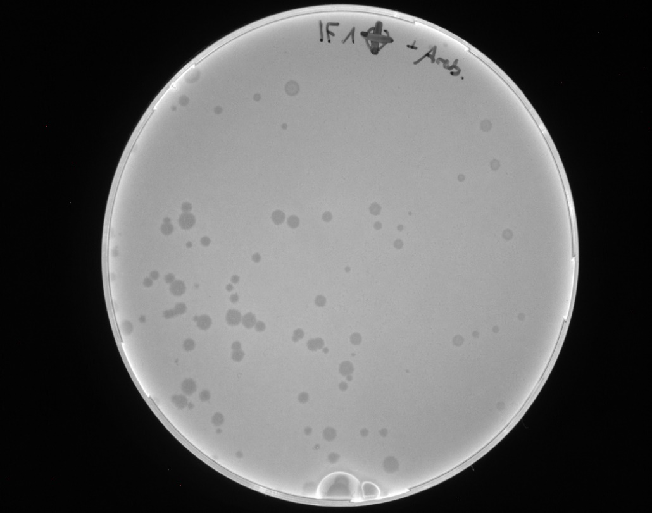
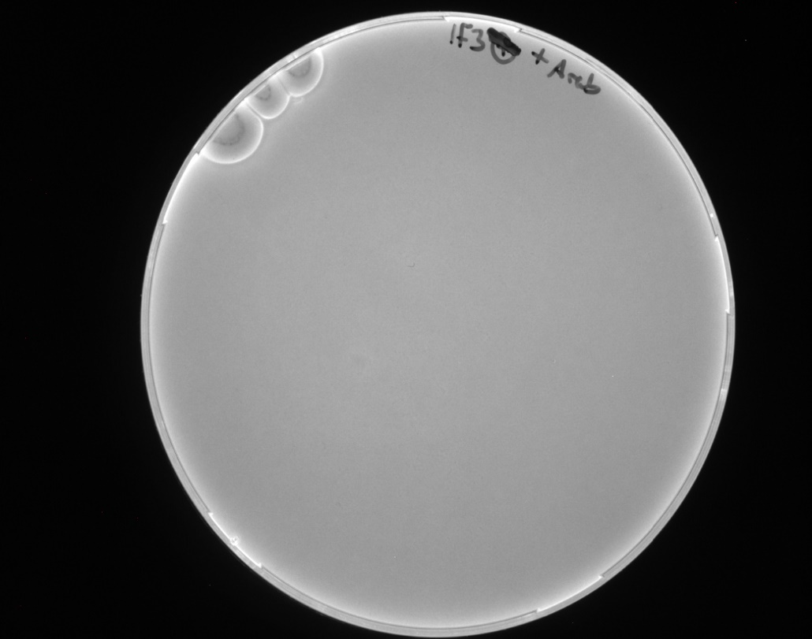
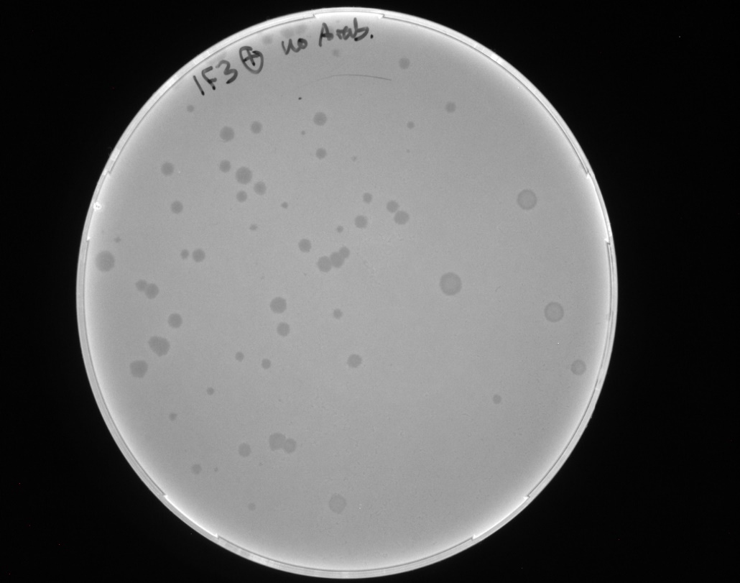
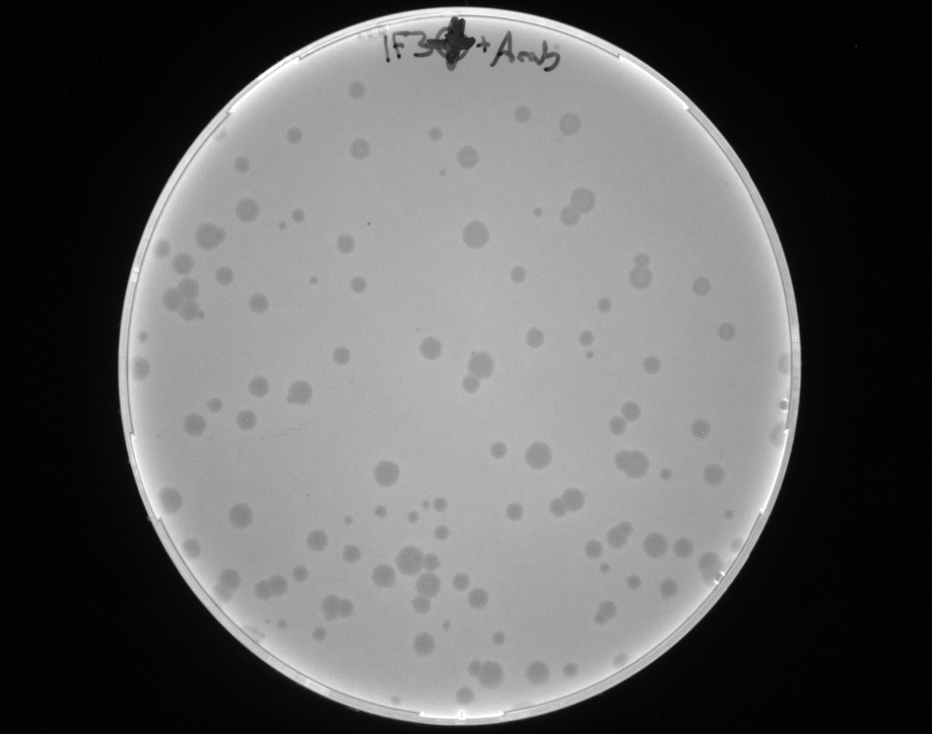
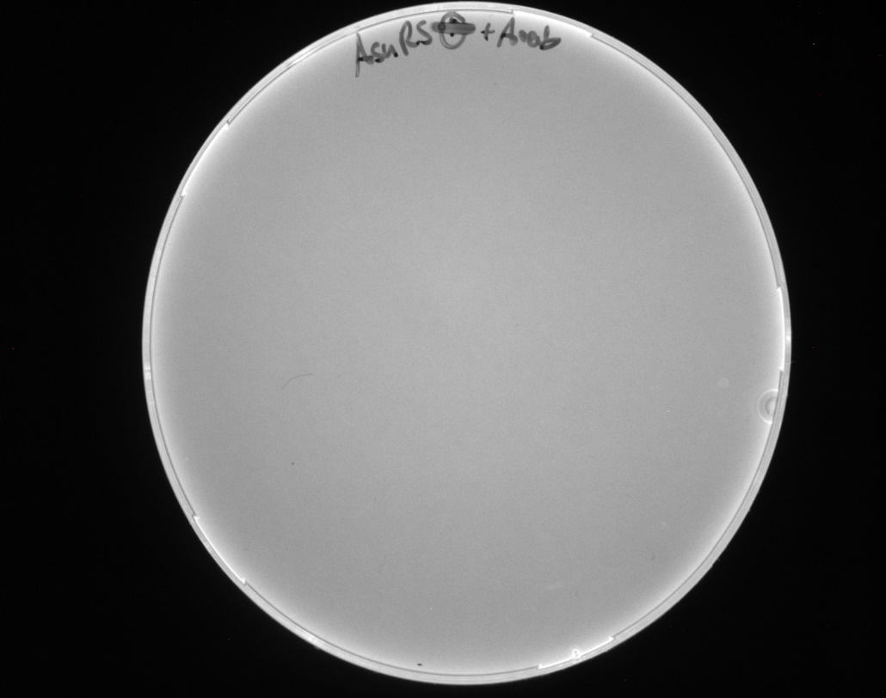
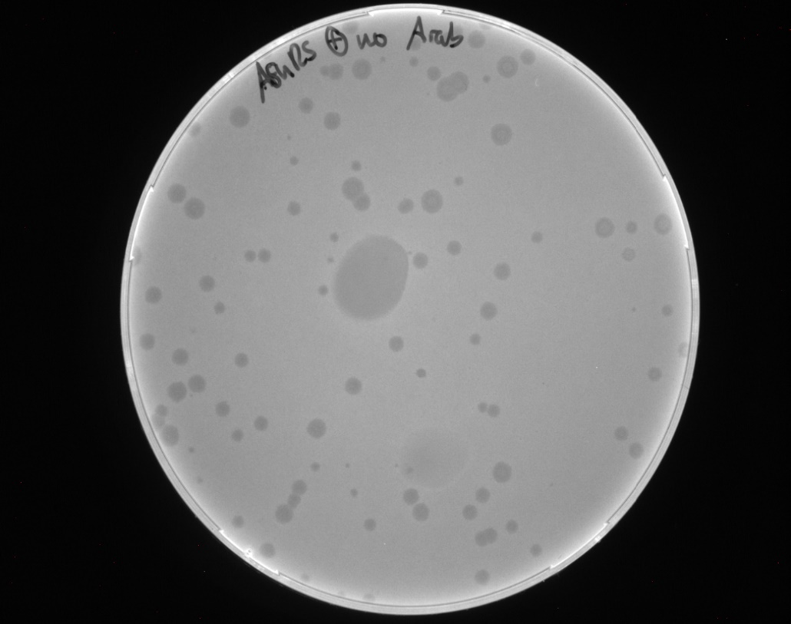
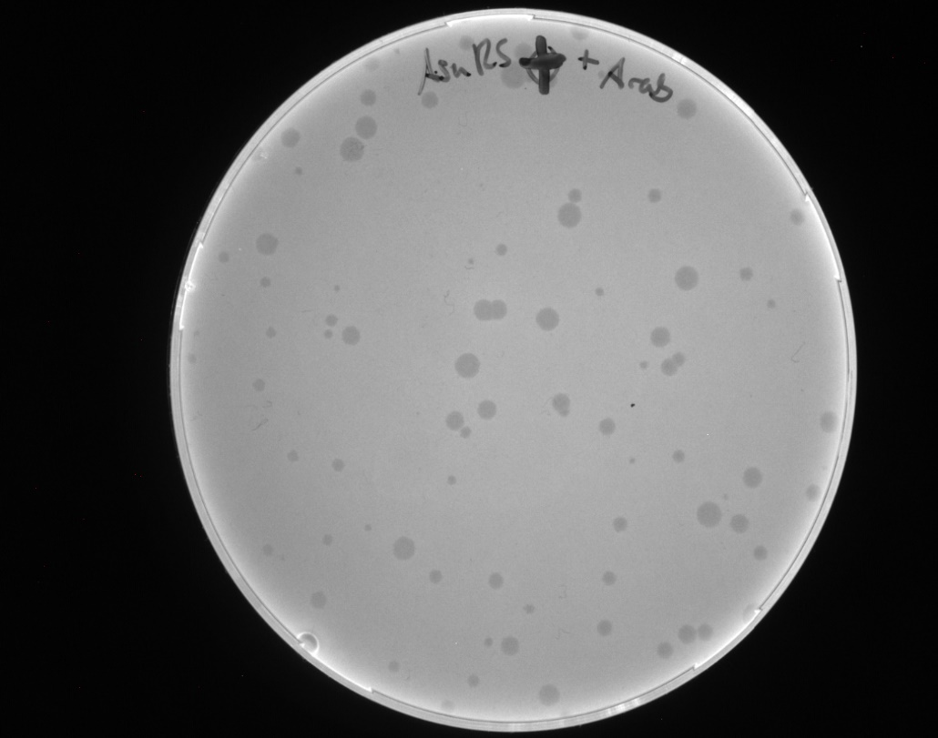

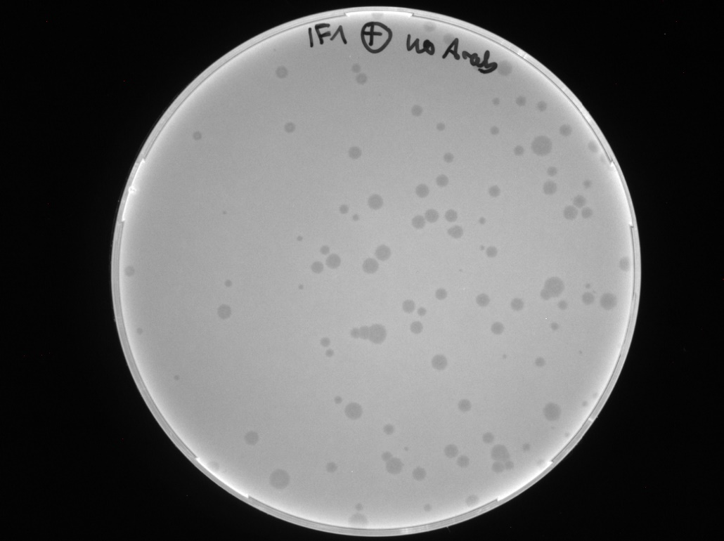
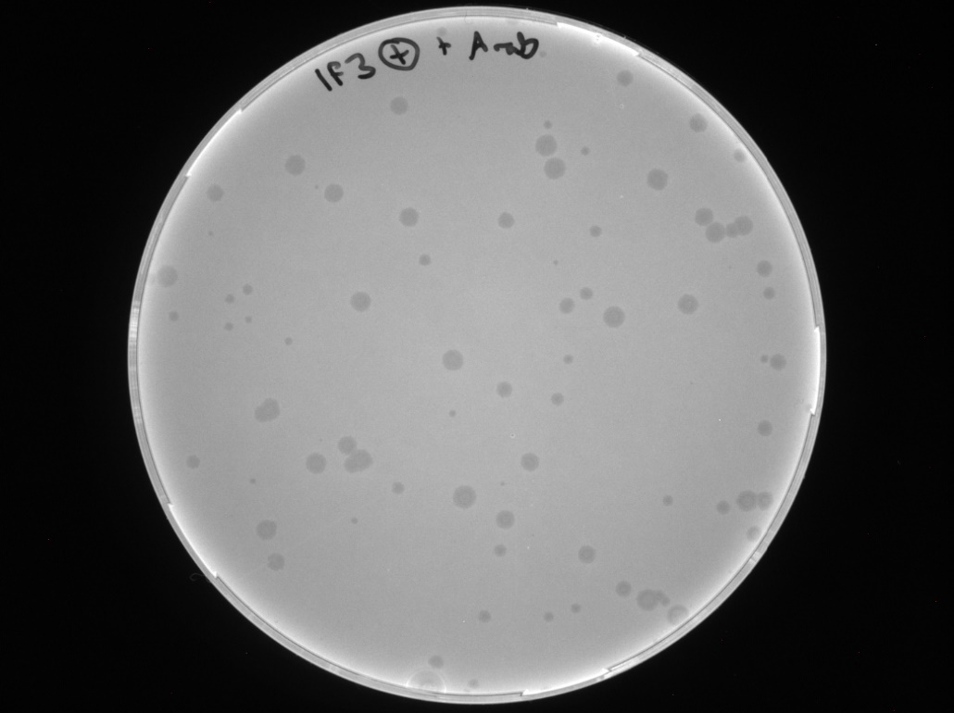
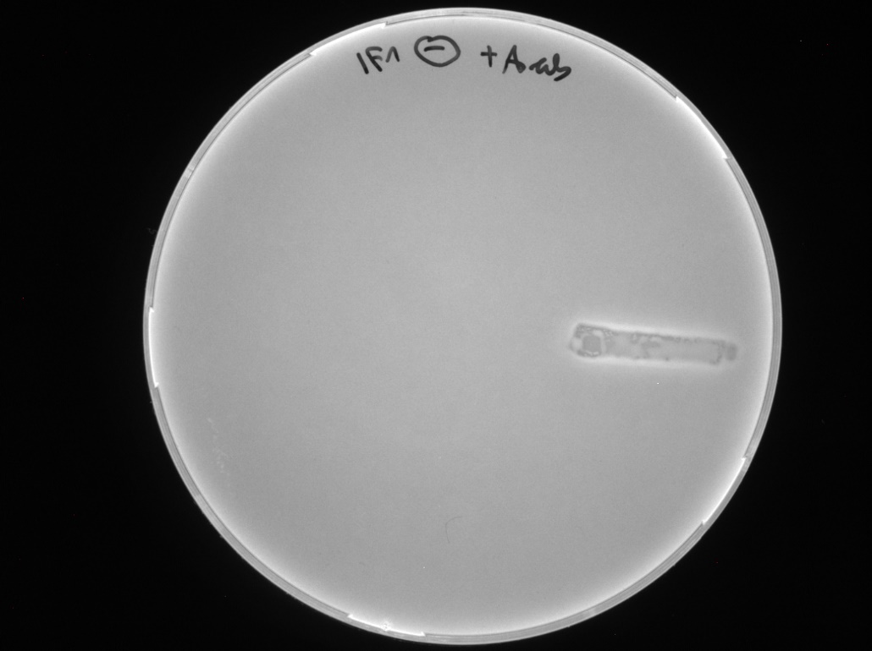
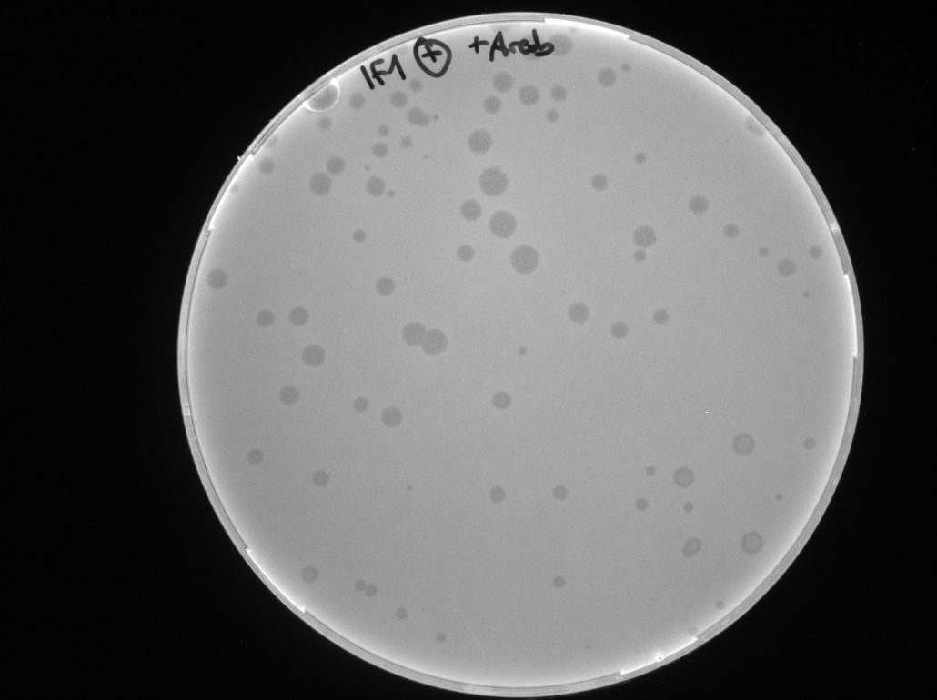
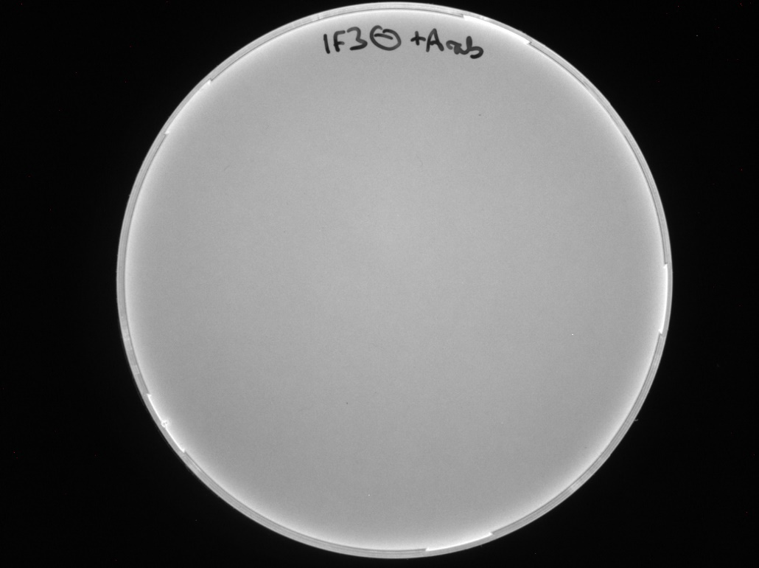
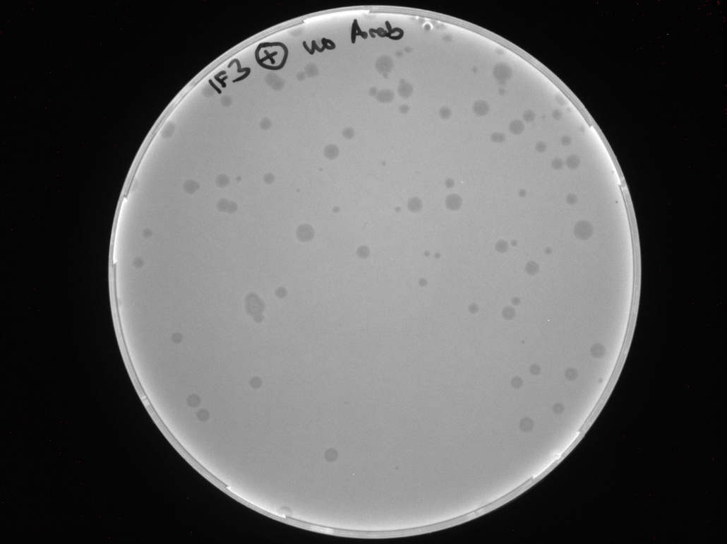
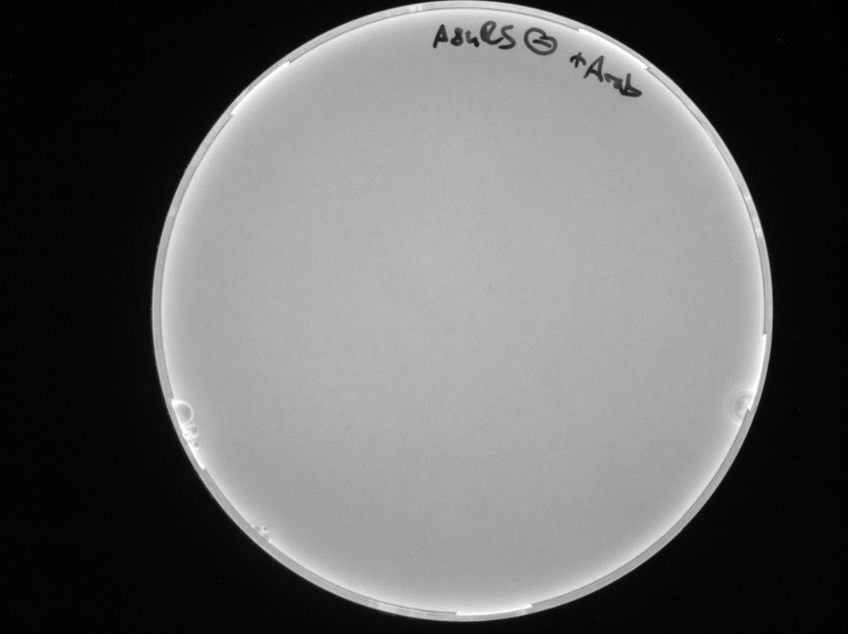
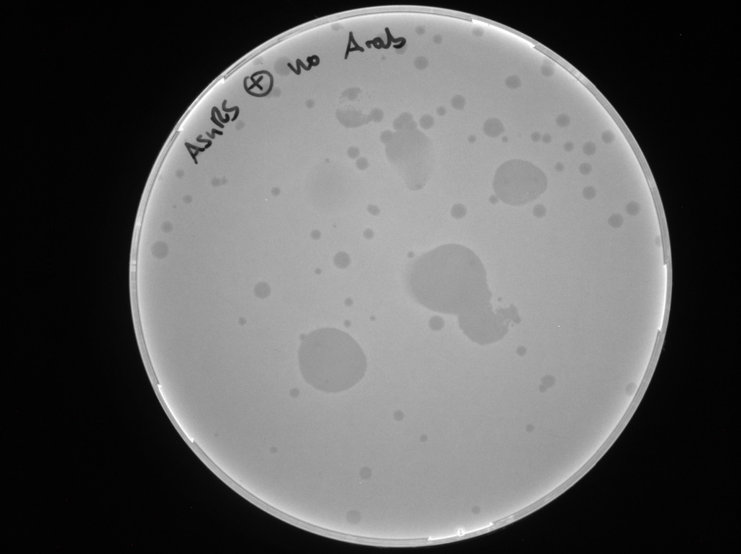
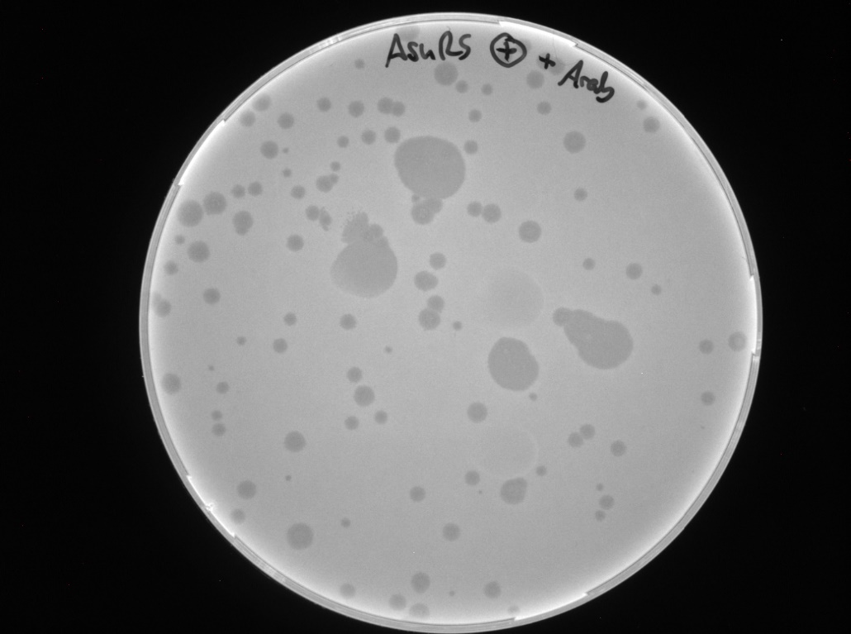

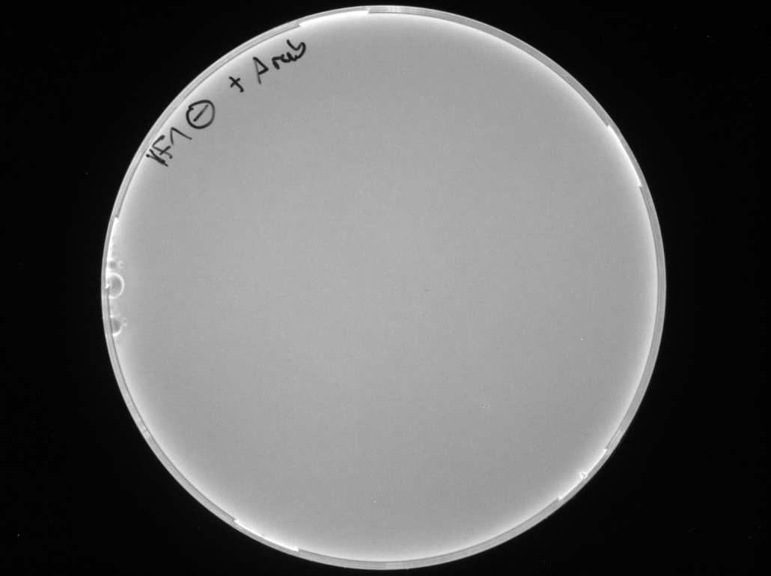
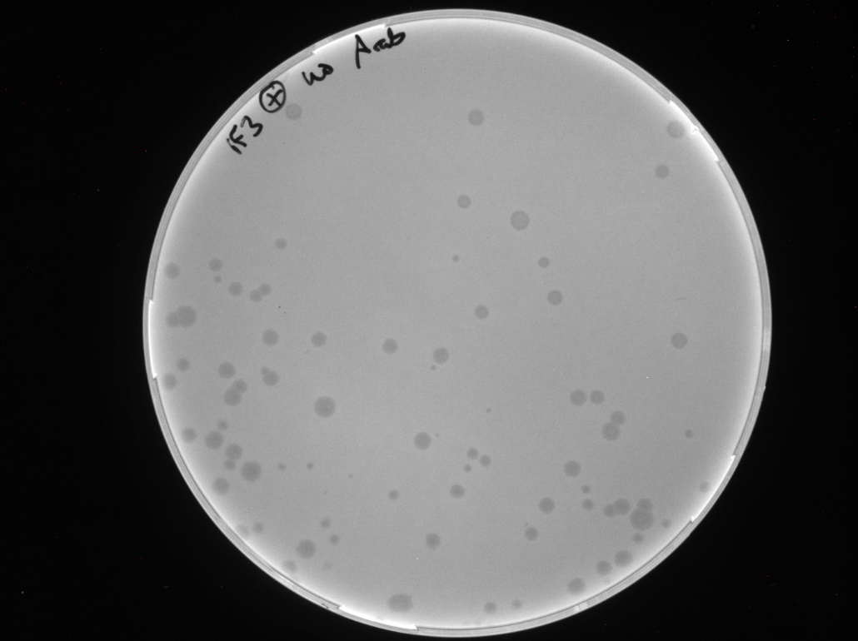
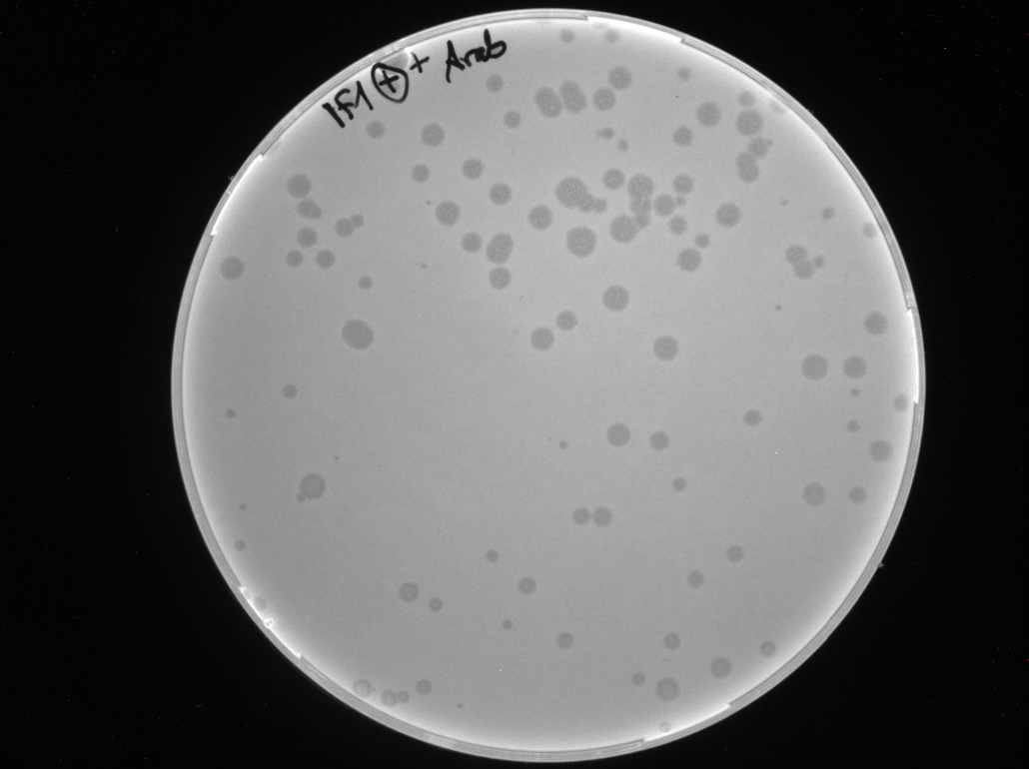
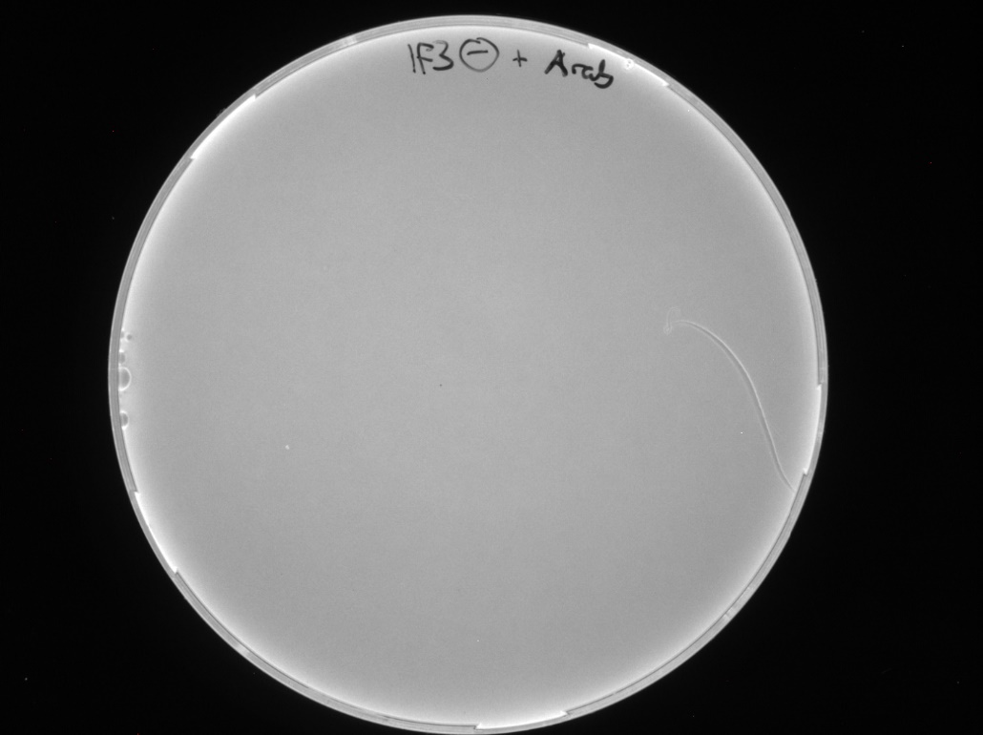
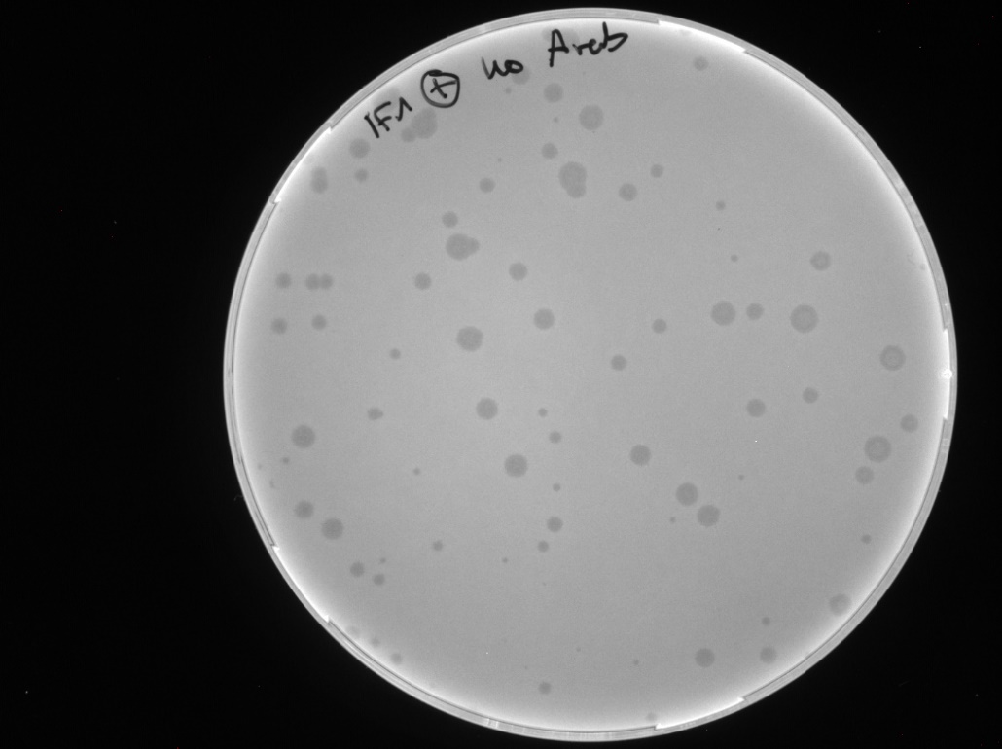
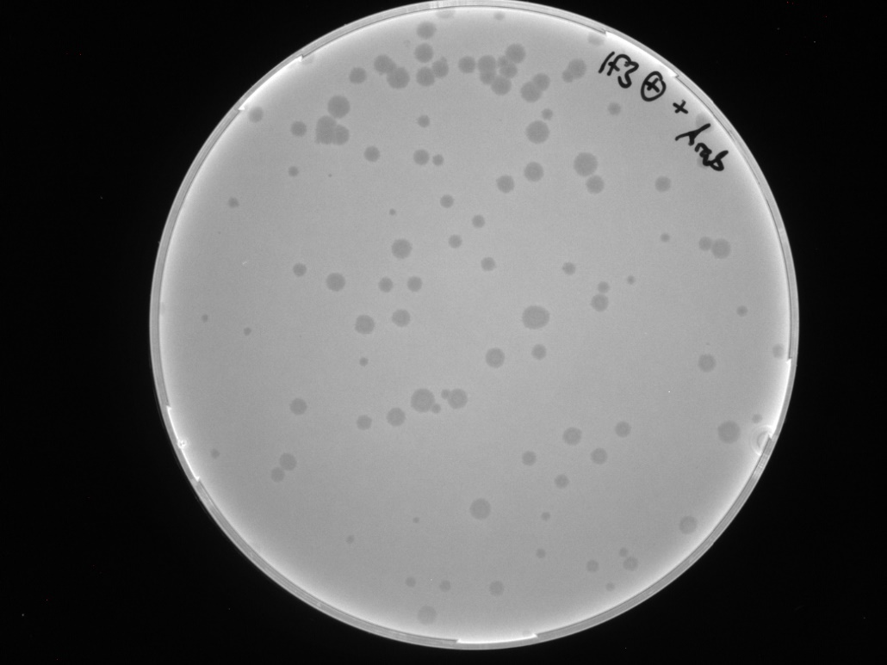
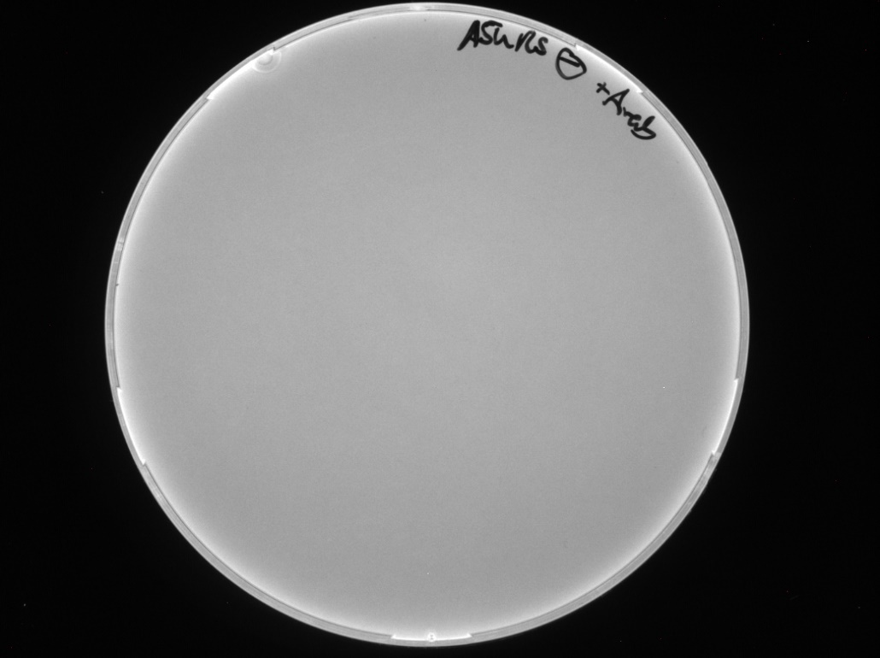
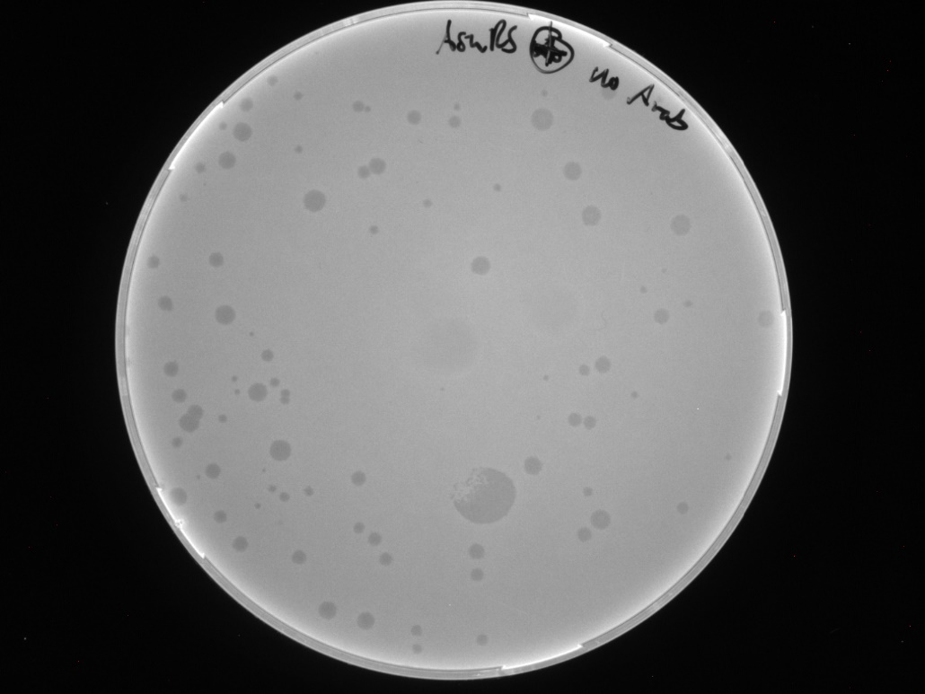
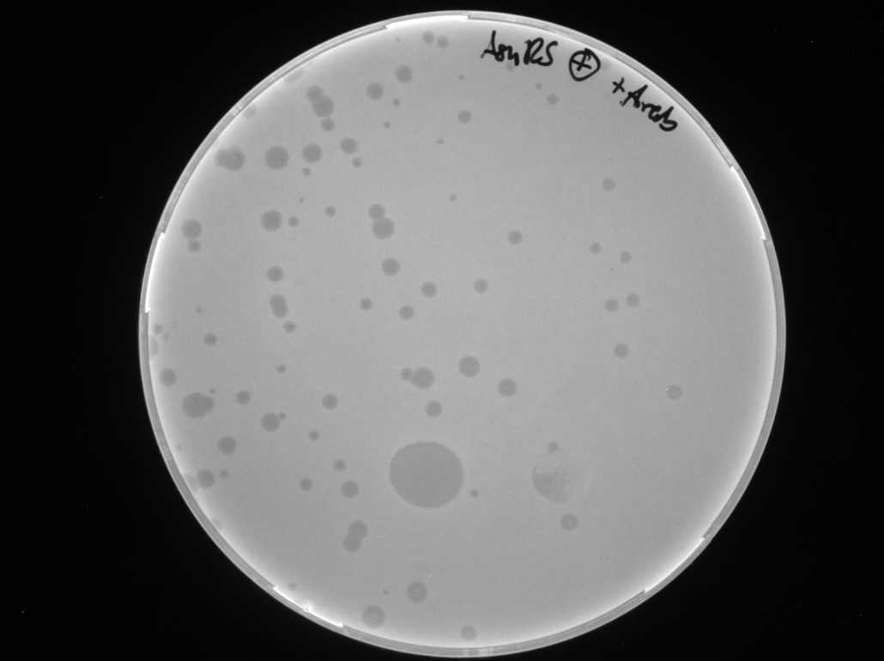

Pfu | IF1 |  |  | IF3 |  |  | AsnRS
 | NC | PC | ind. | NC | PC | ind. | NC | PC | ind.
1st | 0 | 73 | 113 | 0 | 86 | 110 | 0 | 95 | 92
2nd | 0 | 111 | 89 | 0 | 76 | 86 | 0 | 88 | 116
3rd | 0 | 95 | 94 | 0 | 64 | 115 | 0 | 92 | 87

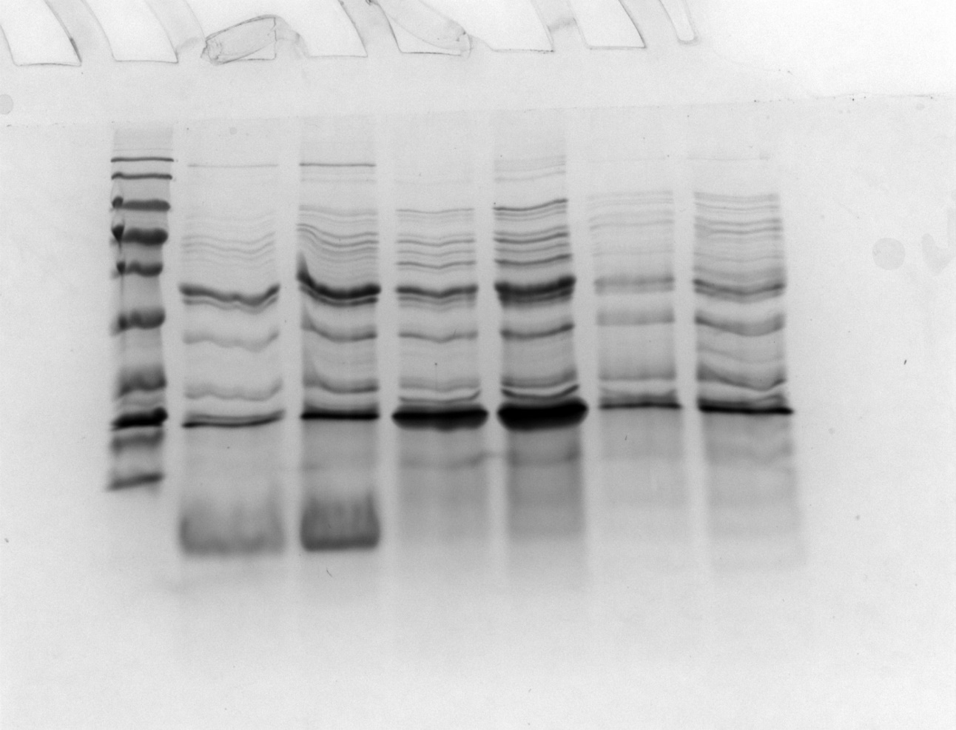
Overexpression control
Induction, expression and binding to Ni-NTA resin as described in the method sections
 |  |  |  |  |  |  | 1 | BlueClassic Prestained Protein Marker
1 2 3 4 5 6 7
 |  |  |  |  |  |  | 2 | 6xHis-IF1, flow-through
 |  |  |  |  |  |  | 3 | 6xHis-IF1, resin bound
 |  |  |  |  |  |  | 4 | 6xHis-IF3, flow-through
 |  |  |  |  |  |  | 5 | 6xHis-IF3, resin bound
 |  |  |  |  |  |  | 6 | 6xHis-AsnRS, flow-through
 |  |  |  |  |  |  | 7 | 6xHis-AsnRS, resin bound

SuppFigure_4B-D
EMSA with IF1/IF3
with 200 nM [F30-Bro(-)]UTR(-)
1 2 3 4 5 6 7 8 9

 |  | Top | Bottom
 |  | IF1 [µM] | IF3 [µM]
 | 1 | 0.00 | 0.00
 | 2 | 0.56 | 0.56
 | 3 | 0.89 | 0.89
1 2 3 4 5 6 7 8 9
 | 4 | 1.43 | 1.43
 | 5 | 2.29 | 2.29
 | 6 | 3.66 | 3.66
 | 7 | 5.86 | 5.86
 | 8 | 9.38 | 9.38
 | 9 | 15 | 15

1 2 3 4 5 6 7 8 9
 |  | IF1 [µM]
 | 1 | 0.00
 | 2 | 0.56
 | 3 | 0.89
 | 4 | 1.43
 | 5 | 2.29
 | 6 | 3.66
 | 7 | 5.86
 | 8 | 9.38
 | 9 | 15

SuppFigure_5
Replication of full length MS2-RNA
1 2 3 4 5 6 7 8
 | 1 | RiboRuler High Range
 | 2 | [F30-Bro(-)]MS2(+) 50 nM
 | 3 | [F30-Bro(-)]MS2(+) 50 nM + MS2rep 500 nM
 | 4 | = 3 without EF-Tu
 | 5 | = 3 without EF-Ts
 | 6 | = 3 without S1
 | 7 | = 3 + 15 µM IF1
 | 8 | [F30-Bro(+)]MS2(+) 50 nM

1 2 3 4 5 6 7 8 9
 | 1 | RiboRuler High Range
 | 2 | RiboRuler High Range
 | 3 | [F30-Bro(-)]MS2(-) 50 nM
 | 4 | [F30-Bro(-)]MS2(-) 50 nM + MS2rep 500 nM
 | 5 | = 3 without EF-Tu
 | 6 | = 3 without EF-Ts
 | 7 | = 3 without S1
 | 8 | = 3 + 15 µM IF1
 | 9 | [F30-Bro(+)]MS2(-) 50 nM

SuppFigure_6B
Untemplated Synthesis
200 nM Replicase without template
 |  | Original | in SF 6b
 | 1 | RiboRuler Low Range | no
 | 2 | 20 nM Qβrep-6xHis + 20 nM RQ135 | no
 | 3 | 20 nM Qβrep-6xHis + 20 nM RQ135 | no
 | 4 | 20 nM 6xHis-Qβrep + 20 nM RQ135 | no
 | 5 | 20 nM 6xHis-Qβrep + 20 nM RQ135 | no
 | 6 | 6xHis-MS2rep | yes
 | 7 | Qβrep-6xHis | yes
 | 8 | RiboRuler Low Range | yes

1 2 3 4 5 6 7 8

SuppFigure_6C
Serial Transfer

 | 1 | RiboRuler High Range
 | 2 | MS2rep core complex without template
 | 3 | MS2rep core complex without template after 1 transfer
 | 4 | MS2rep core complex without template after 2 transfers
 | 5 | MS2rep core complex without template after 3 transfers
 | 6 | MS2rep core complex without template after 4 transfers
 | 7 | RiboRuler High Range
 | 8 | MS2rep core complex without template and with 15 µM IF3
 | 9 | MS2rep core complex without template and with 15 µM IF3 after 1 transfer
1 2 3 4 5 6 7 8 9 10 11 12
 | 10 | MS2rep core complex without template and with 15 µM IF3 after 2 transfers
 | 11 | MS2rep core complex without template and with 15 µM IF3 after 3 transfers
 | 12 | MS2rep core complex without template and with 15 µM IF3 after 4 transfers

 | 1 | RiboRuler High Range
 | 2 | MS2rep core complex with template and with 15 µM IF3
 | 3 | MS2rep core complex with template and with 15 µM IF3 after 1 transfer
 | 4 | MS2rep core complex with template and with 15 µM IF3 after 2 transfers
 | 5 | MS2rep core complex with template and with 15 µM IF3 after 3 transfers
 | 6 | MS2rep core complex with template and with 15 µM IF3 after 4 transfers

1 2 3 4 5 6

 | 1 | MS2rep core complex with template after 4 transfers
 | 2 | MS2rep core complex with template after 3 transfers
 | 3 | MS2rep core complex with template after 2 transfers
 | 4 | MS2rep core complex with template after 1 transfer
 | 5 | RiboRuler High Range
 | 6 | MS2rep core complex with template
 | 7 | RiboRuler High Range

1 2 3 4 5 6 7

 | 1 | MS2rep core complex with template and with 15 µM IF1 after 4 transfers
 | 2 | MS2rep core complex with template and with 15 µM IF1 after 3 transfers
 | 3 | MS2rep core complex with template and with 15 µM IF1 after 2 transfers
 | 4 | RiboRuler High Range
 | 5 | MS2rep core complex with template and with 15 µM IF1 after 1 transfer
 | 6 | MS2rep core complex with template and with 15 µM IF1
 | 7 | RiboRuler High Range

1 2 3 4 5 6 7

 | 1 | RiboRuler High Range
 | 2 | RiboRuler High Range
 | 3 | MS2rep core complex without template and with 15 µM IF1
 | 4 | MS2rep core complex without template and with 15 µM IF1 after 1 transfer
 | 5 | MS2rep core complex without template and with 15 µM IF1 after 2 transfers
 | 6 | MS2rep core complex without template and with 15 µM IF1 after 3 transfers
 | 7 | MS2rep core complex without template and with 15 µM IF1 after 4 transfers

1 2 3 4 5 6 7

