Figure 3
fig. 3c | anti-pCREB (uncropped and unprocessed image with size marker)

 |  | HC=home cage | propran=propranolol

saline
HC
propran
kDa
43
37
pCREB-group-1
kDa
43
37
saline
HC
propran
pCREB-group-2
kDa
50
Tubulin-loading control-pCREB
group-1
group-2
saline
HC
propran
saline
HC
propran

fig. 3d | anti-CREB (uncropped and unprocessed image with size marker)

 |  | HC=home cage | propran=propranolol

CREB-group-1
saline
HC
propran
kDa
43
37
25
CREB-group-2
saline
HC
propran
kDa
43
37
25
Tubulin-loading control-CREB
kDa
50
saline
HC
propran
saline
HC
propran
group-1
group-2

fig. 3e | anti-Erk1/2 (uncropped and unprocessed image with size marker)

 |  | HC=home cage | propran=propranolol

saline
HC
propran
kDa
44/42
37
saline
HC
propran
25
Erk1/2
Erk-group-1
Erk-group-2
saline
HC
propran
kDa
50
Tubulin-loading control-Erk1/2
saline
HC
propran
Erk-group-1
Erk-group-2

fig. 3f | anti-pCREB (uncropped and unprocessed image with size marker)

 |  | HC=home cage

saline
HC
ICI118,551
kDa
43
37
25
63
17
pCREB
kDa
50
63
saline
HC
ICI118,551
Tubulin-loading control-pCREB

fig. 3g | anti-CREB (uncropped and unprocessed image with size marker)

 |  | HC=home cage

43
37
17
25
kDa
saline
HC
ICI118,551
CREB
kDa
50
63
saline
HC
ICI118,551
Tubulin-loading control-CREB

63

fig. 3h | anti-Erk1/2 (uncropped and unprocessed image with size marker)

 |  | HC=home cage

saline
HC
ICI118,551
kDa
44/42
Erk1/2
kDa
50
Tubulin-loading control-Erk1/2
63
37
25

Figure 5
fig. 5g | anti-pCREB-training (uncropped and unprocessed image with size marker)

 |  | HC=home cage

Tubulin-loading control-pCREB
kDa
50
pCREB
sham
HC
opto-β2AR
kDa
43
37
17

fig. 5h | anti-CREB-training (uncropped and unprocessed image with size marker)

 |  | HC=home cage

CREB
sham
HC
opto-β2AR
kDa
43
Tubulin-loading control-CREB
kDa
50

 |  | HC=home cage

fig. 5i | anti-Erk1/2-training (uncropped and unprocessed image with size marker)

 |  | HC=home cage

Tubulin-loading control-Erk1/2
kDa
50
Erk1/2
sham
HC
opto-β2AR
kDa
44/42

fig. 5j | anti-pCREB-testing day 1 (uncropped and unprocessed image with size marker)

 |  | HC=home cage

pCREB-group
sham
HC
opto-β2AR
kDa
43
63
Tubulin-loading control-pCREB
kDa
50

fig. 5k | anti-CREB-testing day 1 (uncropped and unprocessed image with size marker)

 |  | HC=home cage

Tubulin-loading control-CREB
kDa
50
CREB
sham
HC
opto-β2AR
kDa
43
63

fig. 5l | anti-Erk1/2-testing day 1 (uncropped and unprocessed image with size marker)

 |  | HC=home cage

Tubulin-loading control-Erk1/2
kDa
50
Erk1/2
sham
HC
opto-β2AR
kDa
44/42
63

Figure 6
fig. 6g | anti-β2AR (uncropped and unprocessed image with size marker)

 |  | NC=negative control

Tubulin-loading control-β2AR
kDa
50
β2AR
kDa
68
47
95
rβ2AR
NC

Figure 7
fig. 7g | anti-pCREB (uncropped and unprocessed image with size marker)

pCREB
saline
ChR2-CNO
ChR2-saline
kDa
43
63
Tubulin-loading control-pCREB
kDa
50
17

fig. 7h | anti-CREB(uncropped and unprocessed image with size marker)

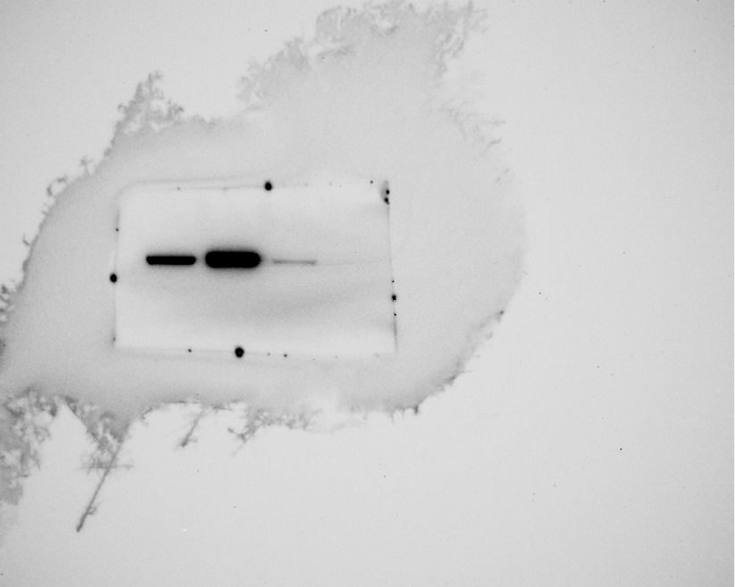
CREB
saline
ChR2-CNO
ChR2-saline
kDa
43
63
Tubulin-loading control-CREB
kDa
50
17

fig. 7i | anti-Erk1/2(uncropped and unprocessed image with size marker)

Erk1/2
saline
ChR2-CNO
ChR2-saline
kDa
44/42
63
Tubulin-loading control-Erk1/2
kDa
50
17

Suppl Fig. 5
fig. 5e | anti-β1AR (uncropped and unprocessed image with size marker)

 |  | NC=negative control

β1AR
kDa
55
37
75
rβ2AR
NC
Tubulin-loading control-β1AR
kDa
50
25

Suppl Fig. 7
fig. 7g | anti-β2AR (uncropped and unprocessed image with size marker)

 |  | NC=negative control
rβ2AR
Tubulin-loading control-β2AR
kDa
50
β2AR
kDa
47
95
NC
rβ2AR

Suppl Fig. 9
fig. 9f | anti-pCREB-training (uncropped and unprocessed image with size marker)

kDa
50
Tubulin-loading control-pCREB
Sal
HCS
CNO
kDa
43
63
pCREB
37
17
Hcno
 |  | HCS=home cage saline | Sal=saline
 |  | Hcno=home cage CNO

fig. 9g | anti-CREB-training (uncropped and unprocessed image with size marker)

 |  | HCS=home cage saline | Sal=saline
 |  | Hcno=home cage CNO

Sal
HCS
CNO
kDa
43
63
37
17
Hcno
CREB
kDa
50
Tubulin-loading control-CREB

fig. 9h | anti-Erk1/2-training (uncropped and unprocessed image with size marker)

 |  | HCS=home cage saline | Sal=saline
 |  | Hcno=home cage CNO

Tubulin-loading control-Erk1/2
kDa
50
Erk1/2
Sal
HCS
CNO
kDa
44/42
63
37
Hcno

fig. 9i | anti-pCREB-testing day 1 (uncropped and unprocessed image with size marker)
 |  | HCS=home cage saline | Sal=saline
 |  | Hcno=home cage CNO
pCREB
Sal
HCS
CNO
43
63
37
17
Hcno
Tubulin-loading control-pCREB
kDa
50

kDa

fig. 9j | anti-CREB-testing day 1 (uncropped and unprocessed image with size marker)

 |  | HCS=home cage saline | Sal=saline
 |  | Hcno=home cage CNO

CREB
Sal
HCS
CNO
kDa
43
63
37
17
Hcno
Tubulin-loading control-CREB
kDa
50

fig. 9k | anti-Erk1/2-testing day 1 (uncropped and unprocessed image with size marker)

 |  | HCS=home cage saline | Sal=saline
 |  | Hcno=home cage CNO

Erk1/2
Sal
HCS
CNO
kDa
44/42
63
Hcno
Tubulin-loading control-Erk1/2
kDa
50

