Figure 1
 |  |  |  |  |  |  |  |  | Sample identifier: 20171215003 (Raw 1-D Image) |  |  |  | Signal intensity was analyzed using Quantity One software
 |  |  |  |  |  |  |  |  | Name | Volume | Area | Max. Value
 |  |  |  |  |  |  |  |  | SigE | INT*mm2 | mm2 | INT | Background subtraction | Normalization to RNAP | Normalization to 1st value
1 2 3 4 5 6 7
1 2 3 4 5 6 7 8 9
 |  |  |  |  |  |  |  |  | background | 4090.1509162 | 25.490401902 | 179
 |  |  |  |  |  |  |  |  | Sample in lane 2 | 4468.2462556 | 25.490401902 | 180 | 378.09533944 | 378.09533944 | 1
 |  |  |  |  |  |  |  |  | background | 4452.0408906 | 25.490401902 | 180
 |  |  |  |  |  |  |  |  | Sample in lane 3 | 4460.1304066 | 25.490401902 | 181 | 8.0895159753 | 8.9245379732 | 0.023603935416
SigE
SigE
 |  |  |  |  |  |  |  |  | background | 4396.5466004 | 25.490401902 | 179
 |  |  |  |  |  |  |  |  | Sample in lane 4 | 4454.0843361 | 25.490401902 | 179 | 57.537735697 | 73.651779881 | 0.19479684671
 |  |  |  |  |  |  |  |  | background | 3197.4707217 | 25.490401902 | 176
 |  |  |  |  |  |  |  |  | Sample in lane 5 | 4443.4194468 | 25.490401902 | 180 | 1245.9487252 | 1245.9487252 | 1
 |  |  |  |  |  |  |  |  | background | 4422.5689301 | 25.490401902 | 179
 |  |  |  |  |  |  |  |  | Sample in lane 6 | 4472.4174123 | 25.490401902 | 181 | 49.848482231 | 45.778784203 | 0.036742109268
 |  |  |  |  |  |  |  |  | background | 4448.6491925 | 25.490401902 | 180
 |  |  |  |  |  |  |  |  | Sample in lane 7 | 4474.2975928 | 25.490401902 | 180 | 25.64840026 | 21.176155841 | 0.016996009076
 |  |  |  |  |  |  |  |  | background | 3694.8337556 | 25.490401902 | 179
 |  |  |  |  |  |  |  |  | Sample in lane 2 | 4475.556313 | 25.490401902 | 181 | 780.72255741 | 780.72255741 | 1
 |  |  |  |  |  |  |  |  | background | 4468.7623836 | 25.490401902 | 180
 |  |  |  |  |  |  |  |  | Sample in lane 3 | 4477.9789545 | 25.490401902 | 180 | 9.2165709354 | 7.9401705044 | 0.010170284474
 |  |  |  |  |  |  |  |  | background | 4461.0151974 | 25.490401902 | 179
1 2 3 4 5 6 7 8 9
 |  |  |  |  |  |  |  |  | Sample in lane 4 | 4470.5161654 | 25.490401902 | 180 | 9.5009679815 | 8.8643066273 | 0.011353977854
RNAP
1 2 3 4 5 6 7
 |  |  |  |  |  |  |  |  | background | 3881.3876846 | 25.490401902 | 178
RNAP
 |  |  |  |  |  |  |  |  | Sample in lane 5 | 4467.7353943 | 25.490401902 | 180 | 586.34770969 | 586.34770969 | 1
 |  |  |  |  |  |  |  |  | background | 3657.6725416 | 25.490401902 | 178
 |  |  |  |  |  |  |  |  | Sample in lane 6 | 4465.5023508 | 25.490401902 | 179 | 807.82980919 | 739.12548114 | 1.2605583154
 |  |  |  |  |  |  |  |  | background | 2656.9846689 | 25.490401902 | 173
 |  |  |  |  |  |  |  |  | Sample in lane 7 | 4454.1949349 | 25.490401902 | 180 | 1797.210266 | 1522.9182621 | 2.5972954903

 |  |  |  |  |  |  |  |  | Name | Volume | Area | Max. Value
 |  |  |  |  |  |  |  |  | RNAP | INT*mm2 | mm2 | INT | Background subtraction | Normalization to 1st value

 |  |  |  |  |  |  |  |  | background | 6265.4038555 | 47.230976085 | 179
 |  |  |  |  |  |  |  |  | Sample in lane 2 | 8330.7952692 | 47.230976085 | 181 | 2065.3914137 | 1
 |  |  |  |  |  |  |  |  | background | 6459.6891708 | 47.230976085 | 179
 |  |  |  |  |  |  |  |  | Sample in lane 3 | 8331.8327918 | 47.230976085 | 181 | 1872.143621 | 0.90643526865
 |  |  |  |  |  |  |  |  | background | 6714.482591 | 47.230976085 | 179
 |  |  |  |  |  |  |  |  | Sample in lane 4 | 8327.9934316 | 47.230976085 | 181 | 1613.5108407 | 0.78121310564
 |  |  |  |  |  |  |  |  | background | 6257.4460048 | 47.230976085 | 178
 |  |  |  |  |  |  |  |  | Sample in lane 5 | 8331.3482635 | 47.230976085 | 181 | 2073.9022587 | 1
 |  |  |  |  |  |  |  |  | background | 6153.8780805 | 47.736570834 | 177
 |  |  |  |  |  |  |  |  | Sample in lane 6 | 8412.1486242 | 47.736570834 | 181 | 2258.2705437 | 1.0888992161
 |  |  |  |  |  |  |  |  | background | 5909.5336185 | 47.736570834 | 178
 |  |  |  |  |  |  |  |  | Sample in lane 7 | 8421.4283945 | 47.736570834 | 183 | 2511.894776 | 1.2111924588
 |  |  |  |  |  |  |  |  | background | 6554.1563896 | 47.736570834 | 179
 |  |  |  |  |  |  |  |  | Sample in lane 2 | 8381.4074102 | 47.736570834 | 181 | 1827.2510206 | 1
 |  |  |  |  |  |  |  |  | background | 6270.4914026 | 47.736570834 | 177
 |  |  |  |  |  |  |  |  | Sample in lane 3 | 8391.4771723 | 47.736570834 | 181 | 2120.9857696 | 1.1607522698
 |  |  |  |  |  |  |  |  | background | 6429.8590806 | 47.736570834 | 178
 |  |  |  |  |  |  |  |  | Sample in lane 4 | 8388.3488047 | 47.736570834 | 180 | 1958.4897241 | 1.0718230293
 |  |  |  |  |  |  |  |  | background | 6715.7097115 | 47.736570834 | 178
 |  |  |  |  |  |  |  |  | Sample in lane 5 | 8389.9129885 | 47.736570834 | 180 | 1674.203277 | 1
 |  |  |  |  |  |  |  |  | background | 6555.6310409 | 47.736570834 | 180
 |  |  |  |  |  |  |  |  | Sample in lane 6 | 8385.4574348 | 47.736570834 | 185 | 1829.8263939 | 1.0929535374
 |  |  |  |  |  |  |  |  | background | 6410.1566853 | 47.736570834 | 178
 |  |  |  |  |  |  |  |  | Sample in lane 7 | 8385.8998302 | 47.736570834 | 181 | 1975.7431449 | 1.1801094718

RESULTS of the 1st replica
Type of stress | NaCl |  |  | Diamide |  |  | 42 °C |  |  | EtOH
Normalized signal | 1 | 0.023603935416 | 0.19479684671 | 1 | 0.036742109268 | 0.016996009076 | 1 | 0.010170284474 | 0.011353977854 | 1 | 1.2605583154 | 2.5972954903
Time [Hours] | 0 | 0.5 | 1 | 0 | 0.5 | 1 | 0 | 0.5 | 1 | 0 | 0.5 | 1

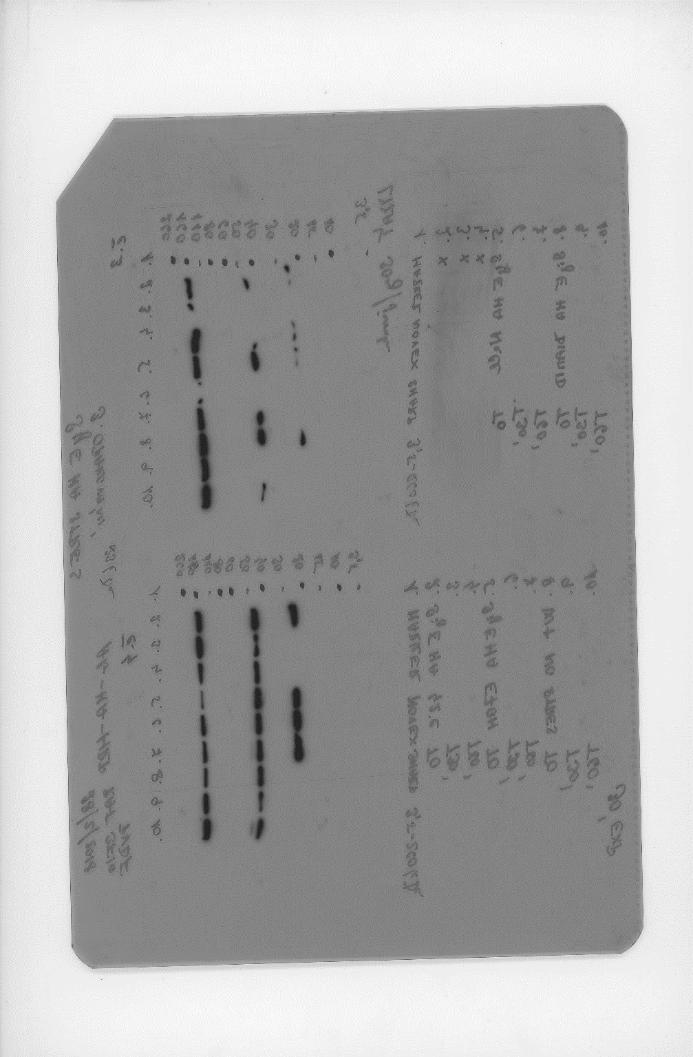
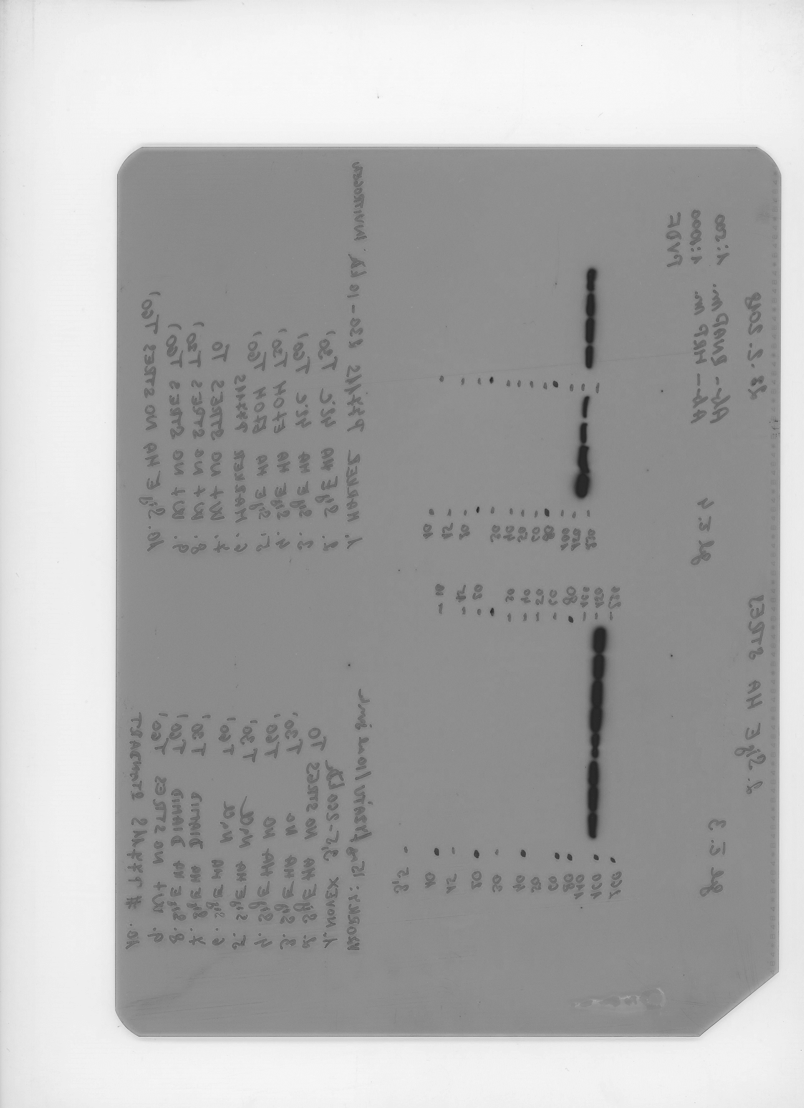
 |  |  |  |  |  |  |  |  | Sample identifier: 20180228 (Raw 1-D Image) |  |  |  | Signal intensity was analyzed using Quantity One software
 |  |  |  |  |  |  |  |  | Name | Volume | Area | Max. Value
 |  |  |  |  |  |  |  |  | SigE | INT*mm2 | mm2 | INT | Background subtraction | Normalization to RNAP | Normalization to 1st value
 |  |  |  |  |  |  |  |  | background | 9501.6105081 | 55.173026926 | 181
 |  |  |  |  |  |  |  |  | Sample in lane 5 | 9741.9734115 | 55.173026926 | 181 | 240.36290338 | 240.36290338 | 1
 |  |  |  |  |  |  |  |  | background | 9731.2769226 | 55.173026926 | 181
 |  |  |  |  |  |  |  |  | Sample in lane 6 | 9743.4533295 | 55.173026926 | 181 | 12.176406859 | 13.707443375 | 0.057028115329
 |  |  |  |  |  |  |  |  | background | 9734.0418939 | 55.173026926 | 181
SigE
SigE
 |  |  |  |  |  |  |  |  | Sample in lane 7 | 9724.4197938 | 55.173026926 | 182 | -9.6221000566 | -6.584263871 | -0.027393011893
 |  |  |  |  |  |  |  |  | background | 8944.5556942 | 55.173026926 | 181
 |  |  |  |  |  |  |  |  | Sample in lane 8 | 9737.2123943 | 55.173026926 | 181 | 792.65670012 | 792.65670012 | 1
 |  |  |  |  |  |  |  |  | background | 9751.8167093 | 55.173026926 | 181
 |  |  |  |  |  |  |  |  | Sample in lane 9 | 9742.9688012 | 55.173026926 | 181 | -8.847908098 | -6.1524065338 | -0.0077617542788
 |  |  |  |  |  |  |  |  | background | 9765.2149701 | 55.173026926 | 181
 |  |  |  |  |  |  |  |  | Sample in lane 10 | 9741.8996789 | 55.173026926 | 181 | -23.315291161 | -16.954702578 | -0.021389717106
 |  |  |  |  |  |  |  |  | background | 7348.6353374 | 55.173026926 | 179
 |  |  |  |  |  |  |  |  | Sample in lane 2 | 9722.7818775 | 55.173026926 | 181 | 2374.1465401 | 2374.1465401 | 1
 |  |  |  |  |  |  |  |  | background | 9717.4309998 | 55.173026926 | 182
 |  |  |  |  |  |  |  |  | Sample in lane 3 | 9722.1551507 | 55.173026926 | 182 | 4.7241509309 | 3.3225185006 | 0.0013994580556
 |  |  |  |  |  |  |  |  | background | 9694.7371688 | 55.173026926 | 181
 |  |  |  |  |  |  |  |  | Sample in lane 4 | 9701.941894 | 55.173026926 | 182 | 7.2047251655 | 6.198552091 | 0.0026108548846
 |  |  |  |  |  |  |  |  | background | 6610.7145354 | 50.717473205 | 178
 |  |  |  |  |  |  |  |  | Sample in lane 5 | 8887.0495581 | 50.717473205 | 180 | 2276.3350227 | 2276.3350227 | 1
 |  |  |  |  |  |  |  |  | background | 6123.3791307 | 50.717473205 | 176
 |  |  |  |  |  |  |  |  | Sample in lane 6 | 8869.9646689 | 50.717473205 | 179 | 2746.5855383 | 3963.9137438 | 1.7413577985
1 2 3 4 5 6 7 8 9 10
1 2 3 4 5 6 7 8 9 10
 |  |  |  |  |  |  |  |  | background | 5896.0458253 | 50.717473205 | 178
RNAP
RNAP
 |  |  |  |  |  |  |  |  | Sample in lane 7 | 8871.8922489 | 50.717473205 | 179 | 2975.8464236 | 6300.6251819 | 2.7678813176

 |  |  |  |  |  |  |  |  | Sample identifier: 20180228 (Raw 1-D Image) |  |  |  | Signal intensity was analyzed using Quantity One software
 |  |  |  |  |  |  |  |  | Name | Volume | Area | Max. Value
 |  |  |  |  |  |  |  |  | RNAP | INT*mm2 | mm2 | INT | Background subtraction | Normalization to 1st value
 |  |  |  |  |  |  |  |  | background | 6730.94602 | 51.191468282 | 184
 |  |  |  |  |  |  |  |  | Sample in lane 2 | 9322.9512305 | 51.191468282 | 187 | 2592.0052105 | 1
 |  |  |  |  |  |  |  |  | background | 7015.5273974 | 51.191468282 | 185
 |  |  |  |  |  |  |  |  | Sample in lane 5 | 9318.0216817 | 51.191468282 | 187 | 2302.4942843 | 0.88830619435
 |  |  |  |  |  |  |  |  | background | 5533.244727 | 51.191468282 | 182
 |  |  |  |  |  |  |  |  | Sample in lane 6 | 9321.1447826 | 51.191468282 | 186 | 3787.9000556 | 1.4613782566
 |  |  |  |  |  |  |  |  | background | 5587.2906989 | 51.191468282 | 182
 |  |  |  |  |  |  |  |  | Sample in lane 7 | 9314.909114 | 51.191468282 | 187 | 3727.6184151 | 1
 |  |  |  |  |  |  |  |  | background | 5774.8400176 | 51.191468282 | 182
 |  |  |  |  |  |  |  |  | Sample in lane 8 | 9339.2408613 | 51.191468282 | 187 | 3564.4008437 | 1.4381214976
 |  |  |  |  |  |  |  |  | background | 5654.8033977 | 51.191468282 | 183
 |  |  |  |  |  |  |  |  | Sample in lane 2 | 9340.2678506 | 51.191468282 | 187 | 3685.4644529 | 1.3751518821
 |  |  |  |  |  |  |  |  | background | 6351.0494992 | 51.191468282 | 183
 |  |  |  |  |  |  |  |  | Sample in lane 3 | 9363.7990729 | 51.191468282 | 187 | 3012.7495737 | 1
 |  |  |  |  |  |  |  |  | background | 7572.9298077 | 51.191468282 | 185
 |  |  |  |  |  |  |  |  | Sample in lane 4 | 9368.9234863 | 51.191468282 | 187 | 1795.9936786 | 1.4218584276
 |  |  |  |  |  |  |  |  | background | 8153.7791745 | 51.191468282 | 185
 |  |  |  |  |  |  |  |  | Sample in lane 5 | 9378.008392 | 51.191468282 | 187 | 1224.2292174 | 1.1623238879

RESULTS of the 2nc replica |  |  |  |  |  |  |  |  |  |  |  |  |  | 1
Type of stress | NaCl |  |  | Diamide |  |  | 42 °C |  |  | EtOH
Normalized signal | 1 | 0.057028115329 | -0.027393011893 | 1 | -0.0077617542788 | -0.021389717106 | 1 | 0.0013994580556 | 0.0026108548846 | 1 | 1.7413577985 | 2.7678813176 |  | 0.69289740287
Time [Hours] | 0 | 0.5 | 1 | 0 | 0.5 | 1 | 0 | 0.5 | 1 | 0 | 0.5 | 1
 |  |  |  |  |  |  |  |  |  |  |  |  |  | 0.47230970542

