RNA
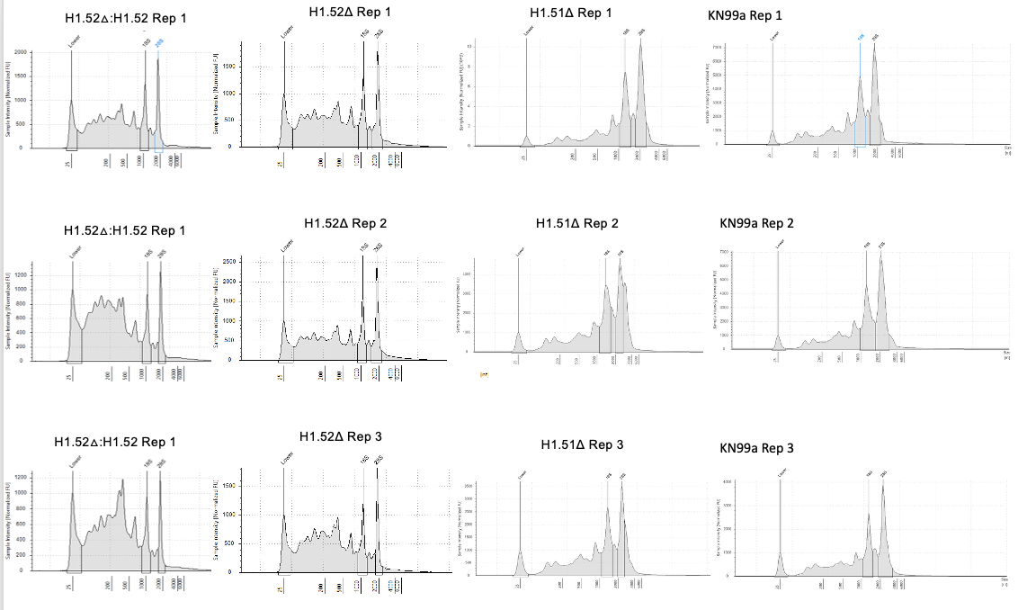
 | Qubit | Tapestation
RNA | Conc (ng/ul) | RIN
KN99α | 18.9 | 6
KN99α | 19.8 | 5.9
KN99α | 17.1 | 6.4
H1.51△ | 17.3 | 5.5
H1.51△ | 19.5 | 5.3
H1.51△ | 23.9 | 6.3
H1.52△ | 31 | 5.4
H1.52△ | 41.5 | 6.2
H1.52△ | 39.3 | 5.4
H1.52△:H1.52 | 20 | 5.4
H1.52△:H1.53 | 57 | 5.1
H1.52△:H1.54 | 35 | 4.6

DNA
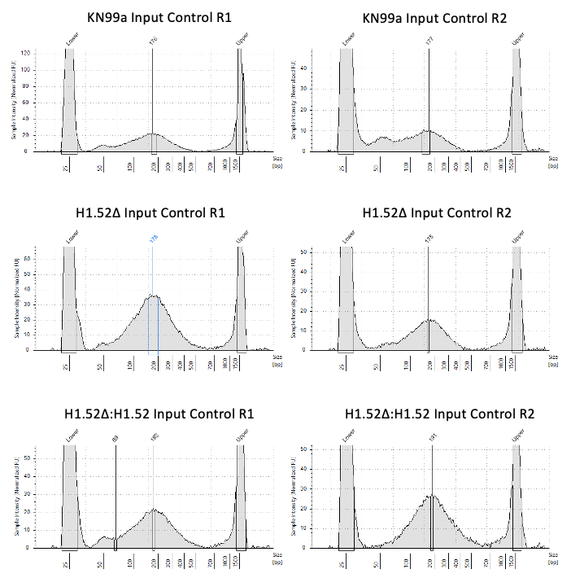
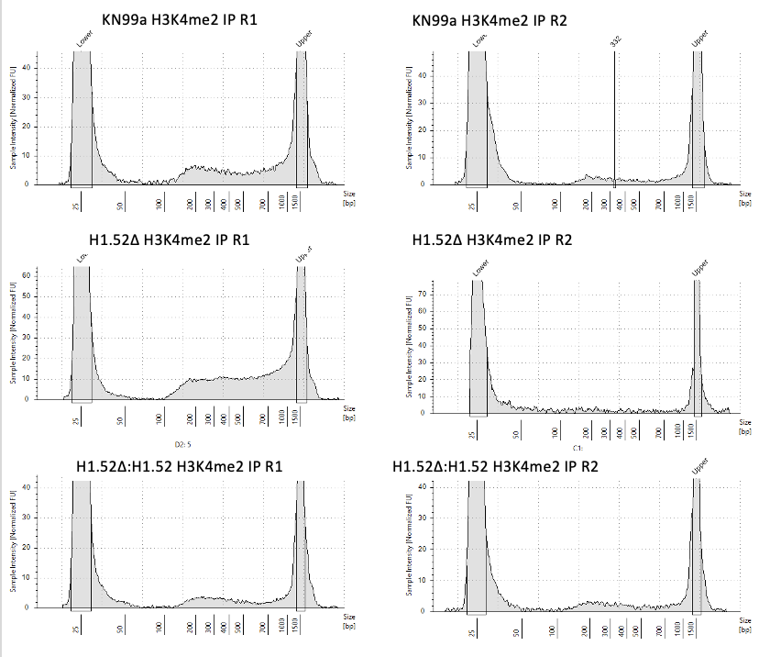
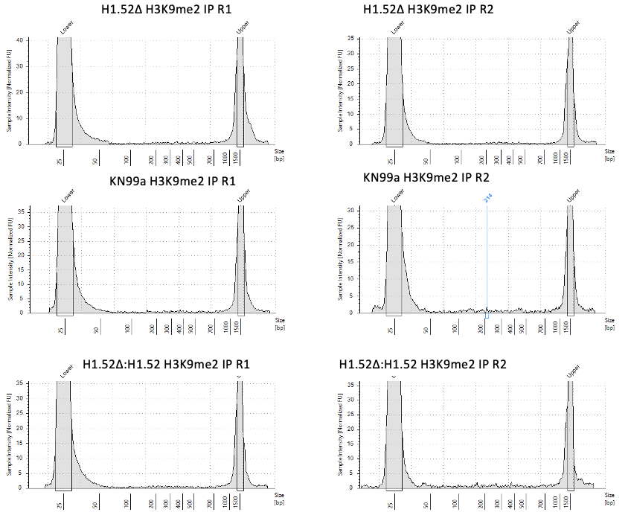
DNA Input Control | Qubit conc (ng/ul) | Yeild (ng)
KN99α | 0.5 | 21.5
KN99α | 0.5 | 21.5
H1.52△ | 0.38 | 16.34
H1.52△ | 0.28 | 12.04
H1.52△:H1.52 | 0.32 | 13.76

