Suppl_DATA_1_DA-ELISA_Series A
Supplementary DATA 1
Dopamine ELISA Series A (Assays performed 2018)

Collection: heads in bulk |  | ELISA - Determination of DA concentration
 | OD (450 nm) | log | nM | ng/ml | ng/ml corrected | pg/ 50 heads |  |  | pg DA/50 Heads Values |  |  | % of WT
 | measured | interpolated from standard curve | 10^log | nM/6,53 | Correction Factor*: 0,02 | in 500 µl |  | Replicate A | Replicate B | Replicate C | Average | Percent of WT
WT A | 0.698 | 2.977 | 948.482 | 145.250 | 2.905 | 1452.5 | WT bulk | 1452.499 | 1034.332 | 1156.975 | 1214.602 | 100%
WT A 1/2 | 1.050 | 2.569 | 370.485 | 56.736 | 1.135 | 567.4 | WT 1/2 | 567.359 | 590.643 | 603.605 | 587.202 | 48%
WT A 1/4 | 1.437 | 2.040 | 109.746 | 16.806 | 0.336 | 168.1 | WT 1/4 | 168.064 | 237.455 | 171.343 | 192.287 | 16%
WT A + 1 ng DA | 0.415 | 3.288 | 1941.896 | 297.381 | 5.948 | 2973.8 | WT 20 | 4.821 | 25.248 | 27.645 | 19.238 | 2%
WT A + 10 ng DA | 0.167 | 3.562 | 3650.901 | 559.097 | 11.182 | 5591.0 | tyr | 543.885 | 327.267 | 417.256 | 429.469 | 35%
WT B | 0.829 | 2.830 | 675.419 | 103.433 | 2.069 | 1034.3 | tyr 1/2 | 250.667 | 134.365 | 200.525 | 195.186 | 16%
WT B 1/2 | 1.035 | 2.586 | 385.690 | 59.064 | 1.181 | 590.6
WT B 1/4 | 1.336 | 2.190 | 155.058 | 23.745 | 0.475 | 237.5 | WT single | 508.009 | 737.899 | 435.694 | 560.534 | 100%
WT B + 1 ng DA | 0.353 | 3.357 | 2272.600 | 348.025 | 6.960 | 3480.2 | th | 348.763 | 163.363 |  | 256.063 | 46%
WT B + 10 ng DA | 0.175 | 3.554 | 3577.676 | 547.883 | 10.958 | 5478.8 | th2 | 621.885 | 458.769 |  | 540.327 | 96%
WT C | 0.786 | 2.878 | 755.504 | 115.697 | 2.314 | 1157.0 | th th2 | 172.236 |  |  | 172.236 | 31%
WT C 1/2 | 1.028 | 2.596 | 394.154 | 60.360 | 1.207 | 603.6 | th th2 tyr | 12.796 |  |  | 12.796 | 2%
WT C 1/4 | 1.432 | 2.049 | 111.887 | 17.134 | 0.343 | 171.3
WT C + 1 ng DA | 0.433 | 3.269 | 1857.839 | 284.508 | 5.690 | 2845.1 |  |  |  | Standard Curve DA ELISA Assay 1
WT C + 10 ng DA | 0.184 | 3.543 | 3489.828 | 534.430 | 10.689 | 5344.3 |  | concentration |  |  | OD (450 nm)
WT 20 A ** | 1.936 | 0.975 | 9.444 | 1.446 | 0.029 | 4.8 |  | ng/ml | nM | log(nM) | 1 | 2 | 3 | Ø | SD
WT 20 A 1/2 | 2.166 | -0.213 | 0.612 | 0.094 | 0.002*** | 0.3 | Standard A | 0 | 0 | - | 2.214 | 2.241 | 2.208 | 2.221 | 0.018
WT 20 B ** | 1.640 | 1.694 | 49.461 | 7.574 | 0.151 | 25.2 | Standard B3 | 0.125 | 0.8 | -0.09 | 2.38 | 2.175 | 2.139 | 2.231 | 0.13
WT 20 B 1/2 | 1.840 | 1.252 | 17.884 | 2.739 | 0.055 | 9.1 | Standard B2 | 0.25 | 1.6 | 0.21 | 2.331 | 2.119 | 2.006 | 2.152 | 0.165
WT 20 C ** | 1.619 | 1.734 | 54.157 | 8.294 | 0.166 | 27.6 | Standard B | 0.5 | 3.3 | 0.51 | 2.261 | 2.185 | 2.054 | 2.167 | 0.104
WT 20 C 1/2 | 1.754 | 1.460 | 28.843 | 4.417 | 0.088 | 14.7 | Standard C | 1.5 | 9.8 | 0.99 | 2.147 | 1.867 | 1.969 | 1.995 | 0.142
tyr A | 1.064 | 2.550 | 355.157 | 54.388 | 1.088 | 543.9 | Standard D | 5 | 32.7 | 1.51 | 1.797 | 1.711 | 1.717 | 1.742 | 0.048
tyr A 1/2 | 1.320 | 2.214 | 163.685 | 25.067 | 0.501 | 250.7 | Standard E | 20 | 130.6 | 2.12 | 1.504 | 1.347 | 1.446 | 1.432 | 0.08
tyr B | 1.236 | 2.330 | 213.706 | 32.727 | 0.655 | 327.3 | Standard F | 80 | 522.4 | 2.72 | 2.355 | 0.931 | 0.911 | 1.399 | 0.828
tyr B 1/2 | 1.498 | 1.943 | 87.740 | 13.436 | 0.269 | 134.4
tyr C | 1.156 | 2.435 | 272.468 | 41.726 | 0.835 | 417.3 |  | Standard Curve ELISA 1
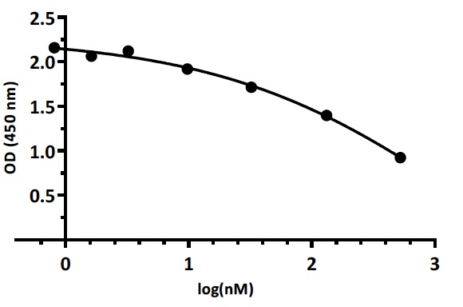
tyr C 1/2 | 1.387 | 2.117 | 130.943 | 20.053 | 0.401 | 200.5

Collection: single heads |  | ELISA - Determination of DA concentration
 | OD (450 nm) | log | nM | ng/ml | ng/ml corrected | pg/ 50 heads
 | measured | interpolated from standard curve | 10^log | nM/6,53 | Correction Factor*: 0,02 | in 500 µl
WT single A | 1.088 | 2.521 | 331.730 | 50.801 | 1.016 | 508.0
WT single B | 0.955 | 2.683 | 481.848 | 73.790 | 1.476 | 737.9
WT single C | 1.141 | 2.454 | 284.508 | 43.569 | 0.871 | 435.7
th A | 1.215 | 2.357 | 227.742 | 34.876 | 0.698 | 348.8
th B | 1.445 | 2.028 | 106.676 | 16.336 | 0.327 | 163.4
th2 A | 1.017 | 2.609 | 406.091 | 62.188 | 1.244 | 621.9
th2 B | 1.124 | 2.477 | 299.576 | 45.877 | 0.918 | 458.8
th th2 | 1.430 | 2.051 | 112.470 | 17.224 | 0.344 | 172.2
th th2 tyr | 1.952 | 0.922 | 8.356 | 1.280 | 0.026 | 12.8

* Correction Factor: volume of standards extracted / sample volumne extracted = 10 µl / 500 µl = 0.02
** 150 heads were collected per 20 hpf sample, so the respective values masured for triplicates were devided by three
*** Value under limit of detection: Sensitivity x Correction Factor = 0.25 ng/ml x 0.2 = 0.005 ng/ml

Suppl_DATA_2_DA-ELISA_Series B
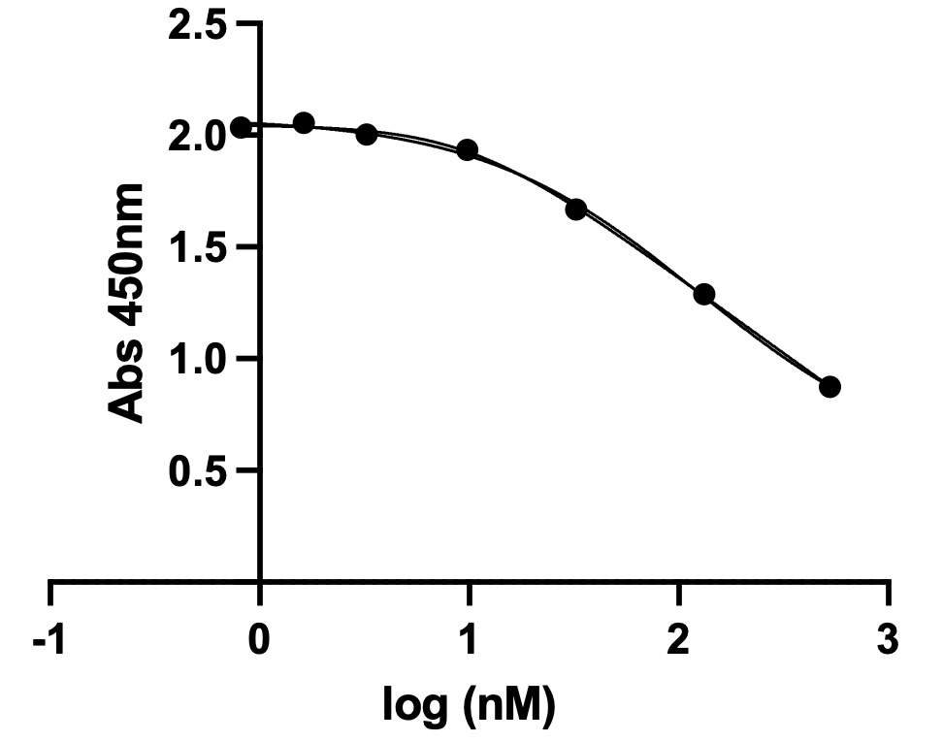
Supplementary DATA 2
Dopamine ELISA Series B (Assays performed 2025)

Collection: single heads |  | ELISA - Determination of DA concentration
 | OD (450 nm) | log | nM | ng/ml | ng/ml corrected | pg/ 50 heads |  |  |  | pg DA/50 Heads Values |  |  | % of WT
 | measured | interpolated from standard curve | 10^log | nM/6,53 | Correction Factor*: 0,02 | in 500 µl |  |  | Replicate A | Replicate B | Replicate C | Average | Percent of WT
WTA 20h | 1.613 | 1.61 | 41.07 | 6.29 | 0.13 | 65.0 |  | WT | 3850.000 | 2700.000 | 1910.000 | 2820.000 | 100%
WTB 20h | 0.921 | 2.65 | 450.21 | 68.94 | 1.38 | **** |  | WT 1/2 | 2340.000 | 1135.000 |  | 1737.500 | 62%
WTC 20h | 1.339 | 2.03 | 107.90 | 16.52 | 0.33 | 165.0 |  | WT 1/4 | 810.000 | 665.000 |  | 737.500 | 26%
WTA | 0.423 | 3.40 | 2514.47 | 385.06 | 7.70 | 3850.0 |  | WT 20 | 65.000 |  | 165.000 | 115.000 | 4%
WTB | 0.525 | 3.25 | 1763.04 | 269.99 | 5.40 | 2700.0 |  | tyr | 500.000 | 570.000 | 495.000 | 521.667 | 18%
WTC | 0.625 | 3.10 | 1246.58 | 190.90 | 3.82 | 1910.0 |  | th tyr | 245.000 | 150.000 |  | 197.500 | 7%
WTA 1/2x | 0.566 | 3.18 | 1529.21 | 234.18 | 4.68 | 2340.0
WTB 1/2 x | 0.776 | 2.87 | 740.46 | 113.39 | 2.27 | 1135.0
WTC 1/2 x | 0.257 | 3.65 | 4495.42 | 688.43 | 13.77 | ****
WTA 1/4x | 0.874 | 2.72 | 528.86 | 80.99 | 1.62 | 810.0
WTB 1/4 x | 0.931 | 2.64 | 435.05 | 66.62 | 1.33 | 665.0
WTC 1/4x | 0.394 | 3.44 | 2782.29 | 426.08 | 8.52 | ****
WTA + 1 ng DA | 0.345 | 3.52 | 3302.10 | 505.68 | 10.11 | 5055.0
WTB + 1 ng DA | 0.364 | 3.49 | 3089.78 | 473.17 | 9.46 | 4730.0
WTC + 1 ng DA | 0.33 | 3.54 | 3480.11 | 532.94 | 10.66 | 5330.0
WTA + 10ng DA | 0.215 | 3.72 | 5210.62 | 797.95 | 15.96 | 7980.0
WTB + 10 ng DA | 0.146 | 3.82 | 6644.70 | 1017.57 | 20.35 | 10175.0
WTC + 10 ng DA | 0.132 | 3.84 | 6981.31 | 1069.11 | 21.38 | 10690.0
tyr A | 1.014 | 2.52 | 327.56 | 50.16 | 1.00 | 500.0
tyr B | 0.976 | 2.57 | 372.99 | 57.12 | 1.14 | 570.0
tyr C | 1.019 | 2.51 | 322.02 | 49.31 | 0.99 | 495.0
th tyr A | 1.225 | 2.20 | 159.42 | 24.41 | 0.49 | 245.0
th tyr B | 1.366 | 1.99 | 98.33 | 15.06 | 0.30 | 150.0

* Correction Factor: volume of standards extracted / sample volumne extracted = 10 µl / 500 µl = 0.02
**** Outlier (likely caused by technical defect)

 |  |  | Standard Curve DA ELISA Assay 2
 |  | concentration |  |  | Absorbance
 | ng/ml | nM | log(nM) | 1 | 2 | 3 | mean | SD
Standard A | 0 |  |  | 2.066 | 2.095 | 2.033 | 2.065 | 0.031
Standard B3 | 0.125 | 0.82 | -0.09 | 2.032 | 2.086 | 1.987 | 2.035 | 0.050
Standard B2 | 0.25 | 1.63 | 0.21 | 2.048 | 2.063 | 1.612 | 2.055 | 0.256
Standard B | 0.5 | 3.27 | 0.51 | 2.032 | 2.014 | 1.965 | 2.004 | 0.035
Standard C | 1.5 | 9.80 | 0.99 | 1.991 | 1.92 | 1.893 | 1.935 | 0.051
Standard D | 5 | 32.65 | 1.51 | 1.676 | 1.678 | 1.647 | 1.667 | 0.017
Standard E | 20 | 130.60 | 2.12 | 1.331 | 1.293 | 1.242 | 1.289 | 0.045
Standard F | 80 | 522.40 | 2.72 | 0.914 | 0.896 | 0.81 | 0.873 | 0.056

 | Standard Curve ELISA 2

