Ext. Data Fig. 4c
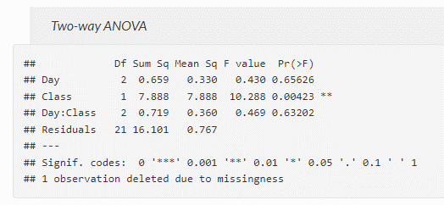
Ext. Data Fig. 4b Untargeted serum metabolomics showing 1-carbon metabolites over time in WT and OSKM mice treated with doxycycline for 7 days

 | SAM/SAH |  |  |  |  |  |  |  | Hcy
 | WT |  |  |  | OSKM |  |  |  | WT |  |  |  | OSKM
 | mouse ID | Day | Class | Ratio | mouse ID | Day | Class | Ratio | mouse ID | Day | Class | log(Hcy) | mouse ID | Day | Class | Ratio
 | 1812 | D0 | WT | 3.829305158 | 1823 | D0 | OSKM | NA | 1812 | D0 | WT | 4.8584518503 | 1823 | D0 | OSKM | 4.7832042169 | all male mice
 | 1794 | D0 | WT | 3.4571246426 | 1822 | D0 | OSKM | 4.0607694829 | 1794 | D0 | WT | 4.73148567 | 1822 | D0 | OSKM | 4.4872570825
 | 1800 | D0 | WT | 3.4160422422 | 1808 | D0 | OSKM | 4.1795141684 | 1800 | D0 | WT | 4.7176202368 | 1808 | D0 | OSKM | 4.5358721063
 | 1798 | D0 | WT | 3.599743512 | 1807 | D0 | OSKM | 4.0332810114 | 1798 | D0 | WT | 4.7485906834 | 1807 | D0 | OSKM | 4.8496678826
 |  |  |  |  | 1809 | D0 | OSKM | 4.3560790335 |  |  |  |  | 1809 | D0 | OSKM | 4.9267796991
 | 1812 | D6 | WT | 3.235483232 | 1823 | D6 | OSKM | 3.7870245445 | 1812 | D6 | WT | 4.7120906236 | 1823 | D6 | OSKM | 4.7743458551
 | 1806 | D6 | WT | 3.1729567151 |  |  |  |  | 1806 | D6 | WT | 4.8678410148
 | 1800 | D6 | WT | 2.8864762073 | 1808 | D6 | OSKM | 3.2920446902 | 1800 | D6 | WT | 4.9721080225 | 1808 | D6 | OSKM | 4.6426930932
 | 1794 | D6 | WT | 3.0513859185 | 1809 | D6 | OSKM | 4.6759274619 | 1794 | D6 | WT | 4.8723513315 | 1809 | D6 | OSKM | 4.9150998858
 | 1798 | D6 | WT | 3.7330491858 | 1807 | D6 | OSKM | 6.1770747796 | 1798 | D6 | WT | 4.9442026429 | 1807 | D6 | OSKM | 5.0435048926
 | 1812 | D7 | WT | 3.1568534546 | 1822 | D7 | OSKM | 3.9812157494 | 1812 | D7 | WT | 4.5555177992 | 1822 | D7 | OSKM | 4.6028196283
 | 1794 | D7 | WT | 3.6015068198 | 1807 | D7 | OSKM | 5.9472154577 | 1794 | D7 | WT | 4.8356050084 | 1807 | D7 | OSKM | 4.9682834153
 | 1806 | D7 | WT | 3.0146338924 | 1808 | D7 | OSKM | 4.2223371512 | 1806 | D7 | WT | 4.7007129817 | 1808 | D7 | OSKM | 4.6424691443
 | 1798 | D7 | WT | 4.7681374364 | 1809 | D7 | OSKM | 6.6410952169 | 1798 | D7 | WT | 4.9433761559 | 1809 | D7 | OSKM | 4.9695205706
 | 1800 | D7 | WT | 2.8348377056 | 1823 | D7 | OSKM | 3.1888482723 | 1800 | D7 | WT | 4.8565441271 | 1823 | D7 | OSKM | 4.839527142

Log2-Ratio of SAM/SAH values for every individual. Then compare if there are differences of Ratios due to Class factor using a Two-way ANOVA.

