EDFig8b
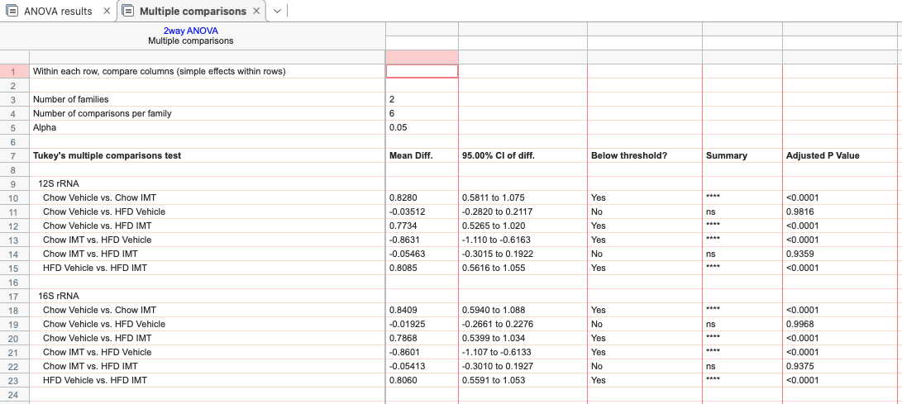
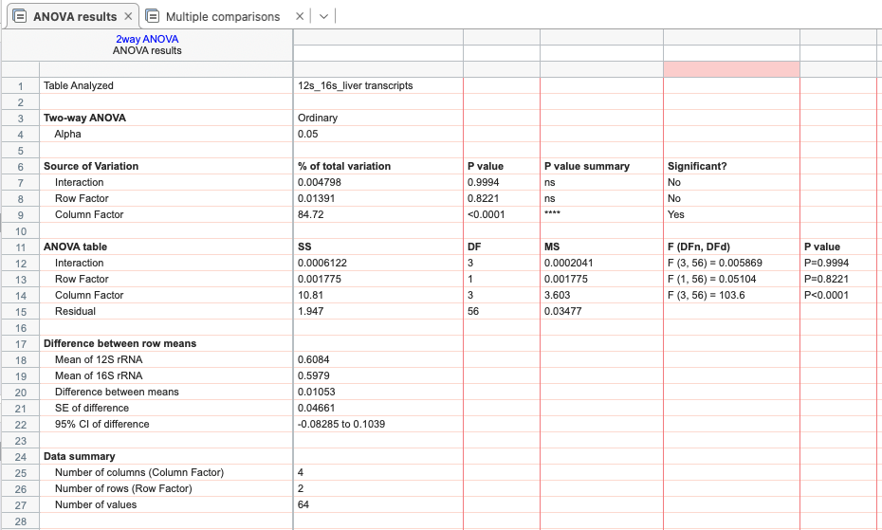
mtRNA 12s & 16s transcripts:

 | cv 12S rRNA | cv 16S rRNA | cimt 12S rRNA | cimt 16S rRNA | hv 12S rRNA | hv 16S rRNA | himt 12S rRNA | himt 16S rRNA
 | 1.043 | 0.942 | 0.135 | 0.116 | 1.035 | 1.052 | 0.368 | 0.314
 | 0.767 | 0.883 | 0.148 | 0.118 | 0.897 | 0.954 | 0.355 | 0.317
 | 1.096 | 1.182 | 0.238 | 0.203 | 1.329 | 1.332 | 0.214 | 0.195
 | 0.95 | 0.927 | 0.277 | 0.291 | 1.049 | 0.935 | 0.202 | 0.179
 | 1.15 | 1.21 | 0.135 | 0.15 | 0.499 | 0.454 | 0.174 | 0.173
 | 0.731 | 0.712 | 0.196 | 0.197 | 1.196 | 1.218 | 0.152 | 0.12
 | 0.828 | 0.734 | 0.127 | 0.11 | 1.273 | 1.244 | 0.135 | 0.174
 | 1.435 | 1.41 | 0.12 | 0.088 | 1.003 | 0.965 | 0.213 | 0.234

 | Normally distributed based on Kolmogorow-Smirnow-Test with Lillifors correction
 | two-way ANOVA with Tukey’s test for multiple comparisons

