EDFig9a
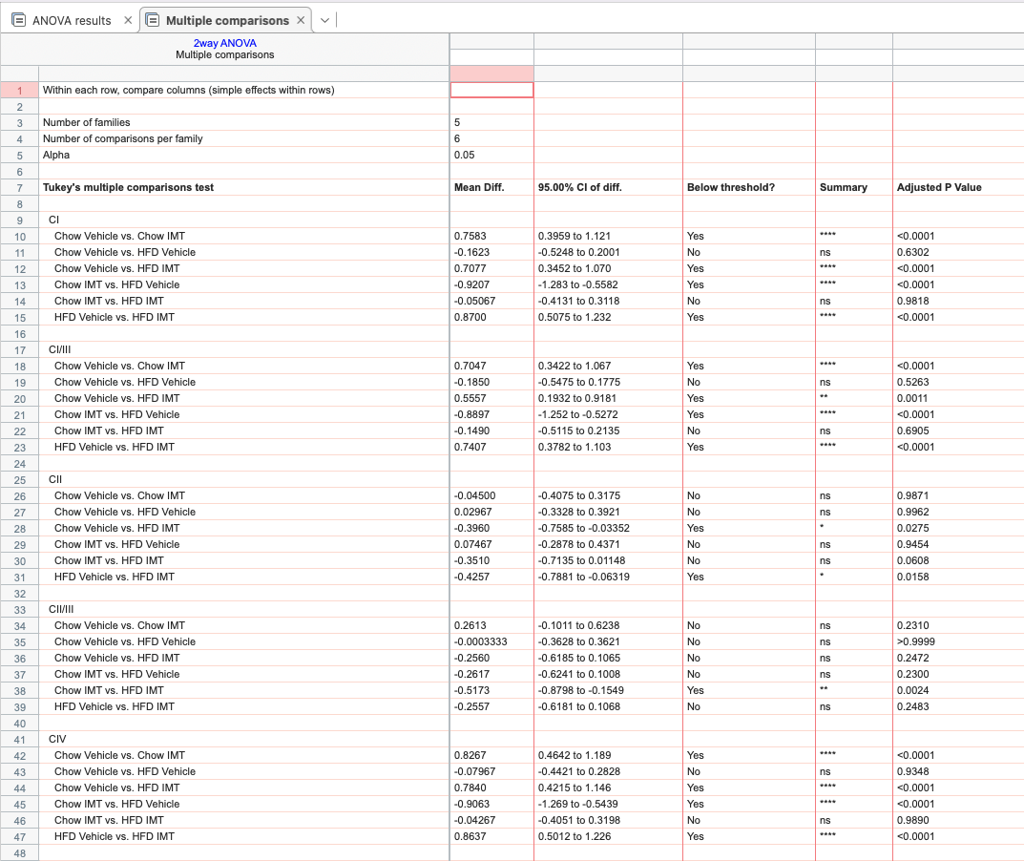
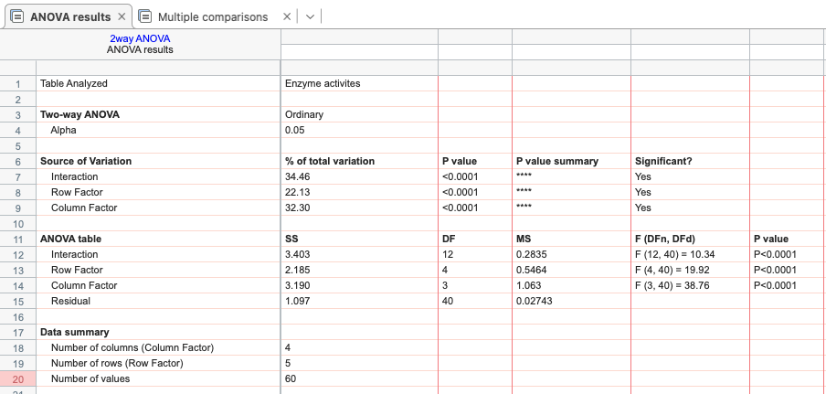
Enzyme activities:
 |  | Chow Vehicle |  |  | Chow IMT |  |  | HFD Vehicle |  |  | HFD IMT
 | CI | 0.718 | 0.906 | 1.376 | 0.22 | 0.226 | 0.279 | 1.257 | 0.793 | 1.437 | 0.293 | 0.292 | 0.292
 | CI/III | 0.7 | 1.069 | 1.231 | 0.288 | 0.28 | 0.318 | 1.205 | 0.948 | 1.402 | 0.502 | 0.453 | 0.378
 | CII | 1.055 | 0.872 | 1.073 | 0.961 | 1.093 | 1.081 | 1.122 | 0.731 | 1.058 | 1.475 | 1.433 | 1.28
 | CII/III | 1.092 | 0.875 | 1.033 | 0.678 | 0.802 | 0.736 | 1.208 | 0.761 | 1.032 | 1.309 | 1.29 | 1.169
 | CIV | 0.939 | 1.008 | 1.053 | 0.164 | 0.183 | 0.173 | 1.238 | 0.844 | 1.157 | 0.224 | 0.196 | 0.228

 |  | sample N too small
 |  | two-way ANOVA with Tukey’s test for multiple comparisons

EDFig9c
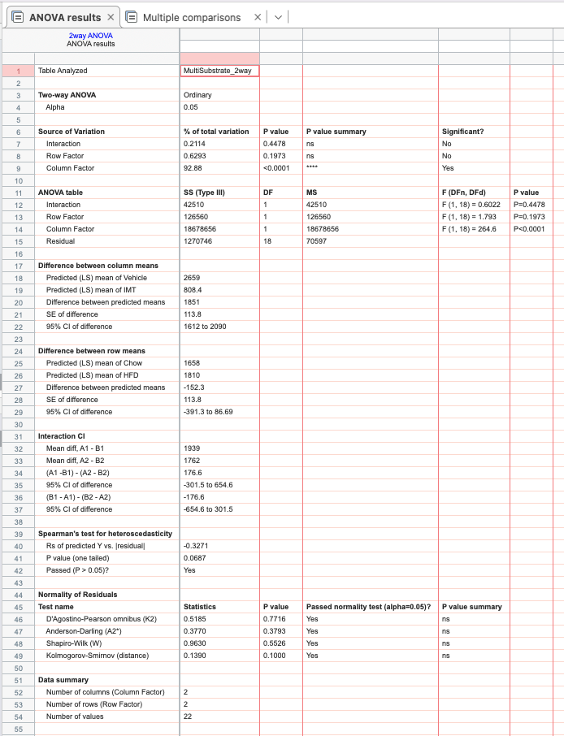
MultiSubstrate

 | Chow Vehicle | Chow IMT | HFD Vehicle | HFD IMT
 | 2642.9854 | 578.5208 | 2417.4524 | 776.1468
 | 2589.9742 | 641.0382 | 2909.3724 | 1144.7546
 | 2531.1308 | 328.9836 | 2578.9368 | 466.7234
 | 2813.063 | 951.929 | 2615.1268 | 536.5272
 | 2557.368 | 940.0512 | 2908.9896 | 1271.897
 |  |  | 2715.8098 | 1376.21

Normally distributed based on Kolmogorow-Smirnow-Test with Lillifors correction
two-way ANOVA with Tukey’s test for multiple comparisons

EDFig9d
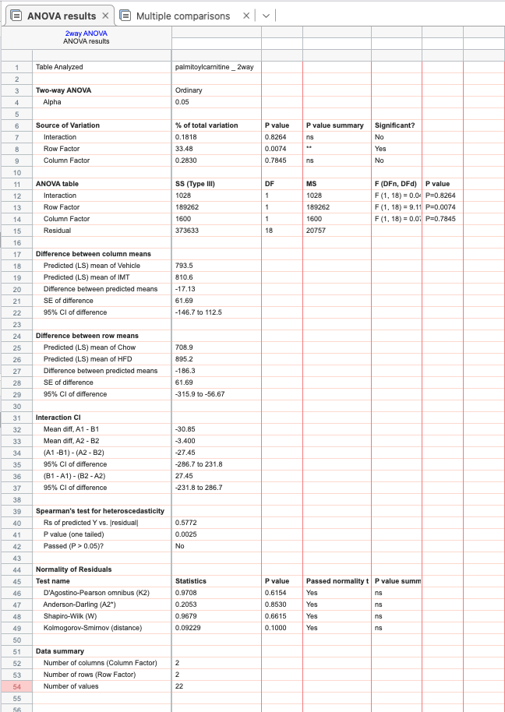
Palmitoylcarnitine

Chow Vehicle | Chow IMT | HFD Vehicle | HFD IMT
667.4646 | 725.417 | 701.8748 | 703.5204
733.9882 | 732.0016 | 793.4036 | 946.8008
650.1594 | 486.893 | 792.9614 | 750.2308
754.7012 | 914.0032 | 977.0772 | 784.63
660.9504 | 763.2108 | 1089.55 | 1119.8528
 |  | 1005.8532 | 1076.0838

Normally distributed based on Kolmogorow-Smirnow-Test with Lillifors correction
two-way ANOVA with Tukey’s test for multiple comparisons

