Fig3a
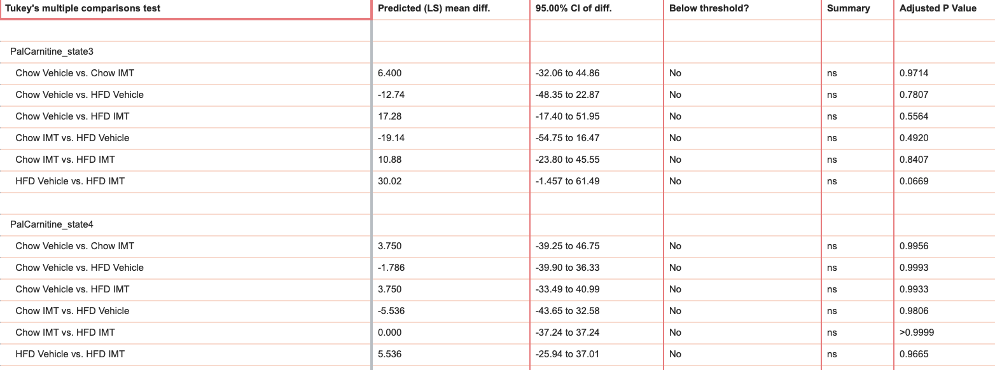
palmitoylcarnitine respiration, JO2 (natO/min/mg prot)

 | state 3 | state 4 | uncoupled
Chow Vehicle | 39.661 | 23.877 | 194.086
 | 69.368 | 12.391 | 179.963
 | 38.031 | 20.754 | 160.782
 | 92.316 | 21.266 | 167.660
 | 122.710 | 24.989 | 200.977
Chow IMT | 39.717 | 17.469 | 177.744
 | 75.366 | 14.388 | 181.490
 | 29.097 | 16.113 | 149.463
 | 71.393 | 13.646 | 140.699
 | 115.107 | 21.881 | 185.092
HFD Vehicle | 65.883 | 14.561 | 188.369
 | 48.169 | 27.806 | 235.738
 | 121.340 | 31.011 | 159.258
 | 111.353 | 22.993 | 173.137
 | 74.705 | 17.362 | 170.540
 | 61.828 | 19.914 | 172.134
 | 113.194 | 21.848 | 235.045
HFD IMT | 74.762 | 12.748 | 180.606
 | 52.029 | 14.651 | 143.567
 | 47.190 | 18.404 | 107.361
 | 56.544 | 22.844 | 178.487
 | 55.761 | 11.825 | 103.929
 | 59.341 | 17.838 | 154.629
 | 47.694 | 19.793 | 140.682
 | 46.870 | 15.174 | 97.232

 | Normally distributed based on D'Agostino & Pearson test

 | two-way ANOVA with Tukey’s test for multiple comparisons.

Fig3b
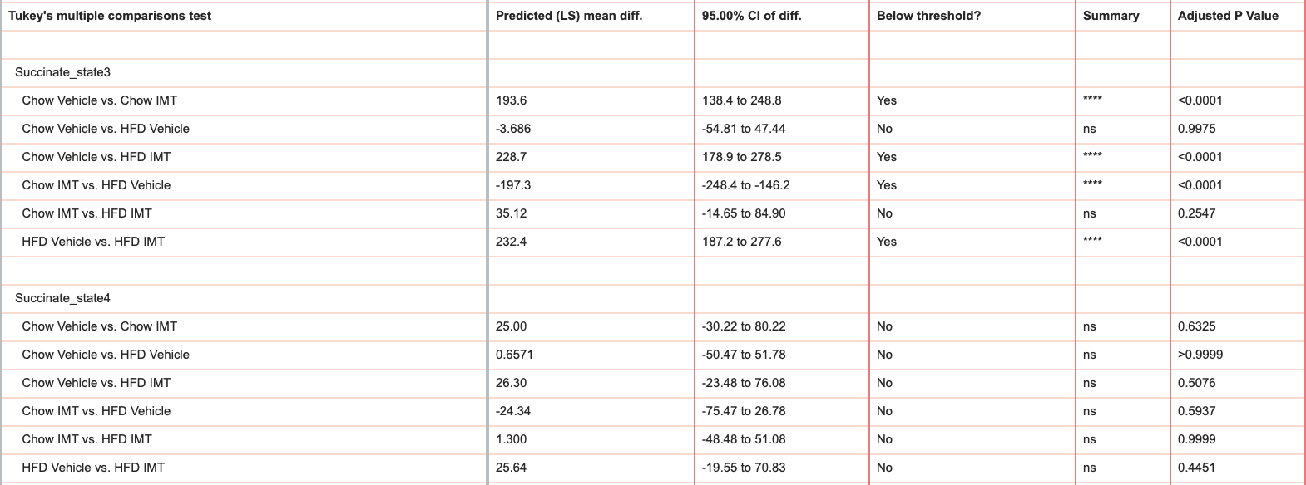
succinate respiration, JO2 (natO/min/mg prot)

 | state 3 | state 4 | uncoupled
Chow Vehicle | 365.013 | 52.405 | 421.757
 | 265.077 | 35.900 | 319.387
 | 251.831 | 36.155 | 372.648
 | 283.086 | 45.703 | 327.893
 | 277.601 | 38.510 | 320.639
Chow IMT | 120.587 | 21.932 | 290.533
 | 106.372 | 24.527 | 304.633
 | 66.869 | 11.772 | 237.021
 | 105.265 | 15.111 | 274.346
 | 76.420 | 9.939 | 304.183
HFD Vehicle | 289.855 | 44.640 | 337.680
 | 304.838 | 29.152 | 375.930
 | 282.430 | 40.762 | 351.596
 | 365.842 | 51.050 | 423.231
 | 211.163 | 41.030 | 278.390
 | 241.123 | 36.987 | 291.362
 | 350.901 | 43.704 | 376.899
HFD IMT | 59.916 | 16.701 | 317.587
 | 56.204 | 27.153 | 217.418
 | 82.270 | 19.943 | 289.616
 | 80.174 | 15.951 | 293.643
 | 74.119 | 16.874 | 315.446
 | 32.674 | 8.886 | 310.281
 | 59.004 | 13.997 | 288.935
 | 35.360 | 4.144 | 227.551

 | Normally distributed based on D'Agostino & Pearson test

 | two-way ANOVA with Tukey’s test for multiple comparisons.

Fig3d
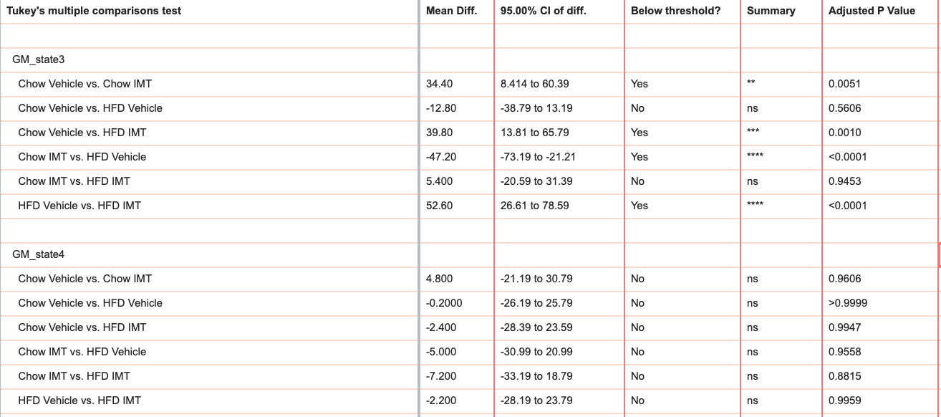
malate/glutamate (GM) respiration, JO2 (natO/min/mg prot)

 | state 3 | state 4 | uncoupled
Chow Vehicle | 67.949 | 20.847 | 69.900
 | 87.332 | 15.357 | 61.434
 | 63.581 | 12.364 | 55.292
 | 80.266 | 11.991 | 66.000
 | 99.654 | 11.968 | 67.827
Chow IMT | 22.973 | 15.215 | 31.947
 | 79.757 | 14.925 | 89.861
 | 24.161 | 4.111 | 65.714
 | 43.078 | 6.174 | 68.999
 | 56.764 | 7.911 | 79.145
HFD Vehicle | 52.593 | 13.772 | 69.958
 | 64.709 | 4.582 | 86.772
 | 111.954 | 20.859 | 96.176
 | 108.068 | 21.975 | 72.736
 | 124.712 | 11.418 | 70.673
HFD IMT | 33.936 | 14.501 | 52.419
 | 43.874 | 7.443 | 43.277
 | 42.852 | 23.680 | 56.100
 | 51.111 | 26.680 | 75.465
 | 27.525 | 10.882 | 71.767

 | Normally distributed based on D'Agostino & Pearson test

 | two-way ANOVA with Tukey’s test for multiple comparisons.

