EDFig1c
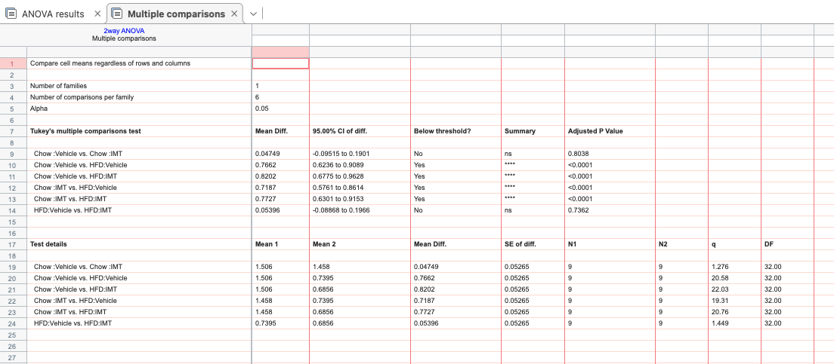
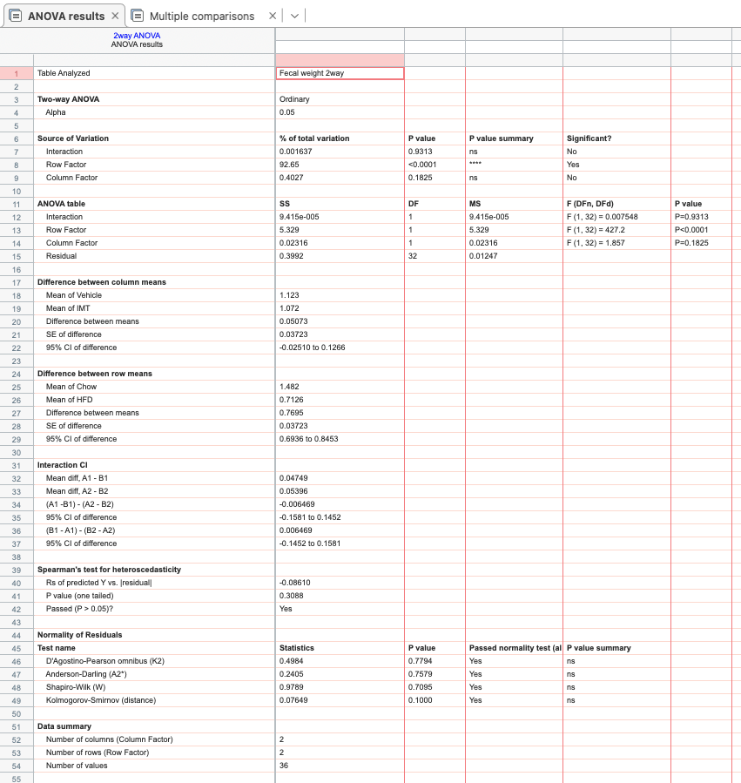
Fecal weight
 | Chow Vehicle | Chow IMT | HFD Vehicle | HFD IMT
 | 1.52076 | 1.46426 | 0.62214 | 0.62061
 | 1.48358 | 1.5223 | 0.63449 | 0.5651
 | 1.47648 | 1.48418 | 0.65872 | 0.56163
 | 1.69063 | 1.48873 | 0.49757 | 0.77821
 | 1.28097 | 1.38618 | 0.81185 | 0.80294
 | 1.62557 | 1.34545 | 0.85185 | 0.77649
 | 1.43228 | 1.5333 | 0.77541 | 0.64283
 | 1.63792 | 1.43463 | 0.94228 | 0.67601
 | 1.4037 | 1.46542 | 0.86153 | 0.74636

 | Normally distributed based on Kolmogorow-Smirnow-Test with Lillifors correction
 | two-way ANOVA with Tukey’s test for multiple comparisons

EDFig1d
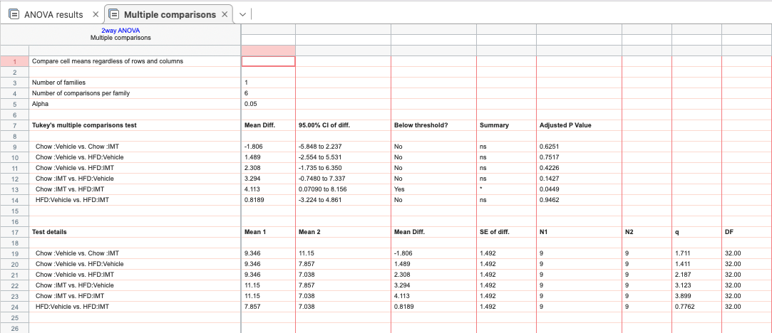
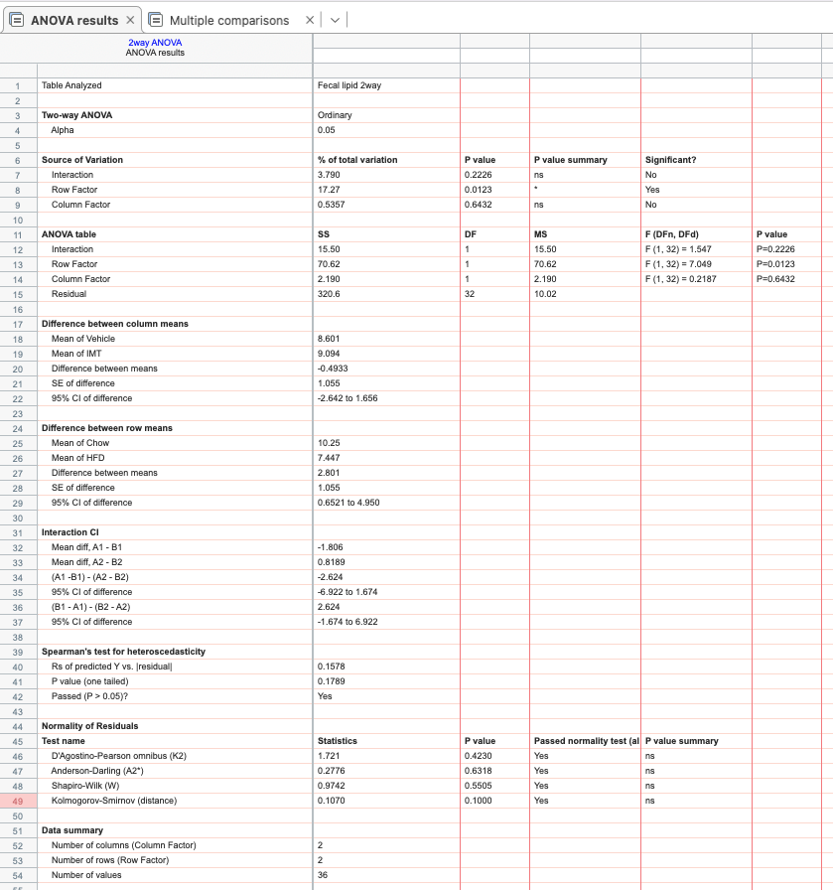
Fecal lipid
 | Chow Vehicle | Chow IMT | HFD Vehicle | HFD IMT
 | 5.25 | 12.09 | 7.18 | 1.47
 | 4.77 | 6.1 | 5.17 | 6.61
 | 12.1 | 9.55 | 7.8 | 5.35
 | 6.71 | 10.66 | 5.23 | 10.25
 | 11.26 | 10.76 | 9.31 | 6.14
 | 13.92 | 6.84 | 6.42 | 10.77
 | 6.83 | 16.23 | 5.62 | 6.57
 | 11.64 | 12.2 | 13.59 | 9.62
 | 11.63 | 15.93 | 10.39 | 6.56

 | Normally distributed based on Kolmogorow-Smirnow-Test with Lillifors correction
 | two-way ANOVA with Tukey’s test for multiple comparisons

