EDFig.2a
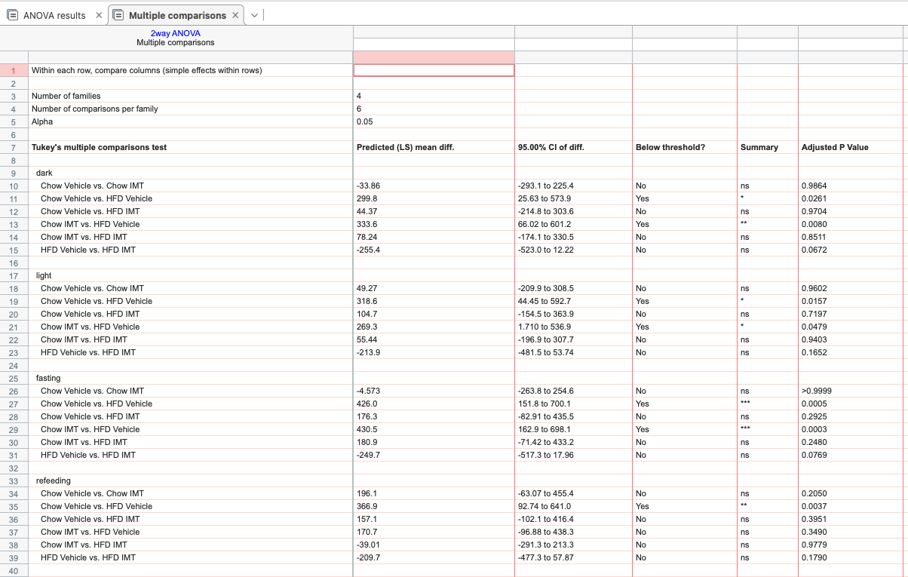
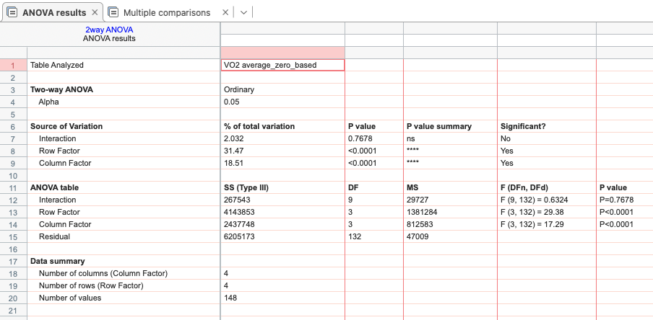
Oxygen consumption Average

 | cv dark | cv light | cv fasting | cv refeeding | cimt dark | cimt light | cimt fasting | cimt refeeding | hv dark | hv light | hv fasting | hv refeeding | himt dark | himt light | himt fasting | himt refeeding
 | 3471.70314 | 3098.55086 | 3422.24528 | 3239.95682 | 3365.03558 | 3142.52733 | 3226.75608 | 2936.75688 | 3326.40003 | 2899.41914 | 2991.26844 | 2796.53859 | 3610.49258 | 3143.23747 | 2993.8805 | 2987.75329
 | 3434.9975 | 3170.63372 | 3112.84442 | 3012.23653 | 3572.04594 | 3107.32386 | 3328.11467 | 2978.46965 | 3272.68578 | 2700.02092 | 2807.64819 | 2883.14124 | 2915.34122 | 2510.62542 | 2547.76867 | 2529.72553
 | 3548.52611 | 3098.87969 | 3224.93481 | 2868.15694 | 3325.96322 | 3075.91317 | 3321.03425 | 2871.67482 | 2637.58728 | 2354.77058 | 2436.94786 | 2324.44729 | 3029.75183 | 2687.71503 | 2770.59672 | 2779.76288
 | 3416.39392 | 3307.52422 | 3470.86081 | 3188.14459 | 3537.61278 | 2986.61453 | 3224.92125 | 2948.50929 | 2806.94325 | 2607.43972 | 2557.20631 | 2560.51129 | 3318.81322 | 3014.83517 | 3049.28717 | 2852.99506
 | 3151.15517 | 2710.91903 | 2864.15533 | 2640.51618 | 3424.50497 | 3165.73222 | 3208.31144 | 2968.47918 | 3376.76164 | 2956.51247 | 2847.74119 | 2808.17912 | 3722.70475 | 3293.65844 | 3469.26342 | 3290.48065
 | 3485.26192 | 3066.8595 | 3049.11064 | 3149.48429 | 3525.19861 | 2945.62369 | 3161.66058 | 2896.05824 | 2956.02569 | 2625.94111 | 2627.49408 | 2701.29594 | 3307.62478 | 3036.75239 | 2948.23411 | 2974.75688
 | 3499.73078 | 3128.46575 | 3315.48322 | 3095.54988 | 3163.13483 | 2928.20069 | 3003.17192 | 2705.93376 | 3566.75619 | 3280.65525 | 3398.01097 | 3060.94494 | 3486.291 | 3161.57183 | 3327.9575 | 3115.82471
 | 3246.88419 | 3042.63706 | 3037.44831 | 3205.00929 | 3281.73669 | 2976.59306 | 3028.18467 | 2857.87641 | 3071.04211 | 2814.81639 | 2736.12686 | 2608.76588 | 3413.01322 | 2988.73047 | 3055.36519 | 2995.28612
 | 3584.21664 | 3262.33092 | 3539.28706 | 3364.59594 | 3742.34161 | 3118.78558 | 3456.18258 | 2807.88712 |  |  |  |  | 3382.04325 | 2874.55833 | 2975.01836 | 2796.23759
 |  |  |  |  | 3666.46636 | 3045.32797 | 3350.02903 | 2915.38494 |  |  |  |  | 3635.601 | 3226.50872 | 3362.20661 | 2954.32047

 | Normally distributed based on Kolmogorow-Smirnow-Test with Lillifors correction
 | two-way ANOVA with Tukey’s test for multiple comparisons

