e2b
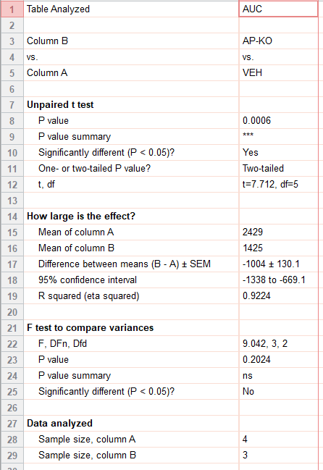
ext_figure 2b
auc | CON | acyl-gip
 | 2200 | 1502
 | 2576 | 1411
 | 2300 | 1363
 | 2640

e2c
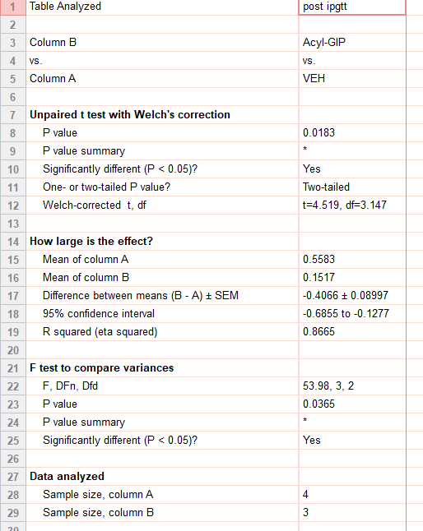
ext_figure 2c
food intake post ipgtt (g) | CON | acyl-gip
 | 0.68 | 0.133
 | 0.334 | 0.179
 | 0.499 | 0.143
 | 0.72

e2d
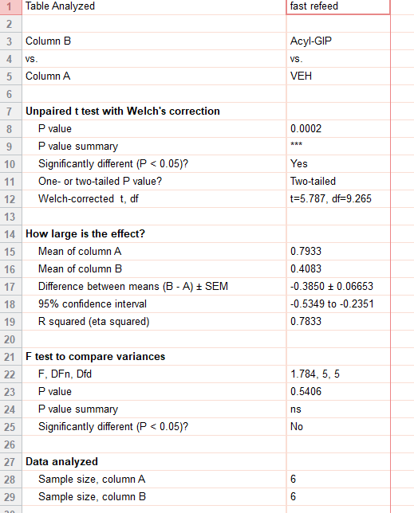
ext_figure 2d
food intake fast refeed (g) | CON | acyl-gip
 | 0.775 | 0.451
 | 0.956 | 0.579
 | 0.726 | 0.26
 | 0.81 | 0.353
 | 0.823 | 0.283
 | 0.67 | 0.524

e2e
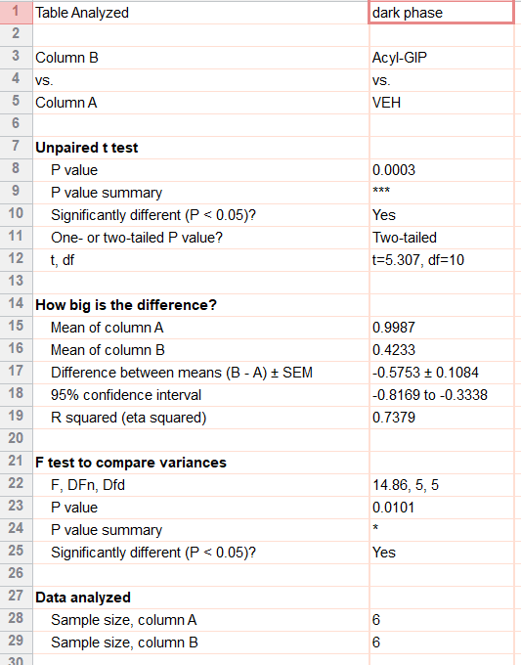
ext_figure 2e
0-4hr dark phase food intake (g) | CON | acyl-gip
 | 1.277 | 0.42
 | 0.892 | 0.372
 | 0.964 | 0.356
 | 1.347 | 0.382
 | 0.781 | 0.504
 | 0.731 | 0.506

e2f
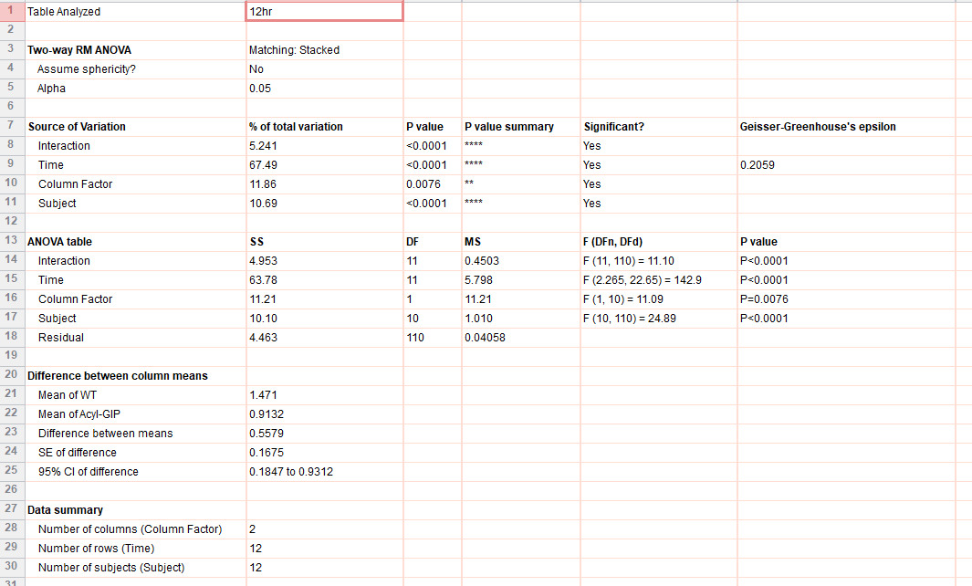
ext_figure 2f
food intake (g) | CON |  |  |  |  |  |  | acyl-gip
 | 19:00 | 0 | 0 | 0 | 0 | 0 | 0 | 0 | 0 | 0 | 0 | 0 | 0
 |  | 0.270899 | 0.222478 | 0.212162 | 0.646175 | 0.319806 | 0.195383 | 0.064149 | 0.256281 | 0.637074 | 0.284872 | 0.236311 | 0.256281
 |  | 0.388138 | 0.527894 | 0.745397 | 1.041723 | 0.656778 | 0.227717 | 0.220847 | 0.38695 | 0.99966 | 0.413716 | 0.345056 | 0.38695
 |  | 0.633793 | 0.649423 | 0.791888 | 1.347679 | 1.092139 | 0.646685 | 0.228315 | 0.469596 | 1.276843 | 0.566349 | 0.54975 | 0.469596
 |  | 0.853625 | 0.846603 | 1.209389 | 1.386817 | 1.094477 | 1.375278 | 0.488633 | 0.690906 | 1.276981 | 0.661485 | 0.596216 | 0.690906
 |  | 1.592319 | 1.505586 | 1.514211 | 1.723173 | 1.455113 | 1.462807 | 0.527563 | 1.053923 | 1.609709 | 0.682514 | 0.94555 | 1.053923
 |  | 1.830678 | 1.888491 | 1.552507 | 1.817242 | 1.52204 | 1.470333 | 0.582037 | 1.055785 | 1.699178 | 0.682514 | 1.230697 | 1.055785
 |  | 1.830678 | 1.89998 | 2.133791 | 2.065113 | 1.736478 | 1.69516 | 0.711667 | 1.092675 | 1.879105 | 0.682514 | 1.277938 | 1.092675
 |  | 1.875943 | 2.379742 | 2.372965 | 2.390929 | 1.91227 | 2.010184 | 0.713133 | 1.280189 | 2.177827 | 0.832857 | 1.278373 | 1.280189
 |  | 2.115812 | 2.894269 | 2.465396 | 2.471584 | 1.934569 | 2.079719 | 0.808126 | 1.280189 | 2.218939 | 0.871587 | 1.318015 | 1.280189
 |  | 2.449772 | 2.894437 | 2.704834 | 3.003127 | 2.201022 | 2.079719 | 1.023275 | 1.407405 | 2.705497 | 1.120468 | 1.625099 | 1.407405
 | 07:00 | 2.559977 | 2.91399 | 2.706949 | 3.146932 | 2.2015 | 2.079719 | 1.209075 | 1.451392 | 2.848643 | 1.151642 | 1.640892 | 1.451392

e2g
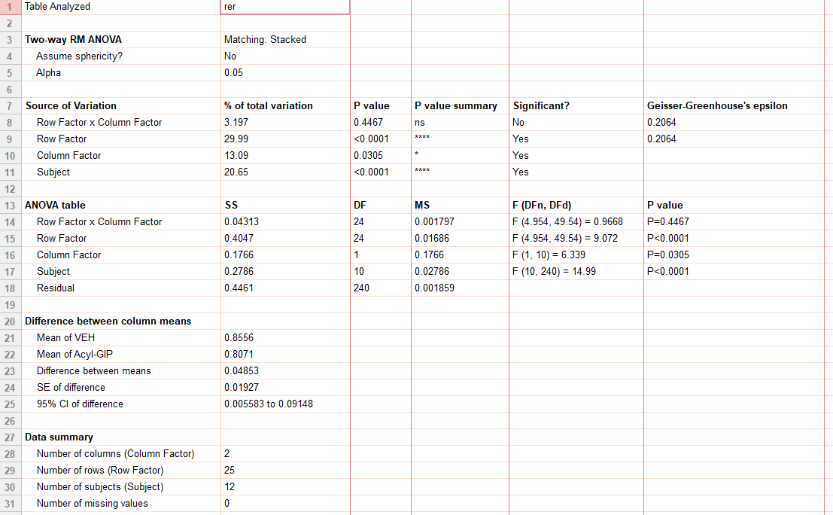
ext_figure 2g
rer | CON |  |  |  |  |  |  | acyl-gip
 | 07:00 | 0.826916 | 0.819475 | 0.86129 | 0.7523 | 0.823997 | 0.830623 | 0.832518 | 0.874409 | 0.838987 | 0.764778 | 0.661221
 |  | 0.775516 | 0.888651 | 0.909682 | 0.712042 | 0.897039 | 0.820775 | 0.88104 | 0.814104 | 0.806657 | 0.753996 | 0.665832
 |  | 0.800365 | 0.874409 | 0.946867 | 0.760725 | 0.864923 | 0.82391 | 0.842351 | 0.753922 | 0.784524 | 0.753267 | 0.682835
 |  | 0.80149 | 0.814104 | 0.916829 | 0.783967 | 0.798197 | 0.747864 | 0.798434 | 0.784435 | 0.787 | 0.760933 | 0.784517
 |  | 0.80006 | 0.753922 | 0.902143 | 0.815747 | 0.775367 | 0.749552 | 0.790881 | 0.862916 | 0.818359 | 0.744862 | 0.723023
 |  | 0.794238 | 0.784435 | 0.849895 | 0.872995 | 0.750342 | 0.730333 | 0.793409 | 0.882223 | 0.809722 | 0.712418 | 0.691281
 |  | 0.759048 | 0.762916 | 0.89894 | 0.796731 | 0.783472 | 0.707209 | 0.798417 | 0.866985 | 0.781748 | 0.726058 | 0.673535
 |  | 0.829145 | 0.882223 | 0.837036 | 0.763178 | 0.768044 | 0.737674 | 0.788128 | 0.84677 | 0.786364 | 0.73431 | 0.764896
 |  | 0.796239 | 0.866985 | 0.902045 | 0.682931 | 0.81528 | 0.753339 | 0.822865 | 0.850965 | 0.837795 | 0.726372 | 0.730124
 |  | 0.813954 | 0.84677 | 0.902079 | 0.730231 | 0.799707 | 0.745094 | 0.817389 | 0.781198 | 0.898153 | 0.720308 | 0.758245
 |  | 0.804598 | 0.850965 | 0.923717 | 0.801834 | 0.823129 | 0.791956 | 0.835119 | 0.807653 | 0.760335 | 0.767314 | 0.726236
 |  | 0.781198 | 0.838331 | 0.906633 | 0.810256 | 0.855932 | 0.774136 | 0.896677 | 0.786477 | 0.797085 | 0.7648 | 0.799229
 | 19:00 | 0.891422 | 0.880522 | 0.83277 | 0.786461 | 0.855979 | 0.827046 | 0.900229 | 0.809648 | 0.844946 | 0.760335 | 0.796285
 |  | 0.939999 | 0.961303 | 0.888639 | 0.782003 | 0.82413 | 0.86851 | 0.908095 | 0.819751 | 0.883805 | 0.797085 | 0.723525
 |  | 0.974033 | 0.971242 | 0.960838 | 0.824475 | 0.855102 | 0.881398 | 0.859155 | 0.830209 | 0.881987 | 0.844946 | 0.738106
 |  | 0.974645 | 0.952094 | 0.903145 | 0.833732 | 0.92082 | 0.944817 | 0.846953 | 0.807893 | 0.868146 | 0.883805 | 0.802035
 |  | 0.961437 | 0.9606 | 0.945859 | 0.87455 | 0.903422 | 0.949144 | 0.888 | 0.8752537 | 0.89961 | 0.881987 | 0.742094
 |  | 0.924872 | 0.913994 | 0.929815 | 0.89096 | 0.86866 | 0.930744 | 0.823005 | 0.871632 | 0.862488 | 0.868146 | 0.72085
 |  | 0.964604 | 0.838966 | 0.942689 | 0.839604 | 0.828523 | 0.928154 | 0.858379 | 0.787902 | 0.81233 | 0.79961 | 0.850008
 |  | 0.948043 | 0.918546 | 0.932025 | 0.81347 | 0.918778 | 0.949185 | 0.888737 | 0.743897 | 0.864906 | 0.762488 | 0.902669
 |  | 0.871459 | 0.947853 | 0.914919 | 0.849268 | 0.888011 | 0.885031 | 0.891881 | 0.790706 | 0.84295 | 0.81233 | 0.852693
 |  | 0.81767 | 0.861061 | 0.929559 | 0.824652 | 0.844726 | 0.876168 | 0.899846 | 0.780414 | 0.874839 | 0.864906 | 0.859151
 |  | 0.85721 | 0.909507 | 0.9244 | 0.848282 | 0.903764 | 0.929139 | 0.807604 | 0.833362 | 0.812759 | 0.84295 | 0.836459
 | 07:00 | 0.86 | 0.927 | 0.904417 | 0.811219 | 0.910503 | 0.922462 | 0.849412 | 0.789994 | 0.837814 | 0.874839 | 0.769022

e2h
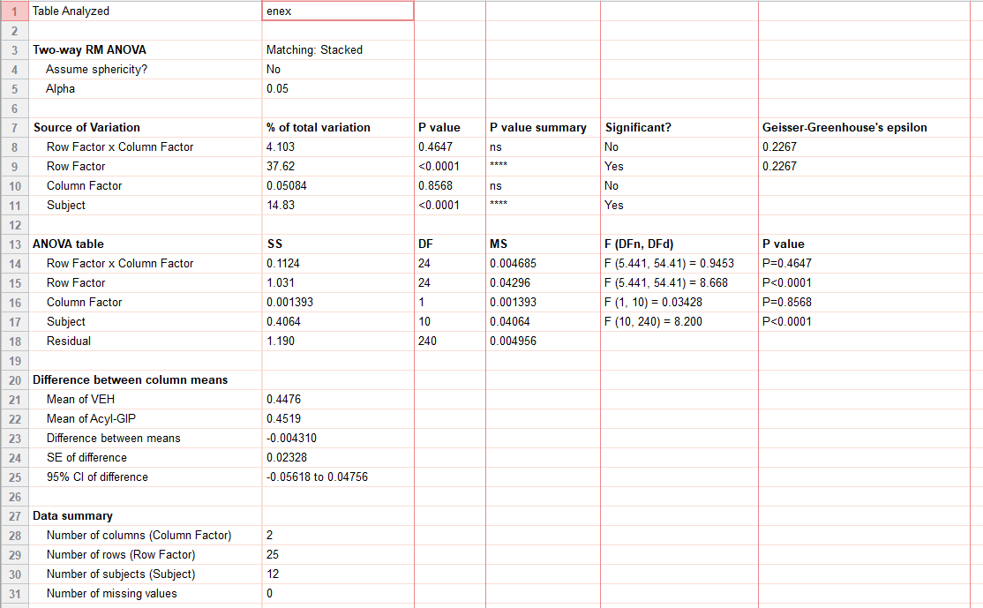
ext_figure 2h
energy exp (kcal/hr) | CON |  |  |  |  |  |  | acyl-gip
 | 07:00 | 0.362114 | 0.39928 | 0.504237 | 0.494954 | 0.429465 | 0.363531 | 0.429124 | 0.367109 | 0.482955 | 0.303868 | 0.337536 | 0.380193
 |  | 0.508054 | 0.503311 | 0.394271 | 0.45912 | 0.314416 | 0.394889 | 0.408832 | 0.518805 | 0.395303 | 0.297842 | 0.366416 | 0.435476
 |  | 0.350332 | 0.452365 | 0.500836 | 0.317666 | 0.336781 | 0.484574 | 0.361745 | 0.424035 | 0.480981 | 0.403464 | 0.439987 | 0.445531
 |  | 0.427488 | 0.406266 | 0.396242 | 0.421684 | 0.340541 | 0.437381 | 0.392248 | 0.536613 | 0.380716 | 0.406205 | 0.316041 | 0.372639
 |  | 0.316356 | 0.412679 | 0.445965 | 0.32921 | 0.382626 | 0.354681 | 0.328084 | 0.423184 | 0.441166 | 0.30793 | 0.352386 | 0.471628
 |  | 0.320763 | 0.453595 | 0.391741 | 0.2976 | 0.341368 | 0.368854 | 0.366927 | 0.450899 | 0.405559 | 0.300104 | 0.327275 | 0.417824
 |  | 0.332902 | 0.358572 | 0.485994 | 0.33785 | 0.329375 | 0.3736 | 0.335457 | 0.399531 | 0.368171 | 0.339422 | 0.336882 | 0.412081
 |  | 0.318862 | 0.377537 | 0.372407 | 0.356621 | 0.363375 | 0.3737 | 0.452471 | 0.401523 | 0.490117 | 0.358974 | 0.301309 | 0.406165
 |  | 0.492109 | 0.501908 | 0.422936 | 0.303524 | 0.289081 | 0.423567 | 0.361414 | 0.435934 | 0.394213 | 0.303952 | 0.413636 | 0.42501
 |  | 0.330157 | 0.374597 | 0.485133 | 0.384115 | 0.312274 | 0.357589 | 0.422846 | 0.422089 | 0.431223 | 0.416432 | 0.331979 | 0.465565
 |  | 0.435858 | 0.500319 | 0.533582 | 0.403757 | 0.35943 | 0.436206 | 0.437011 | 0.557261 | 0.515526 | 0.295262 | 0.319208 | 0.424916
 |  | 0.474845 | 0.677821 | 0.646875 | 0.504981 | 0.386842 | 0.496651 | 0.398824 | 0.649487 | 0.553251 | 0.436441 | 0.456048 | 0.502896
 | 19:00 | 0.565592 | 0.544074 | 0.529123 | 0.577526 | 0.470061 | 0.604089 | 0.451435 | 0.598647 | 0.555213 | 0.486694 | 0.484324 | 0.482708
 |  | 0.48696 | 0.571876 | 0.590877 | 0.358704 | 0.525952 | 0.655659 | 0.438138 | 0.476137 | 0.53211 | 0.537658 | 0.621287 | 0.657212
 |  | 0.447333 | 0.5595 | 0.552411 | 0.579133 | 0.445184 | 0.584526 | 0.431751 | 0.464807 | 0.478486 | 0.553886 | 0.608243 | 0.663263
 |  | 0.410511 | 0.616955 | 0.522466 | 0.60563 | 0.541373 | 0.371125 | 0.533097 | 0.543222 | 0.589579 | 0.5038 | 0.595114 | 0.716394
 |  | 0.492212 | 0.66704 | 0.641862 | 0.317004 | 0.560146 | 0.583809 | 0.486784 | 0.600529 | 0.642745 | 0.39341 | 0.600732 | 0.690765
 |  | 0.575256 | 0.653186 | 0.490098 | 0.415777 | 0.546774 | 0.527059 | 0.365835 | 0.591596 | 0.420114 | 0.324062 | 0.366027 | 0.697304
 |  | 0.509267 | 0.416776 | 0.543631 | 0.645184 | 0.442487 | 0.424919 | 0.376629 | 0.405317 | 0.420657 | 0.536052 | 0.31482 | 0.64451
 |  | 0.342097 | 0.453446 | 0.715687 | 0.382856 | 0.37033 | 0.420372 | 0.351956 | 0.447197 | 0.40347 | 0.502592 | 0.519354 | 0.563312
 |  | 0.38301 | 0.620533 | 0.492087 | 0.383055 | 0.450856 | 0.555504 | 0.437663 | 0.484048 | 0.479357 | 0.40548 | 0.565365 | 0.433638
 |  | 0.449227 | 0.353287 | 0.652633 | 0.614335 | 0.415204 | 0.3764 | 0.40291 | 0.482805 | 0.45138 | 0.39501 | 0.40062 | 0.529623
 |  | 0.425008 | 0.360999 | 0.451169 | 0.461769 | 0.394869 | 0.495355 | 0.495622 | 0.553159 | 0.498602 | 0.51148 | 0.335435 | 0.527622
 | 07:00 | 0.333343 | 0.37731 | 0.399962 | 0.301736 | 0.463007 | 0.437852 | 0.357606 | 0.451834 | 0.406781 | 0.472296 | 0.51968 | 0.534002

e2h (2)
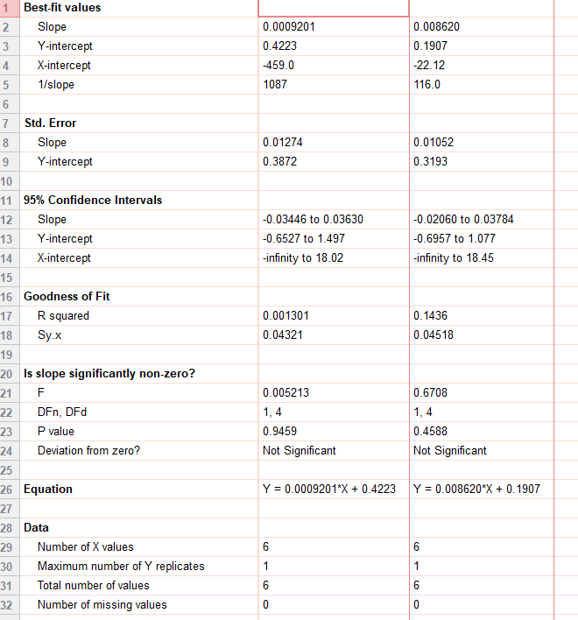
ext_figure 2h inset
energy exp (kcal/hr) |  | VEH | Acyl-GIP
 | 31.6 | 0.420402
 | 28.9 | 0.483885
 | 32.2 | 0.506759
 | 28.8 | 0.427241
 | 31.3 | 0.408826
 | 29.3 | 0.454246
 | 31.1 |  | 0.486907
 | 26.6 |  | 0.40935
 | 31.4 |  | 0.467403
 | 30.3 |  | 0.408013
 | 32 |  | 0.426238
 | 30.3 |  | 0.512512

e2i
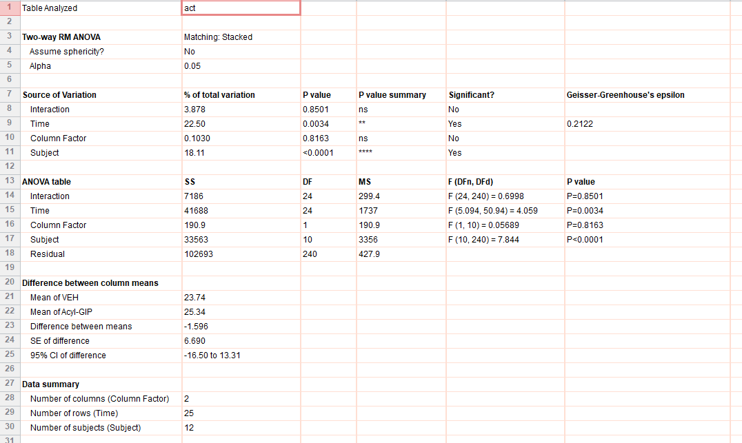
ext_figure 2h
ambulatory activity (beam breaks) | CON |  |  |  |  |  |  | acyl-gip
 | 07:00 | 0.362114 | 0.39928 | 0.504237 | 0.494954 | 0.429465 | 0.363531 | 0.429124 | 0.367109 | 0.482955 | 0.303868 | 0.337536 | 0.380193
 |  | 0.508054 | 0.503311 | 0.394271 | 0.45912 | 0.314416 | 0.394889 | 0.408832 | 0.518805 | 0.395303 | 0.297842 | 0.366416 | 0.435476
 |  | 0.350332 | 0.452365 | 0.500836 | 0.317666 | 0.336781 | 0.484574 | 0.361745 | 0.424035 | 0.480981 | 0.403464 | 0.439987 | 0.445531
 |  | 0.427488 | 0.406266 | 0.396242 | 0.421684 | 0.340541 | 0.437381 | 0.392248 | 0.536613 | 0.380716 | 0.406205 | 0.316041 | 0.372639
 |  | 0.316356 | 0.412679 | 0.445965 | 0.32921 | 0.382626 | 0.354681 | 0.328084 | 0.423184 | 0.441166 | 0.30793 | 0.352386 | 0.471628
 |  | 0.320763 | 0.453595 | 0.391741 | 0.2976 | 0.341368 | 0.368854 | 0.366927 | 0.450899 | 0.405559 | 0.300104 | 0.327275 | 0.417824
 |  | 0.332902 | 0.358572 | 0.485994 | 0.33785 | 0.329375 | 0.3736 | 0.335457 | 0.399531 | 0.368171 | 0.339422 | 0.336882 | 0.412081
 |  | 0.318862 | 0.377537 | 0.372407 | 0.356621 | 0.363375 | 0.3737 | 0.452471 | 0.401523 | 0.490117 | 0.358974 | 0.301309 | 0.406165
 |  | 0.492109 | 0.501908 | 0.422936 | 0.303524 | 0.289081 | 0.423567 | 0.361414 | 0.435934 | 0.394213 | 0.303952 | 0.413636 | 0.42501
 |  | 0.330157 | 0.374597 | 0.485133 | 0.384115 | 0.312274 | 0.357589 | 0.422846 | 0.422089 | 0.431223 | 0.416432 | 0.331979 | 0.465565
 |  | 0.435858 | 0.500319 | 0.533582 | 0.403757 | 0.35943 | 0.436206 | 0.437011 | 0.557261 | 0.515526 | 0.295262 | 0.319208 | 0.424916
 |  | 0.474845 | 0.677821 | 0.646875 | 0.504981 | 0.386842 | 0.496651 | 0.398824 | 0.649487 | 0.553251 | 0.436441 | 0.456048 | 0.502896
 | 19:00 | 0.565592 | 0.544074 | 0.529123 | 0.577526 | 0.470061 | 0.604089 | 0.451435 | 0.598647 | 0.555213 | 0.486694 | 0.484324 | 0.482708
 |  | 0.48696 | 0.571876 | 0.590877 | 0.358704 | 0.525952 | 0.655659 | 0.438138 | 0.476137 | 0.53211 | 0.537658 | 0.621287 | 0.657212
 |  | 0.447333 | 0.5595 | 0.552411 | 0.579133 | 0.445184 | 0.584526 | 0.431751 | 0.464807 | 0.478486 | 0.553886 | 0.608243 | 0.663263
 |  | 0.410511 | 0.616955 | 0.522466 | 0.60563 | 0.541373 | 0.371125 | 0.533097 | 0.543222 | 0.589579 | 0.5038 | 0.595114 | 0.716394
 |  | 0.492212 | 0.66704 | 0.641862 | 0.317004 | 0.560146 | 0.583809 | 0.486784 | 0.600529 | 0.642745 | 0.39341 | 0.600732 | 0.690765
 |  | 0.575256 | 0.653186 | 0.490098 | 0.415777 | 0.546774 | 0.527059 | 0.365835 | 0.591596 | 0.420114 | 0.324062 | 0.366027 | 0.697304
 |  | 0.509267 | 0.416776 | 0.543631 | 0.645184 | 0.442487 | 0.424919 | 0.376629 | 0.405317 | 0.420657 | 0.536052 | 0.31482 | 0.64451
 |  | 0.342097 | 0.453446 | 0.715687 | 0.382856 | 0.37033 | 0.420372 | 0.351956 | 0.447197 | 0.40347 | 0.502592 | 0.519354 | 0.563312
 |  | 0.38301 | 0.620533 | 0.492087 | 0.383055 | 0.450856 | 0.555504 | 0.437663 | 0.484048 | 0.479357 | 0.40548 | 0.565365 | 0.433638
 |  | 0.449227 | 0.353287 | 0.652633 | 0.614335 | 0.415204 | 0.3764 | 0.40291 | 0.482805 | 0.45138 | 0.39501 | 0.40062 | 0.529623
 |  | 0.425008 | 0.360999 | 0.451169 | 0.461769 | 0.394869 | 0.495355 | 0.495622 | 0.553159 | 0.498602 | 0.51148 | 0.335435 | 0.527622
 | 07:00 | 0.333343 | 0.37731 | 0.399962 | 0.301736 | 0.463007 | 0.437852 | 0.357606 | 0.451834 | 0.406781 | 0.472296 | 0.51968 | 0.534002

e2j
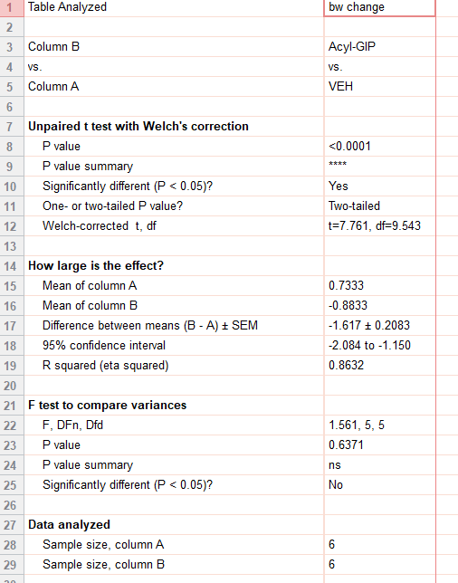
ext_figure 2j
bw change (g) | CON | acyl-gip
 | 1.2 | -1.4
 | 0.3 | -1.1
 | 1.2 | -0.9
 | 0.8 | -0.7
 | 0.5 | -0.6
 | 0.4 | -0.6

