e3c
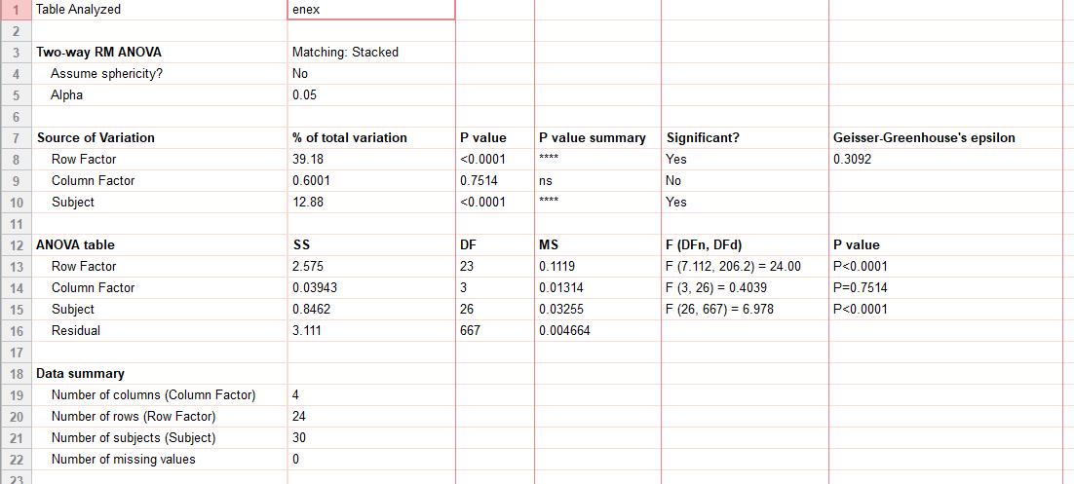
ext_figure 3c
energy exp (kcal/hr) | CON: VEH |  |  |  |  |  |  |  | CON: Acyl-GIP |  |  |  |  |  |  | AP-KO: VEH |  |  |  |  |  |  |  | AP-KO: Acyl-GIP
std chow | 07:00 | 0.382415 | 0.329789 | 0.512478 | 0.413928 | 0.48487 | 0.393518 | 0.286457 | 0.480452 | 0.467122 | 0.508089 | 0.380193 | 0.439335 | 0.363531 | 0.303868 | 0.480967 | 0.463175 | 0.481241 | 0.429465 | 0.433197 | 0.302862 | 0.36101 | 0.423681 | 0.571022 | 0.418646 | 0.524155 | 0.471083 | 0.357545 | 0.316161 | 0.303868 | 0.337536
 |  | 0.386594 | 0.467708 | 0.355334 | 0.550546 | 0.46023 | 0.360701 | 0.281544 | 0.369875 | 0.41579 | 0.422518 | 0.435476 | 0.393646 | 0.394889 | 0.297842 | 0.409703 | 0.501969 | 0.417201 | 0.314416 | 0.411007 | 0.438984 | 0.344214 | 0.278033 | 0.456839 | 0.406678 | 0.400732 | 0.369266 | 0.488482 | 0.289103 | 0.297842 | 0.366416
 |  | 0.298714 | 0.339298 | 0.403187 | 0.436209 | 0.430051 | 0.4334 | 0.364393 | 0.369113 | 0.467632 | 0.413684 | 0.445531 | 0.495191 | 0.484574 | 0.403464 | 0.439656 | 0.470949 | 0.388137 | 0.336781 | 0.366524 | 0.299441 | 0.406365 | 0.401522 | 0.376409 | 0.441183 | 0.431019 | 0.49483 | 0.31634 | 0.433724 | 0.403464 | 0.439987
 |  | 0.31868 | 0.334395 | 0.371984 | 0.409871 | 0.306178 | 0.334293 | 0.348316 | 0.392067 | 0.467773 | 0.399182 | 0.372639 | 0.455504 | 0.437381 | 0.406205 | 0.444662 | 0.467159 | 0.444805 | 0.340541 | 0.283221 | 0.317468 | 0.299927 | 0.337509 | 0.368088 | 0.389361 | 0.428871 | 0.393195 | 0.328381 | 0.392828 | 0.406205 | 0.316041
 |  | 0.338806 | 0.362222 | 0.363681 | 0.431494 | 0.338183 | 0.38346 | 0.305042 | 0.363341 | 0.391013 | 0.414887 | 0.471628 | 0.452933 | 0.354681 | 0.30793 | 0.44182 | 0.592472 | 0.375221 | 0.382626 | 0.3838 | 0.379328 | 0.348792 | 0.30087 | 0.432598 | 0.39172 | 0.492471 | 0.440475 | 0.389318 | 0.369793 | 0.30793 | 0.352386
 |  | 0.308382 | 0.334851 | 0.424317 | 0.388286 | 0.315359 | 0.368137 | 0.326301 | 0.501843 | 0.513622 | 0.455115 | 0.417824 | 0.378273 | 0.368854 | 0.300104 | 0.461617 | 0.518958 | 0.449423 | 0.341368 | 0.334545 | 0.31303 | 0.3373 | 0.338526 | 0.363915 | 0.46892 | 0.40887 | 0.416661 | 0.334437 | 0.297523 | 0.300104 | 0.327275
 |  | 0.351524 | 0.328057 | 0.453644 | 0.398585 | 0.404201 | 0.33189 | 0.360234 | 0.426295 | 0.39016 | 0.45613 | 0.412081 | 0.372201 | 0.3736 | 0.339422 | 0.40614 | 0.433508 | 0.402606 | 0.329375 | 0.276058 | 0.326841 | 0.360389 | 0.285271 | 0.396396 | 0.369112 | 0.444403 | 0.432491 | 0.300208 | 0.336444 | 0.339422 | 0.336882
 |  | 0.297353 | 0.413411 | 0.394548 | 0.384746 | 0.290021 | 0.420004 | 0.300123 | 0.343044 | 0.408515 | 0.370737 | 0.406165 | 0.477579 | 0.3737 | 0.358974 | 0.494565 | 0.522401 | 0.381476 | 0.363375 | 0.293125 | 0.435188 | 0.290544 | 0.33681 | 0.42573 | 0.476628 | 0.449004 | 0.45658 | 0.469326 | 0.2828 | 0.358974 | 0.301309
 |  | 0.392781 | 0.353472 | 0.394738 | 0.464343 | 0.368561 | 0.330974 | 0.364275 | 0.368855 | 0.425165 | 0.430965 | 0.42501 | 0.358828 | 0.423567 | 0.303952 | 0.496424 | 0.486348 | 0.514251 | 0.289081 | 0.4282 | 0.295526 | 0.38863 | 0.399297 | 0.330869 | 0.388837 | 0.450578 | 0.386196 | 0.304805 | 0.293601 | 0.303952 | 0.413636
 |  | 0.43862 | 0.367201 | 0.491344 | 0.471803 | 0.338194 | 0.378516 | 0.284714 | 0.404538 | 0.478942 | 0.419257 | 0.465565 | 0.40528 | 0.357589 | 0.416432 | 0.449406 | 0.500283 | 0.433824 | 0.312274 | 0.338306 | 0.331408 | 0.305164 | 0.332077 | 0.42104 | 0.455074 | 0.4638 | 0.478003 | 0.335748 | 0.403657 | 0.416432 | 0.331979
 |  | 0.43848 | 0.460272 | 0.496378 | 0.48162 | 0.39731 | 0.471117 | 0.351715 | 0.432628 | 0.548924 | 0.515502 | 0.424916 | 0.407108 | 0.436206 | 0.295262 | 0.585918 | 0.589812 | 0.487045 | 0.35943 | 0.278406 | 0.313202 | 0.394493 | 0.379933 | 0.423599 | 0.456871 | 0.595479 | 0.53764 | 0.454403 | 0.324722 | 0.295262 | 0.319208
 | 19:00 | 0.429131 | 0.497764 | 0.514657 | 0.539623 | 0.393982 | 0.454208 | 0.381219 | 0.47032 | 0.61426 | 0.493242 | 0.502896 | 0.512652 | 0.496651 | 0.436441 | 0.572155 | 0.653579 | 0.586888 | 0.386842 | 0.404847 | 0.418993 | 0.392664 | 0.392114 | 0.45765 | 0.545921 | 0.565613 | 0.574574 | 0.453567 | 0.40517 | 0.436441 | 0.456048
 |  | 0.577526 | 0.565592 | 0.544074 | 0.529123 | 0.508202 | 0.598333 | 0.526034 | 0.451435 | 0.598647 | 0.555213 | 0.476439 | 0.416453 | 0.525362 | 0.535527 | 0.662165 | 0.70189 | 0.600455 | 0.487727 | 0.530316 | 0.556883 | 0.51931 | 0.499265 | 0.501796 | 0.572263 | 0.597701 | 0.52249 | 0.469127 | 0.62163 | 0.577598 | 0.542417
 |  | 0.358704 | 0.48696 | 0.571876 | 0.590877 | 0.490049 | 0.560757 | 0.63889 | 0.438138 | 0.476137 | 0.53211 | 0.590004 | 0.525001 | 0.447435 | 0.482031 | 0.564544 | 0.477241 | 0.542541 | 0.53714 | 0.64122 | 0.619939 | 0.652463 | 0.463962 | 0.478128 | 0.454515 | 0.551283 | 0.570138 | 0.632963 | 0.598201 | 0.582984 | 0.593556
 |  | 0.579133 | 0.447333 | 0.5595 | 0.552411 | 0.45322 | 0.542346 | 0.554846 | 0.431751 | 0.464807 | 0.478486 | 0.382238 | 0.408854 | 0.459572 | 0.558539 | 0.58258 | 0.650336 | 0.471462 | 0.428585 | 0.606673 | 0.515637 | 0.626461 | 0.605007 | 0.44396 | 0.479073 | 0.612068 | 0.466778 | 0.396784 | 0.528472 | 0.672759 | 0.509794
 |  | 0.60563 | 0.410511 | 0.616955 | 0.522466 | 0.363975 | 0.410535 | 0.586514 | 0.533097 | 0.543222 | 0.589579 | 0.457801 | 0.357981 | 0.650199 | 0.649297 | 0.553221 | 0.456978 | 0.414676 | 0.552845 | 0.568528 | 0.682936 | 0.672942 | 0.624062 | 0.484157 | 0.537534 | 0.472868 | 0.639057 | 0.539509 | 0.523136 | 0.491546 | 0.601155
 |  | 0.317004 | 0.492212 | 0.66704 | 0.641862 | 0.421225 | 0.526009 | 0.416026 | 0.486784 | 0.600529 | 0.642745 | 0.591991 | 0.514479 | 0.613942 | 0.5279 | 0.560281 | 0.532392 | 0.615658 | 0.355794 | 0.421184 | 0.519163 | 0.581619 | 0.440943 | 0.452101 | 0.511674 | 0.518356 | 0.668939 | 0.576559 | 0.533573 | 0.561904 | 0.534155
 |  | 0.415777 | 0.575256 | 0.653186 | 0.490098 | 0.356083 | 0.51235 | 0.493679 | 0.365835 | 0.591596 | 0.420114 | 0.370441 | 0.441859 | 0.401839 | 0.484573 | 0.684903 | 0.699159 | 0.489074 | 0.594284 | 0.441026 | 0.568403 | 0.472483 | 0.369686 | 0.562301 | 0.462969 | 0.609375 | 0.674455 | 0.530545 | 0.632894 | 0.61912 | 0.472818
 |  | 0.645184 | 0.509267 | 0.416776 | 0.543631 | 0.408397 | 0.503207 | 0.44029 | 0.376629 | 0.405317 | 0.420657 | 0.342439 | 0.39078 | 0.457049 | 0.534524 | 0.503772 | 0.488179 | 0.400383 | 0.450618 | 0.57727 | 0.560433 | 0.674079 | 0.430917 | 0.462116 | 0.514006 | 0.439965 | 0.458034 | 0.356399 | 0.54334 | 0.491625 | 0.516733
 |  | 0.382856 | 0.342097 | 0.453446 | 0.715687 | 0.403724 | 0.55713 | 0.593077 | 0.351956 | 0.447197 | 0.40347 | 0.646869 | 0.49144 | 0.687497 | 0.572119 | 0.555315 | 0.504655 | 0.45299 | 0.400396 | 0.546476 | 0.646104 | 0.437652 | 0.329389 | 0.362021 | 0.408825 | 0.544216 | 0.54445 | 0.42834 | 0.54722 | 0.53436 | 0.426822
 |  | 0.383055 | 0.38301 | 0.620533 | 0.492087 | 0.350098 | 0.496228 | 0.44676 | 0.437663 | 0.484048 | 0.479357 | 0.411311 | 0.34294 | 0.628418 | 0.499767 | 0.584468 | 0.66183 | 0.528449 | 0.38067 | 0.383059 | 0.407654 | 0.520126 | 0.541477 | 0.38392 | 0.504639 | 0.542193 | 0.666354 | 0.37032 | 0.598151 | 0.523632 | 0.526866
 |  | 0.614335 | 0.449227 | 0.353287 | 0.652633 | 0.462752 | 0.507558 | 0.442742 | 0.40291 | 0.482805 | 0.45138 | 0.423133 | 0.411422 | 0.399173 | 0.66665 | 0.524063 | 0.481553 | 0.359319 | 0.584764 | 0.479932 | 0.561004 | 0.515065 | 0.289915 | 0.422784 | 0.459261 | 0.634723 | 0.459289 | 0.473517 | 0.517362 | 0.660717 | 0.515036
 |  | 0.461769 | 0.425008 | 0.360999 | 0.451169 | 0.490389 | 0.58718 | 0.473789 | 0.495622 | 0.553159 | 0.498602 | 0.441681 | 0.413617 | 0.421666 | 0.520509 | 0.567941 | 0.677722 | 0.513923 | 0.52022 | 0.397201 | 0.444393 | 0.398059 | 0.420316 | 0.51041 | 0.552035 | 0.439208 | 0.558682 | 0.35997 | 0.56654 | 0.563338 | 0.566995
 | 07:00 | 0.301736 | 0.333343 | 0.37731 | 0.399962 | 0.368777 | 0.451911 | 0.4039 | 0.357606 | 0.451834 | 0.406781 | 0.338919 | 0.420093 | 0.426941 | 0.457496 | 0.427495 | 0.451716 | 0.387553 | 0.387496 | 0.422401 | 0.43498 | 0.462769 | 0.320366 | 0.367152 | 0.400892 | 0.413123 | 0.424316 | 0.364265 | 0.464067 | 0.456632 | 0.51966

e3c(2)
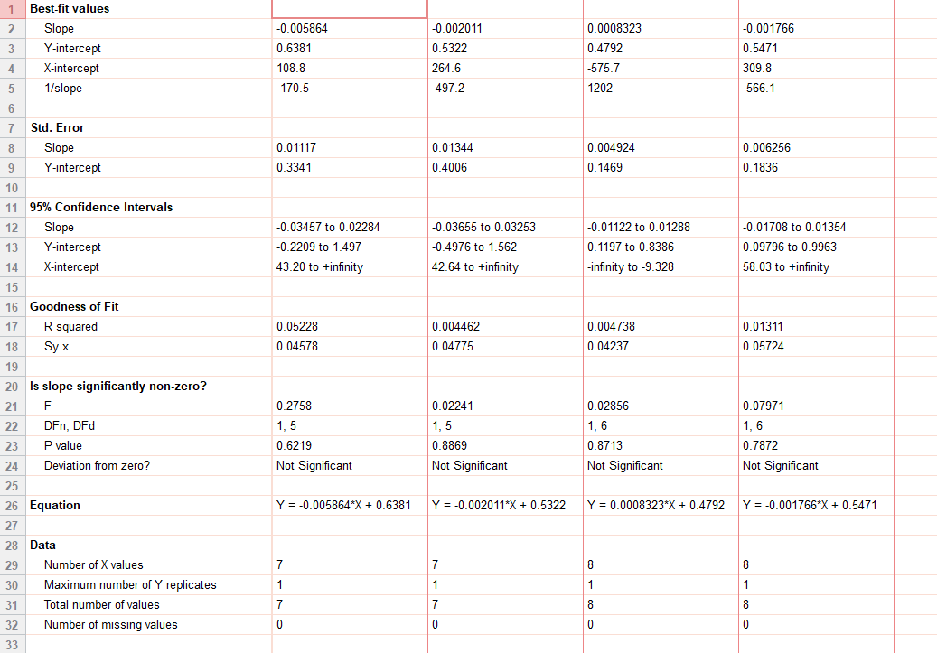
ext_figure 3c inset
energy exp |  | VEH | Acyl-GIP | KO VEH | KO GIP
std chow | 29.1 | 0.414159
 | 32.1 | 0.420829
 | 27.4 | 0.471408
 | 31.4 | 0.493419
 | 30.2 | 0.423074
 | 28.4 | 0.518
 | 30.6 | 0.498744
 | 29.2 |  | 0.418825
 | 30.9 |  | 0.487009
 | 27.5 |  | 0.465742
 | 31.4 |  | 0.456106
 | 30.8 |  | 0.42791
 | 28.4 |  | 0.509924
 | 30.3 |  | 0.540744
 | 31.1 |  |  | 0.518908
 | 25.7 |  |  | 0.541011
 | 25.7 |  |  | 0.464108
 | 33.4 |  |  | 0.473378
 | 33 |  |  | 0.501274
 | 32.7 |  |  | 0.543127
 | 27.9 |  |  | 0.544419
 | 27.9 |  |  | 0.444609
 | 29.9 |  |  |  | 0.435625
 | 24.9 |  |  |  | 0.46111
 | 24.9 |  |  |  | 0.501253
 | 32.9 |  |  |  | 0.504332
 | 33.1 |  |  |  | 0.417952
 | 32.6 |  |  |  | 0.556216
 | 27.5 |  |  |  | 0.561351
 | 27.5 |  |  |  | 0.527167

e3d
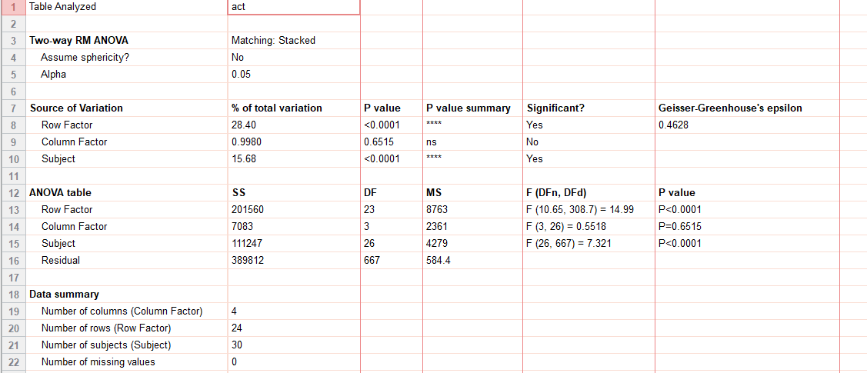
ext_figure 3d
ambulatory activity |  | CON: VEH |  |  |  |  |  |  | CON: Acyl-GIP |  |  |  |  |  |  | AP-KO: VEH |  |  |  |  |  |  |  | AP-KO: Acyl-GIP
std chow | 07:00 | 16.4 | 4.2 | 30.3 | 30.9 | 8.55 | 0.8 | 61.9 | 19.3 | 2.6 | 0 | 57.1 | 5.8 | 1 | 14 | 23.1 | 5.7 | 9.35 | 7.35 | 75.55 | 8.1 | 26.95 | 8.6 | 1.25 | 5.95 | 5.75 | 22.05 | 13.3 | 2.8 | 7.1 | 32.6
 |  | 21.95 | 5.6 | 0.7 | 2.8 | 35.75 | 40.55 | 103.15 | 23.45 | 2.9 | 2.1 | 0 | 1.6 | 49.7 | 13.3 | 12.4 | 1.05 | 8.05 | 0 | 6.75 | 30.05 | 27.5 | 23.9 | 3.55 | 36.4 | 4.2 | 19.6 | 36.7 | 14.3 | 22.25 | 57.2
 |  | 0 | 0.1 | 18.5 | 6 | 11.15 | 2.3 | 37.85 | 11.25 | 24.2 | 25.75 | 0 | 30.8 | 54.7 | 17.95 | 38.9 | 2.4 | 12.15 | 39.1 | 15.4 | 66.85 | 62.05 | 38.55 | 45.5 | 5.3 | 23.95 | 105.1 | 24.9 | 0 | 52.45 | 60.2
 |  | 0 | 6.85 | 6 | 1.7 | 3.9 | 1 | 56.15 | 33.6 | 36.35 | 1.6 | 15.5 | 7.7 | 3.65 | 72.3 | 35.1 | 22.3 | 47.15 | 5.45 | 96.75 | 79.6 | 43.4 | 15.25 | 33.35 | 61.6 | 4.75 | 121.4 | 59.55 | 8.5 | 29.35 | 66.55
 |  | 0.6 | 17.75 | 33.5 | 33.3 | 1.25 | 41.1 | 2.5 | 20.25 | 0.65 | 1.2 | 1.85 | 0.8 | 14.4 | 8.95 | 0 | 1.6 | 69.7 | 45.8 | 12 | 1.9 | 35.85 | 1.25 | 9.3 | 33.2 | 84.1 | 46.25 | 80.55 | 9.4 | 0 | 38.85
 |  | 0 | 10.5 | 0.05 | 0 | 8.7 | 7.2 | 16.8 | 9.8 | 9.7 | 0 | 3 | 18.5 | 42.55 | 53.4 | 15.65 | 18.3 | 10.2 | 1.15 | 61.1 | 25.3 | 3.65 | 0 | 17.35 | 77.3 | 1 | 6.9 | 22.45 | 18.5 | 0 | 30.35
 |  | 1.9 | 0.3 | 20.95 | 0.1 | 45.3 | 19.6 | 12.7 | 17.65 | 0.9 | 1.45 | 40.75 | 10.3 | 4.9 | 12.6 | 2.05 | 0.3 | 28.5 | 5.7 | 6.3 | 54.1 | 13.6 | 24.9 | 0 | 59.45 | 12.7 | 28.7 | 26.85 | 0.75 | 0 | 23.45
 |  | 0 | 32.9 | 10.8 | 0 | 5.8 | 18.55 | 54.1 | 44.35 | 16 | 4 | 0.25 | 2.7 | 13.45 | 6.6 | 0.1 | 0.4 | 62.3 | 1.3 | 0.45 | 5.3 | 39.3 | 18.4 | 10.95 | 29.65 | 5.7 | 39.2 | 88.65 | 0.1 | 37.4 | 52.1
 |  | 1.95 | 0.75 | 3.15 | 14.1 | 25.25 | 0.75 | 7.25 | 11.45 | 0.2 | 0 | 7 | 14.9 | 18.35 | 9.65 | 2.5 | 1.85 | 6.4 | 33.2 | 16.45 | 14 | 2.65 | 0 | 1.05 | 17.85 | 2.6 | 3 | 30.55 | 10 | 8.95 | 27.1
 |  | 0 | 22.3 | 25.25 | 10.1 | 4.45 | 1.1 | 51.2 | 30.6 | 5.2 | 2.5 | 9.4 | 13.25 | 87.5 | 36.75 | 4.6 | 0.9 | 32.4 | 0 | 24.85 | 25.15 | 28.35 | 2.9 | 47 | 27.2 | 34.1 | 34.2 | 15.8 | 7.55 | 39.9 | 38.2
 |  | 6.45 | 20.85 | 12.2 | 18 | 15.45 | 1.9 | 24.55 | 36.1 | 8.95 | 3.8 | 22.75 | 13.75 | 7.1 | 3.4 | 0.05 | 18.95 | 66.2 | 12.65 | 26.55 | 23.9 | 1.7 | 0 | 7.3 | 24.9 | 13.8 | 18.8 | 69.2 | 10.15 | 4.9 | 17.6
 |  | 0.6 | 13.3 | 56.95 | 26 | 9.9 | 2.35 | 30.4 | 43.05 | 12.55 | 3.4 | 14.9 | 47.15 | 28.25 | 22.75 | 4.95 | 0 | 14 | 50.8 | 59.9 | 29.15 | 18.55 | 27.9 | 15.8 | 21 | 21.15 | 15.35 | 49.4 | 7.2 | 45.5 | 81.9
 | 19:00 | 58 | 118.4 | 134.5 | 50.5 | 54.05 | 25.45 | 88.3 | 78.2 | 45.9 | 90.85 | 106 | 66.15 | 72.5 | 80.45 | 43.75 | 57.7 | 42.25 | 59.55 | 117.5 | 94.6 | 47.3 | 6.7 | 58.9 | 74.3 | 74.1 | 61.2 | 78.7 | 41.05 | 72.15 | 29.8
 |  | 91 | 73.35 | 115.2 | 72.65 | 54.55 | 52 | 64.9 | 107.55 | 43.75 | 103.45 | 109.45 | 135.95 | 16.8 | 53.15 | 9.05 | 6.3 | 100.05 | 76.5 | 103.1 | 80.9 | 75.05 | 58.35 | 11.3 | 103.45 | 73.8 | 72.25 | 99.9 | 42.7 | 92.45 | 82.05
 |  | 68 | 61.2 | 27 | 53.5 | 23 | 17.9 | 42 | 53.2 | 43.85 | 85.1 | 100.2 | 131.95 | 81 | 63.8 | 22.1 | 13.6 | 34.75 | 46.9 | 90.5 | 86.45 | 37.05 | 59.3 | 32.05 | 72.55 | 53.95 | 97.8 | 104.55 | 11.1 | 37.3 | 79
 |  | 0.85 | 7.15 | 86.8 | 65.7 | 44.85 | 25.7 | 42.15 | 27.4 | 38.95 | 81.5 | 93.7 | 22.1 | 85.65 | 52.75 | 0.85 | 7.75 | 60.95 | 53.85 | 64 | 11.65 | 107.9 | 36.35 | 28.35 | 17.2 | 16.65 | 95.55 | 85.15 | 1 | 107.1 | 92.45
 |  | 64.75 | 32.95 | 67.65 | 68.75 | 0.45 | 62.9 | 85.85 | 37.1 | 34.65 | 0.4 | 3.35 | 58.1 | 101.25 | 104.15 | 16.2 | 5.1 | 42.95 | 44.65 | 5.5 | 29.15 | 39.25 | 14.35 | 17.35 | 36.85 | 6.9 | 100.15 | 85.5 | 23.3 | 92.45 | 19.3
 |  | 21.6 | 75.65 | 4.5 | 16.6 | 39.05 | 125.9 | 130.5 | 84.4 | 45.4 | 59.85 | 45.6 | 80.2 | 40.6 | 57.65 | 20.05 | 1.55 | 75.95 | 20.8 | 106.35 | 78 | 57.55 | 2.05 | 80.1 | 46.25 | 47.05 | 5.95 | 55.9 | 26 | 76.05 | 82.05
 |  | 24.65 | 26.15 | 33.85 | 38.9 | 17.95 | 52.4 | 61.15 | 5.45 | 39.8 | 19.75 | 106.5 | 34.2 | 8.35 | 21.95 | 0 | 9.45 | 92.3 | 58.95 | 93.9 | 70.25 | 61.25 | 10.65 | 68.75 | 61.3 | 108.45 | 75.45 | 14.5 | 0.05 | 7.75 | 122.05
 |  | 44.85 | 96.95 | 118.5 | 17.5 | 0.3 | 37.35 | 14.5 | 28.25 | 17.05 | 54 | 54.3 | 11.05 | 58.4 | 36.4 | 6.8 | 38.8 | 109 | 9.95 | 49.55 | 13.05 | 90.4 | 40.15 | 0.4 | 66.2 | 33.35 | 41.4 | 33.6 | 24.35 | 36.9 | 18.85
 |  | 11.2 | 0 | 18.25 | 54.2 | 23.1 | 31 | 101.8 | 19.9 | 2.95 | 32.4 | 0 | 99.3 | 35.9 | 42.5 | 25.6 | 18.35 | 52.45 | 15.65 | 15.2 | 2.55 | 13.4 | 8.6 | 3.05 | 12.45 | 14.55 | 6.05 | 90.45 | 6.65 | 76.5 | 64.5
 |  | 42.65 | 23.2 | 2.2 | 48.5 | 21.65 | 11.15 | 47.95 | 23.05 | 26.2 | 41.45 | 0.7 | 23.6 | 0 | 6.4 | 2.9 | 0 | 43.1 | 80.65 | 17.6 | 61 | 12.75 | 0.15 | 0.35 | 40.3 | 14.65 | 84.2 | 64.2 | 1.35 | 38.55 | 24.65
 |  | 0.15 | 21.15 | 44.55 | 52.7 | 24.35 | 10.85 | 8.6 | 49.35 | 3.6 | 29.7 | 67.8 | 47.95 | 43.9 | 69.35 | 4.5 | 1.4 | 76.45 | 2.15 | 86.05 | 91.85 | 56.65 | 0.85 | 6.6 | 37.1 | 22.9 | 79.8 | 62.15 | 21.1 | 18.95 | 106.2
 | 07:00 | 0.5 | 78.6 | 4.15 | 13.6 | 15.7 | 39.35 | 80.8 | 21.2 | 24.2 | 13.05 | 10 | 108.15 | 28.5 | 4.75 | 30.5 | 6.85 | 14.75 | 46.2 | 86.8 | 46.85 | 36 | 44.05 | 21.95 | 39.55 | 31.8 | 11.15 | 74.55 | 1.35 | 50.3 | 115.3

e3g
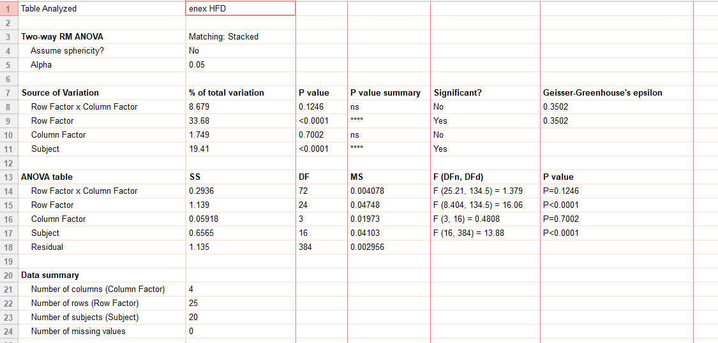
ext_figure 3g
energy exp (kcal/hr) | CON: VEH |  |  |  |  |  |  | CON: Acyl-GIP |  |  |  | AP-KO: VEH |  |  |  |  |  | AP-KO: Acyl-GIP
hfd | 07:00 | 0.632303 | 0.408344 | 0.391358 | 0.493576 | 0.606144 | 0.590149 | 0.449277 | 0.409537 | 0.447383 | 0.454811 | 0.577872 | 0.429383 | 0.36089 | 0.45119 | 0.483394 | 0.584455 | 0.454683 | 0.476304 | 0.411343 | 0.42092
 |  | 0.469526 | 0.447404 | 0.397046 | 0.436364 | 0.539964 | 0.52067 | 0.471428 | 0.377147 | 0.553699 | 0.443549 | 0.467947 | 0.449434 | 0.387021 | 0.461991 | 0.561951 | 0.459459 | 0.437652 | 0.391173 | 0.403138 | 0.444904
 |  | 0.516982 | 0.39647 | 0.391552 | 0.490092 | 0.474273 | 0.41937 | 0.472306 | 0.414536 | 0.39752 | 0.484214 | 0.524352 | 0.414908 | 0.495109 | 0.443592 | 0.462332 | 0.530874 | 0.436977 | 0.419986 | 0.41364 | 0.557891
 |  | 0.457725 | 0.402001 | 0.359753 | 0.45557 | 0.499335 | 0.433504 | 0.47737 | 0.380978 | 0.440258 | 0.425865 | 0.472522 | 0.395113 | 0.408443 | 0.440285 | 0.440489 | 0.409471 | 0.46781 | 0.383779 | 0.421461 | 0.427629
 |  | 0.428012 | 0.431076 | 0.456091 | 0.405504 | 0.525543 | 0.572762 | 0.506258 | 0.431674 | 0.48164 | 0.42946 | 0.592362 | 0.388565 | 0.410167 | 0.592734 | 0.539168 | 0.448225 | 0.493805 | 0.407321 | 0.411029 | 0.430887
 |  | 0.440215 | 0.563095 | 0.346355 | 0.419215 | 0.459379 | 0.418098 | 0.461183 | 0.394824 | 0.44334 | 0.5413 | 0.480511 | 0.454721 | 0.359106 | 0.421292 | 0.48045 | 0.399843 | 0.421963 | 0.383564 | 0.398951 | 0.41931
 |  | 0.428554 | 0.39736 | 0.369443 | 0.409562 | 0.524969 | 0.420096 | 0.470699 | 0.374499 | 0.429298 | 0.449834 | 0.457945 | 0.390657 | 0.417168 | 0.440143 | 0.442087 | 0.418949 | 0.47792 | 0.449598 | 0.508588 | 0.448741
 |  | 0.458362 | 0.381213 | 0.394247 | 0.518421 | 0.454884 | 0.440451 | 0.496434 | 0.39621 | 0.51966 | 0.433063 | 0.478669 | 0.451123 | 0.430073 | 0.449407 | 0.501683 | 0.573816 | 0.522053 | 0.349448 | 0.48304 | 0.536064
 |  | 0.54968 | 0.454875 | 0.377373 | 0.414482 | 0.498973 | 0.547098 | 0.544841 | 0.449569 | 0.423484 | 0.405242 | 0.550813 | 0.386986 | 0.343769 | 0.417968 | 0.452132 | 0.437803 | 0.433768 | 0.409939 | 0.422595 | 0.448493
 |  | 0.449003 | 0.403979 | 0.353162 | 0.455376 | 0.504374 | 0.529255 | 0.448381 | 0.405137 | 0.4457 | 0.419187 | 0.481403 | 0.434192 | 0.35402 | 0.49662 | 0.531579 | 0.450045 | 0.499239 | 0.469465 | 0.421322 | 0.469383
 |  | 0.522859 | 0.493953 | 0.485088 | 0.549351 | 0.57607 | 0.443971 | 0.516319 | 0.390887 | 0.447919 | 0.528178 | 0.588468 | 0.391876 | 0.395626 | 0.500864 | 0.495375 | 0.441665 | 0.475891 | 0.366186 | 0.492387 | 0.44766
 | 19:00 | 0.588549 | 0.531726 | 0.445822 | 0.5864 | 0.656574 | 0.543128 | 0.601191 | 0.570631 | 0.548929 | 0.430859 | 0.50555 | 0.500733 | 0.410672 | 0.512697 | 0.572297 | 0.507262 | 0.565911 | 0.457024 | 0.467315 | 0.448443
 |  | 0.592356 | 0.480311 | 0.452779 | 0.574007 | 0.673112 | 0.689255 | 0.526275 | 0.537409 | 0.556769 | 0.382112 | 0.751783 | 0.679357 | 0.548696 | 0.696698 | 0.792578 | 0.606495 | 0.614731 | 0.599691 | 0.644846 | 0.617289
 |  | 0.60159 | 0.473989 | 0.494984 | 0.525525 | 0.650536 | 0.533668 | 0.589893 | 0.526158 | 0.545448 | 0.4428 | 0.576928 | 0.547093 | 0.496474 | 0.552329 | 0.707913 | 0.571122 | 0.641374 | 0.615852 | 0.528234 | 0.514564
 |  | 0.605398 | 0.552507 | 0.510488 | 0.581057 | 0.766709 | 0.566914 | 0.5753 | 0.525605 | 0.516691 | 0.480948 | 0.587643 | 0.656529 | 0.559905 | 0.687433 | 0.552832 | 0.587696 | 0.588156 | 0.56906 | 0.632622 | 0.422788
 |  | 0.627005 | 0.595674 | 0.569396 | 0.547093 | 0.646378 | 0.506992 | 0.625333 | 0.458772 | 0.473516 | 0.492316 | 0.550466 | 0.500895 | 0.483326 | 0.527727 | 0.684555 | 0.458925 | 0.489926 | 0.436242 | 0.494747 | 0.601762
 |  | 0.580753 | 0.556008 | 0.388727 | 0.553299 | 0.551188 | 0.561971 | 0.511024 | 0.466997 | 0.628157 | 0.547699 | 0.583388 | 0.60587 | 0.51393 | 0.441625 | 0.54476 | 0.545015 | 0.629186 | 0.486934 | 0.592765 | 0.410412
 |  | 0.743558 | 0.538055 | 0.462255 | 0.667018 | 0.538992 | 0.490923 | 0.593955 | 0.533736 | 0.534549 | 0.492321 | 0.737582 | 0.621292 | 0.422844 | 0.635771 | 0.565819 | 0.603124 | 0.476115 | 0.539127 | 0.466325 | 0.457593
 |  | 0.547183 | 0.481592 | 0.539566 | 0.650477 | 0.726896 | 0.600097 | 0.673084 | 0.483047 | 0.569429 | 0.504827 | 0.509961 | 0.554326 | 0.544286 | 0.520408 | 0.514941 | 0.538671 | 0.635529 | 0.517089 | 0.500184 | 0.497425
 |  | 0.556762 | 0.669276 | 0.56327 | 0.488527 | 0.568 | 0.43804 | 0.589731 | 0.447523 | 0.516843 | 0.532486 | 0.538641 | 0.432418 | 0.468057 | 0.466345 | 0.573201 | 0.479768 | 0.487235 | 0.443911 | 0.537326 | 0.423038
 |  | 0.511378 | 0.609822 | 0.348359 | 0.58776 | 0.493344 | 0.636133 | 0.467372 | 0.489884 | 0.679218 | 0.491013 | 0.596688 | 0.470809 | 0.346845 | 0.56065 | 0.503314 | 0.525086 | 0.58541 | 0.52784 | 0.542796 | 0.422862
 |  | 0.540198 | 0.456987 | 0.386674 | 0.486651 | 0.647422 | 0.485243 | 0.568251 | 0.587025 | 0.485335 | 0.489473 | 0.529587 | 0.570556 | 0.392398 | 0.49872 | 0.640537 | 0.521037 | 0.450113 | 0.413549 | 0.457291 | 0.474028
 |  | 0.622788 | 0.497617 | 0.420967 | 0.663465 | 0.652631 | 0.515961 | 0.555625 | 0.471647 | 0.63659 | 0.525253 | 0.563599 | 0.512874 | 0.47053 | 0.475623 | 0.417805 | 0.568268 | 0.499993 | 0.468433 | 0.522541 | 0.544982
 | 07:00 | 0.606122 | 0.504945 | 0.504604 | 0.685375 | 0.598909 | 0.639177 | 0.645336 | 0.485083 | 0.507969 | 0.487185 | 0.528565 | 0.438032 | 0.470746 | 0.642834 | 0.540496 | 0.600098 | 0.636246 | 0.553001 | 0.581672 | 0.546764

e3g(2)
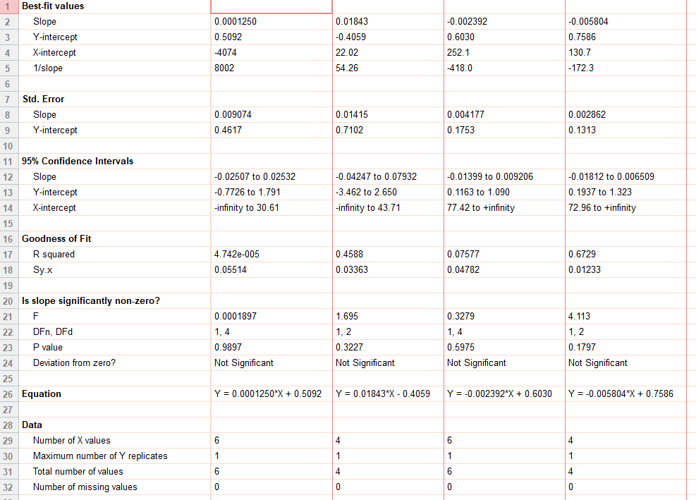
ext_figure 3g inset
energy exp |  | VEH | Acyl-GIP | KO VEH | KO GIP
hfd | 52 | 0.544869
 | 51 | 0.488678
 | 49 | 0.433723
 | 49.9 | 0.52684
 | 47.6 | 0.576442
 | 55.4 | 0.522622
 | 49.8 |  | 0.471416
 | 52 |  | 0.558688
 | 48.7 |  | 0.509556
 | 50.2 |  | 0.534869
 | 46.5 |  |  | 0.551385
 | 37.5 |  |  | 0.463938
 | 49 |  |  | 0.437088
 | 42 |  |  | 0.513956
 | 36.3 |  |  | 0.541737
 | 38.9 |  |  | 0.511132
 | 43.2 |  |  |  | 0.51757
 | 48 |  |  |  | 0.486573
 | 44.2 |  |  |  | 0.48984
 | 47.9 |  |  |  | 0.47641

e3h
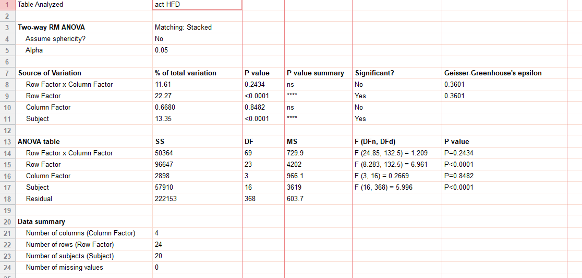
ext_figure 3h
activity |  | CON: VEH |  |  |  |  |  | CON: Acyl-GIP |  |  |  | AP-KO: VEH |  |  |  |  |  | AP-KO: Acyl-GIP
hfd | 07:00 | 108 | 20.3 | 21.75 | 2.35 | 44.05 | 77.4 | 3.1 | 31.95 | 9.2 | 24.85 | 51.5 | 8.2 | 38.5 | 0 | 3.5 | 76.6 | 9.2 | 43.1 | 22 | 1.45
 |  | 29.9 | 35.9 | 51.4 | 0.05 | 47.75 | 53.2 | 7.1 | 3.9 | 85.55 | 16.75 | 0.95 | 3.6 | 34 | 0 | 34.15 | 10.05 | 0.5 | 7.3 | 8.55 | 1.6
 |  | 68.85 | 13.6 | 21.95 | 1.55 | 3.9 | 14.45 | 6.3 | 11.2 | 14.3 | 54.6 | 6.15 | 0.2 | 78.05 | 0 | 0.65 | 68.7 | 13.2 | 14.6 | 2.25 | 53.45
 |  | 36 | 8.7 | 3.6 | 5.8 | 7.6 | 4.75 | 22.5 | 1.85 | 16.55 | 7.6 | 2.7 | 1.7 | 30.7 | 0 | 1.8 | 5.6 | 47.2 | 12.65 | 19.35 | 0.05
 |  | 6.6 | 20.2 | 52.15 | 0 | 26.4 | 54.4 | 34.7 | 10.95 | 39.1 | 5.9 | 35.15 | 0.55 | 68.6 | 4.9 | 31.7 | 13.3 | 35.3 | 17.8 | 0.65 | 0.55
 |  | 12.35 | 101.7 | 12.05 | 0 | 0.3 | 8.8 | 0.6 | 22.7 | 6.7 | 79.8 | 10.55 | 9.35 | 14.55 | 0 | 16.7 | 7.1 | 2.95 | 31.35 | 2 | 0
 |  | 15.9 | 6.25 | 8.3 | 0 | 17.55 | 1.65 | 2.5 | 13.2 | 2.05 | 26.3 | 0.9 | 0.1 | 37.15 | 0 | 0.3 | 9.6 | 13 | 39.35 | 59.5 | 0.55
 |  | 19.6 | 15.75 | 23.2 | 3.9 | 2.55 | 11.85 | 9 | 8.8 | 38.95 | 12.85 | 5.8 | 13.45 | 46.25 | 0 | 9.3 | 68.8 | 28.15 | 5.75 | 52.25 | 34.3
 |  | 56.7 | 74.35 | 30.9 | 0 | 20.2 | 30.15 | 38.65 | 22.6 | 0.6 | 17.25 | 14.4 | 1.85 | 7.05 | 0 | 21.05 | 39.9 | 0.2 | 16.65 | 4.7 | 6.25
 |  | 0.5 | 16.6 | 13.25 | 0 | 41 | 56.05 | 1.05 | 14.65 | 2.8 | 15.3 | 6.3 | 0.5 | 11.55 | 2.75 | 17.15 | 40.65 | 19.1 | 38.65 | 6.85 | 13.9
 |  | 14.55 | 71.95 | 79.85 | 7.45 | 33.05 | 12.4 | 9.8 | 10.55 | 11.35 | 79.9 | 40.15 | 1.95 | 18.55 | 2.65 | 4.45 | 9.95 | 2.7 | 13.25 | 45.05 | 3.6
 |  | 90.9 | 37.6 | 65.1 | 9.05 | 56.85 | 53.6 | 54.5 | 39.2 | 24.3 | 54.65 | 18.85 | 28.25 | 52.85 | 1.5 | 60.5 | 34.8 | 23.1 | 37.2 | 27.7 | 11.25
 | 19:00 | 44.45 | 25.15 | 61.8 | 10.35 | 63.6 | 98.25 | 15.8 | 29 | 23.6 | 16.65 | 105.2 | 100.4 | 99.8 | 26.95 | 110.4 | 54.5 | 41.35 | 69.8 | 93.1 | 93
 |  | 41.5 | 14.25 | 83.85 | 6.65 | 49.9 | 33.15 | 21.15 | 48 | 25.65 | 37.4 | 47.25 | 82.65 | 65.8 | 5.95 | 107.9 | 48.15 | 98.1 | 62.6 | 63.8 | 63.45
 |  | 32.8 | 63.05 | 88.65 | 10.7 | 92.35 | 68.7 | 42.25 | 36.45 | 27.1 | 57.75 | 42.15 | 107.25 | 110.2 | 43 | 28.25 | 84.05 | 65.15 | 75 | 129.2 | 2.55
 |  | 55.1 | 68.55 | 101.3 | 4.8 | 37 | 51.3 | 34.1 | 30.85 | 5.7 | 25.8 | 17.85 | 67.4 | 56.5 | 20.3 | 90.45 | 12.7 | 5.5 | 51.55 | 44.2 | 72.35
 |  | 19.65 | 42.1 | 17.5 | 3.15 | 15.75 | 77.1 | 8.3 | 27 | 55.15 | 36.25 | 38.05 | 100.7 | 55.65 | 0.6 | 16.15 | 11.6 | 82.1 | 41.45 | 101.3 | 0.5
 |  | 82.75 | 22.95 | 71.3 | 19.35 | 2.1 | 36.9 | 43.7 | 53.05 | 17.9 | 19.75 | 86.35 | 120.65 | 22.8 | 28.25 | 27.15 | 64.7 | 10.6 | 49.8 | 25 | 6
 |  | 11.3 | 12.8 | 89.2 | 12.8 | 68 | 77.6 | 100.65 | 48.75 | 47.7 | 15.6 | 10.75 | 86.55 | 64.25 | 5.15 | 12.65 | 43.7 | 100.15 | 55.35 | 64.3 | 23.2
 |  | 18.7 | 138.05 | 88.7 | 0 | 10.2 | 30.3 | 62.55 | 29.1 | 3.1 | 39.4 | 11.7 | 21.95 | 56 | 0 | 17.45 | 23.3 | 29.65 | 12.4 | 73.2 | 0.2
 |  | 2 | 86 | 15.25 | 2.4 | 0.25 | 100.6 | 1.05 | 41.3 | 103.7 | 12.45 | 45 | 16.6 | 4.95 | 10.25 | 21.55 | 28.5 | 77.55 | 22.55 | 82.4 | 0.1
 |  | 20.75 | 31.95 | 25.65 | 0.4 | 41.45 | 41.05 | 32.75 | 69.6 | 24.75 | 17.75 | 20 | 80.25 | 13.3 | 7.9 | 86.8 | 14.1 | 22.25 | 28.75 | 40.25 | 30.85
 |  | 59.75 | 33.85 | 38.1 | 23.15 | 64.35 | 49.15 | 33.8 | 45.45 | 101 | 57.3 | 39.4 | 73.15 | 35 | 0.65 | 5.7 | 60.65 | 47.6 | 47.65 | 77.85 | 42.45
 | 7:00:00 | 57.1 | 33.8 | 78.1 | 18.95 | 43.45 | 119.85 | 95.2 | 39.4 | 51.3 | 12.05 | 27.4 | 23.6 | 60.9 | 20.6 | 41.5 | 61.9 | 108.6 | 51.1 | 89.5 | 81.45

