1c
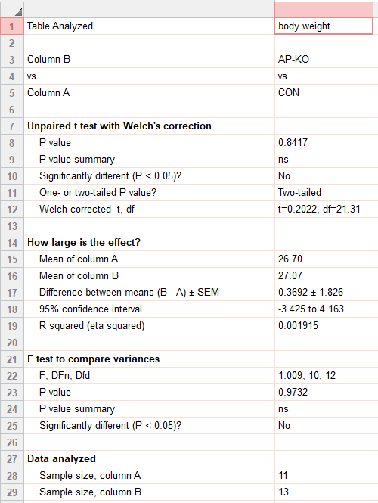
figure 1c
bodyweight (g) | CON | AP-KO
 | 31.6 | 31.1
 | 28.9 | 26.6
 | 32.2 | 31.4
 | 28.8 | 30.3
 | 31.3 | 32
 | 29.3 | 30.3
 | 21.6 | 33.2
 | 24.3 | 21.8
 | 21.4 | 24.5
 | 20.3 | 23
 | 24 | 21.5
 |  | 21.4
 |  | 24.8

1d
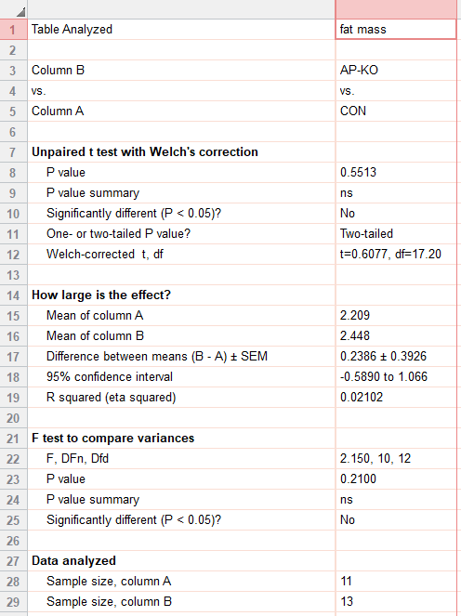
figure 1d
fat mass (g) | CON | AP-KO
 | 2.23 | 1.48
 | 3.02 | 3.05
 | 4.79 | 3.4
 | 1.12 | 2.33
 | 1.69 | 2.11
 | 1.5 | 1.63
 | 1.79 | 2.61
 | 3.13 | 1.37
 | 1.38 | 3.75
 | 1.16 | 2.33
 | 2.49 | 2.45
 |  | 2.02
 |  | 3.29

1e
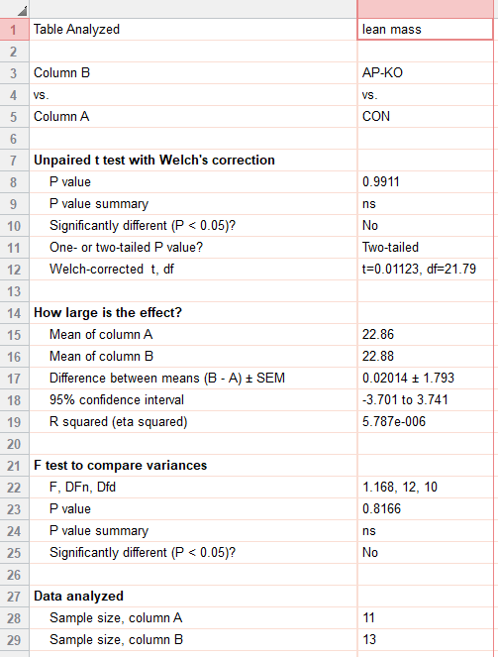
figure 1e
lean mass (g) | CON | AP-KO
 | 27.38 | 27.73
 | 24.21 | 21.93
 | 25.99 | 26.4
 | 26.33 | 26.33
 | 28.28 | 28.34
 | 26.15 | 27.18
 | 18.11 | 28.62
 | 19.43 | 18.48
 | 18.54 | 18.92
 | 17.32 | 18.71
 | 19.71 | 17.43
 |  | 17.67
 |  | 19.69

auc
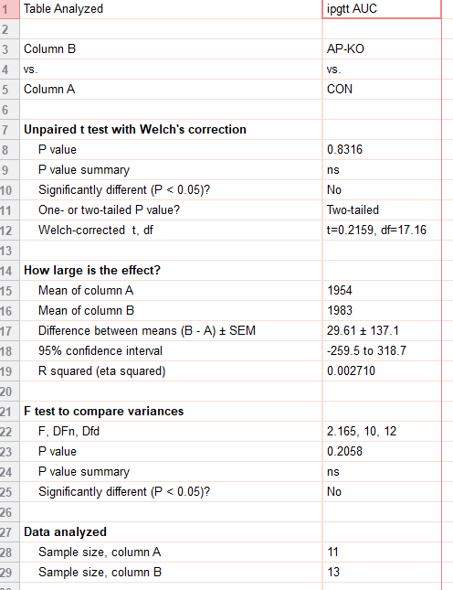
figure 1f_inset
auc | CON | ap-ko
 | 2310 | 1944
 | 2567 | 2238
 | 2360 | 2514
 | 2222 | 2000
 | 1693 | 2219
 | 2091 | 2182
 | 1558 | 1834
 | 1701 | 1737
 | 1328 | 1731
 | 1922 | 1940
 | 1737 | 1667
 |  | 1649
 |  | 2126

1g
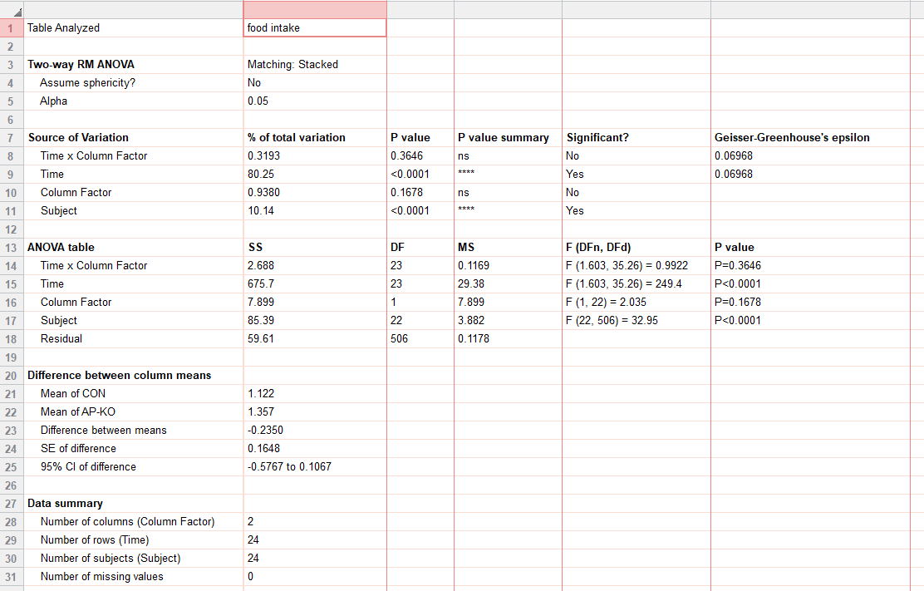
figure 1g
food intake (chow_g) |  | CON |  |  |  |  |  |  |  |  |  |  | ap-ko
 |  | 0 | 0 | 0 | 0 | 0 | 0 | 0 | 0 | 0 | 0 | 0 | 0 | 0 | 0 | 0 | 0 | 0 | 0 | 0 | 0 | 0 | 0 | 0 | 0
 | 7:00:00 | 0.078959 | 0.016793 | 0.002769 | 0.048059 | 0.019691 | 0.001632 | 0 | 0.014833 | 0 | 0 | 0 | 0.221034 | 0.052921 | 0 | 0.15957 | 0 | 0.092099 | 0.026594 | 0.018431 | 0 | 0.0569 | 0 | 0.00214 | 0
 |  | 0.043278 | 0.046105 | -0.02115 | 0.067371 | 0.092595 | 0.050325 | 0.201292 | 0.014833 | 0 | 0.015747 | 0.198024 | 0.286352 | 0.207811 | 0.045823 | 0.186647 | 0.093432 | 0.238203 | 0.242765 | 0.018431 | 0.026457 | 0.116488 | 0 | 0.006533 | 0.056482
 |  | 0.073642 | 0.073556 | 0.364392 | 0.108681 | 0.123396 | 0.061031 | 0.201292 | 0.080934 | 0.081907 | 0.027218 | 0.305829 | 0.394895 | 0.26295 | 0.086671 | 0.399862 | 0.144602 | 0.279586 | 0.301572 | 0.069643 | 0.026457 | 0.116488 | 0 | 0.007855 | 0.146758
 |  | -0.15564 | 0.093984 | 0.075356 | 0.076745 | 0.044139 | 0.072442 | 0.206114 | 0.224846 | 0.539057 | 0.027222 | 0.314789 | 0.392536 | 0.465083 | 0.2081 | 0.550865 | 0.197108 | -0.04966 | 0.362004 | 0.08204 | 0.106038 | 0.168703 | 0 | 0.058351 | 0.146758
 |  | 0.042986 | 0.111064 | 0.178276 | 0.100255 | 0.079574 | 0.165926 | 0.206114 | 0.224846 | 0.539057 | 0.03842 | 0.314789 | 0.692939 | 0.517421 | 0.225112 | 0.602435 | 0.331334 | -0.00734 | 0.428636 | 0.084229 | 0.749829 | 0.815374 | 0 | 0.240829 | 0.146758
 |  | 0.111954 | 0.136982 | 0.249091 | 0.129646 | 0.299319 | 0.322722 | 0.24551 | 0.242929 | 0.681646 | 0.03842 | 0.314789 | 0.75789 | 0.529085 | 0.263926 | 0.628956 | 0.42102 | 0.205476 | 0.538349 | 0.084229 | 0.749829 | 0.815374 | 0 | 0.242631 | 0.146758
 |  | 0.399247 | 0.151579 | 0.265886 | 0.147622 | 0.134921 | 0.357418 | 0.24551 | 0.24697 | 0.913223 | 0.065792 | 0.419277 | 0.773914 | 0.540733 | 0.231379 | 0.675324 | 0.4683 | 0.233853 | 0.596405 | 0.136642 | 0.749829 | 0.815374 | 0 | 0.243442 | 0.162046
 |  | 0.40355 | 0.159262 | 0.298162 | 0.26697 | 0.169321 | 0.411842 | 0.373196 | 0.24697 | 0.913223 | 0.081542 | 0.440735 | 0.912933 | 0.68951 | 0.225667 | 0.654325 | 0.511638 | 0.420178 | 0.610881 | 0.168859 | 1.06101 | 0.815374 | 0.00235 | 0.290198 | 0.162046
 |  | 0.220519 | 0.177323 | 0.470747 | 0.294329 | 0.401742 | 0.628301 | 0.373196 | 0.353242 | 1.062986 | 0.081542 | 0.440735 | 1.237656 | 0.738008 | 0.236528 | 0.755611 | 0.676137 | 0.487039 | 0.847709 | 0.168859 | 1.06101 | 0.834057 | 0.00235 | 0.298623 | 0.251927
 |  | 0.176875 | 0.193211 | 0.515282 | 0.337733 | 0.552886 | 0.681534 | 0.44855 | 0.544231 | 1.142284 | 0.254112 | 0.569217 | 1.262654 | 1.010467 | 0.229725 | 0.88314 | 0.719444 | 0.84693 | 0.866921 | 0.212651 | 1.06101 | 0.890513 | 0.007202 | 0.366659 | 0.253021
 |  | 0.20258 | 0.208435 | 0.716496 | 0.606769 | 0.623596 | 0.781994 | 0.461371 | 0.610175 | 1.319245 | 0.254112 | 0.569217 | 1.60949 | 1.264021 | 0.331139 | 0.872112 | 0.723604 | 0.915477 | 1.292509 | 0.332637 | 1.231124 | 0.943152 | 0.007202 | 0.366659 | 0.379866
 | 19:00:00 | 0.327761 | 0.418772 | 0.911775 | 0.724689 | 0.667578 | 0.861147 | 0.461371 | 0.854456 | 1.531754 | 0.355678 | 0.712309 | 1.763223 | 1.557793 | 0.637068 | 1.156006 | 0.896869 | 1.090973 | 1.38335 | 0.373179 | 1.249098 | 1.109724 | 0.096869 | 0.472523 | 0.522042
 |  | 0.367487 | 0.604401 | 1.101607 | 1.069492 | 0.796195 | 1.270861 | 0.876712 | 1.139646 | 2.273851 | 0.488722 | 0.781739 | 2.185636 | 1.971056 | 1.264755 | 1.506447 | 1.10212 | 1.294605 | 1.808131 | 0.853003 | 1.366811 | 1.366318 | 0.434994 | 0.472523 | 0.734047
 |  | 0.418186 | 1.139998 | 1.226776 | 1.427122 | 0.94916 | 1.577978 | 1.251548 | 1.214691 | 2.592039 | 0.813242 | 0.908793 | 2.695658 | 2.366544 | 2.187978 | 1.858478 | 1.234385 | 1.674602 | 2.13209 | 1.282608 | 1.471296 | 1.693425 | 0.686544 | 0.68216 | 0.980066
 |  | 0.531523 | 1.165026 | 1.266244 | 1.864498 | 1.262547 | 1.911083 | 1.527418 | 1.355947 | 3.238079 | 1.06844 | 1.094928 | 2.739268 | 2.697043 | 2.158054 | 2.073298 | 1.573896 | 1.947766 | 2.419575 | 1.793876 | 1.574021 | 2.087376 | 0.859769 | 0.915595 | 1.115023
 |  | 1.326497 | 1.476677 | 1.358142 | 2.3142 | 1.276376 | 1.972694 | 2.027183 | 1.548837 | 3.412008 | 1.361971 | 1.402805 | 3.007127 | 3.19102 | 2.343804 | 2.589047 | 1.733326 | 2.360065 | 2.494724 | 2.220947 | 2.086548 | 2.087376 | 1.274529 | 1.212479 | 1.745719
 |  | 1.423146 | 1.662222 | 1.415305 | 2.570276 | 1.646864 | 2.555925 | 2.475028 | 1.548837 | 3.722316 | 1.378176 | 1.581196 | 3.070578 | 3.255556 | 2.808347 | 3.001987 | 1.986147 | 2.456575 | 3.088014 | 2.708757 | 2.472911 | 2.492447 | 1.43061 | 1.212479 | 1.807995
 |  | 1.454897 | 1.993542 | 1.606219 | 2.667958 | 1.734611 | 2.639769 | 2.872112 | 1.640796 | 4.441005 | 1.73244 | 1.581196 | 3.500716 | 3.520848 | 2.930352 | 3.022177 | 2.167044 | 2.681285 | 3.463885 | 2.708757 | 2.755597 | 2.502575 | 1.765754 | 1.521219 | 2.056788
 |  | 1.970373 | 2.215549 | 1.725741 | 2.701233 | 1.97717 | 2.855198 | 2.914961 | 1.907626 | 4.775614 | 2.138861 | 1.606346 | 3.541704 | 3.662775 | 2.931476 | 3.0358 | 2.435986 | 2.915931 | 3.749877 | 2.846548 | 2.755597 | 2.502575 | 1.765754 | 1.738771 | 2.498405
 |  | 2.090598 | 2.251707 | 1.791098 | 2.898627 | 2.364598 | 3.056362 | 2.917317 | 2.038366 | 4.781083 | 2.414826 | 1.93954 | 3.81884 | 3.703054 | 3.337869 | 3.129498 | 2.446072 | 2.958265 | 3.811934 | 2.970196 | 2.791619 | 2.562731 | 2.044922 | 1.738771 | 2.521005
 |  | 2.119709 | 2.35379 | 2.094911 | 2.934914 | 2.448896 | 3.344253 | 3.159174 | 2.071997 | 4.781083 | 2.414826 | 1.93954 | 4.08325 | 4.150875 | 3.296964 | 3.110664 | 2.714289 | 2.983502 | 4.088428 | 2.976081 | 3.312212 | 2.591404 | 2.347033 | 2.062487 | 2.521005
 |  | 2.307118 | 2.380798 | 2.299041 | 3.1376 | 2.979953 | 3.408261 | 3.194234 | 2.072229 | 5.290772 | 2.414826 | 1.93954 | 4.129894 | 4.205895 | 3.74294 | 3.194994 | 2.818716 | 2.984923 | 4.142419 | 3.338845 | 3.3337 | 2.591404 | 2.352419 | 2.062487 | 2.522593
 | 7:00:00 | 2.5822 | 2.402447 | 2.397784 | 3.289169 | 2.971225 | 3.752645 | 3.195242 | 2.526071 | 5.84439 | 2.624225 | 1.93954 | 4.481046 | 4.385157 | 3.85882 | 3.156979 | 2.971534 | 3.047594 | 4.166107 | 3.54005 | 3.413557 | 2.621266 | 2.352419 | 2.595699 | 2.741901

1h
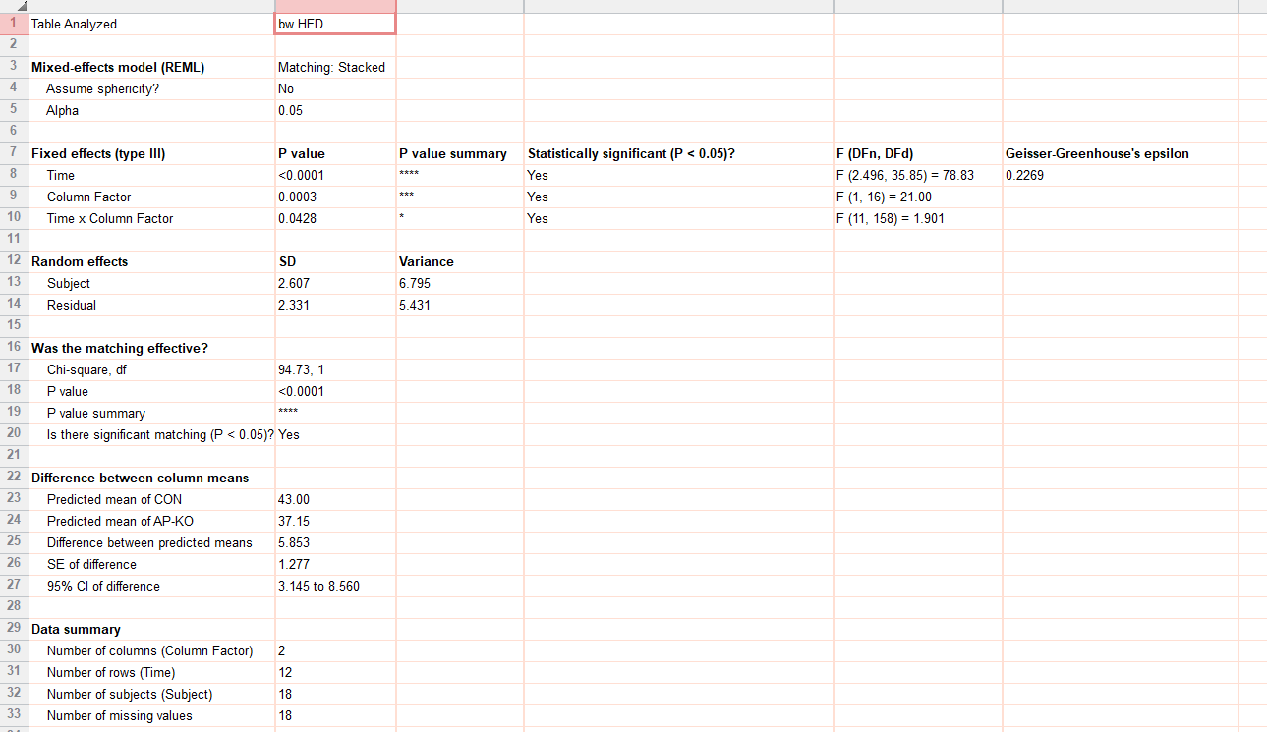
figure 1h
body weight (hfd_g) |  | CON |  |  |  |  |  |  |  |  | ap-ko
 | 0 | 32.3 | 33.3 | 32.6 | 30.7 | 31.7 | 37.9 | 31.8 | 40.2 | 31.3 | 32.2 | 31.2 | 32.5 | 30.8 | 32 | 31.3 | 30.8 | 30.1 | 33.9
 | 1 | 35.5 | 38.1 | 36.8 | 36.2 | 36.4 |  |  |  |  | 32.1 | 32.7 | 34.5 | 30.9
 | 2 | 38.7 | 40.1 | 39.3 | 38.5 | 37.8 | 35.9 | 30.3 | 39.7 | 35.3 | 34.8 | 33.6 | 37 | 32.1 | 31.6 | 30.9 | 31.3 | 29.8 | 33.1
 | 3 | 41 | 42.1 | 41.7 | 40.4 | 40 | 37.5 | 31.1 | 41.7 | 36.3 | 37.9 | 35.9 | 39.1 | 33 | 33.5 | 30.1 | 32.9 | 28.5 | 27.3
 | 4 | 43.7 | 43.5 | 43 | 42.8 | 42 | 41.5 | 31.2 | 42.5 | 37.4 | 41.6 | 38.1 | 40.8 | 34 | 29.7 | 32.7 | 31 | 34 | 34.4
 | 5 | 45.4 | 44.4 | 44.4 | 43.8 | 42.2 | 39.7 | 30.4 | 44.7 | 40.3 | 40.7 | 39.4 | 42.4 | 35.7 | 33.2 | 33.5 | 36.3 | 34.9 | 34.3
 | 6 | 45.5 | 44.6 | 44.3 | 44.9 | 41.7 |  |  |  |  | 38.9 | 40.3 | 43.6 | 36.5
 | 7 | 48.1 | 47 | 46.9 | 46.8 | 44.1 | 49.9 | 44.8 | 50.1 | 45.6 | 38.3 | 42.7 | 46.4 | 38.1 | 38.1 | 38.3 | 38.3 | 40.7 | 42.8
 | 8 | 49.5 | 47.7 | 48 | 47.1 | 44 | 52.1 | 46.2 | 50 | 44.8 | 39.3 | 44.2 | 46 | 39 | 37 | 36 | 36.6 | 42.6 | 44.4
 | 9 | 49.9 | 48.8 | 48.3 | 48.4 | 44.6 | 54.3 | 47.8 | 48.1 | 44.5 | 42.1 | 45.8 | 47.8 | 39.5 | 35.6 | 36 | 34.8 | 43.1 | 46.2
 | 10 | 51.3 | 50.2 | 48.5 | 48.2 | 45.8 | 55.5 | 50.5 | 50.9 | 47.5 | 46.5 | 47.9 | 49 | 40.7 | 36.9 | 37 | 36 | 42.8 | 48.1
 | 11 | 52 | 51 | 49 | 49.9 | 47.6 | 55.4 | 49.8 | 52 | 48.7 | 46.5 | 48 | 49 | 42 | 36.3 | 38.9 | 37.5 | 44.2 | 47.9

1i
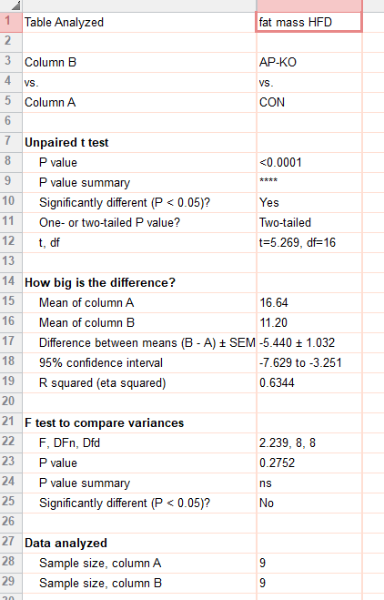
figure 1i
fat mass (g) | CON | AP-KO
 | 16.85 | 9.51
 | 16.77 | 14.95
 | 17.99 | 12.84
 | 19.08 | 12.47
 | 14.68 | 7.13
 | 16.27 | 9
 | 13.62 | 9.47
 | 18.26 | 11.57
 | 16.28 | 13.9

1j
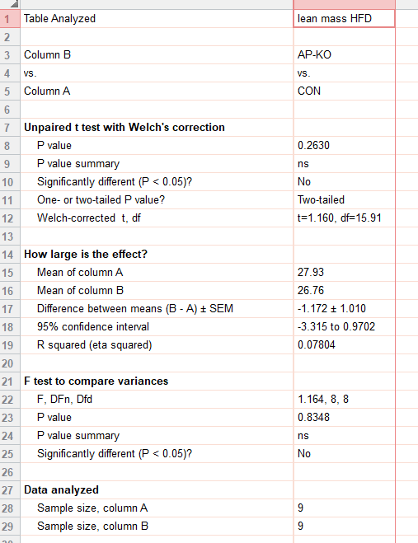
figure 1j
lean mass (g) | CON | AP-KO
 | 28.03 | 25.62
 | 27.52 | 27.79
 | 28.75 | 26.52
 | 25.13 | 21.98
 | 24.1 | 29.42
 | 31.09 | 27.25
 | 28.86 | 27.31
 | 30.22 | 27.66
 | 27.66 | 27.26

auc_hfd
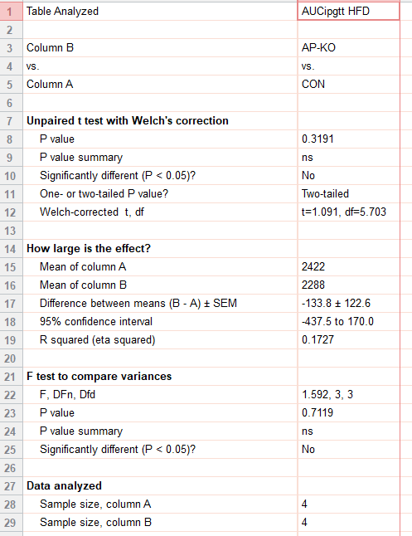
figure 1k_inset
auc | CON | ap-ko
 | 2238 | 2238
 | 2603 | 2514
 | 2275 | 2219
 | 2572 | 2182

1l
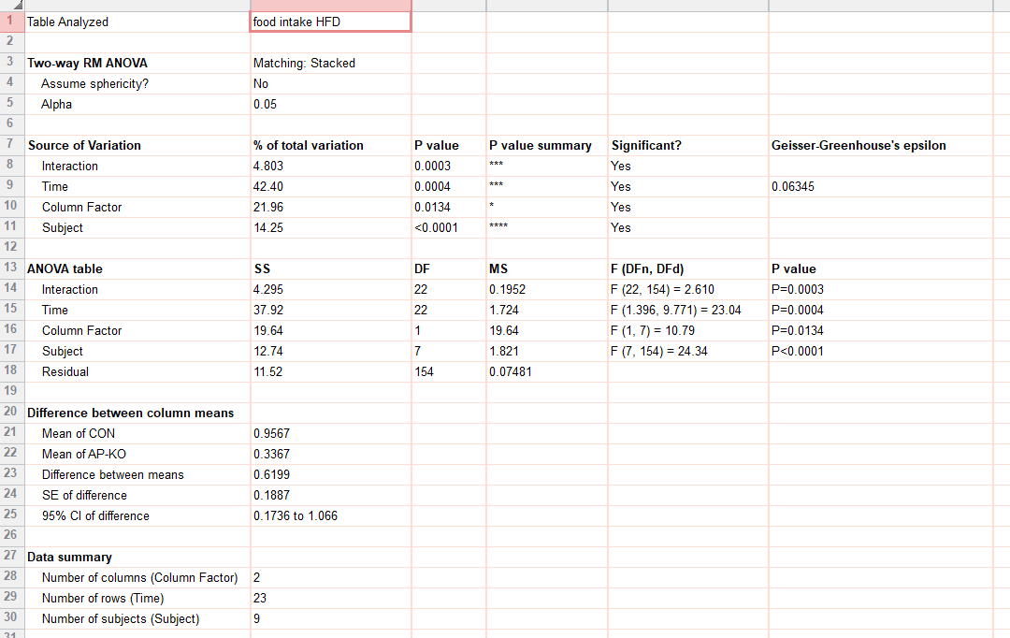
figure 1l
food intake (HFD_g) |  | CON |  |  |  |  | ap-ko
 |  | 0 | 0 | 0 | 0 | 0 | 0 | 0 | 0 | 0
 | 7:00:00 | 0.123263 | 0.00118 | 0.085999 | 0.012744 | 0.021272 | 0.022916 | 0.000677 | 0.008538 | 0
 |  | 0.190576 | 0.054254 | 0.16641 | 0.124495 | 0.025465 | 0.036417 | 0.009074 | 0.038109 | 0
 |  | 0.229286 | 0.119194 | 0.360285 | 0.333856 | 0.032398 | 0.053953 | 0.018626 | 0.038452 | 0.009509
 |  | 0.250077 | 0.140433 | 0.45418 | 0.850799 | 0.561071 | 0.139676 | 0.021698 | 0.052345 | 0.033107
 |  | 0.337334 | 0.161778 | 0.486844 | 0.891799 | 0.575738 | 0.159837 | 0.021698 | 0.064514 | 0.05481
 |  | 0.359354 | 0.164857 | 0.508879 | 0.912173 | 0.585882 | 0.161804 | 0.021698 | 0.064514 | 0.05481
 |  | 0.408624 | 0.164857 | 0.51358 | 0.917337 | 0.737613 | 0.161804 | 0.021698 | 0.066663 | 0.065803
 |  | 0.438527 | 0.164857 | 0.51358 | 0.922533 | 0.875803 | 0.162572 | 0.021698 | 0.075623 | 0.078522
 |  | 0.505553 | 0.164857 | 0.533089 | 0.959969 | 0.875803 | 0.167145 | 0.05491 | 0.075623 | 0.078522
 |  | 0.522163 | 0.138061 | 0.544708 | 1.023257 | 0.884633 | 0.167145 | 0.17986 | 0.075623 | 0.079138
 |  | 0.575218 | 0.207641 | 0.58066 | 1.092227 | 0.982816 | 0.167145 | 0.206912 | 0.075623 | 0.089841
 | 19:00:00 | 0.610966 | 0.427569 | 0.669014 | 1.18617 | 1.071199 | 0.191232 | 0.379639 | 0.081673 | 0.190483
 |  | 0.636567 | 0.817974 | 0.830992 | 1.396711 | 1.084994 | 0.282287 | 0.39212 | 0.123045 | 0.249842
 |  | 0.66798 | 0.866679 | 1.067898 | 1.664873 | 1.111894 | 0.295896 | 0.482108 | 0.5832 | 0.343018
 |  | 0.732145 | 0.894566 | 1.35364 | 1.719011 | 1.186743 | 0.302744 | 0.510453 | 0.678682 | 0.392039
 |  | 0.732145 | 0.955483 | 1.578839 | 1.861817 | 1.470078 | 0.339039 | 0.701484 | 0.678682 | 0.419316
 |  | 0.732145 | 1.072759 | 1.895501 | 1.908661 | 1.530941 | 0.356386 | 0.812324 | 0.678682 | 0.489668
 |  | 0.784708 | 1.079581 | 2.530732 | 2.005275 | 1.532677 | 0.360815 | 0.934486 | 0.7148 | 0.615176
 |  | 0.822138 | 1.103351 | 2.530732 | 2.068781 | 1.532677 | 0.375962 | 0.942181 | 0.726529 | 0.660756
 |  | 0.822138 | 1.139299 | 2.530732 | 2.096267 | 1.532677 | 0.37662 | 0.947511 | 0.790941 | 0.77805
 |  | 0.827345 | 1.168984 | 2.730392 | 2.284891 | 1.54647 | 0.37662 | 0.950441 | 0.851702 | 0.77805
 |  | 0.845936 | 1.203751 | 3.291383 | 2.347411 | 1.777233 | 0.404355 | 0.970612 | 0.892794 | 0.931867
 | 7:00:00 | 0.976829 | 1.223476 | 3.309199 | 2.360136 | 1.904703 | 0.426164 | 1.004864 | 1.008664 | 1.046817

1n
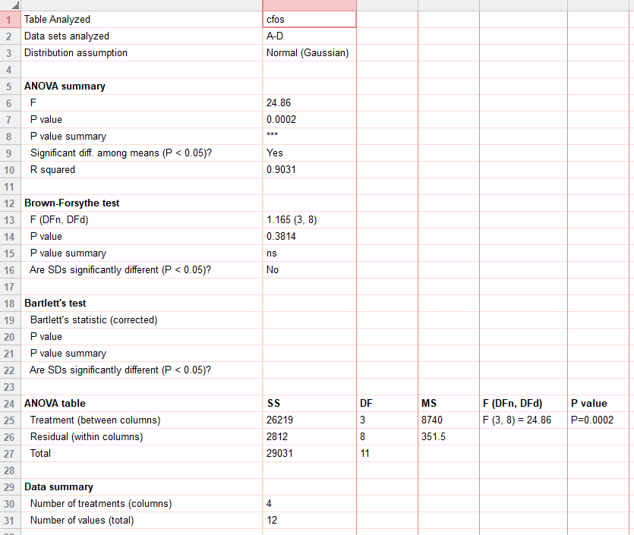
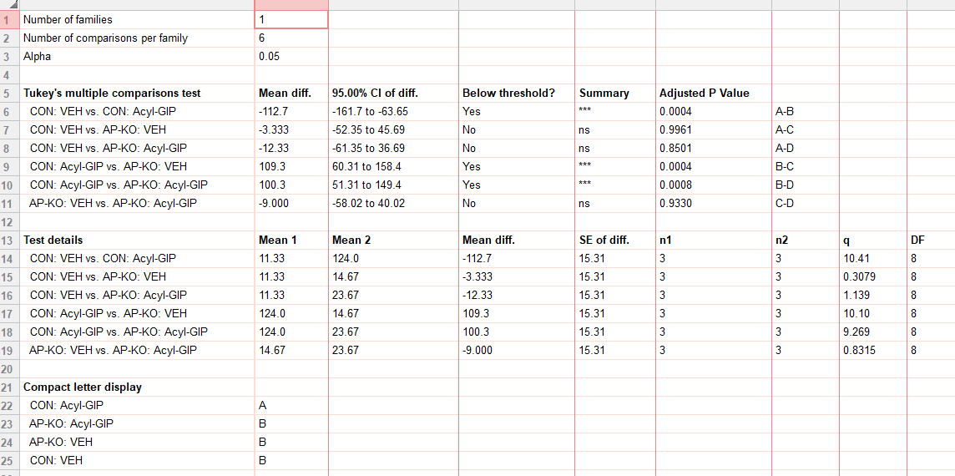
figure 1n
cfos | CON: VEH |  |  | CON: Acyl-GIP |  |  | AP-KO: VEH |  |  | AP-KO: Acyl-GIP
 | 0 | 11 | 23 | 155 | 91 | 126 | 4 | 17 | 23 | 10 | 27 | 34

