2a
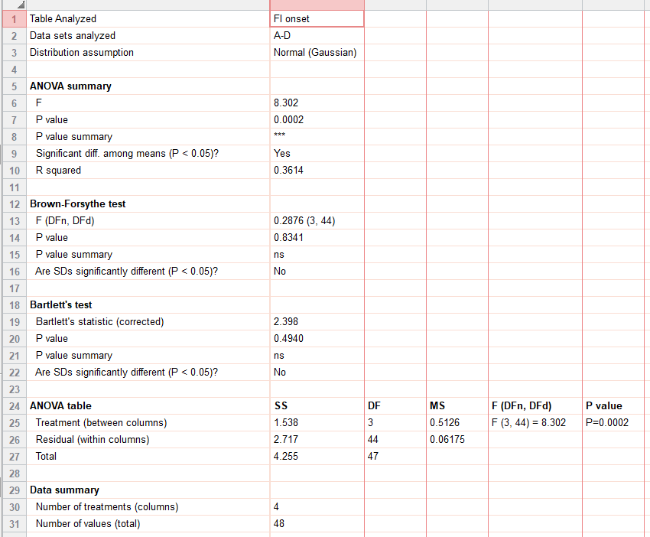
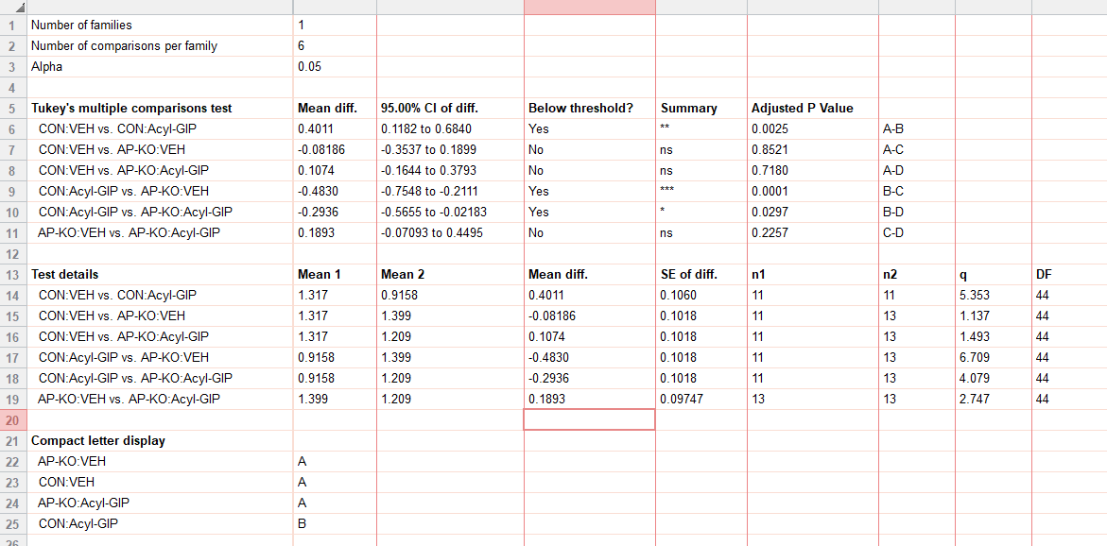
figure 2a
food intake (g) | CON:VEH | CON:Acyl-GIP | AP-KO:VEH | AP-KO:Acyl-GIP
std chow | 1.65 | 0.928 | 1.695 | 1.586
 | 1.242 | 0.18 | 1.713 | 1.381
 | 1.499 | 0.693 | 1.764 | 1.333
 | 1.246 | 0.872 | 1.349 | 1.159
 | 0.95 | 0.795 | 1.38 | 0.907
 | 1.5 | 1.236 | 1.036 | 0.999
 | 1.347 | 1.196 | 1.839 | 1.059
 | 1.12 | 0.949 | 0.953 | 1.146
 | 1.351 | 1.114 | 1.328 | 1.234
 | 1.426 | 1.052 | 1.33 | 1.388
 | 1.155 | 1.059 | 1.377 | 1.187
 |  | 21.4 | 1.244 | 1.426
 |  | 24.8 | 1.176 | 0.918

2b
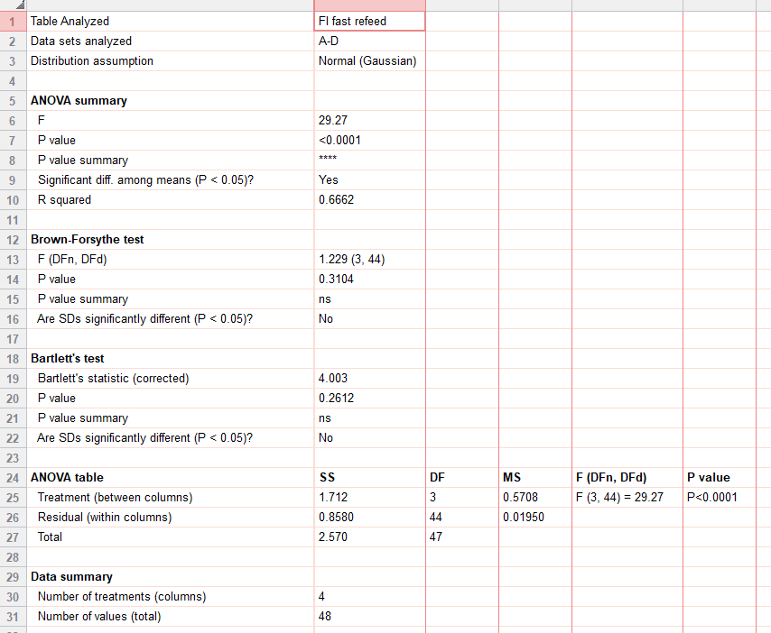
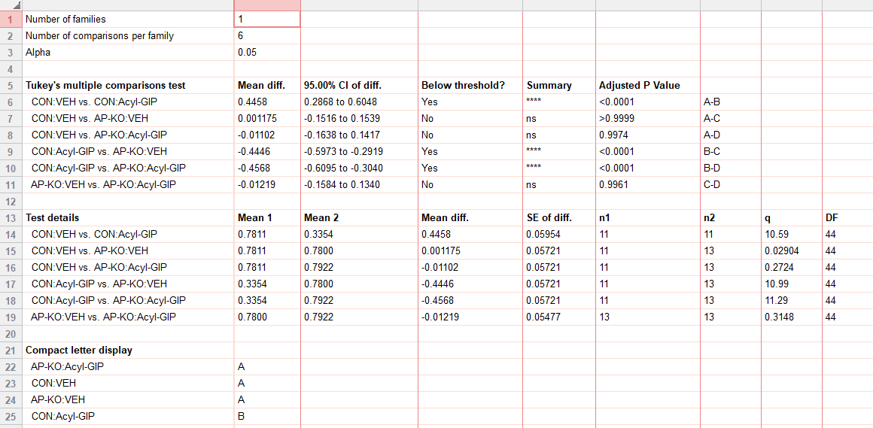
figure 2b
fast refeed food intake (g) | CON:VEH | CON:Acyl-GIP | AP-KO:VEH | AP-KO:Acyl-GIP
std chow | 0.775 | 0.451 | 0.746 | 0.753
 | 0.956 | 0.579 | 0.865 | 0.818
 | 0.726 | 0.26 | 0.924 | 1.028
 | 0.81 | 0.353 | 0.464 | 0.698
 | 0.823 | 0.283 | 0.583 | 0.754
 | 0.67 | 0.524 | 0.74 | 0.764
 | 0.849 | 0.194 | 0.832 | 0.801
 | 0.7365 | 0.221 | 0.8 | 0.834
 | 0.642 | 0.161 | 0.873 | 0.65
 | 0.8235 | 0.103 | 0.8025 | 0.819
 | 0.7815 | 0.56 | 0.98 | 1.02
 |  |  | 0.651 | 0.48
 |  |  | 0.879 | 0.879

2c
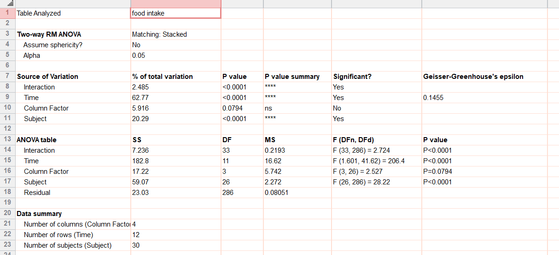
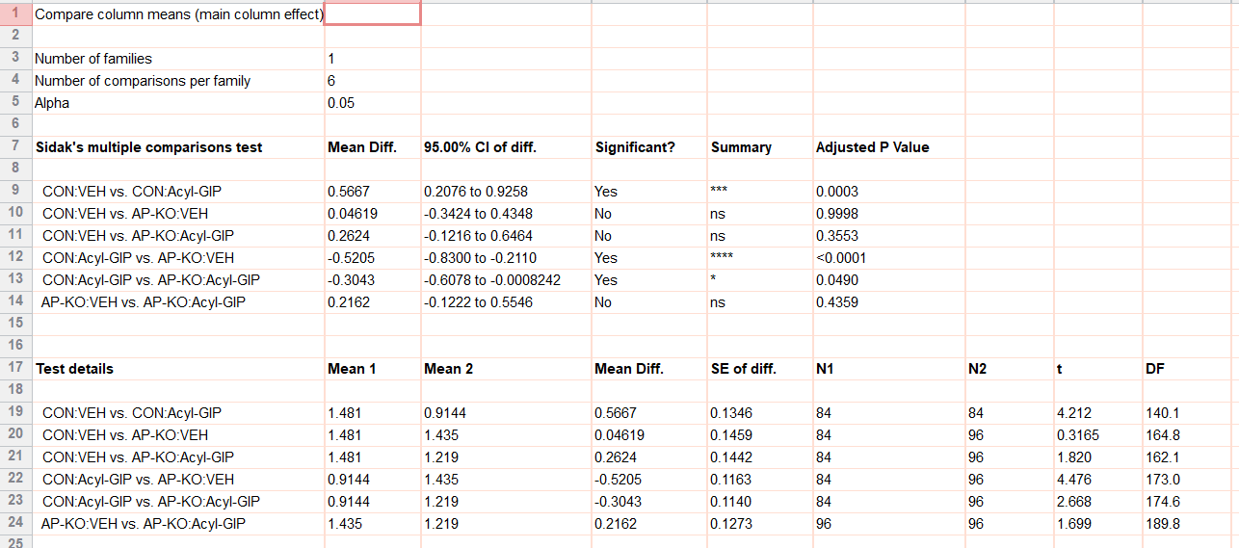
figure 2c
food intake (chow_g) |  | CON:VEH |  |  |  |  |  |  | CON:Acyl-GIP |  |  |  |  |  |  | AP-KO:VEH |  |  |  |  |  |  |  | AP-KO:Acyl-GIP
 | 19:00:00 | 0 | 0 | 0 | 0 | 0 | 0 | 0 | 0 | 0 | 0 | 0 | 0 | 0 | 0 | 0 | 0 | 0 | 0 | 0 | 0 | 0 | 0 | 0 | 0 | 0 | 0 | 0 | 0 | 0 | 0
 |  | 0.309989 | 0.069892 | 0.229291 | 0.220879 | 0.080023 | 0.861316 | 0.337735 | 0.211227 | 0.163084 | 0.437 | 0.115184 | 0.26568 | 0.251095 | 0.278738 | 0.098258 | 0.417274 | 0.278738 | 0.456004 | 0.399371 | 0.381385 | 0.392609 | 0.497717 | 0.186697 | 0.199859 | 0.307015 | 0.37983 | 0.367653 | 0.155726 | 0.248314 | 0.184247
 |  | 0.444145 | 0.24062 | 0.54406 | 0.776023 | 0.369848 | 1.388561 | 0.693598 | 0.295626 | 0.24157 | 0.63465 | 0.250494 | 0.387939 | 0.292649 | 0.420858 | 0.192175 | 0.920053 | 0.420858 | 0.672201 | 1.007239 | 0.691542 | 0.833409 | 0.677115 | 0.262664 | 0.283634 | 0.585975 | 0.838894 | 0.729208 | 0.212955 | 0.475968 | 0.263066
 |  | 0.725247 | 0.248757 | 0.669311 | 0.824424 | 0.622833 | 1.796383 | 1.153366 | 0.546246 | 0.3812 | 0.868792 | 0.271771 | 0.618073 | 0.831083 | 0.510746 | 0.38357 | 1.217626 | 0.510746 | 0.983487 | 1.525389 | 1.044172 | 1.445985 | 1.02941 | 0.438302 | 0.374963 | 0.789302 | 1.122324 | 0.866386 | 0.505012 | 0.660832 | 0.332346
 |  | 0.976799 | 0.532382 | 0.872529 | 1.259079 | 0.965748 | 1.848552 | 1.155835 | 0.718344 | 0.434187 | 1.014732 | 0.50674 | 0.670313 | 1.767429 | 0.751449 | 0.522743 | 1.379111 | 0.751449 | 1.1601 | 1.602336 | 1.321298 | 1.892743 | 1.371266 | 0.552822 | 0.666394 | 1.062687 | 1.657896 | 1.191028 | 0.684499 | 0.93227 | 0.463629
 |  | 1.822084 | 0.574797 | 1.551693 | 1.576425 | 0.997648 | 2.296897 | 1.536689 | 0.723998 | 0.436997 | 1.046992 | 0.618274 | 1.063063 | 1.879916 | 1.146276 | 0.791258 | 1.741068 | 1.146276 | 1.300514 | 1.602714 | 1.560251 | 1.922972 | 1.455896 | 0.955957 | 0.693459 | 1.453961 | 2.206263 | 1.56669 | 0.912821 | 1.211345 | 0.61014
 |  | 2.094837 | 0.634149 | 1.946323 | 1.616295 | 1.038096 | 2.422286 | 1.607368 | 0.723998 | 0.579258 | 1.046992 | 0.618942 | 1.383648 | 1.889588 | 1.148301 | 0.845426 | 1.964573 | 1.148301 | 1.571909 | 1.695545 | 1.838156 | 2.478832 | 1.458592 | 1.395958 | 0.967009 | 1.721615 | 2.401789 | 1.765826 | 1.162823 | 1.621219 | 0.768682
 |  | 2.094837 | 0.775385 | 1.958164 | 2.221462 | 1.635513 | 2.752685 | 1.833827 | 0.723998 | 0.760572 | 1.046992 | 0.749842 | 1.43676 | 2.178523 | 1.188424 | 1.094539 | 1.965456 | 1.188424 | 1.657556 | 1.867202 | 2.366858 | 2.84985 | 1.466439 | 1.466524 | 0.968124 | 2.008763 | 2.472446 | 1.766944 | 1.380991 | 1.81134 | 0.909808
 |  | 2.146634 | 0.776982 | 2.452618 | 2.470462 | 1.873728 | 3.186979 | 2.019475 | 0.7963 | 0.7627 | 1.277621 | 0.819122 | 1.437249 | 2.583374 | 1.392369 | 1.349701 | 2.320558 | 1.392369 | 1.817886 | 1.980414 | 2.475345 | 2.920939 | 1.805533 | 1.467336 | 1.030727 | 2.420186 | 2.956103 | 1.767703 | 1.739389 | 2.046929 | 1.054291
 |  | 2.421114 | 0.88048 | 2.982902 | 2.566691 | 2.221428 | 3.294489 | 2.043024 | 0.898315 | 0.902063 | 1.337034 | 0.824645 | 1.481817 | 2.672736 | 1.392369 | 1.476439 | 2.618173 | 1.392369 | 2.185138 | 2.038744 | 2.703936 | 3.24782 | 1.826615 | 1.626795 | 1.106209 | 2.453185 | 3.160999 | 1.928594 | 1.805845 | 2.230366 | 1.126391
 |  | 2.803264 | 1.114892 | 2.983075 | 2.815967 | 2.616955 | 4.003006 | 2.324414 | 0.960061 | 1.050658 | 1.718823 | 1.021497 | 1.827066 | 2.672736 | 1.530733 | 1.623055 | 2.914431 | 1.530733 | 2.351823 | 2.119616 | 3.305651 | 3.31732 | 1.992143 | 2.003993 | 1.349635 | 2.464585 | 3.392257 | 2.074481 | 2.058352 | 2.650624 | 1.263977
 | 7:00:00 | 2.929371 | 1.317327 | 3.003227 | 2.818169 | 2.62276 | 4.194691 | 2.324919 | 0.975099 | 1.060946 | 1.766644 | 1.023983 | 1.844821 | 2.672736 | 1.578575 | 1.629808 | 3.064096 | 1.578575 | 2.510947 | 2.120463 | 3.305824 | 3.318211 | 2.062084 | 2.190734 | 1.406408 | 2.464585 | 3.393621 | 2.074481 | 2.068229 | 2.672579 | 1.363744

2d
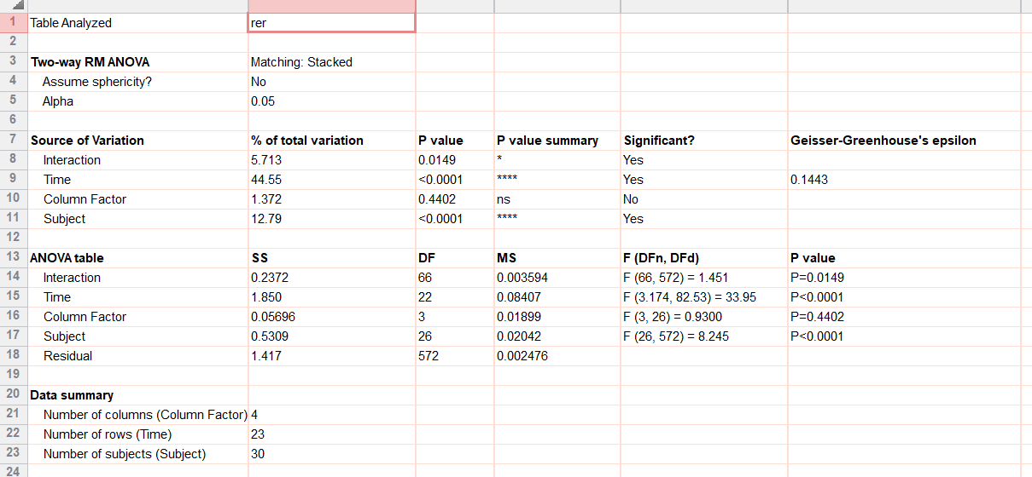
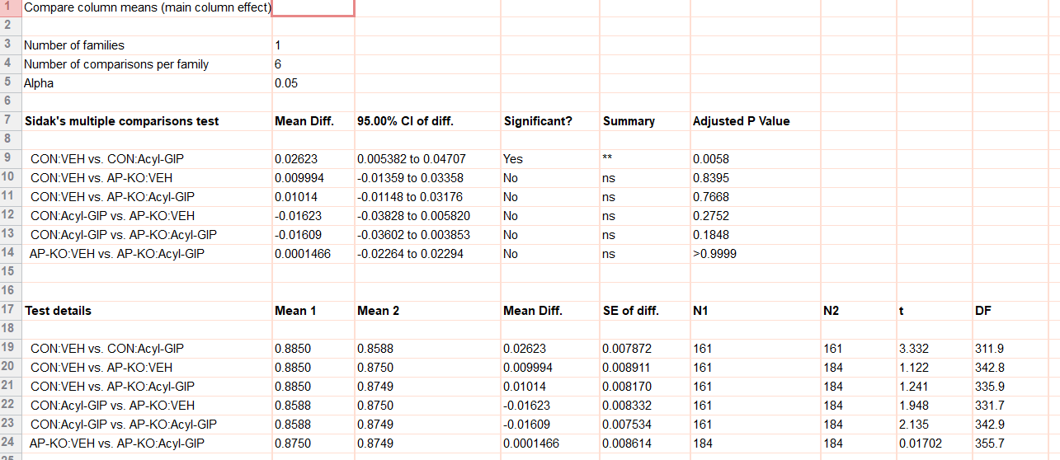
figure 2d
rer |  | CON:VEH |  |  |  |  |  |  | CON:Acyl-GIP |  |  |  |  |  |  | AP-KO:VEH |  |  |  |  |  |  |  | AP-KO:Acyl-GIP
std chow | 07:00 | 0.806803 | 0.893301 | 0.859498 | 0.839788 | 0.919475 | 0.923997 | 0.92208 | 0.843924 | 0.949139 | 0.906239 | 0.86129 | 0.87101 | 0.826916 | 0.867753 | 0.819319 | 0.896593 | 0.885804 | 0.87101 | 0.781456 | 0.782295 | 0.795495 | 0.968852 | 0.945662 | 0.843026 | 0.858995 | 0.931204 | 0.838121 | 0.830623 | 0.732241 | 0.826916
 |  | 0.833751 | 0.945046 | 0.882537 | 0.842908 | 0.888651 | 0.897039 | 0.886657 | 0.808652 | 0.889122 | 0.912367 | 0.909682 | 0.852853 | 0.775516 | 0.861403 | 0.882232 | 0.895989 | 0.871598 | 0.852853 | 0.779238 | 0.747819 | 0.817245 | 0.942394 | 0.932446 | 0.809228 | 0.86649 | 0.823143 | 0.831841 | 0.820775 | 0.735756 | 0.775516
 |  | 0.787981 | 0.976329 | 0.852921 | 0.780444 | 0.874409 | 0.864923 | 0.838987 | 0.800749 | 0.874729 | 0.865379 | 0.946867 | 0.765863 | 0.800365 | 0.879675 | 0.868771 | 0.918533 | 0.83174 | 0.765863 | 0.83675 | 0.806634 | 0.814275 | 0.882585 | 0.867698 | 0.793069 | 0.857622 | 0.832038 | 0.774713 | 0.82391 | 0.746648 | 0.800365
 |  | 0.799924 | 0.959464 | 0.813792 | 0.747863 | 0.814104 | 0.798197 | 0.806657 | 0.814245 | 0.892861 | 0.844251 | 0.916829 | 0.739771 | 0.80149 | 0.846779 | 0.823277 | 0.876258 | 0.812814 | 0.739771 | 0.729135 | 0.797759 | 0.834193 | 0.811007 | 0.861742 | 0.78624 | 0.803522 | 0.878887 | 0.763579 | 0.747864 | 0.703508 | 0.80149
 |  | 0.828385 | 0.958891 | 0.79363 | 0.758058 | 0.753922 | 0.775367 | 0.784524 | 0.808712 | 0.853616 | 0.813993 | 0.902143 | 0.747974 | 0.80006 | 0.790624 | 0.778227 | 0.920538 | 0.749383 | 0.747974 | 0.769658 | 0.7504 | 0.768538 | 0.795203 | 0.872306 | 0.784874 | 0.789383 | 0.821232 | 0.760347 | 0.749552 | 0.750938 | 0.80006
 |  | 0.802047 | 0.929622 | 0.790491 | 0.74614 | 0.784435 | 0.750342 | 0.734487 | 0.812764 | 0.891243 | 0.818067 | 0.849895 | 0.716497 | 0.794238 | 0.751882 | 0.803242 | 0.926827 | 0.792548 | 0.716497 | 0.738036 | 0.71284 | 0.752077 | 0.759604 | 0.876125 | 0.830664 | 0.757116 | 0.765009 | 0.849738 | 0.730333 | 0.732231 | 0.794238
 |  | 0.788677 | 0.896299 | 0.808306 | 0.773195 | 0.762916 | 0.783472 | 0.718359 | 0.791721 | 0.865914 | 0.886468 | 0.89894 | 0.737665 | 0.759048 | 0.709894 | 0.855488 | 0.885629 | 0.883598 | 0.737665 | 0.754198 | 0.696523 | 0.691708 | 0.738423 | 0.86674 | 0.838214 | 0.795832 | 0.796839 | 0.824557 | 0.707209 | 0.73439 | 0.759048
 |  | 0.791243 | 0.974484 | 0.873377 | 0.74248 | 0.882223 | 0.768044 | 0.809722 | 0.77996 | 0.888739 | 0.849948 | 0.837036 | 0.793249 | 0.829145 | 0.71219 | 0.900294 | 0.86912 | 0.85036 | 0.793249 | 0.685538 | 0.67029 | 0.689587 | 0.755391 | 0.895874 | 0.8749 | 0.798648 | 0.819671 | 0.853988 | 0.737674 | 0.775431 | 0.829145
 |  | 0.791473 | 0.970119 | 0.867232 | 0.779694 | 0.866985 | 0.81528 | 0.781748 | 0.77286 | 0.873343 | 0.868252 | 0.902045 | 0.770657 | 0.796239 | 0.771182 | 0.889729 | 0.81409 | 0.903144 | 0.770657 | 0.773648 | 0.742011 | 0.741593 | 0.814592 | 0.876945 | 0.886033 | 0.88742 | 0.891333 | 0.864948 | 0.753339 | 0.764596 | 0.796239
 |  | 0.788455 | 0.939209 | 0.951015 | 0.90163 | 0.84677 | 0.799707 | 0.786364 | 0.782161 | 0.948416 | 0.901962 | 0.902079 | 0.771904 | 0.813954 | 0.805887 | 0.958986 | 0.855829 | 0.915114 | 0.771904 | 0.734356 | 0.707366 | 0.710379 | 0.794598 | 0.897578 | 0.874668 | 0.863279 | 0.890065 | 0.863077 | 0.745094 | 0.816171 | 0.813954
 |  | 0.779783 | 0.87686 | 1.005417 | 0.884815 | 0.850965 | 0.823129 | 0.837795 | 0.750041 | 0.896705 | 0.825629 | 0.923717 | 0.738989 | 0.804598 | 0.770301 | 0.907304 | 0.881664 | 0.849782 | 0.738989 | 0.784398 | 0.825219 | 0.862761 | 0.74556 | 0.841406 | 0.914664 | 0.866115 | 0.912764 | 0.811885 | 0.791956 | 0.78775 | 0.804598
 | 19:00 | 0.772075 | 0.852727 | 0.98694 | 0.912382 | 0.838331 | 0.855932 | 0.898153 | 0.849786 | 0.942492 | 0.92596 | 0.906633 | 0.816862 | 0.781198 | 0.788649 | 0.931189 | 0.934835 | 0.816015 | 0.816862 | 0.823361 | 0.818609 | 0.837163 | 0.831999 | 0.877794 | 0.934494 | 0.856331 | 0.984978 | 0.885886 | 0.774136 | 0.826408 | 0.781198
 |  | 0.894055 | 0.868917 | 0.991143 | 0.925014 | 0.946902 | 0.984805 | 0.969104 | 0.825786 | 0.964292 | 0.906938 | 0.779926 | 0.868116 | 0.875598 | 0.945912 | 0.986861 | 0.959048 | 0.871733 | 0.957283 | 0.977735 | 0.920888 | 1.005822 | 0.951021 | 0.867259 | 0.896661 | 0.896214 | 0.923561 | 0.917608 | 0.923038 | 0.822643 | 0.807653
 |  | 0.906913 | 0.939604 | 1.012626 | 0.944601 | 0.946833 | 0.981335 | 0.963859 | 0.894922 | 0.954099 | 0.946916 | 0.787099 | 0.941944 | 0.874872 | 0.948599 | 0.925563 | 0.970734 | 0.898366 | 0.99004 | 0.987116 | 0.929782 | 1.015753 | 0.966817 | 0.881676 | 0.917246 | 0.895967 | 0.959769 | 0.950573 | 0.930754 | 0.96319 | 0.99857
 |  | 0.903335 | 0.932878 | 0.99721 | 0.96117 | 0.936571 | 0.999713 | 0.978902 | 0.869494 | 0.927045 | 0.953841 | 0.796964 | 0.948869 | 0.834186 | 0.949285 | 0.88516 | 0.97986 | 0.883508 | 0.995499 | 0.993956 | 0.934181 | 1.026784 | 0.985098 | 0.871197 | 0.900176 | 0.902656 | 0.981438 | 0.944467 | 0.881479 | 0.943957 | 0.990017
 |  | 0.859254 | 0.97842 | 0.992193 | 0.953707 | 0.850294 | 0.992777 | 0.959713 | 0.908656 | 0.930461 | 0.956863 | 0.808815 | 0.948822 | 0.829251 | 0.947211 | 0.884897 | 0.973353 | 0.871257 | 0.992932 | 0.999846 | 0.959635 | 1.023804 | 0.969042 | 0.893093 | 0.902023 | 0.885481 | 1.000466 | 0.961288 | 0.915771 | 0.932551 | 0.996473
 |  | 0.819115 | 0.957981 | 0.971212 | 0.965384 | 0.927037 | 1.002655 | 0.950633 | 0.896995 | 0.933962 | 0.936254 | 0.83127 | 0.98069 | 0.808328 | 0.939659 | 0.911749 | 0.988224 | 0.896862 | 0.976471 | 0.977156 | 0.920127 | 1.026236 | 0.955894 | 0.88839 | 0.917526 | 0.906195 | 1.004195 | 0.958611 | 0.937294 | 0.944514 | 0.994495
 |  | 0.805463 | 0.995726 | 0.971584 | 0.983951 | 0.890451 | 0.982011 | 0.954153 | 0.839437 | 0.941227 | 0.86086 | 0.818717 | 0.976291 | 0.806135 | 0.891144 | 0.94794 | 0.991004 | 0.919849 | 0.991762 | 0.936149 | 0.915594 | 1.025161 | 0.941811 | 0.943014 | 0.897699 | 0.930374 | 1.003392 | 0.950568 | 0.937839 | 0.920881 | 0.980167
 |  | 0.836127 | 0.996114 | 0.929657 | 0.967443 | 0.875573 | 0.967493 | 0.944825 | 0.854765 | 0.912565 | 0.841074 | 0.815807 | 0.952537 | 0.823241 | 0.885075 | 0.873512 | 0.953403 | 0.898873 | 0.966746 | 0.931495 | 0.93042 | 1.016965 | 0.926012 | 0.919857 | 0.92267 | 0.924958 | 1.008838 | 0.943297 | 0.942169 | 0.93773 | 0.97032
 |  | 0.858327 | 0.937762 | 0.864346 | 0.975159 | 0.900452 | 0.978594 | 0.960865 | 0.808621 | 0.899921 | 0.801573 | 0.836256 | 0.952538 | 0.825951 | 0.95085 | 0.915935 | 0.9343 | 0.878856 | 0.919696 | 0.936622 | 0.93608 | 1.0112 | 0.858541 | 0.878013 | 0.873174 | 0.941929 | 1.008656 | 0.942558 | 0.954943 | 0.956942 | 0.996483
 |  | 0.817299 | 0.923895 | 0.945447 | 0.966657 | 0.818785 | 0.953261 | 0.9095 | 0.842817 | 0.870842 | 0.862937 | 0.816587 | 0.89359 | 0.860804 | 0.955626 | 0.944693 | 0.95475 | 0.896493 | 0.92826 | 0.882944 | 0.919548 | 1.015847 | 0.905885 | 0.881309 | 0.875284 | 0.958797 | 0.992078 | 0.887255 | 0.951786 | 0.952327 | 0.97496
 |  | 0.867377 | 0.90737 | 0.920258 | 0.979202 | 0.831651 | 0.940188 | 0.894904 | 0.847973 | 0.909859 | 0.848188 | 0.798023 | 0.940947 | 0.82271 | 0.974214 | 0.926935 | 0.944905 | 0.817512 | 0.986021 | 0.854603 | 0.933741 | 1.013961 | 0.853764 | 0.919876 | 0.860017 | 0.949194 | 1.010113 | 0.903962 | 0.943507 | 0.958179 | 0.946371
 | 07:00 | 0.859982 | 0.955834 | 0.854149 | 0.938966 | 0.89646 | 0.960182 | 0.924618 | 0.864606 | 0.951418 | 0.921621 | 0.815051 | 0.90922 | 0.85545 | 0.938292 | 0.918343 | 0.959339 | 0.863882 | 0.961487 | 0.855339 | 0.935328 | 0.997232 | 0.869582 | 0.944821 | 0.903134 | 0.860182 | 0.979352 | 0.869988 | 0.937094 | 0.943009 | 0.92987

2f
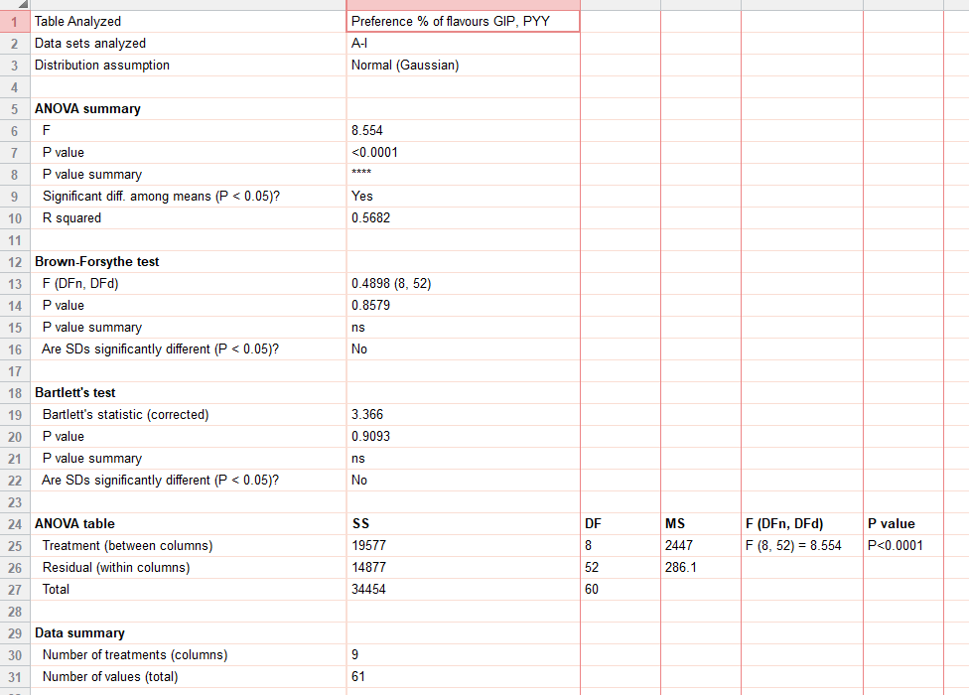
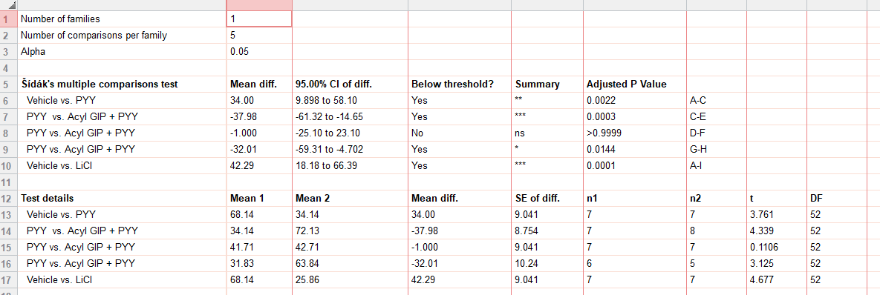
figure 2f | Vehicle | Acyl GIP | PYY | PYY | Acyl GIP + PYY | Acyl GIP + PYY | PYY | Acyl GIP + PYY | LiCl
preference | 87 | 49 | 44 | 48 | 87 | 67 | 39 | 92 | 54
 | 80 | 91 | 31 | 60 | 45 | 46 | 26 | 38.2 | 34
 | 89 | 54 | 31 | 26 | 69 | 67 | 18 | 69 | 19
 | 47 | 89 | 31 | 54 | 86 | 22 | 46 | 64 | 28
 | 70 | 88 | 40 | 38 | 75 | 30 | 8 | 56 | 21
 | 51 | 60 | 17 | 49 | 45 | 19 | 54 |  | 13
 | 53 | 81 | 45 | 17 | 86 | 48 |  |  | 12
 |  |  |  |  | 84

2g
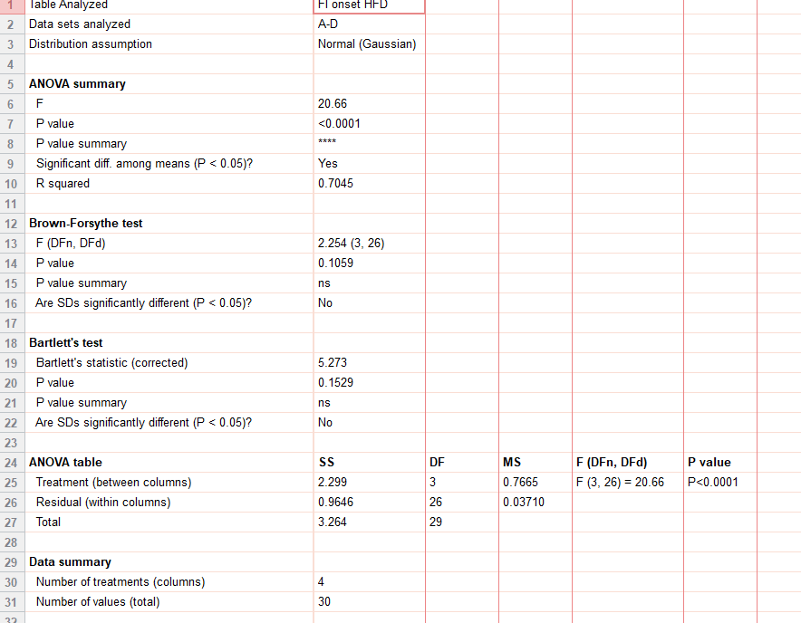
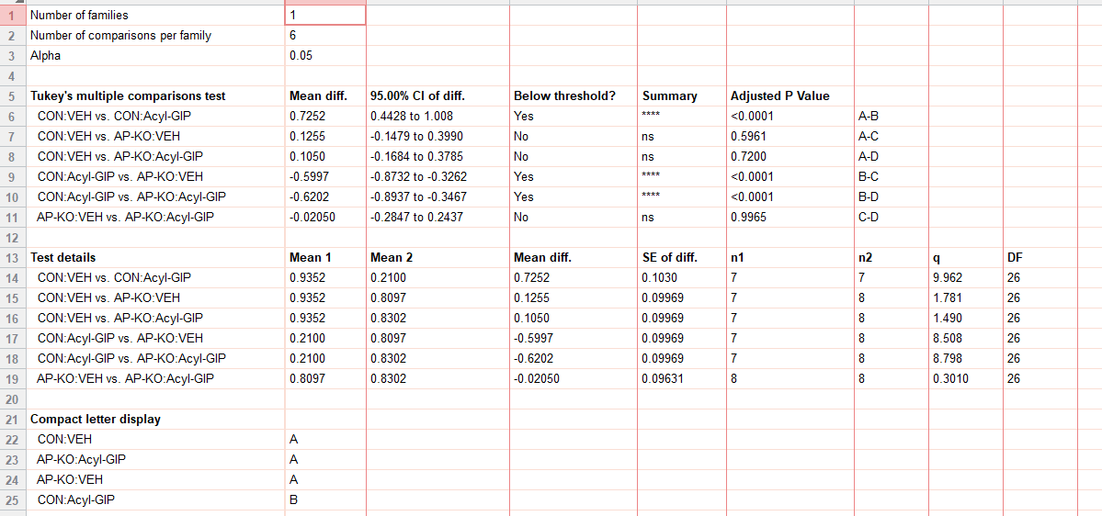
figure 2g
food intake (HFD_g) | CON:VEH | CON:Acyl-GIP | AP-KO:VEH | AP-KO:Acyl-GIP
 | 1.233333 | 0.2 | 1.033333 | 0.85
 | 1.166667 | 0.2 | 0.7 | 0.933333
 | 0.933333 | 0.233333 | 0.733333 | 0.9
 | 1 | 0.066667 | 0.86 | 1.066667
 | 0.733333 | 0.27 | 1.1 | 1.166667
 | 0.76 | 0.34 | 0.887 | 0.588
 | 0.72 | 0.16 | 0.53 | 0.621
 |  |  | 0.634 | 0.516

2h
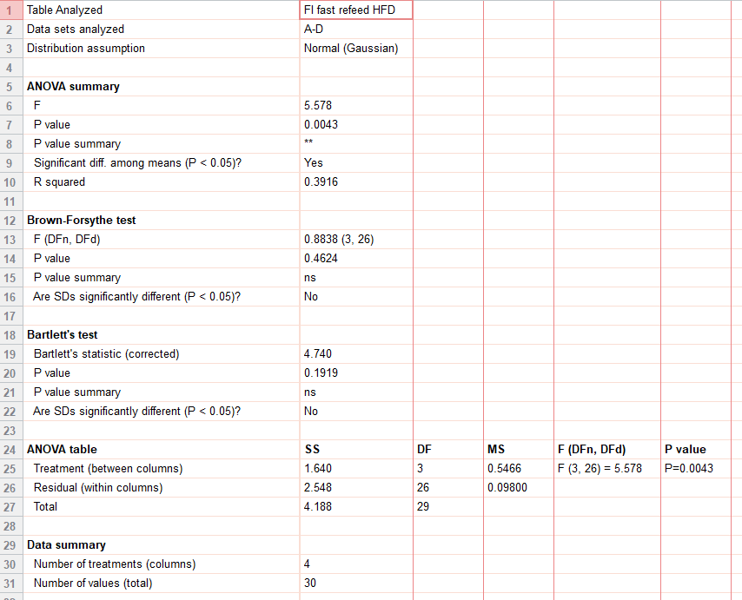
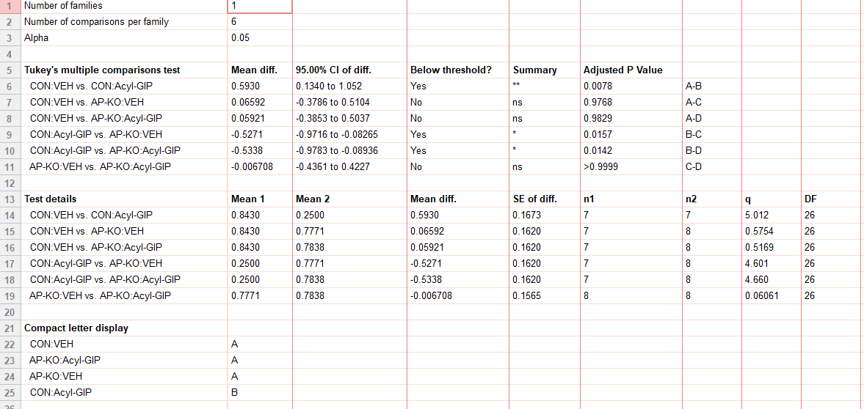
figure 2h
fast refeed food intake (HFD_g) | CON:VEH | CON:Acyl-GIP | AP-KO:VEH | AP-KO:Acyl-GIP
 | 1.05 | 0.116667 | 1.1 | 1
 | 1.083333 | 0.516667 | 1.05 | 1.016667
 | 0.883333 | 0.133333 | 1 | 0.84
 | 0.916667 | 0.383333 | 0.6 | 1.3
 | 1.12 | 0.233 | 0.98 | 0.99
 | 0.416 | 0.137 | 0.31 | 0.48
 | 0.432 | 0.23 | 0.167 | 0.346
 |  |  | 1.01 | 0.298

2i
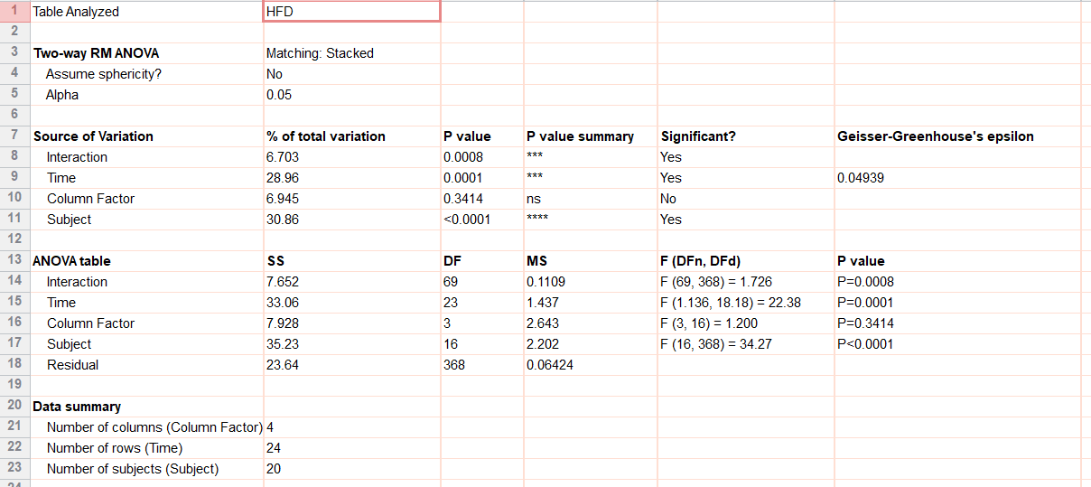
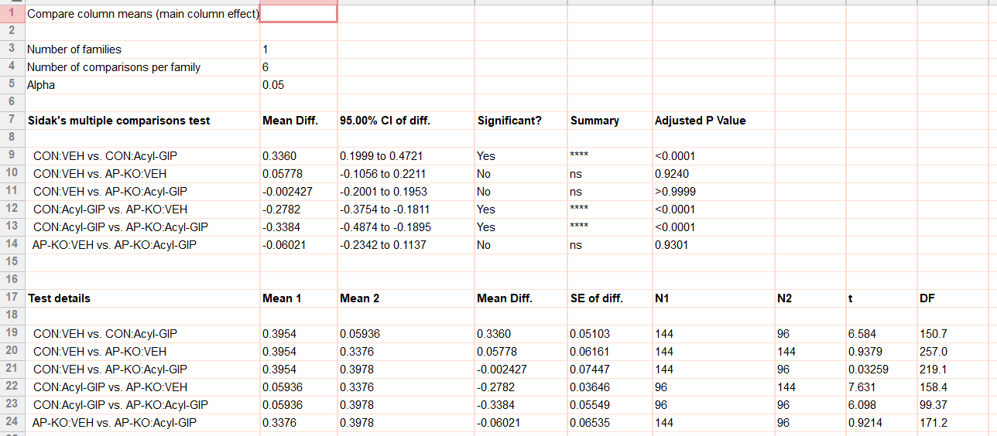
figure 2i
food intake (HFD_g)
 |  | CON:VEH |  |  |  |  |  | CON:Acyl-GIP |  |  |  | AP-KO:VEH |  |  |  |  |  | AP-KO:Acyl-GIP
 | 7:00:00 | 0 | 0 | 0 | 0.034481 | 0 | 0 | 0 | 0.000488 | 0 | 0 | 0.103896 | 0 | 0.011701 | 0.006461 | 0 | 0.034481 | 0 | 0.061533 | 0 | 0.002956
 |  | 0 | 0 | 0 | 0.056307 | 0 | 0 | 0.001734 | 0.009606 | 0.017751 | 0 | 0.114483 | 0 | 0.016955 | 0.047192 | 0 | 0.056307 | 0 | 0.090471 | 0 | 0.005282
 |  | 0 | 0.184124 | 0 | 0.056307 | 0 | 0.00257 | 0.002502 | 0.010438 | 0.024903 | 0 | 0.114483 | 0 | 0.019279 | 0.048097 | 0.002955 | 0.056307 | 0 | 0.164807 | 0 | 0.005282
 |  | 0.001009 | 0.213756 | 0 | 0.056307 | 0 | 0.005404 | 0.002502 | 0.010438 | 0.024903 | 0 | 0.114483 | 0 | 0.026104 | 0.048097 | 0.003708 | 0.056307 | 0 | 0.251295 | 0 | 0.005282
 |  | 0.001038 | 0.21468 | 0.000781 | 0.056307 | 0 | 0.005404 | 0.0028 | 0.010438 | 0.024903 | 0 | 0.114483 | 0.020783 | 0.026104 | 0.05051 | 0.004578 | 0.056307 | 0.000469 | 0.380887 | 0 | 0.005282
 |  | 0.001038 | 0.21468 | 0.002778 | 0.056307 | 0 | 0.005404 | 0.014415 | 0.010438 | 0.024903 | 0 | 0.114483 | 0.035941 | 0.026104 | 0.052603 | 0.004578 | 0.056307 | 0.001404 | 0.537474 | 0.003256 | 0.005593
 |  | 0.001038 | 0.240289 | 0.002778 | 0.056307 | 0 | 0.005404 | 0.0209 | 0.01133 | 0.024903 | 0 | 0.114483 | 0.035941 | 0.026104 | 0.052603 | 0.004578 | 0.056307 | 0.001404 | 0.537474 | 0.003294 | 0.006288
 |  | 0.003814 | 0.385444 | 0.002778 | 0.063876 | 0 | 0.011157 | 0.0209 | 0.014068 | 0.024903 | 0 | 0.120445 | 0.035941 | 0.051221 | 0.052603 | 0.004578 | 0.063876 | 0.001404 | 0.562044 | 0.003366 | 0.006288
 |  | 0.008116 | 0.386123 | 0.002778 | 0.081241 | 0 | 0.013197 | 0.0209 | 0.014443 | 0.024903 | 0 | 0.16127 | 0.036475 | 0.055268 | 0.052603 | 0.004578 | 0.081241 | 0.013992 | 0.950809 | 0.005492 | 0.067024
 |  | 0.008116 | 0.386123 | 0.027557 | 0.081241 | 0 | 0.03146 | 0.0209 | 0.019336 | 0.024903 | 0.000842 | 0.161513 | 0.037819 | 0.055268 | 0.05503 | 0.004578 | 0.081241 | 0.014709 | 0.950809 | 0.052974 | 0.105295
 |  | 0.008116 | 0.406543 | 0.043064 | 0.081241 | 0.014983 | 0.037792 | 0.03395 | 0.019774 | 0.024903 | 0.001318 | 0.273489 | 0.046332 | 0.059022 | 0.055446 | 0.004578 | 0.081241 | 0.014709 | 0.96634 | 0.091359 | 0.123749
 | 19:00:00 | 0.012026 | 0.441897 | 0.072595 | 0.112577 | 0.016453 | 0.037822 | 0.061993 | 0.023645 | 0.024903 | 0.001318 | 0.309798 | 0.056977 | 0.090878 | 0.055446 | 0.107064 | 0.112577 | 0.034839 | 0.988761 | 0.096777 | 0.135158
 |  | 0.101583 | 0.69822 | 0.126234 | 0.215336 | 0.03545 | 0.058806 | 0.066923 | 0.038415 | 0.024903 | 0.002013 | 0.314117 | 0.077521 | 0.121477 | 0.065274 | 0.221671 | 0.215336 | 0.044066 | 1.022275 | 0.140507 | 0.149708
 |  | 0.39665 | 0.911502 | 0.214216 | 0.392739 | 0.076487 | 0.06252 | 0.077061 | 0.047516 | 0.024903 | 0.004038 | 0.428651 | 0.187539 | 0.135897 | 0.173801 | 0.226072 | 0.392739 | 0.071932 | 1.184969 | 0.177079 | 0.16157
 |  | 0.611819 | 1.24252 | 0.408316 | 0.436577 | 0.079301 | 0.063781 | 0.130884 | 0.086236 | 0.024903 | 0.004038 | 0.446091 | 0.567146 | 0.194955 | 0.181893 | 0.22717 | 0.436577 | 0.099518 | 1.330533 | 0.197696 | 0.206724
 |  | 0.665473 | 1.333962 | 0.453491 | 0.546025 | 0.086357 | 0.095323 | 0.150011 | 0.105546 | 0.024903 | 0.004038 | 0.473832 | 0.837041 | 0.362236 | 0.197087 | 0.231304 | 0.546025 | 0.184854 | 1.378913 | 0.250019 | 0.243525
 |  | 0.779056 | 1.704464 | 0.454938 | 0.603272 | 0.104554 | 0.105973 | 0.217361 | 0.129974 | 0.036449 | 0.004038 | 0.530008 | 0.969779 | 0.428235 | 0.205513 | 0.235778 | 0.603272 | 0.262684 | 1.532483 | 0.294201 | 0.264899
 |  | 0.94008 | 2.05875 | 0.497381 | 0.662518 | 0.114118 | 0.126116 | 0.230032 | 0.129974 | 0.044536 | 0.004038 | 0.701497 | 1.049684 | 0.458617 | 0.217813 | 0.246712 | 0.662518 | 0.363566 | 1.664833 | 0.312956 | 0.285947
 |  | 1.029357 | 2.193226 | 0.788569 | 0.754982 | 0.114118 | 0.152701 | 0.241777 | 0.135412 | 0.05655 | 0.01575 | 0.721506 | 1.187275 | 0.557292 | 0.267993 | 0.470734 | 0.754982 | 0.467147 | 1.715682 | 0.334652 | 0.297447
 |  | 1.086314 | 2.423445 | 0.789728 | 0.785936 | 0.131884 | 0.166059 | 0.260173 | 0.143504 | 0.056848 | 0.027084 | 0.848417 | 1.535093 | 0.588226 | 0.300486 | 0.506674 | 0.785936 | 0.470171 | 1.80994 | 0.347486 | 0.310682
 |  | 1.221241 | 2.423445 | 0.815217 | 0.844188 | 0.146494 | 0.166059 | 0.29783 | 0.143615 | 0.075038 | 0.041831 | 0.910182 | 1.684432 | 0.683496 | 0.325416 | 0.509717 | 0.844188 | 0.488935 | 1.893948 | 0.355594 | 0.352018
 |  | 1.287889 | 2.423445 | 0.912784 | 0.964676 | 0.146494 | 0.167912 | 0.311791 | 0.143615 | 0.096014 | 0.05195 | 0.931373 | 1.692422 | 0.700364 | 0.348061 | 0.509717 | 0.964676 | 0.602346 | 1.932845 | 0.389001 | 0.370596
 |  | 1.365972 | 2.573862 | 0.9141 | 1.065987 | 0.207644 | 0.211769 | 0.321638 | 0.151896 | 0.112234 | 0.05195 | 1.037792 | 1.815577 | 0.738789 | 0.396958 | 0.509717 | 1.065987 | 0.602346 | 2.0307 | 0.401476 | 0.382375
 | 7:00:00 | 1.42329 | 2.865903 | 1.082323 | 1.111938 | 0.226206 | 0.230789 | 0.354024 | 0.196206 | 0.11777 | 0.053606 | 1.039976 | 2.464439 | 0.958513 | 0.568418 | 0.601665 | 1.111938 | 0.603576 | 2.132836 | 0.405545 | 0.409549

2j
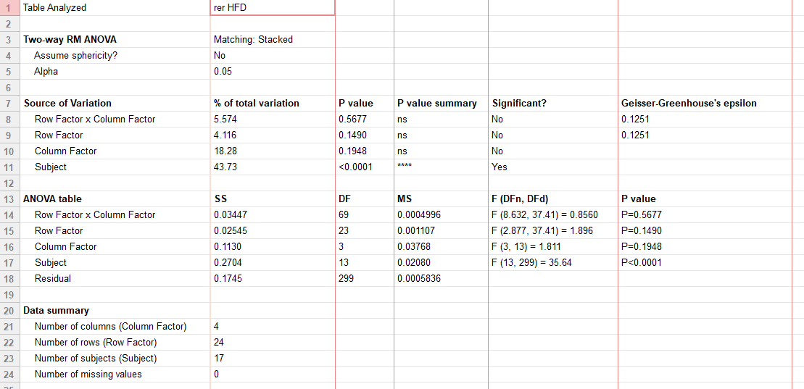
figure 2j
rer |  | CON:VEH |  |  |  |  | CON:Acyl-GIP |  |  |  | AP-KO:VEH |  |  |  | AP-KO:Acyl-GIP
 | 07:00 | 0.789379 | 0.706446 | 0.71149 | 0.70265 | 0.745689 | 0.745712 | 0.723223 | 0.703804 | 0.727653 | 0.715734 | 0.870892 | 0.726113 | 0.75703 | 0.718738 | 0.775066 | 0.845576 | 0.711658
 |  | 0.741517 | 0.737903 | 0.732957 | 0.712195 | 0.752057 | 0.723714 | 0.706146 | 0.703041 | 0.700081 | 0.732939 | 0.797485 | 0.721388 | 0.737374 | 0.732913 | 0.759907 | 0.81067 | 0.731723
 |  | 0.760858 | 0.724396 | 0.724071 | 0.708074 | 0.707725 | 0.71924 | 0.708168 | 0.733224 | 0.715426 | 0.741198 | 0.761584 | 0.746449 | 0.743383 | 0.712481 | 0.779422 | 0.889986 | 0.731606
 |  | 0.738578 | 0.717743 | 0.729688 | 0.707363 | 0.690235 | 0.731287 | 0.713062 | 0.710153 | 0.701235 | 0.736101 | 0.752188 | 0.728706 | 0.697808 | 0.724752 | 0.795231 | 0.818063 | 0.734491
 |  | 0.74999 | 0.732303 | 0.728462 | 0.729122 | 0.730094 | 0.731085 | 0.726794 | 0.717742 | 0.71489 | 0.744871 | 0.774398 | 0.738042 | 0.724354 | 0.735529 | 0.794012 | 0.763935 | 0.727786
 |  | 0.748031 | 0.7279 | 0.725807 | 0.708616 | 0.754365 | 0.733054 | 0.70607 | 0.732778 | 0.8223 | 0.746392 | 0.754051 | 0.738425 | 0.736826 | 0.714388 | 0.810383 | 0.749833 | 0.736154
 |  | 0.737337 | 0.732894 | 0.723276 | 0.717968 | 0.715214 | 0.748101 | 0.719432 | 0.709534 | 0.715674 | 0.730577 | 0.746322 | 0.739374 | 0.725059 | 0.72751 | 0.796821 | 0.773476 | 0.733541
 |  | 0.748474 | 0.721575 | 0.731295 | 0.74196 | 0.723658 | 0.726602 | 0.713162 | 0.725274 | 0.725597 | 0.732692 | 0.75583 | 0.753815 | 0.741278 | 0.718251 | 0.78673 | 0.843797 | 0.745488
 |  | 0.777357 | 0.71123 | 0.712916 | 0.710103 | 0.709166 | 0.745009 | 0.730358 | 0.708186 | 0.716026 | 0.735893 | 0.74452 | 0.722545 | 0.711708 | 0.722747 | 0.847784 | 0.764963 | 0.731617
 |  | 0.736517 | 0.736526 | 0.745199 | 0.729102 | 0.722039 | 0.724019 | 0.707528 | 0.712183 | 0.712826 | 0.737044 | 0.739551 | 0.736636 | 0.72393 | 0.72555 | 0.850665 | 0.779491 | 0.726623
 |  | 0.803271 | 0.734305 | 0.722209 | 0.738678 | 0.748492 | 0.741883 | 0.711319 | 0.72708 | 0.731601 | 0.751958 | 0.764862 | 0.748013 | 0.72719 | 0.729072 | 0.830498 | 0.814527 | 0.749567
 | 19:00 | 0.801095 | 0.764995 | 0.745134 | 0.728128 | 0.721492 | 0.740467 | 0.73609 | 0.733324 | 0.72243 | 0.755995 | 0.775417 | 0.748136 | 0.740735 | 0.747775 | 0.758016 | 0.769252 | 0.745612
 |  | 0.753506 | 0.737477 | 0.741962 | 0.727081 | 0.741879 | 0.730392 | 0.729658 | 0.725419 | 0.726026 | 0.734693 | 0.742687 | 0.728087 | 0.753607 | 0.730249 | 0.771471 | 0.840711 | 0.731567
 |  | 0.756785 | 0.735417 | 0.746615 | 0.728547 | 0.737569 | 0.721184 | 0.722524 | 0.72998 | 0.71677 | 0.73652 | 0.797771 | 0.721997 | 0.784772 | 0.729398 | 0.769959 | 0.909882 | 0.734593
 |  | 0.755478 | 0.761931 | 0.776394 | 0.757558 | 0.723321 | 0.73235 | 0.727055 | 0.729629 | 0.71294 | 0.746398 | 0.8905 | 0.725702 | 0.76046 | 0.72872 | 0.790932 | 0.913156 | 0.735224
 |  | 0.7452 | 0.747763 | 0.738652 | 0.722404 | 0.745631 | 0.723674 | 0.718295 | 0.723993 | 0.731478 | 0.741746 | 0.894537 | 0.724257 | 0.725817 | 0.717202 | 0.776324 | 0.852409 | 0.739568
 |  | 0.745476 | 0.75665 | 0.764235 | 0.714608 | 0.72603 | 0.706028 | 0.724394 | 0.718898 | 0.699088 | 0.731655 | 0.82357 | 0.725425 | 0.77026 | 0.737995 | 0.799539 | 0.885644 | 0.726895
 |  | 0.767939 | 0.778823 | 0.761908 | 0.735111 | 0.73143 | 0.713466 | 0.708865 | 0.720757 | 0.718198 | 0.734722 | 0.873239 | 0.719912 | 0.765925 | 0.727279 | 0.797149 | 0.893379 | 0.741578
 |  | 0.746668 | 0.756389 | 0.76508 | 0.756608 | 0.718758 | 0.720351 | 0.731188 | 0.719867 | 0.71853 | 0.733736 | 0.860155 | 0.720826 | 0.743467 | 0.730196 | 0.744592 | 0.875918 | 0.736606
 |  | 0.757836 | 0.75504 | 0.749494 | 0.741479 | 0.742626 | 0.703119 | 0.715658 | 0.724444 | 0.705289 | 0.738053 | 0.89032 | 0.716217 | 0.74584 | 0.728887 | 0.784716 | 0.87205 | 0.728528
 |  | 0.76489 | 0.752795 | 0.790867 | 0.740251 | 0.73118 | 0.716616 | 0.739731 | 0.716786 | 0.710529 | 0.731535 | 0.777839 | 0.727458 | 0.761745 | 0.731682 | 0.787488 | 0.788222 | 0.723216
 |  | 0.760216 | 0.776057 | 0.78979 | 0.728202 | 0.74359 | 0.730384 | 0.721915 | 0.723246 | 0.728965 | 0.717271 | 0.787279 | 0.717247 | 0.790121 | 0.719824 | 0.741943 | 0.772883 | 0.727442
 |  | 0.766946 | 0.734017 | 0.76345 | 0.733436 | 0.718663 | 0.718096 | 0.732464 | 0.726409 | 0.725911 | 0.728913 | 0.817046 | 0.728246 | 0.779092 | 0.728098 | 0.782657 | 0.81092 | 0.71503
 | 07:00 | 0.74568 | 0.747037 | 0.755698 | 0.768512 | 0.730429 | 0.72322 | 0.763668 | 0.721683 | 0.727522 | 0.73193 | 0.890127 | 0.731582 | 0.77014 | 0.720872 | 0.777512 | 0.895486 | 0.728693

2k
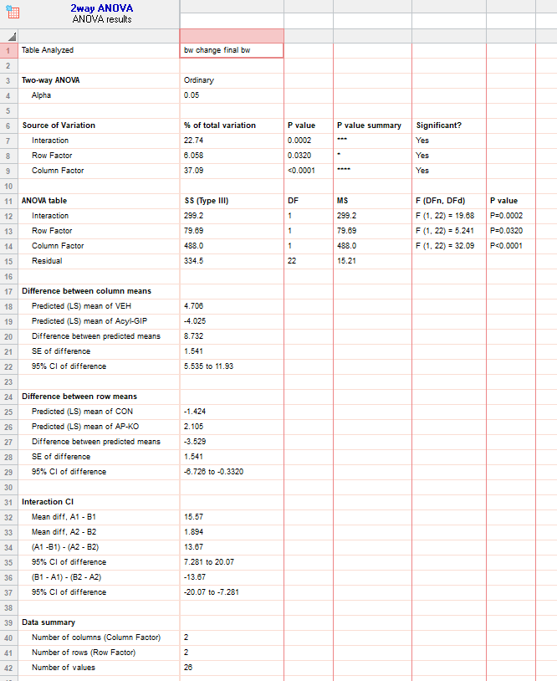
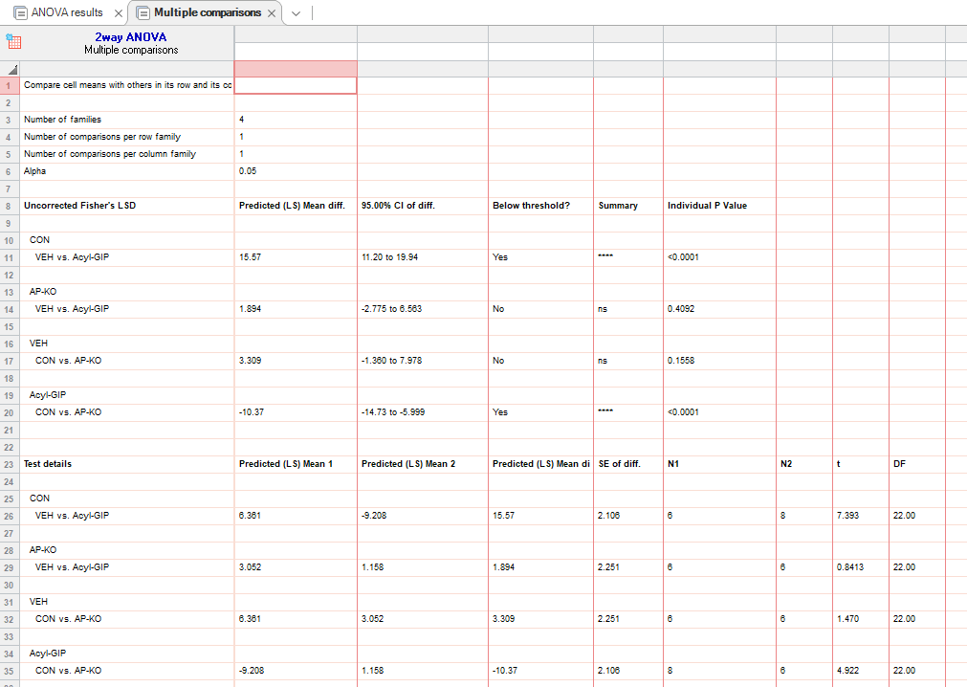
figure 2k |  |  | CON:VEH |  |  |  |  |  | CON: Acyl-GIP |  |  |  |  |  |  |  |  | AP-KO:VEH |  |  |  |  |  | AP-KO:Acyl-GIP
bw change (%) | 0 |  | 0 | 0 | 0 | 0 | 0 | 0 | 0 | 0 | 0 | 0 | 0 | 0 | 0 | 0 |  | 0 | 0 | 0 | 0 | 0 | 0 | 0 | 0 | 0 | 0 | 0 | 0
hfd | 4 |  | 2.498959 | 1.102074 | 0 | 1.6 | 4.668305 | 3.971963 | -4.50773 | -6.5308 | -2.17014 | -4.6277 | -15.1479 | -1.31234 | -3.65535 | 0 |  | -1.32325 | -0.70922 | 0 | 0.325733 | 2.204409 | 6.25 | -0.74245 | -0.50272 | -0.1557 | -2.78686 | 1.796407 | -0.65789
 | 8 |  | 2.082466 | -1.10207 | 2.5748 | 7.6 | 3.194103 | 4.205607 | -7.21237 | -5.59782 | -6.51042 | -16.197 | -2.84024 | -3.41207 | -3.91645 | -4.96084 |  | 0.823045 | -1.21951 | 0 | 5.863192 | 6.212425 | 6.25 | 2.227353 | -4.0218 | -6.77044 | 2.8954 | -0.7984 | -1.09649
 | 12 |  | 4.480834 | 2.723223 | 6.4009 | 12.4031 | 4.914005 | 7.242991 | -6.97542 | -8.08251 | -5.90418 | -14.4739 | -20.1765 | -7.34908 | -6.00522 | -4.69974 |  | 1.21951 | 1.856148 | 1.838235 | 1.875 | 6.613226 | 4.910714 | 5.812897 | 1.00998 | 3.43416 | 1.59642 | -1.39721 | -3.50877

 | day 12 |  | VEH |  |  |  |  |  |  | Acyl-GIP
 |  | CON | 4.480834 | 2.723223 | 6.4009 | 12.4031 | 4.914005 | 7.242991 |  | -6.97542 | -8.08251 | -5.90418 | -14.4739 | -20.1765 | -7.34908 | -6.00522 | -4.69974
 |  | AP-KO | 1.21951 | 1.856148 | 1.838235 | 1.875 | 6.613226 | 4.910714 |  | 5.812897 | 1.00998 | 3.43416 | 1.59642 | -1.39721 | -3.50877

2l
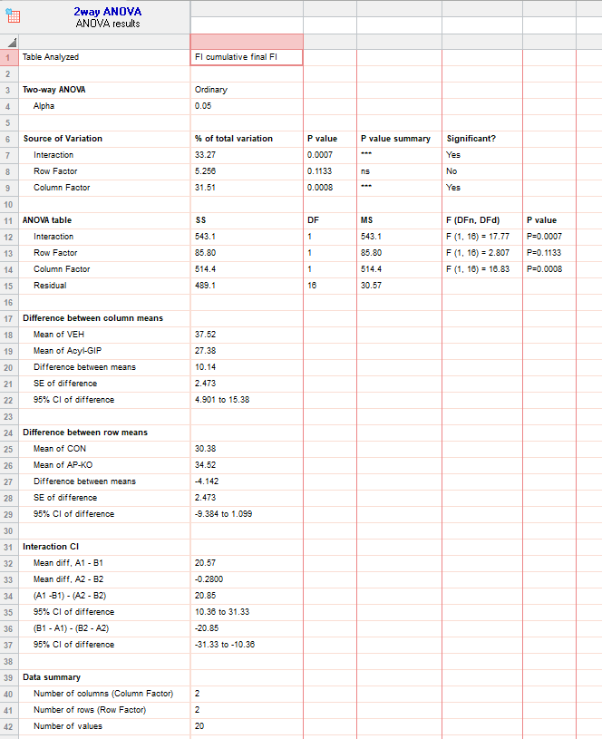
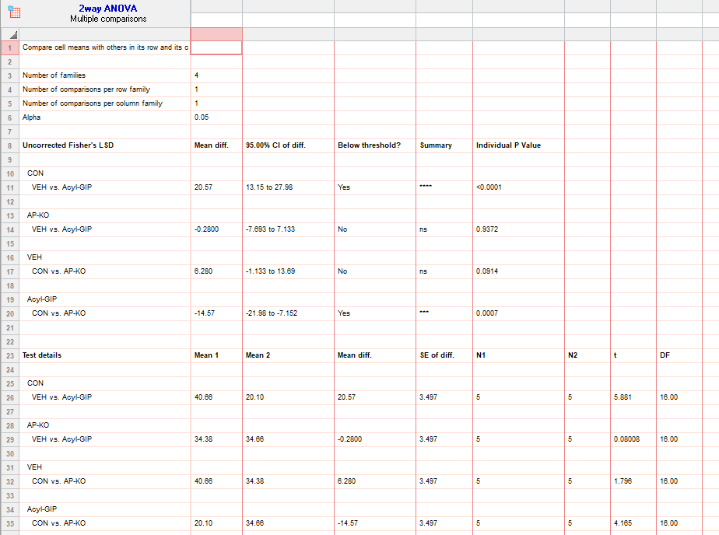
figure 2l |  | CON:VEH |  |  |  |  |  | CON: Acyl-GIP |  |  |  |  |  | AP-KO:VEH |  |  |  |  | AP-KO:Acyl-GIP
food intake (HFD_g) | 0 | 0 | 0 | 0 | 0 | 0 |  | 0 | 0 | 0 | 0 | 0 |  | 0 | 0 | 0 | 0 | 0 | 0 | 0 | 0 | 0 | 0
 | 4 | 12.6 | 16.4 | 18.2 | 14 | 15.05 |  | 5.3 | 3 | 1.4 | 6 | 5.1 |  | 11 | 16.9 | 14.7 | 16 | 12.45 | 10 | 11 | 14 | 10.8 | 10.1
 | 8 | 24.4 | 28.8 | 28.4 | 23.2 | 28.5 |  | 9.25 | 10.6 | 14 | 15.6 | 9.925 |  | 19.2 | 26.2 | 22.1 | 25.2 | 23.55 | 26.2 | 20.8 | 26.2 | 21 | 19.93333
 | 12 | 37.6 | 41.4 | 47.6 | 36.4 | 40.3 |  | 11.8 | 23.6 | 28.4 | 21.8 | 14.875 |  | 29.8 | 44.9 | 28.7 | 32.2 | 36.3 | 38.8 | 32.8 | 38.8 | 32.4 | 30.5

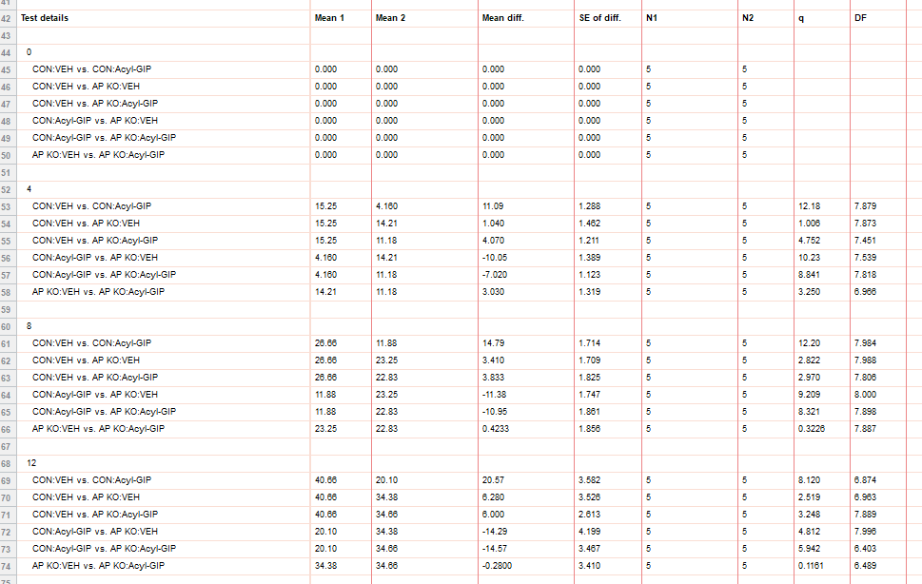
 |  |  | VEH |  |  |  |  |  | Acyl-GIP
 | day 12 | CON | 37.6 | 41.4 | 47.6 | 36.4 | 40.3 |  | 11.8 | 23.6 | 28.4 | 21.8 | 14.875
 |  | AP-KO | 29.8 | 44.9 | 28.7 | 32.2 | 36.3 |  | 38.8 | 32.8 | 38.8 | 32.4 | 30.5

2m
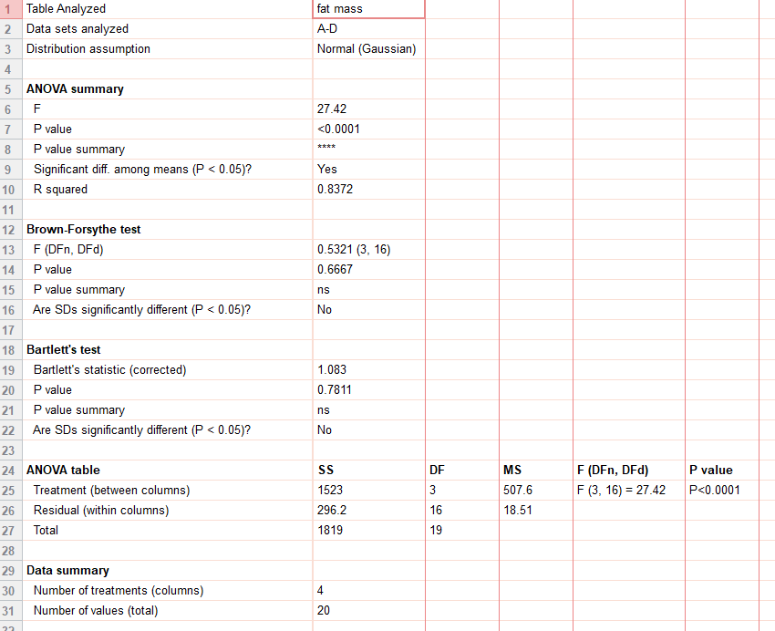
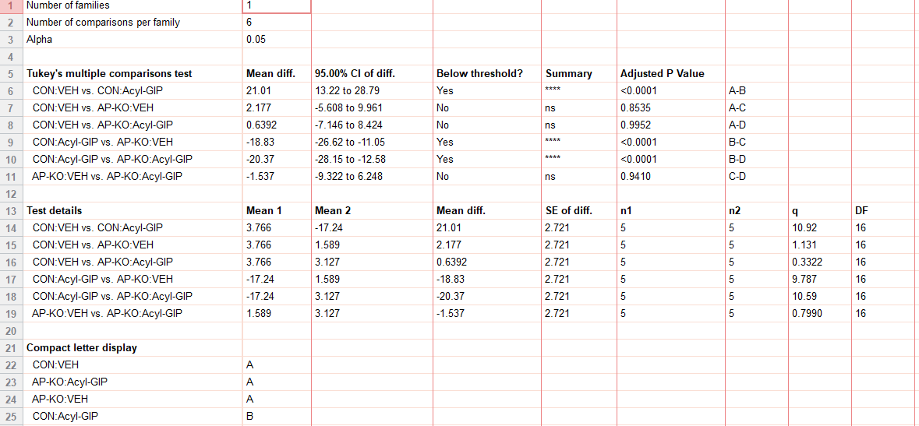
figure 2m
delta fat mass (%) | CON:VEH | CON:Acyl-GIP | AP-KO:VEH | AP-KO:Acyl-GIP
hfd | -0.96111 | -22.5878 | -2.12332 | 7.809672
 | 4.96979 | -22.758 | -3.05672 | 7.3118
 | 7.095208 | -14.6481 | 5.633803 | 4.15166
 | 3.507014 | -12.3788 | 1.769042 | -0.8982
 | 4.21875 | -13.83202 | 5.724299 | -2.74151

