e1a
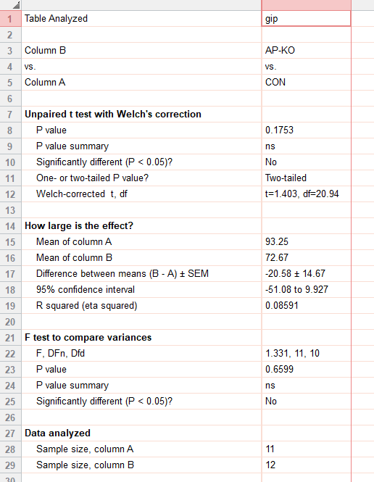
ext_figure 1a
plasma gip (pg/ml) | CON | AP-KO
std chow | 148.479257 | 143.322696
 | 83.5830111 | 80.4968441
 | 135.074379 | 106.226357
 | 67.1277788 | 63.0156331
 | 68.1559191 | 66.0996801
 | 44.5191935 | 87.6984832
 | 83.5830111 | 114.465306
 | 74.3256333 | 77.5874255
 | 131.692206 | 32.7682567
 | 103.091651 | 14.5588679
 | 86.097404 | 59.4751181
 |  | 26.3459352

e1b
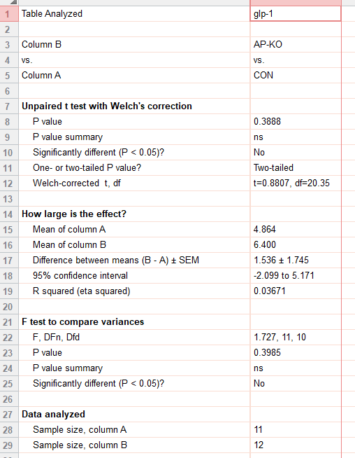
ext_figure 1b
plasma total glp-1 (pg/ml) | CON | AP-KO
std chow | 2.3 | 1.3
 | 2 | 1.3
 | 1.3 | 7.8
 | 2.4 | 6.1
 | 4.5 | 3.3
 | 10.3 | 13.3
 | 3.5 | 1.3
 | 5.4 | 11
 | 12.7 | 1.7
 | 3.4 | 10.9
 | 5.7 | 13.1
 |  | 5.7

e1c
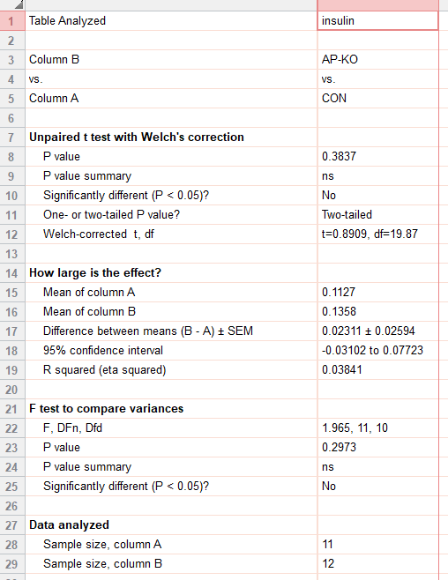
ext_figure 1c
plasma insulin (ug/l) | CON | AP-KO
std chow | 0.07 | 0.07
 | 0.08 | 0.07
 | 0.2 | 0.07
 | 0.07 | 0.09
 | 0.07 | 0.07
 | 0.07 | 0.22
 | 0.17 | 0.26
 | 0.14 | 0.17
 | 0.12 | 0.13
 | 0.07 | 0.2
 | 0.18 | 0.21
 |  | 0.07

e1d
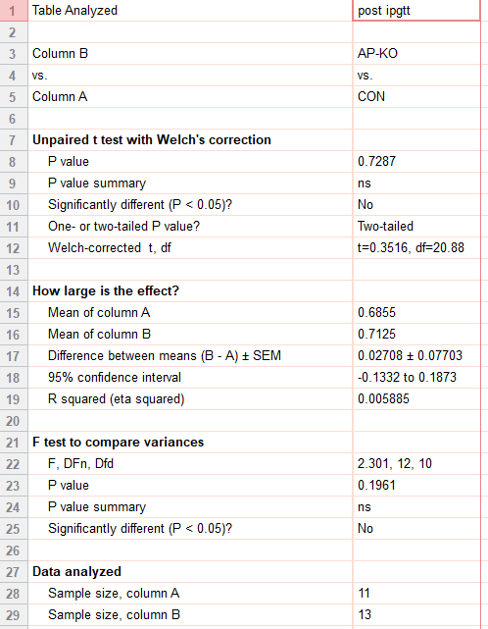
ext_figure 1d
food intake (stdchow_g) post ipgtt | CON | AP-KO
 | 0.716 | 0.895
 | 0.632 | 0.822
 | 0.356 | 0.425
 | 0.838 | 0.888
 | 0.59 | 1.128
 | 0.729 | 0.878
 | 0.769 | 0.882
 | 0.544 | 0.748
 | 0.727 | 0.523
 | 0.891 | 0.478
 | 0.748 | 0.594
 |  | 0.62
 |  | 0.382

e1e
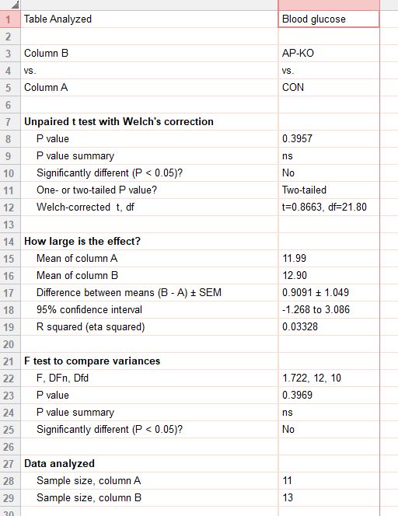
ext_figure 1e
ad lid fed blood glucose (mmol/l) | CON | AP-KO
std chow | 16.3 | 13.7
 | 14.9 | 20.3
 | 12.4 | 14.4
 | 11.4 | 14.1
 | 13.3 | 12.6
 | 12.8 | 12.8
 | 9.6 | 13.4
 | 9.9 | 10.6
 | 10.8 | 9.2
 | 11.2 | 11.9
 | 9.3 | 14.8
 |  | 10.8
 |  | 9.1

e1f
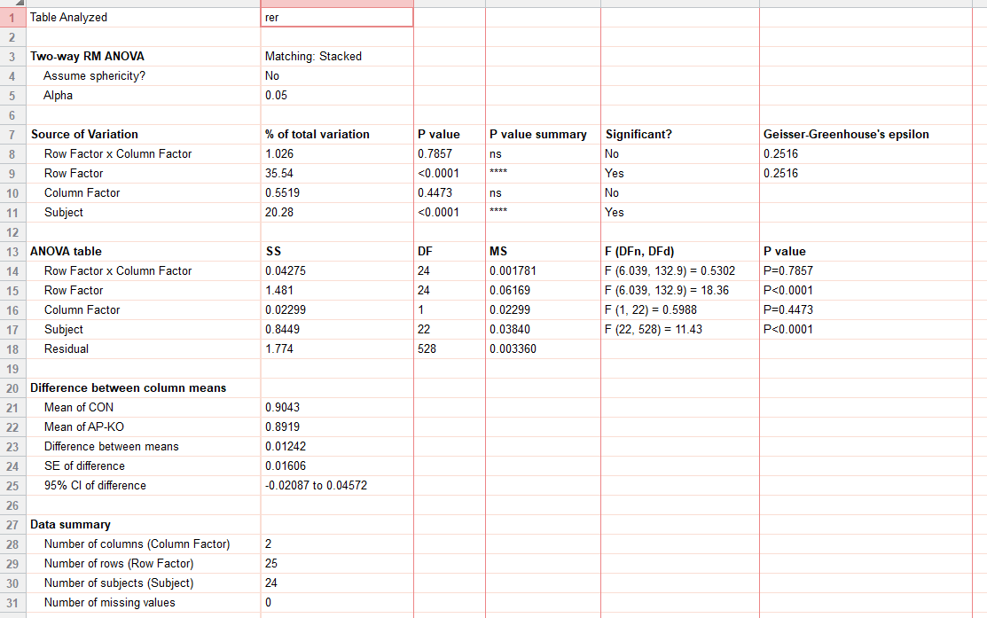
ext_figure 1f
rer | CON |  |  |  |  |  |  |  |  |  |  |  | ap-ko
std chow | 07:00 | 0 | 0 | 0 | 0 | 0 | 0 | 0 | 0 | 0 | 0 |  | 0 | 0 | 0 | 0 | 0 | 0 | 0 | 0 | 0 | 0 | 0 | 0
 |  | 0.895623 | 0.778154 | 0.973272 | 0.939446 | 0.824524 | 0.892919 | 0.888313 | 0.962777 | 0.748783 | 0.878087 | 0.88803 | 0.915362 | 0.886806 | 0.920661 | 0.775585 | 0.79544 | 0.719766 | 0.925572 | 0.944827 | 0.81129 | 0.80151 | 0.890652 | 0.795654 | 0.915084
 |  | 0.909881 | 0.770118 | 0.990853 | 0.888126 | 0.814549 | 0.948735 | 0.909473 | 0.827619 | 0.743915 | 0.912876 | 0.923538 | 0.899565 | 0.823905 | 0.925685 | 0.715947 | 0.775061 | 0.79454 | 0.971348 | 0.937177 | 0.839129 | 0.89729 | 0.84135 | 0.819006 | 0.952545
 |  | 0.815908 | 0.746746 | 0.999623 | 0.845434 | 0.837235 | 0.894023 | 0.818194 | 0.842594 | 0.805748 | 0.953027 | 0.904873 | 0.92967 | 0.929595 | 0.910188 | 0.718289 | 0.783755 | 0.922545 | 0.937049 | 1.002116 | 0.870271 | 0.755145 | 0.879229 | 0.867365 | 0.929813
 |  | 0.799644 | 0.761503 | 1.028695 | 0.81047 | 0.785692 | 0.878084 | 0.812193 | 0.911079 | 0.858095 | 0.889224 | 0.79299 | 0.936435 | 0.93521 | 0.951446 | 0.739691 | 0.877529 | 0.901139 | 0.927197 | 0.968645 | 0.875182 | 0.7933 | 0.784882 | 0.796697 | 0.830545
 |  | 0.805342 | 0.791122 | 1.028336 | 0.908007 | 0.759453 | 0.882534 | 0.760761 | 0.829723 | 0.820424 | 0.835451 | 0.745326 | 0.926873 | 0.85304 | 0.954886 | 0.728376 | 0.842594 | 0.835168 | 0.854008 | 0.855487 | 0.823804 | 0.78449 | 0.726717 | 0.779895 | 0.765207
 |  | 0.75767 | 0.783995 | 1.024315 | 0.845449 | 0.762704 | 0.881356 | 0.794783 | 0.833721 | 0.810692 | 0.80748 | 0.728929 | 0.914228 | 0.848062 | 0.979382 | 0.764998 | 0.827942 | 0.777152 | 0.941424 | 0.790002 | 0.740084 | 0.954282 | 0.73479 | 0.792777 | 0.745872
 |  | 0.77427 | 0.770159 | 1.015389 | 0.828774 | 0.81946 | 0.840312 | 0.777226 | 0.798666 | 0.927978 | 0.811513 | 0.788239 | 0.921901 | 0.882941 | 0.911812 | 0.766346 | 0.835417 | 0.772101 | 0.944715 | 0.811469 | 0.742465 | 0.918494 | 0.73921 | 0.77405 | 0.785283
 |  | 0.784819 | 0.816389 | 1.005344 | 0.812575 | 0.783816 | 0.898309 | 0.840444 | 0.772047 | 0.885371 | 0.81615 | 0.835448 | 0.891343 | 0.856647 | 0.918952 | 0.731972 | 0.791045 | 0.909022 | 0.868679 | 0.822884 | 0.838174 | 0.878662 | 0.776672 | 0.772613 | 0.737934
 |  | 0.823151 | 0.774732 | 1.012413 | 0.895113 | 0.818686 | 0.901047 | 0.787048 | 0.837287 | 0.859294 | 0.78911 | 0.770874 | 0.907746 | 0.795365 | 0.98022 | 0.755276 | 0.803683 | 0.899974 | 0.831768 | 0.784924 | 0.847685 | 0.887893 | 0.724288 | 0.735944 | 0.775283
 |  | 0.781961 | 0.823766 | 0.990238 | 0.925151 | 0.9097 | 0.845883 | 0.854872 | 0.88736 | 0.957515 | 0.838549 | 0.807316 | 0.910896 | 0.902956 | 0.990767 | 0.848298 | 0.772653 | 0.924873 | 0.801675 | 0.820811 | 0.799989 | 0.770514 | 0.769434 | 0.80608 | 0.834715
 |  | 0.882033 | 0.868123 | 0.97464 | 0.942302 | 0.907826 | 0.80116 | 0.806179 | 0.985417 | 0.908545 | 0.820374 | 0.863551 | 0.932607 | 0.859556 | 1.000363 | 0.869275 | 0.788056 | 0.900569 | 0.765404 | 0.857238 | 0.815067 | 0.855348 | 0.742306 | 0.760969 | 0.82746
 |  | 0.954883 | 0.907825 | 1.007184 | 0.980909 | 0.850442 | 0.838112 | 0.815772 | 0.945275 | 0.965157 | 0.817826 | 0.900017 | 0.99633 | 0.916271 | 1.037394 | 0.961483 | 0.820782 | 0.863076 | 0.821247 | 0.832825 | 0.838918 | 0.839751 | 0.800456 | 0.807768 | 0.899127
 | 19:00 | 0.991277 | 0.972138 | 1.015532 | 1.011737 | 0.961919 | 0.885186 | 0.953478 | 0.983812 | 1.014564 | 0.934962 | 0.891502 | 0.997738 | 1.016754 | 1.019936 | 0.990794 | 0.929583 | 0.78108 | 0.969854 | 0.932117 | 0.866239 | 0.926315 | 0.890308 | 0.820282 | 0.892701
 |  | 1.020773 | 0.977863 | 0.999251 | 0.998845 | 0.972932 | 0.947405 | 1.027909 | 0.943904 | 1.021169 | 0.968391 | 0.89057 | 0.99219 | 1.031075 | 1.02277 | 0.993517 | 0.94736 | 0.741219 | 0.999692 | 1.018439 | 0.845795 | 0.945861 | 0.978287 | 0.899225 | 0.935282
 |  | 1.001921 | 0.995672 | 1.012099 | 1.039874 | 0.964834 | 0.961512 | 1.033248 | 0.885934 | 1.001024 | 0.993063 | 0.908404 | 0.98863 | 1.039732 | 1.005288 | 1.0107 | 0.948386 | 0.890477 | 0.998889 | 1.030189 | 0.808932 | 1.000312 | 0.96183 | 0.876433 | 0.861934
 |  | 1.006478 | 1.002055 | 1.026973 | 1.030519 | 0.97162 | 0.967818 | 1.060835 | 0.897108 | 0.92753 | 1.020633 | 0.959368 | 0.993107 | 1.030871 | 0.993342 | 0.997275 | 0.910302 | 0.970306 | 1.006605 | 1.032405 | 0.86399 | 0.96399 | 0.999458 | 0.928063 | 0.95854
 |  | 1.030206 | 1.028124 | 1.008092 | 1.032627 | 0.942586 | 0.977599 | 1.05735 | 0.822896 | 0.839118 | 0.981493 | 0.964162 | 1.004168 | 1.021493 | 0.964572 | 0.998353 | 0.924843 | 0.987857 | 0.994404 | 1.030681 | 0.929601 | 0.971839 | 0.992294 | 0.85352 | 0.937164
 |  | 0.996413 | 1.000936 | 1.012922 | 1.019595 | 0.93158 | 0.968322 | 1.048089 | 0.899104 | 0.86878 | 0.97117 | 0.869879 | 0.989999 | 1.036017 | 0.998526 | 1.019683 | 0.929431 | 0.954519 | 0.985593 | 0.960765 | 0.943786 | 0.947915 | 0.982312 | 0.913283 | 0.911711
 |  | 1.020144 | 1.01791 | 1.008322 | 1.012332 | 0.882204 | 0.912181 | 1.034269 | 0.925146 | 0.987872 | 1.022555 | 0.851441 | 0.955349 | 1.005818 | 1.021931 | 1.001491 | 0.938226 | 0.93034 | 0.983315 | 0.981325 | 0.928571 | 0.795492 | 0.893714 | 0.894982 | 0.969471
 |  | 0.981154 | 0.982633 | 0.968988 | 0.926353 | 0.807849 | 0.800886 | 1.030379 | 0.895746 | 0.943817 | 1.021908 | 0.954225 | 0.943908 | 0.960299 | 0.983078 | 0.94922 | 0.882826 | 0.92538 | 0.991513 | 0.98318 | 0.939662 | 0.823562 | 0.883999 | 0.741218 | 0.912962
 |  | 0.968458 | 0.916087 | 0.846888 | 0.990707 | 0.922954 | 0.845483 | 1.056194 | 0.82191 | 0.851854 | 0.995313 | 0.883745 | 0.909925 | 0.888932 | 0.927976 | 0.842264 | 0.949496 | 0.969086 | 0.9587 | 0.840433 | 0.966951 | 0.792383 | 0.960097 | 0.837783 | 0.832347
 |  | 0.968466 | 0.910466 | 0.856583 | 0.952089 | 0.923924 | 0.913461 | 0.987632 | 0.838355 | 0.879793 | 0.975977 | 0.812011 | 0.948599 | 0.941015 | 0.901414 | 0.7981 | 0.926866 | 0.975691 | 0.941651 | 0.944523 | 0.945329 | 0.732585 | 0.917567 | 0.856583 | 0.817422
 |  | 0.906323 | 0.89067 | 0.932776 | 0.874653 | 0.887851 | 0.880871 | 0.938027 | 0.946055 | 0.967442 | 0.992253 | 0.779238 | 0.973106 | 0.970244 | 0.975373 | 0.854905 | 0.917395 | 0.973556 | 0.961455 | 0.986323 | 0.95493 | 0.779448 | 0.844851 | 0.869169 | 0.835757
 | 7:00:00 | 0.876591 | 0.883561 | 0.954509 | 0.785461 | 0.916517 | 0.925204 | 0.933165 | 0.973691 | 0.929034 | 0.950043 | 0.83481 | 0.943262 | 0.952906 | 0.990817 | 0.771872 | 0.914766 | 0.964103 | 0.966789 | 0.857721 | 0.967744 | 0.741019 | 0.843816 | 0.922722 | 0.916022

e1g
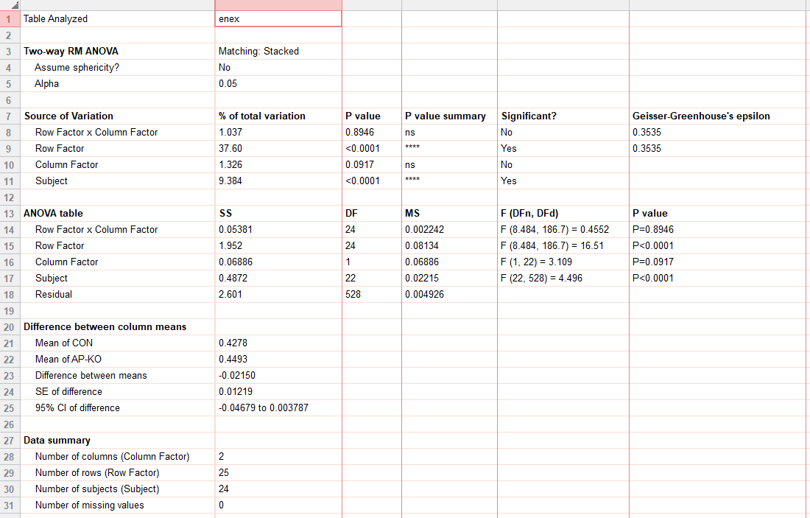
ext_figure 1g
energy_ex | CON |  |  |  |  |  |  |  |  |  |  |  | ap-ko
std chow | 07:00 | 0.383755 | 0.361471 | 0.385824 | 0.428437 | 0.374461 | 0.392154 | 0.380538 | 0.449933 | 0.311961 | 0.344536 | 0.452293 | 0.443716 | 0.374715 | 0.38496 | 0.557434 | 0.351979 | 0.384663 | 0.409919 | 0.396329 | 0.325788 | 0.366379 | 0.343584 | 0.411722 | 0.355057
 |  | 0.484132 | 0.410725 | 0.3018 | 0.347257 | 0.413102 | 0.488428 | 0.431445 | 0.342977 | 0.325797 | 0.38259 | 0.560313 | 0.455558 | 0.456065 | 0.387573 | 0.335189 | 0.3293 | 0.565421 | 0.458387 | 0.389223 | 0.379106 | 0.4785 | 0.364379 | 0.409636 | 0.527774
 |  | 0.311853 | 0.349255 | 0.429091 | 0.35712 | 0.376838 | 0.380587 | 0.331055 | 0.370227 | 0.466206 | 0.416146 | 0.54675 | 0.404822 | 0.470879 | 0.501267 | 0.344395 | 0.39675 | 0.501765 | 0.423466 | 0.554705 | 0.323743 | 0.349717 | 0.426071 | 0.413997 | 0.50604
 |  | 0.305428 | 0.38773 | 0.308506 | 0.341488 | 0.34883 | 0.373319 | 0.423231 | 0.497934 | 0.474197 | 0.397068 | 0.459363 | 0.448452 | 0.482728 | 0.421143 | 0.401361 | 0.365195 | 0.389271 | 0.512121 | 0.515987 | 0.417915 | 0.394258 | 0.383775 | 0.380216 | 0.349772
 |  | 0.386869 | 0.430244 | 0.426984 | 0.488603 | 0.336762 | 0.44558 | 0.29608 | 0.334952 | 0.289565 | 0.391749 | 0.356652 | 0.43388 | 0.359264 | 0.409708 | 0.325974 | 0.311586 | 0.445464 | 0.391273 | 0.396411 | 0.443902 | 0.40781 | 0.328871 | 0.368985 | 0.337306
 |  | 0.313068 | 0.414581 | 0.302892 | 0.334629 | 0.373047 | 0.360602 | 0.326488 | 0.412943 | 0.366677 | 0.324521 | 0.321551 | 0.356917 | 0.449106 | 0.378646 | 0.338796 | 0.390907 | 0.408455 | 0.488954 | 0.327206 | 0.323577 | 0.425458 | 0.321602 | 0.333619 | 0.302328
 |  | 0.365138 | 0.351492 | 0.399473 | 0.340775 | 0.437506 | 0.382963 | 0.293221 | 0.346392 | 0.408739 | 0.325129 | 0.444219 | 0.396346 | 0.347083 | 0.397529 | 0.456674 | 0.347748 | 0.453538 | 0.415009 | 0.382944 | 0.305642 | 0.32981 | 0.301839 | 0.311554 | 0.41413
 |  | 0.307603 | 0.472521 | 0.36642 | 0.339764 | 0.334962 | 0.439312 | 0.378498 | 0.313151 | 0.290753 | 0.389555 | 0.393943 | 0.460414 | 0.438003 | 0.426505 | 0.32672 | 0.310786 | 0.441205 | 0.385352 | 0.409437 | 0.470752 | 0.328949 | 0.427102 | 0.379491 | 0.30166
 |  | 0.427747 | 0.332977 | 0.344192 | 0.386524 | 0.415809 | 0.372506 | 0.290441 | 0.361936 | 0.32487 | 0.304677 | 0.299988 | 0.380073 | 0.357379 | 0.407002 | 0.387223 | 0.370901 | 0.449271 | 0.389745 | 0.31922 | 0.32564 | 0.426506 | 0.305047 | 0.304172 | 0.315378
 |  | 0.289713 | 0.491609 | 0.399362 | 0.338223 | 0.349186 | 0.340983 | 0.401809 | 0.361471 | 0.367566 | 0.41576 | 0.359234 | 0.435826 | 0.409118 | 0.476511 | 0.430506 | 0.340191 | 0.593485 | 0.470793 | 0.383143 | 0.307841 | 0.366032 | 0.381102 | 0.387586 | 0.312001
 |  | 0.474331 | 0.4348 | 0.377592 | 0.443476 | 0.37864 | 0.38226 | 0.309375 | 0.367388 | 0.377918 | 0.292005 | 0.308157 | 0.481767 | 0.390304 | 0.459017 | 0.498988 | 0.364427 | 0.383272 | 0.403456 | 0.404952 | 0.416368 | 0.387836 | 0.298026 | 0.300489 | 0.416693
 | 19:00:00 | 0.373694 | 0.482028 | 0.504233 | 0.389272 | 0.425274 | 0.450325 | 0.31921 | 0.427931 | 0.407631 | 0.361332 | 0.46228 | 0.514284 | 0.494995 | 0.448963 | 0.417175 | 0.464987 | 0.474271 | 0.513656 | 0.371411 | 0.34992 | 0.407967 | 0.415696 | 0.442362 | 0.369508
 |  | 0.545831 | 0.652592 | 0.603098 | 0.549915 | 0.584918 | 0.50164 | 0.501187 | 0.514734 | 0.607007 | 0.427383 | 0.380808 | 0.666526 | 0.652917 | 0.670078 | 0.702833 | 0.501483 | 0.537135 | 0.619885 | 0.576432 | 0.50698 | 0.531695 | 0.537964 | 0.338415 | 0.515942
 |  | 0.558939 | 0.568539 | 0.58058 | 0.522025 | 0.582639 | 0.571917 | 0.455544 | 0.47951 | 0.587303 | 0.532535 | 0.632216 | 0.621652 | 0.63393 | 0.713822 | 0.717131 | 0.609205 | 0.421643 | 0.497028 | 0.532225 | 0.529187 | 0.555809 | 0.541817 | 0.496581 | 0.592987
 |  | 0.573873 | 0.577056 | 0.407725 | 0.518582 | 0.441966 | 0.48253 | 0.424727 | 0.495071 | 0.574867 | 0.451525 | 0.628515 | 0.519395 | 0.502561 | 0.647185 | 0.673085 | 0.581409 | 0.644302 | 0.526192 | 0.594254 | 0.516033 | 0.504477 | 0.406143 | 0.462369 | 0.410394
 |  | 0.335042 | 0.424853 | 0.53989 | 0.565898 | 0.564945 | 0.475987 | 0.414441 | 0.454357 | 0.387256 | 0.536834 | 0.561247 | 0.488432 | 0.520174 | 0.626053 | 0.629407 | 0.397307 | 0.690691 | 0.4961 | 0.571909 | 0.539399 | 0.35232 | 0.574123 | 0.494674 | 0.595896
 |  | 0.604043 | 0.544153 | 0.498521 | 0.574011 | 0.41928 | 0.606392 | 0.540805 | 0.310794 | 0.411922 | 0.3623 | 0.436162 | 0.512828 | 0.535804 | 0.43283 | 0.418542 | 0.490207 | 0.678971 | 0.656865 | 0.540772 | 0.496696 | 0.519359 | 0.549793 | 0.312186 | 0.448171
 |  | 0.446381 | 0.565606 | 0.387485 | 0.396324 | 0.54543 | 0.590811 | 0.534317 | 0.509051 | 0.563637 | 0.472779 | 0.294368 | 0.601232 | 0.57878 | 0.65665 | 0.531838 | 0.485944 | 0.458452 | 0.540778 | 0.350623 | 0.4265 | 0.524382 | 0.532537 | 0.512744 | 0.427396
 |  | 0.43814 | 0.461772 | 0.453679 | 0.522405 | 0.432827 | 0.556192 | 0.421475 | 0.524774 | 0.499504 | 0.520542 | 0.392235 | 0.42213 | 0.551285 | 0.474774 | 0.746084 | 0.472877 | 0.42673 | 0.446433 | 0.556812 | 0.335047 | 0.314717 | 0.309723 | 0.461461 | 0.628349
 |  | 0.481463 | 0.585406 | 0.576899 | 0.44494 | 0.415848 | 0.472339 | 0.351256 | 0.368054 | 0.345293 | 0.496512 | 0.56518 | 0.503616 | 0.424559 | 0.524474 | 0.564051 | 0.357666 | 0.57279 | 0.504716 | 0.420635 | 0.388812 | 0.492367 | 0.413152 | 0.295741 | 0.363773
 |  | 0.387953 | 0.379729 | 0.372294 | 0.491779 | 0.510851 | 0.517513 | 0.515307 | 0.324166 | 0.307653 | 0.319673 | 0.364751 | 0.494569 | 0.393064 | 0.484826 | 0.344477 | 0.562889 | 0.545036 | 0.550165 | 0.327987 | 0.537353 | 0.354755 | 0.544957 | 0.4538 | 0.293131
 |  | 0.527594 | 0.497143 | 0.41388 | 0.483881 | 0.420811 | 0.451788 | 0.416903 | 0.314435 | 0.513499 | 0.311236 | 0.326864 | 0.498464 | 0.556202 | 0.518406 | 0.415364 | 0.366563 | 0.395498 | 0.38513 | 0.584497 | 0.360878 | 0.30391 | 0.371354 | 0.304454 | 0.330959
 |  | 0.297498 | 0.40073 | 0.483857 | 0.516871 | 0.494751 | 0.443853 | 0.336002 | 0.467528 | 0.544707 | 0.453588 | 0.296303 | 0.5614 | 0.439233 | 0.491582 | 0.664556 | 0.464611 | 0.555992 | 0.538128 | 0.527031 | 0.387018 | 0.439765 | 0.325676 | 0.536533 | 0.54954
 | 7:00:00 | 0.360712 | 0.569919 | 0.333435 | 0.392406 | 0.480404 | 0.520221 | 0.480654 | 0.450075 | 0.368653 | 0.35585 | 0.548258 | 0.449154 | 0.544561 | 0.448887 | 0.379577 | 0.530178 | 0.518043 | 0.426305 | 0.325767 | 0.501871 | 0.320764 | 0.412593 | 0.53335 | 0.535988

e1g (2)
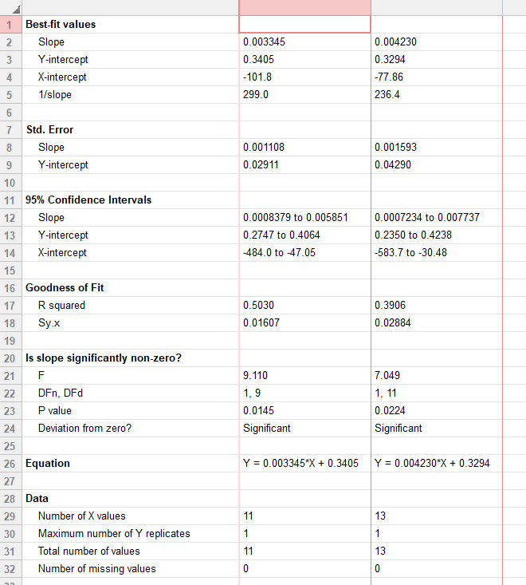
 |  | CON | AP-KO
 | 29.1 | 0.415866667
ext_figure 1g(2) | 32.1 | 0.464455458
energy_ex | 27.4 | 0.424904667
std chow | 28.4 | 0.438108542
 | 32.7 | 0.435795292
 | 27.7 | 0.45834175
 | 20.9 | 0.398917042
 | 22.8 | 0.408324333
 | 20.6 | 0.421799208
 | 20.2 | 0.399409375
 | 23 | 0.432985417
 | 31.4 |  | 0.481310542
 | 30.2 |  | 0.473446208
 | 30.6 |  | 0.491182958
 | 31.1 |  | 0.483640833
 | 25.7 |  | 0.423545667
 | 33.4 |  | 0.397306833
 | 33 |  | 0.477077333
 | 21 |  | 0.448329667
 | 22.1 |  | 0.413165333
 | 21.4 |  | 0.41181425
 | 20.4 |  | 0.409038583
 | 20.3 |  | 0.401922375
 | 23.3 |  | 0.425007208

e1h
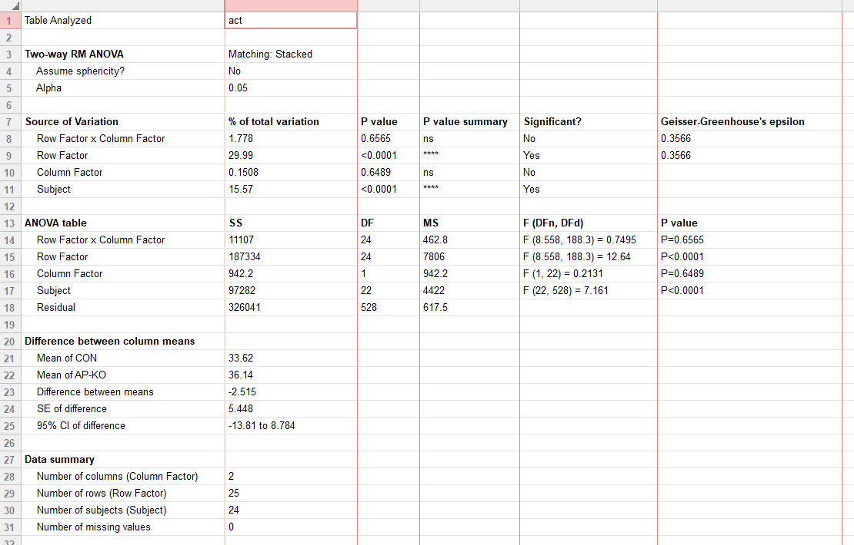
ext_figure 1h
ambulatory_act |  | CON |  |  |  |  |  |  |  |  |  |  | ap-ko
std chow | 07:00 | 16.4 | 4.2 | 30.3 | 30.9 | 8.55 | 0.8 | 61.9 | 75.55 | 8.1 | 26.95 | 8.6 | 19.3 | 2.6 | 0 | 57.1 | 5.8 | 1 | 14 | 22.05 | 13.3 | 2.8 | 7.1 | 32.6 | 0.4
 |  | 21.95 | 5.6 | 0.7 | 2.8 | 35.75 | 40.55 | 103.15 | 6.75 | 30.05 | 27.5 | 23.9 | 23.45 | 2.9 | 2.1 | 0 | 1.6 | 49.7 | 13.3 | 19.6 | 36.7 | 14.3 | 22.25 | 57.2 | 21.25
 |  | 0 | 0.1 | 18.5 | 6 | 11.15 | 2.3 | 37.85 | 15.4 | 66.85 | 62.05 | 38.55 | 11.25 | 24.2 | 25.75 | 0 | 30.8 | 54.7 | 17.95 | 105.1 | 24.9 | 0 | 52.45 | 60.2 | 31.25
 |  | 0 | 6.85 | 6 | 1.7 | 3.9 | 1 | 56.15 | 96.75 | 79.6 | 43.4 | 15.25 | 33.6 | 36.35 | 1.6 | 15.5 | 7.7 | 3.65 | 72.3 | 121.4 | 59.55 | 8.5 | 29.35 | 66.55 | 18.6
 |  | 0.6 | 17.75 | 33.5 | 33.3 | 1.25 | 41.1 | 2.5 | 12 | 1.9 | 35.85 | 1.25 | 20.25 | 0.65 | 1.2 | 1.85 | 0.8 | 14.4 | 8.95 | 46.25 | 80.55 | 9.4 | 0 | 38.85 | 4
 |  | 0 | 10.5 | 0.05 | 0 | 8.7 | 7.2 | 16.8 | 61.1 | 25.3 | 3.65 | 0 | 9.8 | 9.7 | 0 | 3 | 18.5 | 42.55 | 53.4 | 6.9 | 22.45 | 18.5 | 0 | 30.35 | 0
 |  | 1.9 | 0.3 | 20.95 | 0.1 | 45.3 | 19.6 | 12.7 | 6.3 | 54.1 | 13.6 | 24.9 | 17.65 | 0.9 | 1.45 | 40.75 | 10.3 | 4.9 | 12.6 | 28.7 | 26.85 | 0.75 | 0 | 23.45 | 19.3
 |  | 0 | 32.9 | 10.8 | 0 | 5.8 | 18.55 | 54.1 | 0.45 | 5.3 | 39.3 | 18.4 | 44.35 | 16 | 4 | 0.25 | 2.7 | 13.45 | 6.6 | 39.2 | 88.65 | 0.1 | 37.4 | 52.1 | 0
 |  | 1.95 | 0.75 | 3.15 | 14.1 | 25.25 | 0.75 | 7.25 | 16.45 | 14 | 2.65 | 0 | 11.45 | 0.2 | 0 | 7 | 14.9 | 18.35 | 9.65 | 3 | 30.55 | 10 | 8.95 | 27.1 | 2.2
 |  | 0 | 22.3 | 25.25 | 10.1 | 4.45 | 1.1 | 51.2 | 24.85 | 25.15 | 28.35 | 2.9 | 30.6 | 5.2 | 2.5 | 9.4 | 13.25 | 87.5 | 36.75 | 34.2 | 15.8 | 7.55 | 39.9 | 38.2 | 0
 |  | 6.45 | 20.85 | 12.2 | 18 | 15.45 | 1.9 | 24.55 | 26.55 | 23.9 | 1.7 | 0 | 36.1 | 8.95 | 3.8 | 22.75 | 13.75 | 7.1 | 3.4 | 18.8 | 69.2 | 10.15 | 4.9 | 17.6 | 16.2
 | 19:00:00 | 0.6 | 13.3 | 56.95 | 26 | 9.9 | 2.35 | 30.4 | 59.9 | 29.15 | 18.55 | 27.9 | 43.05 | 12.55 | 3.4 | 14.9 | 47.15 | 28.25 | 22.75 | 15.35 | 49.4 | 7.2 | 45.5 | 81.9 | 2.2
 |  | 58 | 118.4 | 134.5 | 50.5 | 54.05 | 25.45 | 88.3 | 117.5 | 94.6 | 47.3 | 6.7 | 78.2 | 45.9 | 90.85 | 106 | 66.15 | 72.5 | 80.45 | 61.2 | 78.7 | 41.05 | 72.15 | 29.8 | 28.45
 |  | 91 | 73.35 | 115.2 | 72.65 | 54.55 | 52 | 64.9 | 103.1 | 80.9 | 75.05 | 58.35 | 107.55 | 43.75 | 103.45 | 109.45 | 135.95 | 16.8 | 53.15 | 72.25 | 99.9 | 42.7 | 92.45 | 82.05 | 48.15
 |  | 68 | 61.2 | 27 | 53.5 | 23 | 17.9 | 42 | 90.5 | 86.45 | 37.05 | 59.3 | 53.2 | 43.85 | 85.1 | 100.2 | 131.95 | 81 | 63.8 | 97.8 | 104.55 | 11.1 | 37.3 | 79 | 16.9
 |  | 0.85 | 7.15 | 86.8 | 65.7 | 44.85 | 25.7 | 42.15 | 64 | 11.65 | 107.9 | 36.35 | 27.4 | 38.95 | 81.5 | 93.7 | 22.1 | 85.65 | 52.75 | 95.55 | 85.15 | 1 | 107.1 | 92.45 | 57.3
 |  | 64.75 | 32.95 | 67.65 | 68.75 | 0.45 | 62.9 | 85.85 | 5.5 | 29.15 | 39.25 | 14.35 | 37.1 | 34.65 | 0.4 | 3.35 | 58.1 | 101.25 | 104.15 | 100.15 | 85.5 | 23.3 | 92.45 | 19.3 | 23.8
 |  | 21.6 | 75.65 | 4.5 | 16.6 | 39.05 | 125.9 | 130.5 | 106.35 | 78 | 57.55 | 2.05 | 84.4 | 45.4 | 59.85 | 45.6 | 80.2 | 40.6 | 57.65 | 5.95 | 55.9 | 26 | 76.05 | 82.05 | 17.3
 |  | 24.65 | 26.15 | 33.85 | 38.9 | 17.95 | 52.4 | 61.15 | 93.9 | 70.25 | 61.25 | 10.65 | 5.45 | 39.8 | 19.75 | 106.5 | 34.2 | 8.35 | 21.95 | 75.45 | 14.5 | 0.05 | 7.75 | 122.05 | 57.85
 |  | 44.85 | 96.95 | 118.5 | 17.5 | 0.3 | 37.35 | 14.5 | 49.55 | 13.05 | 90.4 | 40.15 | 28.25 | 17.05 | 54 | 54.3 | 11.05 | 58.4 | 36.4 | 41.4 | 33.6 | 24.35 | 36.9 | 18.85 | 6.35
 |  | 11.2 | 0 | 18.25 | 54.2 | 23.1 | 31 | 101.8 | 15.2 | 2.55 | 13.4 | 8.6 | 19.9 | 2.95 | 32.4 | 0 | 99.3 | 35.9 | 42.5 | 6.05 | 90.45 | 6.65 | 76.5 | 64.5 | 0
 |  | 42.65 | 23.2 | 2.2 | 48.5 | 21.65 | 11.15 | 47.95 | 17.6 | 61 | 12.75 | 0.15 | 23.05 | 26.2 | 41.45 | 0.7 | 23.6 | 0 | 6.4 | 84.2 | 64.2 | 1.35 | 38.55 | 24.65 | 2.5
 |  | 0.15 | 21.15 | 44.55 | 52.7 | 24.35 | 10.85 | 8.6 | 86.05 | 91.85 | 56.65 | 0.85 | 49.35 | 3.6 | 29.7 | 67.8 | 47.95 | 43.9 | 69.35 | 79.8 | 62.15 | 21.1 | 18.95 | 106.2 | 53.25
 | 7:00:00 | 0.5 | 78.6 | 4.15 | 13.6 | 15.7 | 39.35 | 80.8 | 86.8 | 46.85 | 36 | 44.05 | 21.2 | 24.2 | 13.05 | 10 | 108.15 | 28.5 | 4.75 | 11.15 | 74.55 | 1.35 | 50.3 | 115.3 | 45.6

e1i
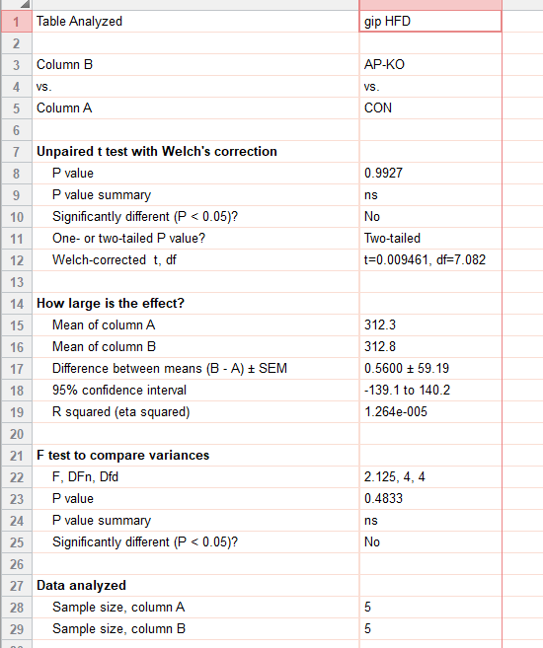
ext_figure 1i
plasma gip (pg/ml) | CON | AP-KO
hfd | 154.6 | 254.9
 | 323.1 | 270.6
 | 266.7 | 250.1
 | 440.8 | 400.9
 | 376.1 | 387.6

e1j
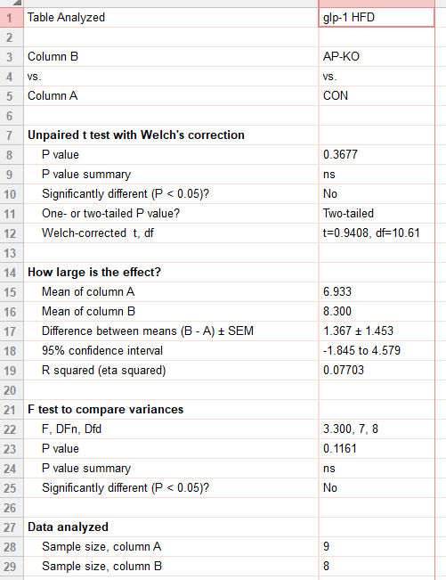
ext_figure 1j
plasma total glp-1 (pg/ml) | CON | AP-KO
hfd | 4 | 7.5
 | 5.9 | 4.7
 | 5 | 5.8
 | 5.7 | 5
 | 7.4 | 6.5
 | 8.4 | 11.7
 | 9.9 | 14.9
 | 9.4 | 10.3
 | 6.7

e1k
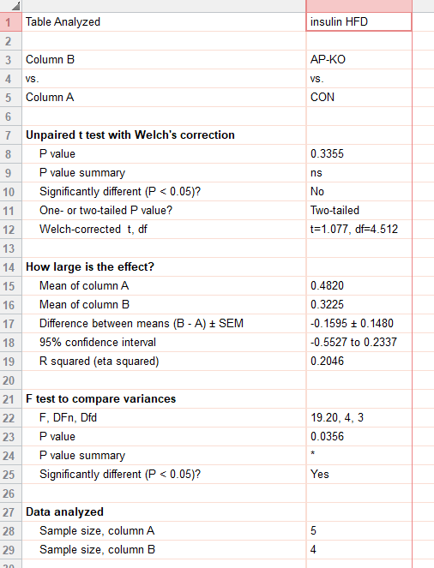
ext_figure 1k
plasma insulin (ug/l) | CON | AP-KO
hfd | 1 | 0.22
 | 0.25 | 0.32
 | 0.19 | 0.38
 | 0.44 | 0.37

e1l
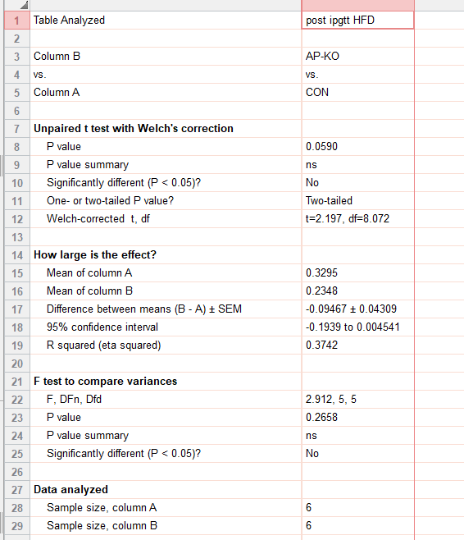
ext_figure 1l
food intake (g) post ipgtt | CON | AP-KO
hfd | 0.34 | 0.233
 | 0.34 | 0.279
 | 0.249 | 0.23
 | 0.2 | 0.19
 | 0.416 | 0.31
 | 0.432 | 0.167

e1m
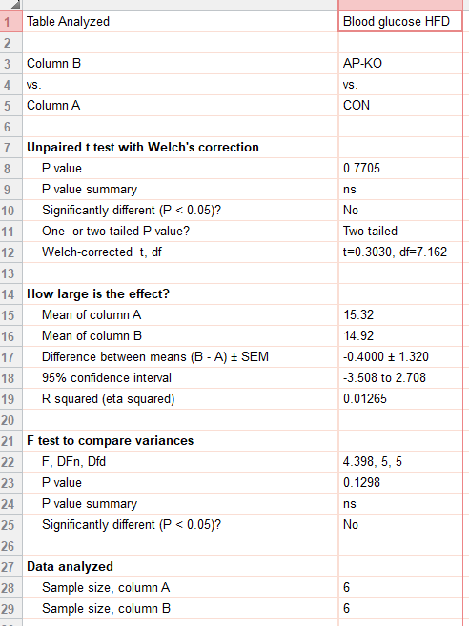
ext_figure 1m
blood glucose (mmol/l) | CON | AP-KO
hfd | 19.7 | 15
 | 16.4 | 16.7
 | 16.2 | 14
 | 15.2 | 16.4
 | 13.2 | 14.2
 | 11.2 | 13.2

e1n
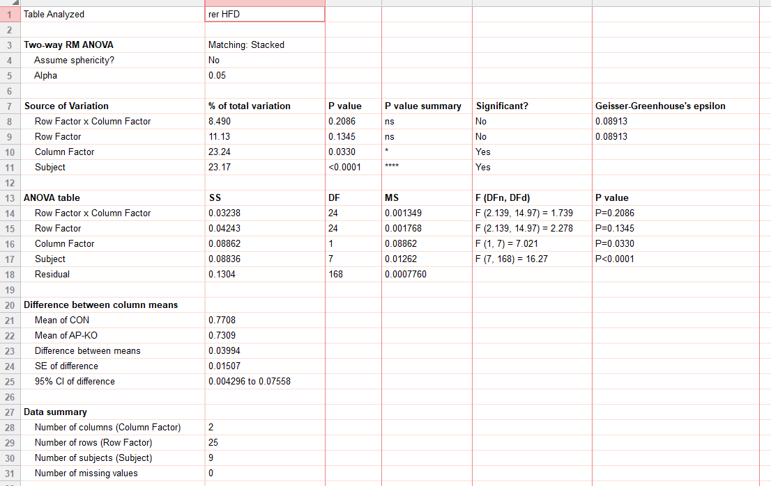
ext_figure 1n
rer |  | CON |  |  |  |  | ap-ko
hfd | 07:00 | 0.781223 | 0.852394 | 0.784447 | 0.775638 | 0.762535 | 0.772484 | 0.767925 | 0.818484 | 0.818484
 |  | 0.768652 | 0.820906 | 0.766837 | 0.759315 | 0.751719 | 0.76838 | 0.760747 | 0.797682 | 0.797682
 |  | 0.764501 | 0.806755 | 0.785084 | 0.751921 | 0.750963 | 0.759263 | 0.752176 | 0.759761 | 0.759761
 |  | 0.764333 | 0.785262 | 0.754099 | 0.750659 | 0.740352 | 0.750794 | 0.740428 | 0.736191 | 0.736191
 |  | 0.753869 | 0.756665 | 0.753597 | 0.732925 | 0.727977 | 0.741459 | 0.734855 | 0.745645 | 0.745645
 |  | 0.742993 | 0.757649 | 0.750986 | 0.733993 | 0.741416 | 0.742754 | 0.722603 | 0.719984 | 0.719984
 |  | 0.749008 | 0.761175 | 0.737122 | 0.74777 | 0.734877 | 0.740025 | 0.719792 | 0.723209 | 0.723209
 |  | 0.728155 | 0.756649 | 0.755843 | 0.751076 | 0.748524 | 0.731204 | 0.73891 | 0.718876 | 0.718876
 |  | 0.729933 | 0.731871 | 0.756984 | 0.754944 | 0.732513 | 0.721348 | 0.721379 | 0.715975 | 0.715975
 |  | 0.738912 | 0.769948 | 0.725706 | 0.757078 | 0.812433 | 0.731569 | 0.719045 | 0.731202 | 0.731202
 |  | 0.750636 | 0.750411 | 0.770306 | 0.783646 | 0.760716 | 0.742042 | 0.734668 | 0.715265 | 0.715265
 | 19:00:00 | 0.777331 | 0.794512 | 0.805336 | 0.757435 | 0.755435 | 0.747454 | 0.737005 | 0.730265 | 0.730265
 |  | 0.758719 | 0.738405 | 0.818149 | 0.770374 | 0.730233 | 0.7259 | 0.713302 | 0.713757 | 0.713757
 |  | 0.776152 | 0.775243 | 0.883365 | 0.77106 | 0.770846 | 0.765552 | 0.736208 | 0.72895 | 0.72895
 |  | 0.765271 | 0.772276 | 0.867346 | 0.744836 | 0.770631 | 0.733446 | 0.702433 | 0.721403 | 0.721403
 |  | 0.720802 | 0.778604 | 0.885964 | 0.787148 | 0.79839 | 0.718525 | 0.709977 | 0.724034 | 0.724034
 |  | 0.771993 | 0.788472 | 0.860768 | 0.733536 | 0.730497 | 0.747167 | 0.712605 | 0.71068 | 0.71068
 |  | 0.715129 | 0.782276 | 0.90874 | 0.747029 | 0.714122 | 0.724993 | 0.726085 | 0.692211 | 0.692211
 |  | 0.766558 | 0.767859 | 0.888274 | 0.74269 | 0.733198 | 0.726346 | 0.704733 | 0.703374 | 0.703374
 |  | 0.769243 | 0.723042 | 0.869075 | 0.743821 | 0.794305 | 0.735639 | 0.708515 | 0.701163 | 0.701163
 |  | 0.746975 | 0.75418 | 0.859675 | 0.788206 | 0.729033 | 0.729011 | 0.725916 | 0.731945 | 0.731945
 |  | 0.804627 | 0.752387 | 0.917523 | 0.768473 | 0.740138 | 0.739217 | 0.714378 | 0.724808 | 0.724808
 |  | 0.755625 | 0.749959 | 0.912589 | 0.765658 | 0.761003 | 0.728848 | 0.736549 | 0.72822 | 0.72822
 | 7:00:00 | 0.789379 | 0.715734 | 0.870892 | 0.726113 | 0.745712 | 0.718738 | 0.703804 | 0.723223 | 0.723223

e1o
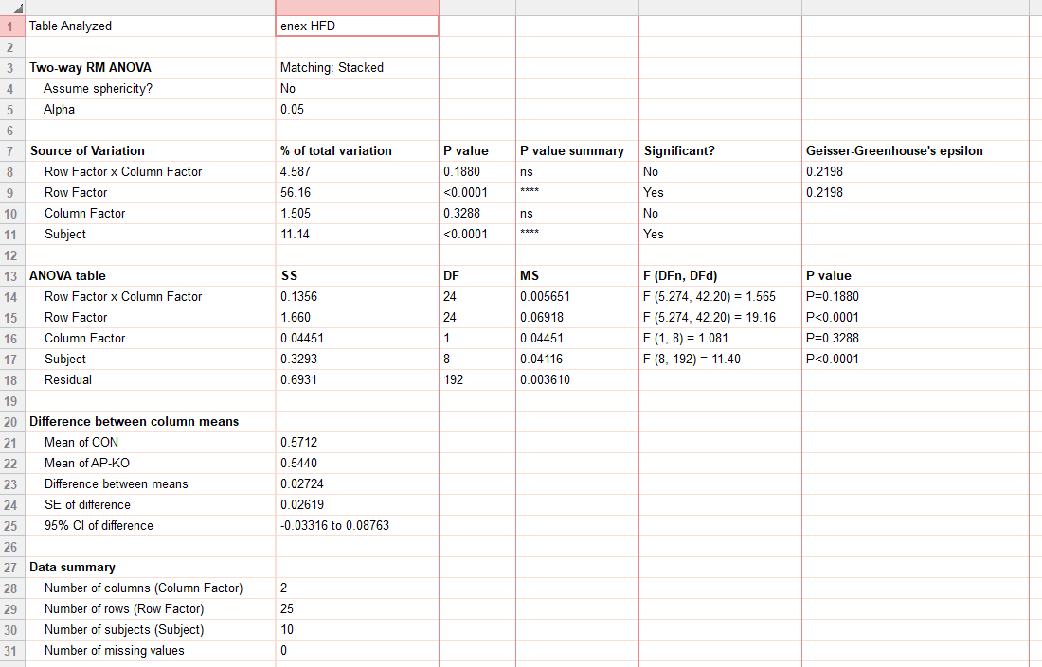
ext_figure 1o
energy_ex | CON |  |  |  |  |  |  | ap-ko
hfd | 07:00 | 0.857161 | 0.813821 | 0.62173 | 0.96761 | 0.858095 | 0.884726 | 0.787737 | 0.751914 | 0.853417 | 0.811952
 |  | 0.749697 | 0.737853 | 0.582967 | 0.784416 | 0.755619 | 0.796848 | 0.768312 | 0.680697 | 0.692918 | 0.683273
 |  | 0.698779 | 0.693722 | 0.585638 | 0.696231 | 0.690007 | 0.805929 | 0.719789 | 0.610372 | 0.629592 | 0.633084
 |  | 0.672956 | 0.593299 | 0.585656 | 0.645659 | 0.619659 | 0.61911 | 0.656872 | 0.519859 | 0.630914 | 0.591766
 |  | 0.620531 | 0.494304 | 0.509075 | 0.509706 | 0.480837 | 0.679317 | 0.543595 | 0.423809 | 0.530901 | 0.581929
 |  | 0.575465 | 0.425182 | 0.455474 | 0.489015 | 0.479969 | 0.613799 | 0.511359 | 0.436676 | 0.55524 | 0.505078
 |  | 0.575385 | 0.419474 | 0.361278 | 0.507023 | 0.442925 | 0.571274 | 0.473092 | 0.48682 | 0.536524 | 0.516629
 |  | 0.52157 | 0.421523 | 0.354888 | 0.556757 | 0.494957 | 0.545604 | 0.585688 | 0.424925 | 0.518843 | 0.52617
 |  | 0.488206 | 0.400628 | 0.486568 | 0.556912 | 0.455526 | 0.542144 | 0.459247 | 0.465659 | 0.473578 | 0.530787
 |  | 0.511354 | 0.579655 | 0.3676 | 0.481036 | 0.494468 | 0.609722 | 0.503695 | 0.405207 | 0.46812 | 0.479683
 |  | 0.546777 | 0.512382 | 0.430924 | 0.586662 | 0.616324 | 0.571423 | 0.506409 | 0.511287 | 0.535439 | 0.493514
 |  | 0.66564 | 0.639026 | 0.535936 | 0.761329 | 0.749192 | 0.627721 | 0.736074 | 0.604928 | 0.732679 | 0.574115
 | 19:00 | 0.540412 | 0.483474 | 0.522105 | 0.739637 | 0.661433 | 0.518546 | 0.594038 | 0.586508 | 0.560934 | 0.491247
 |  | 0.554887 | 0.500023 | 0.54622 | 0.697372 | 0.644583 | 0.585302 | 0.473022 | 0.533985 | 0.678122 | 0.621079
 |  | 0.697287 | 0.684363 | 0.564652 | 0.564451 | 0.65306 | 0.744311 | 0.522716 | 0.424615 | 0.49482 | 0.471155
 |  | 0.481539 | 0.606387 | 0.561807 | 0.606888 | 0.736969 | 0.705558 | 0.621359 | 0.496381 | 0.46317 | 0.437791
 |  | 0.619988 | 0.580851 | 0.530875 | 0.650288 | 0.566281 | 0.588324 | 0.427527 | 0.550389 | 0.566432 | 0.443474
 |  | 0.435716 | 0.496081 | 0.484556 | 0.540058 | 0.495279 | 0.448463 | 0.664226 | 0.448259 | 0.503861 | 0.574816
 |  | 0.535006 | 0.52479 | 0.448239 | 0.50841 | 0.584848 | 0.439828 | 0.57031 | 0.412587 | 0.424849 | 0.419215
 |  | 0.497982 | 0.437648 | 0.461066 | 0.532264 | 0.594089 | 0.422382 | 0.509084 | 0.409324 | 0.543867 | 0.428404
 |  | 0.460297 | 0.542996 | 0.511133 | 0.609508 | 0.560375 | 0.552316 | 0.615282 | 0.521698 | 0.535795 | 0.52925
 |  | 0.632931 | 0.610796 | 0.530382 | 0.425977 | 0.528096 | 0.638522 | 0.681251 | 0.43986 | 0.658695 | 0.479234
 |  | 0.48281 | 0.579939 | 0.566051 | 0.709031 | 0.474978 | 0.669088 | 0.614773 | 0.552099 | 0.515522 | 0.619898
 |  | 0.632303 | 0.408344 | 0.391358 | 0.493576 | 0.606144 | 0.590149 | 0.449277 | 0.409537 | 0.447383 | 0.454811
 | 07:00 | 0.469526 | 0.447404 | 0.397046 | 0.436364 | 0.539964 | 0.52067 | 0.471428 | 0.377147 | 0.553699 | 0.443549

e1o (2)
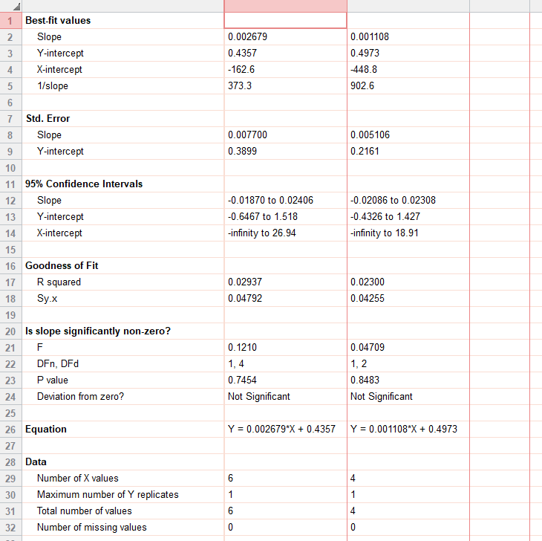
 |  | CON | AP-KO
 | 49.9 | 0.495729
ext_figure 1o inset | 47.6 | 0.545359
energy_ex | 55.4 | 0.580968
hfd | 49.8 | 0.602247
 | 52 | 0.591347
 | 48.7 | 0.611643
 | 38.9 |  | 0.578646
 | 37.5 |  | 0.499382
 | 44.2 |  | 0.564213
 | 47.9 |  | 0.533676

e1p
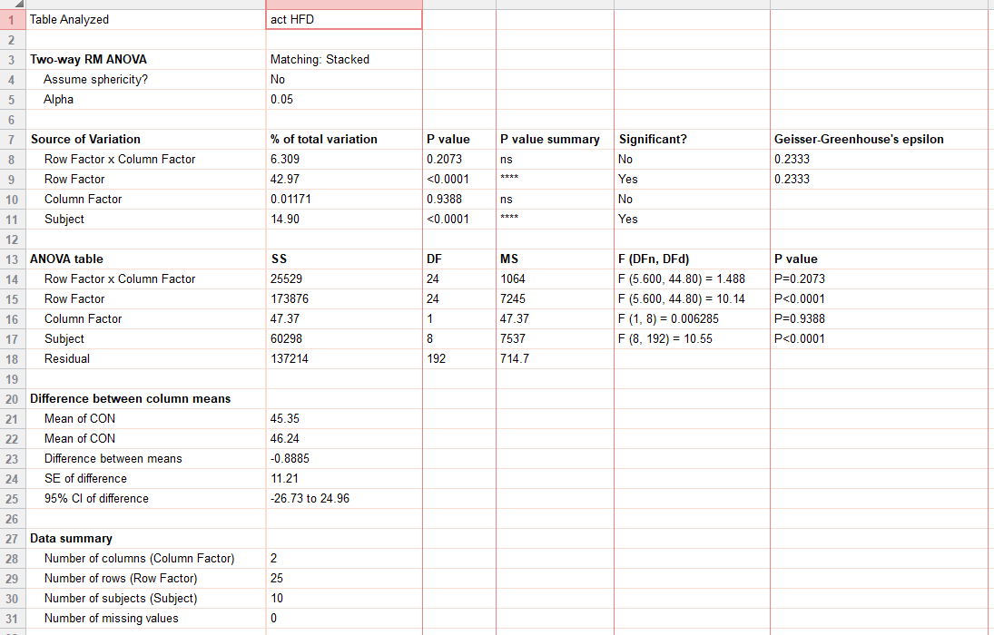
ext_figure 1h
ambulatory_act |  | CON |  |  |  |  |  | ap-ko
hfd | 07:00 | 84.42857 | 176.5714 | 173.9286 | 161.3571 | 86.28571 | 66.92857 | 133.6429 | 83.35714 | 124.5 | 112.0714
 |  | 115.4 | 126.75 | 164.25 | 145.6 | 50.45 | 84.85 | 125 | 70.6 | 104.15 | 103.05
 |  | 118.8 | 117.45 | 122.2 | 54.5 | 38.1 | 58 | 102.5 | 124.1 | 75.1 | 80.6
 |  | 108.8 | 14.95 | 125.4 | 18.5 | 13.5 | 11.6 | 89.95 | 49.1 | 100.4 | 52.65
 |  | 80.8 | 8.25 | 98.6 | 0 | 0.15 | 43.25 | 12.15 | 1.15 | 56.5 | 37.95
 |  | 50.15 | 1.45 | 54.4 | 0 | 3.2 | 15.15 | 22.6 | 28.25 | 55.7 | 20.4
 |  | 82.1 | 1.05 | 11.3 | 0.55 | 0 | 13.1 | 0.05 | 35.55 | 45.6 | 61
 |  | 13.95 | 0 | 8.8 | 3.7 | 2.1 | 9.4 | 29.7 | 17.2 | 47.65 | 66.45
 |  | 19 | 0.4 | 75 | 1.55 | 1.8 | 1.5 | 1.2 | 14.85 | 3.9 | 34.5
 |  | 26.3 | 42.2 | 15.25 | 0 | 0 | 31.95 | 9 | 7.65 | 16.75 | 4.1
 |  | 47.8 | 21.05 | 54.75 | 1.7 | 12.65 | 22.2 | 12.75 | 33.3 | 38.3 | 29.25
 |  | 102.25 | 68 | 104.65 | 37.5 | 34.65 | 49.55 | 91 | 73.1 | 106.6 | 61.95
 | 19:00 | 13.15 | 8.6 | 95.7 | 36.95 | 13 | 11.45 | 48.8 | 65.05 | 73.75 | 13.4
 |  | 43.35 | 19.95 | 99.45 | 12.4 | 9.95 | 60.45 | 10.25 | 28.05 | 128.15 | 80.4
 |  | 100.45 | 65.8 | 68.15 | 0.55 | 22.65 | 121.8 | 13.4 | 2.65 | 19.7 | 37.1
 |  | 20.05 | 48.15 | 68.8 | 4.75 | 51.8 | 112.4 | 61.8 | 10.75 | 4.8 | 32.1
 |  | 69.9 | 36.35 | 49.35 | 13.15 | 51.75 | 53.8 | 5.9 | 42.85 | 54.65 | 22.8
 |  | 25.75 | 16.6 | 58 | 0 | 5.2 | 6.95 | 101.2 | 38.8 | 34.85 | 88.95
 |  | 34.4 | 18.75 | 53.8 | 0 | 48.35 | 18.3 | 38.25 | 14.45 | 7.4 | 7.05
 |  | 34.85 | 9.05 | 55.5 | 0 | 40.15 | 13.45 | 8.45 | 12.4 | 57 | 1.6
 |  | 21.45 | 49.5 | 84.65 | 2.9 | 38.35 | 54.95 | 47.2 | 31.3 | 43.7 | 52.45
 |  | 90 | 127.75 | 80.55 | 0 | 15.05 | 64.95 | 71.7 | 10.3 | 85.7 | 20.75
 |  | 26.4 | 75.15 | 102.6 | 19.85 | 0.2 | 121.8 | 82.8 | 31.55 | 76.05 | 114.7
 |  | 108 | 20.3 | 21.75 | 2.35 | 44.05 | 77.4 | 3.1 | 31.95 | 9.2 | 24.85
 | 07:00 | 29.9 | 35.9 | 51.4 | 0.05 | 47.75 | 53.2 | 7.1 | 3.9 | 85.55 | 16.75

