Figure 4
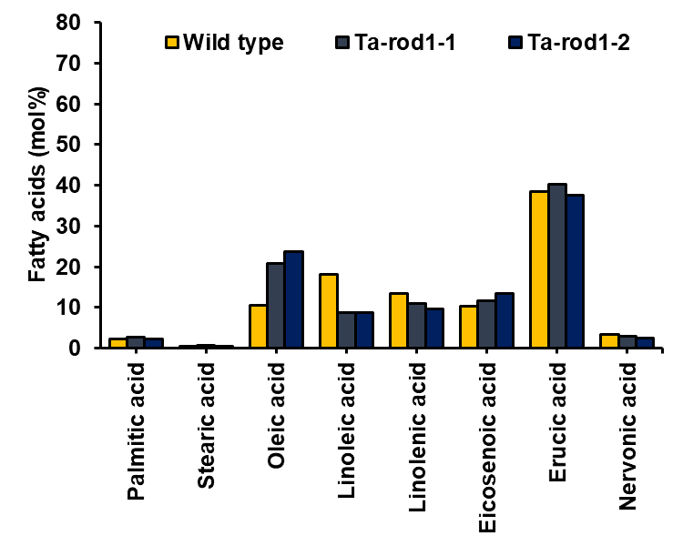
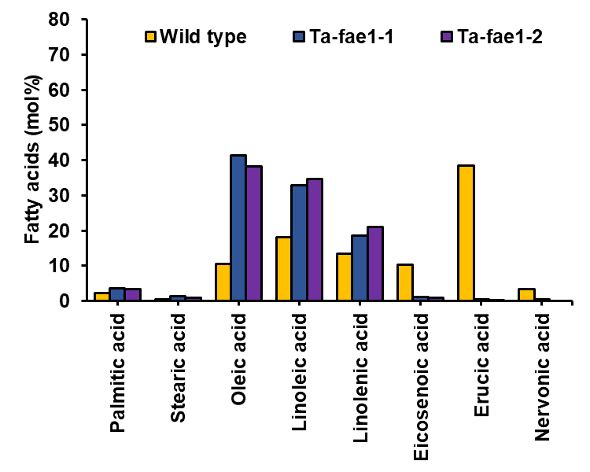
Figure 4a - Profiles of wild-type pennycress, Ta-fae1-1 and Ta-fae1-2 (all values are in mol%). Figure 4b - Profiles of wild-type pennycress, Ta-rod1-1 and Ta-rod1-2 (all values are in mol%).

Fatty acid | Wild type | rod1-1 | rod1-2 | fae1-1 | fae1-2
Palmitic acid | 2.3 | 2.7 | 2.3 | 3.7 | 3.5 | These values represent averages of at least two independent biological replicates
Stearic acid | 0.5 | 0.7 | 0.6 | 1.3 | 1
Oleic acid | 10.5 | 20.8 | 23.7 | 41.3 | 38.3
Linoleic acid | 18.2 | 8.7 | 8.8 | 33 | 34.6
Linolenic acid | 13.5 | 11.1 | 9.6 | 18.6 | 21.1
Eicosenoic acid | 10.4 | 11.6 | 13.5 | 1.1 | 0.9
Erucic acid | 38.5 | 40.2 | 37.5 | 0.5 | 0.3
Nervonic acid | 3.3 | 2.9 | 2.6 | 0.4 | 0

