Figure 4
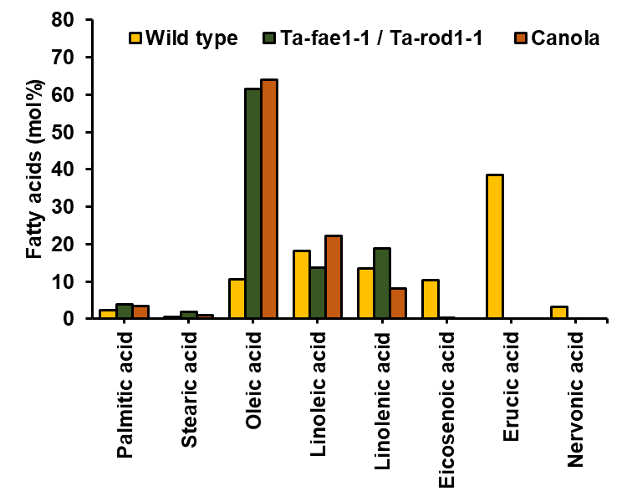
Figure 5. Comparison of fatty acid profiles of wild-type pennycress, Ta- fae1-1/Ta-rod1-1 double mutant with fatty acid profiles of canola oil.

Fatty acids | Wild type | Ta-fae1-1 / Ta-rod1-1 | Canola
Palmitic acid | 2.3 | 3.8 | 3.5 | These values represent averages of at least two independent biological replicates
Stearic acid | 0.5 | 1.9 | 0.9
Oleic acid | 10.5 | 61.6 | 64.1
Linoleic acid | 18.2 | 13.8 | 22.3
Linolenic acid | 13.5 | 18.8 | 8.2
Eicosenoic acid | 10.4 | 0.4 | 0
Erucic acid | 38.5 | 0 | 0
Nervonic acid | 3.3 | 0 | 0

 | ***canola as reported in Renewable and Sustainable Energy Reviews 14 (2010) 200–216

