Fig. 1C - Overview
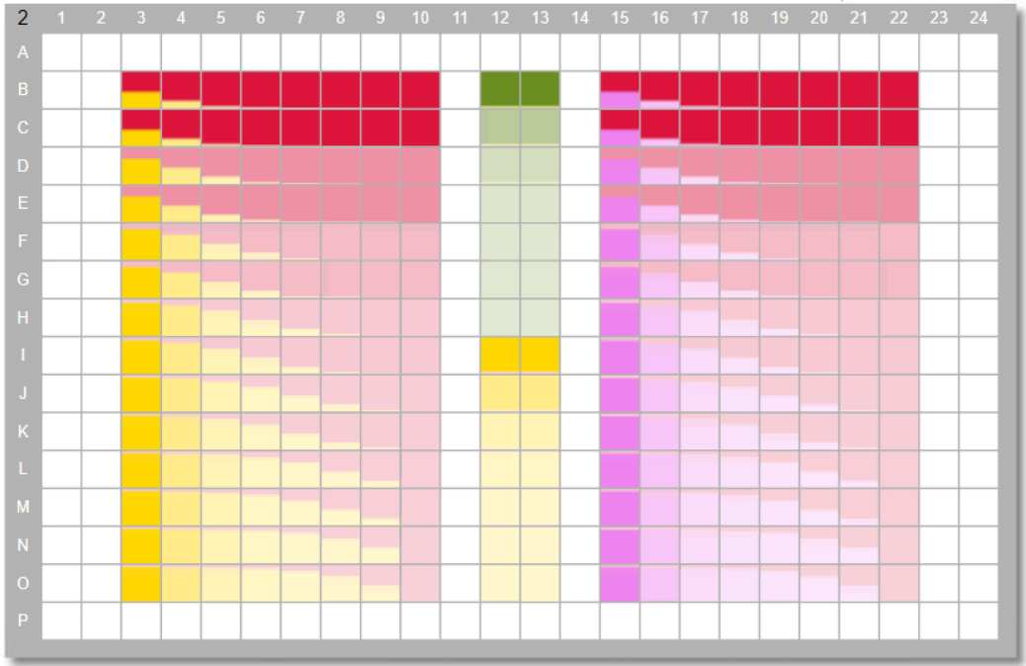
combination with MRTX849
 |  |  |  |  |  |  | Synergy rating criteria
 |  |  |  |  |  |  | clear | CGI ≥ 50 and Bliss CGI ≥10 in 5+ identical combi cells
cell line | tumor type | BI-3406 | Cetuximab | SHP099 | TNO155 |  | some | CGI ≥ 30 - <50 and Bliss CGI ≥10 in 5+ identical combi cells
NCI-H1792 | NSCLC |  |  |  |  | IC50 values represent the average of 2 runs | no
NCI-H2122 | NSCLC |  |  |  |  | IC50 values represent the average of 2 runs
SW 1573 | NSCLC |  |  |  |  | IC50 values represent the average of 2 runs
NCI-H358 | NSCLC |  |  |  |  | IC50 values represent the average of 2 runs
LU65 | NSCLC |  |  |  |  | IC50 values represent the average of 2 runs
HCC-44 | NSCLC |  |  |  |  | IC50 values represent the average of 2 runs
KYSE-410 | esophageal |  |  |  |  | IC50 values represent the average of 3 runs
SW837 | CRC |  |  |  |  | IC50 values represent the average of 2 runs
NCI-H1373 | NSCLC |  |  |  |  | IC50 values represent the average of 2 runs
HOP-62 | NSCLC |  |  |  |  | IC50 values represent the average of 2 runs
NCI-H2030 | NSCLC |  |  |  |  | IC50 values represent the average of 2 runs
F3008 | CRC PDC |  |  |  |  | 3 replicates
B8182 | CRC PDC |  |  |  |  | 3 replicates
B8219 | CRC PDC |  |  |  |  | 3 replicates

