Supplementary Table 6
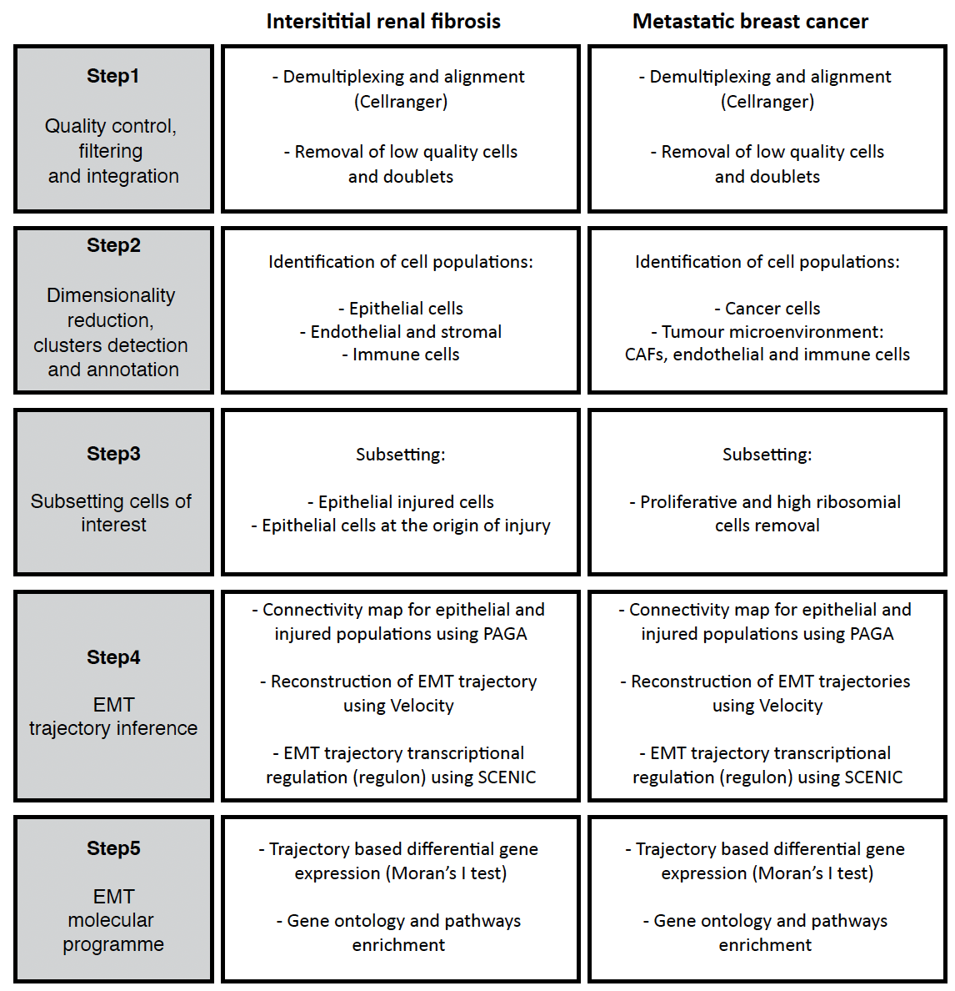
Supplementary Table 6. Workflow in kidney and cancer samples single-cell analyses.

