Quality check
Quality control | n=97 | Name dataset | R2 spearman | Non-adjusted R2 (age) | p |  |  |  | Note:

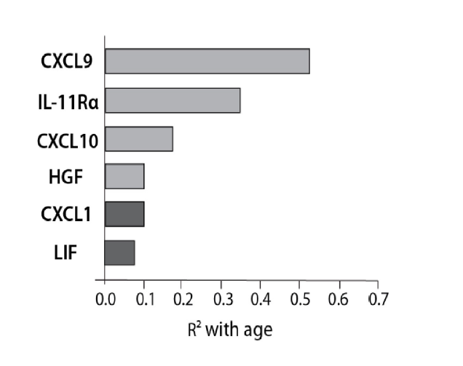

 |  | MIG | 0.544 | 0.51 | <0.0001 |  |  |  | We may want to say CXCL9

 |  | CTACK | 0.36 | 0.34 | <0.001 |  |  |  | We may want to indicate in legend this is CTACK or CCL27

 |  | IP10 | 0.182 | 0.18 | <0.001 |  |  |  | We may want to say CXCL10

 |  | HGF | 0.106 | 0.1 | 0.001

 |  | Gro-alpha | 0.069 | 0.097 | 0.0019 |  |  |  | we may want to keep CXCL1

 |  | LIF | 0.088 | 0.066 | 0.011

 |  | SPEARMAN CORRELATION

 |  |  |  | Lab_log_CTACK | Lab_log_GROa | Lab_log_HGF | Lab_log_IP_10 | Lab_log_MIG | Lab_log_LIF
 |  | Dem_age | Correlation coefficient | 0.604 | -0.263 | 0.327 | 0.427 | 0.738 | -0.297
 |  |  | Significance Level P | <0.0001 | 0.0093 | 0.0011 | <0.0001 | <0.0001 | 0.0032
 |  |  | n | 97 | 97 | 97 | 97 | 97 | 97

