Ext. Data Fig 1C
Extended Data Figure 1C – Exp #2

250
180
250
180
130
TFEB
P-T389-S6K1
130
95
95
72
72
55
55

55
250
43
180
S6K1
130
34
β-actin
95
72
26
55

Extended Data Figure 1C – Exp #3

250
250
180
130
180
130
P-T389-S6K1
95
TFEB
95
72
72
55
55

55
250
43
180
130
S6K1
95
34
β-actin
72
55
26

Ext. Data Fig 1E
Extended Data Figure 1E
Relative P-T389-S6K1
+/+ | N/+ | N/N
0.776632093 | 2.083785537 | 4.617929685
1.307787216 | 1.49028751 | 2.901863519
250
180
250
1.093230821 | 2.010567542
130
180
130
0.82234987 | 1.532950271
95
P-T389-S6K
95
TFEB
72
72
55
55
55
Relative TFEB (upper band)
+/+ | N/+ | N/N
1.716975881 | 2.516166783 | 3.732081168
250
0.683904126 | 1.592900416 | 2.74151308
43
180
130
0.93411825 | 3.11740732
34
95
S6K
0.665001743 | 2.189697281
β-actin
26
72
55

Extended Data Figure 1E

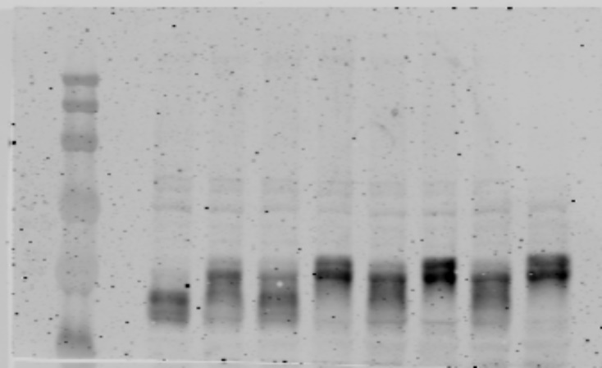
250
250
180
180
130
P-T389-S6K1
130
95
95
TFEB

72
72

55
55

43
250
180
34
β-actin
130
95
S6K1

26
72

55

Ext. Data 1G
Extended Data Figure 1G - Heart
Ortega_SourceData_Figure_1

250
180
250
180
TFEB
130
130
95
95
72
72

55
55
43
43
TFE3

34
34

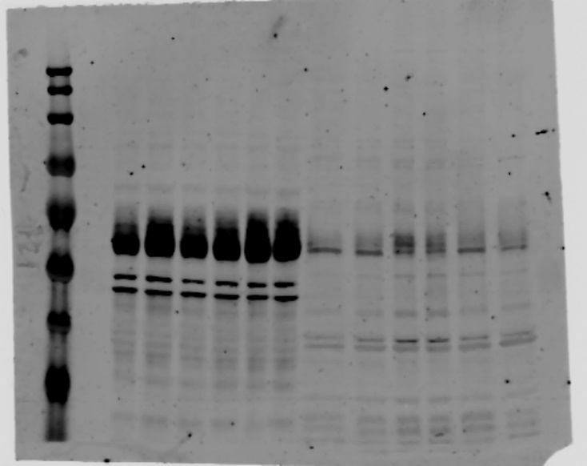
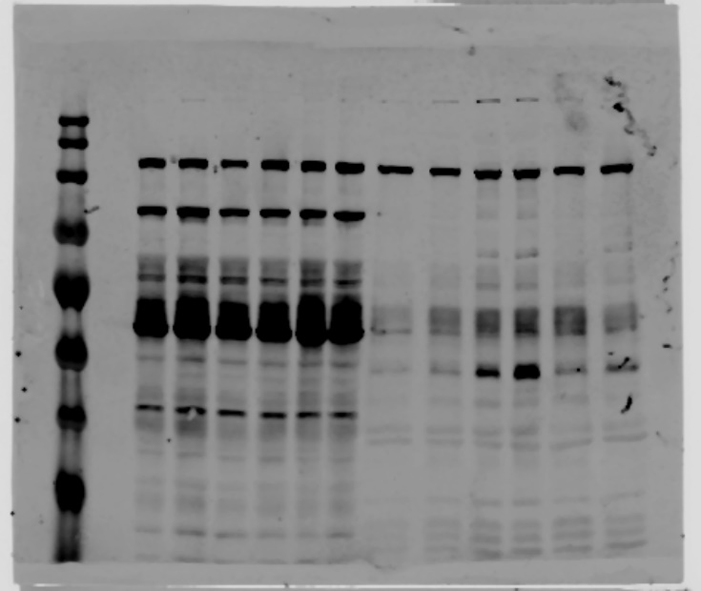
250
180
250
TFEB (more exp.)
130
180
130
95
72
95
55
72
55
43
34
43
TFE3 (more exp.)
34

17
250
180
130
10
95
H3
72

55
43

34
GAPDH

