Figure 1A
Figure 1A – MEFs

250
250
180
180
130
130
95
P-T389-S6K1
95
TFEB

72
72

55
55
55
250
43
180
130
34
β-actin
95
S6K1

72
26

Figure 1B
Figure 1B - Kidney
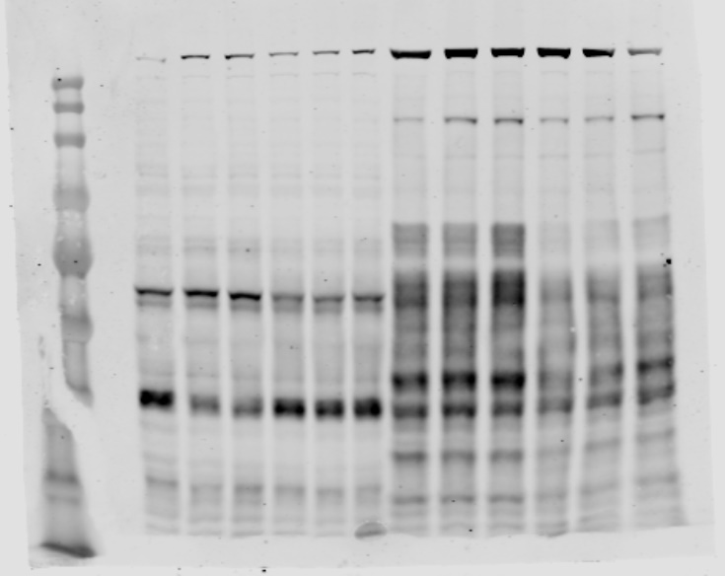
Nuclear TFEB
+/+ | N/+
0.87910321 | 0.39520394
0.85040347 | 0.5104675
250
180
130
250
180
1.27049332 | 0.64236315
95
72
130
TFE3
55
95
43
34
72
26
55
Nuclear TFE3
+/+ | N/+
1.01810771 | 0.42218122
17
43
0.92759719 | 0.48603769
1.0542951 | 0.70687845
10
H3
34

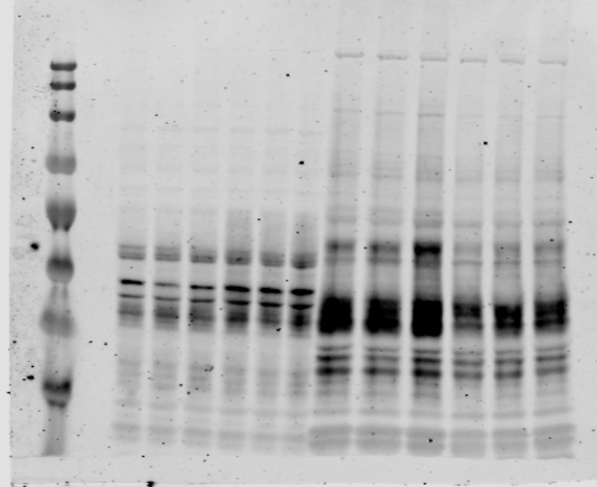
250
250
180
180
130
TFEB
130
95
95
72
72
55
55
43
43

34
34

GAPDH

Figure 1N
Fig 1N-Kidney

43
β-actin
34
P-S235/236-S6

34
26
p21
17

10

26

17
γ-H2AX
10

