Fig 2b-2
Image analyses |  |  |  |  | Western Blot

APOEe3/3 | APOEe4/4 | Descriptive statistics
FN1 | FN1 |  | ε3/3 | ε4/4 | Blot # | Blot 2 | Blot 2 | Blot 2
16.713477619 | 22.623555311 | Number of values | 677 | 795 | Purpose |  | Loading Control | Total Protein
20.091034731 | 32.341267985 |  |  |  | Antibody name | FN1 | m-B-Actin | Revert 520
19.792259949 | 16.100651746 | Minimum | 7.074 | 5.771 | Species | Rabbit | Mouse
29.187055215 | 23.076613388 | 25% Percentile | 19.15 | 38.67 | Antibody Company | Invitrogen | MilliporeSigma | LiCor
18.79265873 | 30.604295972 | Median | 25.29 | 51.32 | Antibody Product # | PA5-29578 | A5316-100UL | 926-10011
43.812419355 | 31.056564417 | 75% Percentile | 33.82 | 64.3 | Antibody Lot # | 79532944 | 0000350263 | D411D6-05
44.788566029 | 30.687791783 | Maximum | 83.29 | 147.1 | Expected Molecular Weight | ~ 260 kDa | 42 kDa
29.762890341 | 32.567150538 | Range | 76.21 | 141.3
20.685516995 | 33.234467281
39.091628214 | 39.705398209 | 10% Percentile | 15.12 | 23.11 | Amount of Protein to Load on WB | 10 ug | 10 ug | 10 ug
30.02835213 | 38.112149533 | 90% Percentile | 46.91 | 78.79
19.042995376 | 32.092891672 |  |  |  | WB Conditions
30.269608423 | 33.801482874 | 95% CI of median |  |  | Gel % | 10% | 10% | 10%
19.509284309 | 30.341055341 | Actual confidence level | 95,44% | 95,30% | Protein Concentration (previously tested)
34.820004732 | 37.113569147 | Lower confidence limit | 24.39 | 50.19 | Loading Buffer | 6X Laemmli SDS Loading Buffer | 6X Laemmli SDS Loading Buffer | 6X Laemmli SDS Loading Buffer
35.688622754 | 46.960833743 | Upper confidence limit | 26.38 | 52.65 | Membrane Size (um) | 0.45 | 0.45 | 0.45
33.87195122 | 42.9306755 |  |  |  | Transfer Time | 15 min | 15 min | 15 min
42.031171679 | 33.222848421 | Mean | 28.21 | 52.16 | Transfer Ampage | 2.5 A | 2.5 A | 2.5 A
18.936126603 | 38.652878488 | Std. Deviation | 12.65 | 20.91 | Transfer Voltage | 25 V | 25 V | 25 V
42.257778561 | 33.378341688 | Std. Error of Mean | 0.4863 | 0.7415
20.597648635 | 37.875303875 |  |  |  | Dried at 37 C for 10 min on filter paper | Yes | Yes | Yes
42.539269331 | 41.902606552 | Lower 95% CI of mean | 27.25 | 50.7 | Rehydrate TBS | 5 min, RT, gentle shaking (50 rpm) | 5 min, RT, gentle shaking (50 rpm) | 5 min, RT, gentle shaking (50 rpm)
30.513002364 | 33.842653509 | Upper 95% CI of mean | 29.16 | 53.61 | Blocking Conditions
22.646420104 | 37.342784502 |  |  |  | Blocking Buffer | 1:1 EveryBlot and TBS | 1:1 EveryBlot and TBS | 1:1 EveryBlot and TBS
16.913315755 | 38.130521339 | Coefficient of variation | 44,86% | 40,09% | Blocking Buffer Time | 10 min, RT, gentle shaking | 10 min, RT, gentle shaking | 10 min, RT, gentle shaking
50.164290936 | 28.665244192
41.018872376 | 45.726323885 | Geometric mean | 25.68 | 47.54 | Primary Antibody Conditions
34.902447532 | 34.431834795 | Geometric SD factor | 1.543 | 1.582 | Primary Ab Concentration | 1:1,000 | 1:10,000
30.603383872 | 23.055201699 |  |  |  | Primary Ab Volume | 5 ml | 5 ml | 5 ml
24.938909774 | 32.220452299 | Lower 95% CI of geo. mean | 24.86 | 46.04 | Primary Incubation Time | O/N (about 16 h) | O/N (about 16 h) | O/N (about 16 h)
20.016536273 | 40.362887278 | Upper 95% CI of geo. mean | 26.54 | 49.08 | Primary Incubation Conditions | 4oC, rocking speed 10, cold room, Incubation box | 4oC, rocking speed 10, cold room, Incubation box | 4oC, rocking speed 10, cold room, Incubation box
21.272542294 | 37.82586675 |  |  |  | Wash Buffer (post-primary antibody) | TBS-T (Tween 0.02%) | TBS-T (Tween 0.02%) | TBS-T (Tween 0.02%)
31.65147664 | 39.177987198 | Harmonic mean | 23.38 | 42.13 | Wash Conditions | 4x, 5 min each, vigorous (125 rpm) | 4x, 5 min each, vigorous (125 rpm) | 4x, 5 min each, vigorous (125 rpm)
33.208775655 | 20.100633684
17.712206109 | 44.972706366 | Lower 95% CI of harm. mean | 22.61 | 40.42 | Secondary Antibody Conditions
19.34273183 | 23.128332154 | Upper 95% CI of harm. mean | 24.21 | 43.99 | Type of Secondary | gαr-800 CW | gαm-680 RD
27.472498815 | 25.806800703 |  |  |  | Color on LiCor Imager | Green | Red | Grey
23.024003303 | 47.471230159 | Quadratic mean | 30.91 | 56.19 | Secondary Ab Concentration | 1:20,000 | 1:20,000
22.866776316 | 22.000806069 |  |  |  | Secondary Incubation Conditions | 1 h, RT, gentle shaking | 1 h, RT, gentle shaking | 1 h, RT, gentle shaking
18.950872847 | 22.518223638 | Lower 95% CI of quad. mean | 29.76 | 54.63 | Wash Buffer (post-secondary antibody) | TBS-T (Tween 0.02%) | TBS-T (Tween 0.02%) | TBS-T (Tween 0.02%)
18.664814598 | 24.498416179 | Upper 95% CI of quad. mean | 32.02 | 57.71 | Wash Conditions | 4x, 5 min each, vigorous (125 rpm) | 4x, 5 min each, vigorous (125 rpm) | 4x, 5 min each, vigorous (125 rpm)
19.920466479 | 22.526185421 |  |  |  | Final Wash - Buffer | TBS | TBS | TBS
14.167769724 | 26.653125518 | Skewness | 1.143 | 0.4849 | Final Wash - Conditions | 1x, 5 min, vigorous (125 rpm) | 1x, 5 min, vigorous (125 rpm) | 1x, 5 min, vigorous (125 rpm)
23.517348485 | 27.876194978 | Kurtosis | 1.342 | 0.6342
26.393515237 | 56.07969697 |  |  |  | Imaging Conditions | Placed in diH2O prior to imaging | Placed in diH2O prior to imaging | Placed in diH2O prior to imaging
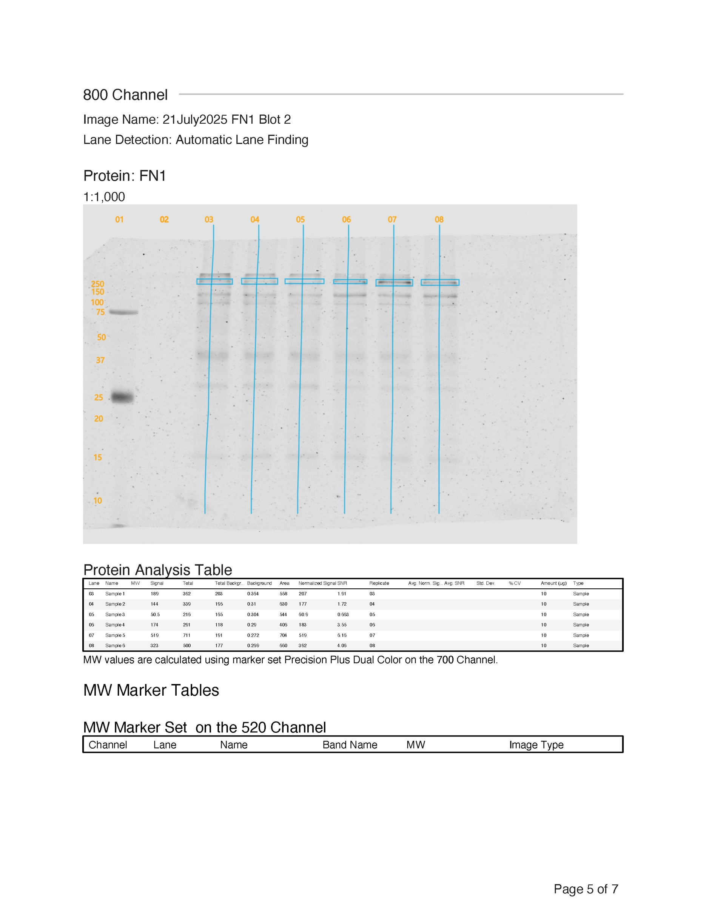
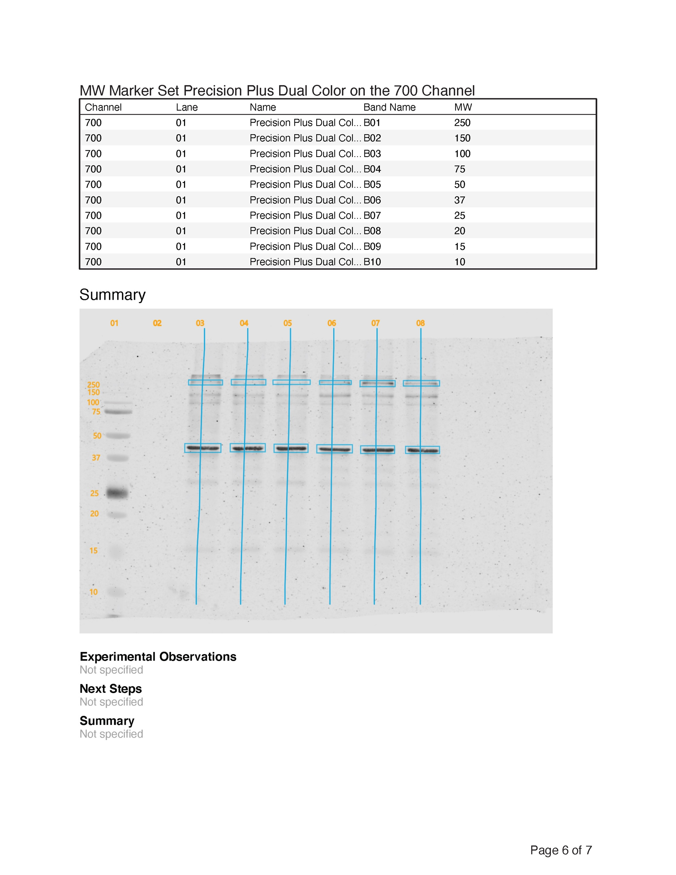
13.656111658 | 33.945724073 | Sum | 19095 | 41465
25.280009234 | 19.92338908 |  |  |  | total protein normalization
16.25372992 | 47.325427054
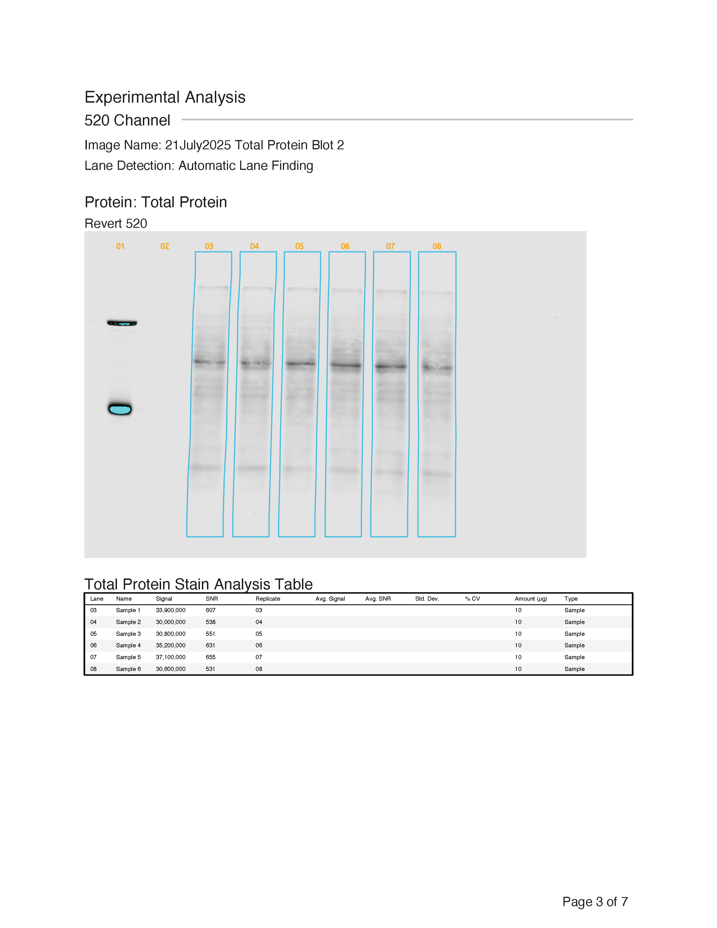
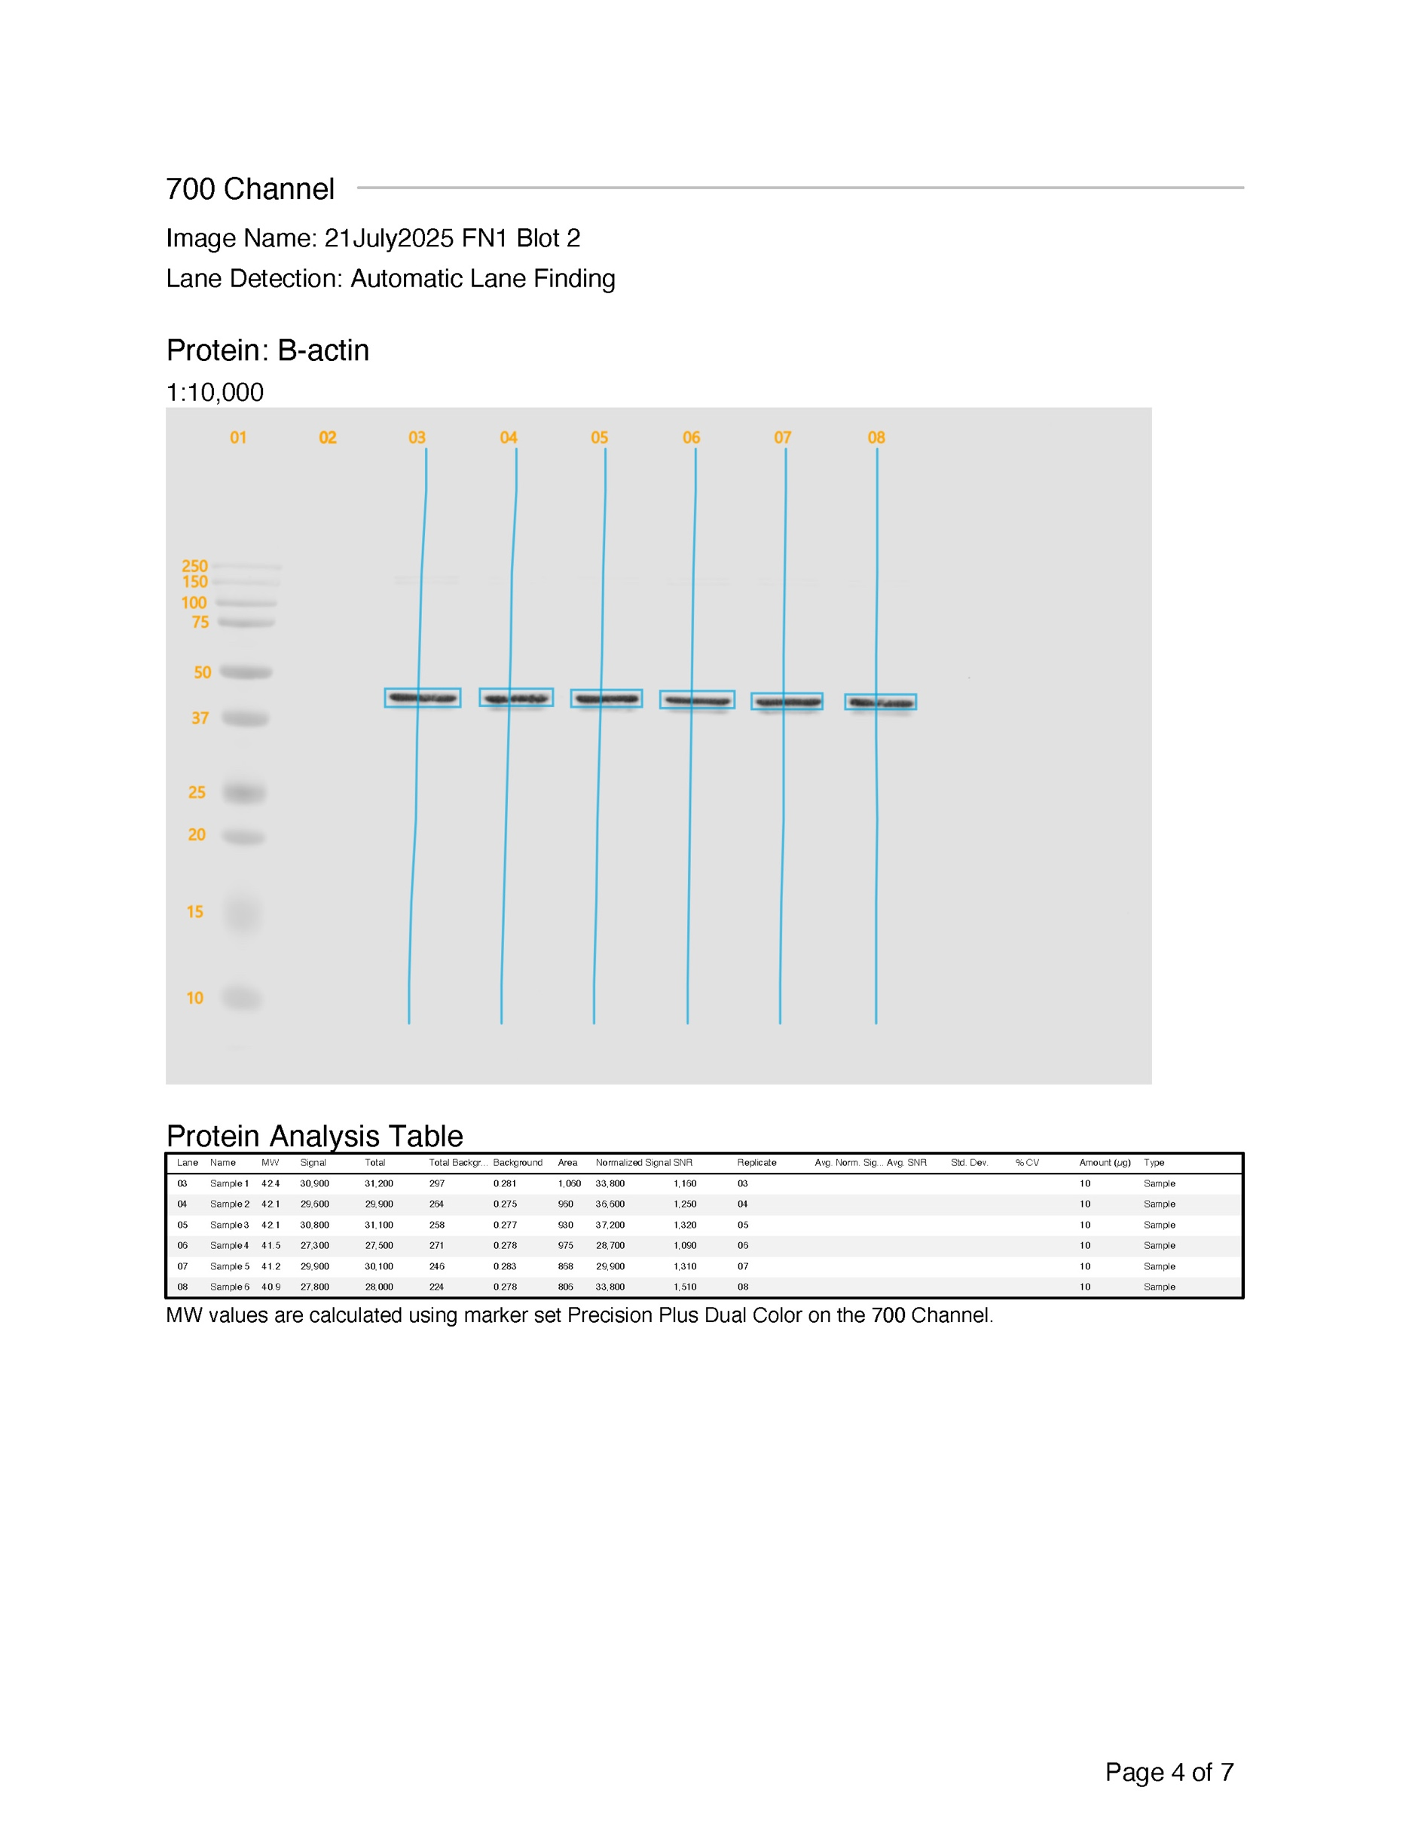
17.84343198 | 32.092711759
9.8240285293 | 20.962828947
9.782057445 | 33.851051051
8.1269928198 | 32.457534247
14.242576687 | 39.266958135
14.632586368 | 48.869656944
25.241129032 | 49.832378056
17.221769431 | 45.586387113
25.864500121 | 38.652685975
17.673016251 | 37.605269563
19.556471105 | 66.225276074
20.015507519 | 64.111519608
16.459459459 | 75.294731183
17.892523364 | 61.162827782
18.189559764 | 50.423928831
17.403880279 | 51.580272635
31.960725608 | 76.265930565
26.600417491 | 58.123224728
27.807957393 | 33.637732971
16.065494065 | 54.458239678
17.231125983 | 52.079808165
17.521564327 | 50.558085887
18.264853811 | 48.979394153
22.461677243 | 42.407932323
21.304030346 | 43.526159148
10.900681169 | 41.35978836
15.788194444 | 52.923271105
19.410179288 | 47.608796296
21.101156909 | 50.954844415
29.05268073 | 35.846149061
22.902307853 | 50.324513988
33.053579896 | 46.968468468
19.468984361 | 53.922941033
19.817356572 | 39.962137297
20.13871196 | 45.915644439
23.251538123 | 55.770764667
28.299603175 | 51.112938596
23.618302513 | 39.139165481
22.31581741 | 56.58089646
18.389132554 | 77.132171387
14.923566879 | 51.339820712
17.294644338 | 64.155844869
36.974787268 | 49.090225564
14.973636364 | 47.327501185
20.821285141 | 43.426515688
35.759038367 | 45.66837232 |  |  |  | b-actin normalization
30.760272392 | 41.322717622
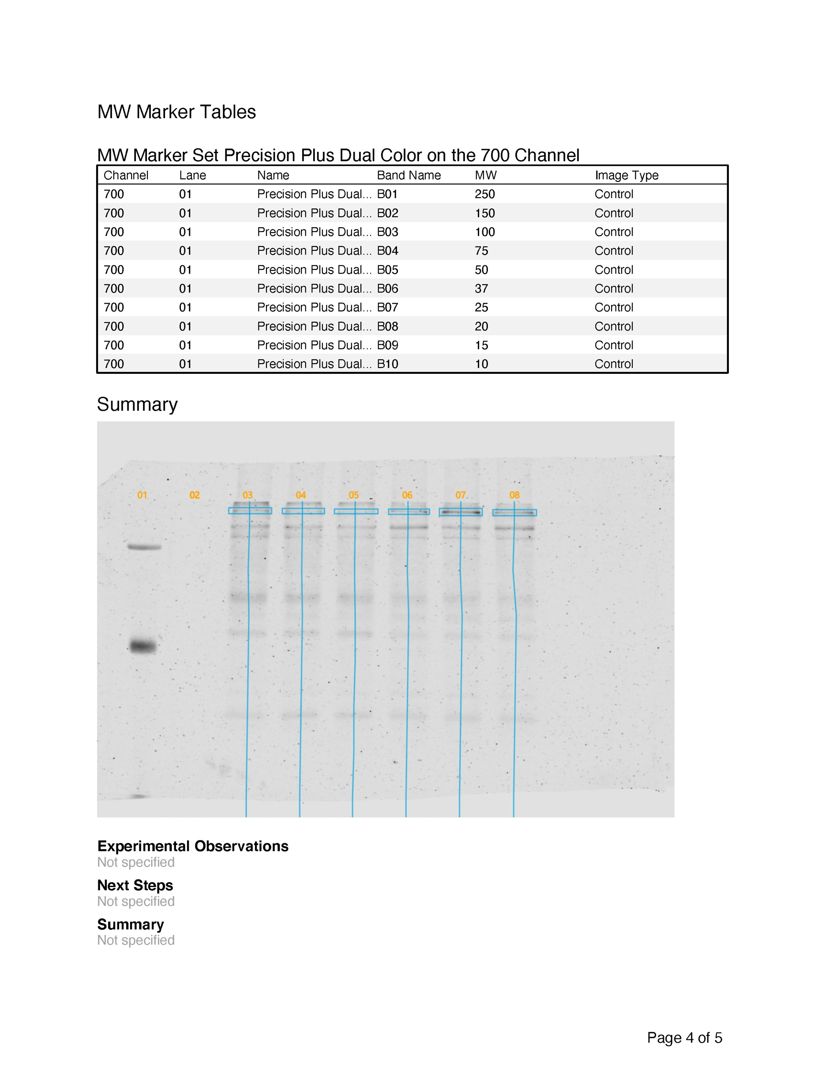
18.952094952 | 29.751782457
17.843432 | 40.937388381
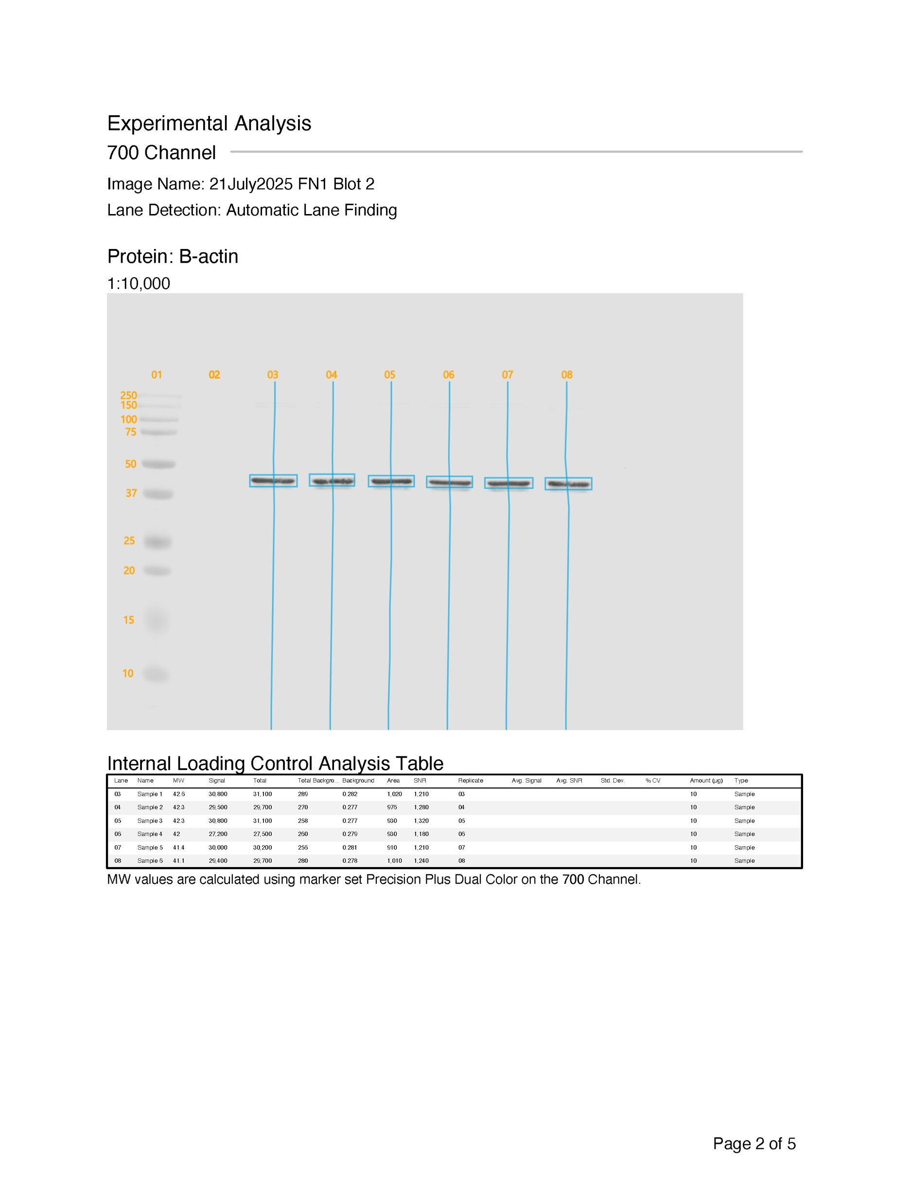
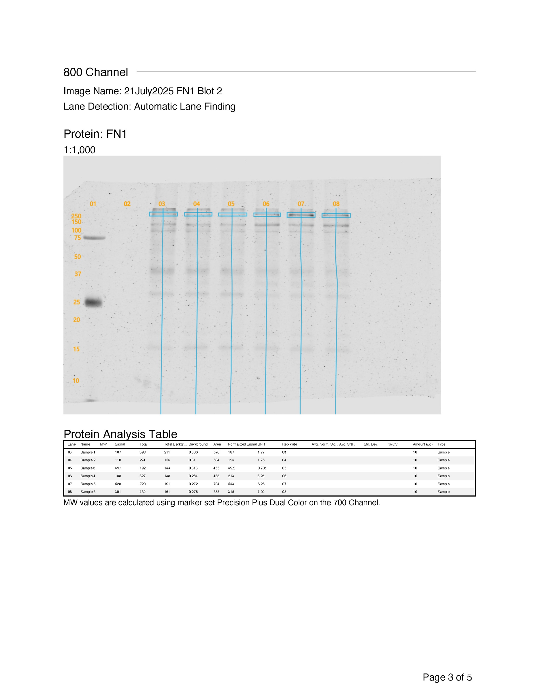
9.82402853 | 69.294621212
9.78205745 | 46.083392393
8.12699282 | 52.636866699
14.2425767 | 52.646064174
14.6325864 | 43.845559846
25.241129 | 37.569671053
17.2217694 | 28.733708709
25.8645001 | 46.371953857
17.6730163 | 69.836777954
19.5564711 | 60.003577325
20.0155075 | 53.697449994
16.4594595 | 39.176586326
17.8925234 | 47.965388775
18.1895598 | 78.792746745
17.4038803 | 43.857239264
31.9607256 | 53.47665733
26.6004175 | 46.274086022
27.8079574 | 43.671273329
16.0654941 | 89.63731542
17.231126 | 66.749985118
17.5215643 | 45.51142606
18.2648538 | 44.889358814
22.4616772 | 52.922255589
21.3040303 | 52.991186561
10.9006812 | 42.113563699
15.7881944 | 57.529397847
19.4101793 | 46.562756839
21.1011569 | 61.641397495
29.0526807 | 78.282894737
22.9023079 | 59.240716907
33.0535799 | 71.901080193
19.4689844 | 47.682626706
19.8173566 | 51.806886641
20.138712 | 58.994774169
23.2515381 | 76.03086771
28.2996032 | 44.694078225
23.6183025 | 46.048611111
22.3158174 | 48.920323189
18.3891326 | 51.632114412
14.9235669 | 39.547791694
17.2946443 | 52.569340017
36.9747873 | 50.893373637
14.9736364 | 65.934596826
20.8212851 | 46.927923021
35.7590384 | 45.656640717
30.7602724 | 40.032904856
18.952095 | 56.296888053
33.588255936 | 46.320104315
33.128566158 | 44.800070771
47.499579377 | 46.38377193
48.945783133 | 68.238971456 |  |  |  | Other reagents (Name, Cat #, Lot#)
28.554723926 | 51.356380921 |  |  |  | Transfer method/Product Info
38.926762372 | 34.51617817 |  |  |  | Semi-Dry Transfer Pack (Name, Cat #, Lot#) |  |  | Semi-dry - PVDF (BioRad Trans-Blot Turbo RTA Transfer Kit, Nitrocellulse, Midi: 1704273, lot# 64585187) |  |  |  |  |  |  |  |  |  |  |  | protein concentration (ug/ul) | Total volume of protein (ul) | 10 ug protein volume (ul) | 20 ug protein volume | 30 ug protein volume
39.239139785 | 54.352651515 |  |  |  | Ethyl Alcohol, Pure: Sigma-Aldrich, Cat# E7023-500ML, lot# SHBF9791V |  |  |  |  |  |  |  |  |  | Experimental Protein
61.351169383 | 50.565201984 |  |  |  | Ladder Product (Name, Cat #, Lot#) |  |  | Precision Plus Dual Color Protein Standards, BioRad, Cat# 1610374, Lot # 64604154, 500 ul
34.263192931 | 32.309272012 |  |  |  | Loading buffer (Name, Cat #, Lot#) |  |  | 6X Laemmli SDS-Sample Buffer 6X Reducing, Cat# BP-111R, lot# F28R113 |  |  |  |  |  |  |  | Samples
61.59658313 | 61.788550323 |  |  |  | Running Buffer - Tris-glycine SDS Running Buffer: Boston Bioproducts, cat# BP-150, lot# K16R113 |  |  |  |  |  |  |  |  |  | Sample # Raw Lysate | Cell line/condition | Genotype | Treatment | Sample Type
57.646121731 | 53.150531484 |  |  |  | 0.45 um nitrocellulose |  |  |  |  |  |  |  |  |  |  | 1 |  |  |  | 1.0 |  | 10.00 | 20.0 | 30.00
47.39160401 | 45.465855263 |  |  |  | Laemmli Buffer 6X Reducing SDS Sample Buffer: Boston Bioproducts Cat# BP-111R, lot# F28R113 |  |  |  |  |  |  |  |  |  |  | 2 |  |  |  | 1.0 |  | 10.00 | 20.0 | 30.00
39.484770485 | 48.570045045 |  |  |  | Wash info: |  |  |  |  |  |  |  |  |  |  | 3 |  |  |  | 1.0 |  | 10.00 | 20.0 | 30.00
71.750680232 | 48.399062725 |  |  |  | TBS - Tris Buffered Saline 20X: Boston Bioproducts, cat# BM-301X, lot# E24R108 |  |  |  |  |  |  |  |  |  |  | 4 |  |  |  | 1.0 |  | 10.00 | 20.0 | 30.00
57.383116085 | 62.45972443 |  |  |  | Tween ® - MP Biomedicals, Cat# TWEEN201, lot# U1123181415 |  |  |  |  |  |  |  |  |  |  | 5 |  |  |  | 1.0 |  | 10.00 | 20.0 | 30.00
70.770732284 | 64.274628509 |  |  |  | Reagents for Gels: |  |  |  |  |  |  |  |  |  |  | 6 |  |  |  | 1.0 |  | 10.00 | 20.0 | 30.00
65.777092873 | 64.2665224 |  |  |  | 30% Acrylamide/Bis Solution 37.5:1, 500 ml: Bio-Rad, cat# 1610158, lot# 64568113
46.458690398 | 35.787198721 |  |  |  | Resolving Buffer - Boston Bioproducts cat# BP-90, lot# F28R110
35.966896408 | 72.644393703 |  |  |  | Stacking Buffer: Boston Bioproducts, cat# BP-95, lot# I19R117
38.363029696 | 83.460387003 |  |  |  | APS: BIO-RAD, Cat# 1610700, lot# 64596454
55.775507808 | 66.490368098 |  |  |  | TEMED - N,N,N',N'-Tetramethylethylenediamine: BIO-RAD, cat# 161-0801, lot# 64574189
36.482029727 | 63.152252568 |  |  |  | Isopropyl Alcohol (IPA): Gotparts747, Lot# IMAX99220629
43.045045045 | 51.876236559 |  |  |  | Blocking Buffer: EveryBlot Blocking Buffer, BIO-RAD, cat # 12010020, lot # 20250131A
38.12672639 | 88.734526341 |  |  |  | Secondary Antibodies: IRDye 680 RD gam, LiCor, cat# 925-68070, lot# D40409-11 - IRDye 800 CW gar, LiCor, cat# 925-32211, lot# D40227-01, GaM HRP, Cell Signaling Cat. 7076S, lot # 38
58.418492176 | 68.017005568
33.764996704 | 77.523185904
43.485867446 | 45.366183256
56.901981599 | 63.599154135
52.373815476 | 54.337814004
60.39222149 | 53.935821602
50.319705514 | 52.284124447
21.859886202 | 84.86430853
46.594209639 | 64.474815076 |  |  |  | Prep Date | Harvest Date |  |  | WT/MUT | Treatment | Line | CONC (ug/ul) | Final Protein Conc. (ug/µL) | Lysate (µL) | RIPA (uL) | 6X RLB (uL) | FV (uL) | Final [] |  |  | 10 ug
43.32758412 | 76.684300154 |  |  |  |  |  |  |  |  |  |  |  |  |  |  |  |  | ug/ul | check
57.918789809 | 54.736424394 |  |  |  | Samples for FN1 |  |  |  |  |  | 1 | 2.13 | 100.00 | 70.3 | 49.7 | 30.0 | 150 | 1.0 | 150.0 |  | 10.0
51.01400791 | 39.18323085 |  |  |  |  |  |  |  |  |  | 2 | 1.72 | 100.00 | 87.1 | 32.9 | 30.0 | 150 | 1.0 | 150.0 |  | 10.0
33.20248538 | 57.564283198 |  |  |  |  |  |  |  |  |  | 3 | 1.84 | 100.00 | 81.3 | 38.7 | 30.0 | 150 | 1.0 | 150.0 |  | 10.0
43.484305358 | 47.040387427 |  |  |  |  |  |  |  |  |  | 4 | 2.12 | 100.00 | 70.7 | 49.3 | 30.0 | 150 | 1.0 | 150.0 |  | 10.0
32.072186837 | 70.690211684 |  |  |  |  |  |  |  |  |  | 5 | 2.00 | 100.00 | 75.0 | 45.0 | 30.0 | 150 | 1.0 | 150.0 |  | 10.0
61.310489766 | 73.331280328 |  |  |  |  |  |  |  |  |  | 6 | 1.97 | 100.00 | 76.1 | 43.9 | 30.0 | 150 | 1.0 | 150.0 |  | 10.0
50.72163246 | 58.876529161
31.765765766 | 33.876895188
34.479514655 | 55.195114522
32.642424242 | 40.756900212
28.783959367 | 52.053078309
40.338477619 | 84.510107669
28.165974146 | 63.245300752 |  |  |  | Same layout for all gels
42.291338958 | 45.178165007 |  |  |  |  |  |  |  |  |  |  |  |  |  |  |  |  |  |  |  |  |  |  |  | r-FN1 | 800CW
41.374020353 | 61.354223592 |  |  |  |  |  |  |  |  |  |  |  |  |  |  |  |  |  |  |  |  |  |  |  | m-B-actin | 680 RD
19.39818003 | 73.472343258 |  |  |  |  |  |  |  |  |  |  |  |  |  |  |  |  |  |  |  |  |  |  |  | Total Protein | 520
33.24125706 | 62.155697098
38.245892662 | 93.494341903 |  |  |  | Blot 1 - FN1 and B-actin
42.22791411 | 61.644632414 |  |  |  | LANES |  |  | BLOT 1 |  |  | 1 | 2 | 3 | 4 | 5 | 6 | 7 | 8 | 9 | 10
26.31267507 | 50.961972499 |  |  |  |  |  |  |  |  |  | Precision Plus Dual Color Protein Standards | Laemmli Blank (1:5) | E3 | E3 | E3 | E4 | E4 | E4 | Laemmli Blank (1:5) | Laemmli Blank (1:5)
14.930913978 | 62.388240151 |  |  |  | Total volume added to well |  |  |  |  |  | 2.5 | 10.0 | 10.00 | 10.00 | 10.00 | 10.00 | 10.00 | 10.00 | 10.00 | 10.00
35.122253721 | 70.278447856
19.531590414 | 79.176102854
45.152985297 | 54.437462002
21.381454625 | 49.991123017
28.177318296 | 55.6675
41.654177988 | 73.730392157
41.254643322 | 64.954500738
36.507070831 | 43.426419668
43.648231397 | 48.487392154
24.0854174 | 66.461315789
23.64848385 | 52.242267267
20.686769006 | 75.061427541
53.368273035 | 58.361155273 |  |  |  | Project: 22July2025 WB for 6E10 on Drug Treated VAMPs
23.440824234 | 82.035773253 |  |  |  | Experiment: 22July2025 WB for FN1 |  |  |  |  |  | B-actin Normalization
49.71125731 | 64.303895192 |  |  |  | Image Name: 21July2025 FN1 Blot 2
23.625877411 | 61.590998524 |  |  |  | 800 Channel
15.657459251 | 61.417738253 |  |  |  | FN1
50.941773352 | 41.526652063 |  |  |  | Lane | Name | MW | Signal | Total | Total Background | Background | Area | Normalized Signal | SNR | Replicate | Avg. Norm. Signal | Avg. SNR | Std. Dev. | % CV | Amount (µg) | Type
31.633816744 | 55.026932515 |  |  |  | 03 | Sample 1 |  | 188.82937255 | 391.8671875 | 203.0378108 | 0.36386704445 | 558 | 206.63672873 | 1.9149422671 | 03 |  |  |  |  | 10 | Sample
28.523087232 | 42.204773576 |  |  |  | 04 | Sample 2 |  | 143.62267681 | 338.70910645 | 195.08643061 | 0.30966100097 | 630 | 177.47030575 | 1.7182772629 | 04 |  |  |  |  | 10 | Sample
45.910238264 | 58.025698925 |  |  |  | 05 | Sample 3 |  | 50.498447063 | 215.65161133 | 165.15317059 | 0.30359038711 | 544 | 60.928958526 | 0.66298881841 | 05 |  |  |  |  | 10 | Sample
48.91593512 | 47.095027167 |  |  |  | 06 | Sample 4 |  | 187.26840383 | 323.35668945 | 136.0882802 | 0.28832262754 | 472 | 197.39703849 | 3.3112874861 | 06 |  |  |  |  | 10 | Sample
24.438365194 | 47.872912128 |  |  |  | 07 | Sample 5 |  | 519.42805368 | 710.85437012 | 191.42632675 | 0.27191239595 | 704 | 519.42805368 | 6.1642716971 | 07 |  |  |  |  | 10 | Sample
17.12040518 | 87.648669564 |  |  |  | 08 | Sample 6 |  | 322.78570971 | 500.19714355 | 177.41143584 | 0.26880520582 | 660 | 391.97901918 | 4.0592425715 | 08 |  |  |  |  | 10 | Sample
Sample 1 | 206.63672873
Sample 2 | 177.47030575
Sample 3 | 60.928958526
Sample 4 | 197.39703849
Sample 5 | 519.42805368
Sample 6 | 391.97901918
26.430535799 | 40.37859811
32.958548922 | 33.285714286
21.165758896 | 65.969064302
51.650035386 | 52.768662013
25.998242145 | 62.283448106
19.520258981 | 53.481722465
35.125414889 | 53.186978983
43.554611937 | 42.066853439
55.200779727 | 64.117585631
33.57690493 | 86.040993374
27.309125076 | 51.9337795
53.501996008 | 71.627923977
46.463636364 | 35.99994473
40.833864871 | 74.589336817
51.134960649 | 47.874348032
21.412453832 | 55.726983081
32.367462701 | 58.374573587
31.146332904 | 54.653927813
31.257931628 | 45.861461543
52.678764572 | 60.285157108
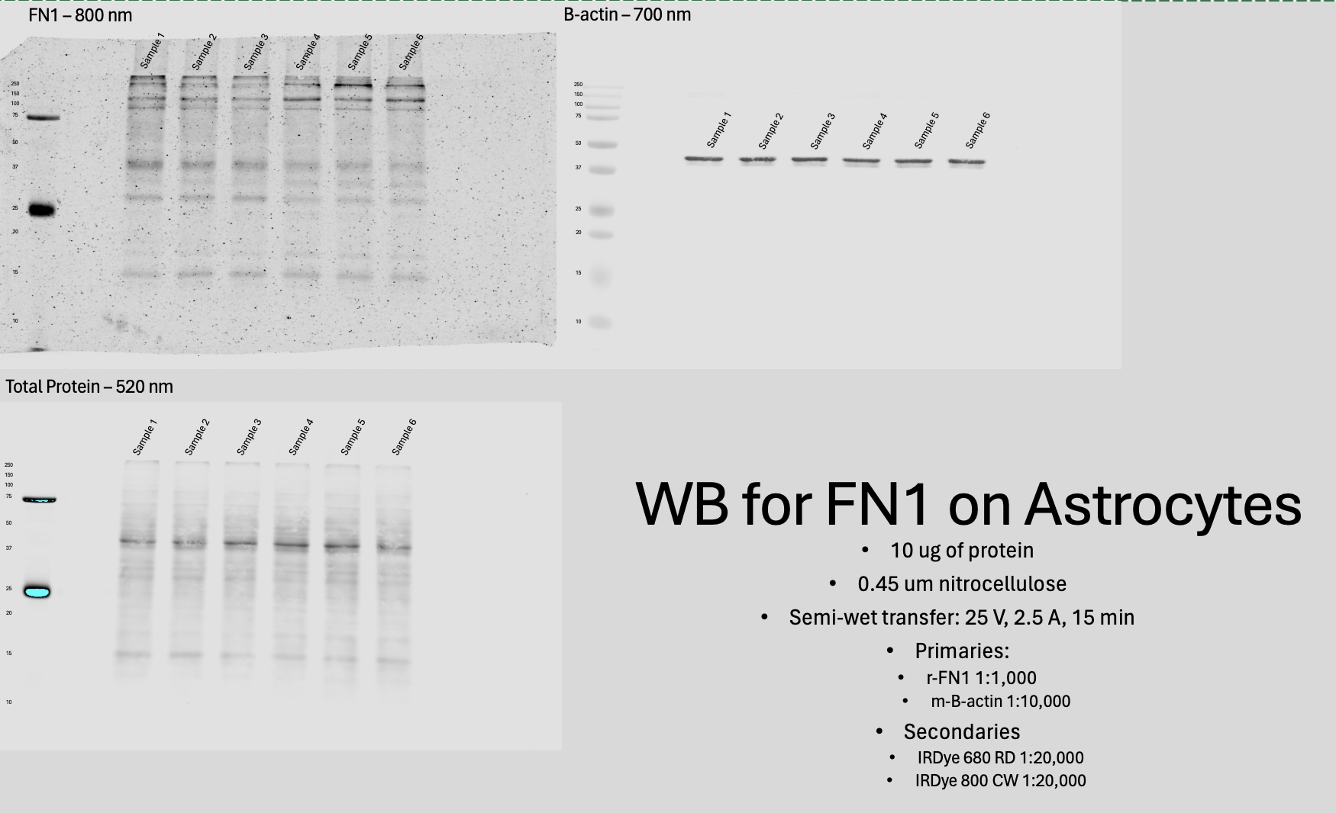
58.18881587 | 58.378654971
53.157607362 | 55.029279279
30.588001867 | 45.844543922
16.816774194 | 99.954974582
46.786321758 | 34.623201227
19.251815541 | 58.372610415
66.522352521 | 63.284983292
23.778015821 | 37.161688004
30.858865915 | 70.582802548
65.212164545 | 47.589790448
46.745356678 | 49.337107808
50.962309395 | 39.439451722
57.608186443 | 59.193507721
24.268110837 | 50.620530303
22.982476379 | 81.664953933
18.797044695 | 80.276623217
81.619524286 | 42.459487535
21.832452742 | 53.710615377
70.440789474 | 48.912631579
18.871331454 | 57.580780781
12.42677616 | 84.247512617
64.143195827 | 42.769674086
19.195561415 | 56.674096496
36.310855263 | 66.799567201
51.758846426 | 57.327164289
51.339805825 | 54.446160317
20.725609756 | 62.407752221
13.751409774 | 55.494355828
18.534672831 | 56.162873483
28.961630138 | 46.621451613
15.646816751 | 65.451216631
50.068648266 | 71.356995885
20.475225225 | 68.251562593
13.747598162 | 68.054603384
36.729350403 | 50.47556391
29.845187544 | 52.900424234
46.343993665 | 52.354193777
26.383993866 | 48.643630103
18.144752114 | 80.127232935
49.875827293 | 42.991722437
27.88 | 48.969567128
27.060890621 | 48.06343985
43.168285785 | 60.009152009
13.386426593 | 67.650698603
25.038753039 | 44.825292398
38.534974851 | 67.420438844
39.449643384 | 70.391750653
30.413111405 | 57.879706022
29.57752221 | 58.94012305
58.12006135 | 48.6167154
63.771300187 | 40.582330738
60.594247312 | 51.169001802
51.419383416 | 79.361623819
83.28788429 | 58.23663325
45.177808203 | 83.992176387
61.124807735 | 53.366839137
63.703320802 | 74.806281772
35.573525907 | 66.752535975
30.580740565 | 53.660898704
52.753935071 | 71.358813701
39.946882764 | 59.059459459
50.9280263 | 56.98967917
53.860799824 | 80.182200292
58.585944027 | 66.071774003
22.553934887 | 65.871939424
24.273394388 | 52.283905872
19.904666179 | 61.029318182
27.715414801 | 62.357547838
33.375139978 | 49.662014265
36.392887624 | 50.056555863
24.562678532 | 52.802612136
20.540143762 | 53.600394737
27.015038924 | 56.398948949
55.277309459 | 56.638644557
51.600802022 | 47.605855856
51.290987886 | 51.195285269
25.355263158 | 73.33214411
36.372943434 | 92.407464338
41.804042605 | 93.264391299
58.388063222 | 66.121942315
42.694023292 | 113.96361963
52.536079783 | 81.996381886
29.188288288 | 74.00311828
33.25 | 87.089770848
31.26035575 | 65.467864924
32.910474168 | 93.407821894
42.336317913 | 98.911612832
27.019749974 | 73.906902673
11.729318182 | 96.056628057
30.447909284 | 87.77824441
27.863317757 | 98.604832759
20.788319483 | 102.88512954
29.363077363 | 105.4155806
32.628260615 | 98.530487805
20.525639449 | 88.761800334
32.468273044 | 74.688402688
38.012960935 | 78.78953857
38.012944785 | 59.754446881
30.768849206 | 70.391643177
35.693655914 | 60.245800672
29.66578077 | 60.593978189
53.18996611 | 57.456822676
32.555509257 | 79.135416667
46.190727313 | 70.203172918
30.559001671 | 77.849659903
24.806139473 | 93.074104592
37.938779132 | 68.319601086
34.856308411 | 63.878793267
37.18910446 | 71.151967909
41.808852882 | 64.952432825
50.924577016 | 60.712019344
45.833542189 | 70.48747528
36.684208018 | 51.35677736
39.418515909 | 59.6733523
29.766325536 | 43.42108988
28.236997734 | 47.096003899
26.982082867 | 63.478709601
48.344570887 | 56.809815951
12.792957592 | 45.163252442
38.781310916 | 82.50030303
55.012149092 | 68.457595086
36.421022034 | 34.385944417
32.57976269 | 53.862303786
41.830461571 | 49.049335049
20.27601944 | 45.134868421
40.316435091 | 55.133258258
27.484688937 | 60.916149964
39.229358339 | 62.847443031
29.740002197 | 57.691432765
37.655179616 | 48.68896947
27.465196776 | 35.978357108
26.371313989 | 41.863237592
24.417763158 | 54.913046124
35.747169144 | 55.900797546
19.853368706 | 59.387196545
16.555047799 | 74.636935484
9.0506060606 | 64.167906922
37.530770139 | 66.687303316
19.345486965 | 51.323233526
14.351050323 | 72.877883982
23.190142523 | 47.992533417
25.413194785 | 42.857381191
15.181600187 | 50.072814385
21.549803246 | 55.104463847
25.413832472 | 59.411333254
22.662833151 | 70.751027357
30.598650307 | 60.72181938
17.459675537 | 77.920373851
39.336182796 | 43.291910959
48.940940232 | 60.682693437
25.010348584 | 52.075536062
24.118638014 | 48.801857072
37.566963305 | 81.087532661
26.157163743 | 70.755286866
24.088183422 | 53.877279719
29.027090974 | 54.861537524
20.735181997 | 59.117716443
35.614338105 | 62.895006104
33.057649407 | 57.7291804
29.04641837 | 73.679302423
34.756944444 | 69.244606449
22.70680204 | 73.852450439
37.776447106 | 68.996671508
23.072490253 | 51.686010852
35.614878682 | 74.387552186
24.575650118 | 70.145154553
22.917733523 | 45.384589853
12.692869699 | 58.853208304
53.535270468 | 51.318347953
38.611582921 | 69.218388771
32.36800186 | 48.010059139
27.267358822 | 54.529887593
20.250835422 | 59.630530303
15.254385965 | 67.21420978
18.998662868 | 56.339092474
24.851065117 | 84.2322253
31.27158528 | 46.229181563
14.719182597 | 44.061710526
15.130325815 | 55.188738739
26.63371266 | 54.443835616
18.736612409 | 49.003842077
19.862938596 | 72.601449275
15.899740505 | 50.761258627
15.438125242 | 50.234690113
13.127797038 | 52.106898209
17.052878788 | 49.842095655
20.576895819 | 48.524355828
11.875061485 | 66.527019141
19.860687904 | 69.554462366
13.467896468 | 57.225313017
18.762135922 | 80.776083273
11.823967044 | 54.389666052
10.641689701 | 48.136178862
13.74041621 | 57.617324561
17.792576687 | 41.265503599
22.288281979 | 56.502129422
22.955376344 | 55.313883424
18.634656272 | 51.314503726
36.882231905 | 84.662850769
11.447348056 | 56.934794551
15.064491321 | 54.513836675
22.895989975 | 65.080127747
14.441298441 | 47.851473524
25.058736543 | 37.822733918
18.567572553 | 39.085779031
22.638175796 | 48.011198208
26.037278384 | 56.628923661
34.338387168 | 59.576466711
28.063544277 | 35.34167885
17.925973593 | 58.417964142
21.348773042 | 45.338701238
25.219480994 | 49.410404307
27.264632731 | 42.558636174
23.394923479 | 88.823672357
23.922238028 | 45.029591303
16.252801582 | 58.225127088
19.326388889 | 59.239089408
22.866536919 | 35.897879587
14.517876868 | 52.061769006
22.505987695 | 53.983167378
32.478748956 | 60.486376504
18.236071598 | 42.96253655
18.685076449 | 46.441023826
20.180767369 | 52.951970375
21.434241566 | 74.017438807
18.208800264 | 77.394318182
25.79845447 | 57.853708953
30.431009957 | 42.238133301
18.469568294 | 64.211565097
23.898635478 | 72.120596787
26.914543524 | 36.665328947
32.076272592 | 107.18603604
25.096281122 | 46.480100937
15.347272727 | 72.917461579
21.373434916 | 113.30177949
30.213723561 | 70.046847585
16.479224377 | 65.103418593
22.612421946 | 40.932760486
23.110422272 | 61.418035779
13.745757501 | 64.549141104
15.500600889 | 34.173844538
15.392479007 | 37.12188172
23.129447853 | 54.18361682
25.217145191 | 55.498547567
26.202204301 | 49.936186678
24.772265533 | 47.923807954
34.224642944 | 27.029396408
24.317459373 | 58.826445493
25.81097561 | 53.543889743
23.602913534 | 51.0508485
12.111492445 | 61.594936709
13.53957175 | 74.024304333
24.599975406 | 45.618600308
20.058263338 | 54.374895572
24.080720911 | 41.018113351
23.273346517 | 50.313314547
48.92737051 | 65.913620858
26.28375995 | 42.604432654
19.994481625 | 53.404628593
28.184758772 | 48.225983879
29.083126071 | 58.356569985
25.879183775 | 77.082175926
27.399099099 | 52.137709365
17.795923973 | 50.827219348
33.321820175 | 70.164029884
32.041696155 | 54.747754804
20.93482937 | 51.051031294
22.255877829 | 70.506714726
32.490914787 | 69.860748003
18.743835941 | 69.807383817
17.202081274 | 74.989013404
15.941600097 | 52.023913952
22.07537155 | 50.013845424
25.294166117 | 73.903632932
13.225459482 | 76.011939571
28.054528212 | 80.640009436
14.692321302 | 72.074117062
26.473135965 | 93.052946738
23.340705355 | 66.471515152
10.486044327 | 68.274864163
29.47126799 | 76.971040334
27.9375 | 62.431786704
9.3910937869 | 65.28652462
20.896642892 | 60.568421053
15.413319483 | 55.738213213
30.318127651 | 70.004758472
39.660891089 | 86.729266031
24.235543844 | 30.055494405
11.310273752 | 37.041291379
16.224544018 | 52.558595671
28.317931922 | 50.25928374
8.6539596655 | 49.622733358
16.950967432 | 50.307239264
8.7548983814 | 54.77246732
12.892453988 | 79.629301075
25.502392624 | 39.351110324
22.43344086 | 72.142580489
10.301441058 | 65.66515864
24.302166546 | 65.975829488
10.47740937 | 72.057591896
24.388705779 | 54.945087945
20.052005013 | 38.554714303
10.426045093 | 65.350590261
8.1777475453 | 49.907843369
19.626967536 | 55.863273453
16.221696439 | 49.585805318
19.386873312 | 47.861476608
18.555866842 | 47.289289289
21.605106516 | 69.565339908
12.710949044 | 45.260416667
18.423916872 | 60.765821036
24.470577485 | 58.570051014
31.768473995 | 52.422522523
21.397349757 | 45.974566029
20.458700806 | 35.790996589
17.107943309 | 52.833274357
32.053118908 | 40.972385326
28.290752536 | 50.911557899
19.097610604 | 50.20869883
16.924522083 | 47.746206733
25.815685046 | 50.483343992
24.586356093 | 51.34912854
20.660136039 | 41.382106629
32.960300169 | 52.277027027
18.530018872 | 28.96219716
27.927158866 | 43.892413466
24.484962406 | 38.859223874
35.351541015 | 39.61829922
24.817468743 | 49.281611229
20.153021442 | 42.903940751
19.992097193 | 50.403561298
12.396672746 | 39.292727273
30.701334174 | 44.877864399
15.356893939 | 35.969687654
22.343668793 | 40.135734072
34.290150025 | 40.933028266
21.5355494 | 37.36125
28.811764145 | 40.356681682
25.993800444 | 43.73446287
7.7571323168 | 35.259936407
14.854104074 | 23.414025032
20.393513448 | 16.744773733
15.574785276 | 17.854584785
20.837068161 | 25.960021906
36.622365591 | 32.980613497
17.925643751 | 37.938608777
42.103606875 | 38.949946237
17.816596226 | 30.121072525
16.991595254 | 26.6939603
33.555398914 | 22.127567117
12.109204443 | 25.096462316
33.294569975 | 33.571637427
14.600651746 | 19.556556557
29.682716195 | 17.736188336
38.158858753 | 18.199090015
31.381564491 | 25.924937892
42.723579783 | 28.652342374
23.848086181 | 22.002691716
24.325642832 | 25.751931913
26.922453704 | 19.842652176
22.618858122 | 27.556886228
25.416262287 | 19.931469298
31.47733523 | 28.72309733
14.463854098 | 43.281883787
25.075536062 | 19.619914651
20.045588582 | 37.780103274
27.567176327 | 26.198525828
32.013128983 | 21.810391602
34.731934002 | 22.005464799
16.957740635 | 25.610744891
33.901866171 | 24.103070175
28.125453885 | 31.829540066
16.219096485 | 28.523806755
49.819874753 | 37.780077463
27.218149541 | 21.999292286
28.884542437 | 21.382003955
29.227353149 | 27.254751462
30.009137427 | 14.784921764
25.939844303 | 21.577317764
27.805228541 | 20.432992203
19.064344994 | 27.449457419
10.593257576 | 38.09086387
18.973009686 | 15.62049585
23.13127152 | 34.381212121
7.0735803324 | 27.319395228
29.648886982 | 15.999815544
19.216692011 | 34.778566482
21.939682735 | 18.638686305
17.739454393 | 14.595526316
10.953085068 | 18.32957958
21.806503067 | 17.235369657
16.956757703 | 22.711175198
35.686182796 | 24.067567568
14.383061658 | 30.670702623
32.130476882 | 54.786934144
19.717840348 | 98.311178062
31.698143265 | 117.51189761
25.25229741 | 90.968114884
25.348348348 | 111.69251534
16.716313735 | 109.25922035
30.284308903 | 113.80510753
22.963622383 | 96.673812899
20.271926735 | 147.06233358
29.71242584 | 110.0746473
33.296626984 | 97.260327401
19.260212594 | 83.351399332
14.442761536 | 92.127413127
28.036245127 | 109.54448125
26.696015033 | 99.792240531
24.410912032 | 88.882940968
26.872498815 | 95.852354115
17.941386508 | 104.74912107
26.869152047 | 128.92465539
33.563989148 | 73.841222175
22.140166269 | 81.268052131
21.658152054 | 70.013401559
30.057017544 | 82.076217322
25.350225225 | 110.09586911
17.651880705 | 99.042958748
23.649176955 | 24.416831466
32.782849729 | 79.733369883
33.776477697 | 72.383050248
26.443191312 | 65.765129934
27.301849218 | 79.309492419
16.84772352 | 56.974832916
23.101486355 | 60.361723566
39.516454352 | 57.733794547
28.256176422 | 61.306221254
26.179955878 | 76.428108044
9.7137121212 | 69.410678972
17.261575715 | 60.086622807
25.957452041 | 64.762114746
26.268351801 | 42.289219155
18.697316364 | 50.282163743
 | 40.174156641
 | 35.442215221
 | 66.036400882
 | 31.450227273
 | 39.730214978
 | 39.959665519
 | 48.349838412
 | 52.863005863
 | 15.715328947
 | 35.732957958
 | 35.51888969
 | 33.228404875
 | 18.875710879
 | 49.412855305
 | 84.678492376
 | 95.074450186
 | 94.08543264
 | 83.181533742
 | 81.281570962
 | 99.717956989
 | 89.062130876
 | 77.428165093
 | 63.671825704
 | 69.886068996
 | 65.037332916
 | 49.410076743
 | 73.487282622
 | 57.946999508
 | 81.494676446
 | 57.680932253
 | 62.373269611
 | 77.781641604
 | 24.229562896
 | 64.712163907
 | 35.880482456
 | 56.080362571
 | 61.881050143
 | 56.302418208
 | 38.668644254
 | 55.78587963
 | 49.310450578
 | 56.864135806
 | 63.497088552
 | 50.767073935
 | 43.982752489
 | 49.464682286
 | 48.06033648
 | 47.943205945
 | 58.454515491
 | 48.746658312
 | 39.951398767
 | 18.403279075
 | 50.193896199
 | 40.206475584
 | 43.897861051
 | 40.280701754
 | 36.412878788
 | 35.061481219
 | 20.08042302
 | 38.56238458
 | 32.245149912
 | 19.916776316
 | 21.924324324
 | 26.091276136
 | 29.066308956
 | 9.0750321042
 | 22.645806527
 | 11.888280866
 | 19.329467612
 | 14.587440672
 | 23.610797546
 | 23.207224556
 | 22.406344086
 | 20.556461139
 | 15.62375938
 | 26.969164831
 | 32.723687102
 | 13.173141186
 | 14.103961104
 | 28.068851295
 | 15.717535662
 | 23.193422454
 | 24.701949043
 | 27.561854537
 | 19.876305347
 | 16.593736594
 | 22.471234003
 | 22.657224659
 | 23.706295252
 | 15.375637676
 | 20.913086771
 | 12.880026368
 | 19.645589669
 | 28.149799481
 | 25.982966107
 | 18.752252252
 | 19.906850459
 | 14.203710289
 | 20.650078484
 | 14.038428952
 | 20.109931588
 | 24.081740277
 | 16.338711362
 | 18.064438122
 | 16.528485492
 | 24.249147173
 | 20.380868129
 | 11.743105068
 | 22.141453934
 | 5.7712121212
 | 19.539629105
 | 25.57224545
 | 13.737707756
 | 22.522760856
 | 22.155065789
 | 17.387237237
 | 13.681398702
 | 8.5206677266

