(1) All baits
Gene (1868) | All Occurrences | Pro1 | Pro2 | RNA1 | RNA2 | Epi. # | H.s. ortholog | Occurences | NEKL-2 E1 | NEKL-2 E2 | NEKL-2 E3 | NEKL-2 E6 | NEKL-2 E7 | NEKL-2 E8 | Occurences | NEKL-3 E1 | NEKL-3 E2 | NEKL-3 E3 | NEKL-3 E6 | NEKL-3 E7 | NEKL-3 E8 | Occurences | MLT-2 E2 | MLT-2 E4 | MLT-2 E6 | Occurences | MLT-3 E1 | MLT-3 E2 | MLT-3 E6 | MLT-3 E7 | MLT-3 E8 | Occurences | MLT-4 E2 | MLT-4 E4 | MLT-4 E6 | Artan (Pro1; 4359) | Reinke (Pro2; 2617) | Keletsky (RNA1; 7191) | Katsanos (RNA2; 3460) | Total | Overlap ≥1 | Percentage | Combined no dups (11630) | Genes with human orthologs Combined Names (no dups)
mlt-2 | 18 | + | + | + |  | 3 | Yes | 6 | 80.97 | 3.98 | 42.00 | 3.35 | 156.11 | 2.69 | 3 | 9.44 | NS | 9.81 | NS | NS | 2.16 | 3 | 8.68 | 19.00 | 6.05 | 3 | 10.05 | NS | NS | 10.42 | 2.14 | 3 | 6.87 | 17.76 | 5.70 | aagr-2 | aagr-4 | 2L52.1 | 2RSSE.1 | 1868 | 1599 | 86 | 2L52.1 | aap-1
nekl-2 | 14 | + | + | + | + | 4 | Yes | 5 | TurboID only | TurboID only | TurboID only | TurboID only | 7.75 | NS | 3 | NS | TurboID only | TurboID only | TurboID only | NS | NS | 2 | TurboID only | TurboID only | NS | 1 | TurboID only | NS | NS | NS | NS | 3 | TurboID only | TurboID only | TurboID only | aagr-3 | aak-2 | 2RSSE.1 | aagr-2 |  |  |  | 2RSSE.1 | aat-1
K09G1.1 | 14 | + | + | + |  | 3 | No | 4 | 15.22 | TurboID only | TurboID only | TurboID only | NS | NS | 4 | 13.49 | 5.29 | TurboID only | TurboID only | NS | NS | 2 | TurboID only | TurboID only | NS | 3 | 9.84 | 2.37 | TurboID only | NS | NS | 1 | NS | TurboID only | NS | aak-2 | aakb-1 | aagr-2 | aagr-3 | Total | Overlap ≥2 | Percentage | aagr-2 | aat-2
mlt-3 | 14 | + | + | + | + | 4 | Yes | 1 | 2.08 | NS | NS | NS | NS | NS | 6 | 18.52 | 11.31 | 13.31 | 22.61 | 12.02 | 4.42 | 2 | 2.19 | NS | 2.09 | 5 | 191.55 | 38.79 | 101.01 | 430.62 | 3.85 | 0 | NS | NS | NS | aakb-1 | aakb-2 | aagr-3 | aagr-4 | 1868 | 1084 | 58 | aagr-3 | aat-3
mlt-4 | 13 |  | + | + |  | 2 | Yes | 4 | TurboID only | NS | TurboID only | 7.03 | 8.82 | NS | 3 | TurboID only | NS | TurboID only | 2.93 | NS | NS | 2 | 2.48 | NS | 10.96 | 1 | TurboID only | NS | NS | NS | NS | 3 | 4.03 | 3.57 | 20.88 | aakb-2 | aakg-1 | aagr-4 | aars-2 |  |  |  | aagr-4 | abl-1
srp-2 | 13 |  | + | + |  | 2 | Yes | 4 | 10.24 | TurboID only | NS | 3.91 | TurboID only | NS | 5 | 2.36 | TurboID only | TurboID only | 3.21 | TurboID only | NS | 1 | TurboID only | NS | NS | 2 | 2.72 | TurboID only | NS | NS | NS | 1 | TurboID only | NS | NS | aakg-1 | aakg-2 | aak-1 | aass-1 | Total | Overlap ≥3 | Percentage | aagr-4 | abt-2
ddl-2 | 12 | + | + | + |  | 3 | Yes | 3 | TurboID only | TurboID only | TurboID only | NS | NS | NS | 5 | TurboID only | TurboID only | TurboID only | TurboID only | NS | TurboID only | 0 | NS | NS | NS | 3 | TurboID only | TurboID only | TurboID only | NS | NS | 1 | TurboID only | NS | NS | aakg-2 | aars-2 | aak-2 | aat-2 | 1868 | 407 | 22 | aak-1 | abt-4
nekl-3 | 12 | + | + | + | + | 4 | Yes | 1 | 2.83 | NS | NS | NS | NS | NS | 6 | 114.91 | 35.16 | 10.09 | 53.60 | 266.33 | 20.49 | 0 | NS | NS | NS | 5 | 64.12 | 15.81 | 13.85 | 55.05 | 13.52 | 0 | NS | NS | NS | aakg-5 | abce-1 | aakb-1 | aat-3 |  |  |  | aak-2 | abt-5
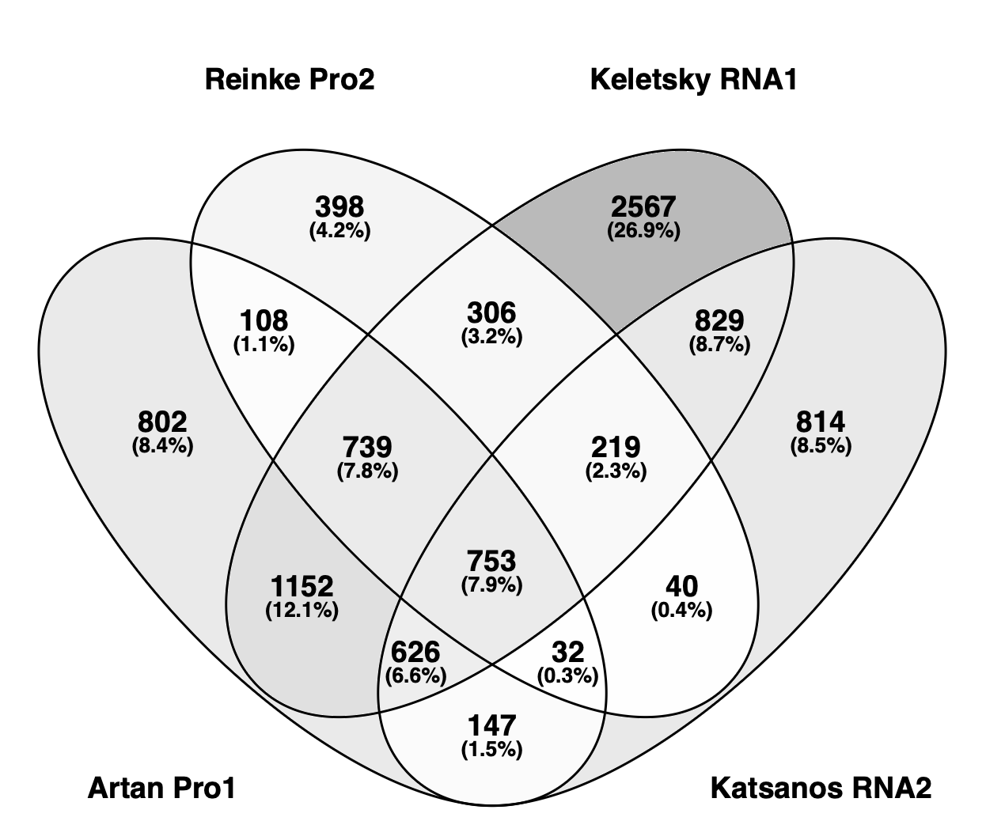
M01H9.3 | 12 | + | + | + | + | 4 | No | 4 | 9.49 | NS | TurboID only | 2.12 | TurboID only | NS | 4 | 22.80 | NS | TurboID only | NS | TurboID only | TurboID only | 0 | NS | NS | NS | 4 | 21.96 | NS | 3.31 | TurboID only | TurboID only | 0 | NS | NS | NS | aap-1 | abcf-1 | aakb-2 | abcf-2 |  |  |  | aakb-1 | abu-1
vit-4 | 11 |  | + | + |  | 2 | No | 3 | NS | 5.42 | 2.05 | 7.09 | NS | NS | 3 | NS | 4.11 | 2.92 | 8.71 | NS | NS | 2 | 12.55 | NS | 4.62 | 1 | NS | 7.30 | NS | NS | NS | 2 | 3.26 | NS | 6.23 | aars-2 | abcf-2 | aakg-1 | abcf-3 |  |  |  | aakb-1 | abu-5
vit-5 | 11 | + | + | + |  | 3 | No | 3 | NS | 5.05 | 2.19 | 7.52 | NS | NS | 3 | NS | 3.48 | 3.17 | 7.20 | NS | NS | 2 | 12.65 | NS | 5.92 | 1 | NS | 5.31 | NS | NS | NS | 2 | 2.82 | NS | 7.30 | aass-1 | abcf-3 | aakg-2 | abhd-3.2 |  |  |  | aakb-2 | abu-6
tap-1 | 11 | + | + | + |  | 3 | Yes | 3 | 13.48 | NS | NS | NS | TurboID only | TurboID only | 4 | 9.96 | NS | 7.26 | NS | TurboID only | TurboID only | 0 | NS | NS | NS | 3 | 13.51 | NS | NS | TurboID only | TurboID only | 1 | NS | TurboID only | NS | aatf-1 | abi-1 | aakg-5 | abhd-5.2 |  |  |  | aakb-2 | abu-10
bcc-1 | 11 | + | + | + | + | 4 | Yes | 1 | 4.29 | NS | NS | NS | NS | NS | 5 | 6.36 | NS | 10.51 | 4.73 | 11.06 | TurboID only | 0 | NS | NS | NS | 5 | 21.62 | TurboID only | 5.62 | 41.26 | TurboID only | 0 | NS | NS | NS | abce-1 | abt-1 | aap-1 | abu-12 |  |  |  | aakg-1 | ace-1
vps-13 | 11 |  |  |  |  | 0 | No | 3 | 3.09 | NS | 4.27 | 2.29 | NS | NS | 4 | TurboID only | 2.16 | 15.73 | 3.54 | NS | NS | 2 | 2.44 | NS | 2.05 | 2 | 2.41 | 2.68 | NS | NS | NS | 0 | NS | NS | NS | abcf-1 | abtm-1 | aars-1 | abu-13 |  |  |  | aakg-1 | ace-2
R102.2 | 11 | + | + | + |  | 3 | No | 3 | NS | NS | 4.64 | TurboID only | TurboID only | NS | 6 | 321.91 | 80.72 | 101.87 | TurboID only | TurboID only | TurboID only | 1 | NS | NS | TurboID only | 1 | NS | NS | NS | TurboID only | NS | 0 | NS | NS | NS | abcf-2 | abts-1 | aars-2 | AC3.5 |  |  |  | aakg-2 | ace-3
C30G12.2 | 10 | + | + |  |  | 2 | No | 2 | NS | 3.31 | NS | 5.24 | NS | NS | 2 | NS | 3.29 | NS | 6.78 | NS | NS | 2 | 3.47 | NS | 3.00 | 2 | NS | 6.90 | 2.59 | NS | NS | 2 | 2.75 | NS | 3.68 | abcf-3 | abu-12 | aat-3 | acaa-2 |  |  |  | aakg-2 | ace-4
T05F1.2 | 10 | + | + | + | + | 4 | No | 2 | NS | 2.62 | NS | 2.72 | NS | NS | 2 | NS | 2.73 | NS | 2.84 | NS | NS | 2 | 2.55 | NS | 2.08 | 2 | NS | 3.48 | 2.16 | NS | NS | 2 | 2.04 | NS | 2.19 | abhd-3.1 | abu-13 | aat-9 | acbp-1 |  |  |  | aakg-5 | acn-1
vit-1 | 10 |  | + | + |  | 2 | No | 2 | NS | 8.76 | NS | 7.03 | NS | NS | 3 | NS | 5.89 | 2.44 | 8.46 | NS | NS | 2 | 15.63 | NS | 5.03 | 1 | NS | 9.73 | NS | NS | NS | 2 | 3.82 | NS | 6.09 | abl-1 | AC3.5 | abce-1 | acbp-3 |  |  |  | aap-1 | aco-1
vit-6 | 10 | + | + | + |  | 3 | No | 2 | NS | 4.09 | NS | 6.49 | NS | NS | 3 | NS | 3.14 | 2.62 | 6.42 | NS | NS | 2 | 8.78 | NS | 4.46 | 1 | NS | 4.96 | NS | NS | NS | 2 | 2.18 | NS | 5.49 | abt-2 | acbp-1 | abcf-1 | acbp-4 |  |  |  | aars-1 | aco-2
vit-2 | 10 | + | + | + |  | 3 | No | 2 | NS | 2.64 | NS | 5.83 | NS | NS | 3 | NS | 2.22 | 3.06 | 5.12 | NS | NS | 2 | 8.03 | NS | 3.97 | 2 | NS | 3.16 | 2.03 | NS | NS | 1 | NS | NS | 4.96 | AC3.5 | acbp-3 | abcf-2 | acd-2 |  |  |  | aars-2 | acr-2
Y56A3A.7 | 10 | + | + | + |  | 3 | No | 3 | 13.06 | NS | TurboID only | TurboID only | NS | NS | 4 | 8.43 | NS | TurboID only | TurboID only | NS | TurboID only | 1 | NS | NS | TurboID only | 2 | 16.47 | NS | TurboID only | NS | NS | 0 | NS | NS | NS | acaa-2 | acdh-1 | abcf-3 | acdh-10 |  |  |  | aars-2 | acr-3
edc-4 | 10 | + | + |  |  | 2 | Yes | 3 | 2.96 | NS | 4.10 | NS | 3.78 | NS | 5 | 2.93 | 2.07 | 13.60 | NS | 9.81 | 2.49 | 0 | NS | NS | NS | 2 | 3.12 | NS | NS | 6.72 | NS | 0 | NS | NS | NS | acbp-1 | acdh-10 | abf-6 | acdh-12 |  |  |  | aass-1 | acr-5
ttc-36 | 10 | + | + |  | + | 3 | Yes | 3 | TurboID only | NS | 4.08 | TurboID only | NS | NS | 5 | TurboID only | TurboID only | 18.33 | TurboID only | NS | TurboID only | 0 | NS | NS | NS | 2 | NS | TurboID only | NS | 5.71 | NS | 0 | NS | NS | NS | acbp-3 | acdh-11 | abhd-11.2 | acdh-6 |  |  |  | aat-2 | acr-6
cth-1 | 9 |  | + |  |  | 1 | Yes | 2 | NS | 2.13 | NS | 3.26 | NS | NS | 2 | NS | 3.00 | NS | 2.80 | NS | NS | 2 | 3.07 | NS | 3.68 | 1 | NS | 4.63 | NS | NS | NS | 2 | 2.06 | NS | 2.50 | acbp-5 | acdh-12 | abhd-12 | acds-10 |  |  |  | aat-3 | acr-7
T22B7.7 | 9 |  | + | + |  | 2 | Yes | 2 | NS | 3.09 | NS | 5.63 | NS | NS | 2 | NS | 4.51 | NS | 5.01 | NS | NS | 2 | 9.67 | NS | 4.06 | 1 | NS | 6.36 | NS | NS | NS | 2 | 2.74 | NS | 3.74 | acdh-1 | acdh-13 | abhd-3.1 | acer-1 |  |  |  | aat-9 | acr-8
vit-3 | 9 | + | + | + |  | 3 | No | 2 | NS | 4.01 | NS | 8.27 | NS | NS | 2 | NS | 4.05 | NS | 8.32 | NS | NS | 2 | 10.67 | NS | 4.75 | 1 | NS | 7.79 | NS | NS | NS | 2 | 3.64 | NS | 5.86 | acdh-10 | acdh-3 | abhd-3.2 | acl-14 |  |  |  | aatf-1 | acr-9
Y39B6A.10 | 9 |  |  |  |  | 0 | No | 2 | NS | 4.09 | NS | 3.60 | NS | NS | 2 | NS | 2.13 | NS | 3.62 | NS | NS | 2 | 6.88 | NS | 3.23 | 1 | NS | 3.37 | NS | NS | NS | 2 | 3.44 | NS | 2.94 | acdh-11 | acdh-7 | abhd-5.2 | acl-4 |  |  |  | abce-1 | acr-10
F41E6.5 | 9 |  | + | + |  | 2 | Yes | 2 | NS | NS | TurboID only | 2.16 | NS | NS | 2 | 2.53 | NS | TurboID only | NS | NS | NS | 1 | NS | NS | 3.10 | 3 | 2.92 | NS | 3.26 | 2.31 | NS | 1 | NS | NS | 2.49 | acdh-12 | acdh-9 | abi-1 | acl-5 |  |  |  | abce-1 | acr-11
csr-1 | 9 | + | + | + |  | 3 | No | 2 | NS | 2.14 | NS | 2.55 | NS | NS | 2 | NS | 2.67 | NS | 2.40 | NS | NS | 2 | 2.88 | NS | 2.28 | 2 | NS | 3.03 | 2.25 | NS | NS | 1 | NS | NS | 2.37 | acdh-3 | acl-1 | abl-1 | acly-1 |  |  |  | abcf-1 | acr-12
F36A2.3 | 9 | + | + | + | + | 4 | No | 3 | 2.85 | TurboID only | NS | NS | 2.69 | NS | 2 | NS | TurboID only | NS | TurboID only | NS | NS | 1 | TurboID only | NS | NS | 2 | NS | TurboID only | NS | 2.49 | NS | 1 | TurboID only | NS | NS | acdh-6 | acl-14 | abt-2 | acly-2 |  |  |  | abcf-1 | acr-14
vsra-1 | 9 |  |  |  |  | 0 | No | 3 | 3.91 | 2.66 | NS | 3.38 | NS | NS | 2 | NS | 2.85 | NS | 2.35 | NS | NS | 2 | 2.88 | NS | 2.89 | 1 | NS | 2.37 | NS | NS | NS | 1 | NS | NS | 4.14 | acdh-7 | acl-2 | abt-4 | acn-1 |  |  |  | abcf-2 | acr-15
Y39G10AR.9 | 9 | + | + | + |  | 3 | Yes | 3 | 11.94 | NS | 4.04 | NS | NS | TurboID only | 3 | 11.84 | NS | 9.36 | NS | NS | TurboID only | 0 | NS | NS | NS | 3 | 12.19 | NS | NS | 6.08 | TurboID only | 0 | NS | NS | NS | acdh-9 | acl-5 | abtm-1 | aco-1 |  |  |  | abcf-2 | acr-16
F15G9.1 | 9 | + | + | + |  | 3 | No | 3 | 4.12 | NS | TurboID only | 3.12 | NS | NS | 4 | 2.08 | 5.56 | TurboID only | 6.05 | NS | NS | 0 | NS | NS | NS | 2 | 3.13 | 5.64 | NS | NS | NS | 0 | NS | NS | NS | acds-10 | acl-7 | abts-1 | aco-2 |  |  |  | abcf-3 | acr-17
tbb-6 | 9 | + | + | + | + | 4 | Yes | 4 | 9.63 | 2.15 | 5.47 | TurboID only | NS | NS | 3 | 2.27 | NS | 8.95 | TurboID only | NS | NS | 0 | NS | NS | NS | 2 | 4.25 | 2.38 | NS | NS | NS | 0 | NS | NS | NS | acer-1 | acly-2 | abts-3 | acox-1.1 |  |  |  | abcf-3 | acr-18
lys-4 | 8 | + | + | + |  | 3 | No | 1 | NS | 2.76 | NS | NS | NS | NS | 1 | NS | NS | NS | 4.06 | NS | NS | 2 | 3.70 | NS | 3.29 | 2 | NS | 3.89 | 2.96 | NS | NS | 2 | 3.97 | NS | 2.51 | acin-1 | acmsd | abts-4 | acox-1.2 |  |  |  | abf-6 | acr-19
plk-1 | 8 |  | + | + |  | 2 | Yes | 2 | NS | 2.66 | NS | 2.80 | NS | NS | 1 | NS | NS | NS | 2.94 | NS | NS | 2 | 3.54 | NS | 2.72 | 1 | NS | 2.93 | NS | NS | NS | 2 | 2.14 | NS | 2.34 | acl-14 | aco-1 | AC3.5 | acox-2 |  |  |  | abhd-11.2 | acr-20
sago-2 | 8 | + | + |  |  | 2 | No | 2 | NS | TurboID only | NS | 2.24 | NS | NS | 2 | NS | TurboID only | NS | 2.44 | NS | NS | 1 | TurboID only | NS | NS | 1 | NS | TurboID only | NS | NS | NS | 2 | TurboID only | NS | 2.15 | acl-4 | aco-2 | acaa-2 | acox-3 |  |  |  | abhd-12 | acr-21
Y55F3AM.9 | 8 | + | + |  |  | 2 | Yes | 3 | NS | TurboID only | 9.63 | NS | 5.65 | NS | 2 | NS | TurboID only | 40.63 | NS | NS | NS | 0 | NS | NS | NS | 2 | NS | TurboID only | NS | 5.04 | NS | 1 | TurboID only | NS | NS | acl-5 | acox-1 | acbp-1 | acp-3 |  |  |  | abhd-3.1 | lgc-11
C48B4.6 | 8 |  | + | + |  | 2 | No | 1 | NS | 2.24 | NS | NS | NS | NS | 3 | TurboID only | 2.12 | NS | TurboID only | NS | NS | 2 | 4.40 | NS | TurboID only | 1 | NS | 2.85 | NS | NS | NS | 1 | NS | NS | TurboID only | acly-1 | acp-6 | acbp-3 | acp-6 |  |  |  | abhd-3.2 | acr-23
ule-5 | 8 | + | + |  |  | 2 | No | 1 | NS | NS | NS | 5.07 | NS | NS | 3 | NS | NS | NS | 3.13 | 6.48 | 2.03 | 2 | 3.65 | NS | 2.16 | 1 | NS | NS | NS | NS | 4.20 | 1 | NS | NS | 3.33 | acly-2 | acs-1 | acbp-7 | acr-18 |  |  |  | abhd-5.2 | act-1
klp-18 | 8 | + | + | + |  | 3 | Yes | 2 | NS | 2.34 | NS | 3.49 | NS | NS | 2 | NS | 2.76 | NS | 2.42 | NS | NS | 2 | 3.35 | NS | 2.20 | 1 | NS | 2.41 | NS | NS | NS | 1 | NS | NS | 2.23 | aco-1 | acs-11 | acd-2 | acs-1 |  |  |  | abi-1 | act-2
rod-1 | 8 | + | + | + |  | 3 | Yes | 2 | NS | 3.12 | NS | 3.07 | NS | NS | 2 | NS | 2.53 | NS | 3.13 | NS | NS | 2 | 3.86 | NS | 2.88 | 1 | NS | 2.58 | NS | NS | NS | 1 | NS | NS | 2.62 | aco-2 | acs-13 | acdh-1 | acs-11 |  |  |  | abi-1 | act-3
wago-1 | 8 | + | + | + | + | 4 | No | 2 | NS | 2.35 | NS | 3.08 | NS | NS | 2 | NS | 2.83 | NS | 2.94 | NS | NS | 2 | 2.63 | NS | 2.16 | 1 | NS | 3.27 | NS | NS | NS | 1 | NS | NS | 2.04 | acox-1.2 | acs-14 | acdh-10 | acs-13 |  |  |  | abl-1 | act-4
Y62E10A.13 | 8 | + | + | + | + | 4 | Yes | 1 | NS | NS | NS | NS | TurboID only | NS | 3 | NS | 2.06 | NS | TurboID only | TurboID only | NS | 0 | NS | NS | NS | 4 | TurboID only | 4.44 | TurboID only | TurboID only | NS | 0 | NS | NS | NS | acox-1.5 | acs-17 | acdh-11 | acs-14 |  |  |  | abt-1 | act-5
golg-4 | 8 | + | + | + |  | 3 | Yes | 2 | TurboID only | TurboID only | NS | NS | NS | NS | 3 | TurboID only | TurboID only | 3.34 | NS | NS | NS | 0 | NS | NS | NS | 3 | TurboID only | TurboID only | NS | 2.84 | NS | 0 | NS | NS | NS | acox-3 | acs-19 | acdh-12 | acs-17 |  |  |  | abt-2 | acy-1
...

