(9) Overlaps Filter-2
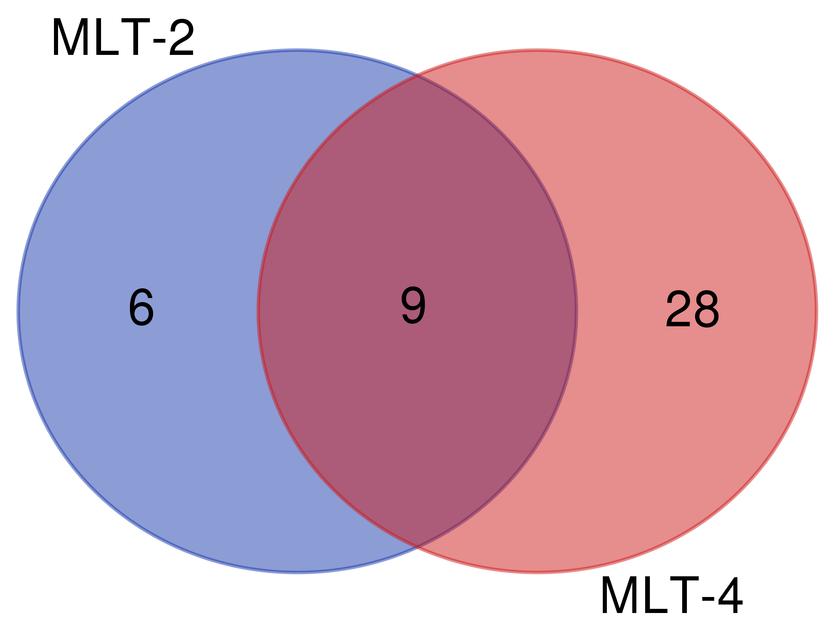
MLT-2 (15) | MLT-4 (37) | Both (9) | MLT-2 (6) | MLT-4 (28)
ZK856.7 | nekl-2 | asp-2 | cht-1 | act-2
nekl-2 | C18C4.7 | C18C4.7 | hmr-1 | afd-1
asp-2 | sqt-2 | eas-1 | iff-1 | ape-1
C18C4.7 | tap-1 | K09G1.1 | snrp-40.1 | B0205.10
sqt-2 | asp-2 | mlt-2 | ZK550.6 | col-178
ZK550.6 | col-178 | myo-3 | ZK856.7 | dlg-1
cht-1 | K09G1.1 | nekl-2 |  | emb-9
K09G1.1 | mlt-2 | sqt-2 |  | F13D12.5
iff-1 | nmy-1 | T19C4.1 |  | F26E4.3
mlt-2 | unc-52 |  |  | F53B3.6
myo-3 | mlt-4 |  |  | hil-4
T19C4.1 | F13D12.5 |  |  | hum-5
eas-1 | act-2 |  |  | ketn-1
hmr-1 | myo-3 |  |  | let-2
snrp-40.1 | afd-1 |  |  | let-805
 | T01H3.3 |  |  | M116.5
 | emb-9 |  |  | mlc-4
 | let-2 |  |  | mlt-4
 | eas-1 |  |  | myo-5
 | mlc-4 |  |  | nmy-1
 | nmy-2 |  |  | nmy-2
 | unc-54 |  |  | nola-3
 | myo-5 |  |  | R09E10.5
 | let-805 |  |  | T01H3.3
 | R09E10.5 |  |  | tap-1
 | unc-87 |  |  | unc-52
 | F26E4.3 |  |  | unc-54
 | T19C4.1 |  |  | unc-87
 | ketn-1
 | B0205.10
 | ape-1
 | hum-5
 | nola-3
 | dlg-1
 | F53B3.6
 | hil-4
 | M116.5

