Overlaps Filter-2
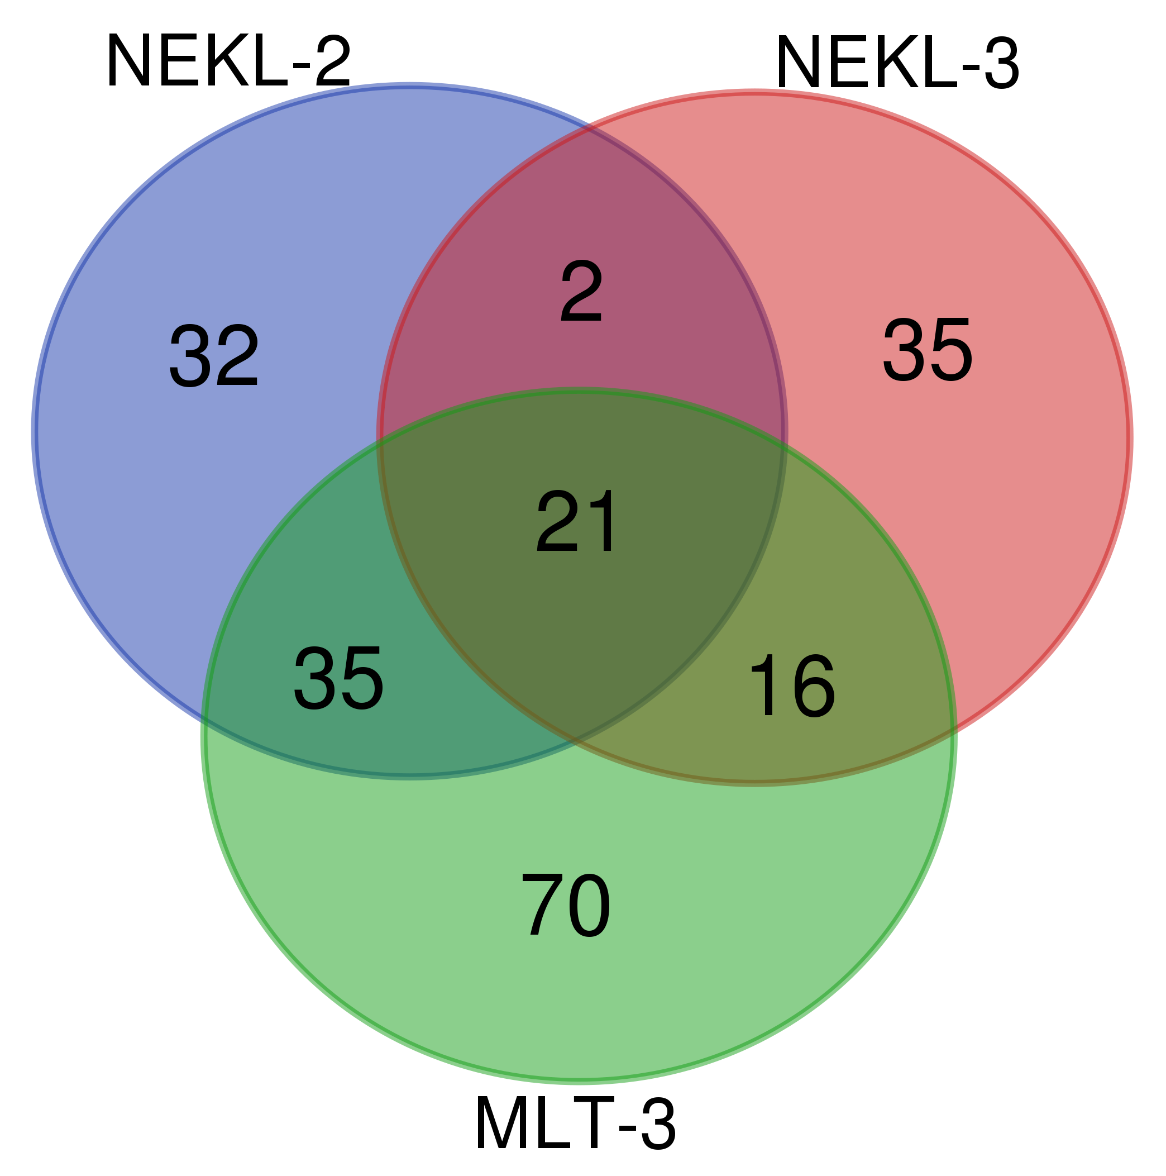
NEKL-2 (90) | NEKL-3 (74) | MLT-3 (142) | All 3 (21) | NEKL-2 NEKL-3 (2) | NEKL-2 MLT-3 (35) | NEKL-3 MLT-3 (16) | NEKL-2 ONLY (32) | NEKL-3 ONLY (35) | MLT-3 ONLY (70)
Y54G2A.40 | R102.2 | M01H9.3 | akt-2 | eef-1B.1 | best-3 | bcc-1 | aka-1 | abts-4 | cogc-3
M01H9.3 | tap-1 | Y54G2A.40 | alfa-1 | srp-2 | C07A12.7 | dnbp-1 | best-17 | aco-1 | dbt-1
tap-1 | Y54G2A.40 | tap-1 | cdkr-3 |  | C48B6.2 | enol-1 | cdc-37 | brc-2 | kin-29
gldi-7 | M01H9.3 | gldi-7 | clp-1 |  | cst-1 | flor-1 | col-160 | C29F7.3 | F02A9.10
K02B12.7 | Y62E10A.13 | K02B12.7 | clp-7 |  | dhp-1 | frm-4 | col-176 | catp-4 | T10G3.3
scb-1 | F25H8.2 | ppfr-4 | deb-1 |  | dnj-16 | got-2.2 | CTEL55X.1 | copz-1 | ZK1321.4
del-6 | mdt-4 | glna-2 | edc-4 |  | egl-15 | K07E3.4 | daf-18 | ctc-2 | ZK822.1
hmr-1 | ppfr-4 | dnc-3 | efk-1 |  | F36A2.3 | lec-2 | del-6 | cyc-2.1 | acox-1.1
F25H8.2 | eef-1B.1 | C07A12.7 | F25H8.2 |  | F42A10.5 | let-805 | fkb-6 | eif-2A | pqn-59
eef-1B.1 | T28F4.5 | mdt-4 | fah-1 |  | F53C11.5 | mlt-3 | H35B03.1 | exc-15 | C05C12.5
unc-25 | srp-2 | F25H8.2 | M01H9.3 |  | frm-5.1 | natc-1 | hmp-1 | F09E5.3 | golg-4
ppfr-4 | clp-1 | T04A11.2 | mdt-4 |  | gakh-1 | nekl-3 | hmr-1 | F20D6.6 | ttc-36
Y62E10A.13 | nekl-3 | Y62E10A.13 | pck-1 |  | gldi-7 | sec-6 | hpo-13 | F25B5.6 | hacl-1
Y47G6A.18 | cdkr-3 | clp-1 | phdh-1 |  | K02B12.7 | spe-5 | hpo-9 | glna-1 | lmd-3
mdt-4 | fah-1 | Y76A2B.5 | ppfr-4 |  | larp-1 | T04B8.5 | jac-1 | gsp-1 | Y39G10AR.9
T04A11.2 | natc-1 | tes-1 | R102.2 |  | mlt-2 | tps-1 | K05C4.7 | lam-1 | brap-2
mom-4 | exc-15 | T02G5.7 | saps-1 |  | mom-4 |  | kin-9 | mthf-1 | F55A12.5
best-17 | mlt-3 | dhp-1 | T28F4.5 |  | nhl-2 |  | lab-2 | nhr-7 | F46F11.1
CTEL55X.1 | eif-2A | mom-4 | tap-1 |  | panl-3 |  | mag-1 | pacs-1 | flu-2
mag-1 | bcc-1 | ret-1 | Y54G2A.40 |  | pes-7 |  | mlt-4 | perm-4 | vab-19
ubc-3 | sec-6 | rsf-1 | Y62E10A.13 |  | pptr-2 |  | mtm-10 | prdx-2 | vha-10
kin-9 | saps-1 | T10G3.3 |  |  | puf-9 |  | nekl-2 | sir-2.4 | R74.7
R102.2 | alfa-1 | ZK909.3 |  |  | ret-1 |  | odr-4 | sta-1 | R05H10.1
srp-2 | glna-1 | puf-9 |  |  | rpap-2 |  | R07E5.1 | sti-1 | pfkb-1.1
clp-1 | edc-4 | R05H10.1 |  |  | smap-1 |  | scb-1 | T19C4.1 | dcap-2
puf-9 | K07E3.4 | best-3 |  |  | T02G5.7 |  | sec-10 | ttll-5 | upp-1
C48B6.2 | phdh-1 | unc-25 |  |  | T04A11.2 |  | sna-2 | ule-5 | Y38E10A.22
C07A12.7 | prdx-2 | cpin-1 |  |  | T04F3.1 |  | spk-1 | vha-2 | glna-2
tes-1 | ZK813.3 | brap-2 |  |  | tes-1 |  | tat-1 | W08E12.7 | met-2
T02G5.7 | sta-1 | F53C11.5 |  |  | ubc-3 |  | ubc-7 | Y18H1A.4 | dnc-3
ubc-7 | brc-2 | dnj-16 |  |  | unc-25 |  | Y47G6A.18 | Y45F10C.2 | syx-5
vps-32.1 | ule-5 | unc-94 |  |  | vps-32.1 |  | znf-622 | Y62H9A.3 | F17B5.1
dhp-1 | ttll-5 | pud-1.2 |  |  | Y55F3AM.9 |  |  | Y62H9A.5 | sodh-1
hpo-13 | dnbp-1 | R74.7 |  |  | Y92H12BL.7 |  |  | ZK813.1 | unk-1
aka-1 | Y62H9A.5 | ubc-3 |  |  | Y92H12BM.1 |  |  | ZK813.3 | xpd-1
dnj-16 | got-2.2 | ndub-10 |  |  |  |  |  |  | snap-29
lab-2 | flor-1 | T28F4.5 |  |  |  |  |  |  | rle-1
F53C11.5 | T04B8.5 | npp-14 |  |  |  |  |  |  | aakg-2
R07E5.1 | copz-1 | C48B6.2 |  |  |  |  |  |  | cogc-6
ret-1 | akt-2 | nhl-2 |  |  |  |  |  |  | ZK909.3
mtm-10 | Y18H1A.4 | vps-32.1 |  |  |  |  |  |  | ech-1.1
sec-10 | lec-2 | egl-15 |  |  |  |  |  |  | nhr-10
odr-4 | perm-4 | ZK353.9 |  |  |  |  |  |  | exoc-7
nhl-2 | deb-1 | R102.2 |  |  |  |  |  |  | patr-1
best-3 | F20D6.6 | mlt-3 |  |  |  |  |  |  | Y76A2B.5
egl-15 | F25B5.6 | nekl-3 |  |  |  |  |  |  | skr-1
T28F4.5 | sir-2.4 | bcc-1 |  |  |  |  |  |  | cpin-1
K05C4.7 | clp-7 | Y92H12BM.1 |  |  |  |  |  |  | ccnk-1
mlt-2 | abts-4 | sec-6 |  |  |  |  |  |  | mask-1
hpo-9 | tps-1 | cdkr-3 |  |  |  |  |  |  | tbb-4
Y92H12BM.1 | ZK813.1 | alfa-1 |  |  |  |  |  |  | F41E6.5
jac-1 | Y62H9A.3 | saps-1 |  |  |  |  |  |  | pud-1.2
F42A10.5 | catp-4 | F42A10.5 |  |  |  |  |  |  | ndub-10
cdc-37 | nhr-7 | natc-1 |  |  |  |  |  |  | npp-14
alfa-1 | pacs-1 | mlt-2 |  |  |  |  |  |  | R09E10.5
saps-1 | enol-1 | T04F3.1 |  |  |  |  |  |  | unc-94
mlt-4 | efk-1 | dnbp-1 |  |  |  |  |  |  | ZK353.9
nekl-2 | pck-1 | Y92H12BL.7 |  |  |  |  |  |  | rsf-1
col-176 | Y45F10C.2 | rpap-2 |  |  |  |  |  |  | C09E8.1
fkb-6 | cyc-2.1 | snap-29 |  |  |  |  |  |  | pho-7
cdkr-3 | frm-4 | fah-1 |  |  |  |  |  |  | smcr-8
rpap-2 | sti-1 | K07E3.4 |  |  |  |  |  |  | pxf-1
panl-3 | spe-5 | edc-4 |  |  |  |  |  |  | coel-1
Y55F3AM.9 | mthf-1 | Y39G10AR.9 |  |  |  |  |  |  | fli-1
H35B03.1 | F09E5.3 | akt-2 |  |  |  |  |  |  | ark-1
Y92H12BL.7 | T19C4.1 | phdh-1 |  |  |  |  |  |  | spc-1
fah-1 | W08E12.7 | ttc-36 |  |  |  |  |  |  | lec-1
sna-2 | aco-1 | pfkb-1.1 |  |  |  |  |  |  | cpn-2
znf-622 | C29F7.3 | Y55F3AM.9 |  |  |  |  |  |  | T24B1.1
spk-1 | let-805 | coel-1 |  |  |  |  |  |  | alh-6
edc-4 | vha-2 | flor-1
clp-7 | ctc-2 | unk-1
frm-5.1 | gsp-1 | cst-1
T04F3.1 | lam-1 | tps-1
col-160 |  | vha-10
phdh-1 |  | pes-7
pptr-2 |  | ZK822.1
deb-1 |  | upp-1
akt-2 |  | deb-1
hmp-1 |  | tbb-4
tat-1 |  | cpn-2
F36A2.3 |  | cogc-6
pes-7 |  | nhr-10
daf-18 |  | skr-1
cst-1 |  | mask-1
larp-1 |  | dbt-1
pck-1 |  | smap-1
smap-1 |  | clp-7
gakh-1 |  | T24B1.1
efk-1 |  | lec-1
 |  | rle-1
 |  | gakh-1
 |  | pck-1
 |  | golg-4
 |  | let-805
 |  | flu-2
 |  | sodh-1
 |  | R09E10.5
 |  | patr-1
 |  | frm-5.1
 |  | ark-1
 |  | F36A2.3
 |  | dcap-2
 |  | pqn-59
 |  | frm-4
 |  | enol-1
 |  | fli-1
 |  | ccnk-1
 |  | pxf-1
 |  | smcr-8
 |  | lmd-3
 |  | C05C12.5
 |  | aakg-2
 |  | lec-2
 |  | F41E6.5
 |  | spe-5
 |  | Y38E10A.22
 |  | F02A9.10
 |  | F46F11.1
 |  | ZK1321.4
 |  | exoc-7
 |  | cogc-3
 |  | got-2.2
 |  | vab-19
 |  | T04B8.5
 |  | xpd-1
 |  | F55A12.5
 |  | pptr-2
 |  | acox-1.1
 |  | C09E8.1
 |  | kin-29
 |  | larp-1
 |  | ech-1.1
 |  | alh-6
 |  | met-2
 |  | pho-7
 |  | panl-3
 |  | F17B5.1
 |  | spc-1
 |  | hacl-1
 |  | efk-1
 |  | syx-5

