Dataset EV5
 | GFP phenotype
 | 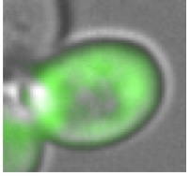 | 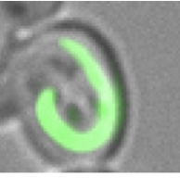 | 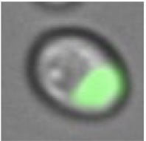 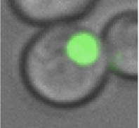 |  | 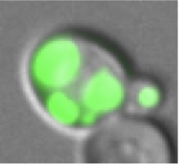 |  | 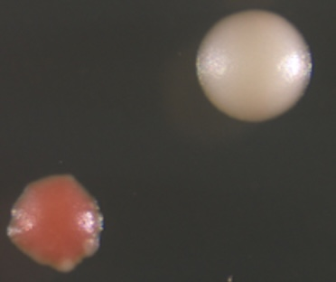 | 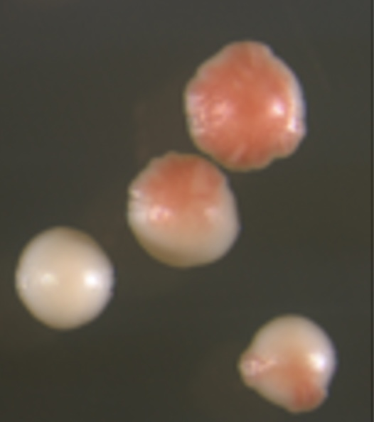
Sequence | Difusse | Ring | Bright focus | Compact focus | Multiple foci | PSI+ | Stable | Unstable
NMD | 100% | 0.00% | 0% | 0% | 0% | 31% |  | +++
NM | 0% | 0.00% | 5.80% | 86.63% | 7.65% | 100% | +++
HP1 | 0% | 0.48% | 11.96% | 55.50% | 32.06% | 100% | +++
HP2 | 0.70% | 0.71% | 18.44% | 70.21% | 9.93% | 98% | +++
CC3 | 0% | 13.86% | 53.46% | 14.85% | 17.82% | 65% |  | +
BH4 | 0% | 0.00% | 74.46% | 25.53% | 0% | 91% | ++
RI5 | 12.90% | 16.12% | 31.45% | 37.90% | 1.61% | 81% |  | +
RI6 | 0% | 11.10% | 27.77% | 59.25% | 1.81% | 66% |  | ++
SA7 | 0% | 3.26% | 50% | 46.70% | 1.08% | 88% | +++
LD8 | 17.65% | 0.00% | 5.88% | 67.65% | 8.82% | 91% | ++
P9 | 0% | 6.35% | 17.46% | 75.40% | 0.79% | 67% | ++
HA10 | 38.89% | 20.99% | 6.17% | 33.33% | 0.62% | 75% |  | ++

