Figure 1
Figure 1. Share of personal taxes paid by the top 10% and 5%, European countries (2013/2014) (%)
Figure 1. Share of personal taxes paid by the top 10% and 5%, European countries (2013/2014) (%)
 | Top 10% | Top 5%
Portugal | 46.3 | 31.0
UK | 46.3 | 32.3
Ireland | 43.7 | 27.8
Spain | 41.5 | 27.8
Cyprus | 39.5 | 23.2
Greece | 38.8 | 27.6
Croatia | 37.0 | 23.9
Italy | 36.5 | 24.1
Malta | 35.7 | 22.9
Czech R. | 35.6 | 22.9
Slovenia | 35.2 | 23.2
Serbia | 35.1 | 22.3
Latvia | 34.9 | 21.6
Estonia | 34.9 | 22.1
Luxembourg | 33.1 | 20.2
Romenia | 32.7 | 19.3
Austria | 32.3 | 20.7
Lithuania | 32.3 | 18.6
Netherlands | 31.9 | 20.5
France | 31.9 | 21.1
Finland | 31.0 | 19.3
Belgium | 30.7 | 18.7
Germany | 30.6 | 19.1
Norway | 30.2 | 19.4
Sweden | 29.4 | 19.1
Slovakia | 29.1 | 18.0
Denmark | 28.6 | 18.7
Iceland | 27.6 | 17.2
Poland | 27.6 | 17.1
Switzerland | 27.1 | 17.7
Hungary | 26.8 | 15.4
Bulgaria | 26.4 | 15.4
Source: EU-SILC microdata 2014 and 2015.

Figure 2
Figure 2. Redistributive impact of taxes in top 10% and 5% income shares, European countries (2013-2014) (%)
Figure 2. Redistributive impact of taxes in top 10% and 5% income shares, European countries (2013-2014) (%)
 | Top 10% | Top 5%
Portugal | 15.4 | 17.5
Ireland | 14.4 | 14.7
United Kingdom | 14.1 | 16.9
Slovenia | 13.2 | 16.6
Netherlands | 11.4 | 13.0
Norway | 11.0 | 12.8
Greece | 10.4 | 14.1
Croatia | 10.4 | 12.8
Italy | 10.3 | 12.1
Finland | 10.1 | 11.0
Sweden | 10.0 | 12.8
Spain | 9.6 | 11.8
Belgium | 9.5 | 9.4
Malta | 9.4 | 10.8
Austria | 9.1 | 9.5
Iceland | 9.0 | 9.8
Luxembourg | 7.7 | 8.6
Czech R. | 7.5 | 8.5
Denmark | 7.3 | 7.9
Romenia | 5.7 | 5.8
Germany | 5.1 | 5.0
Estonia | 5.0 | 5.7
Serbia | 4.8 | 4.4
France | 4.8 | 5.2
Latvia | 4.5 | 5.0
Slovakia | 4.4 | 4.9
Cyprus | 3.6 | 1.2
Lithuania | 2.9 | 1.3
Poland | 2.7 | 3.0
Hugary | 2.4 | 1.8
Switzerland | 1.9 | 2.7
Source: EU-SILC microdata 2014 and 2015.

Figure 3
Correlation between pre-tax income inequality and redistributive impact of taxes (top 10% shares), European countries (2013/2014) (%)
 | Top 10% adjusted gross income share | Impact of taxes on top 10% share
POR | 31.3 | 15.4
IRE | 28.6 | 14.4
UK | 28.3 | 14.1
SLN | 23.3 | 13.2
NET | 25.0 | 11.4
NOR | 22.6 | 11.0
GRE | 28.3 | 10.4
CRO | 25.0 | 10.4
ITA | 27.4 | 10.3
FIN | 23.4 | 10.1
SWE | 22.3 | 10.0
SPA | 27.4 | 9.6
BEL | 22.8 | 9.5
MAL | 24.6 | 9.4
AUS | 25.0 | 9.1
ICE | 21.9 | 9.0
LUX | 24.3 | 7.7
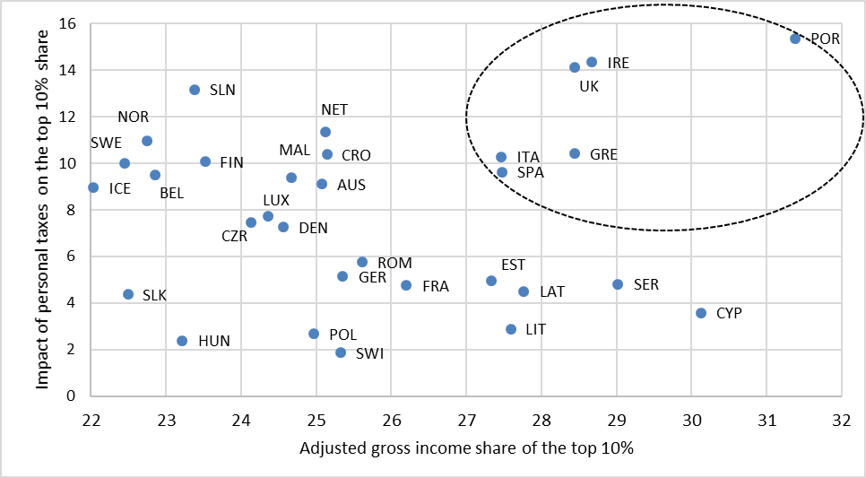
CZR | 24.0 | 7.5
DEN | 24.5 | 7.3
ROM | 25.5 | 5.7
GER | 25.3 | 5.1
EST | 27.2 | 5.0
SER | 28.9 | 4.8
FRA | 26.1 | 4.8
LAT | 27.7 | 4.5
SLK | 22.4 | 4.4
CYP | 30.0 | 3.6
LIT | 27.5 | 2.9
POL | 24.9 | 2.7
HUN | 23.1 | 2.4
SWI | 25.2 | 1.9
Source: EU-SILC microdata 2014 and 2015.

Figure 4
Figure 4. Correlation between pre-tax income inequality and redistributive impact of taxes (top 5% shares), European countries (2013/2014) (%)
 | Top 5% adjusted gross income share | Impact of taxes on top 5% share
POR | 20.0 | 17.5
UK | 18.3 | 16.9
SLN | 14.2 | 16.6
IRE | 17.7 | 14.7
GRE | 18.5 | 14.1
NET | 15.6 | 13.0
SWE | 13.6 | 12.8
NOR | 13.9 | 12.8
CRO | 15.1 | 12.8
ITA | 17.3 | 12.1
SPA | 16.8 | 11.8
FIN | 14.2 | 11.0
MAL | 14.9 | 10.8
ICE | 13.3 | 9.8
AUS | 15.5 | 9.5
BEL | 13.6 | 9.4
LUX | 14.6 | 8.6
CZR | 15.0 | 8.5
DEN | 15.7 | 7.9
ROM | 15.1 | 5.8
EST | 16.5 | 5.7
FRA | 16.9 | 5.2
LAT | 17.0 | 5.0
GER | 15.7 | 5.0
SLK | 13.7 | 4.9
SER | 18.3 | 4.4
POL | 15.3 | 3.0
SWI | 16.1 | 2.7
HUN | 13.8 | 1.8
LIT | 16.7 | 1.3
CYP | 20.1 | 1.2
Source: EU-SILC microdata 2014 and 2015.

