Criteria
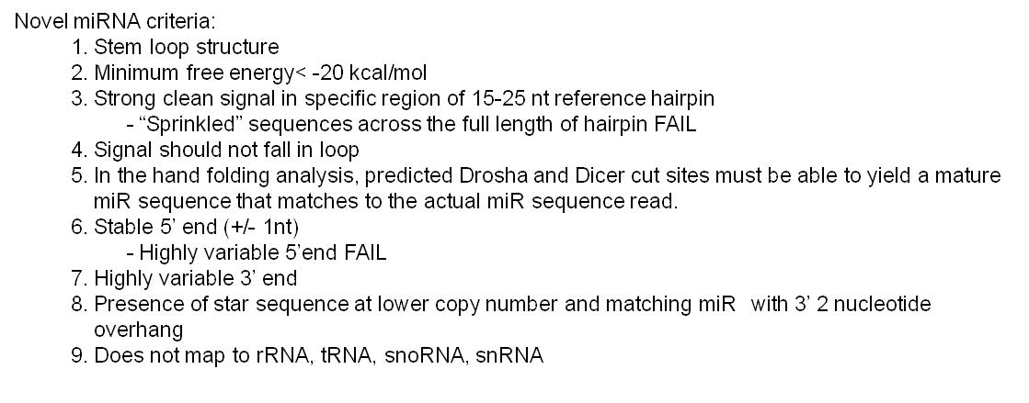



Dicer Cuts
Drosha Cuts

Novel Figures
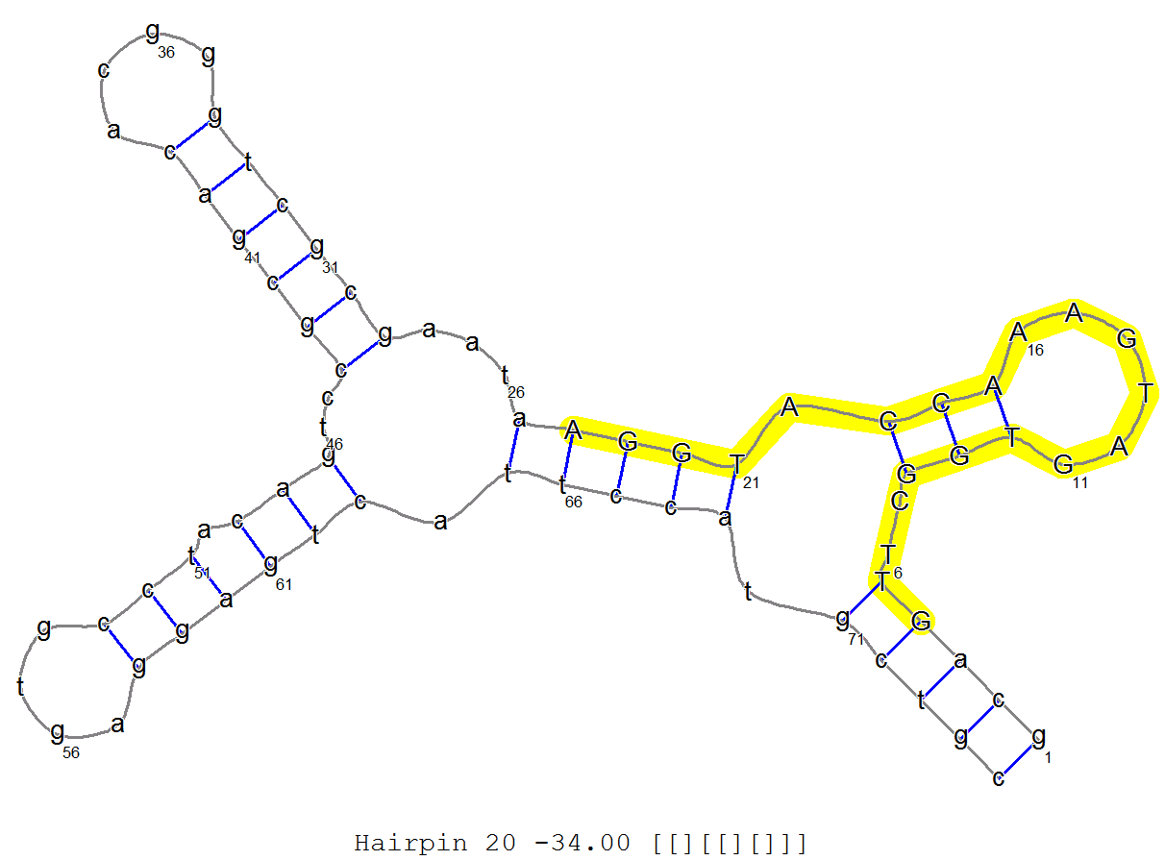
1 | >hairpin_candi_1
 | GAGGTTAGATGGCACTTTGGGGTTTCCTTCTGAGGAATATCAGACCTGTGGGAAAGGTCCAACCTCACATGTCCTGTATAGAATAAGGAGGGATATATGTGGTCAGACCTATCCCACAGGCCCTGTATTCTTACACAAGTGCAGAGACCTTGACATGCCATCTGATCTT
 | ((((((((((((((..(..((((((((((.(((((((((.(((.(((((((((.(((((..(((.((.(((((((..............))))))).)).)))..))))).)))))))))..)))))))))).)).)))....)))))))..)..))))))))))))))
 | *****************************************************AAGGTCCAACCTCACATGTCCT***********************************************************************************************
 | .....................................................AAGGTCCAACCTCACATGTCCT............................................................................................... 5633|s6_run28
 | .....................................................AAGGTCCAACCTCACATGTCC................................................................................................ 587|s6_run28
 | .....................................................AAGGTCCAACCTCACATG................................................................................................... 25|s6_run28
 | .....................................................AAGGTCCAACCTCACATGT.................................................................................................. 19|s6_run28
 | ......................................................AGGTCCAACCTCACATGTCCT............................................................................................... 19|s6_run28
 | .....................................................AAGGTCCAACCTCAC...................................................................................................... 5|s6_run28
 | ...........................................................................................GATATATGTGGTCAGACCTAT.......................................................... 5|s6_run28
 | ......................................................................................................................................................................... 6293|s6_run28
 | ---------------------------------------------------------------------------------------------------------
 | .....................................................AAGGTCCAACCTCACATGTCCT............................................................................................... 1336|s7_run28
 | .....................................................AAGGTCCAACCTCACATGTCC................................................................................................ 106|s7_run28
 | .....................................................AAGGTCCAACCTCACATG................................................................................................... 12|s7_run28
 | .....................................................AAGGTCCAACCTCACATGT.................................................................................................. 7|s7_run28
 | ......................................................AGGTCCAACCTCACATGTCCT............................................................................................... 5|s7_run28
 | ......................................................................................................................................................................... 1466|s7_run28
 | ---------------------------------------------------------------------------------------------------------

