Validation of the aCGH results
Additional file 5: The validation of the aCGH results using qPCR method.

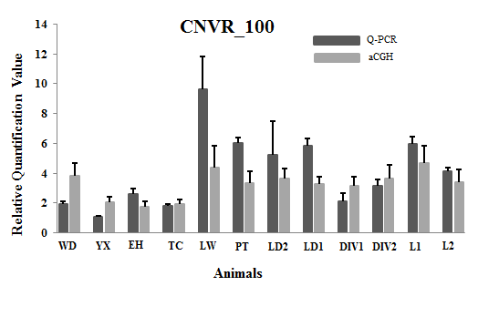
 |  | CNVR_100
 | Animals | Ratio(qPCR) | Log2ratio (arrayCGH)
 | WD | 1.9588405952 | 0.93268
 | YX | 1.0942937013 | 0.02483
 | EH | 2.5668517951 | -0.19433
 | TC | 1.8276629005 | -0.03726
 | LW | 9.51365692 | 1.13221
 | PT | 6.0209869896 | 0.72823
 | LD2 | 4.8232313108 | 0.85961
 | LD1 | 5.8563427838 | 0.70809
 | DIV1 | 2.0705298477 | 0.67234
 | DIV2 | 3.1383363916 | 0.86781
 | L1 | 5.9793969945 | 1.22119
 | L2 | 4.1124553066 | 0.75437
 |  | R2=0.64115 , P=0.02

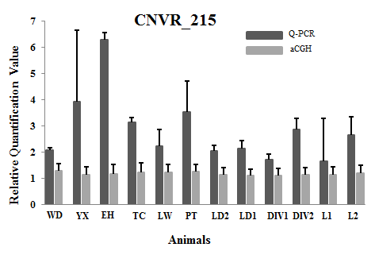
 |  | CNVR_215
 | Animals | Ratio(qPCR) | Log2ratio (arrayCGH)
 | WD | 1 | -0.79315
 | YX | 1.6021397552 | -0.74771
 | EH | 3.0104934948 | -0.63064
 | TC | 1.5157165665 | -0.78878
 | LW | 1.0352649238 | -0.77065
 | PT | 1.6132835184 | -0.70831
 | LD2 | 0.98623270449 | -0.70961
 | LD1 | 1.0139594798 | -0.64977
 | DIV1 | 0.82931954581 | -0.81852
 | DIV2 | 1.3660402568 | -0.85314
 | L1 | 0.53961411825 | -0.83223
 | L2 | 1.2570133745 | -0.81231
 |  | R2=0.56624 , P=0.05

