Up_signature
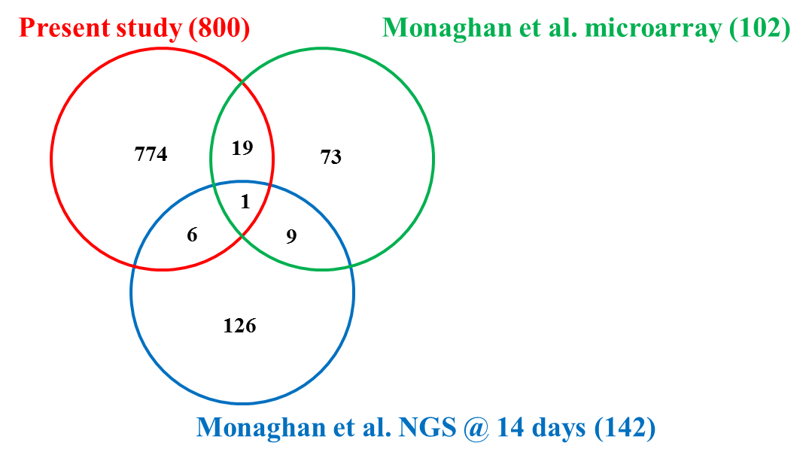
774 | 73 | 126 | 19 | 9 | 6 | 1
12-RFA | ALOX15B | AASS | AURKA | ANP32E | ACTR6 | MAT2A
A2LD1 | AMD1 | ACTC | CCNB3 | CA5B | KRT12
AAAS | APEX1 | AHNAK | CDC7 | CTPS | KRT17
ABTB2 | ATF5 | AK1 | KIFC1 | HIGD1A | OTOG
ACVR1B | AURKB | AKAP8L | LMNB2 | HMGB2 | RDD2
ADNP2 | C11ORF31 | AP2M1 | LSM2 | KPNA2 | SFRS2
AGR2 | CBX3 | ATP6V1B2 | MAD2L1 | PCNA
AK-C-A | CCDC43 | C15ORF20 | MSX2 | POSTN
ALCAM | CCDC58 | CAPN1 | PARP1 | WFDC3
ALDH1A2 | CCNA2 | CAPNS1 | PLK1
ALDH9A1 | CCNB1 | CAPZA2 | PRIM1
ALDOC | CDC2 | CCT3 | RRM1
ALPL | CDC20 | CD69 | SEPHS1
ALS2CR4 | CDC25A | CLPX | SFRS1
ANAPC4 | CDCA8 | CLTC | STMN1
ANGPT1 | CTH | CNN2 | TPX2
ANKRD37 | CYCS | CNOT1 | TYMS
ANKRD45 | DLG7 | COL5A2 | UHRF1
ANKS3 | DNASE1L3 | COL6A2 | WNT5A
ANLN | DRB1 | CRELD2
APCDD1 | DUSP11 | CTNNB1
APEX2 | EEF1E1 | DDX5
APITD1 | ELOF1 | DENND2C
APOH | FDPS | DPT
ARHGAP6 | FEN1 | DSP
ARL6IP6 | FLJ20758 | EDD1
ARMC5 | GCLC | EIF1AX
ARX | H2AFY2 | EIF2S3
ASF1-B | H3F3A | FABP3
ATAD2B | HIST1H1B | FBN1
ATR | HIST2H2AC | FCGBP
AURKB-B | HSPA9B | FKBP4
B4GALNT1 | ID3 | FLII
BAMBI | KIAA0101 | GABARAPL2
BANP | KIF11 | GCSH
BAZ1A | KRTAP9-2 | GHITM
BAZ1B | LOC643509 | GIMAP4
BBS9 | MCM4 | GNA13
BCDIN3D | MPHOSPH10 | GNB4
BEND5 | NCBP2 | GSTK1
BLM | NDRG1 | GSTP1
BMP7 | NOLC1 | HBA1
BOC | NUSAP1 | HINT1
BOP1 | OGN | HIST1H2BJ
BRCA1 | PBK | HIST2H2BE
BRD1 | PCK1 | HSCARG
BRF2 | PPAT | IFIT5
BRMS1L | PRPF39 | ILF2
BUB1 | PRSS15 | INMT
C10ORF140 | PSAT1 | JC7
C10ORF2 | PTBP1 | K-ALPHA-1
C11ORF60 | RANBP1 | K6IRS3
C12ORF48 | RBMX | KIAA0853
C13ORF34 | RCC1 | KRT15
C14ORF1 | RFC2 | KRT20
C14ORF104 | RNASEH2A | KRT4
C14ORF179 | RPA2 | KRTAP10-7
C17ORF75 | RPL31 | LDHA
C1ORF66 | RRM2 | LDHB
C21ORF91 | RUVBL1 | LOC285527
C2ORF68 | SFRS14 | LOC642707
C3ORF39 | SLBP | LOC642956
C3ORF54-A | SMC4L1 | LOC647087
C4ORF31 | SPEN | LOC651665
C5ORF30 | TARDBP | LPO
C6ORF134 | TGM5 | LSM7
C6ORF167 | TMEM52 | MATN4
C8ORF79 | TMPO | MCM7
C9ORF125 | U2AF1 | MDH1
C9ORF41 | UBE2I | MPEG1
C9ORF95 | UHRF2 | MPST
C9ORF98 | VRK1 | MUC16
CADPS | WARS | MYH3
CAMK1D |  | MYH4
CAPN9 |  | NUCKS1
CASP2 |  | OPRS1
CAT1 |  | P4HB
CBFA2T2 |  | PDCD5
CBS |  | PDCD6IP
CBX1 |  | PDCD8
CBX5 |  | PEBP1
CCDC3 |  | PEG10
CCDC52 |  | PIGT
CCDC84 |  | PKM2
CCDC85C |  | PRG4
CCNB1.2 |  | PRX
CCNE2 |  | PSCA
CCNJ |  | PVALB
CDC25C |  | RAB7
CDCA5-B |  | RAD21
CDCA7 |  | RNF36
CDCA7L |  | ROBLD3
CDH1 |  | RPL7
CDH20 |  | RPN1
CDH2A |  | RPS16
CDH6 |  | RPSA
CDK1-B |  | S100A1
CDK2 |  | SKIV2L2
CDK5RAP1 |  | SLC31A1
CDON |  | SMC1L1
CDT1 |  | SPINT1
CELA3A |  | SQRDL
CENPA |  | STAG2
CENPL |  | TAGLN2
CENPV |  | TGM3
CHAF1A |  | TIMM50
CHAF1B |  | TIMP1
CHEK1 |  | TKTL1
CHERP |  | TMEM134
CHRNE |  | TMSB4X
CHRNG |  | TNNC2
CHST11 |  | TNNI2
CLDN4 |  | TPI1
CLEC3A |  | TTN
CLIP3 |  | TUBA2
CLSPN |  | TXN
CNPY1 |  | UBE2D2
CNTFR |  | UBE2L3
COL18A1 |  | UMOD
COL2A1 |  | UQCR
COL6A1 |  | VIT
COL9A1 |  | YWHAZ
COL9A2 |  | ZNF619
COL9A3 |  | ZNF622
COPS7B |  | ZNF706
COQ6 |  | ZNF9
CORO2B
CPS1
CPSF4
CRABP1
CRABP2
CREB1
CRELD2-A
CRY1
CTBP1
CTCF
CTPS-A
CXADR
CXORF38
CYP51A1
CYR61
CYYR1
D7
DACH2
DBF4
DCAF15
DCC
DCPS
DCTPP1
DHPS
DHTKD1
DKC1
DLX5
DLX6
DNAJC9
DONSON
DPP10
DPYSL4
DSCC1
DTL
DTX1
DUS3L
DUSP14
DUSP6
DUT
DYNC1I2
E2F3
E4F1
EFHC1
EFNA3
EFNA4
EFNB3
EGFL6
EMID1
ENC1
ENC1.2
ENOX1
ENPP2
ENPP6
EPCAM
EPHA4
EPHA4-A
EPHB4
EPHB4A
EPYC
ESCO2
ESPL1
ETV1
EXOG
EXOSC4
EXOSC8
EYA1
EZH2-A
F12
FADS2
FAM109B
FAM164A
FAM168A
FAM171A1
FAM184A
FAM26D
FAM55B
FAM82A2
FAM83D
FBXL8
FBXO5
FEN1-B
FGF10
FGF2
FGF8
FGF9
FGFRL1B
FIBCD1
FLRT3
FOXM1
FOXP4
FRS3
FSHB
FSTL3
FTSJ1
FZD2
FZD4
FZD7
GART
GAS8
GATM
GFER
GINS2
GINS3
GLDC
GLI3
GMNN
GON4L
GPAM
GPSM2
GREM1
GRIA2
GRIP2
GSTA4
GSTZ1
GTF3C5
GTSF1
GZF1
H1FX
HABP4
HAND1
HAND2-B
HAUS1
HAUS7
HEBP2
HELLS
HES1
HES4-B
HES5.1
HEY1
HGD
HHIP
HIC2
HLTF
HMMR
HNRNPC
HOMER1
HOMEZ
HOXA13
HOXA3
HOXA9
HOXC10
HOXC12
HOXD10
HOXD11
HOXD13
HOXD3
HOXD8
HRAS
HSD17B10
HSD17B7
HYAL2
ID3-A
IFRD2
IGFBP2
IGSF3
IMPDH1
INCENP-A
INO80D
IPO11
IPP
IQGAP1
IRS1
ITGA3
IYD
JAG1
JHDM1D
KATNB1
KCTD15
KHSRP
KIAA0907
KIAA0922
KIAA1524
KIAA2026
KIF18B
KIF23
KIF2C
KIF4A
KLF5
KLHDC8A
KNTC2
KRT18
KRT5.2
KRT5.7
LARS
LDB2
LECT1
LEP
LGR4
LGTN
LHX9
LIG1
LIG3
LIMCH1
LK-A
LMNB1
LMO1
LMO4.1
LMX1B.1
LOC100036845
LOC100036944
LOC100037014
LOC100037055
LOC100037097
LOC100037103
LOC100037116
LOC100037191
LOC100037225
LOC100126633
LOC100127259
LOC100127286
LOC100137650
LOC100137665
LOC100158267
LOC100158325
LOC100158351
LOC100158404
LOC100158417
LOC397760
LOC397764
LOC397846
LOC397933
LOC398141
LOC398232
LOC398260
LOC398351
LOC398581
LOC398703
LOC431899
LOC443566
LOC494675
LOC494743
LOC494987
LOC495181
LOC495234
LOC495414
LOC495445
LOC496148
LOC496223
LOC496332
LOC496365
LOC733399
LOC733427
LOC734164
LOC734171
LOC734173
LOC779018
LPAR1-A
LPAR2
LPPR5
LRAT
LRFN5
LRIG3
LRRC34
LRRC8E
LRWD1
MAB21L1
MAPKBP1
MASTL
MBLAC1
MCM10
MCM2
MCM4-B
MCM5-A
MCM6.2
MCM7-A
MCM7-B
MECOM
MED24
MED8
MEIG1
MEIS1
MEIS3-A
MELK
MEN1
METTL3
METTL9
MEX3A
MEX3B
MFAP4
MGC114996
MGC115312
MGC115323
MGC115333
MGC115367
MGC115694
MGC130961
MGC131001
MGC131108
MGC131170
MGC131247
MGC154513
MGC52970
MGC53182
MGC53266
MGC53357
MGC53721
MGC53832
MGC53867
MGC53880
MGC68696
MGC68797
MGC68905
MGC80203
MGC80416
MGC80525
MGC81086
MGC81165
MGC81376
MGC81771
MGC82245
MGC82310
MGC82420
MGC82459
MGC82760
MGC83659
MGC84135
MGC84345
MGC84589
MGC84691
MGC84932
MGC85536
MGC98917
MGLL
MGP
MKI67
MLH1
MLLT1
MMP13
MMP16
MORC3.2
MPPE1
MPPED2
MPZL3
MSH6
MSI1
MSX1
MTA1
MTFR1
MTUS1
MYBL2
MYCL1-A
MYNN
MYO19
MYO1A
MYPOP
NAA40
NASP
NCAPD2
NCAPD3
NCAPG
NCAPG2
NCAPH
NCAPH2
NCDN
NEK2
NFYA
NGDN
NGFR
NHP2
NID1
NIF3L1
NLE1
NMT1
NO29
NOP56
NOVA1
NR2F2
NSMCE1
NSMCE4A
NSUN4
NT5DC1
NUDT6
NUP205
NUP210
NUPL1
NUSAP1-A
NXT2
OCIAD2
ODF2
ODF2L
OGG1
ORC1L
ORC6L
OSGEPL1
OSR2-A
OTOA
OTOR
OTOSB
P2RY4
PADI2
PAM-A
PAQR4
PARD3
PBX2
PCSK5
PCSK9
PDE3B
PHACTR1
PHC2
PHF5A
PHLDB1
PI4K2B
PIF1
PIGB
PIM1
PITX1
PLK4
POC1A
POLA1
POLA2
POLD1
POLD2
POLE
POLR1B
POLR1C
POLR3A
POLR3C
POP5
PORCN
PPIL2
PPP1R13L
PPP2R3C
PRMT5
PRPS1
PTCH1
PTGS1
PTK7
PTPLA
PTPRS
PUS1
PUS3
QTRT1
RABEPK
RAD51AP1
RAD52
RANGAP1
RAP2A
RARG
RASL11B
RBBP4-B
RBBP5
RBM12B
RBM34
RBP1
RCC2
RCHY1
RCOR2
RECQL4
RELN
RFC3
RGMA
RHOB
RHOU
RIC8A
RLBP1
RMI1
RNF181
RNF220
ROR2
RP1
RPA1
RPA3
RPAIN
RPAP1
RRM2.2
RSPO2
RUNX1T1
S100Z
SALL2
SALL3
SART3
SCEL
SCML2
SCO2
SDS
SEMA3A
SEMA6D
SERPINB5
SETD8
SFRS13B
SFRS3
SFRS7
SFRS9
SGOL1
SH3RF1
SHCBP1
SHH
SHROOM3
SIVA1
SKP2
SLC13A4
SLC16A12
SLC19A1
SLC1A3
SLC29A2
SLC37A4
SLC5A8
SLIT2
SMAD6
SMARCA5
SMARCAL1
SMARCC1
SMC2
SMO
SMOC1
SNRPA
SNRPN
SOX11
SOX11-A
SOX4
SOX5-A
SOX8
SOX9-A
SPAG6
SPC24
SPC25
SPH1
SPRY1-B
SPRY2
SPTBN2
SRD5A1
SRRT
SSRP1
SST
ST8SIA1
ST8SIA2
STARD10
STOX2
STRBP
STXBP6
SULT1C1
SULT1C2
SUV39H1
TADA1
TAF6
TARBP2
TAT
TBRG1
TBX1-A
TBX20
TBX3-A
TBX5
TBX6
TCF7
TCF7L1-A
TCF7L2
TDP1
TELO2
TERF1
TFAP2C
TGFB2
TGIF1
THDL17-A
THDL18
THDL20
THDL20-B
THOC6
TINF2
TMEFF1
TMEFF2
TMEM11
TMEM177
TMEM194A
TMEM39B
TMEM48
TMEM5
TMOD3
TMTC2
TNPO2
TOP2A
TOP3B
TOX4-A
TP63
TRDMT1
TRIM16
TRIM28
TRIP13
TRMT11
TRMT5
TSC22D1
TSEN2
TSGA10
TSHZ3
TSPAN13
TTC5
TTK
TTLL1
TUBB
TUBB3
TUSC4
TUT1
TWIST1
TWIST2
TWSG2
TXNL4A
UBA2
UBE2CBP
UBE2S.1
UGDHA
UMPS
USP1
USP44
UTP14A
UTP18
VEX1
VIL1
VILL
WBP11
WDHD1
WDR3
WDR34
WDR53
WDR54
WDR76
WDR77
WDR8
WDR89
WFIKKN2
WHSC1
WHSC2
WIF1
WRB
WWTR1
X-BETA_1-1B
XAB2
XCDC6
XER81
XFG_5-1
XLMO1
XPNPEP3
XPO7-A
XPTCH-2
XV2R1
XWGEF
YES1
YRDC
ZBTB11
ZBTB33
ZC3H10
ZC4H2
ZFX
ZIC1
ZIC2
ZIC2-B
ZIC5
ZNF217
ZNF462
ZNF703-A

Down_signature
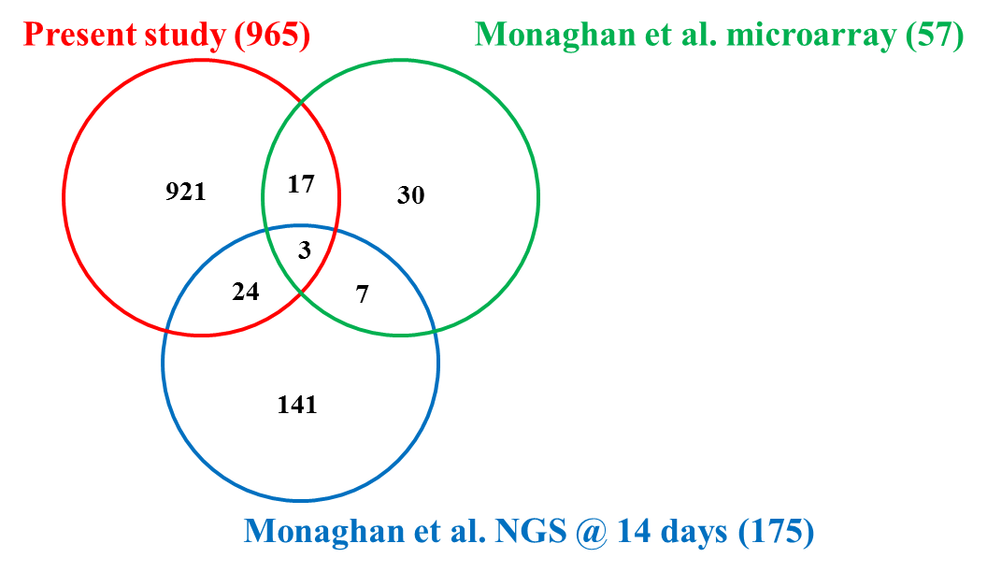
921 | 30 | 141 | 17 | 7 | 24 | 3
A1CF | ACTC | ACTA1 | ASAH1 | ACRC | ACTN2 | CTSK
A4GNT | ADFP | ACTA2 | ATP6V1B2 | APOE | ALDOA | FN1
AADAC | AGXT2L1 | ACTB | BHMT | CST3 | ATP6V0C | MYH7
AADACL4 | ATP6V0D1 | ADH4 | C10ORF54 | FHL1 | B2M
ABCA4 | BTBD3 | AGC1 | CKB | FLJ22662 | CKM
ABCD1 | CAT | AHNAK | CLU | IGLL1 | CTSB
ABLIM2 | CD302 | ANG | EMP3 | MMP9 | DMBT1
ACAA2 | CD74 | ARPC2 | ENTPD1 |  | GAPDH
ACCN4 | COL4A2 | ATP2A1 | GRN |  | HBD
ACLY | CTSS | ATP5F1 | LGMN |  | KBTBD10
ACSBG2 | DAB2 | ATP5G2 | MMP1 |  | LYZ
ACSL3 | HEBP2 | ATP5G3 | NEU1 |  | MYH1
ACTC1 | HLA-DRB5 | BGLAP | RAC2 |  | MYH4
ACTN3 | HSPB1 | C1QC | SLC11A1 |  | MYL1
ADAM28 | ITPR3 | C6orf115 | SLC37A2 |  | MYL2
ADCY7 | LOXL1 | CAPG | UAP1 |  | MYL4
ADCYAP1R1 | LR8 | CCT7 | UAP1L1 |  | MYLPF
ADGF-B | MARCO | CDC42 |  |  | PGD
ADIPOQ | MMP13 | CFL1 |  |  | PSAP
ADRB2 | MMP2 | CIRBP |  |  | PTX3
AGL | MPEG1 | COL11A1 |  |  | RARRES1
AGTR1 | PDK2 | COL1A1 |  |  | TNNC2
AGTRAP | POLR2L | COL1A2 |  |  | TPM1
AHCYL1 | PTGDS | COL2A1 |  |  | TSPAN3
AIF1L | RGS10 | COL3A1
AIFM2 | SERPINI1 | COL5A1
AK1-B | TCN1 | COL6A2
ALAS2 | TYROBP | COL6A3
ALDH1A1 | UNQ830 | COL9A3
ALDH1A3 | USP2 | CPNE3
ALDH1L1 |  | CSPG2
ALOXE3 |  | CSTB
ANGPTL2 |  | CTSL
ANGPTL7 |  | DHRS7C
ANK1 |  | DSPG3
ANKH |  | EEF1A1
ANKRD1 |  | EEF1B2
ANO5 |  | EEF1G
ANPEP |  | EEF2
ANXA3 |  | ENO1
APBB1IP |  | EPPK1
APLNR-B |  | ERVWE1
ARF6.2 |  | FAU
ARFGAP1 |  | FBN2
ARG1 |  | FKBP7
ARHGAP18 |  | FTH1
ARHGAP29 |  | GBP5
ARHGEF3 |  | GPA33
ARL6IP5 |  | GSK3B
ARL8B |  | GSTP1
ARRB1 |  | HBA1
ARRB2 |  | HBE1
ARSD |  | HBG2
ARSK |  | HIST1H1E
ASPN |  | HNRPA3
ATG4A |  | HNRPH2
ATP13A4 |  | HNRPK
ATP1B1 |  | HNRPU
ATP2A3 |  | HSP90AB1
ATP5J |  | IDH2
ATP5S |  | IRAK1
ATP6AP2 |  | KIAA0963
ATP6V0B |  | KRT12
ATP6V1A |  | KRT4
ATP6V1C1 |  | KRT6A
ATP6V1D |  | LUM
ATP6V1E1 |  | MDK
ATP6V1G1 |  | MGC13017
ATP6V1H |  | MUSTN1
B3GNT2 |  | MYH10
B3GNT5 |  | MYH2
BAG3 |  | MYH3
BCAN |  | MYL6
BCAR3 |  | NCL
BCL2L1 |  | NDUFB10
BCL2L11 |  | OLFML3
BHLHE40 |  | OTOS
BIRC2 |  | OTUB1
BNIP3 |  | P4HA2
C13ORF1 |  | PABPC1
C13ORF15 |  | PHYH
C13ORF33 |  | PLEK2
C18ORF8 |  | PPIF
C19ORF28 |  | PRX
C19ORF42 |  | PSCA
C1GALT1 |  | PVALB
C1GALT1C1 |  | QKI
C1QB |  | QRICH2
C22ORF25 |  | RAI14
C3 |  | ROCK1
C7 |  | RP9
C7ORF36 |  | RPL12
C8ORF42 |  | RPL13
C9 |  | RPL13A
C9ORF167 |  | RPL18
CA2 |  | RPL19
CACNB1 |  | RPL21
CACNG1 |  | RPL22L1
CALB1B |  | RPL24
CALU |  | RPL26
CAPN2.2 |  | RPL27
CAPNS1 |  | RPL32
CASP1-A |  | RPL36
CASQ1 |  | RPL36A
CAV2 |  | RPL37
CBX4 |  | RPL5
CBX6 |  | RPL9
CCDC45 |  | RPLP2
CCDC63 |  | RPS11
CCNG1 |  | RPS12
CCRN4L |  | RPS15
CD151 |  | RPS18
CDC42EP3 |  | RPS20
CDC42SE2-A |  | RPS23
CDH13 |  | RPS24
CDKN2B |  | RPS3
CDR2 |  | RPS7
CEBPB |  | RPS8
CFP |  | RPS9
CFTR-A |  | RRBP1
CGRRF1 |  | S100A11
CHMP1B |  | S100P
CHMP4C |  | SARS
CHN2 |  | SEC61G
CHRNA1 |  | SEPP1
CHST12 |  | SFRS9
CHST2 |  | SLC25A5
CHST6 |  | SPARC
CITED2 |  | SSR2
CLCC1 |  | TFCP2
CLCN5 |  | TMSB4X
CLCN7 |  | TNNT3
CMTM3 |  | TPM2
CMTM7 |  | TPT1
CNKSR2 |  | TRABD
CNRIP1 |  | TTN
COBL |  | UQCRB
COPEB |  | VIM
COX1 |  | ZFP106
COX3 |  | aMMP1
CPEB1-B |  | aMMP1.1
CPT1B
CREB3
CSF3R
CSRNP1
CSRP3-A
CST7
CTBS
CTDSPL2A
CTNS
CTPS2
CTSA
CTSC
CTSL2
CTSS-B
CXCR1
CXCR4-B
CXCR6
CYBA
CYBB
CYCS-A
CYP1A1
CYP2A13
CYP2A6
CYP2C18
CYP3A4
CYP3A5
CYP4V2
CYTB
CYTH2
DACT1-B
DCBLD1
DCN
DCXR
DDHD2
DENND1A
DEPDC6
DES
DGAT2
DGKE
DHCR24
DHRS7
DHX58
DKK1
DKK3
DLC1
DNAJB12
DNAJB2
DNAJB5
DNAJB9
DNAJC13
DNASE2
DOCK10
DOK1
DPEPE
DPP4
DRAM1
DTNBP1
DUSP22
DUSP5
DYNLT3
EEF1A2
EFHD1
EGFR
ELF-1
ELF1
ELL2
EML2
EMP1
ENDOD1
ENO1B
ENOSF1
ENPP4
EPX
ETHE1
ETV6
EVL
EXT1
EZR
F2RL1
FAAH
FAM102A
FAM129B
FAM162A
FAM175B
FAM26F
FAM46A
FAM49B
FAM73B
FBXO25
FBXO27
FBXO31-B
FBXO33
FBXO4
FBXO9
FCN2
FCN2-A
FERMT3
FGF12
FGF4-A
FGFBP1
FGFR3
FGL2
FHL3
FKBP4
FLRT1
FLVCR2
FMNL1
FMO2
FMO5
FRRS1
FRZB-1
FUCA2
FXYD1
GAB1
GABARAPL2
GAD1
GALC
GALNS
GAS6
GAS7
GATA1-B
GATA3
GATSL1
GBP1
GCNT1
GDA
GENE_7
GFI1B
GFOD2
GGH
GGH.2
GLA
GLB1L
GLIPR2
GMIP
GMPPB
GNPDA1
GP5
GPD1
GPI
GPNMB
GPR137B
GPR143
GPR155
GPX1
GPX3
GRASP
GRB2-B
GSTT1
GYG2
GZMH
HACE1
HAGH
HAS2
HERC6
HERPUD1
HERPUD2
HIGD1A
HK1
HK2
HMBS
HMHA1
HMOX1
HNMT-A
HOMER2
HPGD
HSD17B12
HSD17B14
HSPB7
HSPB8
HTATIP2
HTRA1
HVCN1
HYI
ID2
IGHV4-31
IKZF4
IL13RA2
IL1B
INF2
INHBB
INPP1
INPP5D
INSIG1
IQGAP1
ITGAV
ITGB2
ITGB3
ITPKC
ITSN2
JAK2
KANK1.2
KBTBD5
KCTD12
KDSR
KIAA0247
KIAA1370
KLC1
KLF17
KLF7
KREMEN1
KTN1
LAMP1
LASP1
LCP1
LCP2
LCT
LDB3
LDHA
LDLRAP1
LENG9
LGALS9B
LIMD1
LIMK1
LIPA
LIPG
LMO2
LOC100036815
LOC100036820
LOC100036826
LOC100036831
LOC100036860
LOC100036865
LOC100036870
LOC100036898
LOC100036907
LOC100036933
LOC100036938
LOC100036955
LOC100037000
LOC100037034
LOC100037085
LOC100037107
LOC100037120
LOC100037142
LOC100037177
LOC100037217
LOC100049121
LOC100049150
LOC100049719
LOC100049768
LOC100049771
LOC100101282
LOC100101310
LOC100125664
LOC100125668
LOC100127287
LOC100127291
LOC100127315
LOC100127316
LOC100127334
LOC100137634
LOC100137713
LOC100158300
LOC100158347
LOC397993
LOC398066
LOC398254
LOC398476
LOC398609
LOC398688
LOC398729
LOC414504
LOC431806
LOC432141
LOC432191
LOC443602
LOC443625
LOC443720
LOC445831
LOC446934
LOC494589
LOC494705
LOC494762
LOC494782
LOC494811
LOC494813
LOC494840
LOC494843
LOC495015
LOC495127
LOC495146
LOC495161
LOC495203
LOC495219
LOC495221
LOC495270
LOC495380
LOC495442
LOC495513
LOC495518
LOC495825
LOC495828
LOC496014
LOC496019
LOC496041
LOC496105
LOC496218
LOC496297
LOC496311
LOC496339
LOC496348
LOC496402
LOC733165
LOC733211
LOC733260
LOC733305
LOC733333
LOC733341
LOC733361
LOC733395
LOC779088
LOX
LRG1
LRRC33
LYG2
LYN
LYPLA1
MANEAL
MAP1LC3B
MAP2K3
MAPKAPK3
MAPT
MASP1/3A
MASP2
MCOLN2
MCOLN3
MDH2
MDM2
MEF2C
MEF2D-B
MFAP2
MFSD11
MFSD6L-A
MFSD7
MGAT4A
MGC114718
MGC114982
MGC115024
MGC115550
MGC115594
MGC115642
MGC116505
MGC116521
MGC130922
MGC130967
MGC131373
MGC154409
MGC52685
MGC53199
MGC53296
MGC53355
MGC64450
MGC64513
MGC64517
MGC64526
MGC68456
MGC68508
MGC68579
MGC68592
MGC68635
MGC68712
MGC68737
MGC68754
MGC68777
MGC68810
MGC68956
MGC69074
MGC69077
MGC69089
MGC69123
MGC69137
MGC78983
MGC79062
MGC80011
MGC80435
MGC80644
MGC80651
MGC80699
MGC80746
MGC80748
MGC80945
MGC80946
MGC80989
MGC81121
MGC81187
MGC81224
MGC81231
MGC81843
MGC82073
MGC82134
MGC82181
MGC82209
MGC82269
MGC82276
MGC82279
MGC82409
MGC82502
MGC82544
MGC82831
MGC82914
MGC82961
MGC82975
MGC83376
MGC83618
MGC83663
MGC83799
MGC84000
MGC84155
MGC84224
MGC84381
MGC85124
MGC85180
MGC85210
MGC86227
MGST1
MHC2A
MICALL2
MITF-A
MMP-13
MMP-9TH
MMP14
MMP28
MMP8
MOGAT1
MPI
MPP1
MRAS
MRC1
MSI2
MSN
MTHFSD
MTMR14
MTSS1
MUC2
MURC
MVP
MYADM
MYBPC3
MYO1E
MYO1F
MYO5A
NAAA
NAALAD2
NAGA
NAP1L1-B
NAPG
NAPSA
NCF2
NCF4
ND1
NDEL1-B
NDFIP2
NDRG1
NEBL
NECAP2
NEDD4L
NEK7
NES
NEURL
NEXN
NFATC1
NFE2
NFE2L2
NFKBIA
NMI
NOMPC
NPL
NR1H2
NSEP1
NT5C3
OAF
ODF3
OPTN
OSBPL2
OSTF1
OXCT1
OXR1
P2RX4
P2RY10
PABPC4
PACSIN2
PALM
PAM-B
PAOX
PARD6B
PARVG
PDCD4
PDE5A
PDGFB
PDIA2
PDLIM3
PDXDC1
PELI1
PFKFB3
PFKFB4
PFKP
PGAM1
PHOSPHO2
PI15
PI4K2A
PIK3R5
PIM3
PIP4K2A
PIP5K1B
PIP5KL1
PIR
PKDCC
PLA2G12A
PLAT
PLD1
PLD3
PLEK
PLEKHA2
PLEKHB2
PLEKHM3
PLEKHN1
PLIN2
PLIN3
PLP2
PMEPA1
PNPLA3
PPP1R3C.1
PPP3CB
PPT1
PPTC7
PRDM1
PRDX1
PREX1
PRF1
PRKAB2
PRKCH
PROX1
PRR5
PRSS16
PRTN3
PSMB7.2
PSMB8
PSMB9
PSTPIP1
PTAFR
PTGER2
PTPLAD2
PTPRC
PTS
PXK
PXN
PYGL
RAB1A
RAB21
RAB27A
RAB32
RAB33B
RAB3A
RAB3D
RAB7A
RAB9A-B
RABGAP1L
RAP1A
RARRES3
RASGEF1A
RASSF2
RBKS
RBM24
RBP4
RCAN1
RCN1
RCSD1
REEP5
RGN
RGS18
RH50
RHD
RHEB
RHOC
RHOF
RHOG
RIOK3
RIPK3
RLIP1-A
RNASEK-A
RNASET2
RND3
RNF13
RNF170
RNF208
RNFT1
RP2
RP5-1022P6.2
RPL18A
RPL3L
RPS26
RPS4
RPS6KA1
RUNX1
RUNX2
SAR1B
SASH3
SAX
SCD
SCG2
SCIN
SCXA
SDC2-B
SDC4-B
SDR16C5
SEC11C
SEC61A1
SEL1L3
SEMA3D
SEMA4B
SEPT5
SERINC1
SERINC3
SERP1
SERPINB1
SERPINB6
SERTAD2
SFRP2
SFT2D1
SFTPB
SGK1
SGMS1
SGPL1
SGPP2
SH3BGRL
SH3GLB1
SKAP2
SLC12A9
SLC15A4
SLC24A6
SLC25A12
SLC2A1
SLC2A14
SLC2A3
SLC2A6
SLC30A1
SLC36A1
SLC45A2
SLC45A3
SLC4A1
SLC5A11
SLC5A2
SLC6A13
SLC8A1
SLCO2A1
SMOX
SNAP91
SNX1
SNX10
SNX17
SNX9
SOAT1
SOCS1-B
SPIB
SPRED1
SPTLC1
SPTLC3
SQRDL
SQSTM1
SRC
SRC-A
SRL
ST3GAL-II
ST3GAL6
STAMBPB
STARD13
STAT1
STC1
STK10
STK11IP
STK24
STOML3
STX11
STX3
STX7
SUCLA2
SULT5A1
SUMF1
SUOX
SUPT3H
SYNGR1
SYNGR2
SYT1
TAL1
TANK
TAP2
TBXA2R
TBXAS1
TDH
TF-A
TGM2
TIFA
TIMP2
TKT
TLR1
TLR13
TLR3
TLR5
TLR8
TLR9
TLRS5
TM6SF1
TM9SF2
TMBIM4
TMED10
TMEM144
TMEM14A
TMEM168
TMEM185A
TMEM206
TMEM38A
TMEM50B
TMEM66
TMOD4
TNFAIP3
TNFAIP6
TNFAIP8
TNFAIP8L2-B
TNFRSF11B
TNFRSF6B
TNIP1
TNNI1
TNNI2
TNNT1
TP53INP1
TPCN2
TPD52
TPM4B
TPP1
TPPP3
TPRG1
TPST2
TRADD
TRAF3IP3
TRAFD1
TRAM1
TRIB1
TRIM54
TRIM72
TRIP11
TRMT61A
TST
TTC39B
TUBB6
TXNIP
TXNRD1
UBE2J1
UNC93A
UPP2
URGCP
VAMP1
VAMP7
VAV1
VDR
VEGFC
VLDLR
VPS13A
VPS24
VPS26A
VPS37A
VWA5A
VWA5A.2
WDR45
WFS1
WIPF2
WNT2B
X1311
XBP1
XEM1
XGALECTIN-IIIB
XILR2-A
XKR7
XMAD4
XPNPEP2
XPR1
XSYN-1
ZEB2
ZFAND2A
ZNF395

