GSEA_TF_ZF (Zinc finger)
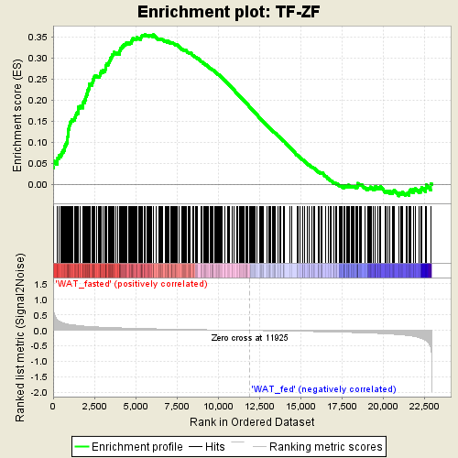
Dataset | WAT_all (28815)_collapsed_to_symbols.WATonly phenotype.cls
 | #WAT_fasted_versus_WAT_fed
Phenotype | WATonly phenotype.cls#WAT_fasted_versus_WAT_fed
Upregulated in class | WAT_fasted
GeneSet | TF-ZF
Enrichment Score (ES) | 0.3564394
Normalized Enrichment Score (NES) | 1.6386223
Nominal p-value | 0
FDR q-value | 0.0126349535
FWER p-Value | 0.006

GSEA_TF_BZIP (Basic zippers)
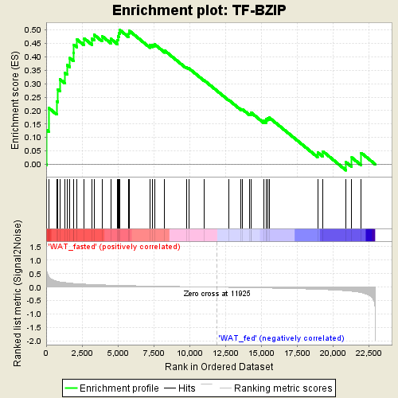
Dataset | WAT_all (28815)_collapsed_to_symbols.WATonly phenotype.cls
 | #WAT_fasted_versus_WAT_fed
Phenotype | WATonly phenotype.cls#WAT_fasted_versus_WAT_fed
Upregulated in class | WAT_fasted
GeneSet | TF-BZIP
Enrichment Score (ES) | 0.5006638
Normalized Enrichment Score (NES) | 1.6087538
Nominal p-value | 0.004132231
FDR q-value | 0.010686573
FWER p-Value | 0.01

GSEA_TF_FOX (Forkhead box)
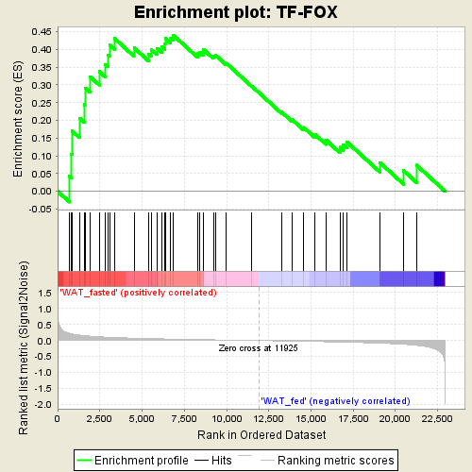
Dataset | WAT_all (28815)_collapsed_to_symbols.WATonly phenotype.cls
 | #WAT_fasted_versus_WAT_fed
Phenotype | WATonly phenotype.cls#WAT_fasted_versus_WAT_fed
Upregulated in class | WAT_fasted
GeneSet | TF-FOX
Enrichment Score (ES) | 0.43987396
Normalized Enrichment Score (NES) | 1.3742044
Nominal p-value | 0.063025214
FDR q-value | 0.057568617
FWER p-Value | 0.078

GSEA_TF_OTHER
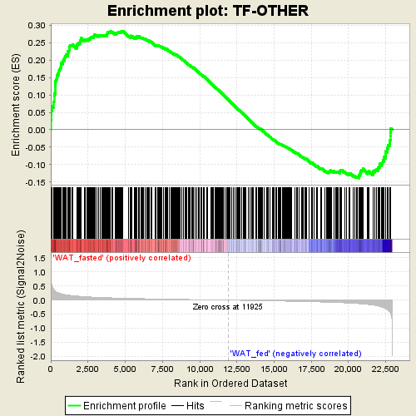
Dataset | WAT_all (28815)_collapsed_to_symbols.WATonly phenotype.cls
 | #WAT_fasted_versus_WAT_fed
Phenotype | WATonly phenotype.cls#WAT_fasted_versus_WAT_fed
Upregulated in class | WAT_fasted
GeneSet | TF-OTHER
Enrichment Score (ES) | 0.28300217
Normalized Enrichment Score (NES) | 1.2840197
Nominal p-value | 0.008830022
FDR q-value | 0.097364224
FWER p-Value | 0.171

GSEA_CoF
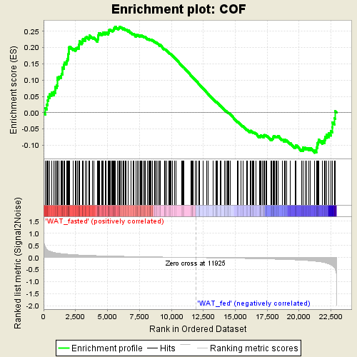
Dataset | WAT_all (28815)_collapsed_to_symbols.WATonly phenotype.cls
 | #WAT_fasted_versus_WAT_fed
Phenotype | WATonly phenotype.cls#WAT_fasted_versus_WAT_fed
Upregulated in class | WAT_fasted
GeneSet | COF
Enrichment Score (ES) | 0.26422554
Normalized Enrichment Score (NES) | 1.1399081
Nominal p-value | 0.14838709
FDR q-value | 0.20500147
FWER p-Value | 0.453

GSEA_ChrRem
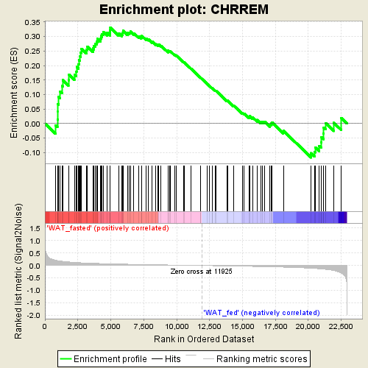
Dataset | WAT_all (28815)_collapsed_to_symbols.WATonly phenotype.cls
 | #WAT_fasted_versus_WAT_fed
Phenotype | WATonly phenotype.cls#WAT_fasted_versus_WAT_fed
Upregulated in class | WAT_fasted
GeneSet | CHRREM
Enrichment Score (ES) | 0.33060333
Normalized Enrichment Score (NES) | 1.2447151
Nominal p-value | 0.0952381
FDR q-value | 0.1118185
FWER p-Value | 0.231

