Focal Adhesion
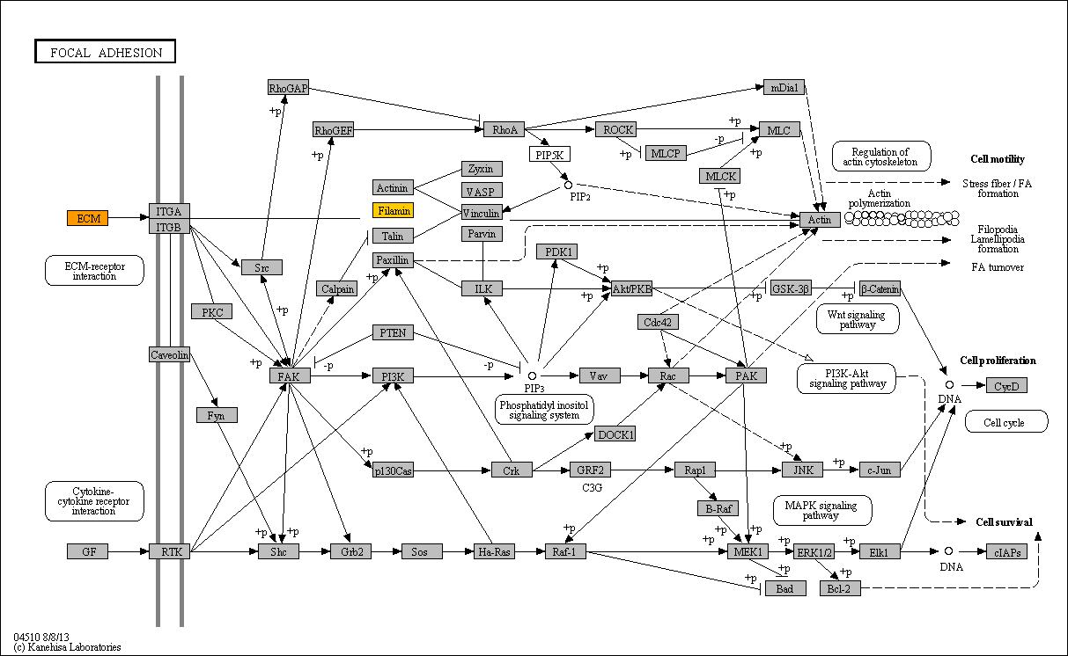

bta:280794 FN1; fibronectin 1
bta:281165 FLNA; filamin A, alpha
bta:281530 THBS1; thrombospondin 1
bta:282187 COL1A1; collagen, type I, alpha 1
bta:282188 COL1A2; collagen, type I, alpha 2
bta:282194 COL6A2; collagen, type VI, alpha 2
bta:511422 COL6A1; collagen, type VI, alpha 1
bta:530657 COL6A3; collagen, type VI, alpha 3

ECM
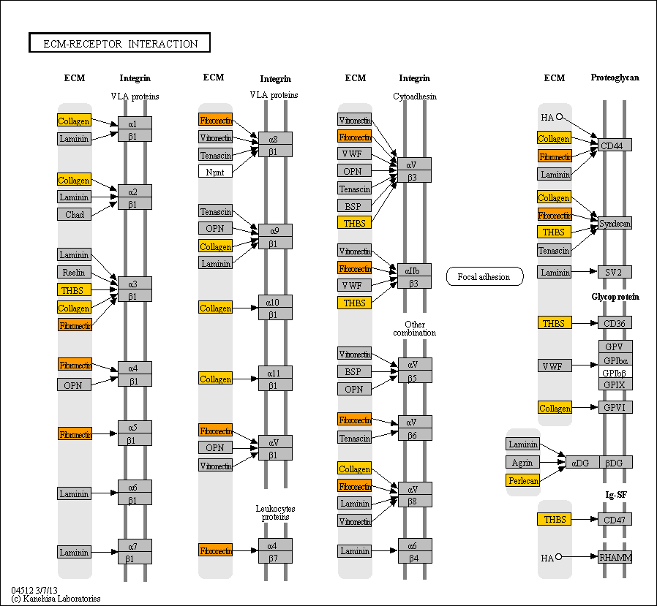

bta:280794 FN1; fibronectin 1
bta:281530 THBS1; thrombospondin 1
bta:282187 COL1A1; collagen, type I, alpha 1
bta:282188 COL1A2; collagen, type I, alpha 2
bta:282194 COL6A2; collagen, type VI, alpha 2
bta:444872 HSPG2; heparan sulfate proteoglycan 2
bta:511422 COL6A1; collagen, type VI, alpha 1
bta:530657 COL6A3; collagen, type VI, alpha 3

Complement cascades
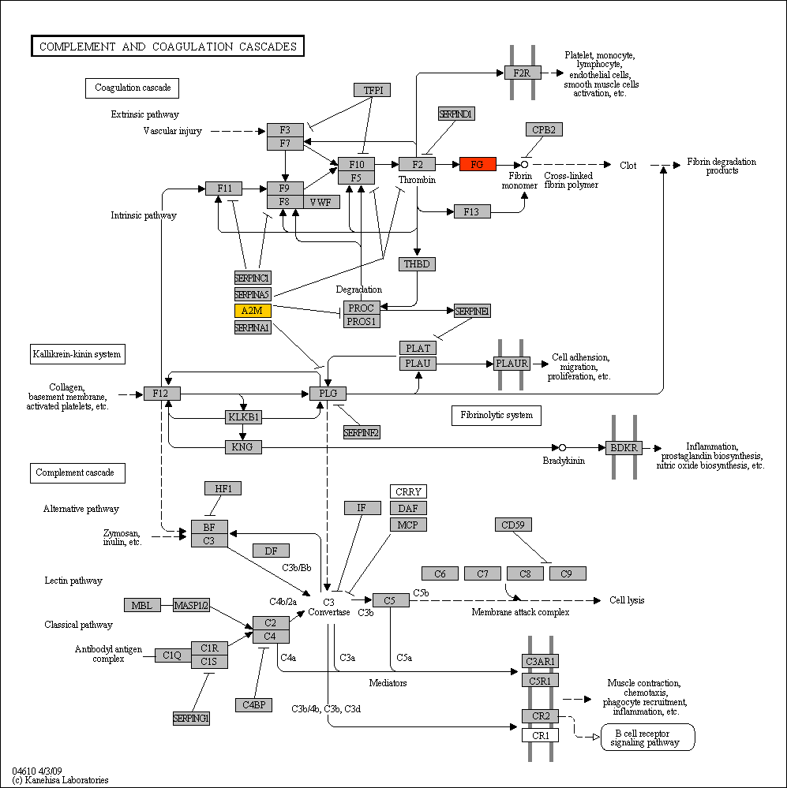

bta:280792 FGG; fibrinogen gamma chain
bta:510522 FGB; fibrinogen beta chain
bta:513856 A2M; alpha-2-macroglobulin
bta:522039 FGA; fibrinogen alpha chain

Amoebiasis
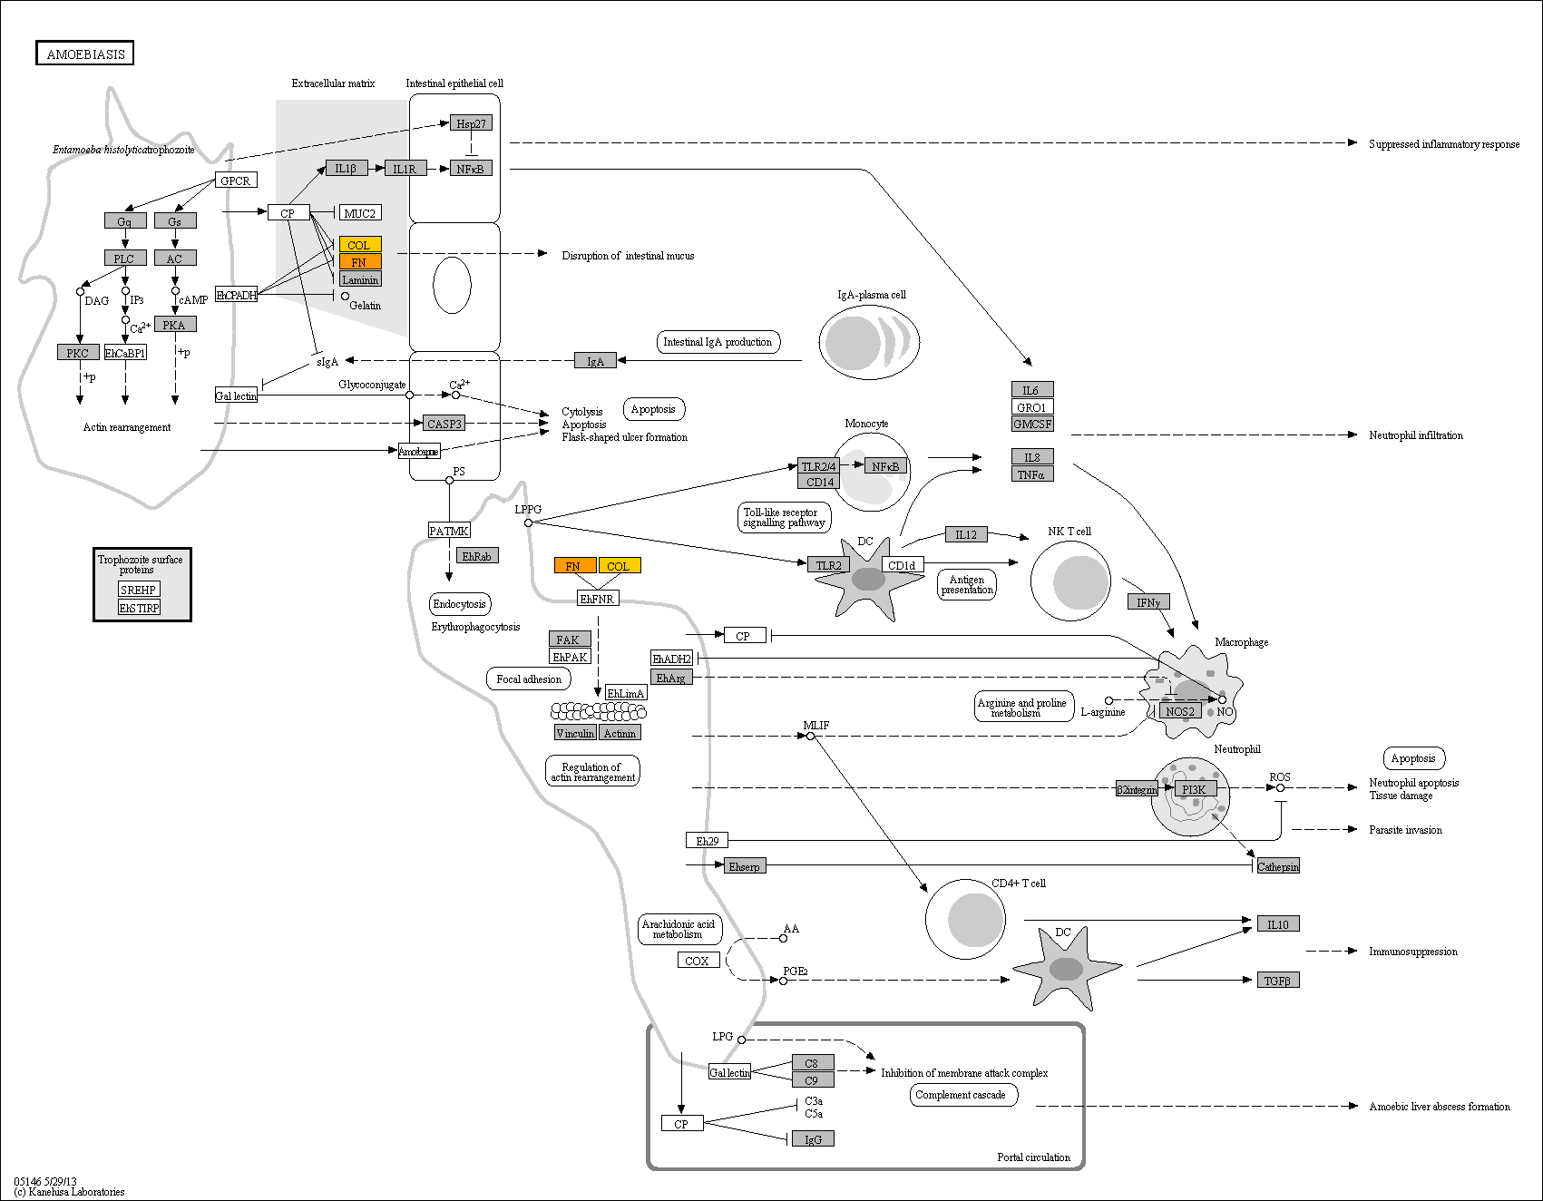

bta:280794 FN1; fibronectin 1
bta:282187 COL1A1; collagen, type I, alpha 1
bta:282188 COL1A2; collagen, type I, alpha 2

Protein dig and absortion
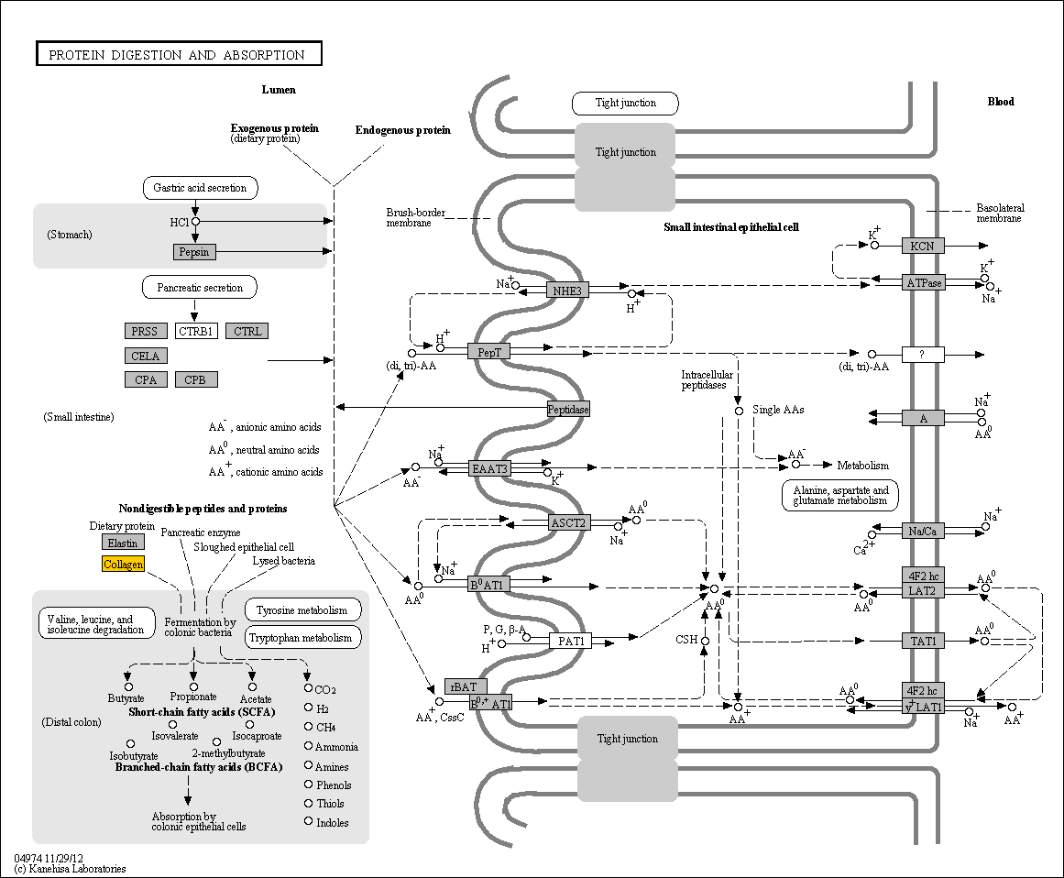

bta:282187 COL1A1; collagen, type I, alpha 1
bta:282188 COL1A2; collagen, type I, alpha 2
bta:282194 COL6A2; collagen, type VI, alpha 2
bta:511422 COL6A1; collagen, type VI, alpha 1
bta:530657 COL6A3; collagen, type VI, alpha 3

