comparison
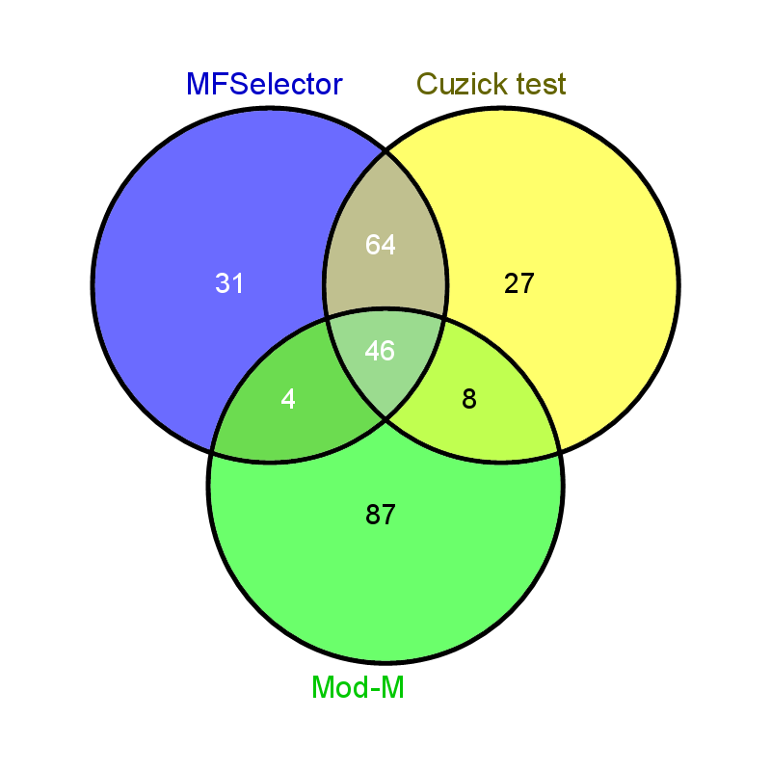
Common elements in "MFSelector", "Cuzick" and "Mod-M": | Elements only in "MFSelector": | Elements only in "Cuzick": | Elements only in "Mod-M": | Common elements in "MFSelector" and "Cuzick": | Common elements in "MFSelector" and "Mod-M": | Common elements in "Cuzick" and "Mod-M":
219737_s_at | 202668_at | 202136_at | 213395_at | 212017_at | 212923_s_at | 227354_at
229281_at | 208534_s_at | 212534_at | 205103_at | 205383_s_at | 225185_at | 229824_at
209598_at | 227823_at | 225729_at | 213712_at | 238878_at | 209859_at | 218718_at
227498_at | 201734_at | 227121_at | 203908_at | 203608_at | 212070_at | 227452_at
209469_at | 202508_s_at | 223283_s_at | 236538_at | 227370_at |  | 200794_x_at
242455_at | 213233_s_at | 203549_s_at | 39966_at | 202609_at |  | 227666_at
212636_at | 212854_x_at | 225626_at | 202478_at | 238919_at |  | 212843_at
225897_at | 201104_x_at | 201536_at | 223673_at | 223475_at |  | 209841_s_at
221236_s_at | 227049_at | 226627_at | 209686_at | 228060_at
228214_at | 222462_s_at | 228555_at | 205358_at | 224621_at
204030_s_at | 203989_x_at | 243417_at | 203963_at | 1559965_at
212614_at | 225182_at | 213960_at | 205143_at | 222780_s_at
217904_s_at | 202975_s_at | 201826_s_at | 209988_s_at | 227401_at
224901_at | 221261_x_at | 207084_at | 205152_at | 220316_at
226691_at | 225144_at | 214772_at | 213618_at | 212870_at
209470_s_at | 218573_at | 215311_at | 204508_s_at | 202630_at
201670_s_at | 229626_at | 218692_at | 228375_at | 236024_at
212764_at | 203217_s_at | 222423_at | 230291_s_at | 227261_at
225725_at | 225056_at | 223282_at | 219107_at | 209794_at
212830_at | 227251_at | 225214_at | 222871_at | 218224_at
213939_s_at | 209883_at | 225785_at | 226623_at | 202484_s_at
224876_at | 205271_s_at | 227478_at | 210735_s_at | 202636_at
202976_s_at | 223184_s_at | 229744_at | 225491_at | 224592_x_at
203596_s_at | 227440_at | 236120_at | 201876_at | 208370_s_at
225019_at | 203348_s_at | 238605_at | 210383_at | 203333_at
225793_at | 214334_x_at | 238906_s_at | 209170_s_at | 204642_at
203724_s_at | 222488_s_at | 219501_at | 215867_x_at | 223618_at
200788_s_at | 220029_at |  | 211984_at | 213257_at
202506_at | 202381_at |  | 231430_at | 220115_s_at
203037_s_at | 233587_s_at |  | 1558101_at | 202986_at
219778_at | 205280_at |  | 238850_at | 240713_s_at
205794_s_at |  |  | 221623_at | 225669_at
209197_at |  |  | 200953_s_at | 227579_at
225202_at |  |  | 225055_at | 204966_at
205029_s_at |  |  | 209074_s_at | 218899_s_at
226043_at |  |  | 214164_x_at | 209014_at
226281_at |  |  | 219090_at | 213838_at
202936_s_at |  |  | 237472_at | 223182_s_at
205030_at |  |  | 213609_s_at | 227061_at
202935_s_at |  |  | 211985_s_at | 243357_at
228780_at |  |  | 210830_s_at | 231040_at
230412_at |  |  | 210015_s_at | 235308_at
202800_at |  |  | 205948_at | 212111_at
224964_s_at |  |  | 230272_at | 209242_at
225540_at |  |  | 211597_s_at | 210875_s_at
205638_at |  |  | 238532_at | 213158_at
 |  |  | 36129_at | 212504_at
 |  |  | 209167_at | 239952_at
 |  |  | 226143_at | 244403_at
 |  |  | 203185_at | 223604_at
 |  |  | 234985_at | 224663_s_at
 |  |  | 206373_at | 200832_s_at
 |  |  | 236442_at | 224994_at
 |  |  | 201341_at | 227497_at
 |  |  | 227439_at | 212985_at
 |  |  | 206022_at | 210251_s_at
 |  |  | 224909_s_at | 218656_s_at
 |  |  | 205475_at | 224957_at
 |  |  | 204439_at | 213259_s_at
 |  |  | 230184_at | 238617_at
 |  |  | 52975_at | 212970_at
 |  |  | 224925_at | 224977_at
 |  |  | 229975_at | 235111_at
 |  |  | 205344_at | 212810_s_at
 |  |  | 203845_at
 |  |  | 243481_at
 |  |  | 209617_s_at
 |  |  | 202202_s_at
 |  |  | 226372_at
 |  |  | 209987_s_at
 |  |  | 227554_at
 |  |  | 227977_at
 |  |  | 236761_at
 |  |  | 1558388_a_at
 |  |  | 224975_at
 |  |  | 239118_at
 |  |  | 201464_x_at
 |  |  | 238009_at
 |  |  | 206140_at
 |  |  | 226113_at
 |  |  | 209243_s_at
 |  |  | 211467_s_at
 |  |  | 211066_x_at
 |  |  | 226114_at
 |  |  | 229380_at
 |  |  | 35846_at
 |  |  | 225146_at

